CEN10
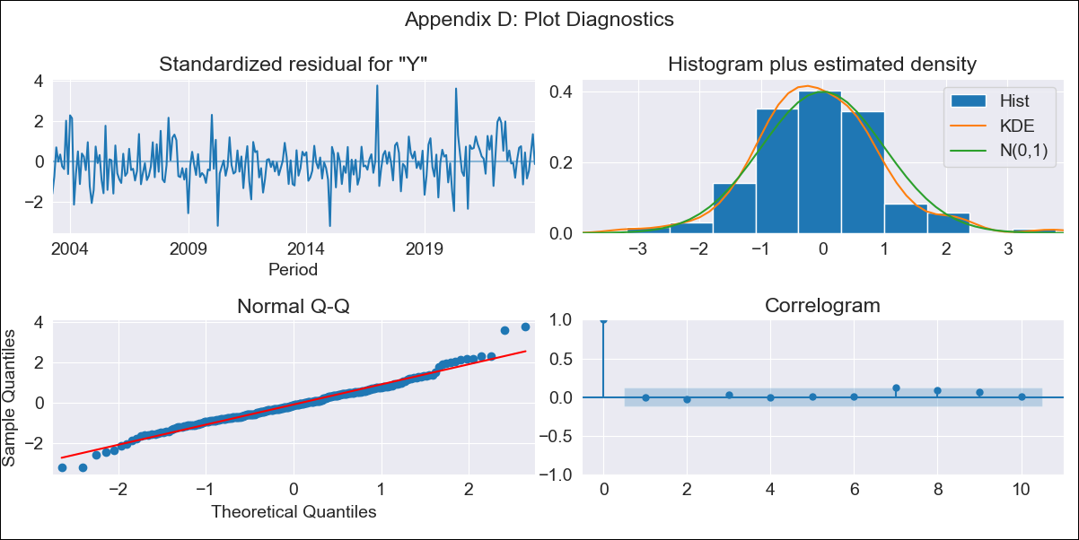
CEN10 - Inflation - Next 12 months forecast as of: 2023-09-01

Model | ARIMA - [(2, 1, 0), (3, 0, 1, 12)]
Training Data | 2000-01-01 to 2022-10-01
Test Data | 2022-10-01 to 2023-09-01

Date | Inflation Change YoY % | Lower Bound - 95% Confidence Interval | Upper Bound - 95% Confidence Interval
2023-10-01 | 4.39 | 3.97 | 4.81
2023-11-01 | 4.53 | 3.77 | 5.28
2023-12-01 | 4.58 | 3.52 | 5.64
2024-01-01 | 4.48 | 3.14 | 5.81
2024-02-01 | 4.29 | 2.72 | 5.87
2024-03-01 | 4.4 | 2.6 | 6.19
2024-04-01 | 4.29 | 2.29 | 6.28
2024-05-01 | 4.52 | 2.34 | 6.7
2024-06-01 | 4.77 | 2.42 | 7.12
2024-07-01 | 4.81 | 2.3 | 7.32
2024-08-01 | 4.55 | 1.89 | 7.21
2024-09-01 | 4.45 | 1.65 | 7.26

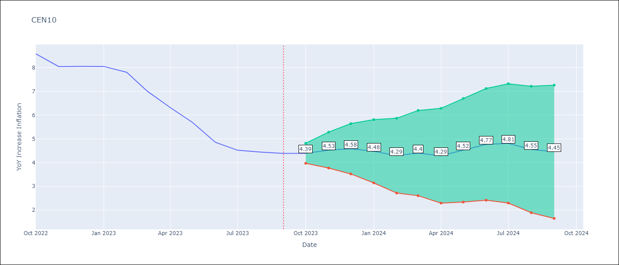

Test Metrics
RMSE | 0.19
Naive RMSE | 0.49
MAPE | 2.62%

Test Predictions
Date | Predicted | Actual
2022-10-01 | 8.6 | 8.58
2022-11-01 | 8.24 | 8.04
2022-12-01 | 8.32 | 8.05
2023-01-01 | 8.2 | 8.05
2023-02-01 | 7.73 | 7.8
2023-03-01 | 7.06 | 7
2023-04-01 | 6.32 | 6.31
2023-05-01 | 5.87 | 5.69
2023-06-01 | 5.22 | 4.85
2023-07-01 | 4.88 | 4.52
2023-08-01 | 4.51 | 4.44
2023-09-01 | 4.33 | 4.38

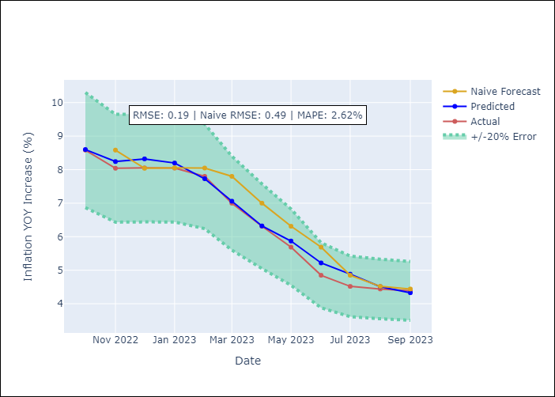

Appendix A: Model Summary
Model | ARIMA(2, 1, 0)x(3, 0, [1], 12)
Sample | 01-01-2000- 09-01-2023
No. of Observations | 285
Terms | P-value (Statistical significance)
ar.L1 | 0.000
ar.L2 | 0.597
ar.S.L12 | 0.002
ar.S.L24 | 0.002
ar.S.L36 | 0.027
ma.S.L12 | 0.000
sigma2 | 0.000

Assumptions | P-value | Interpretation
Ljung-Box (L1) | 0.87
Heteroskedasticity | 0.65
Jarque-Bera | 0.00
Skew | 0.32
Kurtosis | 4.57

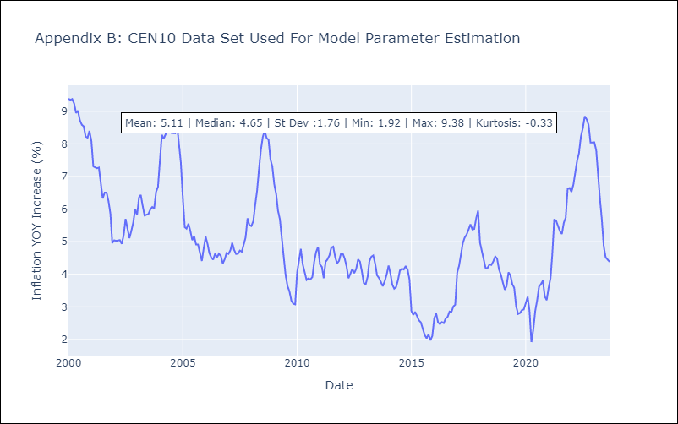

Appendix C: Residuals Analysis
Mean | 0.01
White Noise? | No - Correlation at Lags [1 2 3 4 5 6 7]
Normal? | No

