VEN22
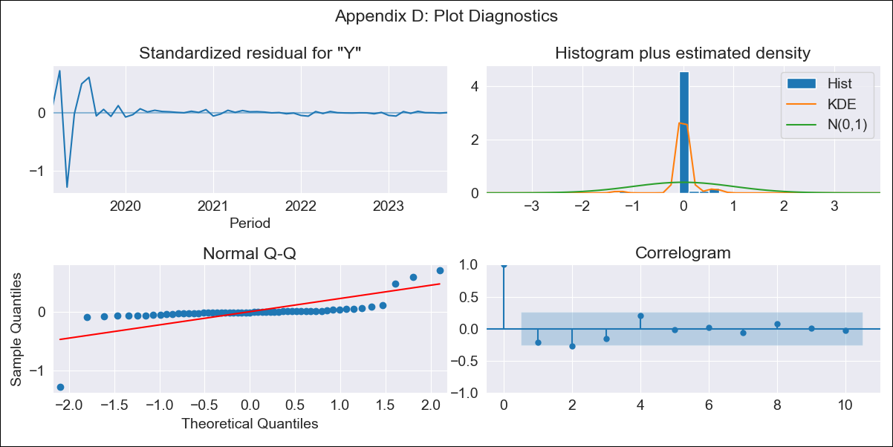
VEN22 - Inflation - Next 12 months forecast as of: 2023-09-01

Model | ARIMA - [(2, 0, 1), (1, 1, 3, 12)]
Training Data | 2015-01-01 to 2022-10-01
Test Data | 2022-10-01 to 2023-09-01

Date | Inflation Change YoY % | Lower Bound - 95% Confidence Interval | Upper Bound - 95% Confidence Interval
2023-10-01 | 491.63 | -40705.89 | 41689.15
2023-11-01 | 930.91 | -63341.95 | 65203.77
2023-12-01 | 999.01 | -77246.26 | 79244.28
2024-01-01 | 1998.93 | -83752.39 | 87750.25
2024-02-01 | 3350.49 | -86033.32 | 92734.31
2024-03-01 | 3016.98 | -87897.54 | 93931.51
2024-04-01 | 2741.49 | -88729.91 | 94212.89
2024-05-01 | 1789.8 | -89848.08 | 93427.68
2024-06-01 | 1204.71 | -90469.22 | 92878.64
2024-07-01 | 906.12 | -90770.74 | 92582.97
2024-08-01 | 813.37 | -90862.14 | 92488.88
2024-09-01 | 805.59 | -90870.04 | 92481.21

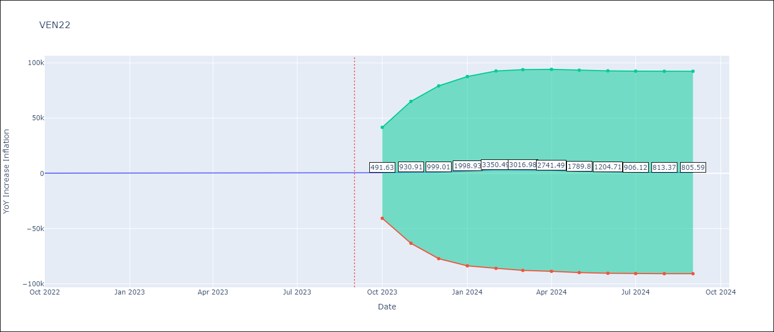

Test Metrics
RMSE | 2050.01
Naive RMSE | 57.04
MAPE | 449.31%

Test Predictions
Date | Predicted | Actual
2022-10-01 | 347.49 | 155.8
2022-11-01 | 965.27 | 165.6
2022-12-01 | 1209.99 | 234.08
2023-01-01 | 2588.59 | 344.91
2023-02-01 | 4295.91 | 415.57
2023-03-01 | 3982.41 | 439.61
2023-04-01 | 3576.81 | 436.34
2023-05-01 | 2357.63 | 429.21
2023-06-01 | 1556.74 | 404.37
2023-07-01 | 1135.36 | 398.19
2023-08-01 | 985.75 | 317.63
2023-09-01 | 904.74 | 394.76

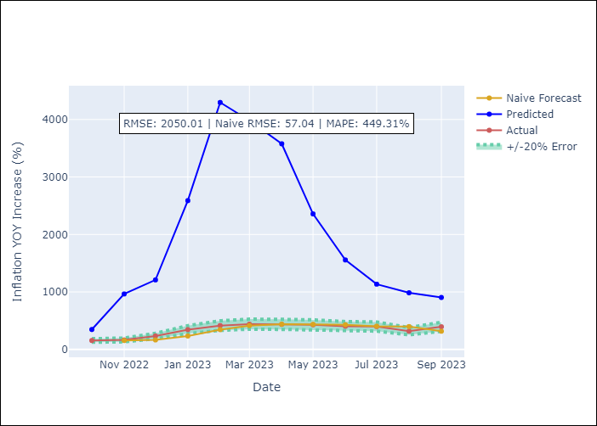

Appendix A: Model Summary
Model | ARIMA(2, 0, 1)x(1, 1, [1, 2, 3], 12)
Sample | 01-01-2015- 09-01-2023
No. of Observations | 105
Terms | P-value (Statistical significance)
ar.L1 | 0.020
ar.L2 | 0.359
ma.L1 | 0.971
ar.S.L12 | 0.995
ma.S.L12 | 0.999
ma.S.L24 | 0.995
ma.S.L36 | 1.000
sigma2 | 0.000

Assumptions | P-value | Interpretation
Ljung-Box (L1) | 0.11
Heteroskedasticity | 0.00
Jarque-Bera | 0.00
Skew | -2.29
Kurtosis | 21.95

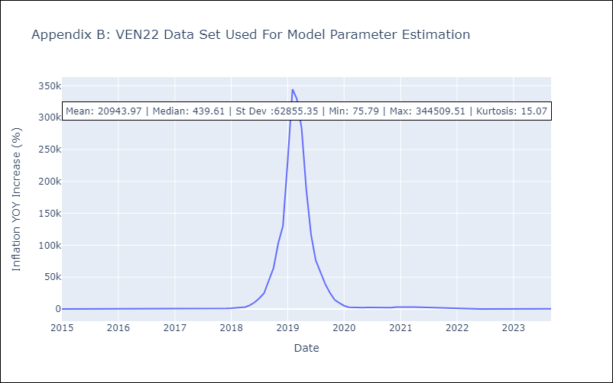

Appendix C: Residuals Analysis
Mean | 3617.91
White Noise? | No - Correlation at Lags [ 1 2 3 4 5 6 7 8 9 10 11 12]
Normal? | No

