VCT_lt
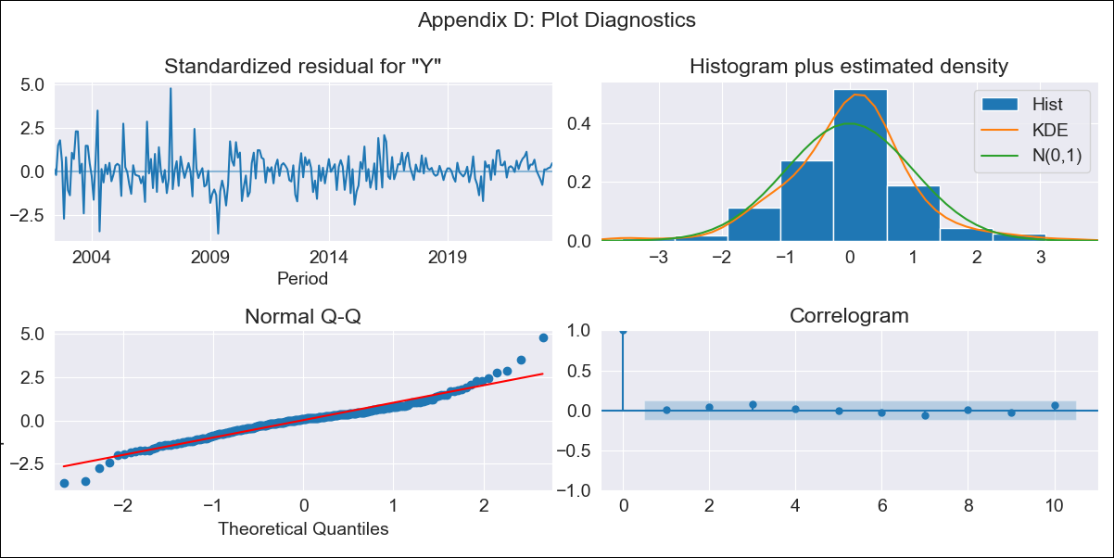
VCT_lt - Inflation - Next 12 months forecast as of: 2023-06-01

Model | ARIMA - [(2, 2, 2), (1, 0, 1, 12)]
Training Data | 2001-01-01 to 2022-07-01
Test Data | 2022-07-01 to 2023-06-01

Date | Inflation Change YoY % | Lower Bound - 95% Confidence Interval | Upper Bound - 95% Confidence Interval
2023-07-01 | 1 | 0.73 | 1.28
2023-08-01 | 0.94 | 0.66 | 1.21
2023-09-01 | 0.84 | 0.57 | 1.11
2023-10-01 | 0.85 | 0.58 | 1.12
2023-11-01 | 0.92 | 0.65 | 1.19
2023-12-01 | 1.03 | 0.75 | 1.3
2024-01-01 | 1.21 | 0.93 | 1.48
2024-02-01 | 1.2 | 0.93 | 1.48
2024-03-01 | 1.2 | 0.93 | 1.48
2024-04-01 | 1.2 | 0.93 | 1.48
2024-05-01 | 1.18 | 0.91 | 1.46
2024-06-01 | 1.12 | 0.84 | 1.39

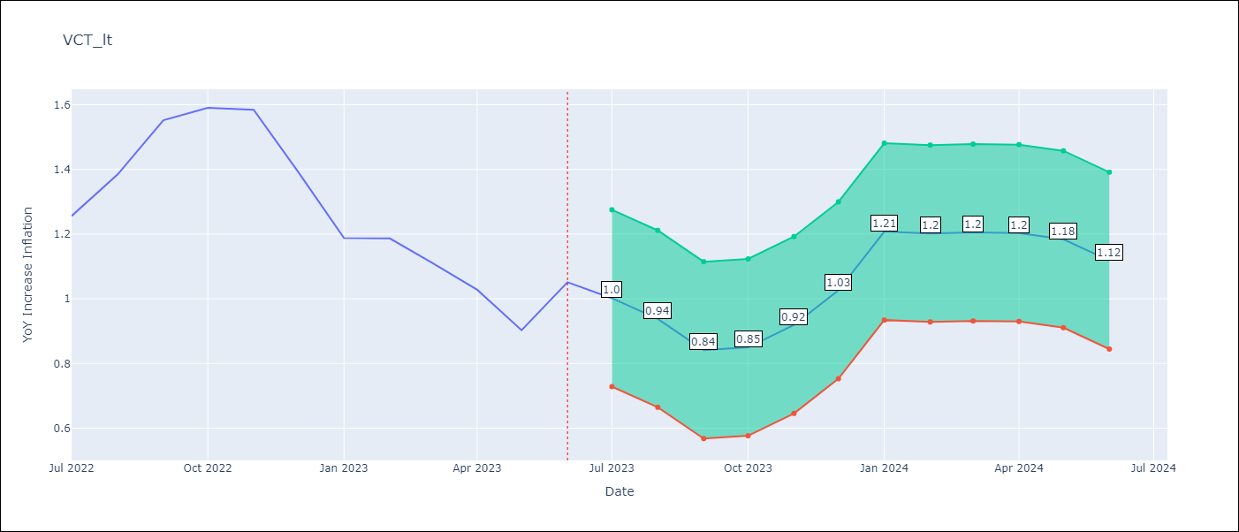

Test Metrics
RMSE | 0.28
Naive RMSE | 0.13
MAPE | 19.75%

Test Predictions
Date | Predicted | Actual
2022-07-01 | 1.16 | 1.26
2022-08-01 | 1.18 | 1.38
2022-09-01 | 1.15 | 1.55
2022-10-01 | 1.17 | 1.59
2022-11-01 | 1.22 | 1.58
2022-12-01 | 1.14 | 1.39
2023-01-01 | 1.15 | 1.19
2023-02-01 | 1.06 | 1.19
2023-03-01 | 0.94 | 1.11
2023-04-01 | 0.82 | 1.03
2023-05-01 | 0.63 | 0.9
2023-06-01 | 0.63 | 1.05

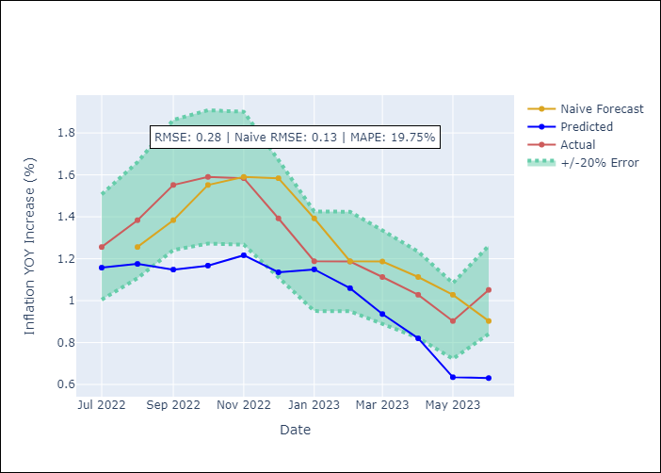

Appendix A: Model Summary
Model | ARIMA(2, 2, 2)x(1, 0, [1], 12)
Sample | 01-01-2001- 06-01-2023
No. of Observations | 270
Terms | P-value (Statistical significance)
ar.L1 | 0.028
ar.L2 | 0.160
ma.L1 | 0.280
ma.L2 | 0.045
ar.S.L12 | 0.732
ma.S.L12 | 0.000
sigma2 | 0.000

Assumptions | P-value | Interpretation
Ljung-Box (L1) | 0.85
Heteroskedasticity | 0.00
Jarque-Bera | 0.00
Skew | 0.28
Kurtosis | 6.06

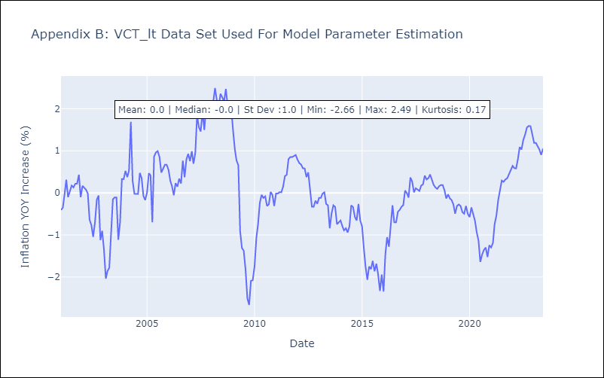

Appendix C: Residuals Analysis
Mean | 0.0
White Noise? | Yes
Normal? | No

