VCT
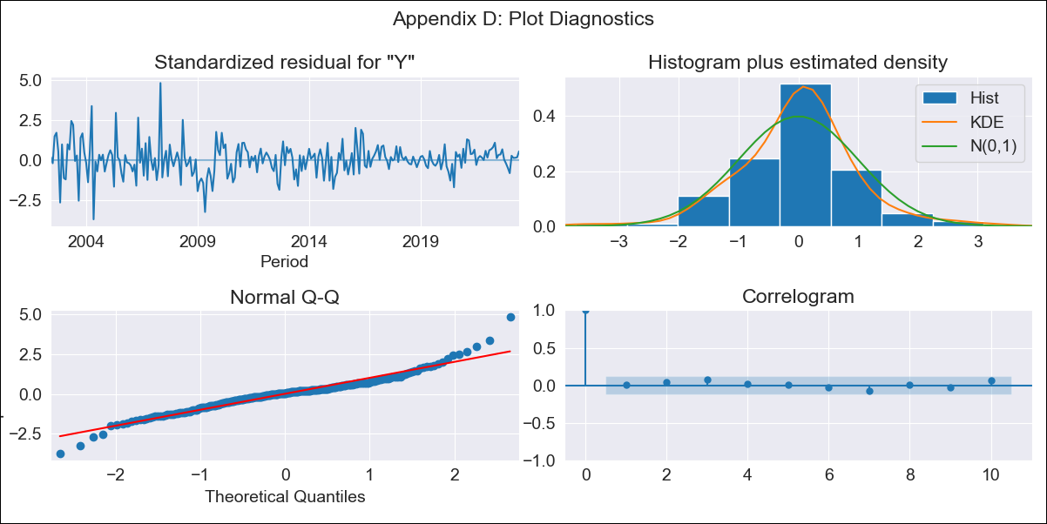
VCT - Inflation - Next 12 months forecast as of: 2023-06-01

Model | ARIMA - [(2, 2, 2), (1, 0, 1, 12)]
Training Data | 2001-01-01 to 2022-07-01
Test Data | 2022-07-01 to 2023-06-01

Date | Inflation Change YoY % | Lower Bound - 95% Confidence Interval | Upper Bound - 95% Confidence Interval
2023-07-01 | 5.23 | 4.38 | 6.09
2023-08-01 | 5.01 | 4.16 | 5.87
2023-09-01 | 4.66 | 3.81 | 5.52
2023-10-01 | 4.7 | 3.85 | 5.56
2023-11-01 | 4.98 | 4.12 | 5.83
2023-12-01 | 5.34 | 4.48 | 6.19
2024-01-01 | 6.03 | 5.18 | 6.89
2024-02-01 | 5.84 | 4.99 | 6.7
2024-03-01 | 5.77 | 4.92 | 6.63
2024-04-01 | 5.75 | 4.9 | 6.61
2024-05-01 | 5.62 | 4.76 | 6.47
2024-06-01 | 5.31 | 4.46 | 6.17

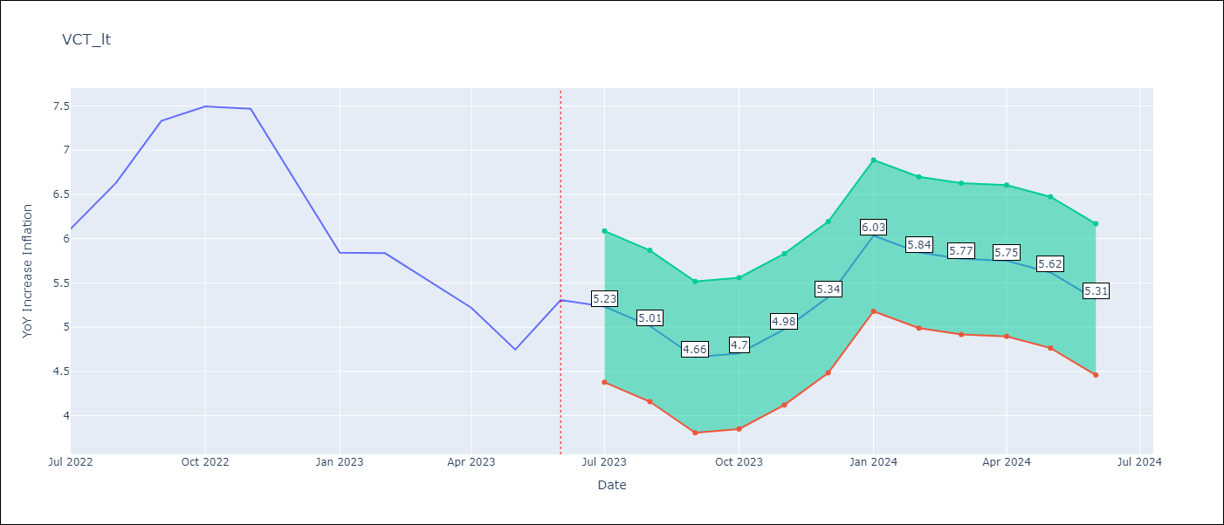

Test Metrics
RMSE | 0.97
Naive RMSE | 0.51
MAPE | 13.16%

Test Predictions
Date | Predicted | Actual
2022-07-01 | 5.74 | 6.11
2022-08-01 | 5.85 | 6.63
2022-09-01 | 5.78 | 7.33
2022-10-01 | 5.88 | 7.5
2022-11-01 | 6.09 | 7.47
2022-12-01 | 5.8 | 6.67
2023-01-01 | 5.87 | 5.84
2023-02-01 | 5.52 | 5.84
2023-03-01 | 5.07 | 5.55
2023-04-01 | 4.66 | 5.22
2023-05-01 | 3.99 | 4.75
2023-06-01 | 3.99 | 5.31

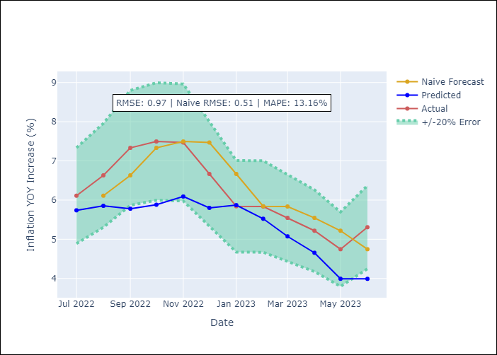

Appendix A: Model Summary
Model | ARIMA(2, 2, 2)x(1, 0, [1], 12)
Sample | 01-01-2001- 06-01-2023
No. of Observations | 270
Terms | P-value (Statistical significance)
ar.L1 | 0.006
ar.L2 | 0.148
ma.L1 | 0.163
ma.L2 | 0.011
ar.S.L12 | 0.065
ma.S.L12 | 0.000
sigma2 | 0.000

Assumptions | P-value | Interpretation
Ljung-Box (L1) | 0.92
Heteroskedasticity | 0.00
Jarque-Bera | 0.00
Skew | 0.30
Kurtosis | 6.14

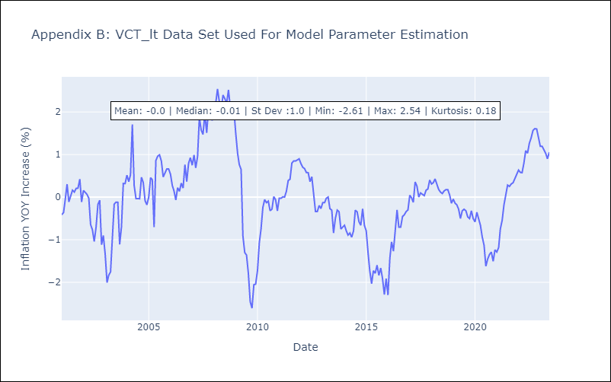

Appendix C: Residuals Analysis
Mean | 0.0
White Noise? | Yes
Normal? | No

