VEN22_
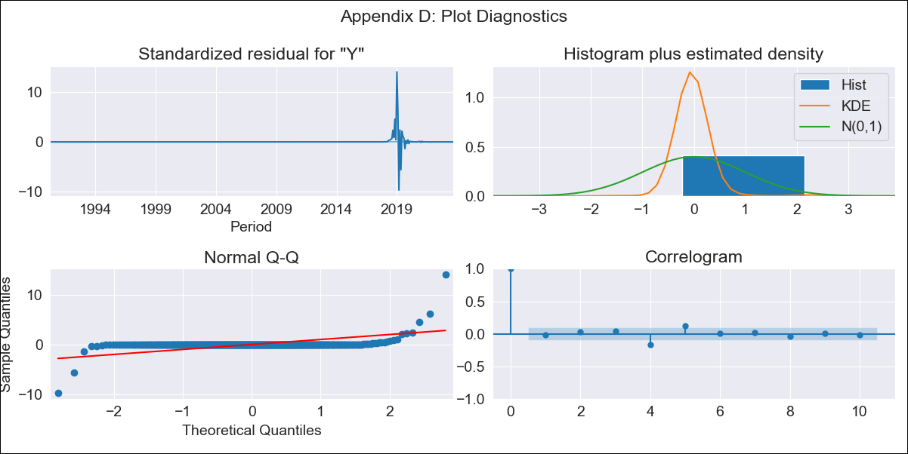
VEN22_ - Inflation - Next 12 months forecast as of: 2023-09-01

Model | ARIMA - [(3, 0, 0), (0, 0, 0, 12)]
Training Data | 1990-01-01 to 2022-10-01
Test Data | 2022-10-01 to 2023-09-01

Date | Inflation Change YoY % | Lower Bound - 95% Confidence Interval | Upper Bound - 95% Confidence Interval
2023-10-01 | 820.09 | -12715.84 | 14356.03
2023-11-01 | 1489.23 | -26710.8 | 29689.27
2023-12-01 | 2245.21 | -38740.27 | 43230.69
2024-01-01 | 2967.87 | -47500.35 | 53436.09
2024-02-01 | 3591.11 | -53173.57 | 60355.8
2024-03-01 | 4092.34 | -56513.5 | 64698.18
2024-04-01 | 4475.91 | -58319.13 | 67270.94
2024-05-01 | 4759.17 | -59217.29 | 68735.64
2024-06-01 | 4963.23 | -59624.59 | 69551.04
2024-07-01 | 5107.86 | -59787.08 | 70002.81
2024-08-01 | 5209.49 | -59837.07 | 70256.05
2024-09-01 | 5280.7 | -59840.2 | 70401.6

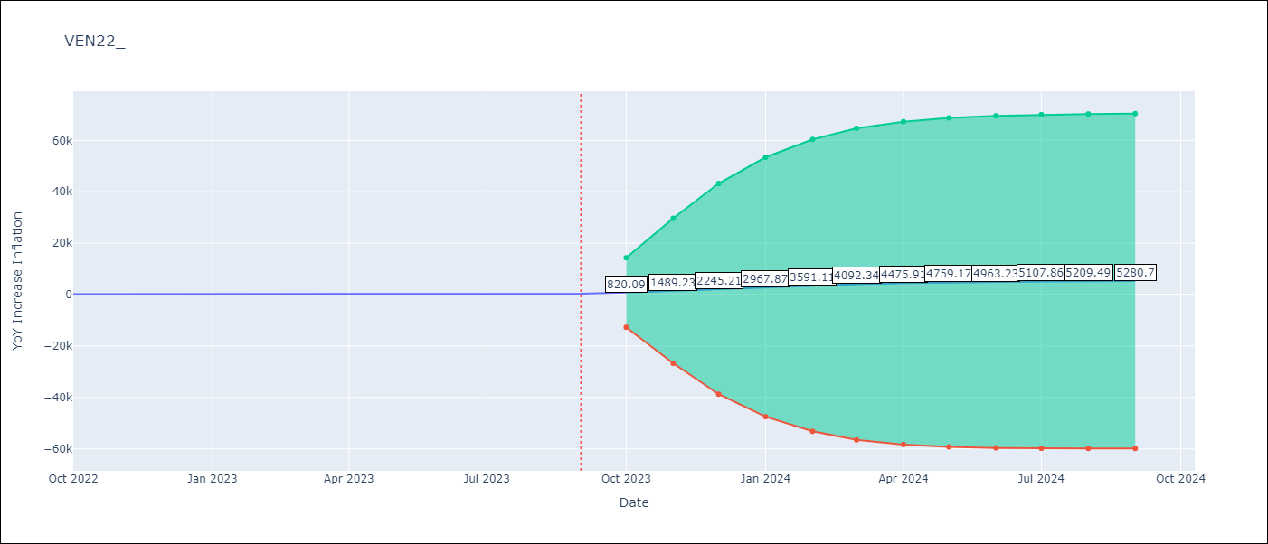

Test Metrics
RMSE | 3710.03
Naive RMSE | 57.04
MAPE | 931.16%

Test Predictions
Date | Predicted | Actual
2022-10-01 | 564.63 | 155.8
2022-11-01 | 1253.61 | 165.6
2022-12-01 | 2058.13 | 234.08
2023-01-01 | 2842.31 | 344.91
2023-02-01 | 3527.39 | 415.57
2023-03-01 | 4083.36 | 439.61
2023-04-01 | 4511.59 | 436.34
2023-05-01 | 4829.25 | 429.21
2023-06-01 | 5058.73 | 404.37
2023-07-01 | 5221.61 | 398.19
2023-08-01 | 5336.08 | 317.63
2023-09-01 | 5416.2 | 394.76

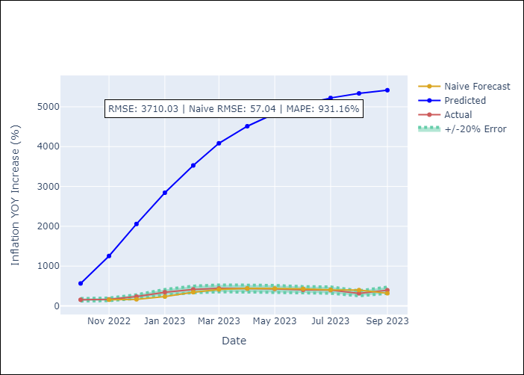

Appendix A: Model Summary
Model | ARIMA(3, 0, 0)
Sample | 01-01-1990- 09-01-2023
No. of Observations | 405
Terms | P-value (Statistical significance)
const | 0.636
ar.L1 | 0.000
ar.L2 | 0.000
ar.L3 | 0.000
sigma2 | 0.000

Assumptions | P-value | Interpretation
Ljung-Box (L1) | 0.82
Heteroskedasticity | 0.00
Jarque-Bera | 0.00
Skew | 4.99
Kurtosis | 125.25

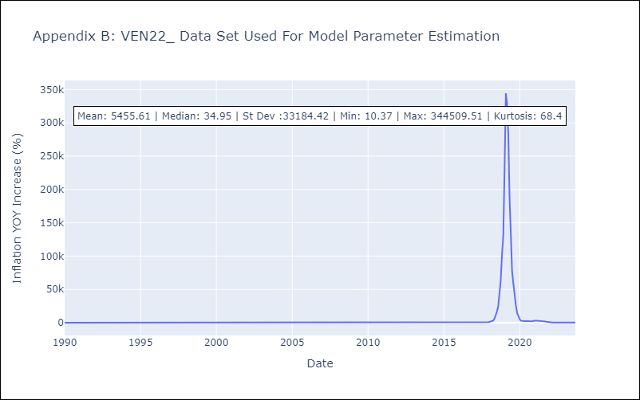

Appendix C: Residuals Analysis
Mean | -3.43
White Noise? | No - Correlation at Lags [ 4 5 6 7 8 9 10 11]
Normal? | No

