VEN2021
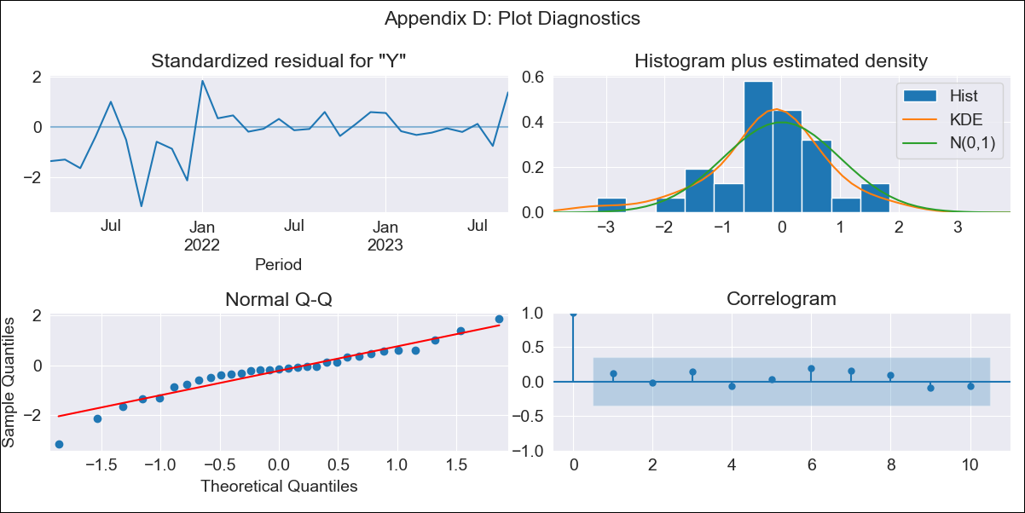
VEN2021 - Inflation - Next 12 months forecast as of: 2023-09-01

Model | ARIMA - [(1, 1, 0), (0, 0, 0, 12)]
Training Data | 2021-01-01 to 2022-10-01
Test Data | 2022-10-01 to 2023-09-01

Date | Inflation Change YoY % | Lower Bound - 95% Confidence Interval | Upper Bound - 95% Confidence Interval
2023-10-01 | 455.24 | 257.12 | 653.35
2023-11-01 | 502.65 | 97.46 | 907.85
2023-12-01 | 539.84 | -84.71 | 1164.38
2024-01-01 | 568.99 | -277.08 | 1415.06
2024-02-01 | 591.85 | -472.43 | 1656.13
2024-03-01 | 609.77 | -666.49 | 1886.03
2024-04-01 | 623.83 | -856.7 | 2104.35
2024-05-01 | 634.85 | -1041.63 | 2311.32
2024-06-01 | 643.49 | -1220.51 | 2507.48
2024-07-01 | 650.26 | -1393.04 | 2693.56
2024-08-01 | 655.57 | -1559.17 | 2870.32
2024-09-01 | 659.74 | -1719.05 | 3038.53

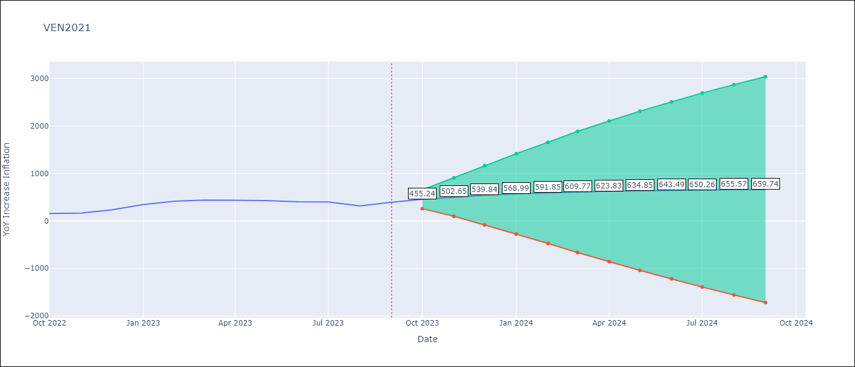

Test Metrics
RMSE | 98.89
Naive RMSE | 57.04
MAPE | 23.7%

Test Predictions
Date | Predicted | Actual
2022-10-01 | 191.95 | 155.8
2022-11-01 | 219.46 | 165.6
2022-12-01 | 241.4 | 234.08
2023-01-01 | 258.88 | 344.91
2023-02-01 | 272.82 | 415.57
2023-03-01 | 283.93 | 439.61
2023-04-01 | 292.79 | 436.34
2023-05-01 | 299.85 | 429.21
2023-06-01 | 305.47 | 404.37
2023-07-01 | 309.96 | 398.19
2023-08-01 | 313.54 | 317.63
2023-09-01 | 316.39 | 394.76

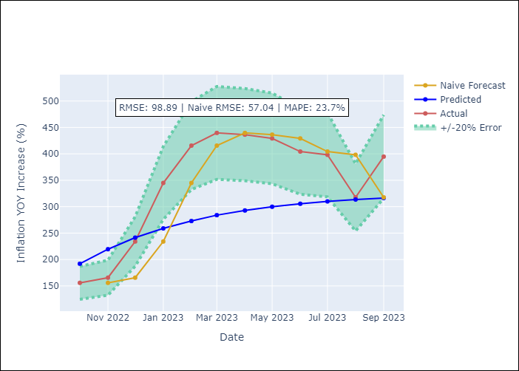

Appendix A: Model Summary
Model | ARIMA(1, 1, 0)
Sample | 01-01-2021- 09-01-2023
No. of Observations | 33
Terms | P-value (Statistical significance)
ar.L1 | 0.000
sigma2 | 0.000

Assumptions | P-value | Interpretation
Ljung-Box (L1) | 0.49
Heteroskedasticity | 0.01
Jarque-Bera | 0.07
Skew | -0.72
Kurtosis | 4.42

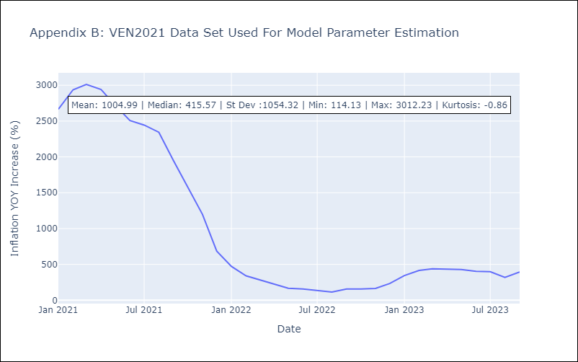

Appendix C: Residuals Analysis
Mean | 36.08
White Noise? | Yes
Normal? | No

