ARG
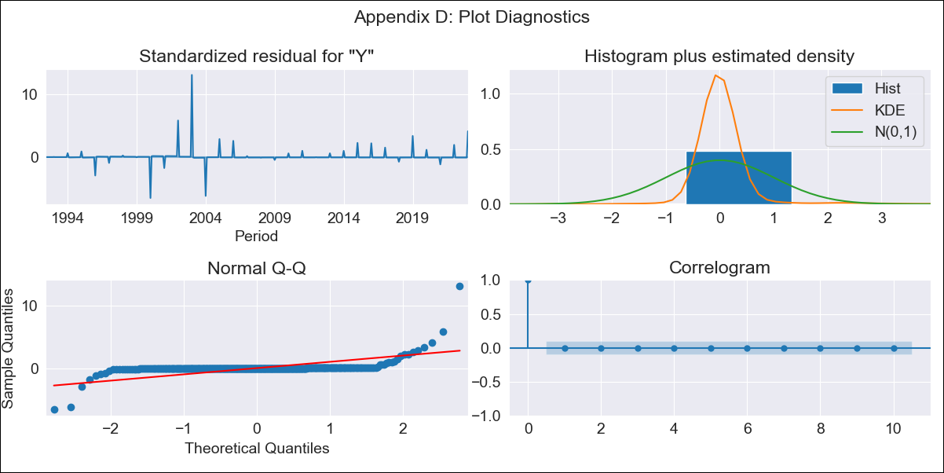
ARG - Inflation - Next 12 months forecast as of: 2023-01-09

Model | ARIMA - [(0, 2, 2), (1, 0, 1, 12)]
Training Data | 1991-01-01 to 2022-01-10
Test Data | 2022-01-10 to 2023-01-09

Date | Inflation Change YoY % | Lower Bound - 95% Confidence Interval | Upper Bound - 95% Confidence Interval
2023-02-01 | 100.09 | 88.84 | 111.35
2023-03-01 | 101.5 | 90.24 | 112.75
2023-04-01 | 102.92 | 91.66 | 114.17
2023-05-01 | 104.35 | 93.1 | 115.61
2023-06-01 | 105.8 | 94.55 | 117.06
2023-07-01 | 107.27 | 96.01 | 118.52
2023-08-01 | 108.75 | 97.5 | 120.01
2023-09-01 | 110.25 | 98.99 | 121.51
2023-10-01 | 111.77 | 100.51 | 123.02
2023-11-01 | 113.3 | 102.04 | 124.55
2023-12-01 | 114.85 | 103.59 | 126.1
2024-01-01 | 94.29 | 83.03 | 105.55

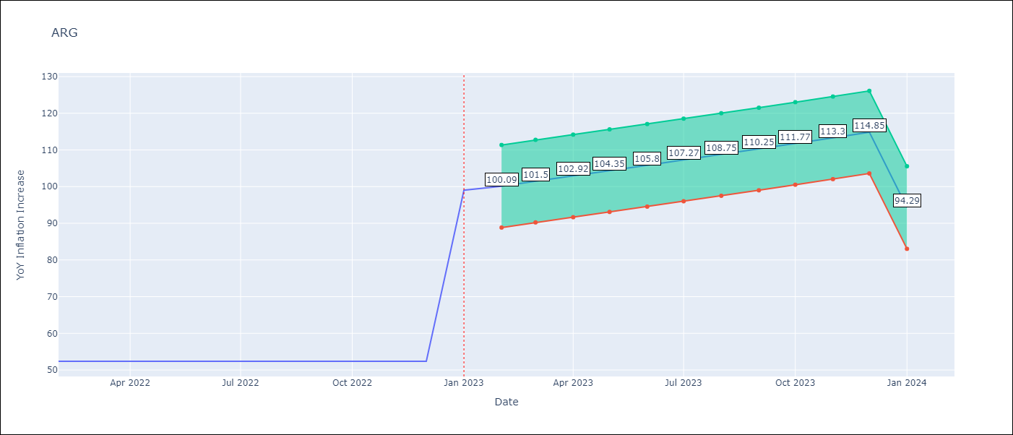

Test Metrics
RMSE | 24.27
Naive RMSE | 6.17
MAPE | 17.42%

Test Predictions
Date | Predicted | Actual
2022-01-10 | 84.58 | 87.8
2022-01-11 | 86.84 | 92.82
2022-01-12 | 88.15 | 95.19
2023-01-01 | 88.94 | 99.01
2023-01-02 | 89.55 | 103.06
2023-01-03 | 89.76 | 105.25
2023-01-04 | 89.45 | 109.89
2023-01-05 | 89.8 | 116.26
2023-01-06 | 89.75 | 116.97
2023-01-07 | 88.48 | 114.59
2023-01-08 | 87.77 | 125.24
2023-01-09 | 88.25 | 138.3

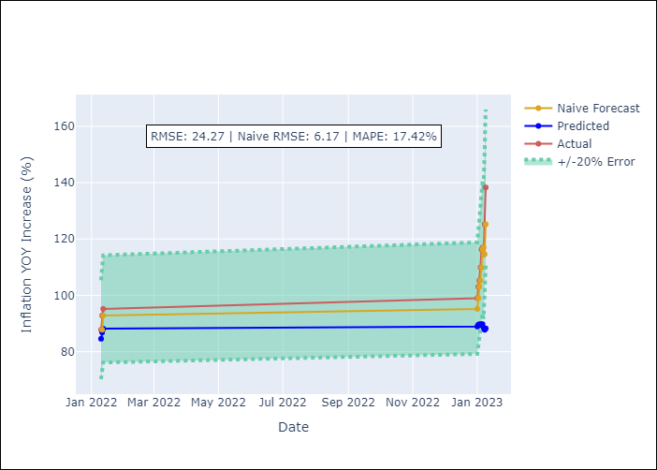

Appendix A: Model Summary
Model | ARIMA(0, 2, 2)x(1, 0, [1], 12)
Sample | 01-01-1991- 01-01-2023
No. of Observations | 385
Terms | P-value (Statistical significance)
ma.L1 | 0.976
ma.L2 | 0.995
ar.S.L12 | 0.000
ma.S.L12 | 0.000
sigma2 | 0.976

Assumptions | P-value | Interpretation
Ljung-Box (L1) | 0.96
Heteroskedasticity | 0.00
Jarque-Bera | 0.00
Skew | 5.56
Kurtosis | 93.58

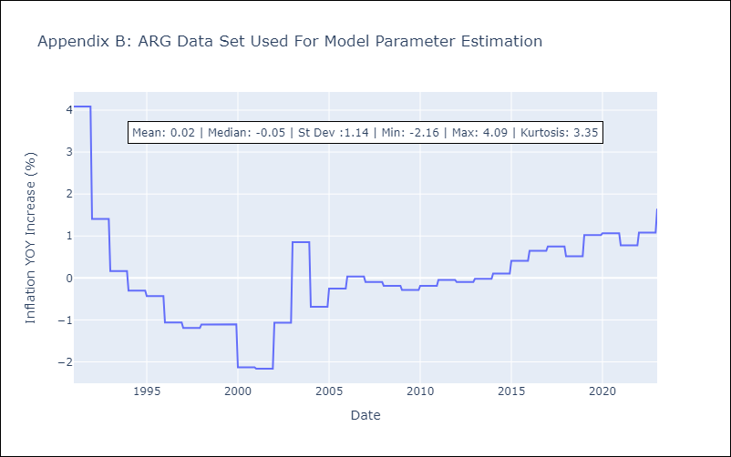

Appendix C: Residuals Analysis
Mean | 0.01
White Noise? | No - Correlation at Lags [ 1 2 3 4 5 6 7 8 9 10 11 12]
Normal? | No

BOL
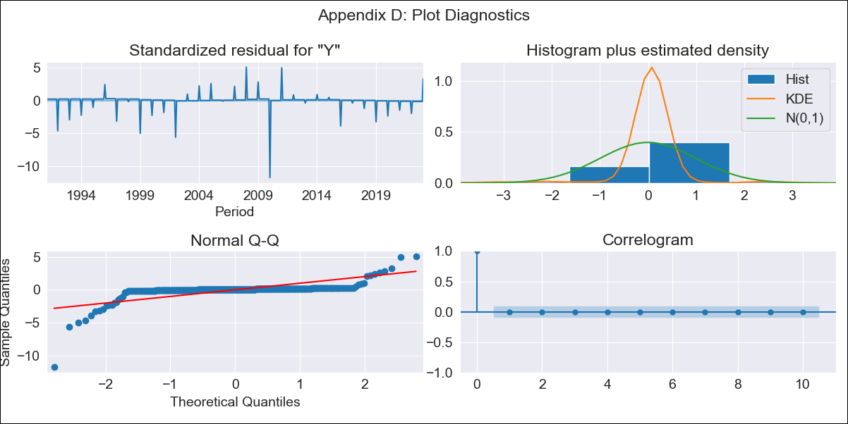
BOL - Inflation - Next 12 months forecast as of: 2023-01-09

Model | ARIMA - [(1, 0, 0), (0, 0, 1, 12)]
Training Data | 1990-01-01 to 2022-01-10
Test Data | 2022-01-10 to 2023-01-09

Date | Inflation Change YoY % | Lower Bound - 95% Confidence Interval | Upper Bound - 95% Confidence Interval
2023-02-01 | 3.22 | 2.52 | 3.91
2023-03-01 | 3.29 | 2.59 | 3.98
2023-04-01 | 3.36 | 2.67 | 4.05
2023-05-01 | 3.43 | 2.74 | 4.12
2023-06-01 | 3.5 | 2.81 | 4.19
2023-07-01 | 3.57 | 2.88 | 4.26
2023-08-01 | 3.64 | 2.95 | 4.33
2023-09-01 | 3.71 | 3.01 | 4.4
2023-10-01 | 3.78 | 3.08 | 4.47
2023-11-01 | 3.84 | 3.15 | 4.54
2023-12-01 | 3.91 | 3.22 | 4.61
2024-01-01 | 2.54 | 1.84 | 3.23

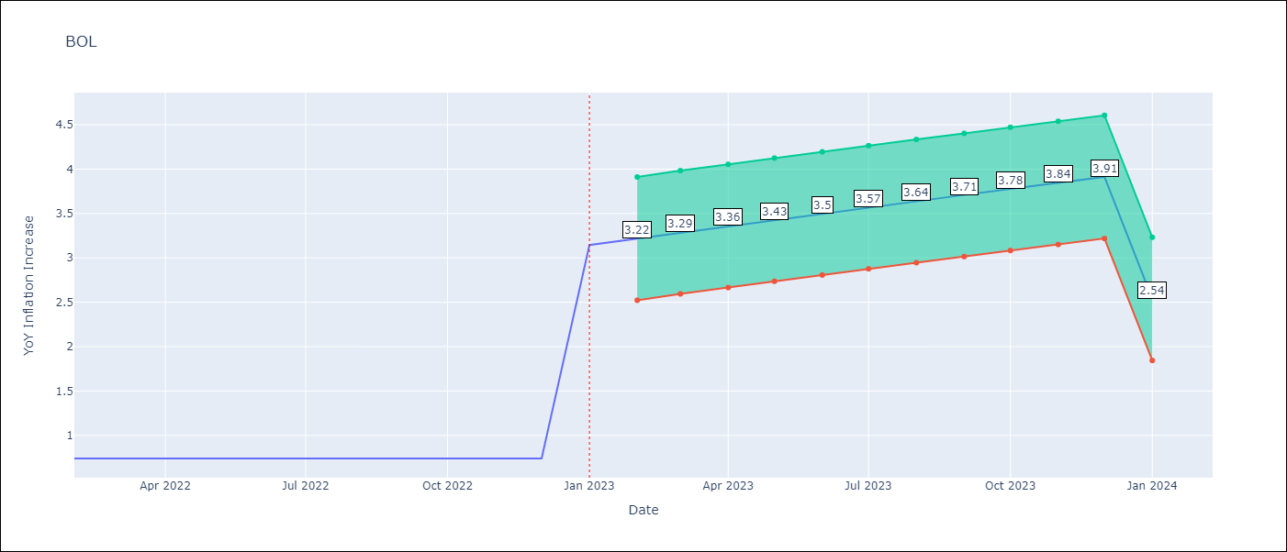

Test Metrics
RMSE | 0.49
Naive RMSE | 0.25
MAPE | 14.36%

Test Predictions
Date | Predicted | Actual
2022-01-10 | 2.31 | 2.89
2022-01-11 | 2.74 | 3.17
2022-01-12 | 2.2 | 3.12
2023-01-01 | 2.3 | 3.14
2023-01-02 | 2.38 | 2.57
2023-01-03 | 2.45 | 2.53
2023-01-04 | 2.56 | 2.7
2023-01-05 | 2.41 | 2.9
2023-01-06 | 2.4 | 2.73
2023-01-07 | 2.37 | 2.7
2023-01-08 | 2.67 | 3.06
2023-01-09 | 2.46 | 2.85

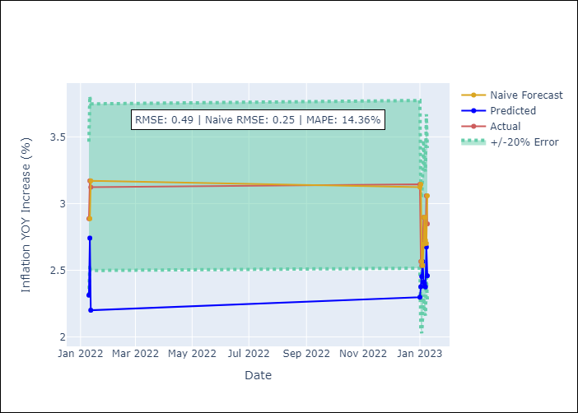

Appendix A: Model Summary
Model | ARIMA(1, 0, 0)x(0, 0, [1], 12)
Sample | 01-01-1990- 01-01-2023
No. of Observations | 397
Terms | P-value (Statistical significance)
const | 0.423
ar.L1 | 0.000
ma.S.L12 | 0.000
sigma2 | 0.000

Assumptions | P-value | Interpretation
Ljung-Box (L1) | 0.99
Heteroskedasticity | 0.00
Jarque-Bera | 0.00
Skew | -4.76
Kurtosis | 59.06

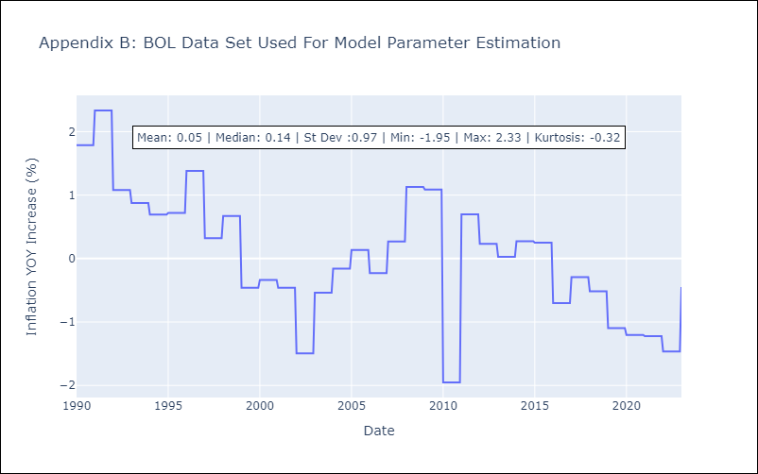

Appendix C: Residuals Analysis
Mean | 0.01
White Noise? | Yes
Normal? | No

BRA
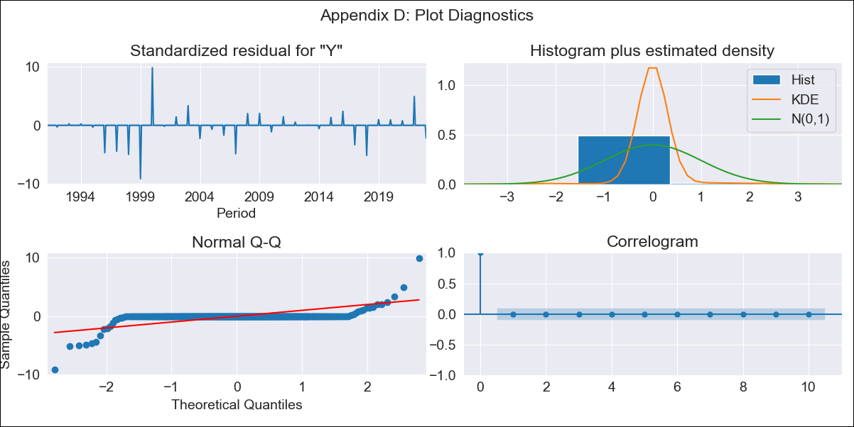
BRA - Inflation - Next 12 months forecast as of: 2023-01-09

Model | ARIMA - [(1, 1, 0), (0, 0, 1, 12)]
Training Data | 1990-01-01 to 2022-01-10
Test Data | 2022-01-10 to 2023-01-09

Date | Inflation Change YoY % | Lower Bound - 95% Confidence Interval | Upper Bound - 95% Confidence Interval
2023-02-01 | 5.77 | 5.52 | 6.02
2023-03-01 | 5.77 | 5.52 | 6.02
2023-04-01 | 5.77 | 5.52 | 6.02
2023-05-01 | 5.77 | 5.52 | 6.02
2023-06-01 | 5.77 | 5.52 | 6.02
2023-07-01 | 5.77 | 5.52 | 6.02
2023-08-01 | 5.77 | 5.52 | 6.02
2023-09-01 | 5.77 | 5.52 | 6.02
2023-10-01 | 5.77 | 5.52 | 6.02
2023-11-01 | 5.77 | 5.52 | 6.02
2023-12-01 | 5.77 | 5.52 | 6.02
2024-01-01 | 6.22 | 5.98 | 6.47

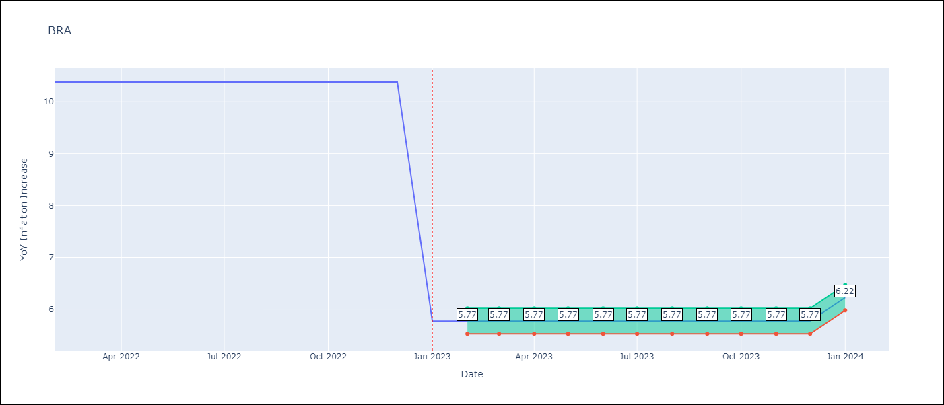

Test Metrics
RMSE | 0.94
Naive RMSE | 0.57
MAPE | 17.49%

Test Predictions
Date | Predicted | Actual
2022-01-10 | 6.39 | 6.47
2022-01-11 | 5.95 | 5.9
2022-01-12 | 5.8 | 5.79
2023-01-01 | 5.69 | 5.77
2023-01-02 | 5.53 | 5.6
2023-01-03 | 5.33 | 4.65
2023-01-04 | 5.25 | 4.18
2023-01-05 | 5.27 | 3.94
2023-01-06 | 5.2 | 3.16
2023-01-07 | 5.37 | 3.99
2023-01-08 | 5.54 | 4.61
2023-01-09 | 5.79 | 5.19

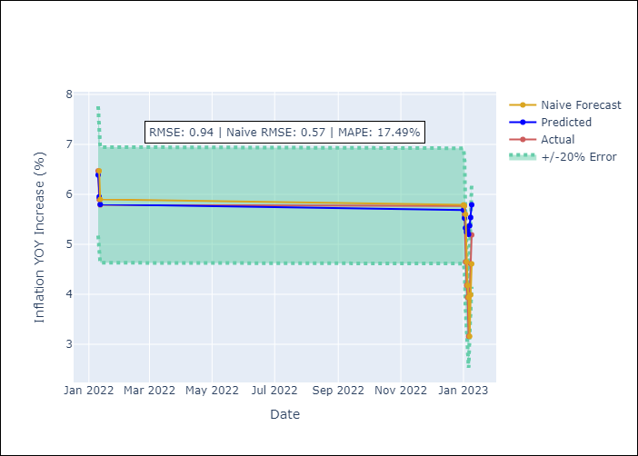

Appendix A: Model Summary
Model | ARIMA(1, 1, 0)x(0, 0, [1], 12)
Sample | 01-01-1990- 01-01-2023
No. of Observations | 397
Terms | P-value (Statistical significance)
ar.L1 | 1.000
ma.S.L12 | 0.000
sigma2 | 0.000

Assumptions | P-value | Interpretation
Ljung-Box (L1) | 0.98
Heteroskedasticity | 0.00
Jarque-Bera | 0.00
Skew | -0.54
Kurtosis | 52.79

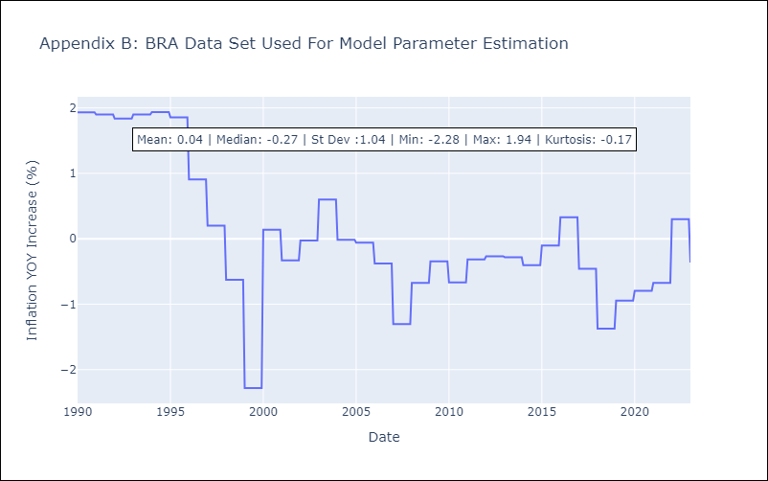

Appendix C: Residuals Analysis
Mean | -0.0
White Noise? | Yes
Normal? | No

CHL
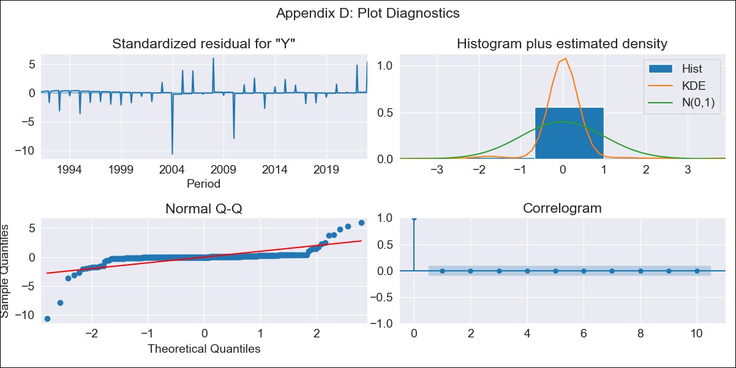
CHL - Inflation - Next 12 months forecast as of: 2023-01-09

Model | ARIMA - [(2, 0, 1), (0, 0, 1, 12)]
Training Data | 1990-01-01 to 2022-01-10
Test Data | 2022-01-10 to 2023-01-09

Date | Inflation Change YoY % | Lower Bound - 95% Confidence Interval | Upper Bound - 95% Confidence Interval
2023-02-01 | 11.94 | 9.06 | 14.81
2023-03-01 | 11.59 | 8.72 | 14.47
2023-04-01 | 11.26 | 8.39 | 14.13
2023-05-01 | 10.94 | 8.07 | 13.81
2023-06-01 | 10.64 | 7.76 | 13.51
2023-07-01 | 10.34 | 7.47 | 13.22
2023-08-01 | 10.06 | 7.19 | 12.94
2023-09-01 | 9.79 | 6.92 | 12.67
2023-10-01 | 9.54 | 6.66 | 12.41
2023-11-01 | 9.29 | 6.42 | 12.16
2023-12-01 | 9.05 | 6.18 | 11.93
2024-01-01 | 6.14 | 3.27 | 9.02

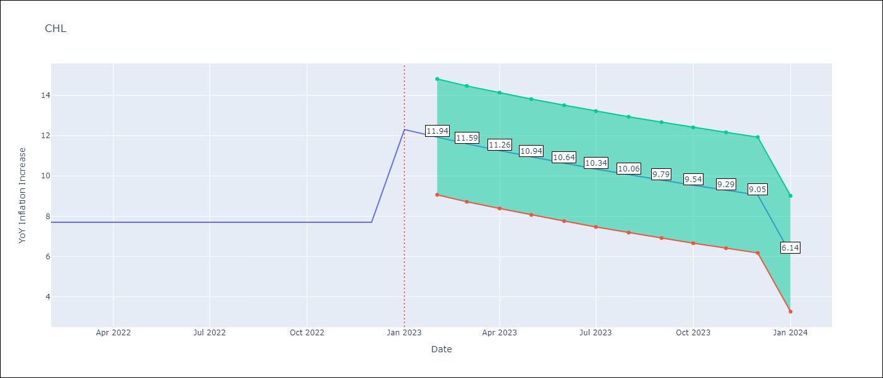

Test Metrics
RMSE | 1.06
Naive RMSE | 0.87
MAPE | 11.26%

Test Predictions
Date | Predicted | Actual
2022-01-10 | 13.11 | 12.8
2022-01-11 | 12.45 | 13.3
2022-01-12 | 11.74 | 12.8
2023-01-01 | 11.04 | 12.3
2023-01-02 | 10.49 | 11.9
2023-01-03 | 9.62 | 11.1
2023-01-04 | 8.91 | 9.9
2023-01-05 | 8.29 | 8.7
2023-01-06 | 7.72 | 7.6
2023-01-07 | 7.24 | 6.5
2023-01-08 | 6.76 | 5.3
2023-01-09 | 6.48 | 5.1

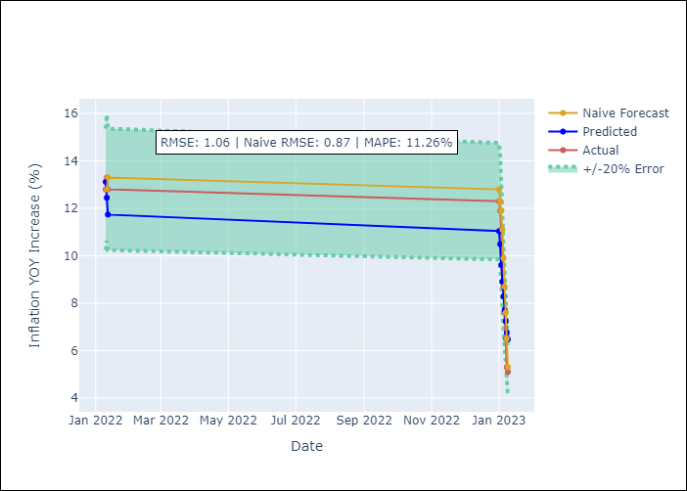

Appendix A: Model Summary
Model | ARIMA(2, 0, 1)x(0, 0, 1, 12)
Sample | 01-01-1990- 01-01-2023
No. of Observations | 397
Terms | P-value (Statistical significance)
const | 0.291
ar.L1 | 0.360
ar.L2 | 0.713
ma.L1 | 0.709
ma.S.L12 | 0.000
sigma2 | 0.000

Assumptions | P-value | Interpretation
Ljung-Box (L1) | 0.99
Heteroskedasticity | 0.01
Jarque-Bera | 0.00
Skew | -3.21
Kurtosis | 53.20

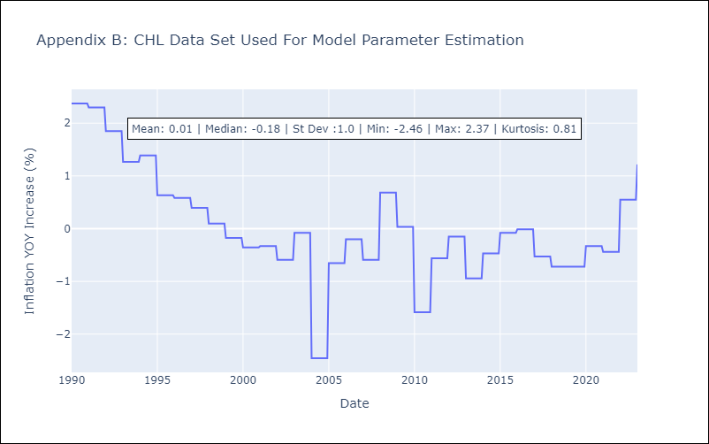

Appendix C: Residuals Analysis
Mean | 0.0
White Noise? | No - Correlation at Lags [1 2 3 4 5]
Normal? | No

COL
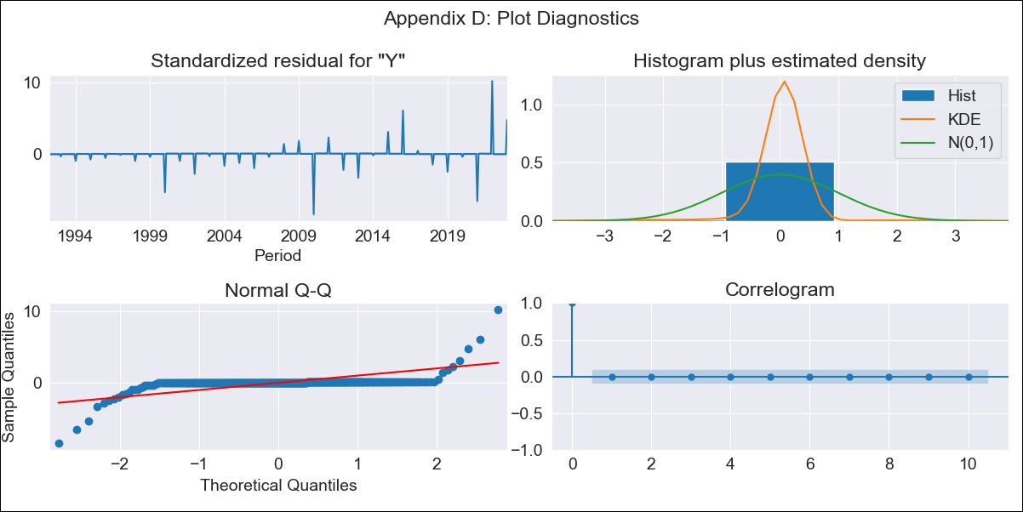
COL - Inflation - Next 12 months forecast as of: 2023-01-09

Model | ARIMA - [(1, 2, 1), (2, 0, 1, 12)]
Training Data | 1990-01-01 to 2022-01-10
Test Data | 2022-01-10 to 2023-01-09

Date | Inflation Change YoY % | Lower Bound - 95% Confidence Interval | Upper Bound - 95% Confidence Interval
2023-02-01 | 13.27 | 9.69 | 16.86
2023-03-01 | 13.33 | 9.74 | 16.91
2023-04-01 | 13.38 | 9.8 | 16.97
2023-05-01 | 13.44 | 9.85 | 17.02
2023-06-01 | 13.49 | 9.91 | 17.08
2023-07-01 | 13.55 | 9.97 | 17.13
2023-08-01 | 13.61 | 10.02 | 17.19
2023-09-01 | 13.66 | 10.08 | 17.25
2023-10-01 | 13.72 | 10.13 | 17.3
2023-11-01 | 13.78 | 10.19 | 17.36
2023-12-01 | 13.83 | 10.25 | 17.42
2024-01-01 | 6.96 | 3.38 | 10.55

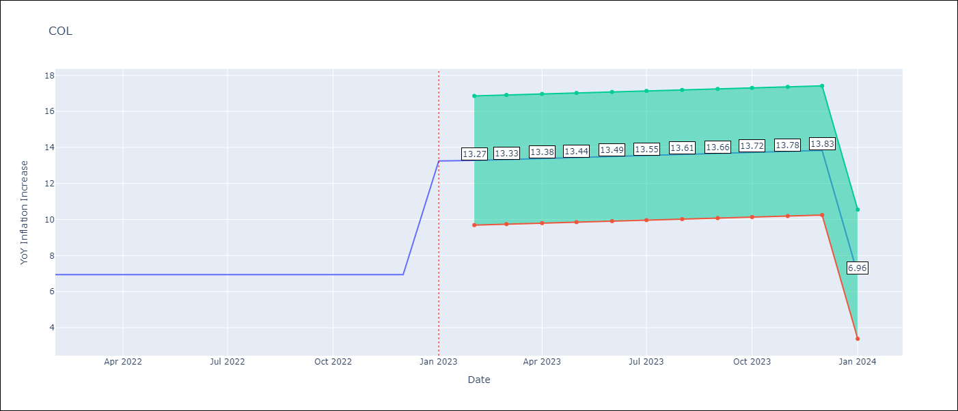

Test Metrics
RMSE | 2.64
Naive RMSE | 0.36
MAPE | 19.03%

Test Predictions
Date | Predicted | Actual
2022-01-10 | 12.55 | 12.22
2022-01-11 | 12.95 | 12.53
2022-01-12 | 12.51 | 13.12
2023-01-01 | 11.64 | 13.25
2023-01-02 | 11.19 | 13.28
2023-01-03 | 11.14 | 13.34
2023-01-04 | 10.01 | 12.82
2023-01-05 | 8.56 | 12.36
2023-01-06 | 8.51 | 12.13
2023-01-07 | 8.26 | 11.78
2023-01-08 | 7.88 | 11.43
2023-01-09 | 7.72 | 10.99

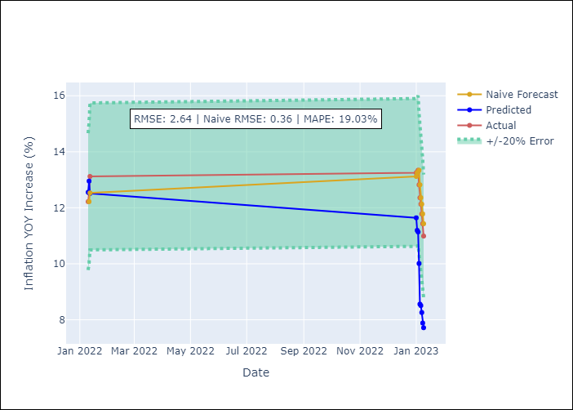

Appendix A: Model Summary
Model | ARIMA(1, 2, 1)x(2, 0, 1, 12)
Sample | 01-01-1990- 01-01-2023
No. of Observations | 397
Terms | P-value (Statistical significance)
ar.L1 | 0.996
ma.L1 | 0.000
ar.S.L12 | 0.138
ar.S.L24 | 0.000
ma.S.L12 | 0.030
sigma2 | 0.000

Assumptions | P-value | Interpretation
Ljung-Box (L1) | 0.97
Heteroskedasticity | 0.00
Jarque-Bera | 0.00
Skew | 0.82
Kurtosis | 55.52

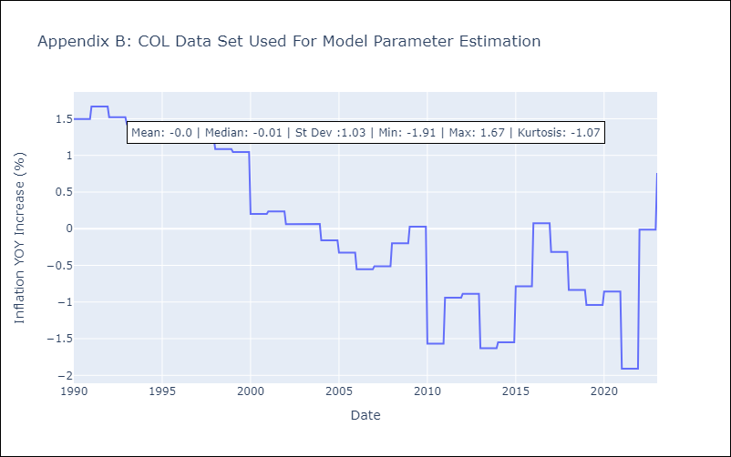

Appendix C: Residuals Analysis
Mean | 0.01
White Noise? | No - Correlation at Lags [1]
Normal? | No

ECU
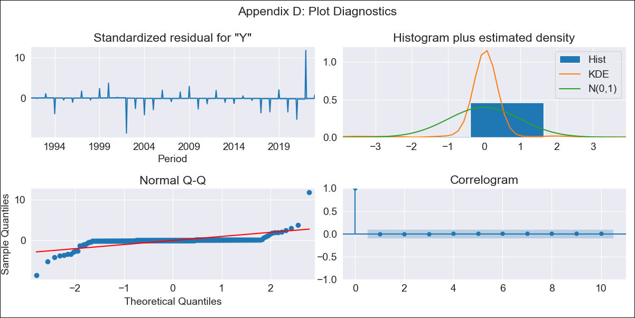
ECU - Inflation - Next 12 months forecast as of: 2023-01-09

Model | ARIMA - [(1, 0, 3), (0, 0, 1, 12)]
Training Data | 1990-01-01 to 2022-01-10
Test Data | 2022-01-10 to 2023-01-09

Date | Inflation Change YoY % | Lower Bound - 95% Confidence Interval | Upper Bound - 95% Confidence Interval
2023-02-01 | 3.13 | 3.09 | 3.17
2023-03-01 | 3.14 | 3.1 | 3.18
2023-04-01 | 3.15 | 3.1 | 3.19
2023-05-01 | 3.15 | 3.11 | 3.2
2023-06-01 | 3.16 | 3.12 | 3.2
2023-07-01 | 3.17 | 3.12 | 3.21
2023-08-01 | 3.17 | 3.13 | 3.21
2023-09-01 | 3.18 | 3.14 | 3.22
2023-10-01 | 3.19 | 3.14 | 3.23
2023-11-01 | 3.19 | 3.15 | 3.23
2023-12-01 | 3.2 | 3.16 | 3.24
2024-01-01 | 3.19 | 3.15 | 3.23

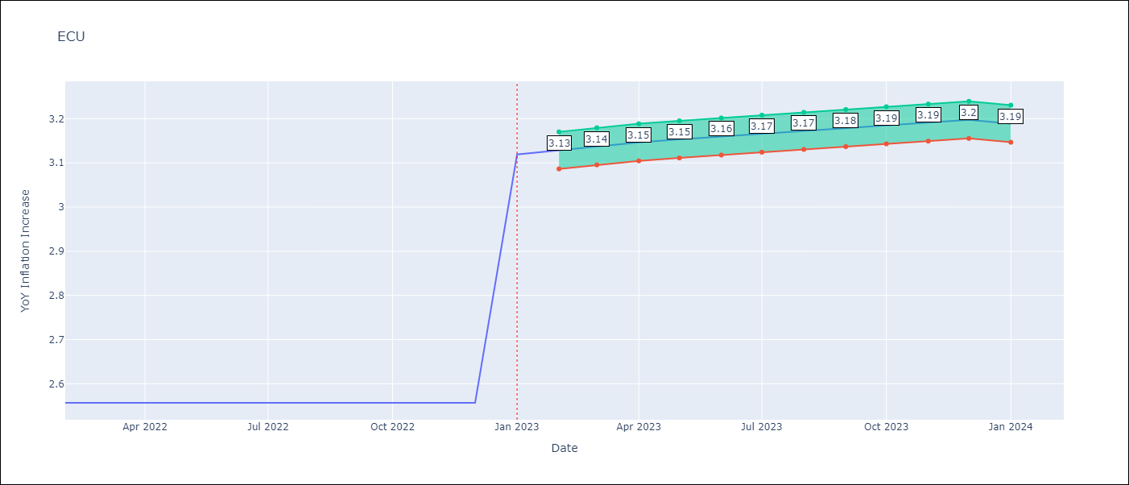

Test Metrics
RMSE | 1.87
Naive RMSE | 0.37
MAPE | 72.48%

Test Predictions
Date | Predicted | Actual
2022-01-10 | 4.12 | 4.02
2022-01-11 | 4.21 | 3.64
2022-01-12 | 4.31 | 3.74
2023-01-01 | 4.37 | 3.12
2023-01-02 | 4.4 | 2.9
2023-01-03 | 4.42 | 2.85
2023-01-04 | 4.47 | 2.44
2023-01-05 | 4.51 | 1.97
2023-01-06 | 4.57 | 1.69
2023-01-07 | 4.56 | 2.07
2023-01-08 | 4.58 | 2.56
2023-01-09 | 4.61 | 2.23

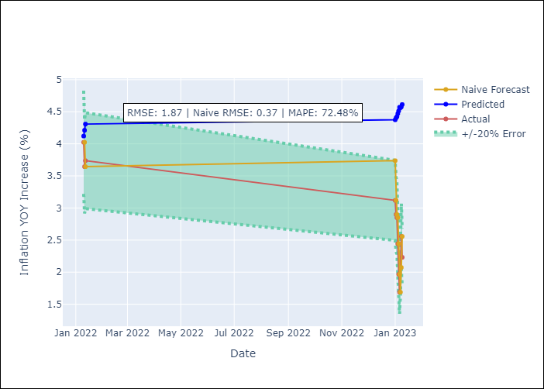

Appendix A: Model Summary
Model | ARIMA(1, 0, 3)x(0, 0, [1], 12)
Sample | 01-01-1990- 01-01-2023
No. of Observations | 397
Terms | P-value (Statistical significance)
const | 0.635
ar.L1 | 0.000
ma.L1 | 0.996
ma.L2 | 0.996
ma.L3 | 0.996
ma.S.L12 | 0.503
sigma2 | 0.000

Assumptions | P-value | Interpretation
Ljung-Box (L1) | 1.00
Heteroskedasticity | 0.00
Jarque-Bera | 0.00
Skew | 1.90
Kurtosis | 69.46

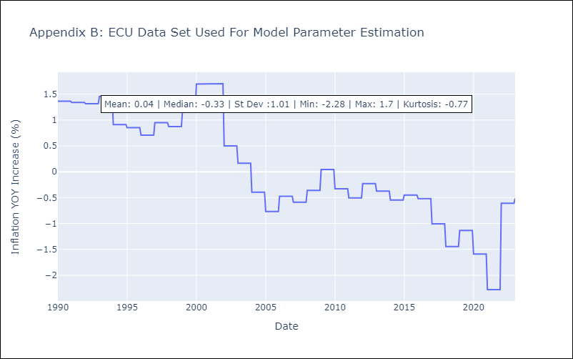

Appendix C: Residuals Analysis
Mean | 0.01
White Noise? | Yes
Normal? | No

PER
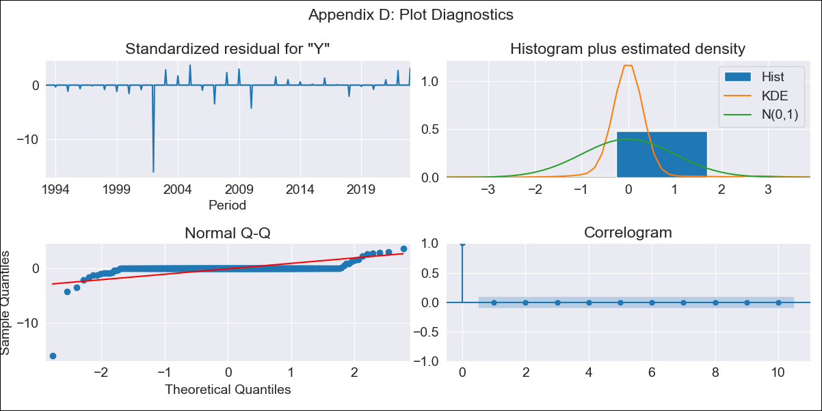
PER - Inflation - Next 12 months forecast as of: 2023-01-09

Model | ARIMA - [(1, 1, 2), (3, 0, 1, 12)]
Training Data | 1990-01-01 to 2022-01-10
Test Data | 2022-01-10 to 2023-01-09

Date | Inflation Change YoY % | Lower Bound - 95% Confidence Interval | Upper Bound - 95% Confidence Interval
2023-02-01 | 8.87 | 6.12 | 11.62
2023-03-01 | 8.87 | 6.12 | 11.62
2023-04-01 | 8.87 | 6.12 | 11.62
2023-05-01 | 8.87 | 6.12 | 11.62
2023-06-01 | 8.87 | 6.12 | 11.62
2023-07-01 | 8.87 | 6.12 | 11.62
2023-08-01 | 8.87 | 6.12 | 11.62
2023-09-01 | 8.87 | 6.12 | 11.62
2023-10-01 | 8.87 | 6.12 | 11.62
2023-11-01 | 8.87 | 6.12 | 11.62
2023-12-01 | 8.87 | 6.12 | 11.62
2024-01-01 | 3.8 | 1.05 | 6.54

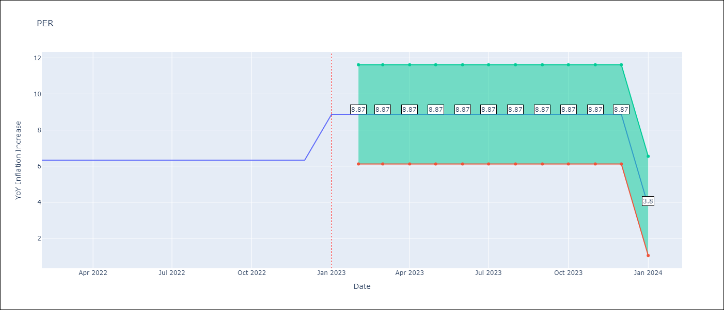

Test Metrics
RMSE | 1.18
Naive RMSE | 0.53
MAPE | 12.99%

Test Predictions
Date | Predicted | Actual
2022-01-10 | 8.9 | 8.64
2022-01-11 | 8.83 | 8.64
2022-01-12 | 8.61 | 8.56
2023-01-01 | 8.64 | 8.87
2023-01-02 | 8.55 | 8.99
2023-01-03 | 8.33 | 8.67
2023-01-04 | 8.2 | 8.04
2023-01-05 | 8.12 | 7.99
2023-01-06 | 7.89 | 6.71
2023-01-07 | 7.92 | 6.02
2023-01-08 | 7.89 | 5.79
2023-01-09 | 7.88 | 5.27

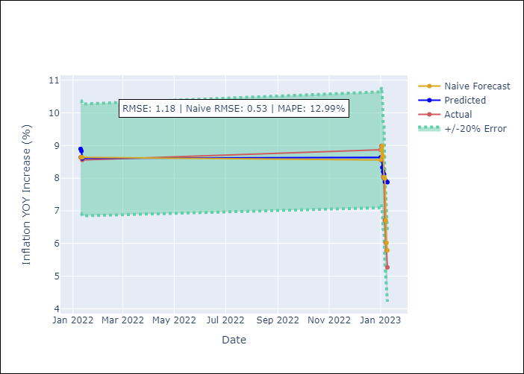

Appendix A: Model Summary
Model | ARIMA(1, 1, 2)x(3, 0, [1], 12)
Sample | 01-01-1990- 01-01-2023
No. of Observations | 397
Terms | P-value (Statistical significance)
ar.L1 | 1.000
ma.L1 | 1.000
ma.L2 | 1.000
ar.S.L12 | 0.000
ar.S.L24 | 0.003
ar.S.L36 | 0.000
ma.S.L12 | 0.999
sigma2 | 0.999

Assumptions | P-value | Interpretation
Ljung-Box (L1) | 0.99
Heteroskedasticity | 0.00
Jarque-Bera | 0.00
Skew | -11.17
Kurtosis | 182.72

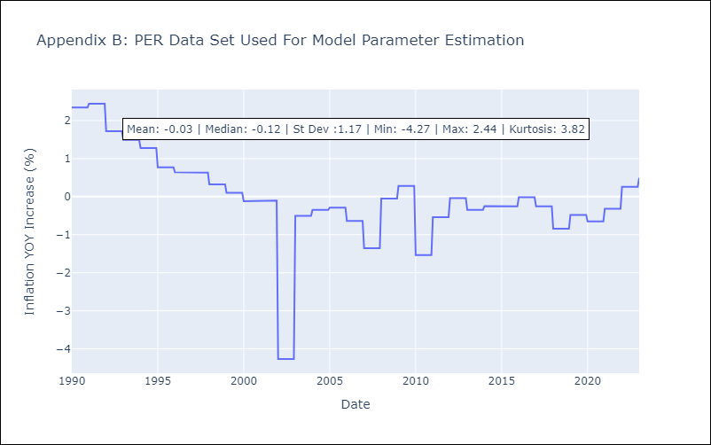

Appendix C: Residuals Analysis
Mean | -0.0
White Noise? | Yes
Normal? | No

PRY
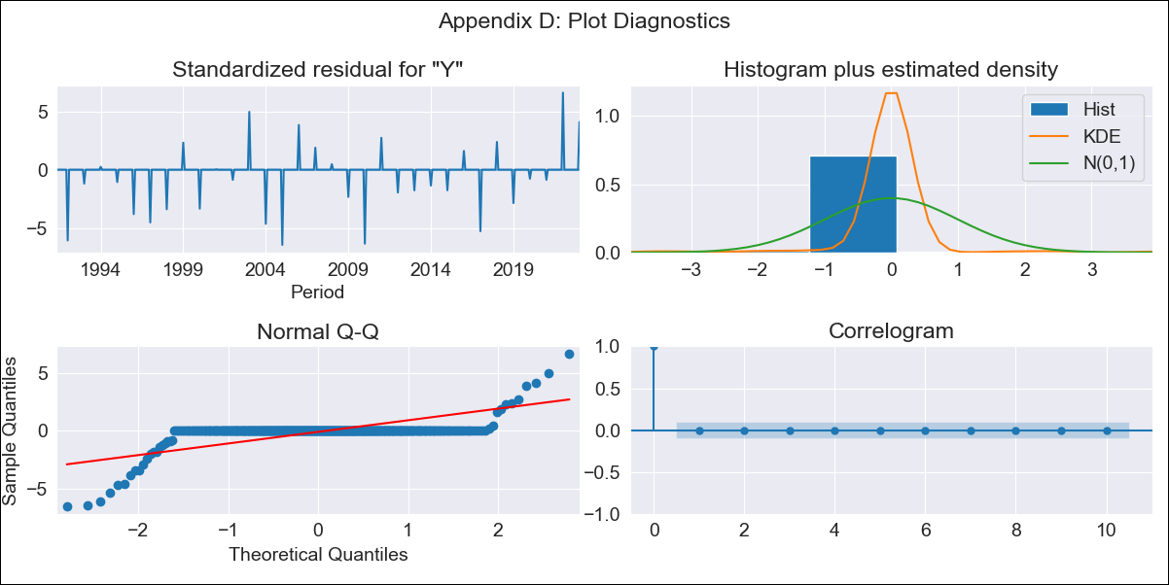
PRY - Inflation - Next 12 months forecast as of: 2023-01-09

Model | ARIMA - [(0, 1, 2), (1, 0, 1, 12)]
Training Data | 1990-01-01 to 2022-01-10
Test Data | 2022-01-10 to 2023-01-09

Date | Inflation Change YoY % | Lower Bound - 95% Confidence Interval | Upper Bound - 95% Confidence Interval
2023-02-01 | 7.83 | 6.48 | 9.18
2023-03-01 | 7.83 | 6.48 | 9.18
2023-04-01 | 7.83 | 6.48 | 9.18
2023-05-01 | 7.83 | 6.48 | 9.18
2023-06-01 | 7.83 | 6.48 | 9.18
2023-07-01 | 7.83 | 6.48 | 9.18
2023-08-01 | 7.83 | 6.48 | 9.18
2023-09-01 | 7.83 | 6.48 | 9.18
2023-10-01 | 7.83 | 6.48 | 9.18
2023-11-01 | 7.83 | 6.48 | 9.18
2023-12-01 | 7.83 | 6.48 | 9.18
2024-01-01 | 5.34 | 3.98 | 6.69

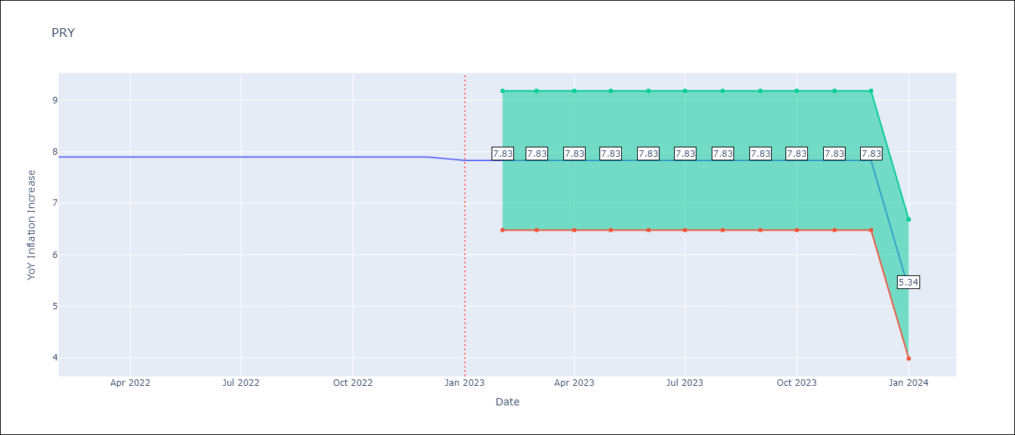

Test Metrics
RMSE | 1.42
Naive RMSE | 0.65
MAPE | 27.46%

Test Predictions
Date | Predicted | Actual
2022-01-10 | 8.35 | 8.07
2022-01-11 | 8.21 | 8.29
2022-01-12 | 8.41 | 8.12
2023-01-01 | 7.52 | 7.83
2023-01-02 | 7.01 | 6.88
2023-01-03 | 6.71 | 6.41
2023-01-04 | 6.19 | 5.25
2023-01-05 | 6.26 | 5.08
2023-01-06 | 6.1 | 4.24
2023-01-07 | 5.73 | 3.48
2023-01-08 | 5.61 | 2.9
2023-01-09 | 5.82 | 3.47

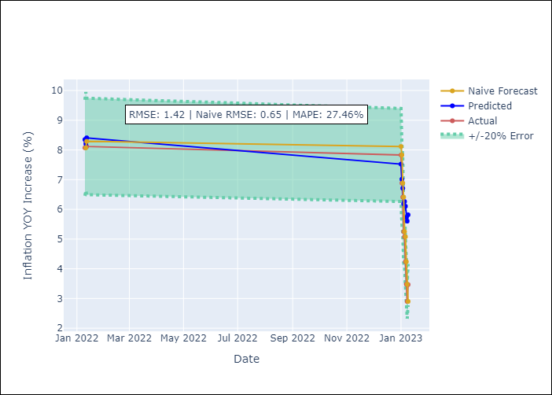

Appendix A: Model Summary
Model | ARIMA(0, 1, 2)x(1, 0, [1], 12)
Sample | 01-01-1990- 01-01-2023
No. of Observations | 397
Terms | P-value (Statistical significance)
ma.L1 | 0.000
ma.L2 | 0.000
ar.S.L12 | 0.836
ma.S.L12 | 0.000
sigma2 | 0.000

Assumptions | P-value | Interpretation
Ljung-Box (L1) | 0.89
Heteroskedasticity | 0.55
Jarque-Bera | 0.00
Skew | -1.60
Kurtosis | 26.39

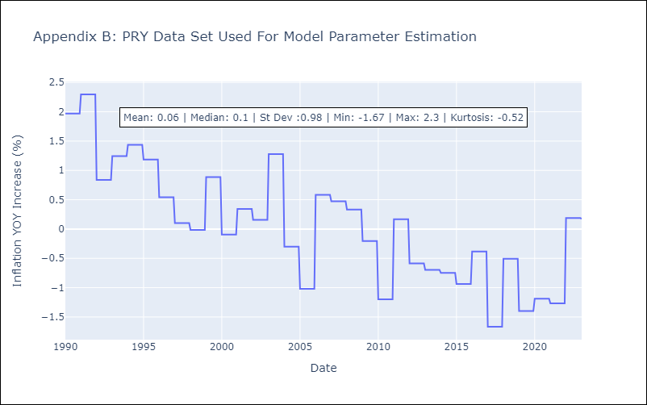

Appendix C: Residuals Analysis
Mean | -0.01
White Noise? | Yes
Normal? | No

URY
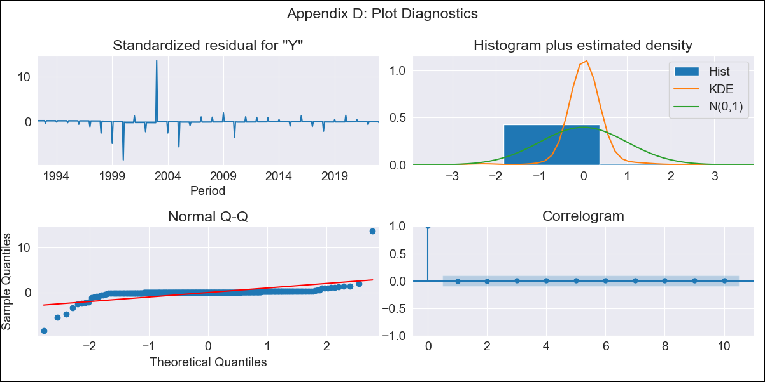
URY - Inflation - Next 12 months forecast as of: 2023-01-09

Model | ARIMA - [(3, 0, 0), (2, 0, 0, 12)]
Training Data | 1990-01-01 to 2022-01-10
Test Data | 2022-01-10 to 2023-01-09

Date | Inflation Change YoY % | Lower Bound - 95% Confidence Interval | Upper Bound - 95% Confidence Interval
2023-02-01 | 8.05 | 8.01 | 8.08
2023-03-01 | 8.05 | 8.01 | 8.08
2023-04-01 | 8.05 | 8.02 | 8.08
2023-05-01 | 8.05 | 8.02 | 8.08
2023-06-01 | 8.05 | 8.02 | 8.08
2023-07-01 | 8.05 | 8.02 | 8.08
2023-08-01 | 8.05 | 8.02 | 8.08
2023-09-01 | 8.05 | 8.02 | 8.09
2023-10-01 | 8.05 | 8.02 | 8.09
2023-11-01 | 8.06 | 8.02 | 8.09
2023-12-01 | 8.06 | 8.02 | 8.09
2024-01-01 | 8.11 | 8.08 | 8.14

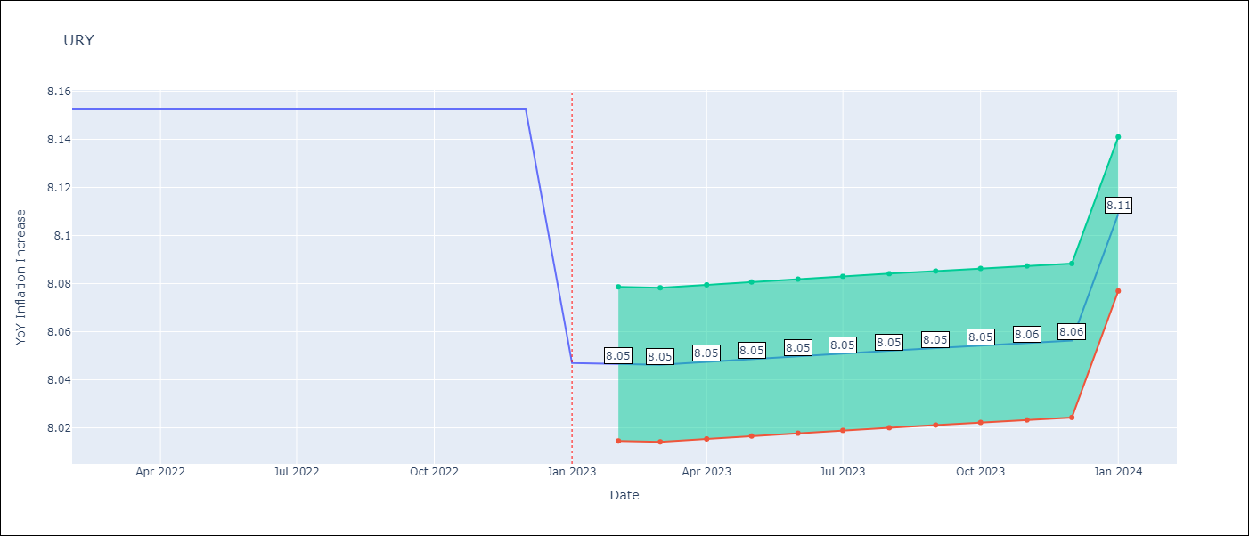

Test Metrics
RMSE | 2.94
Naive RMSE | 0.62
MAPE | 47.29%

Test Predictions
Date | Predicted | Actual
2022-01-10 | 9.73 | 9.05
2022-01-11 | 9.8 | 8.46
2022-01-12 | 9.76 | 8.29
2023-01-01 | 9.71 | 8.05
2023-01-02 | 9.3 | 7.55
2023-01-03 | 9.17 | 7.33
2023-01-04 | 9.5 | 7.61
2023-01-05 | 9.49 | 7.1
2023-01-06 | 9.31 | 5.98
2023-01-07 | 9.17 | 4.79
2023-01-08 | 9.08 | 4.11
2023-01-09 | 8.94 | 3.87

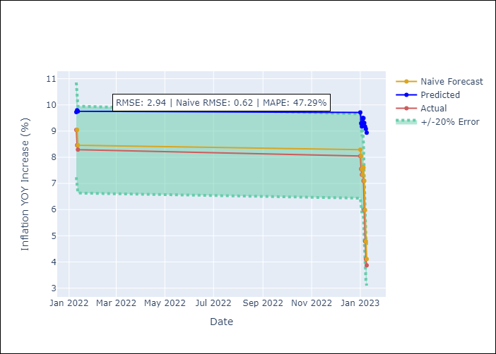

Appendix A: Model Summary
Model | ARIMA(3, 0, 0)x(2, 0, 0, 12)
Sample | 01-01-1990- 01-01-2023
No. of Observations | 397
Terms | P-value (Statistical significance)
const | 0.576
ar.L1 | 0.175
ar.L2 | 1.000
ar.L3 | 0.992
ar.S.L12 | 0.000
ar.S.L24 | 0.000
sigma2 | 0.000

Assumptions | P-value | Interpretation
Ljung-Box (L1) | 1.00
Heteroskedasticity | 0.00
Jarque-Bera | 0.00
Skew | 4.23
Kurtosis | 111.48

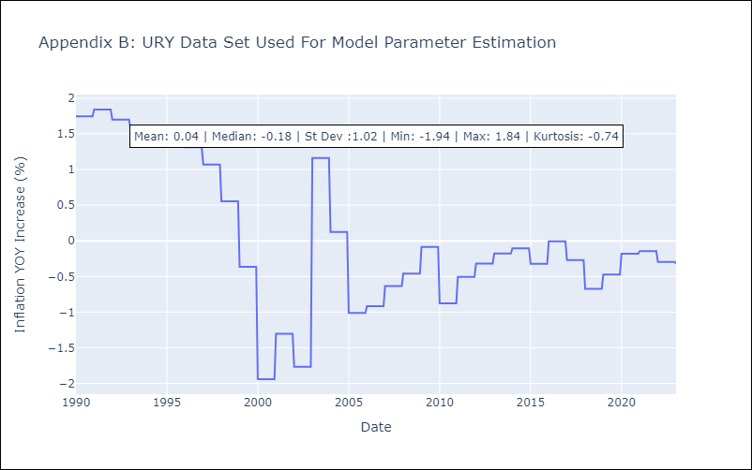

Appendix C: Residuals Analysis
Mean | 0.01
White Noise? | Yes
Normal? | No

VEN
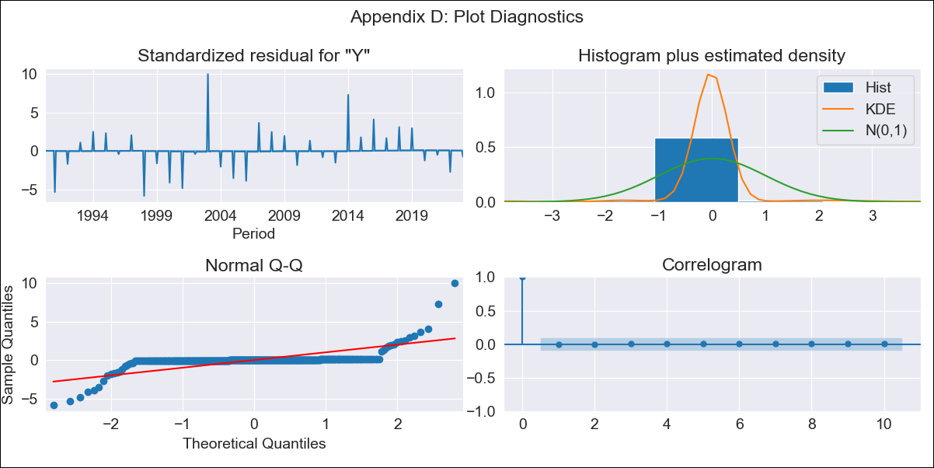
VEN - Inflation - Next 12 months forecast as of: 2023-01-09

Model | ARIMA - [(3, 0, 0), (0, 0, 0, 12)]
Training Data | 1990-01-01 to 2022-01-10
Test Data | 2022-01-10 to 2023-01-09

Date | Inflation Change YoY % | Lower Bound - 95% Confidence Interval | Upper Bound - 95% Confidence Interval
2023-02-01 | 337.33 | 298.04 | 376.63
2023-03-01 | 330.01 | 290.71 | 369.3
2023-04-01 | 323.35 | 284.06 | 362.64
2023-05-01 | 316.94 | 277.65 | 356.23
2023-06-01 | 310.76 | 271.47 | 350.06
2023-07-01 | 304.81 | 265.51 | 344.1
2023-08-01 | 299.06 | 259.77 | 338.35
2023-09-01 | 293.51 | 254.22 | 332.81
2023-10-01 | 288.16 | 248.87 | 327.45
2023-11-01 | 282.99 | 243.69 | 322.28
2023-12-01 | 277.98 | 238.69 | 317.28
2024-01-01 | 273.15 | 233.86 | 312.44

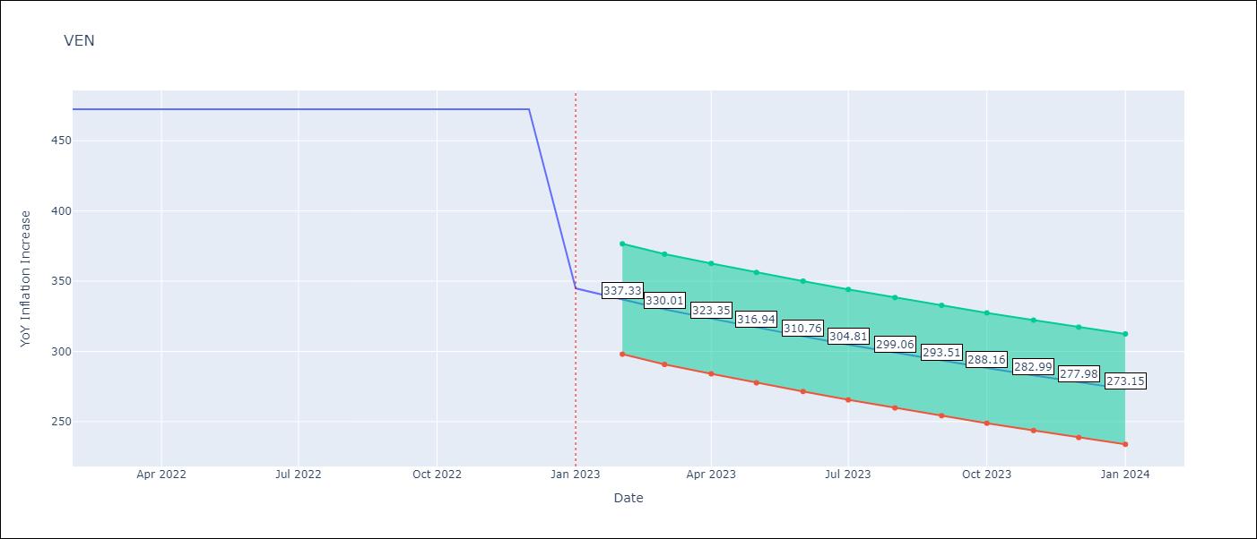

Test Metrics
RMSE | 159.95
Naive RMSE | 57.04
MAPE | 38.4%

Test Predictions
Date | Predicted | Actual
2022-01-10 | 195 | 155.8
2022-01-11 | 216.62 | 165.6
2022-01-12 | 226.05 | 234.08
2023-01-01 | 228.58 | 344.91
2023-01-02 | 227.71 | 415.57
2023-01-03 | 225.28 | 439.61
2023-01-04 | 222.19 | 436.34
2023-01-05 | 218.85 | 429.21
2023-01-06 | 215.46 | 404.37
2023-01-07 | 212.09 | 398.19
2023-01-08 | 208.8 | 317.63
2023-01-09 | 205.59 | 394.76

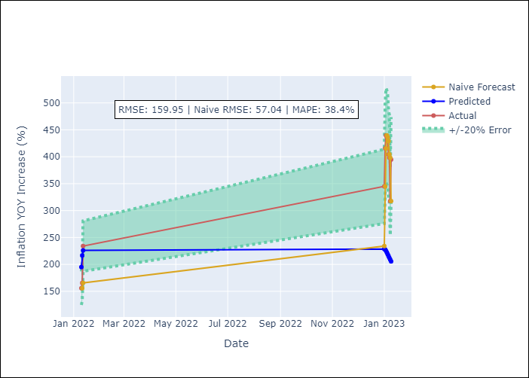

Appendix A: Model Summary
Model | ARIMA(3, 0, 0)
Sample | 01-01-1990- 01-01-2023
No. of Observations | 397
Terms | P-value (Statistical significance)
const | 0.844
ar.L1 | 0.256
ar.L2 | 1.000
ar.L3 | 0.996
sigma2 | 0.000

Assumptions | P-value | Interpretation
Ljung-Box (L1) | 1.00
Heteroskedasticity | 0.36
Jarque-Bera | 0.00
Skew | 2.39
Kurtosis | 42.78

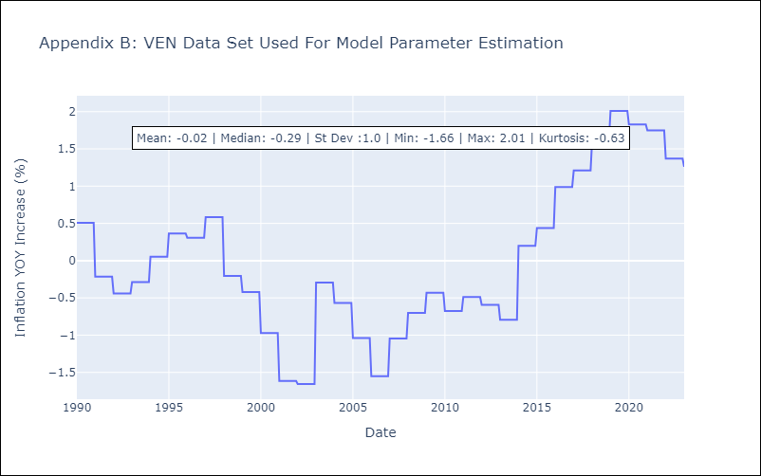

Appendix C: Residuals Analysis
Mean | 0.0
White Noise? | Yes
Normal? | No

