VEN2021lt
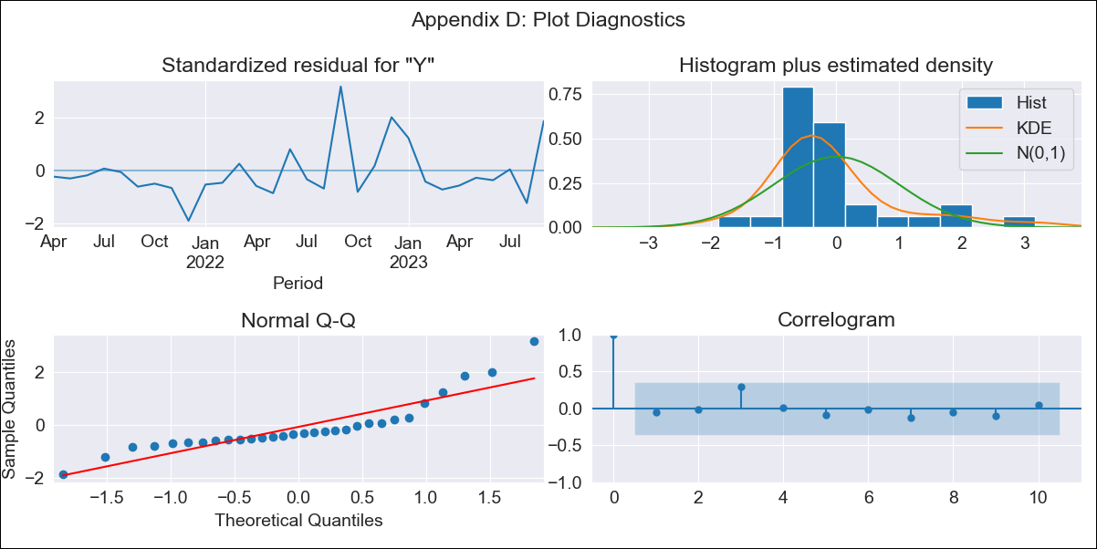
VEN2021lt - Inflation - Next 12 months forecast as of: 2023-09-01

Model | ARIMA - [(1, 1, 1), (0, 0, 0, 12)]
Training Data | 2021-01-01 to 2022-10-01
Test Data | 2022-10-01 to 2023-09-01

Date | Inflation Change YoY % | Lower Bound - 95% Confidence Interval | Upper Bound - 95% Confidence Interval
2023-10-01 | 418.9 | 347.56 | 490.24
2023-11-01 | 439.99 | 368.65 | 511.33
2023-12-01 | 458.2 | 386.86 | 529.54
2024-01-01 | 473.78 | 402.44 | 545.12
2024-02-01 | 486.99 | 415.65 | 558.33
2024-03-01 | 498.13 | 426.79 | 569.47
2024-04-01 | 507.46 | 436.12 | 578.8
2024-05-01 | 515.25 | 443.91 | 586.59
2024-06-01 | 521.73 | 450.38 | 593.07
2024-07-01 | 527.09 | 455.75 | 598.43
2024-08-01 | 531.52 | 460.18 | 602.87
2024-09-01 | 535.18 | 463.84 | 606.52

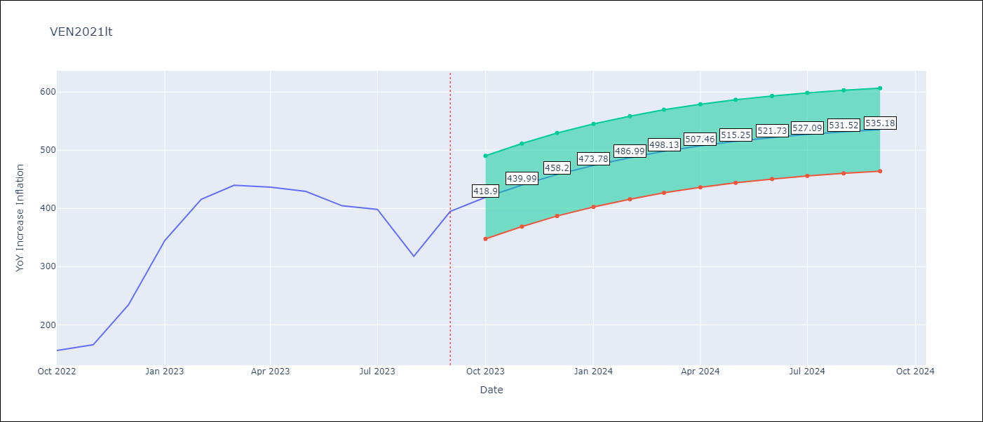

Test Metrics
RMSE | 91.09
Naive RMSE | 57.04
MAPE | 20.85%

Test Predictions
Date | Predicted | Actual
2022-10-01 | 180.24 | 155.8
2022-11-01 | 202.9 | 165.6
2022-12-01 | 224.99 | 234.08
2023-01-01 | 246.13 | 344.91
2023-02-01 | 266.07 | 415.57
2023-03-01 | 284.61 | 439.61
2023-04-01 | 301.64 | 436.34
2023-05-01 | 317.12 | 429.21
2023-06-01 | 331.06 | 404.37
2023-07-01 | 343.52 | 398.19
2023-08-01 | 354.57 | 317.63
2023-09-01 | 364.31 | 394.76

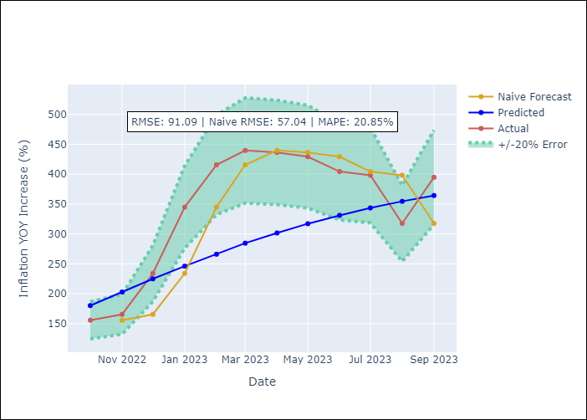

Appendix A: Model Summary
Model | ARIMA(1, 1, 1)
Sample | 01-01-2021- 09-01-2023
No. of Observations | 33
Terms | P-value (Statistical significance)
ar.L1 | 0.001
ma.L1 | 0.317
sigma2 | 0.000

Assumptions | P-value | Interpretation
Ljung-Box (L1) | 0.76
Heteroskedasticity | 0.19
Jarque-Bera | 0.00
Skew | 1.50
Kurtosis | 5.48

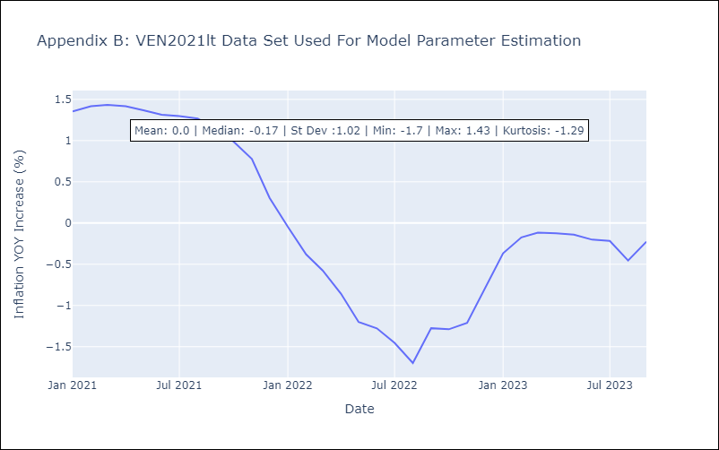

Appendix C: Residuals Analysis
Mean | 0.01
White Noise? | Yes
Normal? | No

