R01
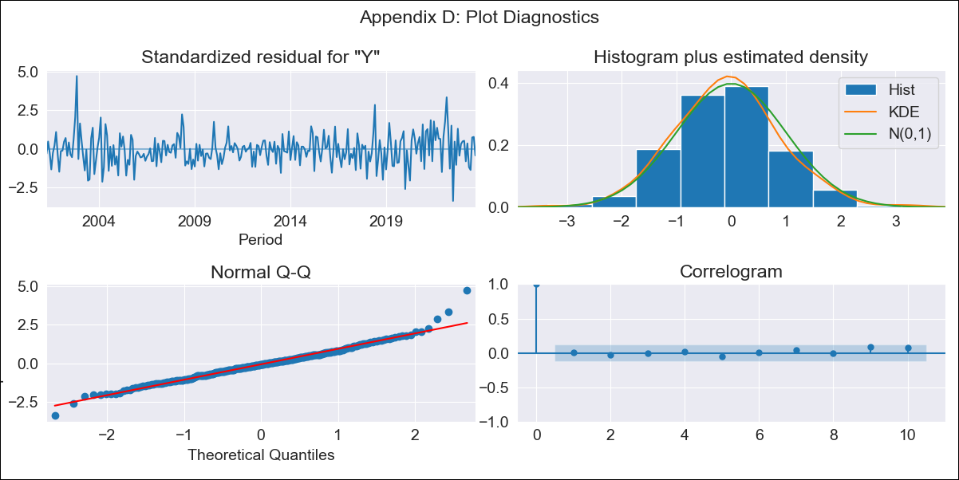
R01 - Inflation - Next 12 months forecast as of: 2023-09-01

Model | ARIMA - [(3, 1, 1), (0, 0, 1, 12)]
Training Data | 2000-01-01 to 2022-10-01
Test Data | 2022-10-01 to 2023-09-01

Date | Inflation Change YoY % | Lower Bound - 95% Confidence Interval | Upper Bound - 95% Confidence Interval
2023-10-01 | 5.12 | 4.79 | 5.46
2023-11-01 | 5.12 | 4.48 | 5.76
2023-12-01 | 5.08 | 4.13 | 6.03
2024-01-01 | 4.97 | 3.72 | 6.23
2024-02-01 | 4.84 | 3.3 | 6.38
2024-03-01 | 4.85 | 3.04 | 6.66
2024-04-01 | 4.81 | 2.74 | 6.87
2024-05-01 | 4.93 | 2.62 | 7.24
2024-06-01 | 5.2 | 2.67 | 7.74
2024-07-01 | 5.27 | 2.52 | 8.02
2024-08-01 | 5.23 | 2.27 | 8.18
2024-09-01 | 5.26 | 2.11 | 8.41

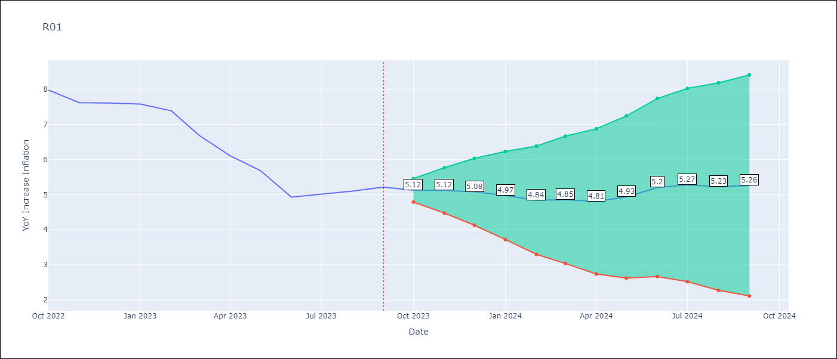

Test Metrics
RMSE | 0.56
Naive RMSE | 0.4
MAPE | 8.11%

Test Predictions
Date | Predicted | Actual
2022-10-01 | 7.74 | 7.98
2022-11-01 | 7.31 | 7.62
2022-12-01 | 7.18 | 7.61
2023-01-01 | 6.98 | 7.58
2023-02-01 | 6.59 | 7.38
2023-03-01 | 5.89 | 6.68
2023-04-01 | 5.23 | 6.1
2023-05-01 | 4.97 | 5.68
2023-06-01 | 4.54 | 4.93
2023-07-01 | 4.71 | 5.02
2023-08-01 | 4.73 | 5.1
2023-09-01 | 4.89 | 5.21

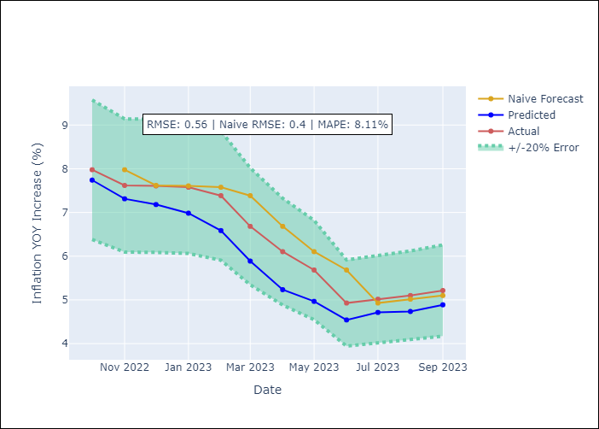

Appendix A: Model Summary
Model | ARIMA(3, 1, 1)x(0, 0, 1, 12)
Sample | 01-01-2000- 09-01-2023
No. of Observations | 285
Terms | P-value (Statistical significance)
ar.L1 | 0.456
ar.L2 | 0.000
ar.L3 | 0.298
ma.L1 | 0.000
ma.S.L12 | 0.000
sigma2 | 0.000

Assumptions | P-value | Interpretation
Ljung-Box (L1) | 0.97
Heteroskedasticity | 0.48
Jarque-Bera | 0.00
Skew | 0.46
Kurtosis | 4.96

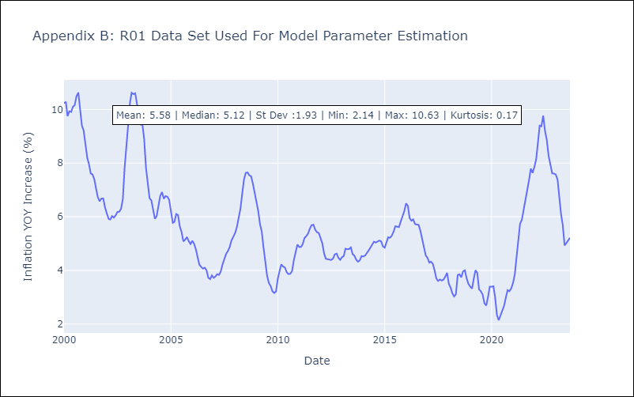

Appendix C: Residuals Analysis
Mean | 0.01
White Noise? | No - Correlation at Lags [ 2 3 4 5 6 7 8 9 10 11 12]
Normal? | No

