ARG
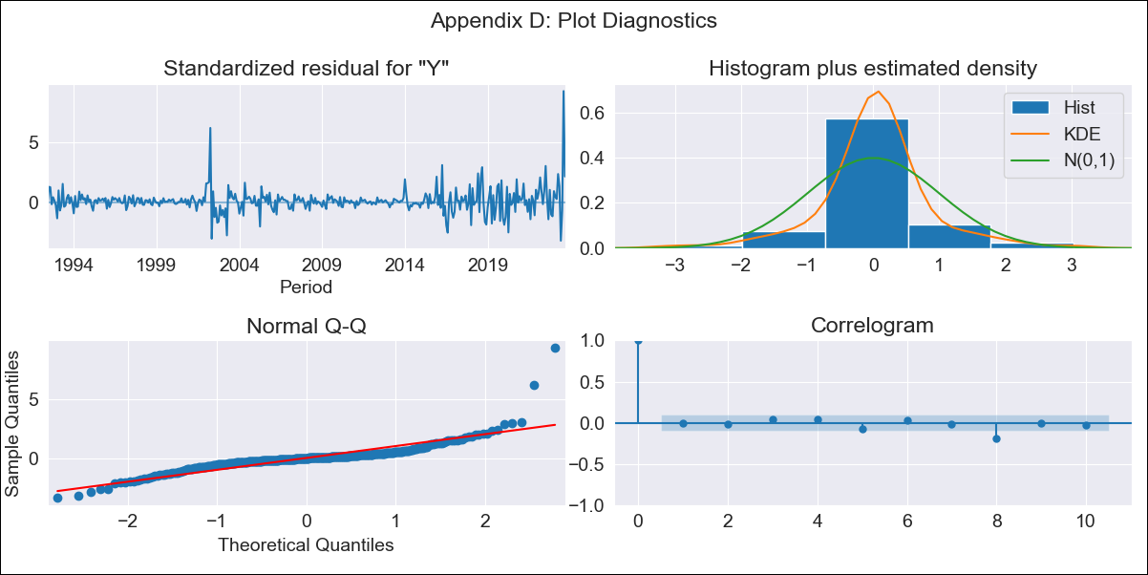
ARG - Inflation - Next 12 months forecast as of: 2023-09-01

Model | ARIMA - [(0, 2, 2), (1, 0, 1, 12)]
Training Data | 1991-01-01 to 2022-10-01
Test Data | 2022-10-01 to 2023-09-01

Date | Inflation Change YoY % | Lower Bound - 95% Confidence Interval | Upper Bound - 95% Confidence Interval
2023-10-01 | 146.62 | 144.27 | 148.98
2023-11-01 | 155.16 | 150.37 | 159.95
2023-12-01 | 164.81 | 157.61 | 172.01
2024-01-01 | 173.07 | 163.33 | 182.82
2024-02-01 | 180.79 | 168.33 | 193.26
2024-03-01 | 188.54 | 173.18 | 203.9
2024-04-01 | 194.24 | 175.82 | 212.66
2024-05-01 | 199.29 | 177.64 | 220.94
2024-06-01 | 208.23 | 183.2 | 233.26
2024-07-01 | 217.38 | 188.81 | 245.95
2024-08-01 | 216.86 | 184.6 | 249.11
2024-09-01 | 216.2 | 180.12 | 252.28

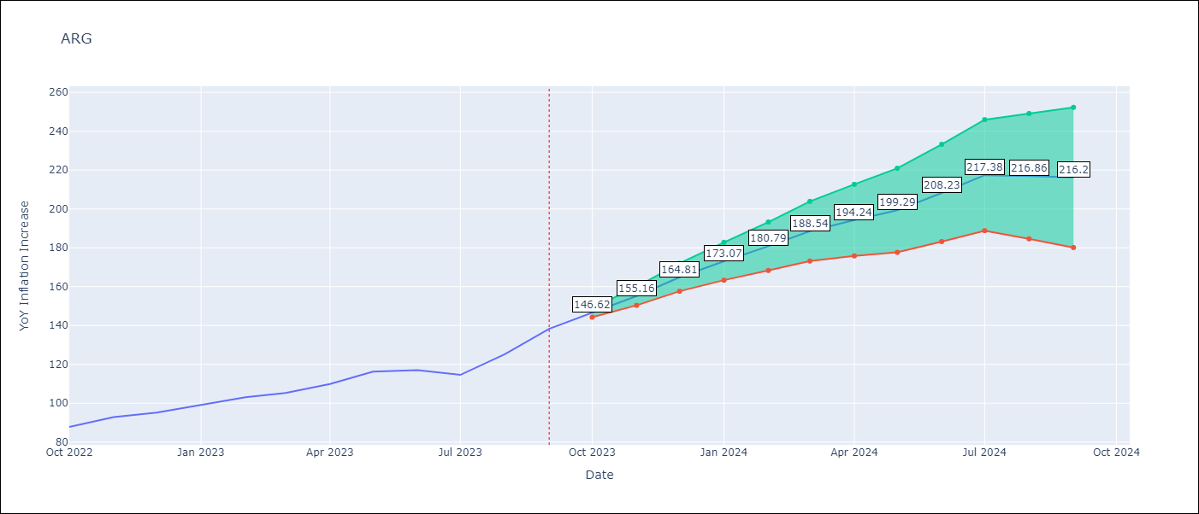

Test Metrics
RMSE | 9.27
Naive RMSE | 6.17
MAPE | 4.46%

Test Predictions
Date | Predicted | Actual
2022-10-01 | 86.84 | 87.8
2022-11-01 | 92.28 | 92.82
2022-12-01 | 96.54 | 95.19
2023-01-01 | 100.54 | 99.01
2023-02-01 | 104.05 | 103.06
2023-03-01 | 105.71 | 105.25
2023-04-01 | 107.27 | 109.89
2023-05-01 | 109.69 | 116.26
2023-06-01 | 111.45 | 116.97
2023-07-01 | 110.47 | 114.59
2023-08-01 | 110.11 | 125.24
2023-09-01 | 111.89 | 138.3

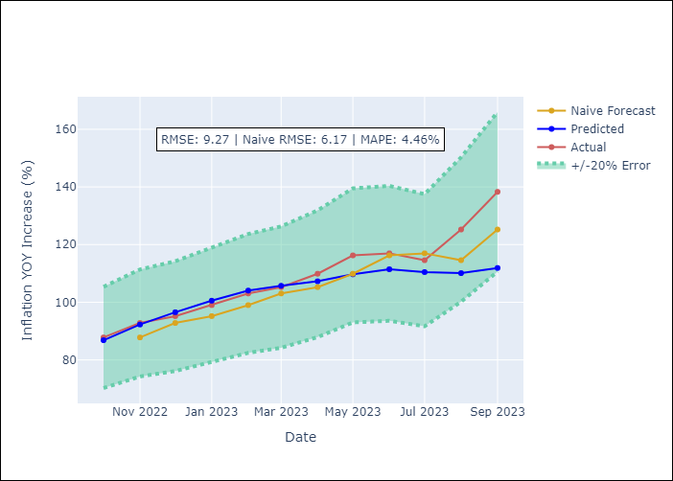

Appendix A: Model Summary
Model | ARIMA(0, 2, 2)x(1, 0, [1], 12)
Sample | 01-01-1991- 09-01-2023
No. of Observations | 393
Terms | P-value (Statistical significance)
ma.L1 | 0.000
ma.L2 | 0.000
ar.S.L12 | 0.003
ma.S.L12 | 0.000
sigma2 | 0.000

Assumptions | P-value | Interpretation
Ljung-Box (L1) | 0.90
Heteroskedasticity | 0.00
Jarque-Bera | 0.00
Skew | 2.61
Kurtosis | 26.25

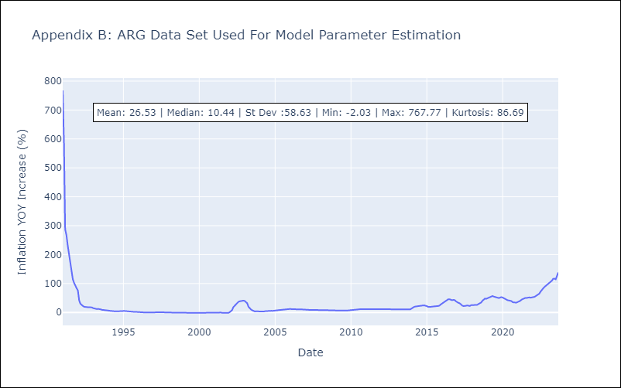

Appendix C: Residuals Analysis
Mean | 0.75
White Noise? | No - Correlation at Lags [ 1 2 3 4 5 6 7 8 9 10 11 12]
Normal? | No

BOL
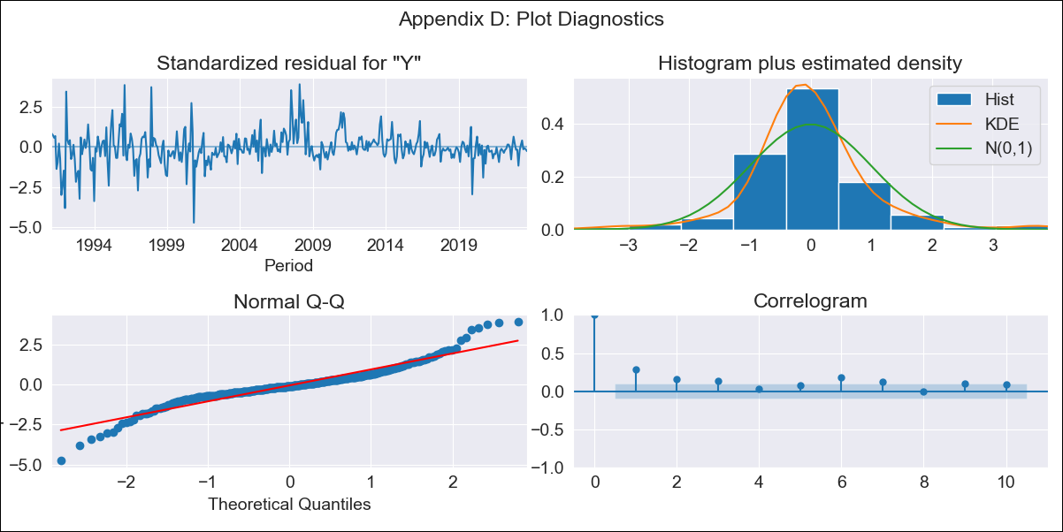
BOL - Inflation - Next 12 months forecast as of: 2023-09-01

Model | ARIMA - [(1, 0, 0), (0, 0, 1, 12)]
Training Data | 1990-01-01 to 2022-10-01
Test Data | 2022-10-01 to 2023-09-01

Date | Inflation Change YoY % | Lower Bound - 95% Confidence Interval | Upper Bound - 95% Confidence Interval
2023-10-01 | 2.49 | 1.16 | 3.82
2023-11-01 | 2.39 | 0.53 | 4.25
2023-12-01 | 2.51 | 0.24 | 4.77
2024-01-01 | 2.61 | 0.01 | 5.21
2024-02-01 | 3.29 | 0.4 | 6.17
2024-03-01 | 3.41 | 0.28 | 6.54
2024-04-01 | 3.34 | -0.02 | 6.7
2024-05-01 | 3.11 | -0.46 | 6.67
2024-06-01 | 3.19 | -0.56 | 6.95
2024-07-01 | 3.24 | -0.69 | 7.18
2024-08-01 | 3.33 | -0.77 | 7.42
2024-09-01 | 3.47 | -0.77 | 7.72

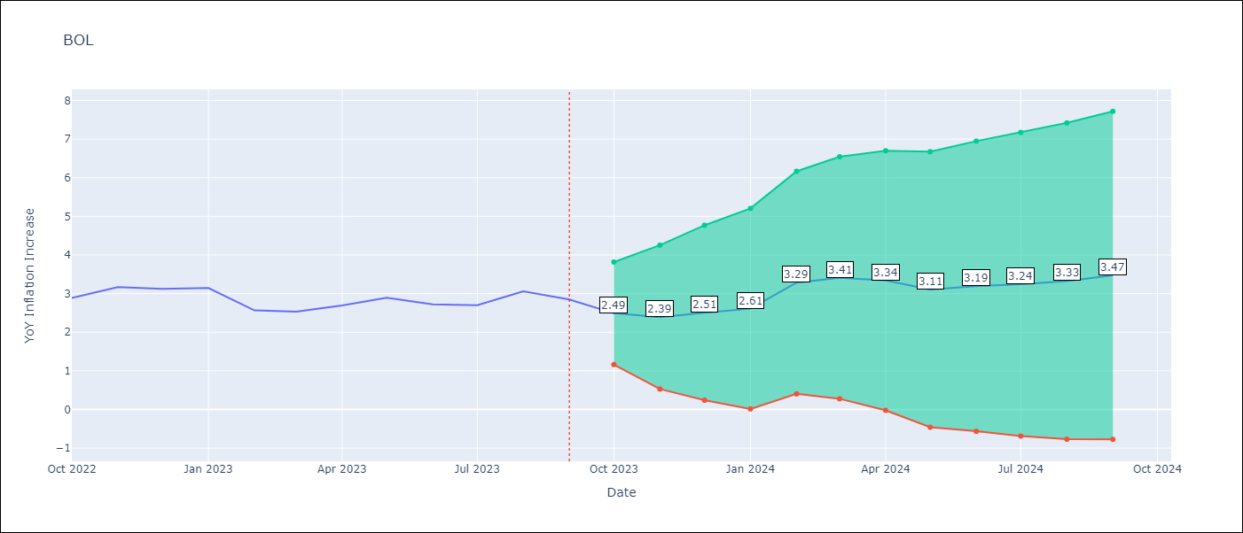

Test Metrics
RMSE | 0.53
Naive RMSE | 0.25
MAPE | 12.62%

Test Predictions
Date | Predicted | Actual
2022-10-01 | 2.01 | 2.89
2022-11-01 | 2.14 | 3.17
2022-12-01 | 2.25 | 3.12
2023-01-01 | 2.37 | 3.14
2023-02-01 | 2.47 | 2.57
2023-03-01 | 2.58 | 2.53
2023-04-01 | 2.68 | 2.7
2023-05-01 | 2.78 | 2.9
2023-06-01 | 2.88 | 2.73
2023-07-01 | 2.97 | 2.7
2023-08-01 | 3.06 | 3.06
2023-09-01 | 3.14 | 2.85

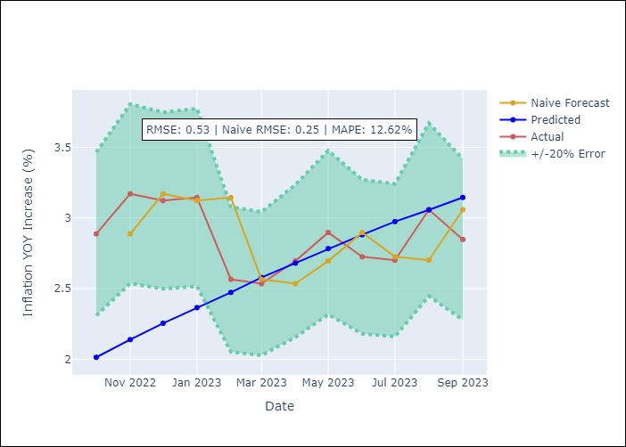

Appendix A: Model Summary
Model | ARIMA(1, 0, 0)x(0, 0, [1], 12)
Sample | 01-01-1990- 09-01-2023
No. of Observations | 405
Terms | P-value (Statistical significance)
const | 0.000
ar.L1 | 0.000
ma.S.L12 | 0.000
sigma2 | 0.000

Assumptions | P-value | Interpretation
Ljung-Box (L1) | 0.00
Heteroskedasticity | 0.00
Jarque-Bera | 0.00
Skew | 0.11
Kurtosis | 7.13

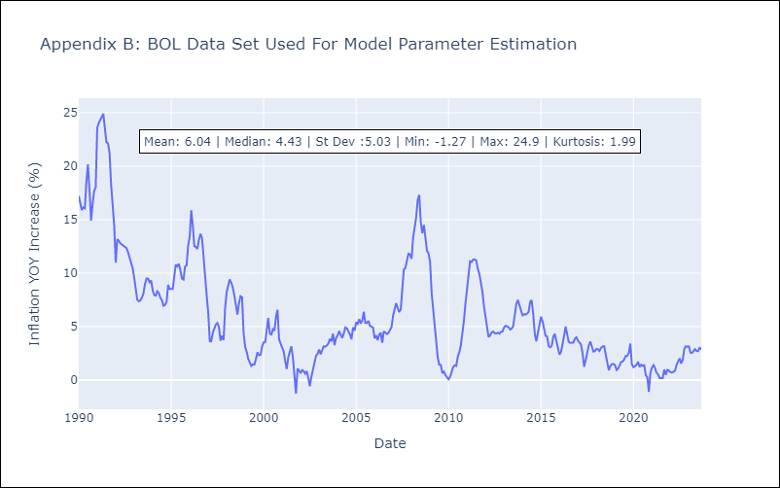

Appendix C: Residuals Analysis
Mean | 0.02
White Noise? | No - Correlation at Lags [ 1 2 3 4 5 6 7 8 9 10 11 12]
Normal? | No

BRA
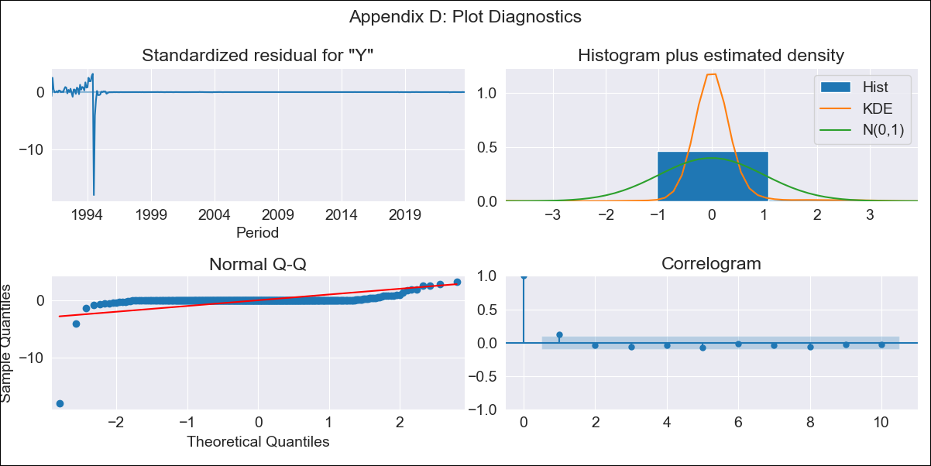
BRA - Inflation - Next 12 months forecast as of: 2023-09-01

Model | ARIMA - [(1, 1, 0), (0, 0, 1, 12)]
Training Data | 1990-01-01 to 2022-10-01
Test Data | 2022-10-01 to 2023-09-01

Date | Inflation Change YoY % | Lower Bound - 95% Confidence Interval | Upper Bound - 95% Confidence Interval
2023-10-01 | 5.59 | -140.69 | 151.86
2023-11-01 | 5.87 | -284.18 | 295.92
2023-12-01 | 6.06 | -429.28 | 441.41
2024-01-01 | 6.19 | -570.03 | 582.41
2024-02-01 | 6.29 | -703.89 | 716.48
2024-03-01 | 6.4 | -830.06 | 842.86
2024-04-01 | 6.47 | -948.63 | 961.57
2024-05-01 | 6.51 | -1060.01 | 1073.04
2024-06-01 | 6.57 | -1164.76 | 1177.9
2024-07-01 | 6.56 | -1263.6 | 1276.71
2024-08-01 | 6.54 | -1357.06 | 1370.15
2024-09-01 | 6.53 | -1445.72 | 1458.78

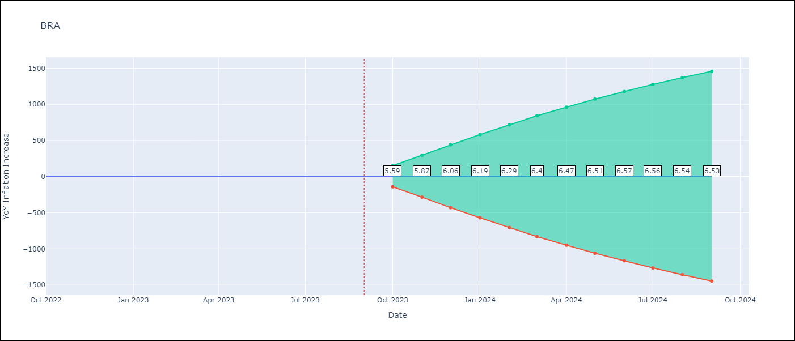

Test Metrics
RMSE | 0.97
Naive RMSE | 0.57
MAPE | 17.1%

Test Predictions
Date | Predicted | Actual
2022-10-01 | 6.06 | 6.47
2022-11-01 | 5.28 | 5.9
2022-12-01 | 4.75 | 5.79
2023-01-01 | 4.34 | 5.77
2023-02-01 | 4.05 | 5.6
2023-03-01 | 3.82 | 4.65
2023-04-01 | 3.64 | 4.18
2023-05-01 | 3.55 | 3.94
2023-06-01 | 3.47 | 3.16
2023-07-01 | 3.5 | 3.99
2023-08-01 | 3.52 | 4.61
2023-09-01 | 3.56 | 5.19

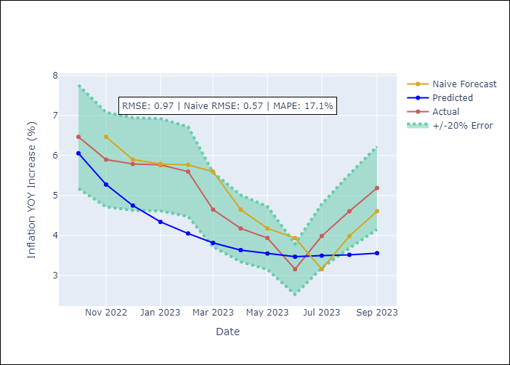

Appendix A: Model Summary
Model | ARIMA(1, 1, 0)x(0, 0, [1], 12)
Sample | 01-01-1990- 09-01-2023
No. of Observations | 405
Terms | P-value (Statistical significance)
ar.L1 | 0.000
ma.S.L12 | 0.712
sigma2 | 0.000

Assumptions | P-value | Interpretation
Ljung-Box (L1) | 0.01
Heteroskedasticity | 0.00
Jarque-Bera | 0.00
Skew | -14.62
Kurtosis | 265.30

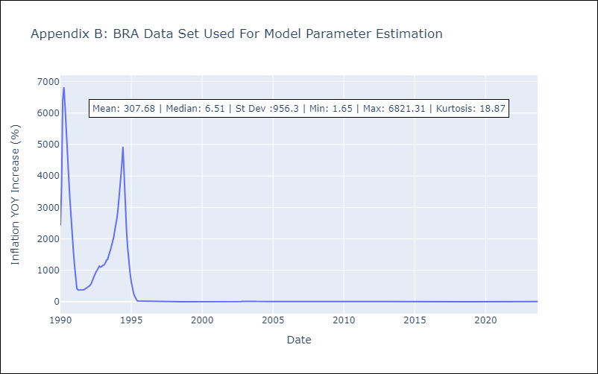

Appendix C: Residuals Analysis
Mean | 2.14
White Noise? | No - Correlation at Lags [ 2 3 4 5 6 7 8 9 10 11 12]
Normal? | No

CHL
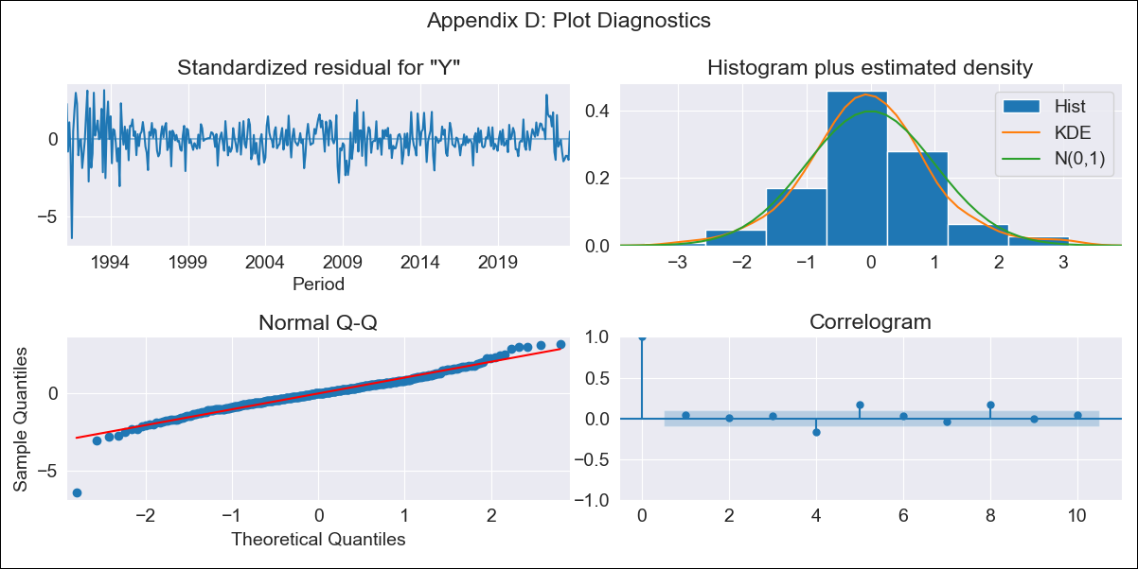
CHL - Inflation - Next 12 months forecast as of: 2023-09-01

Model | ARIMA - [(2, 0, 1), (0, 0, 1, 12)]
Training Data | 1990-01-01 to 2022-10-01
Test Data | 2022-10-01 to 2023-09-01

Date | Inflation Change YoY % | Lower Bound - 95% Confidence Interval | Upper Bound - 95% Confidence Interval
2023-10-01 | 4.82 | 3.73 | 5.91
2023-11-01 | 4.65 | 2.99 | 6.31
2023-12-01 | 4.53 | 2.39 | 6.67
2024-01-01 | 4.45 | 1.9 | 7.01
2024-02-01 | 4.41 | 1.49 | 7.33
2024-03-01 | 4.38 | 1.15 | 7.62
2024-04-01 | 4.37 | 0.86 | 7.88
2024-05-01 | 4.36 | 0.61 | 8.12
2024-06-01 | 4.37 | 0.4 | 8.33
2024-07-01 | 4.38 | 0.23 | 8.53
2024-08-01 | 4.39 | 0.08 | 8.7
2024-09-01 | 4.42 | -0.04 | 8.88

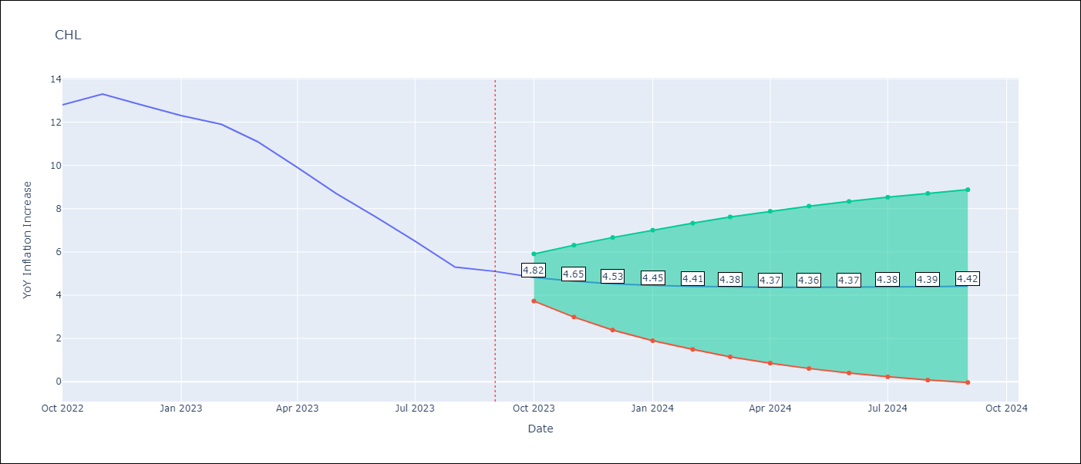

Test Metrics
RMSE | 3.1
Naive RMSE | 0.87
MAPE | 35.04%

Test Predictions
Date | Predicted | Actual
2022-10-01 | 13.54 | 12.8
2022-11-01 | 13.31 | 13.3
2022-12-01 | 13.04 | 12.8
2023-01-01 | 12.76 | 12.3
2023-02-01 | 12.46 | 11.9
2023-03-01 | 12.21 | 11.1
2023-04-01 | 11.94 | 9.9
2023-05-01 | 11.68 | 8.7
2023-06-01 | 11.43 | 7.6
2023-07-01 | 11.19 | 6.5
2023-08-01 | 10.96 | 5.3
2023-09-01 | 10.71 | 5.1

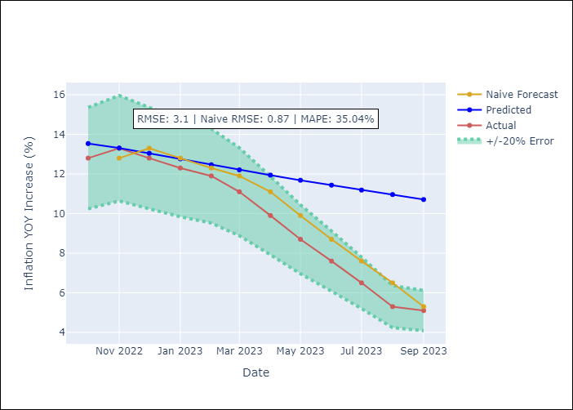

Appendix A: Model Summary
Model | ARIMA(2, 0, 1)x(0, 0, 1, 12)
Sample | 01-01-1990- 09-01-2023
No. of Observations | 405
Terms | P-value (Statistical significance)
const | 0.000
ar.L1 | 0.000
ar.L2 | 0.000
ma.L1 | 0.000
ma.S.L12 | 0.608
sigma2 | 0.799

Assumptions | P-value | Interpretation
Ljung-Box (L1) | 0.38
Heteroskedasticity | 0.00
Jarque-Bera | 0.00
Skew | -0.43
Kurtosis | 7.07

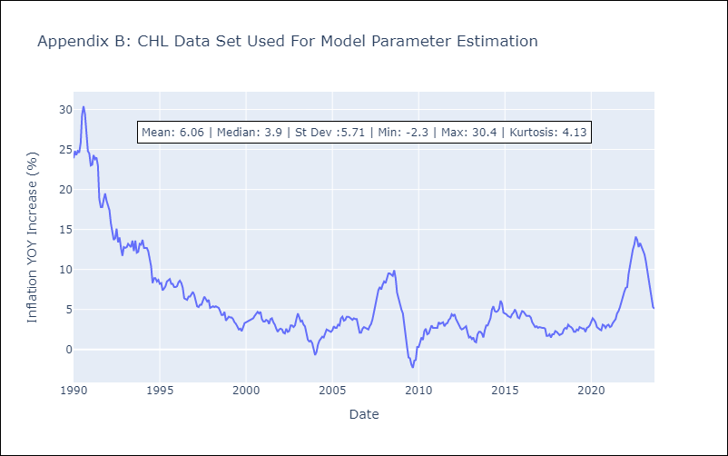

Appendix C: Residuals Analysis
Mean | -0.0
White Noise? | No - Correlation at Lags [ 1 2 3 4 5 6 7 8 9 10 11 12]
Normal? | No

COL
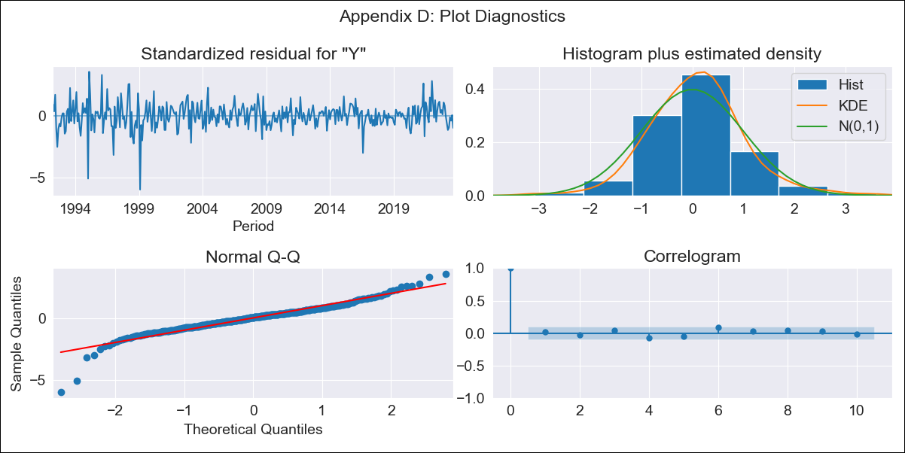
COL - Inflation - Next 12 months forecast as of: 2023-09-01

Model | ARIMA - [(1, 2, 1), (2, 0, 1, 12)]
Training Data | 1990-01-01 to 2022-10-01
Test Data | 2022-10-01 to 2023-09-01

Date | Inflation Change YoY % | Lower Bound - 95% Confidence Interval | Upper Bound - 95% Confidence Interval
2023-10-01 | 10.68 | 10.06 | 11.31
2023-11-01 | 10.46 | 9.32 | 11.61
2023-12-01 | 10.16 | 8.52 | 11.79
2024-01-01 | 9.71 | 7.62 | 11.81
2024-02-01 | 9.46 | 6.93 | 11.99
2024-03-01 | 9.47 | 6.52 | 12.42
2024-04-01 | 9.71 | 6.35 | 13.06
2024-05-01 | 10.16 | 6.41 | 13.91
2024-06-01 | 10.34 | 6.19 | 14.49
2024-07-01 | 10.54 | 6 | 15.08
2024-08-01 | 10.65 | 5.72 | 15.59
2024-09-01 | 10.93 | 5.6 | 16.26

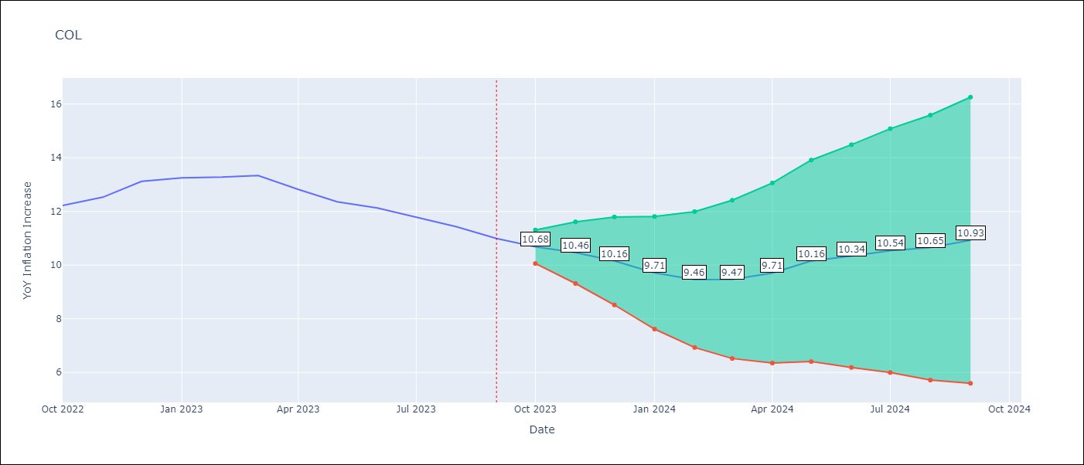

Test Metrics
RMSE | 0.85
Naive RMSE | 0.36
MAPE | 5.33%

Test Predictions
Date | Predicted | Actual
2022-10-01 | 12.07 | 12.22
2022-11-01 | 12.25 | 12.53
2022-12-01 | 12.43 | 13.12
2023-01-01 | 12.05 | 13.25
2023-02-01 | 11.8 | 13.28
2023-03-01 | 11.85 | 13.34
2023-04-01 | 11.66 | 12.82
2023-05-01 | 11.65 | 12.36
2023-06-01 | 11.67 | 12.13
2023-07-01 | 11.57 | 11.78
2023-08-01 | 11.33 | 11.43
2023-09-01 | 11.27 | 10.99

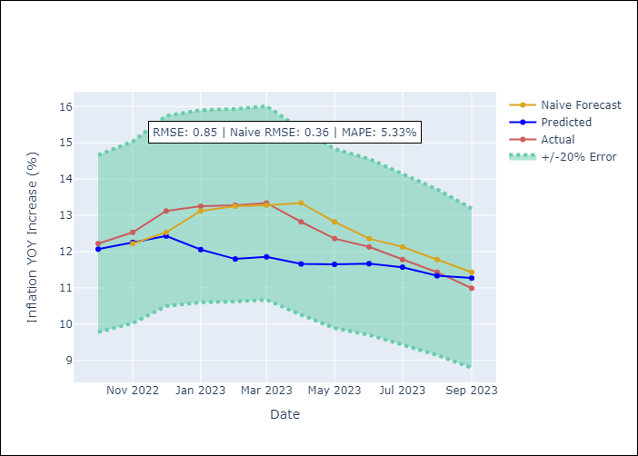

Appendix A: Model Summary
Model | ARIMA(1, 2, 1)x(2, 0, 1, 12)
Sample | 01-01-1990- 09-01-2023
No. of Observations | 405
Terms | P-value (Statistical significance)
ar.L1 | 0.000
ma.L1 | 0.000
ar.S.L12 | 0.018
ar.S.L24 | 0.000
ma.S.L12 | 0.000
sigma2 | 0.000

Assumptions | P-value | Interpretation
Ljung-Box (L1) | 0.74
Heteroskedasticity | 0.00
Jarque-Bera | 0.00
Skew | -0.70
Kurtosis | 8.45

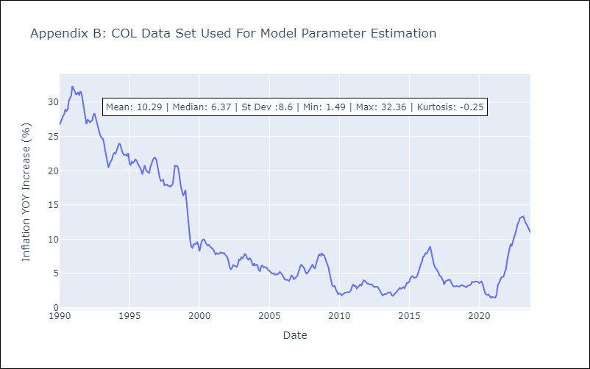

Appendix C: Residuals Analysis
Mean | 0.03
White Noise? | No - Correlation at Lags [ 1 2 3 4 5 6 7 8 9 10 11 12]
Normal? | No

ECU
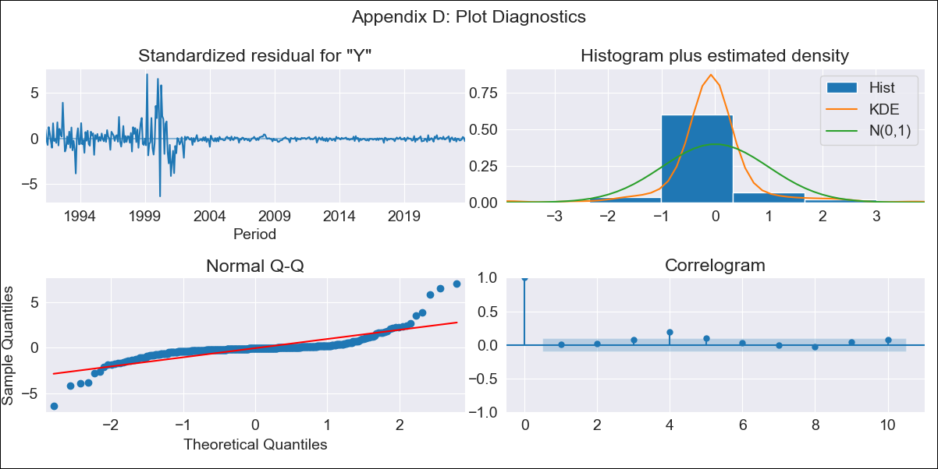
ECU - Inflation - Next 12 months forecast as of: 2023-09-01

Model | ARIMA - [(1, 0, 3), (0, 0, 1, 12)]
Training Data | 1990-01-01 to 2022-10-01
Test Data | 2022-10-01 to 2023-09-01

Date | Inflation Change YoY % | Lower Bound - 95% Confidence Interval | Upper Bound - 95% Confidence Interval
2023-10-01 | 2.25 | -2.17 | 6.67
2023-11-01 | 2.41 | -5.24 | 10.06
2023-12-01 | 2.63 | -7.65 | 12.91
2024-01-01 | 2.88 | -9.6 | 15.36
2024-02-01 | 3.14 | -11.15 | 17.43
2024-03-01 | 3.39 | -12.45 | 19.23
2024-04-01 | 3.63 | -13.57 | 20.84
2024-05-01 | 3.87 | -14.55 | 22.3
2024-06-01 | 4.11 | -15.42 | 23.64
2024-07-01 | 4.35 | -16.19 | 24.89
2024-08-01 | 4.59 | -16.87 | 26.06
2024-09-01 | 4.82 | -17.51 | 27.15

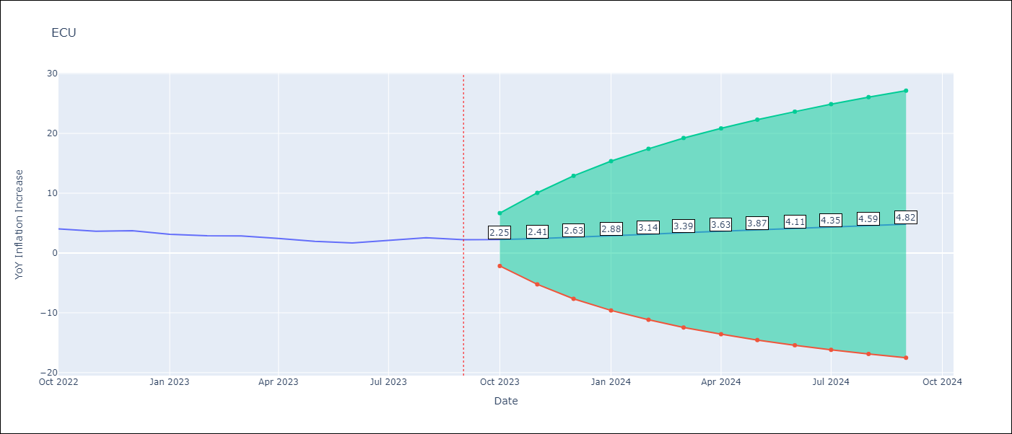

Test Metrics
RMSE | 2.9
Naive RMSE | 0.37
MAPE | 112.81%

Test Predictions
Date | Predicted | Actual
2022-10-01 | 4.37 | 4.02
2022-11-01 | 4.59 | 3.64
2022-12-01 | 4.79 | 3.74
2023-01-01 | 4.97 | 3.12
2023-02-01 | 5.14 | 2.9
2023-03-01 | 5.31 | 2.85
2023-04-01 | 5.48 | 2.44
2023-05-01 | 5.65 | 1.97
2023-06-01 | 5.83 | 1.69
2023-07-01 | 5.98 | 2.07
2023-08-01 | 6.14 | 2.56
2023-09-01 | 6.3 | 2.23

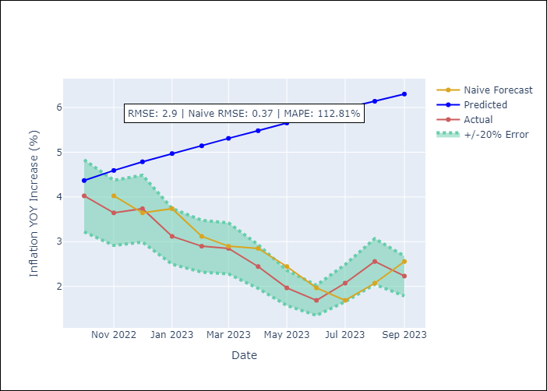

Appendix A: Model Summary
Model | ARIMA(1, 0, 3)x(0, 0, [1], 12)
Sample | 01-01-1990- 09-01-2023
No. of Observations | 405
Terms | P-value (Statistical significance)
const | 0.487
ar.L1 | 0.000
ma.L1 | 0.000
ma.L2 | 0.000
ma.L3 | 0.003
ma.S.L12 | 0.547
sigma2 | 0.765

Assumptions | P-value | Interpretation
Ljung-Box (L1) | 0.82
Heteroskedasticity | 0.00
Jarque-Bera | 0.00
Skew | 1.39
Kurtosis | 22.08

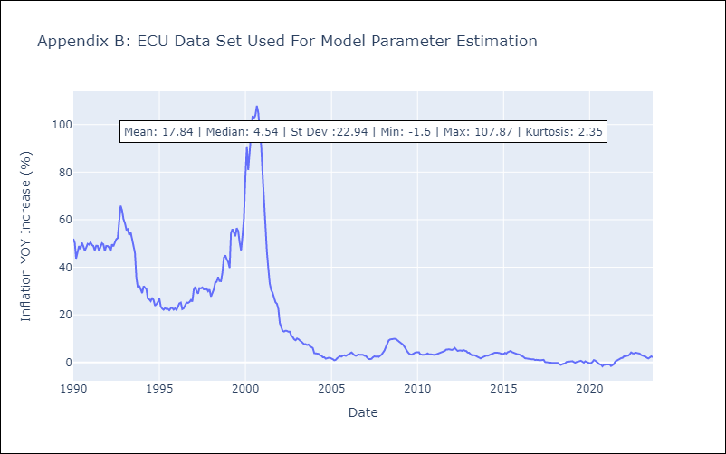

Appendix C: Residuals Analysis
Mean | 0.02
White Noise? | No - Correlation at Lags [ 4 5 6 7 8 9 10 11 12]
Normal? | No

PER
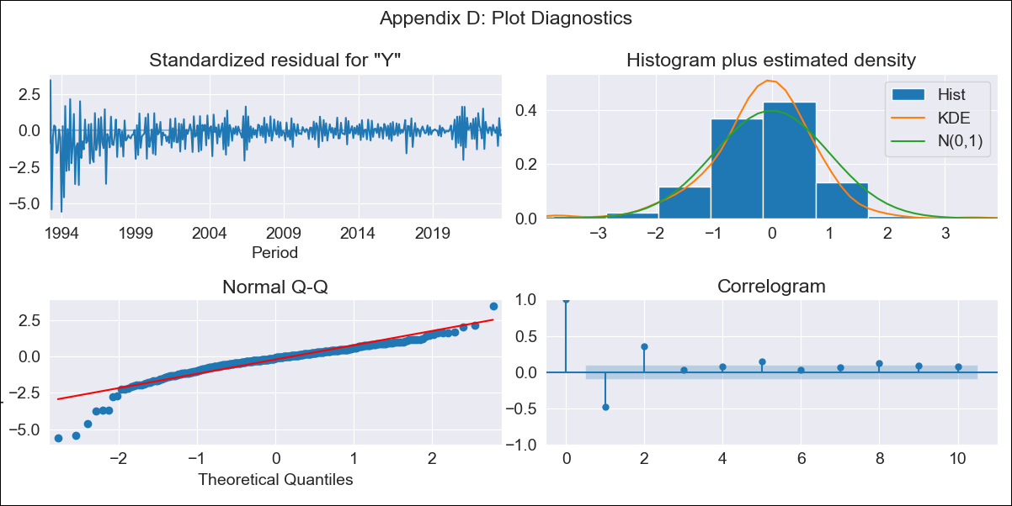
PER - Inflation - Next 12 months forecast as of: 2023-09-01

Model | ARIMA - [(1, 1, 2), (3, 0, 1, 12)]
Training Data | 1990-01-01 to 2022-10-01
Test Data | 2022-10-01 to 2023-09-01

Date | Inflation Change YoY % | Lower Bound - 95% Confidence Interval | Upper Bound - 95% Confidence Interval
2023-10-01 | 4.64 | 3.19 | 6.09
2023-11-01 | 4.18 | 0.33 | 8.02
2023-12-01 | 3.71 | -2.72 | 10.14
2024-01-01 | 3.49 | -5.3 | 12.28
2024-02-01 | 3.27 | -7.63 | 14.17
2024-03-01 | 2.98 | -9.8 | 15.76
2024-04-01 | 2.83 | -11.65 | 17.31
2024-05-01 | 2.68 | -13.34 | 18.71
2024-06-01 | 3.12 | -14.33 | 20.57
2024-07-01 | 3.37 | -15.4 | 22.14
2024-08-01 | 3.43 | -16.57 | 23.44
2024-09-01 | 3.64 | -17.53 | 24.82

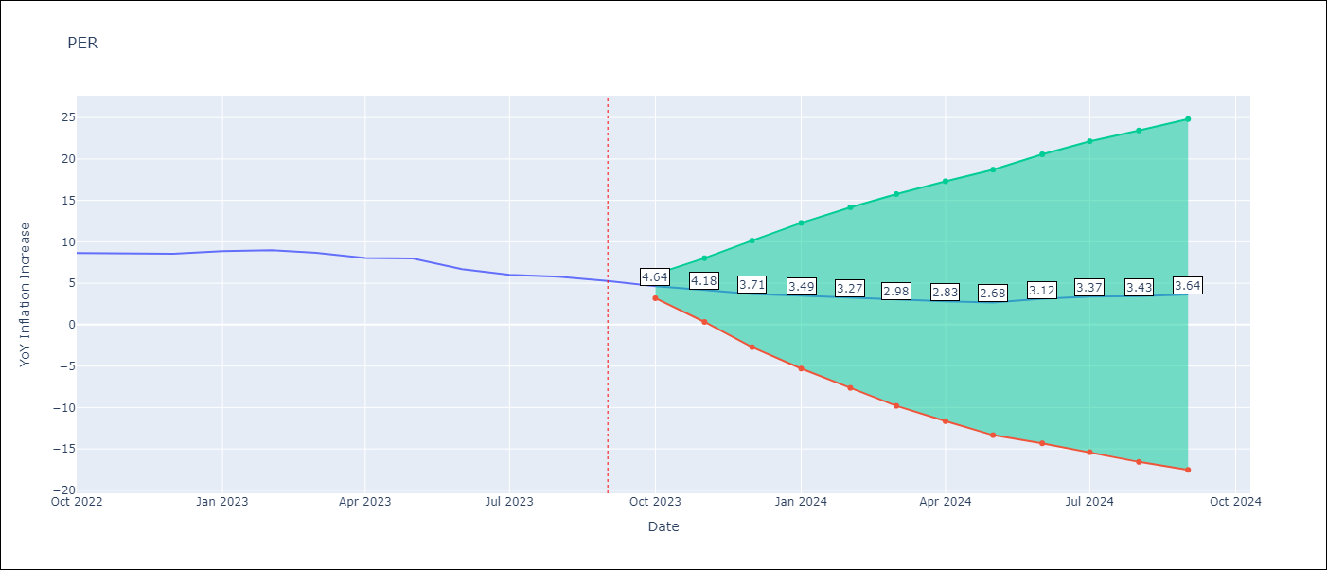

Test Metrics
RMSE | 4.91
Naive RMSE | 0.53
MAPE | 63.97%

Test Predictions
Date | Predicted | Actual
2022-10-01 | 9.42 | 8.64
2022-11-01 | 10.15 | 8.64
2022-12-01 | 10.51 | 8.56
2023-01-01 | 11.59 | 8.87
2023-02-01 | 12.65 | 8.99
2023-03-01 | 12.85 | 8.67
2023-04-01 | 12.77 | 8.04
2023-05-01 | 13.22 | 7.99
2023-06-01 | 12.92 | 6.71
2023-07-01 | 12.89 | 6.02
2023-08-01 | 12.97 | 5.79
2023-09-01 | 12.84 | 5.27

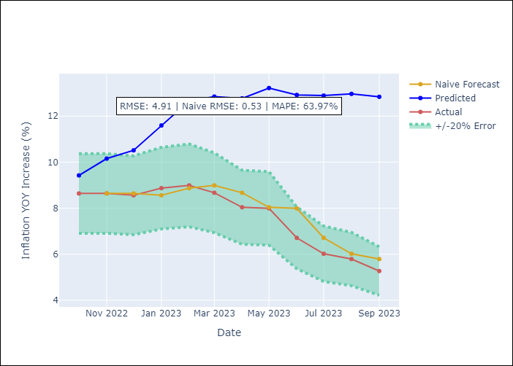

Appendix A: Model Summary
Model | ARIMA(1, 1, 2)x(3, 0, [1], 12)
Sample | 01-01-1990- 09-01-2023
No. of Observations | 405
Terms | P-value (Statistical significance)
ar.L1 | 0.000
ma.L1 | 0.000
ma.L2 | 0.000
ar.S.L12 | 0.648
ar.S.L24 | 0.000
ar.S.L36 | 0.000
ma.S.L12 | 0.000
sigma2 | 0.000

Assumptions | P-value | Interpretation
Ljung-Box (L1) | 0.00
Heteroskedasticity | 0.00
Jarque-Bera | 0.00
Skew | -1.40
Kurtosis | 9.06

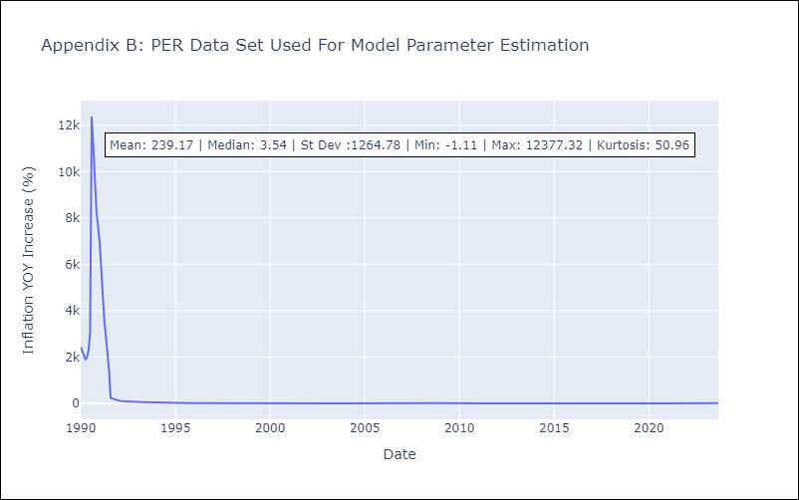

Appendix C: Residuals Analysis
Mean | 1.51
White Noise? | No - Correlation at Lags [ 1 2 3 4 5 6 7 8 9 10 11 12]
Normal? | No

PRY
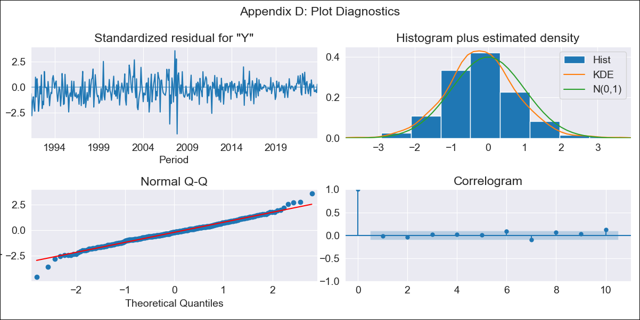
PRY - Inflation - Next 12 months forecast as of: 2023-09-01

Model | ARIMA - [(0, 1, 2), (1, 0, 1, 12)]
Training Data | 1990-01-01 to 2022-10-01
Test Data | 2022-10-01 to 2023-09-01

Date | Inflation Change YoY % | Lower Bound - 95% Confidence Interval | Upper Bound - 95% Confidence Interval
2023-10-01 | 3.7 | 1.95 | 5.45
2023-11-01 | 3.6 | 0.73 | 6.47
2023-12-01 | 4.12 | 0.18 | 8.06
2024-01-01 | 3.76 | -1.02 | 8.54
2024-02-01 | 3.85 | -1.64 | 9.33
2024-03-01 | 3.73 | -2.39 | 9.85
2024-04-01 | 3.64 | -3.04 | 10.33
2024-05-01 | 3.88 | -3.33 | 11.09
2024-06-01 | 4.27 | -3.43 | 11.97
2024-07-01 | 4.66 | -3.5 | 12.82
2024-08-01 | 5.18 | -3.41 | 13.78
2024-09-01 | 5.07 | -3.94 | 14.08

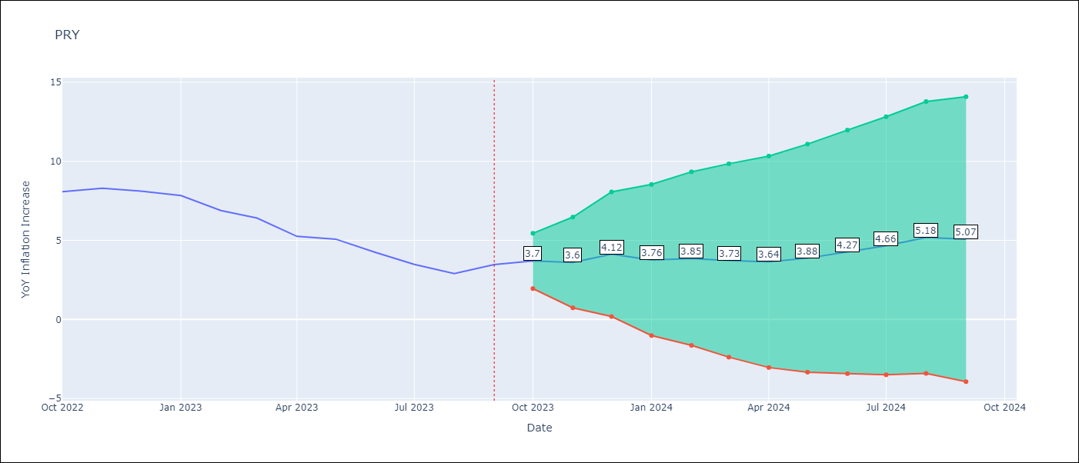

Test Metrics
RMSE | 0.53
Naive RMSE | 0.65
MAPE | 10.01%

Test Predictions
Date | Predicted | Actual
2022-10-01 | 8.04 | 8.07
2022-11-01 | 7.94 | 8.29
2022-12-01 | 8.42 | 8.12
2023-01-01 | 7.62 | 7.83
2023-02-01 | 6.69 | 6.88
2023-03-01 | 6.01 | 6.41
2023-04-01 | 4.61 | 5.25
2023-05-01 | 4.71 | 5.08
2023-06-01 | 4.29 | 4.24
2023-07-01 | 3.94 | 3.48
2023-08-01 | 3.98 | 2.9
2023-09-01 | 4.47 | 3.47

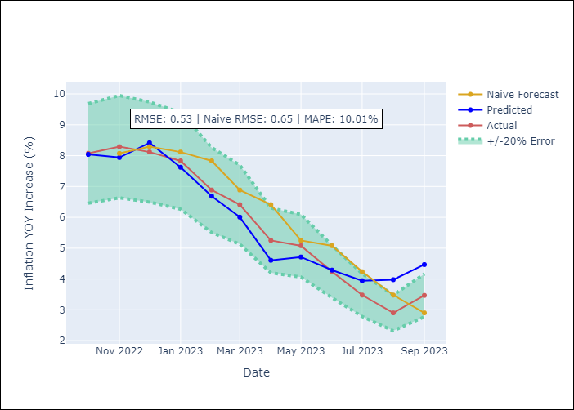

Appendix A: Model Summary
Model | ARIMA(0, 1, 2)x(1, 0, [1], 12)
Sample | 01-01-1990- 09-01-2023
No. of Observations | 405
Terms | P-value (Statistical significance)
ma.L1 | 0.000
ma.L2 | 0.000
ar.S.L12 | 0.051
ma.S.L12 | 0.000
sigma2 | 0.000

Assumptions | P-value | Interpretation
Ljung-Box (L1) | 0.67
Heteroskedasticity | 0.00
Jarque-Bera | 0.00
Skew | -0.07
Kurtosis | 4.50

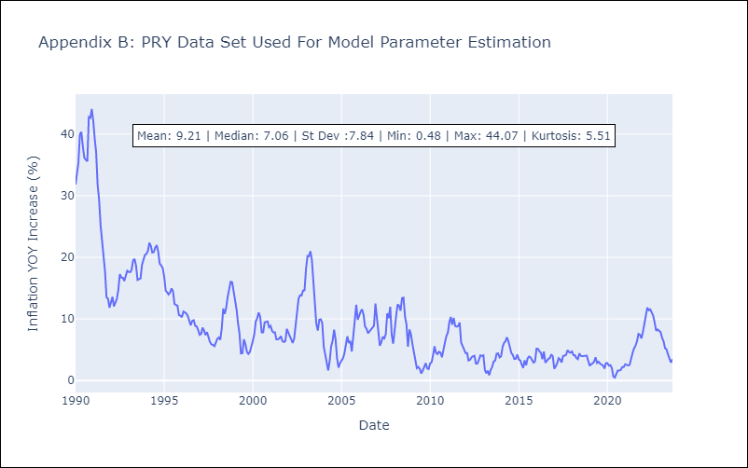

Appendix C: Residuals Analysis
Mean | -0.09
White Noise? | No - Correlation at Lags [ 9 10 11]
Normal? | No

URY
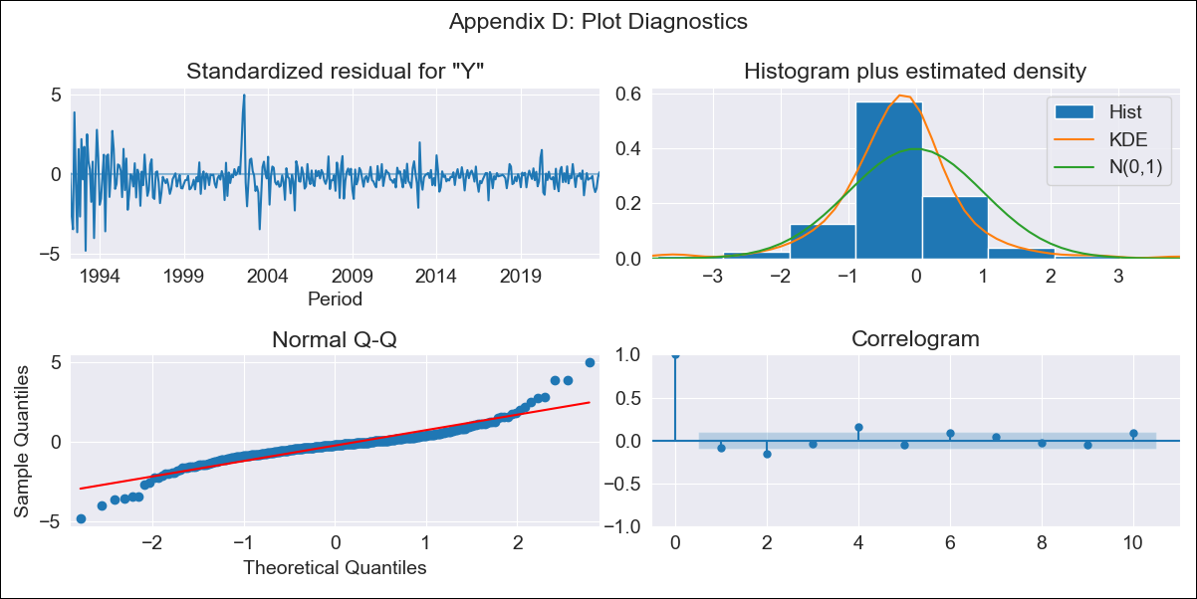
URY - Inflation - Next 12 months forecast as of: 2023-09-01

Model | ARIMA - [(3, 0, 0), (2, 0, 0, 12)]
Training Data | 1990-01-01 to 2022-10-01
Test Data | 2022-10-01 to 2023-09-01

Date | Inflation Change YoY % | Lower Bound - 95% Confidence Interval | Upper Bound - 95% Confidence Interval
2023-10-01 | 4.15 | 2.53 | 5.77
2023-11-01 | 4.57 | 1.68 | 7.46
2023-12-01 | 4.91 | 0.8 | 9.03
2024-01-01 | 5.32 | 0.08 | 10.57
2024-02-01 | 5.76 | -0.51 | 12.03
2024-03-01 | 6.15 | -1.05 | 13.35
2024-04-01 | 6.49 | -1.55 | 14.52
2024-05-01 | 7.09 | -1.7 | 15.89
2024-06-01 | 7.93 | -1.55 | 17.41
2024-07-01 | 8.72 | -1.39 | 18.83
2024-08-01 | 9.38 | -1.3 | 20.06
2024-09-01 | 9.8 | -1.4 | 21

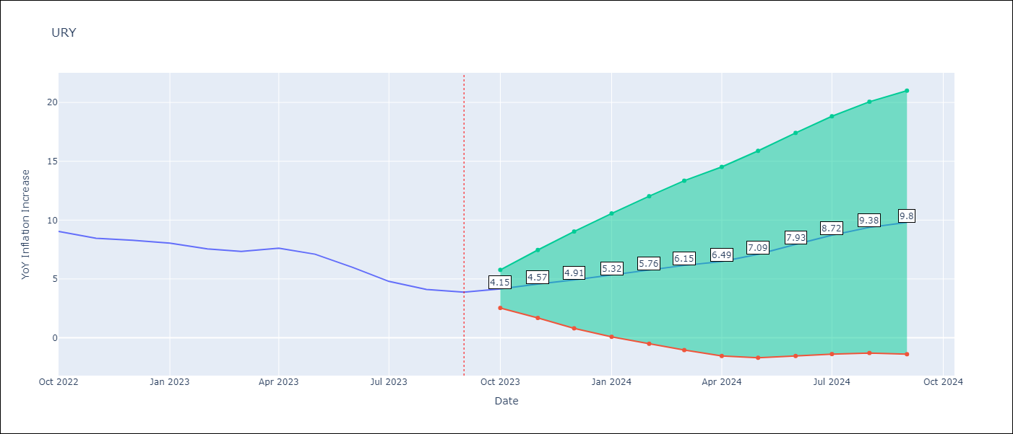

Test Metrics
RMSE | 5.84
Naive RMSE | 0.62
MAPE | 93.98%

Test Predictions
Date | Predicted | Actual
2022-10-01 | 10.15 | 9.05
2022-11-01 | 10.55 | 8.46
2022-12-01 | 10.91 | 8.29
2023-01-01 | 11.3 | 8.05
2023-02-01 | 11.37 | 7.55
2023-03-01 | 11.68 | 7.33
2023-04-01 | 12.33 | 7.61
2023-05-01 | 12.68 | 7.1
2023-06-01 | 12.91 | 5.98
2023-07-01 | 13.15 | 4.79
2023-08-01 | 13.41 | 4.11
2023-09-01 | 13.62 | 3.87

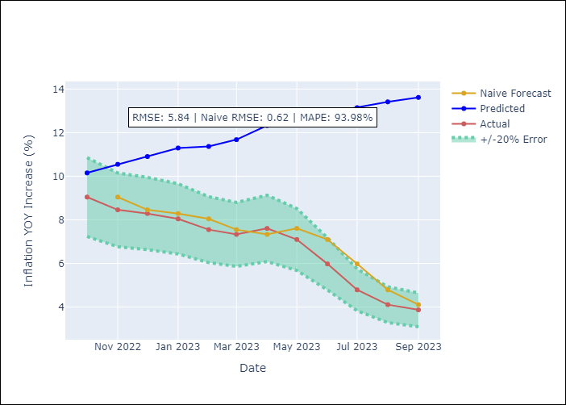

Appendix A: Model Summary
Model | ARIMA(3, 0, 0)x(2, 0, 0, 12)
Sample | 01-01-1990- 09-01-2023
No. of Observations | 405
Terms | P-value (Statistical significance)
const | 0.000
ar.L1 | 0.000
ar.L2 | 0.000
ar.L3 | 0.003
ar.S.L12 | 0.000
ar.S.L24 | 0.000
sigma2 | 0.000

Assumptions | P-value | Interpretation
Ljung-Box (L1) | 0.11
Heteroskedasticity | 0.00
Jarque-Bera | 0.00
Skew | 0.16
Kurtosis | 9.14

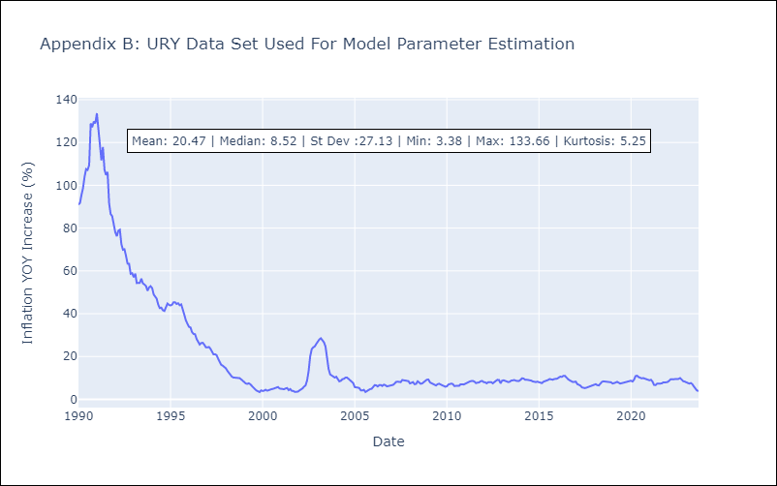

Appendix C: Residuals Analysis
Mean | -0.02
White Noise? | No - Correlation at Lags [ 1 2 3 4 5 6 7 8 9 10 11 12]
Normal? | No

VEN
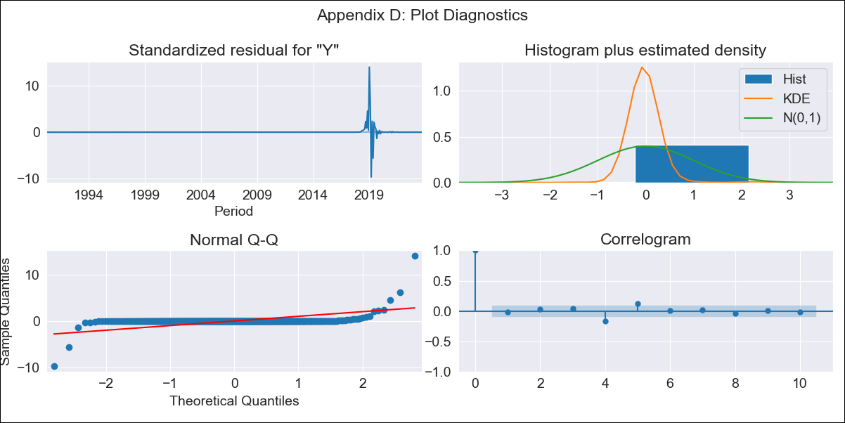
VEN - Inflation - Next 12 months forecast as of: 2023-09-01

Model | ARIMA - [(3, 0, 0), (0, 0, 0, 12)]
Training Data | 1990-01-01 to 2022-10-01
Test Data | 2022-10-01 to 2023-09-01

Date | Inflation Change YoY % | Lower Bound - 95% Confidence Interval | Upper Bound - 95% Confidence Interval
2023-10-01 | 820.09 | -12715.84 | 14356.03
2023-11-01 | 1489.23 | -26710.8 | 29689.27
2023-12-01 | 2245.21 | -38740.27 | 43230.69
2024-01-01 | 2967.87 | -47500.35 | 53436.09
2024-02-01 | 3591.11 | -53173.57 | 60355.8
2024-03-01 | 4092.34 | -56513.5 | 64698.18
2024-04-01 | 4475.91 | -58319.13 | 67270.94
2024-05-01 | 4759.17 | -59217.29 | 68735.64
2024-06-01 | 4963.23 | -59624.59 | 69551.04
2024-07-01 | 5107.86 | -59787.08 | 70002.81
2024-08-01 | 5209.49 | -59837.07 | 70256.05
2024-09-01 | 5280.7 | -59840.2 | 70401.6

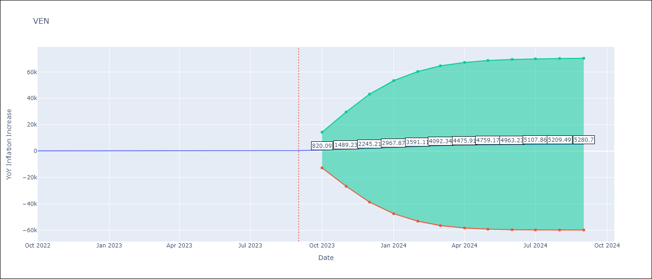

Test Metrics
RMSE | 3710.03
Naive RMSE | 57.04
MAPE | 931.16%

Test Predictions
Date | Predicted | Actual
2022-10-01 | 564.63 | 155.8
2022-11-01 | 1253.61 | 165.6
2022-12-01 | 2058.13 | 234.08
2023-01-01 | 2842.31 | 344.91
2023-02-01 | 3527.39 | 415.57
2023-03-01 | 4083.36 | 439.61
2023-04-01 | 4511.59 | 436.34
2023-05-01 | 4829.25 | 429.21
2023-06-01 | 5058.73 | 404.37
2023-07-01 | 5221.61 | 398.19
2023-08-01 | 5336.08 | 317.63
2023-09-01 | 5416.2 | 394.76

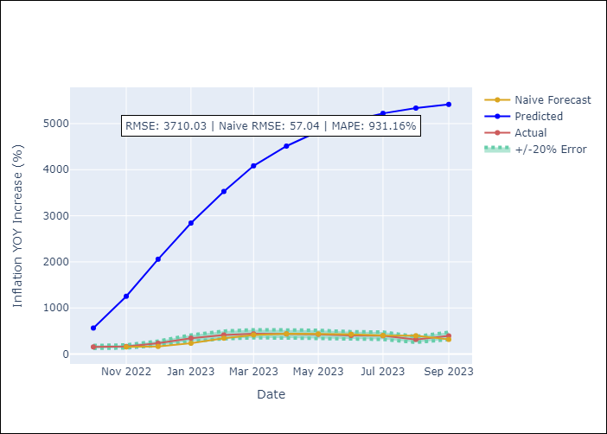

Appendix A: Model Summary
Model | ARIMA(3, 0, 0)
Sample | 01-01-1990- 09-01-2023
No. of Observations | 405
Terms | P-value (Statistical significance)
const | 0.636
ar.L1 | 0.000
ar.L2 | 0.000
ar.L3 | 0.000
sigma2 | 0.000

Assumptions | P-value | Interpretation
Ljung-Box (L1) | 0.82
Heteroskedasticity | 0.00
Jarque-Bera | 0.00
Skew | 4.99
Kurtosis | 125.25

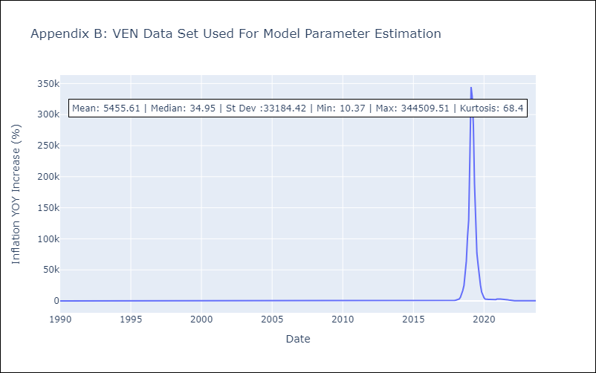

Appendix C: Residuals Analysis
Mean | -3.43
White Noise? | No - Correlation at Lags [ 4 5 6 7 8 9 10 11]
Normal? | No

