ARG
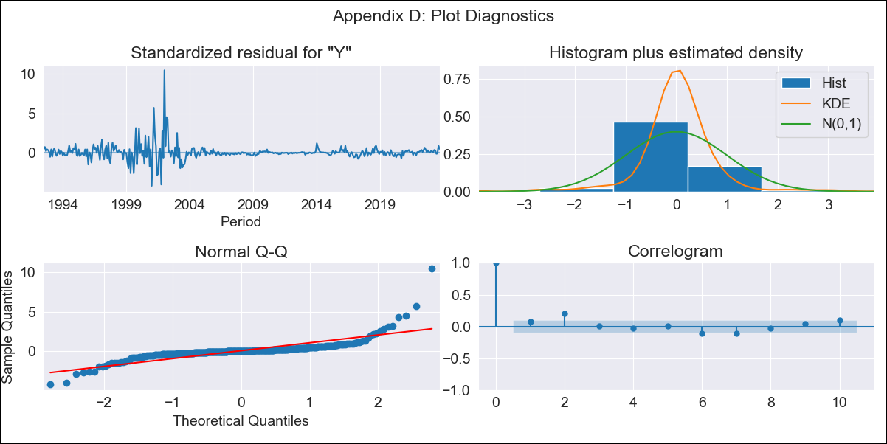
ARG - Inflation - Next 12 months forecast as of: 2023-09-01

Model | ARIMA - [(0, 2, 2), (1, 0, 1, 12)]
Training Data | 1991-01-01 to 2022-10-01
Test Data | 2022-10-01 to 2023-09-01

Date | Inflation Change YoY % | Lower Bound - 95% Confidence Interval | Upper Bound - 95% Confidence Interval
2023-10-01 | 142.33 | 132.42 | 152.23
2023-11-01 | 144.31 | 134.41 | 154.22
2023-12-01 | 146.89 | 136.99 | 156.79
2024-01-01 | 148.55 | 138.65 | 158.46
2024-02-01 | 150.06 | 140.15 | 159.96
2024-03-01 | 152.12 | 142.22 | 162.03
2024-04-01 | 152.88 | 142.98 | 162.78
2024-05-01 | 153.49 | 143.58 | 163.39
2024-06-01 | 156.05 | 146.15 | 165.96
2024-07-01 | 159.03 | 149.13 | 168.94
2024-08-01 | 157.38 | 147.48 | 167.29
2024-09-01 | 156.02 | 146.11 | 165.92

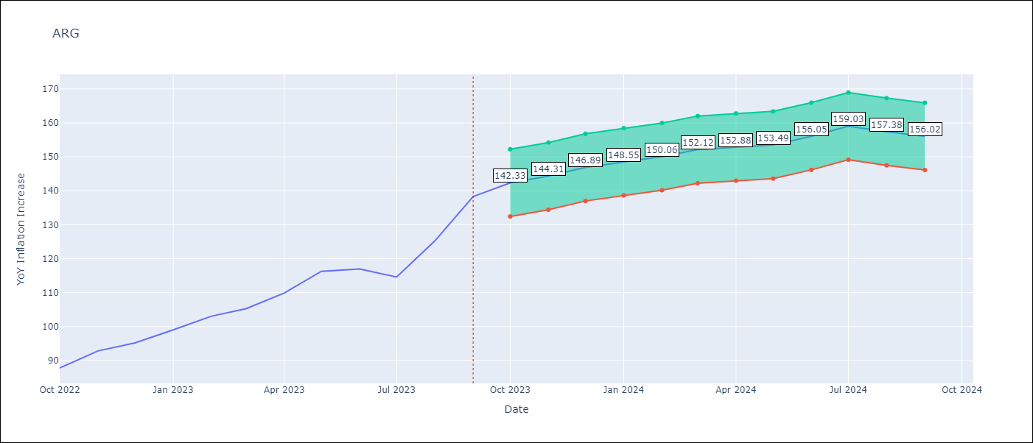

Test Metrics
RMSE | 24.27
Naive RMSE | 6.17
MAPE | 17.42%

Test Predictions
Date | Predicted | Actual
2022-10-01 | 84.58 | 87.8
2022-11-01 | 86.84 | 92.82
2022-12-01 | 88.15 | 95.19
2023-01-01 | 88.94 | 99.01
2023-02-01 | 89.55 | 103.06
2023-03-01 | 89.76 | 105.25
2023-04-01 | 89.45 | 109.89
2023-05-01 | 89.8 | 116.26
2023-06-01 | 89.75 | 116.97
2023-07-01 | 88.48 | 114.59
2023-08-01 | 87.77 | 125.24
2023-09-01 | 88.25 | 138.3

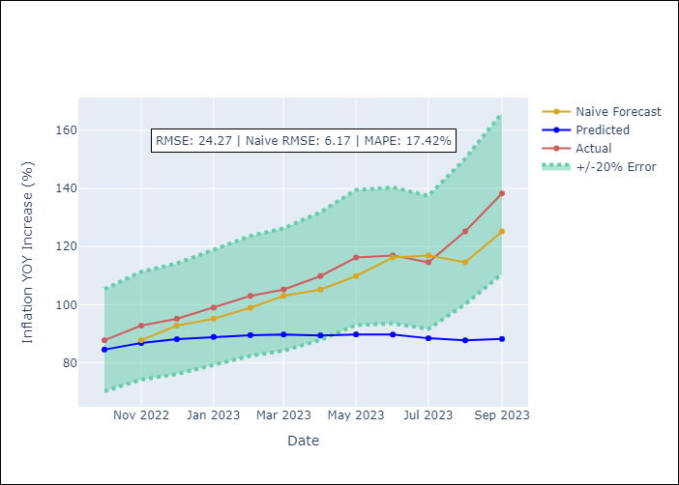

Appendix A: Model Summary
Model | ARIMA(0, 2, 2)x(1, 0, [1], 12)
Sample | 01-01-1991- 09-01-2023
No. of Observations | 393
Terms | P-value (Statistical significance)
ma.L1 | 0.000
ma.L2 | 0.000
ar.S.L12 | 0.218
ma.S.L12 | 0.000
sigma2 | 0.000

Assumptions | P-value | Interpretation
Ljung-Box (L1) | 0.16
Heteroskedasticity | 0.00
Jarque-Bera | 0.00
Skew | 3.54
Kurtosis | 39.65

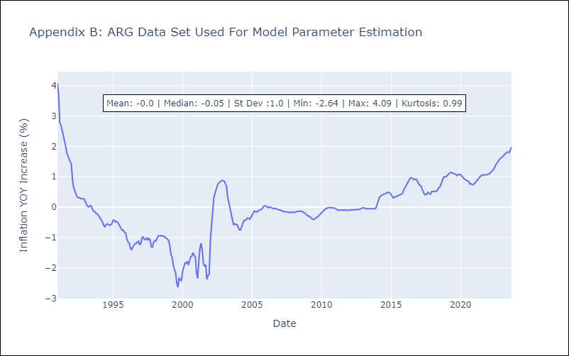

Appendix C: Residuals Analysis
Mean | 0.01
White Noise? | No - Correlation at Lags [ 1 2 3 4 5 6 7 8 9 10 11 12]
Normal? | No

BOL
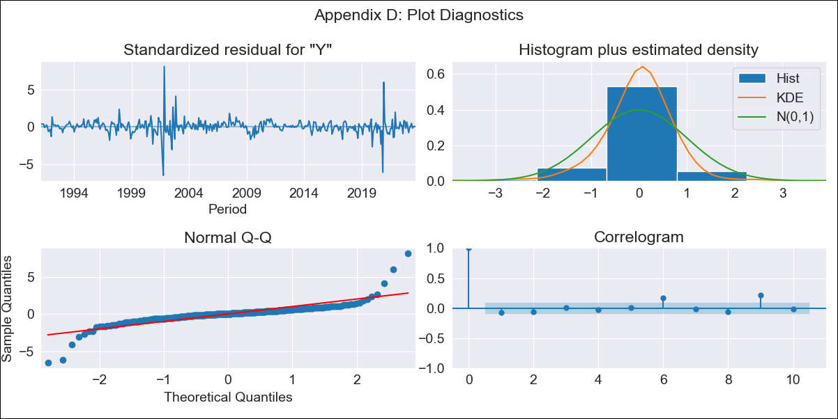
BOL - Inflation - Next 12 months forecast as of: 2023-09-01

Model | ARIMA - [(1, 0, 0), (0, 0, 1, 12)]
Training Data | 1990-01-01 to 2022-10-01
Test Data | 2022-10-01 to 2023-09-01

Date | Inflation Change YoY % | Lower Bound - 95% Confidence Interval | Upper Bound - 95% Confidence Interval
2023-10-01 | 2.65 | 2.37 | 2.93
2023-11-01 | 2.74 | 2.46 | 3.02
2023-12-01 | 2.58 | 2.3 | 2.86
2024-01-01 | 2.63 | 2.35 | 2.91
2024-02-01 | 2.9 | 2.62 | 3.18
2024-03-01 | 2.96 | 2.68 | 3.24
2024-04-01 | 2.97 | 2.69 | 3.25
2024-05-01 | 2.85 | 2.57 | 3.13
2024-06-01 | 2.93 | 2.65 | 3.21
2024-07-01 | 2.95 | 2.67 | 3.23
2024-08-01 | 2.96 | 2.68 | 3.23
2024-09-01 | 2.97 | 2.69 | 3.25

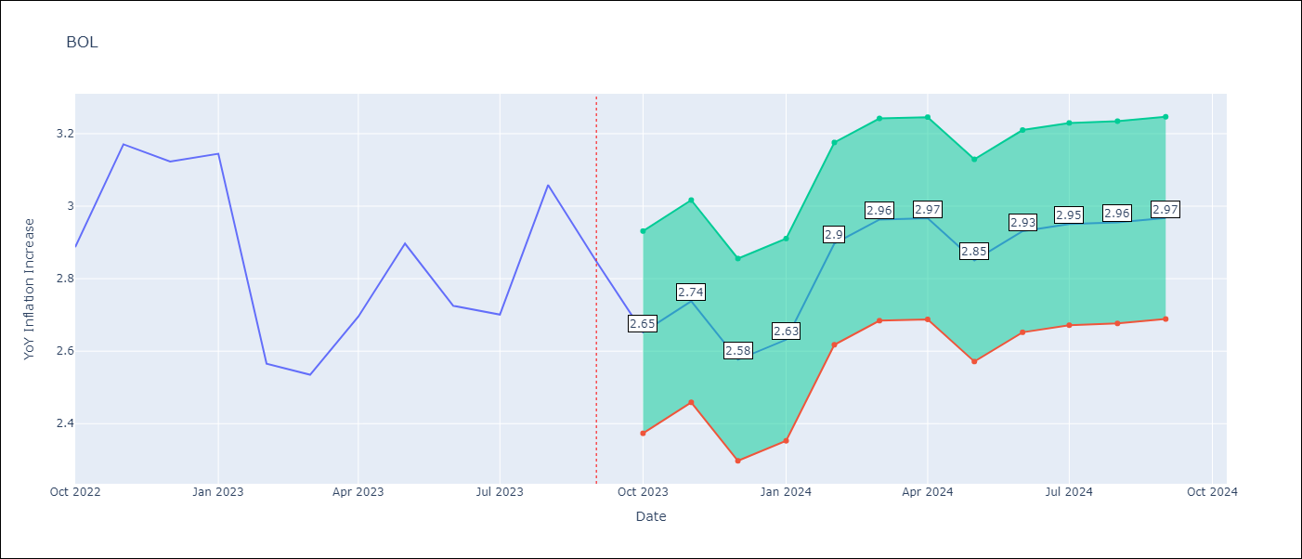

Test Metrics
RMSE | 0.49
Naive RMSE | 0.25
MAPE | 14.36%

Test Predictions
Date | Predicted | Actual
2022-10-01 | 2.31 | 2.89
2022-11-01 | 2.74 | 3.17
2022-12-01 | 2.2 | 3.12
2023-01-01 | 2.3 | 3.14
2023-02-01 | 2.38 | 2.57
2023-03-01 | 2.45 | 2.53
2023-04-01 | 2.56 | 2.7
2023-05-01 | 2.41 | 2.9
2023-06-01 | 2.4 | 2.73
2023-07-01 | 2.37 | 2.7
2023-08-01 | 2.67 | 3.06
2023-09-01 | 2.46 | 2.85

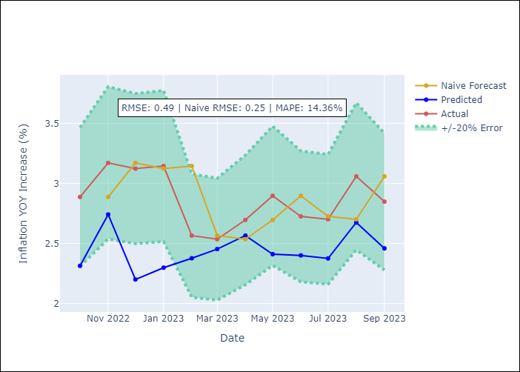

Appendix A: Model Summary
Model | ARIMA(1, 0, 0)x(0, 0, [1], 12)
Sample | 01-01-1990- 09-01-2023
No. of Observations | 405
Terms | P-value (Statistical significance)
const | 0.443
ar.L1 | 0.000
ma.S.L12 | 0.000
sigma2 | 0.000

Assumptions | P-value | Interpretation
Ljung-Box (L1) | 0.11
Heteroskedasticity | 0.05
Jarque-Bera | 0.00
Skew | 0.46
Kurtosis | 25.16

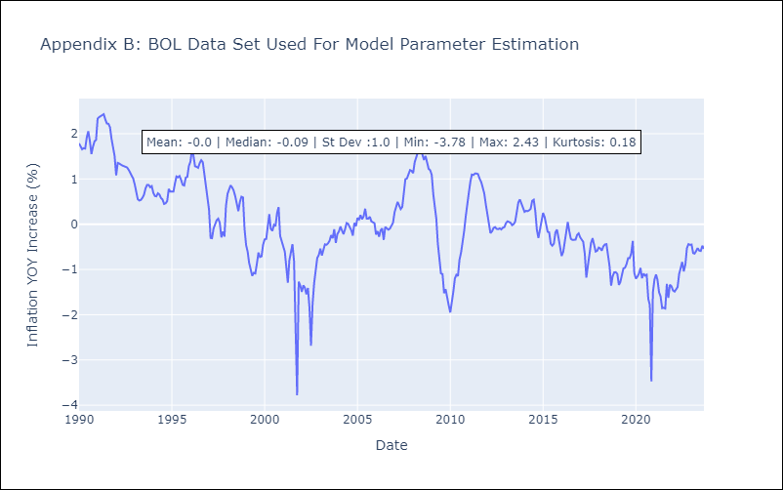

Appendix C: Residuals Analysis
Mean | 0.01
White Noise? | No - Correlation at Lags [ 6 9 10 11 12]
Normal? | No

BRA
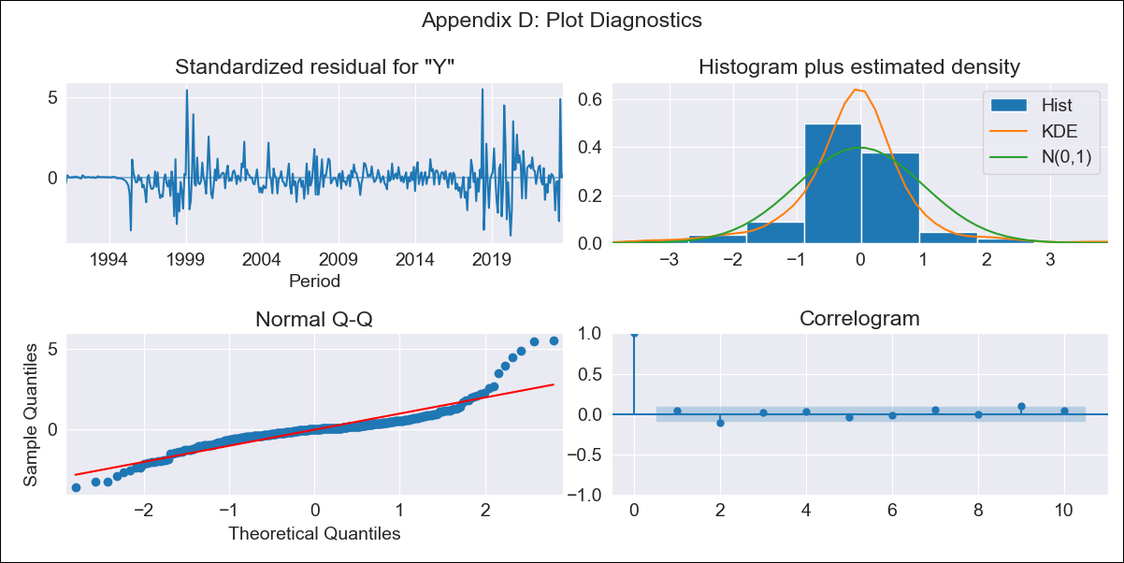
BRA - Inflation - Next 12 months forecast as of: 2023-09-01

Model | ARIMA - [(1, 1, 0), (0, 0, 1, 12)]
Training Data | 1990-01-01 to 2022-10-01
Test Data | 2022-10-01 to 2023-09-01

Date | Inflation Change YoY % | Lower Bound - 95% Confidence Interval | Upper Bound - 95% Confidence Interval
2023-10-01 | 5.52 | 4.39 | 6.65
2023-11-01 | 5.77 | 4.64 | 6.9
2023-12-01 | 5.86 | 4.73 | 6.99
2024-01-01 | 5.89 | 4.76 | 7.02
2024-02-01 | 5.93 | 4.8 | 7.06
2024-03-01 | 6.34 | 5.21 | 7.47
2024-04-01 | 6.64 | 5.51 | 7.77
2024-05-01 | 6.85 | 5.72 | 7.98
2024-06-01 | 7.65 | 6.52 | 8.78
2024-07-01 | 6.88 | 5.75 | 8.01
2024-08-01 | 6.51 | 5.37 | 7.64
2024-09-01 | 6.29 | 5.16 | 7.42

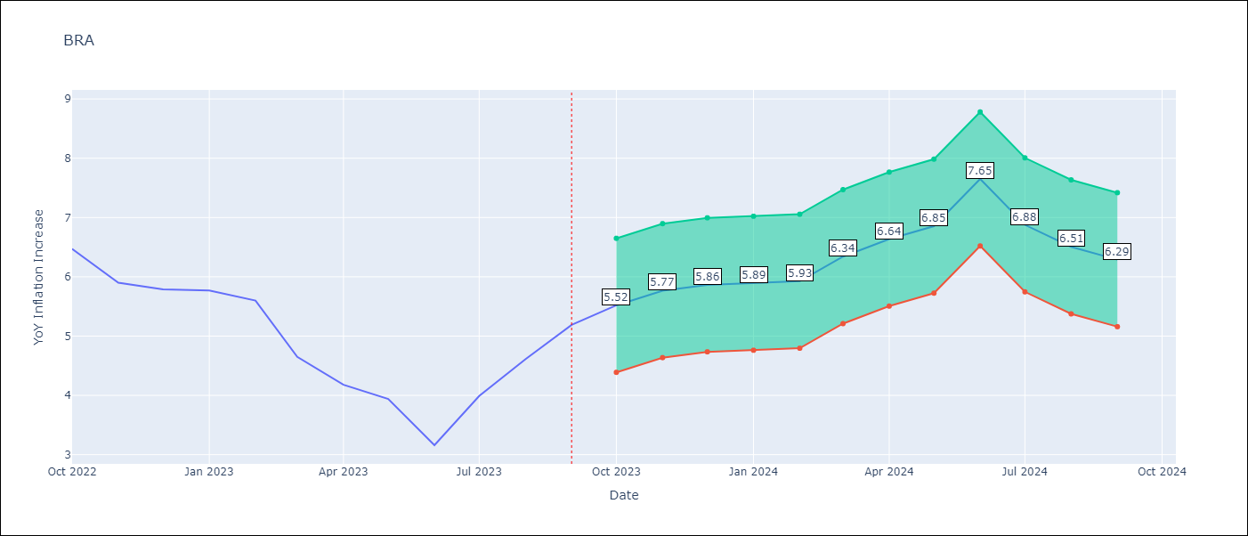

Test Metrics
RMSE | 0.94
Naive RMSE | 0.57
MAPE | 17.49%

Test Predictions
Date | Predicted | Actual
2022-10-01 | 6.39 | 6.47
2022-11-01 | 5.95 | 5.9
2022-12-01 | 5.8 | 5.79
2023-01-01 | 5.69 | 5.77
2023-02-01 | 5.53 | 5.6
2023-03-01 | 5.33 | 4.65
2023-04-01 | 5.25 | 4.18
2023-05-01 | 5.27 | 3.94
2023-06-01 | 5.2 | 3.16
2023-07-01 | 5.37 | 3.99
2023-08-01 | 5.54 | 4.61
2023-09-01 | 5.79 | 5.19

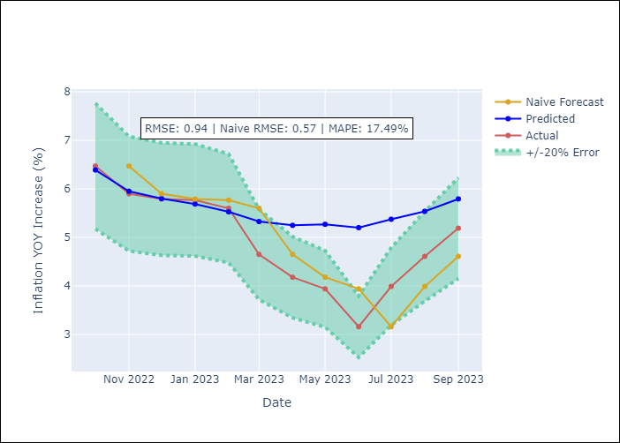

Appendix A: Model Summary
Model | ARIMA(1, 1, 0)x(0, 0, [1], 12)
Sample | 01-01-1990- 09-01-2023
No. of Observations | 405
Terms | P-value (Statistical significance)
ar.L1 | 0.000
ma.S.L12 | 0.000
sigma2 | 0.000

Assumptions | P-value | Interpretation
Ljung-Box (L1) | 0.35
Heteroskedasticity | 0.00
Jarque-Bera | 0.00
Skew | 1.20
Kurtosis | 11.08

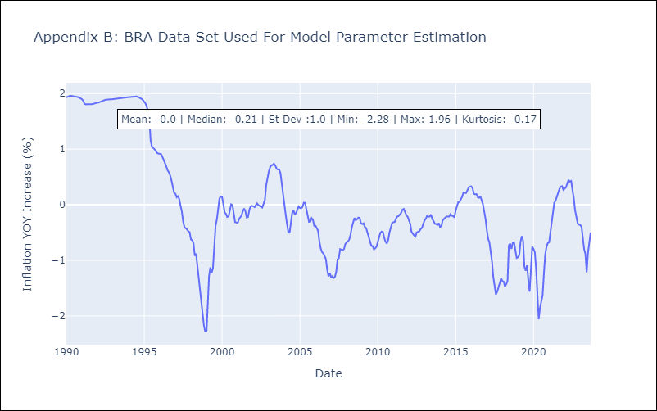

Appendix C: Residuals Analysis
Mean | -0.0
White Noise? | No - Correlation at Lags [1]
Normal? | No

CHL
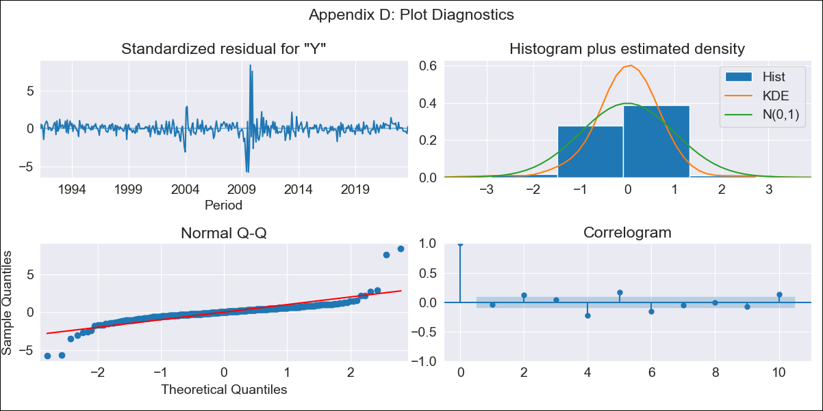
CHL - Inflation - Next 12 months forecast as of: 2023-09-01

Model | ARIMA - [(2, 0, 1), (0, 0, 1, 12)]
Training Data | 1990-01-01 to 2022-10-01
Test Data | 2022-10-01 to 2023-09-01

Date | Inflation Change YoY % | Lower Bound - 95% Confidence Interval | Upper Bound - 95% Confidence Interval
2023-10-01 | 4.89 | 4.51 | 5.27
2023-11-01 | 4.59 | 4.21 | 4.97
2023-12-01 | 4.44 | 4.06 | 4.82
2024-01-01 | 4.33 | 3.95 | 4.71
2024-02-01 | 4.24 | 3.86 | 4.62
2024-03-01 | 4.18 | 3.8 | 4.56
2024-04-01 | 4.19 | 3.81 | 4.57
2024-05-01 | 4.22 | 3.84 | 4.6
2024-06-01 | 4.27 | 3.89 | 4.65
2024-07-01 | 4.34 | 3.96 | 4.72
2024-08-01 | 4.45 | 4.07 | 4.83
2024-09-01 | 4.42 | 4.04 | 4.8

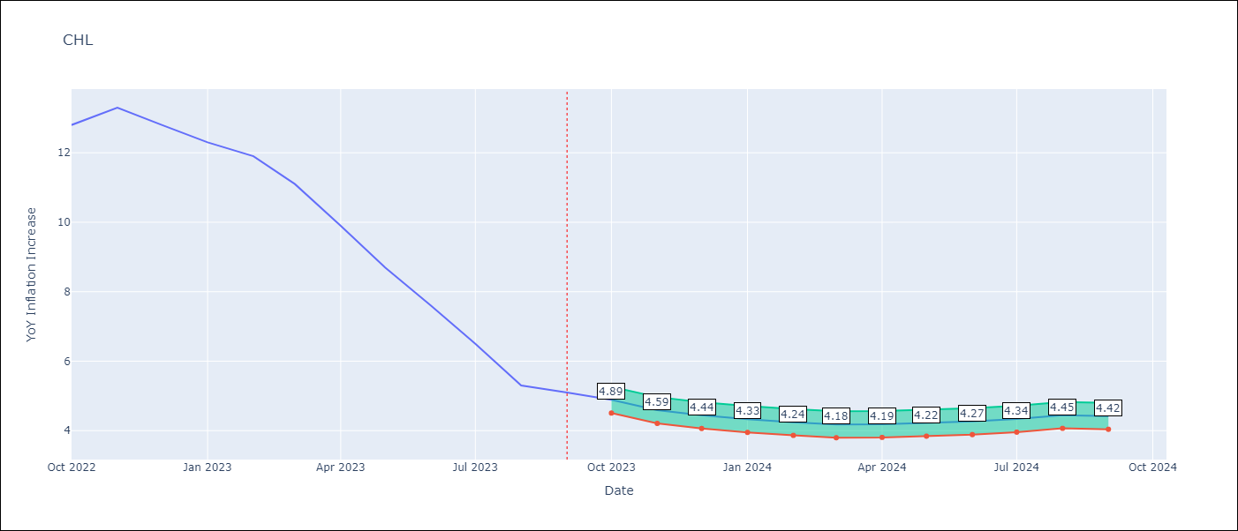

Test Metrics
RMSE | 1.06
Naive RMSE | 0.87
MAPE | 11.26%

Test Predictions
Date | Predicted | Actual
2022-10-01 | 13.11 | 12.8
2022-11-01 | 12.45 | 13.3
2022-12-01 | 11.74 | 12.8
2023-01-01 | 11.04 | 12.3
2023-02-01 | 10.49 | 11.9
2023-03-01 | 9.62 | 11.1
2023-04-01 | 8.91 | 9.9
2023-05-01 | 8.29 | 8.7
2023-06-01 | 7.72 | 7.6
2023-07-01 | 7.24 | 6.5
2023-08-01 | 6.76 | 5.3
2023-09-01 | 6.48 | 5.1

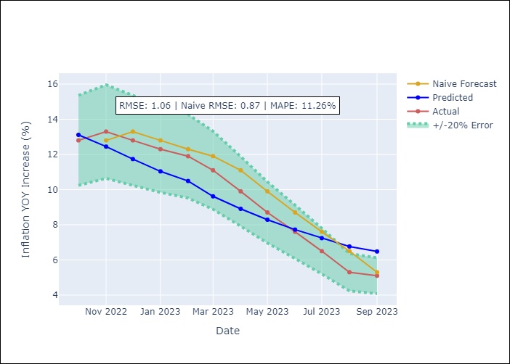

Appendix A: Model Summary
Model | ARIMA(2, 0, 1)x(0, 0, 1, 12)
Sample | 01-01-1990- 09-01-2023
No. of Observations | 405
Terms | P-value (Statistical significance)
const | 0.514
ar.L1 | 0.000
ar.L2 | 0.000
ma.L1 | 0.000
ma.S.L12 | 0.000
sigma2 | 0.000

Assumptions | P-value | Interpretation
Ljung-Box (L1) | 0.37
Heteroskedasticity | 0.38
Jarque-Bera | 0.00
Skew | 1.43
Kurtosis | 28.07

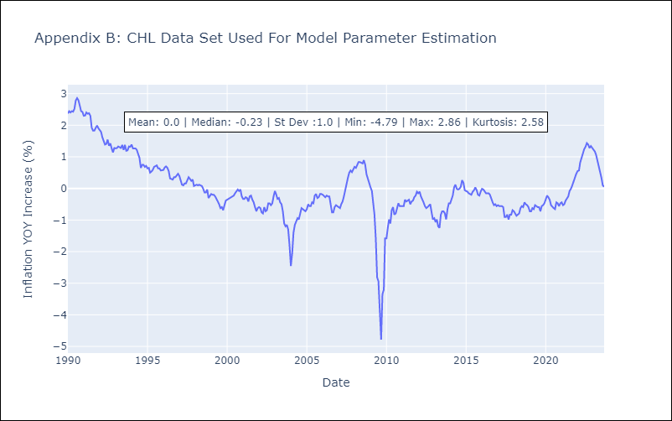

Appendix C: Residuals Analysis
Mean | 0.0
White Noise? | No - Correlation at Lags [ 1 2 3 4 5 6 7 8 9 10 11 12]
Normal? | No

COL
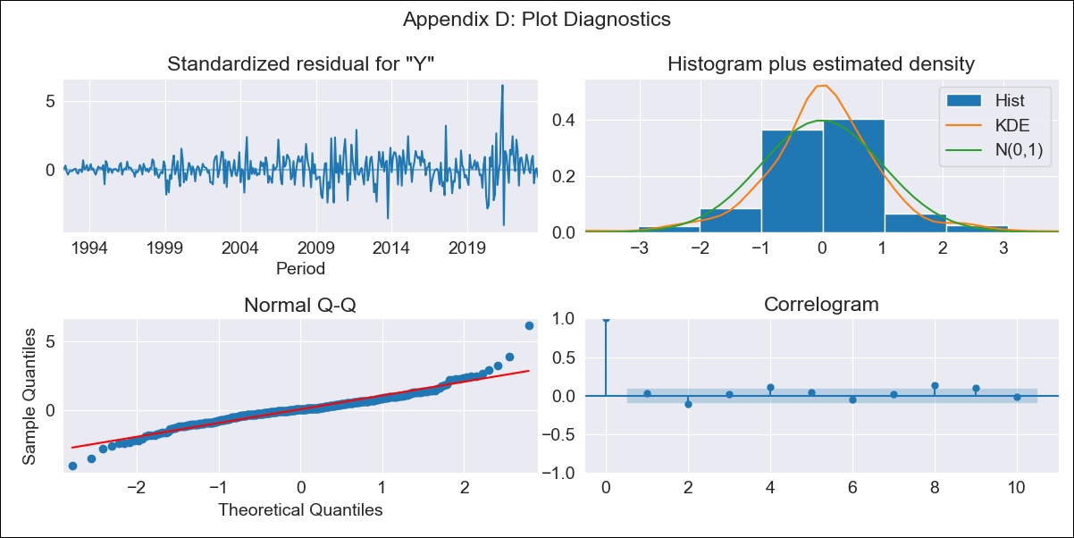
COL - Inflation - Next 12 months forecast as of: 2023-09-01

Model | ARIMA - [(1, 2, 1), (2, 0, 1, 12)]
Training Data | 1990-01-01 to 2022-10-01
Test Data | 2022-10-01 to 2023-09-01

Date | Inflation Change YoY % | Lower Bound - 95% Confidence Interval | Upper Bound - 95% Confidence Interval
2023-10-01 | 10.94 | 10.28 | 11.61
2023-11-01 | 10.79 | 10.12 | 11.46
2023-12-01 | 10.54 | 9.87 | 11.2
2024-01-01 | 10.11 | 9.44 | 10.77
2024-02-01 | 9.97 | 9.3 | 10.63
2024-03-01 | 10.07 | 9.41 | 10.74
2024-04-01 | 10.03 | 9.36 | 10.69
2024-05-01 | 9.97 | 9.3 | 10.63
2024-06-01 | 10.17 | 9.5 | 10.83
2024-07-01 | 10.37 | 9.7 | 11.03
2024-08-01 | 10.51 | 9.85 | 11.18
2024-09-01 | 10.81 | 10.14 | 11.48

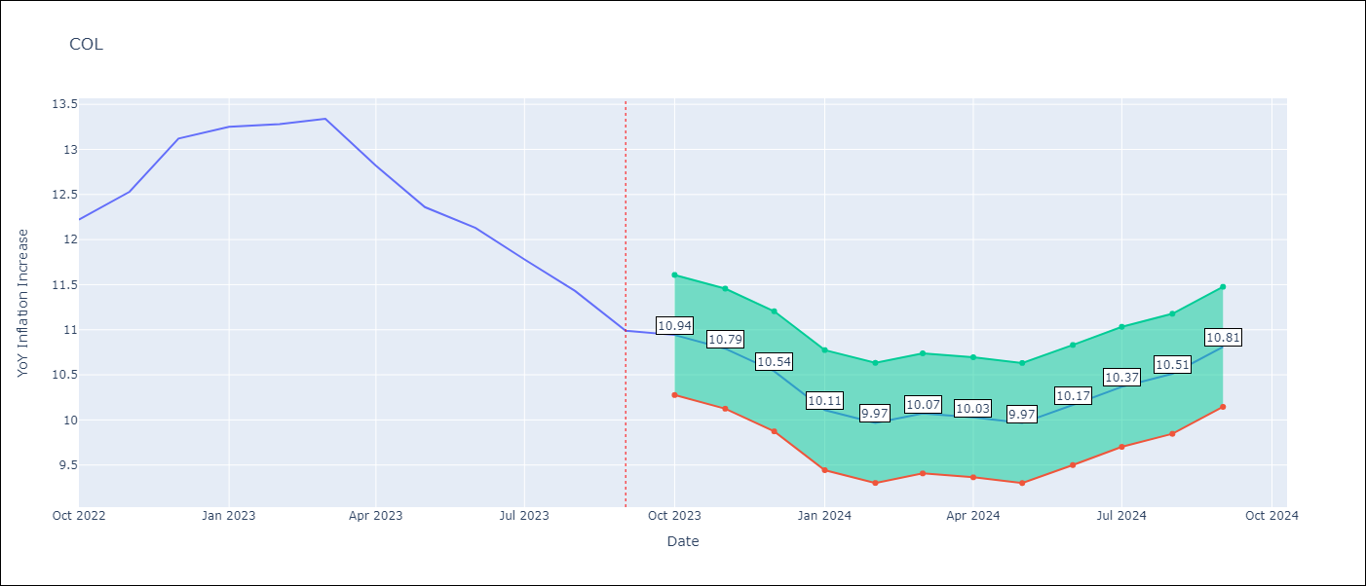

Test Metrics
RMSE | 2.64
Naive RMSE | 0.36
MAPE | 19.03%

Test Predictions
Date | Predicted | Actual
2022-10-01 | 12.55 | 12.22
2022-11-01 | 12.95 | 12.53
2022-12-01 | 12.51 | 13.12
2023-01-01 | 11.64 | 13.25
2023-02-01 | 11.19 | 13.28
2023-03-01 | 11.14 | 13.34
2023-04-01 | 10.01 | 12.82
2023-05-01 | 8.56 | 12.36
2023-06-01 | 8.51 | 12.13
2023-07-01 | 8.26 | 11.78
2023-08-01 | 7.88 | 11.43
2023-09-01 | 7.72 | 10.99

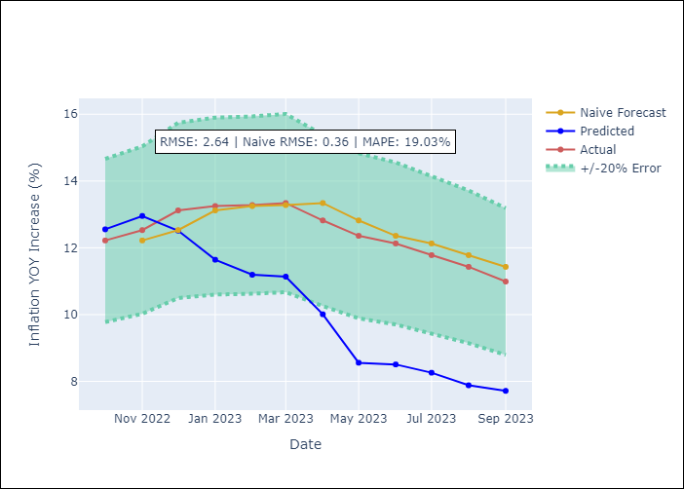

Appendix A: Model Summary
Model | ARIMA(1, 2, 1)x(2, 0, 1, 12)
Sample | 01-01-1990- 09-01-2023
No. of Observations | 405
Terms | P-value (Statistical significance)
ar.L1 | 0.000
ma.L1 | 0.000
ar.S.L12 | 0.661
ar.S.L24 | 0.125
ma.S.L12 | 0.028
sigma2 | 0.000

Assumptions | P-value | Interpretation
Ljung-Box (L1) | 0.54
Heteroskedasticity | 0.00
Jarque-Bera | 0.00
Skew | 0.46
Kurtosis | 8.04

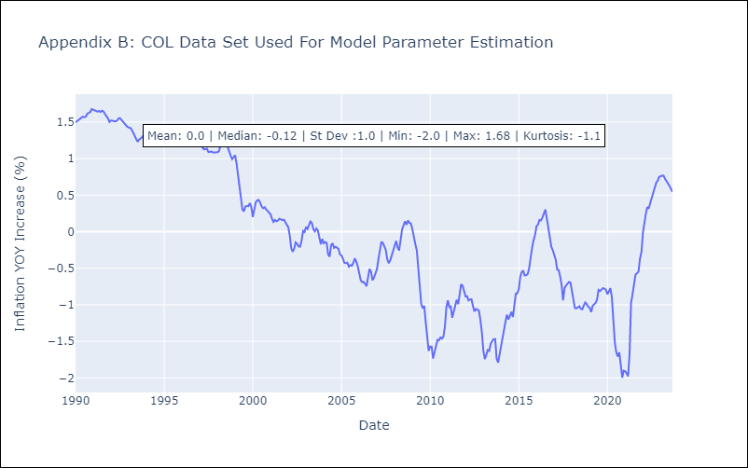

Appendix C: Residuals Analysis
Mean | 0.0
White Noise? | No - Correlation at Lags [ 1 2 3 4 5 6 7 8 9 10 11 12]
Normal? | No

ECU
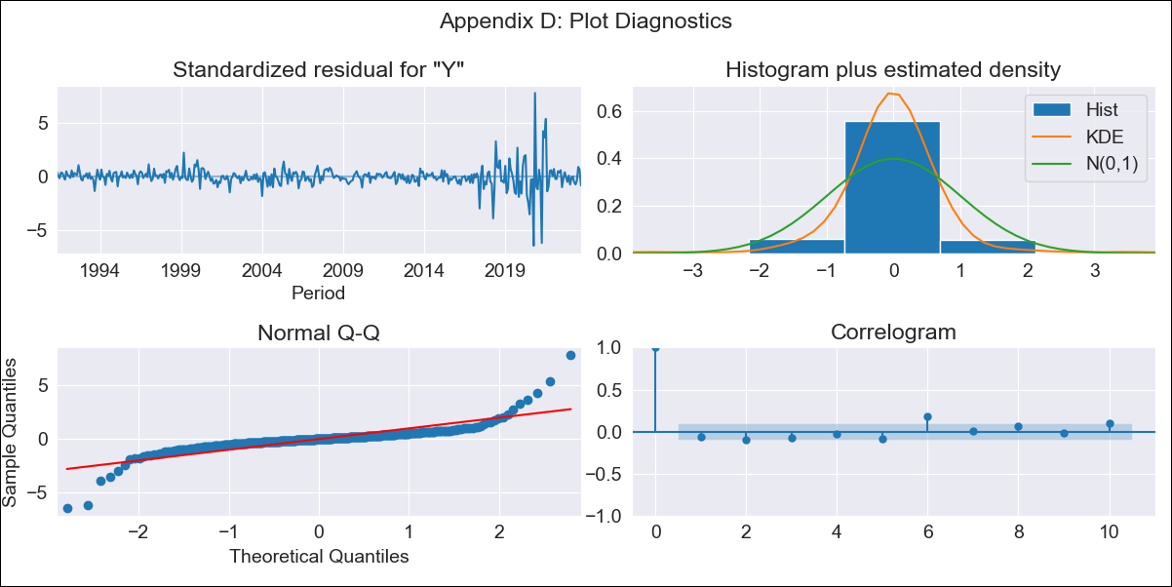
ECU - Inflation - Next 12 months forecast as of: 2023-09-01

Model | ARIMA - [(1, 0, 3), (0, 0, 1, 12)]
Training Data | 1990-01-01 to 2022-10-01
Test Data | 2022-10-01 to 2023-09-01

Date | Inflation Change YoY % | Lower Bound - 95% Confidence Interval | Upper Bound - 95% Confidence Interval
2023-10-01 | 2.34 | 2.13 | 2.56
2023-11-01 | 2.37 | 2.15 | 2.58
2023-12-01 | 2.32 | 2.1 | 2.54
2024-01-01 | 2.34 | 2.12 | 2.56
2024-02-01 | 2.38 | 2.16 | 2.6
2024-03-01 | 2.42 | 2.21 | 2.64
2024-04-01 | 2.45 | 2.23 | 2.67
2024-05-01 | 2.47 | 2.25 | 2.69
2024-06-01 | 2.5 | 2.28 | 2.72
2024-07-01 | 2.57 | 2.35 | 2.79
2024-08-01 | 2.64 | 2.42 | 2.85
2024-09-01 | 2.66 | 2.44 | 2.88

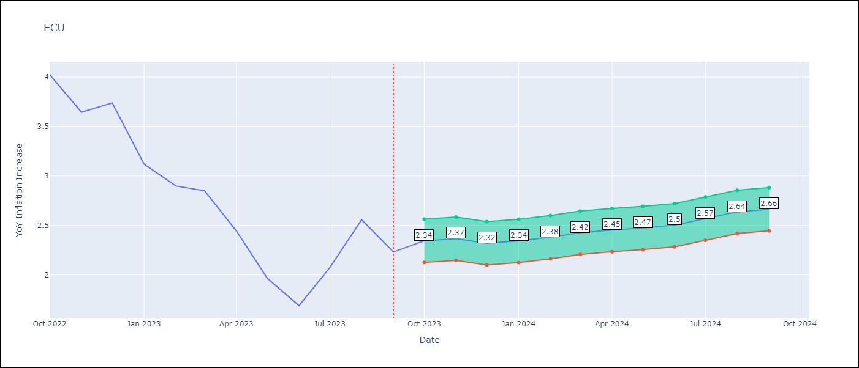

Test Metrics
RMSE | 1.87
Naive RMSE | 0.37
MAPE | 72.48%

Test Predictions
Date | Predicted | Actual
2022-10-01 | 4.12 | 4.02
2022-11-01 | 4.21 | 3.64
2022-12-01 | 4.31 | 3.74
2023-01-01 | 4.37 | 3.12
2023-02-01 | 4.4 | 2.9
2023-03-01 | 4.42 | 2.85
2023-04-01 | 4.47 | 2.44
2023-05-01 | 4.51 | 1.97
2023-06-01 | 4.57 | 1.69
2023-07-01 | 4.56 | 2.07
2023-08-01 | 4.58 | 2.56
2023-09-01 | 4.61 | 2.23

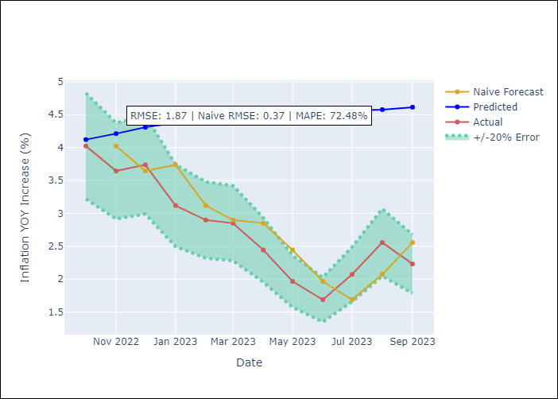

Appendix A: Model Summary
Model | ARIMA(1, 0, 3)x(0, 0, [1], 12)
Sample | 01-01-1990- 09-01-2023
No. of Observations | 405
Terms | P-value (Statistical significance)
const | 0.834
ar.L1 | 0.000
ma.L1 | 0.000
ma.L2 | 0.000
ma.L3 | 0.000
ma.S.L12 | 0.000
sigma2 | 0.000

Assumptions | P-value | Interpretation
Ljung-Box (L1) | 0.23
Heteroskedasticity | 0.00
Jarque-Bera | 0.00
Skew | 0.47
Kurtosis | 23.73

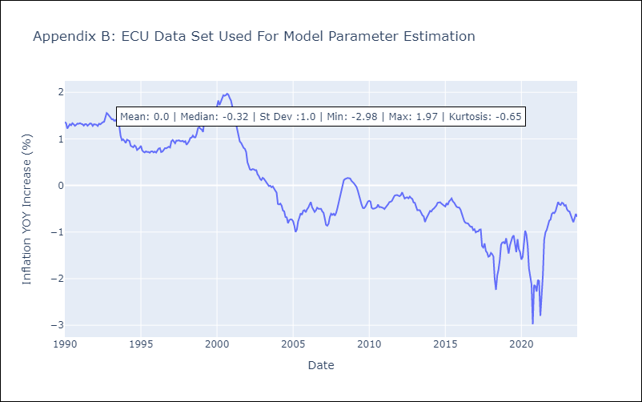

Appendix C: Residuals Analysis
Mean | 0.0
White Noise? | No - Correlation at Lags [ 6 7 8 10 11 12]
Normal? | No

PER
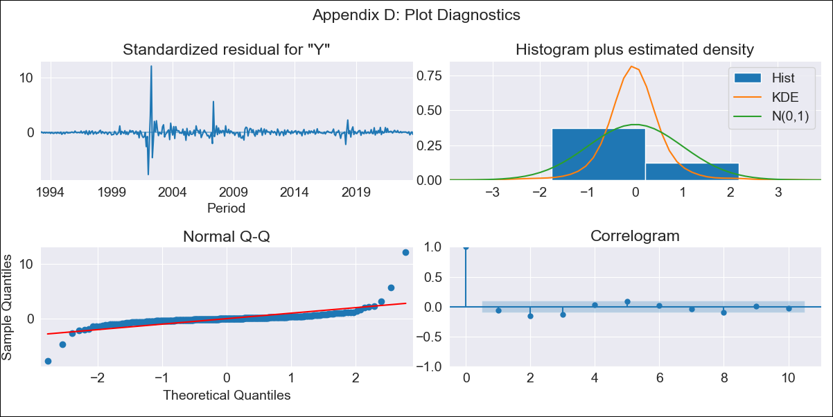
PER - Inflation - Next 12 months forecast as of: 2023-09-01

Model | ARIMA - [(1, 1, 2), (3, 0, 1, 12)]
Training Data | 1990-01-01 to 2022-10-01
Test Data | 2022-10-01 to 2023-09-01

Date | Inflation Change YoY % | Lower Bound - 95% Confidence Interval | Upper Bound - 95% Confidence Interval
2023-10-01 | 4.94 | 4.52 | 5.35
2023-11-01 | 4.86 | 4.45 | 5.28
2023-12-01 | 4.9 | 4.48 | 5.32
2024-01-01 | 4.92 | 4.5 | 5.33
2024-02-01 | 4.92 | 4.5 | 5.33
2024-03-01 | 4.91 | 4.49 | 5.32
2024-04-01 | 4.92 | 4.51 | 5.34
2024-05-01 | 4.93 | 4.52 | 5.35
2024-06-01 | 5.14 | 4.73 | 5.56
2024-07-01 | 5.27 | 4.86 | 5.69
2024-08-01 | 5.39 | 4.97 | 5.8
2024-09-01 | 5.51 | 5.09 | 5.92

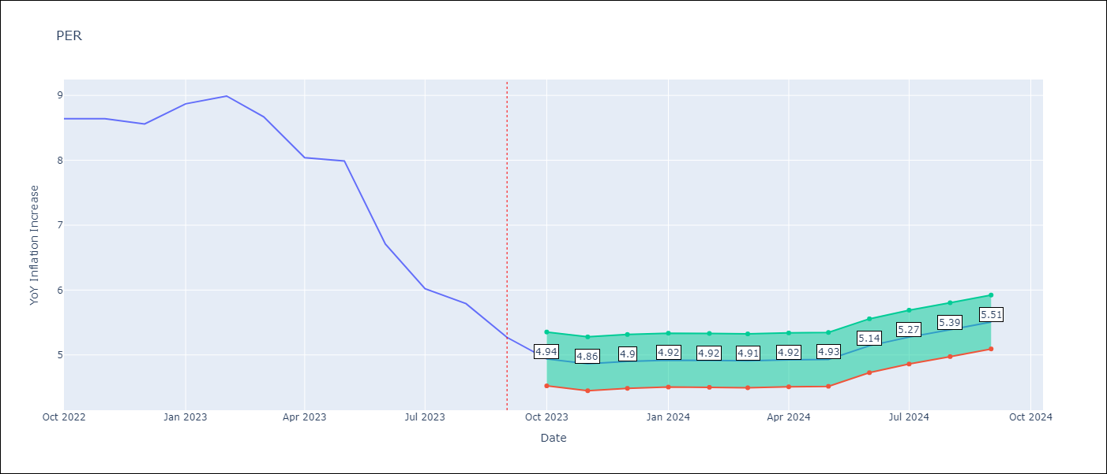

Test Metrics
RMSE | 1.18
Naive RMSE | 0.53
MAPE | 12.99%

Test Predictions
Date | Predicted | Actual
2022-10-01 | 8.9 | 8.64
2022-11-01 | 8.83 | 8.64
2022-12-01 | 8.61 | 8.56
2023-01-01 | 8.64 | 8.87
2023-02-01 | 8.55 | 8.99
2023-03-01 | 8.33 | 8.67
2023-04-01 | 8.2 | 8.04
2023-05-01 | 8.12 | 7.99
2023-06-01 | 7.89 | 6.71
2023-07-01 | 7.92 | 6.02
2023-08-01 | 7.89 | 5.79
2023-09-01 | 7.88 | 5.27

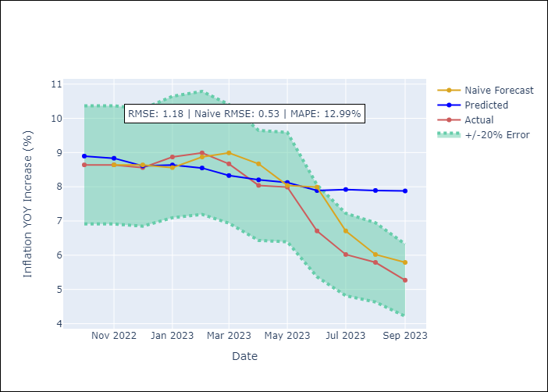

Appendix A: Model Summary
Model | ARIMA(1, 1, 2)x(3, 0, [1], 12)
Sample | 01-01-1990- 09-01-2023
No. of Observations | 405
Terms | P-value (Statistical significance)
ar.L1 | 0.000
ma.L1 | 0.000
ma.L2 | 0.000
ar.S.L12 | 0.942
ar.S.L24 | 0.912
ar.S.L36 | 0.777
ma.S.L12 | 0.987
sigma2 | 0.000

Assumptions | P-value | Interpretation
Ljung-Box (L1) | 0.26
Heteroskedasticity | 0.00
Jarque-Bera | 0.00
Skew | 3.82
Kurtosis | 72.10

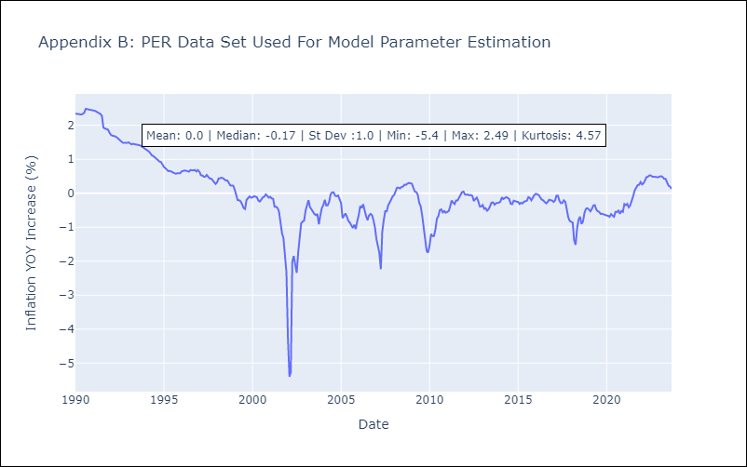

Appendix C: Residuals Analysis
Mean | 0.0
White Noise? | No - Correlation at Lags [2 3 4 5 6]
Normal? | No

PRY
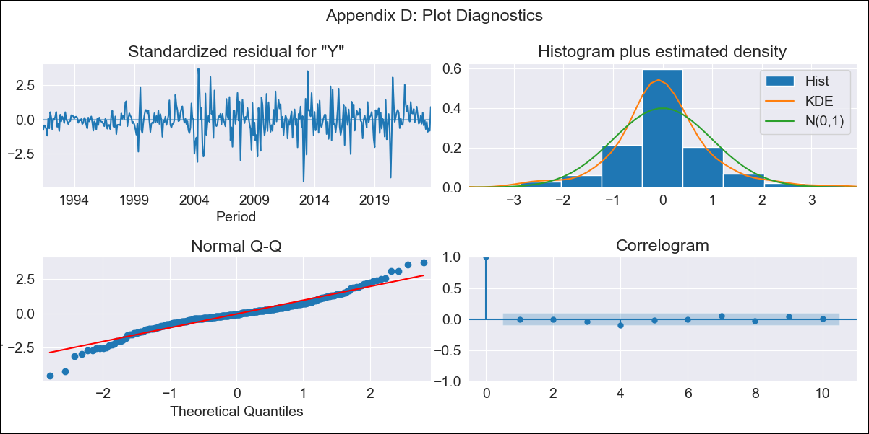
PRY - Inflation - Next 12 months forecast as of: 2023-09-01

Model | ARIMA - [(0, 1, 2), (1, 0, 1, 12)]
Training Data | 1990-01-01 to 2022-10-01
Test Data | 2022-10-01 to 2023-09-01

Date | Inflation Change YoY % | Lower Bound - 95% Confidence Interval | Upper Bound - 95% Confidence Interval
2023-10-01 | 3.71 | 2.43 | 4.98
2023-11-01 | 3.6 | 2.33 | 4.88
2023-12-01 | 3.69 | 2.41 | 4.96
2024-01-01 | 3.58 | 2.31 | 4.86
2024-02-01 | 3.74 | 2.47 | 5.02
2024-03-01 | 3.82 | 2.55 | 5.1
2024-04-01 | 4.14 | 2.87 | 5.42
2024-05-01 | 4.25 | 2.97 | 5.52
2024-06-01 | 4.66 | 3.38 | 5.93
2024-07-01 | 5.05 | 3.78 | 6.33
2024-08-01 | 5.53 | 4.25 | 6.8
2024-09-01 | 5.09 | 3.82 | 6.36

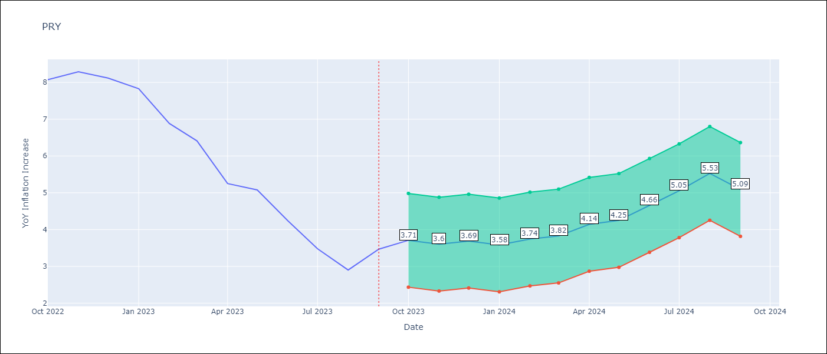

Test Metrics
RMSE | 1.42
Naive RMSE | 0.65
MAPE | 27.46%

Test Predictions
Date | Predicted | Actual
2022-10-01 | 8.35 | 8.07
2022-11-01 | 8.21 | 8.29
2022-12-01 | 8.41 | 8.12
2023-01-01 | 7.52 | 7.83
2023-02-01 | 7.01 | 6.88
2023-03-01 | 6.71 | 6.41
2023-04-01 | 6.19 | 5.25
2023-05-01 | 6.26 | 5.08
2023-06-01 | 6.1 | 4.24
2023-07-01 | 5.73 | 3.48
2023-08-01 | 5.61 | 2.9
2023-09-01 | 5.82 | 3.47

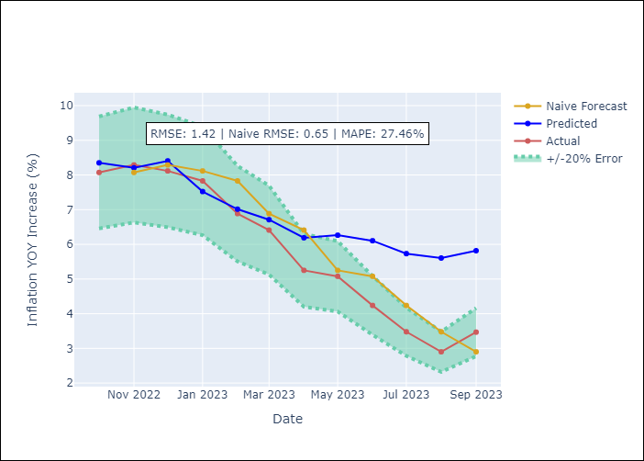

Appendix A: Model Summary
Model | ARIMA(0, 1, 2)x(1, 0, [1], 12)
Sample | 01-01-1990- 09-01-2023
No. of Observations | 405
Terms | P-value (Statistical significance)
ma.L1 | 0.000
ma.L2 | 0.443
ar.S.L12 | 0.139
ma.S.L12 | 0.000
sigma2 | 0.000

Assumptions | P-value | Interpretation
Ljung-Box (L1) | 0.98
Heteroskedasticity | 0.00
Jarque-Bera | 0.00
Skew | -0.18
Kurtosis | 5.95

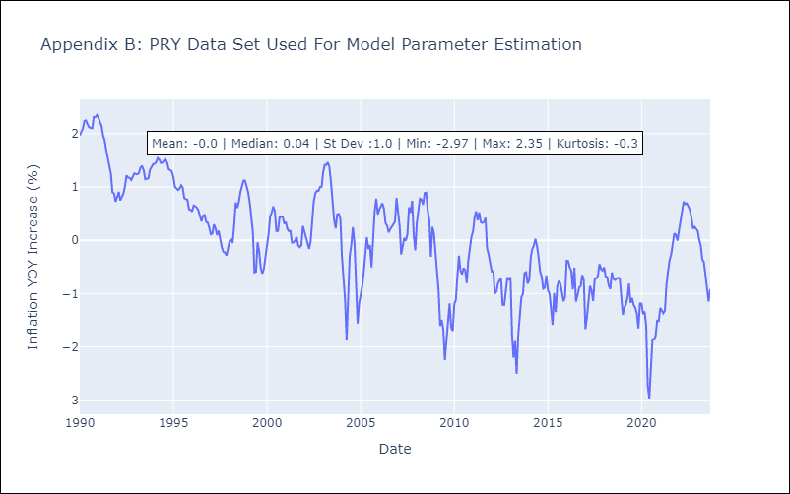

Appendix C: Residuals Analysis
Mean | -0.01
White Noise? | Yes
Normal? | No

URY
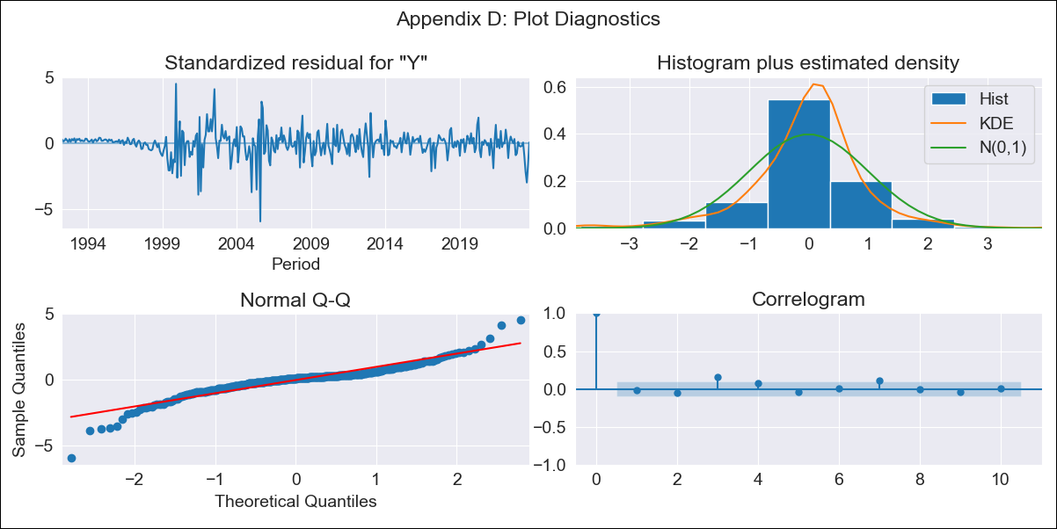
URY - Inflation - Next 12 months forecast as of: 2023-09-01

Model | ARIMA - [(3, 0, 0), (2, 0, 0, 12)]
Training Data | 1990-01-01 to 2022-10-01
Test Data | 2022-10-01 to 2023-09-01

Date | Inflation Change YoY % | Lower Bound - 95% Confidence Interval | Upper Bound - 95% Confidence Interval
2023-10-01 | 3.82 | 2.69 | 4.96
2023-11-01 | 3.86 | 2.73 | 5
2023-12-01 | 3.88 | 2.74 | 5.01
2024-01-01 | 3.93 | 2.79 | 5.06
2024-02-01 | 3.99 | 2.86 | 5.13
2024-03-01 | 4.04 | 2.91 | 5.18
2024-04-01 | 4.05 | 2.91 | 5.18
2024-05-01 | 4.18 | 3.04 | 5.31
2024-06-01 | 4.48 | 3.35 | 5.62
2024-07-01 | 4.93 | 3.79 | 6.06
2024-08-01 | 5.34 | 4.21 | 6.48
2024-09-01 | 5.54 | 4.41 | 6.68

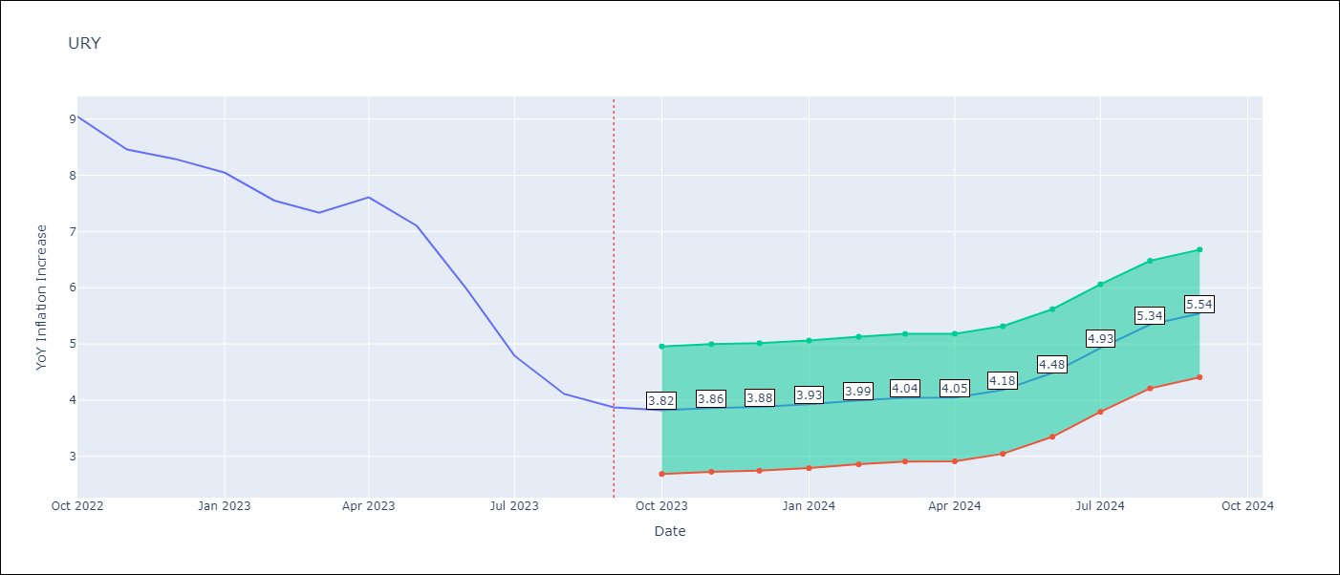

Test Metrics
RMSE | 2.94
Naive RMSE | 0.62
MAPE | 47.29%

Test Predictions
Date | Predicted | Actual
2022-10-01 | 9.73 | 9.05
2022-11-01 | 9.8 | 8.46
2022-12-01 | 9.76 | 8.29
2023-01-01 | 9.71 | 8.05
2023-02-01 | 9.3 | 7.55
2023-03-01 | 9.17 | 7.33
2023-04-01 | 9.5 | 7.61
2023-05-01 | 9.49 | 7.1
2023-06-01 | 9.31 | 5.98
2023-07-01 | 9.17 | 4.79
2023-08-01 | 9.08 | 4.11
2023-09-01 | 8.94 | 3.87

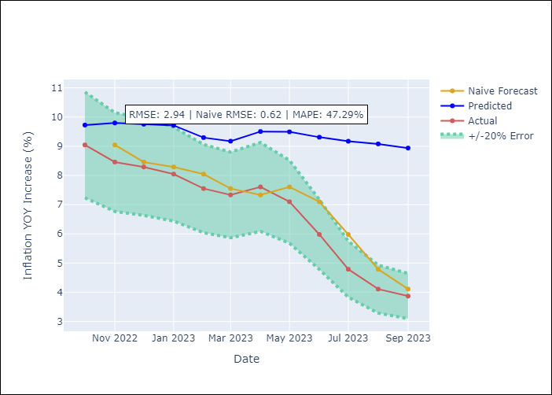

Appendix A: Model Summary
Model | ARIMA(3, 0, 0)x(2, 0, 0, 12)
Sample | 01-01-1990- 09-01-2023
No. of Observations | 405
Terms | P-value (Statistical significance)
const | 0.404
ar.L1 | 0.000
ar.L2 | 0.197
ar.L3 | 0.000
ar.S.L12 | 0.000
ar.S.L24 | 0.000
sigma2 | 0.000

Assumptions | P-value | Interpretation
Ljung-Box (L1) | 0.72
Heteroskedasticity | 0.00
Jarque-Bera | 0.00
Skew | -0.68
Kurtosis | 9.15

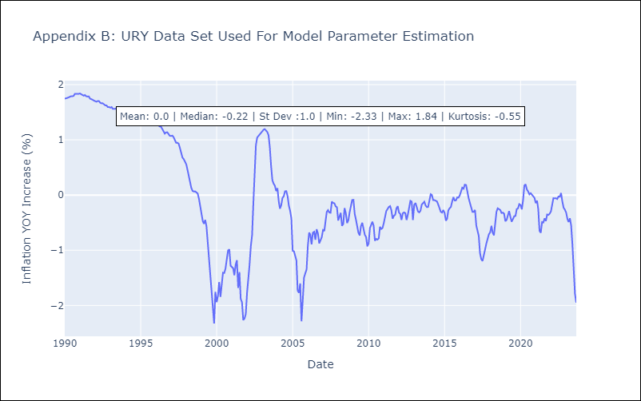

Appendix C: Residuals Analysis
Mean | 0.0
White Noise? | No - Correlation at Lags [ 2 3 4 12]
Normal? | No

VEN
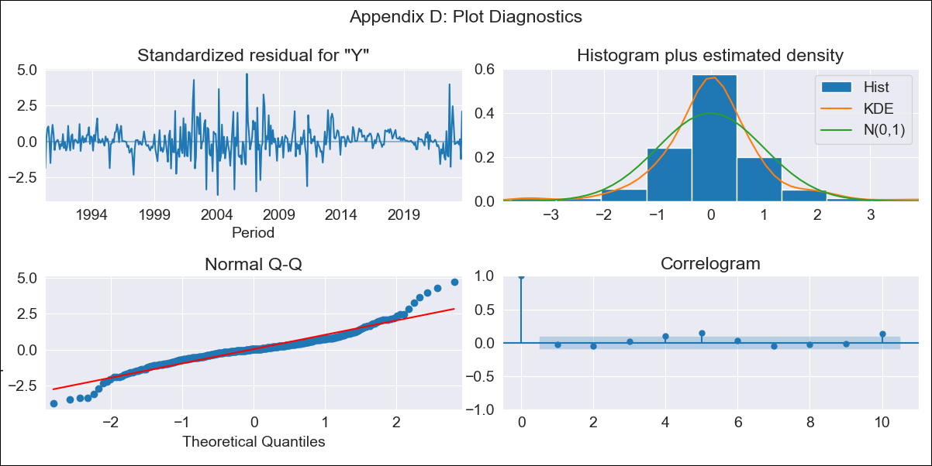
VEN - Inflation - Next 12 months forecast as of: 2023-09-01

Model | ARIMA - [(3, 0, 0), (0, 0, 0, 12)]
Training Data | 1990-01-01 to 2022-10-01
Test Data | 2022-10-01 to 2023-09-01

Date | Inflation Change YoY % | Lower Bound - 95% Confidence Interval | Upper Bound - 95% Confidence Interval
2023-10-01 | 448.63 | 396.81 | 500.46
2023-11-01 | 473.58 | 421.76 | 525.41
2023-12-01 | 480.14 | 428.32 | 531.97
2024-01-01 | 477 | 425.18 | 528.83
2024-02-01 | 469.25 | 417.42 | 521.07
2024-03-01 | 459.5 | 407.68 | 511.33
2024-04-01 | 449.06 | 397.23 | 500.89
2024-05-01 | 438.52 | 386.7 | 490.35
2024-06-01 | 428.17 | 376.34 | 480
2024-07-01 | 418.12 | 366.3 | 469.95
2024-08-01 | 408.42 | 356.6 | 460.25
2024-09-01 | 399.08 | 347.25 | 450.91

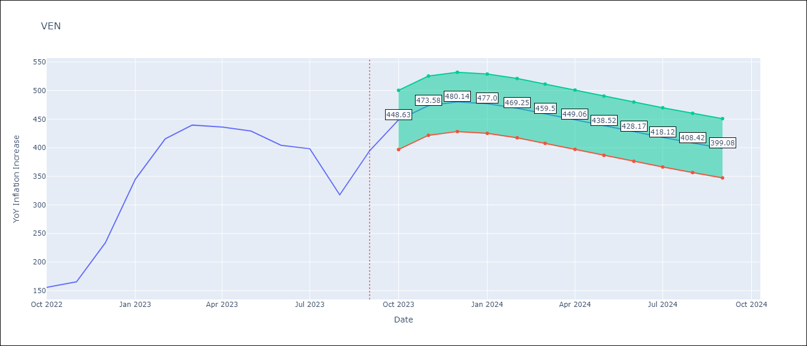

Test Metrics
RMSE | 159.95
Naive RMSE | 57.04
MAPE | 38.4%

Test Predictions
Date | Predicted | Actual
2022-10-01 | 195 | 155.8
2022-11-01 | 216.62 | 165.6
2022-12-01 | 226.05 | 234.08
2023-01-01 | 228.58 | 344.91
2023-02-01 | 227.71 | 415.57
2023-03-01 | 225.28 | 439.61
2023-04-01 | 222.19 | 436.34
2023-05-01 | 218.85 | 429.21
2023-06-01 | 215.46 | 404.37
2023-07-01 | 212.09 | 398.19
2023-08-01 | 208.8 | 317.63
2023-09-01 | 205.59 | 394.76

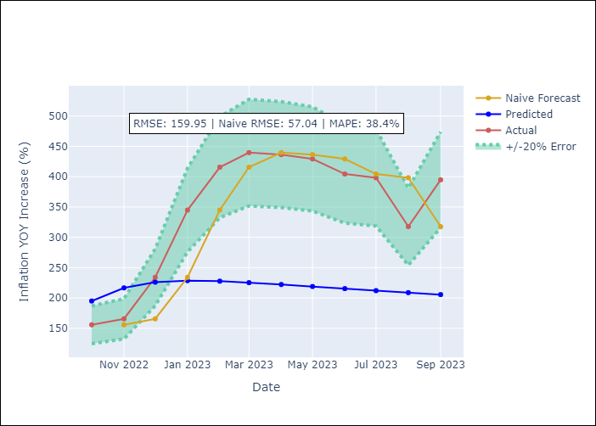

Appendix A: Model Summary
Model | ARIMA(3, 0, 0)
Sample | 01-01-1990- 09-01-2023
No. of Observations | 405
Terms | P-value (Statistical significance)
const | 1.000
ar.L1 | 0.000
ar.L2 | 0.000
ar.L3 | 0.466
sigma2 | 0.000

Assumptions | P-value | Interpretation
Ljung-Box (L1) | 0.62
Heteroskedasticity | 0.80
Jarque-Bera | 0.00
Skew | 0.37
Kurtosis | 6.99

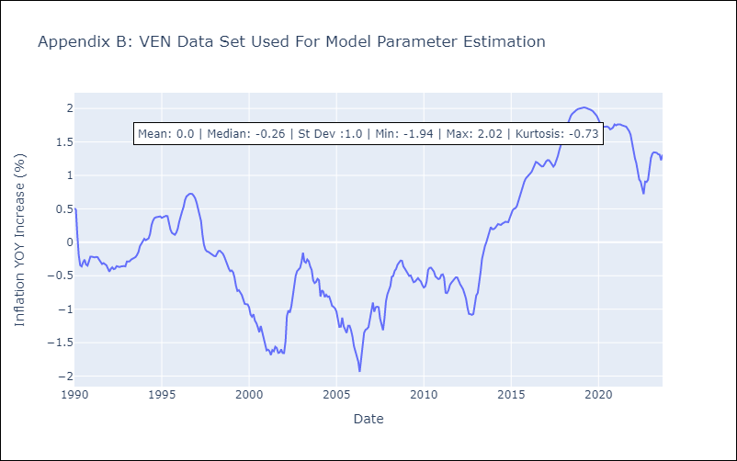

Appendix C: Residuals Analysis
Mean | 0.0
White Noise? | No - Correlation at Lags [ 5 6 10 11 12]
Normal? | No

