ARG
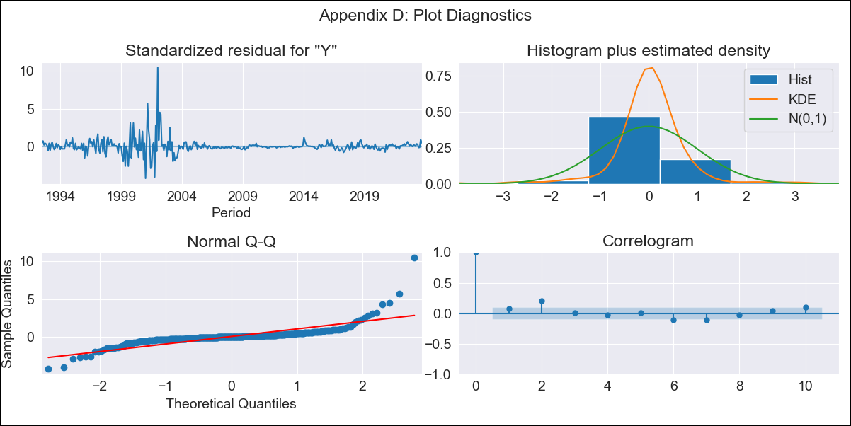
ARG - Inflation - Next 12 months forecast as of: 2023-09-01

Model | ARIMA - [(0, 2, 2), (1, 0, 1, 12)]
Training Data | 1991-01-01 to 2022-10-01
Test Data | 2022-10-01 to 2023-09-01

Date | Inflation Change YoY % | Lower Bound - 95% Confidence Interval | Upper Bound - 95% Confidence Interval
2023-10-01 | 2.01 | 1.81 | 2.21
2023-11-01 | 2.03 | 1.68 | 2.37
2023-12-01 | 2.04 | 1.59 | 2.49
2024-01-01 | 2.06 | 1.52 | 2.59
2024-02-01 | 2.07 | 1.45 | 2.68
2024-03-01 | 2.08 | 1.39 | 2.77
2024-04-01 | 2.09 | 1.33 | 2.84
2024-05-01 | 2.09 | 1.27 | 2.91
2024-06-01 | 2.11 | 1.23 | 2.99
2024-07-01 | 2.13 | 1.19 | 3.07
2024-08-01 | 2.12 | 1.12 | 3.11
2024-09-01 | 2.11 | 1.06 | 3.16

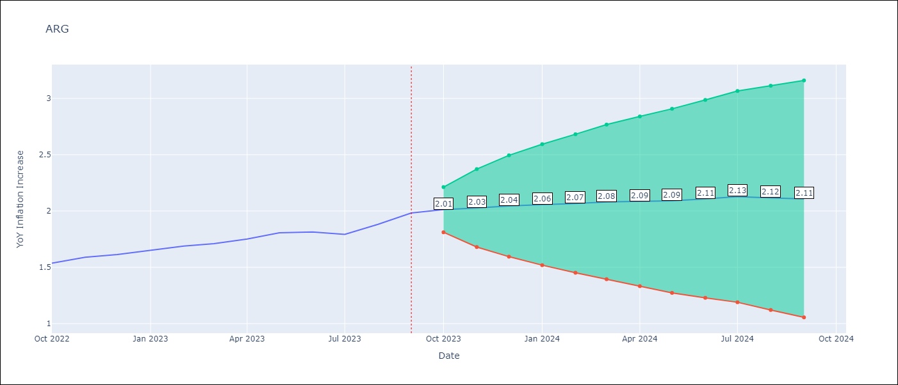

Test Metrics
RMSE | 0.22
Naive RMSE | 0.05
MAPE | 10.61%

Test Predictions
Date | Predicted | Actual
2022-10-01 | 1.5 | 1.54
2022-11-01 | 1.53 | 1.59
2022-12-01 | 1.54 | 1.61
2023-01-01 | 1.55 | 1.65
2023-02-01 | 1.56 | 1.69
2023-03-01 | 1.56 | 1.71
2023-04-01 | 1.55 | 1.75
2023-05-01 | 1.56 | 1.81
2023-06-01 | 1.56 | 1.81
2023-07-01 | 1.54 | 1.79
2023-08-01 | 1.54 | 1.88
2023-09-01 | 1.54 | 1.98

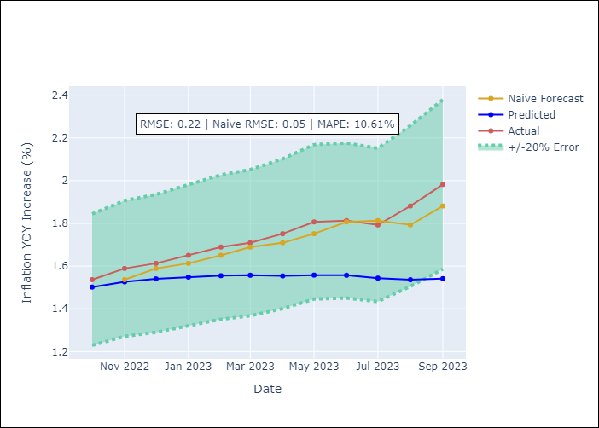

Appendix A: Model Summary
Model | ARIMA(0, 2, 2)x(1, 0, [1], 12)
Sample | 01-01-1991- 09-01-2023
No. of Observations | 393
Terms | P-value (Statistical significance)
ma.L1 | 0.000
ma.L2 | 0.000
ar.S.L12 | 0.218
ma.S.L12 | 0.000
sigma2 | 0.000

Assumptions | P-value | Interpretation
Ljung-Box (L1) | 0.16
Heteroskedasticity | 0.00
Jarque-Bera | 0.00
Skew | 3.54
Kurtosis | 39.65

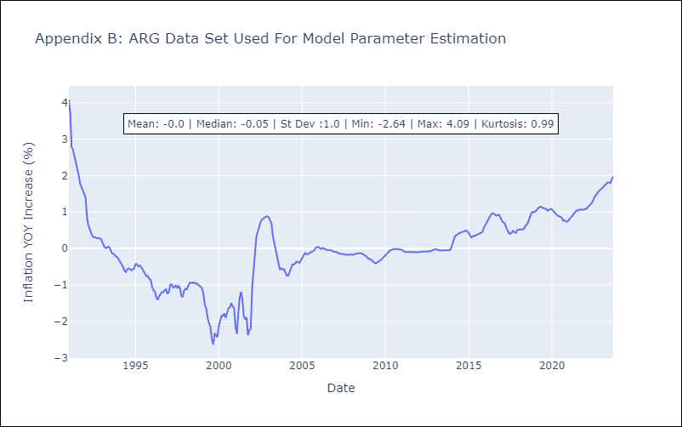

Appendix C: Residuals Analysis
Mean | 0.01
White Noise? | No - Correlation at Lags [ 1 2 3 4 5 6 7 8 9 10 11 12]
Normal? | No

BOL
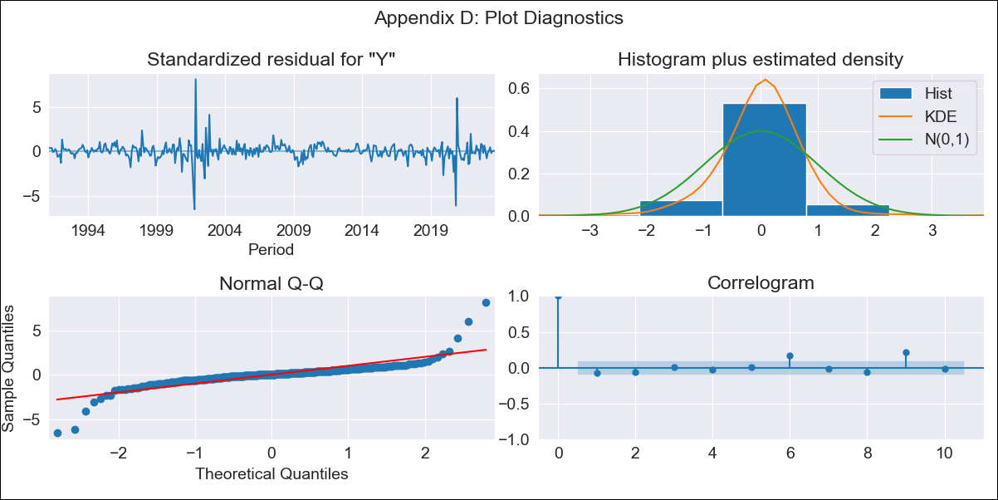
BOL - Inflation - Next 12 months forecast as of: 2023-09-01

Model | ARIMA - [(1, 0, 0), (0, 0, 1, 12)]
Training Data | 1990-01-01 to 2022-10-01
Test Data | 2022-10-01 to 2023-09-01

Date | Inflation Change YoY % | Lower Bound - 95% Confidence Interval | Upper Bound - 95% Confidence Interval
2023-10-01 | -0.61 | -1.13 | -0.08
2023-11-01 | -0.58 | -1.31 | 0.15
2023-12-01 | -0.63 | -1.51 | 0.24
2024-01-01 | -0.62 | -1.62 | 0.38
2024-02-01 | -0.53 | -1.63 | 0.57
2024-03-01 | -0.51 | -1.69 | 0.68
2024-04-01 | -0.5 | -1.77 | 0.76
2024-05-01 | -0.54 | -1.87 | 0.79
2024-06-01 | -0.52 | -1.91 | 0.88
2024-07-01 | -0.51 | -1.96 | 0.94
2024-08-01 | -0.51 | -2 | 0.99
2024-09-01 | -0.5 | -2.04 | 1.04

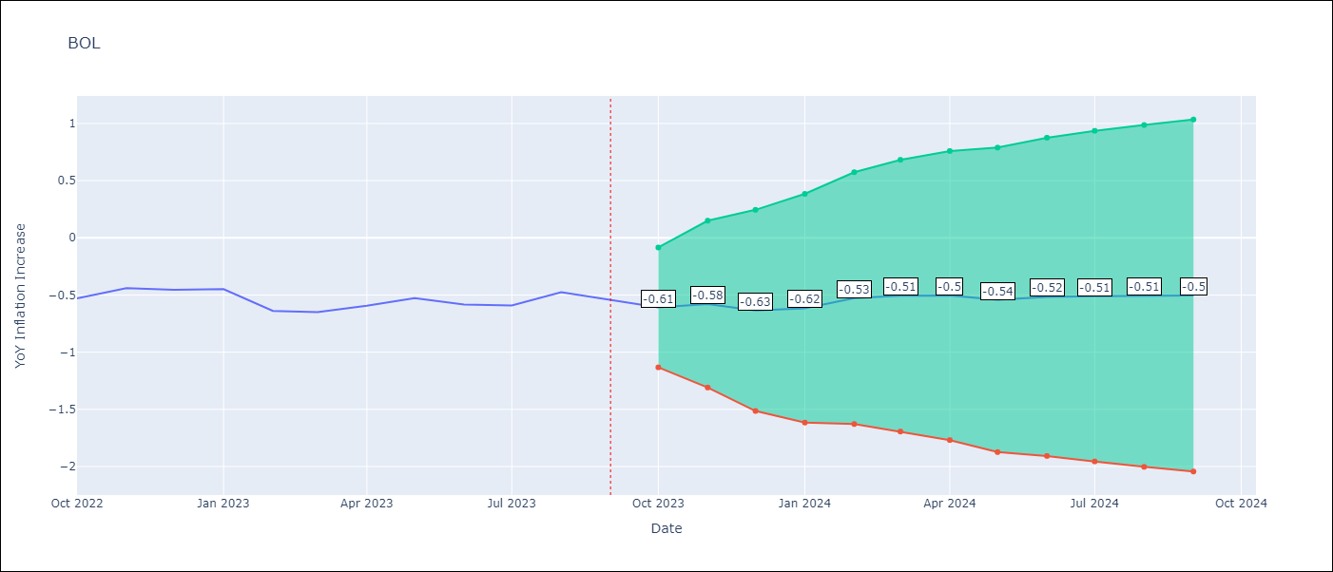

Test Metrics
RMSE | 0.17
Naive RMSE | 0.08
MAPE | 28.79%

Test Predictions
Date | Predicted | Actual
2022-10-01 | -0.73 | -0.53
2022-11-01 | -0.58 | -0.44
2022-12-01 | -0.77 | -0.46
2023-01-01 | -0.73 | -0.45
2023-02-01 | -0.71 | -0.64
2023-03-01 | -0.68 | -0.65
2023-04-01 | -0.64 | -0.59
2023-05-01 | -0.69 | -0.53
2023-06-01 | -0.7 | -0.58
2023-07-01 | -0.71 | -0.59
2023-08-01 | -0.6 | -0.48
2023-09-01 | -0.68 | -0.54

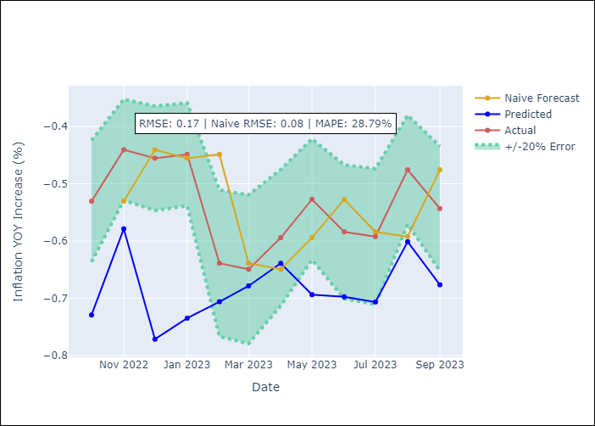

Appendix A: Model Summary
Model | ARIMA(1, 0, 0)x(0, 0, [1], 12)
Sample | 01-01-1990- 09-01-2023
No. of Observations | 405
Terms | P-value (Statistical significance)
const | 0.443
ar.L1 | 0.000
ma.S.L12 | 0.000
sigma2 | 0.000

Assumptions | P-value | Interpretation
Ljung-Box (L1) | 0.11
Heteroskedasticity | 0.05
Jarque-Bera | 0.00
Skew | 0.46
Kurtosis | 25.16

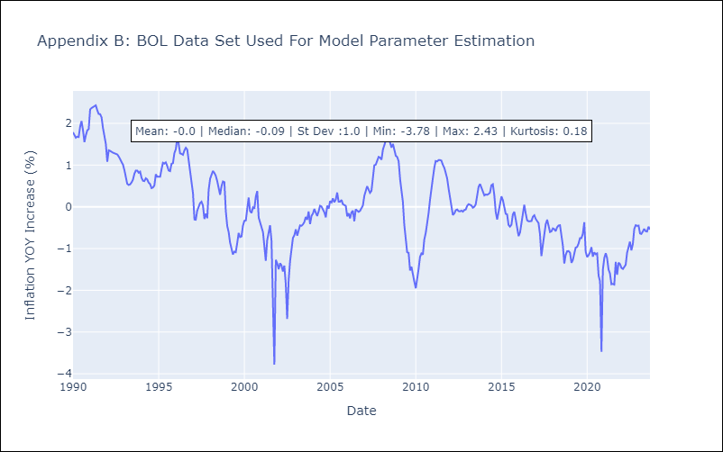

Appendix C: Residuals Analysis
Mean | 0.01
White Noise? | No - Correlation at Lags [ 6 9 10 11 12]
Normal? | No

BRA
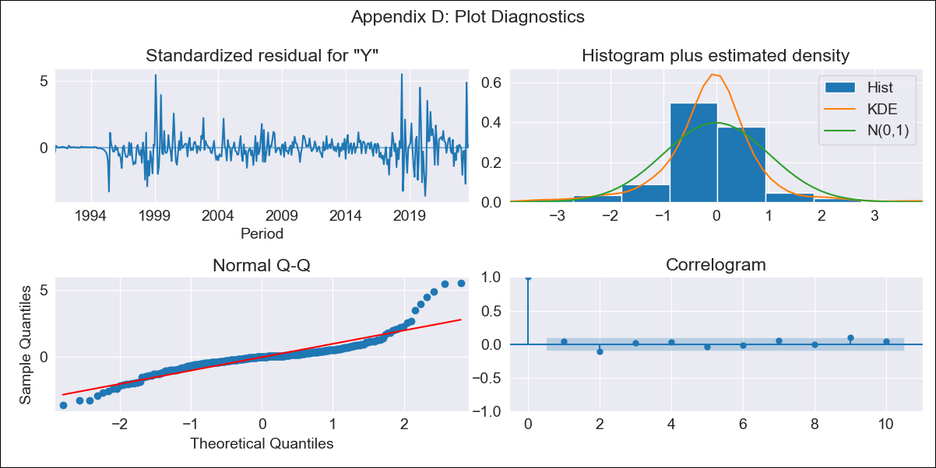
BRA - Inflation - Next 12 months forecast as of: 2023-09-01

Model | ARIMA - [(1, 1, 0), (0, 0, 1, 12)]
Training Data | 1990-01-01 to 2022-10-01
Test Data | 2022-10-01 to 2023-09-01

Date | Inflation Change YoY % | Lower Bound - 95% Confidence Interval | Upper Bound - 95% Confidence Interval
2023-10-01 | -0.42 | -0.61 | -0.23
2023-11-01 | -0.36 | -0.71 | -0.01
2023-12-01 | -0.34 | -0.83 | 0.15
2024-01-01 | -0.34 | -0.95 | 0.28
2024-02-01 | -0.33 | -1.06 | 0.4
2024-03-01 | -0.24 | -1.08 | 0.59
2024-04-01 | -0.19 | -1.12 | 0.74
2024-05-01 | -0.15 | -1.16 | 0.86
2024-06-01 | -0.02 | -1.11 | 1.07
2024-07-01 | -0.15 | -1.31 | 1.02
2024-08-01 | -0.21 | -1.45 | 1.02
2024-09-01 | -0.25 | -1.56 | 1.05

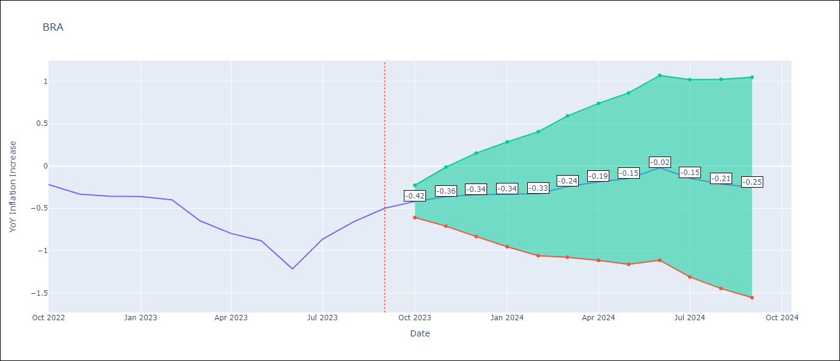

Test Metrics
RMSE | 0.3
Naive RMSE | 0.19
MAPE | 25.49%

Test Predictions
Date | Predicted | Actual
2022-10-01 | -0.23 | -0.22
2022-11-01 | -0.32 | -0.33
2022-12-01 | -0.36 | -0.36
2023-01-01 | -0.38 | -0.36
2023-02-01 | -0.42 | -0.4
2023-03-01 | -0.47 | -0.65
2023-04-01 | -0.49 | -0.8
2023-05-01 | -0.48 | -0.88
2023-06-01 | -0.5 | -1.22
2023-07-01 | -0.45 | -0.87
2023-08-01 | -0.41 | -0.66
2023-09-01 | -0.36 | -0.5

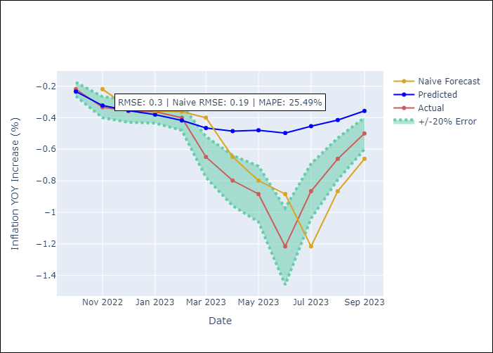

Appendix A: Model Summary
Model | ARIMA(1, 1, 0)x(0, 0, [1], 12)
Sample | 01-01-1990- 09-01-2023
No. of Observations | 405
Terms | P-value (Statistical significance)
ar.L1 | 0.000
ma.S.L12 | 0.000
sigma2 | 0.000

Assumptions | P-value | Interpretation
Ljung-Box (L1) | 0.35
Heteroskedasticity | 0.00
Jarque-Bera | 0.00
Skew | 1.20
Kurtosis | 11.08

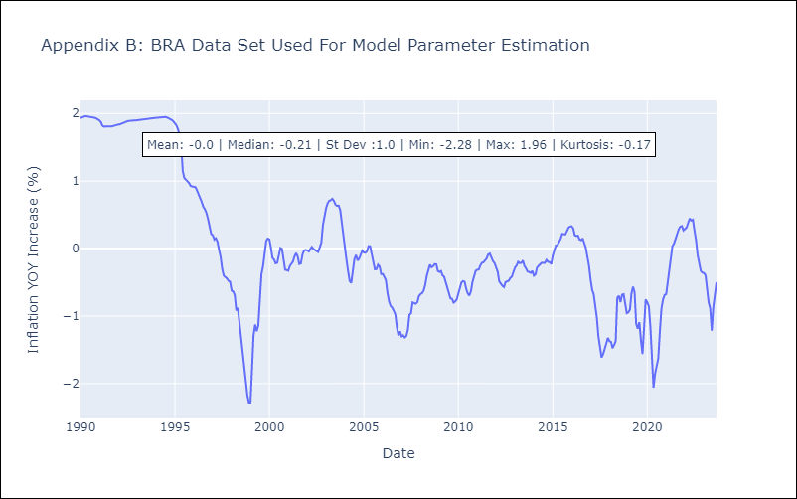

Appendix C: Residuals Analysis
Mean | -0.0
White Noise? | No - Correlation at Lags [1]
Normal? | No

CHL
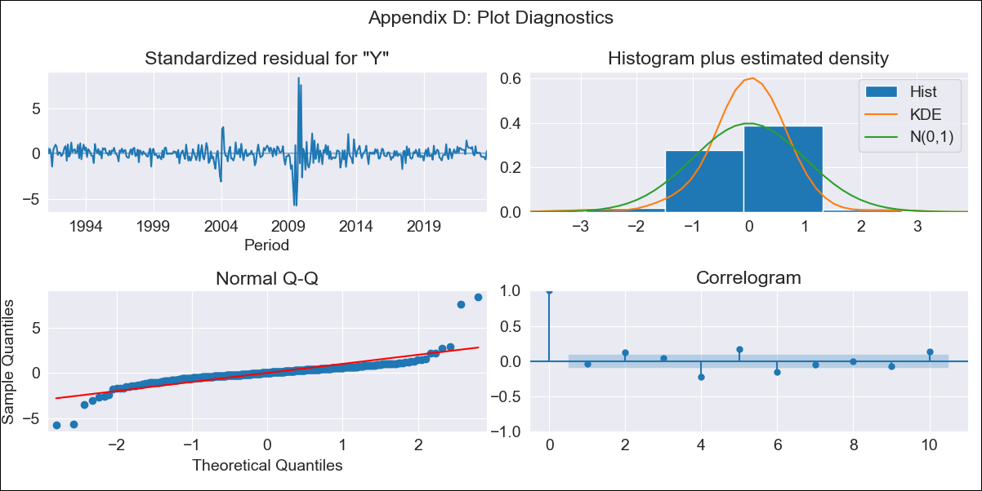
CHL - Inflation - Next 12 months forecast as of: 2023-09-01

Model | ARIMA - [(2, 0, 1), (0, 0, 1, 12)]
Training Data | 1990-01-01 to 2022-10-01
Test Data | 2022-10-01 to 2023-09-01

Date | Inflation Change YoY % | Lower Bound - 95% Confidence Interval | Upper Bound - 95% Confidence Interval
2023-10-01 | 0.01 | -0.35 | 0.37
2023-11-01 | -0.06 | -0.62 | 0.5
2023-12-01 | -0.09 | -0.82 | 0.63
2024-01-01 | -0.12 | -0.99 | 0.75
2024-02-01 | -0.14 | -1.13 | 0.85
2024-03-01 | -0.16 | -1.25 | 0.94
2024-04-01 | -0.16 | -1.34 | 1.03
2024-05-01 | -0.15 | -1.41 | 1.11
2024-06-01 | -0.14 | -1.46 | 1.19
2024-07-01 | -0.12 | -1.5 | 1.26
2024-08-01 | -0.09 | -1.52 | 1.33
2024-09-01 | -0.1 | -1.56 | 1.37

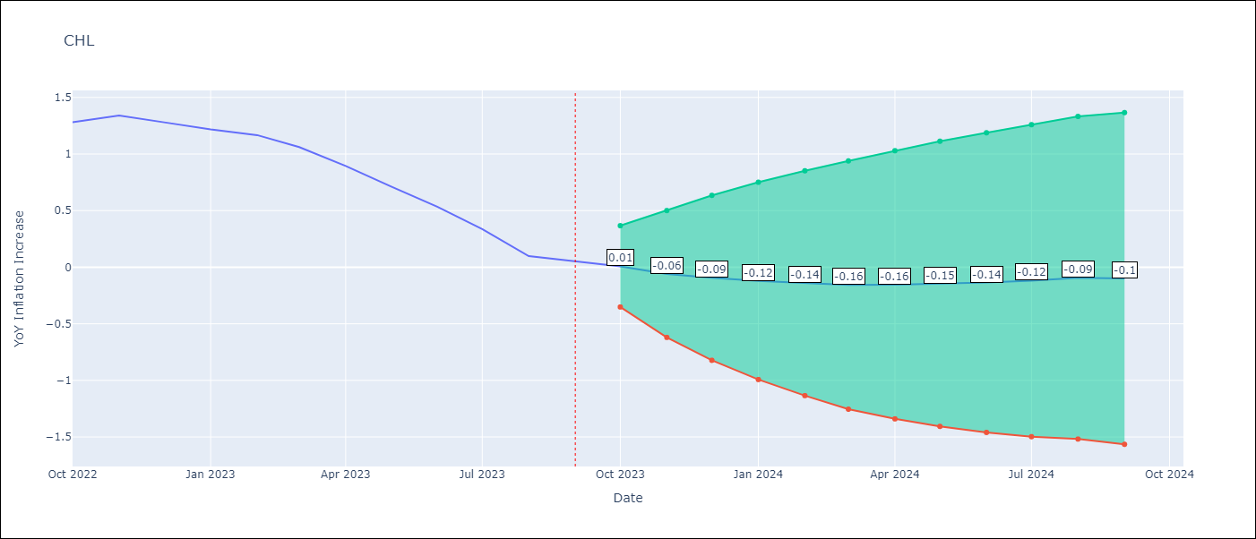

Test Metrics
RMSE | 0.17
Naive RMSE | 0.14
MAPE | 78.87%

Test Predictions
Date | Predicted | Actual
2022-10-01 | 1.32 | 1.28
2022-11-01 | 1.24 | 1.34
2022-12-01 | 1.15 | 1.28
2023-01-01 | 1.05 | 1.22
2023-02-01 | 0.98 | 1.17
2023-03-01 | 0.85 | 1.06
2023-04-01 | 0.75 | 0.89
2023-05-01 | 0.65 | 0.71
2023-06-01 | 0.55 | 0.53
2023-07-01 | 0.47 | 0.34
2023-08-01 | 0.39 | 0.1
2023-09-01 | 0.33 | 0.05

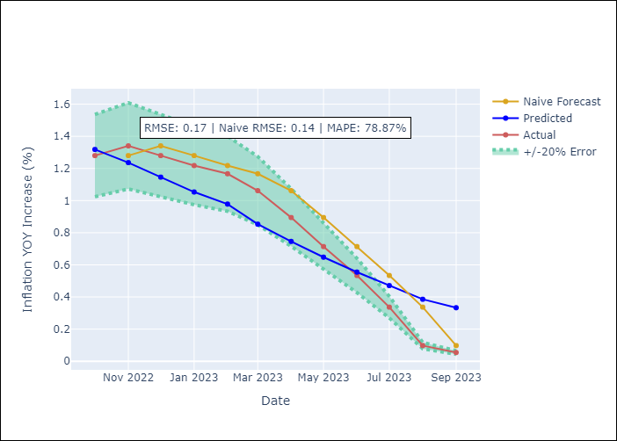

Appendix A: Model Summary
Model | ARIMA(2, 0, 1)x(0, 0, 1, 12)
Sample | 01-01-1990- 09-01-2023
No. of Observations | 405
Terms | P-value (Statistical significance)
const | 0.514
ar.L1 | 0.000
ar.L2 | 0.000
ma.L1 | 0.000
ma.S.L12 | 0.000
sigma2 | 0.000

Assumptions | P-value | Interpretation
Ljung-Box (L1) | 0.37
Heteroskedasticity | 0.38
Jarque-Bera | 0.00
Skew | 1.43
Kurtosis | 28.07

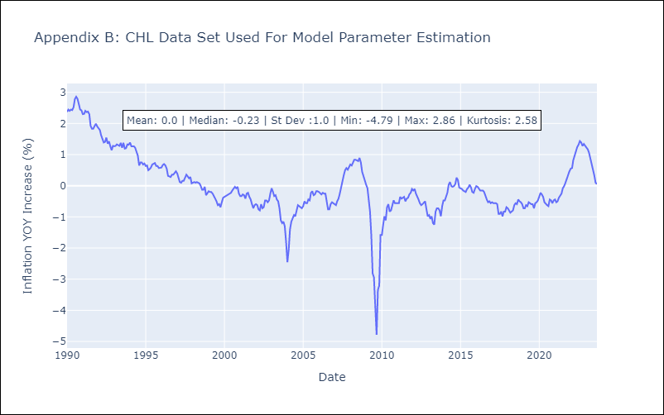

Appendix C: Residuals Analysis
Mean | 0.0
White Noise? | No - Correlation at Lags [ 1 2 3 4 5 6 7 8 9 10 11 12]
Normal? | No

COL
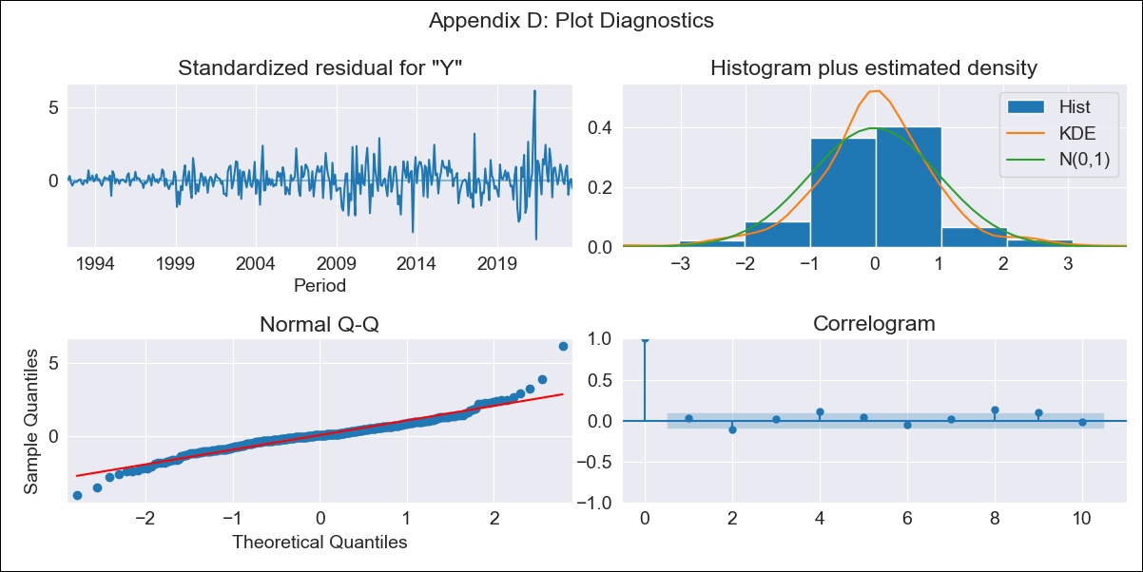
COL - Inflation - Next 12 months forecast as of: 2023-09-01

Model | ARIMA - [(1, 2, 1), (2, 0, 1, 12)]
Training Data | 1990-01-01 to 2022-10-01
Test Data | 2022-10-01 to 2023-09-01

Date | Inflation Change YoY % | Lower Bound - 95% Confidence Interval | Upper Bound - 95% Confidence Interval
2023-10-01 | 0.54 | 0.4 | 0.68
2023-11-01 | 0.52 | 0.27 | 0.78
2023-12-01 | 0.5 | 0.14 | 0.86
2024-01-01 | 0.45 | 0 | 0.9
2024-02-01 | 0.43 | -0.1 | 0.96
2024-03-01 | 0.44 | -0.17 | 1.05
2024-04-01 | 0.44 | -0.25 | 1.12
2024-05-01 | 0.43 | -0.32 | 1.18
2024-06-01 | 0.45 | -0.36 | 1.27
2024-07-01 | 0.48 | -0.4 | 1.36
2024-08-01 | 0.49 | -0.45 | 1.44
2024-09-01 | 0.53 | -0.48 | 1.53

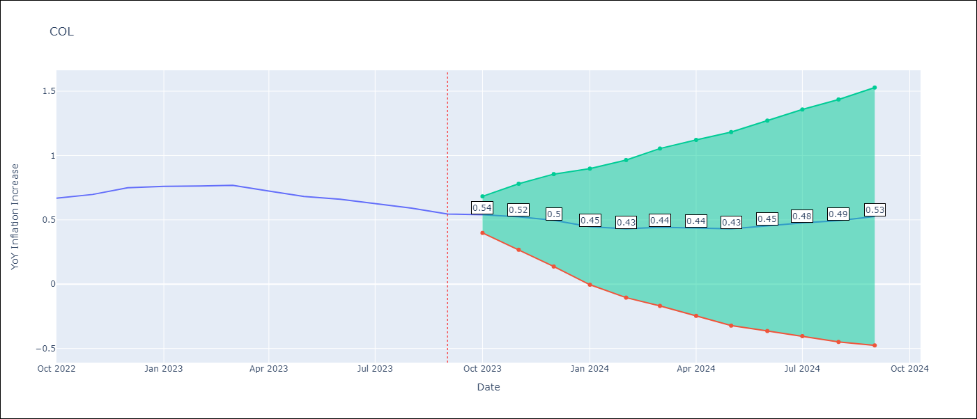

Test Metrics
RMSE | 0.31
Naive RMSE | 0.03
MAPE | 39.85%

Test Predictions
Date | Predicted | Actual
2022-10-01 | 0.7 | 0.67
2022-11-01 | 0.74 | 0.7
2022-12-01 | 0.7 | 0.75
2023-01-01 | 0.61 | 0.76
2023-02-01 | 0.57 | 0.76
2023-03-01 | 0.56 | 0.77
2023-04-01 | 0.44 | 0.72
2023-05-01 | 0.25 | 0.68
2023-06-01 | 0.24 | 0.66
2023-07-01 | 0.2 | 0.63
2023-08-01 | 0.15 | 0.59
2023-09-01 | 0.12 | 0.55

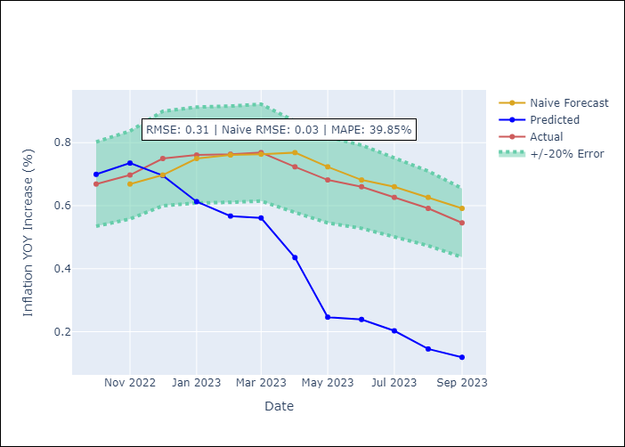

Appendix A: Model Summary
Model | ARIMA(1, 2, 1)x(2, 0, 1, 12)
Sample | 01-01-1990- 09-01-2023
No. of Observations | 405
Terms | P-value (Statistical significance)
ar.L1 | 0.000
ma.L1 | 0.000
ar.S.L12 | 0.661
ar.S.L24 | 0.125
ma.S.L12 | 0.028
sigma2 | 0.000

Assumptions | P-value | Interpretation
Ljung-Box (L1) | 0.54
Heteroskedasticity | 0.00
Jarque-Bera | 0.00
Skew | 0.46
Kurtosis | 8.04

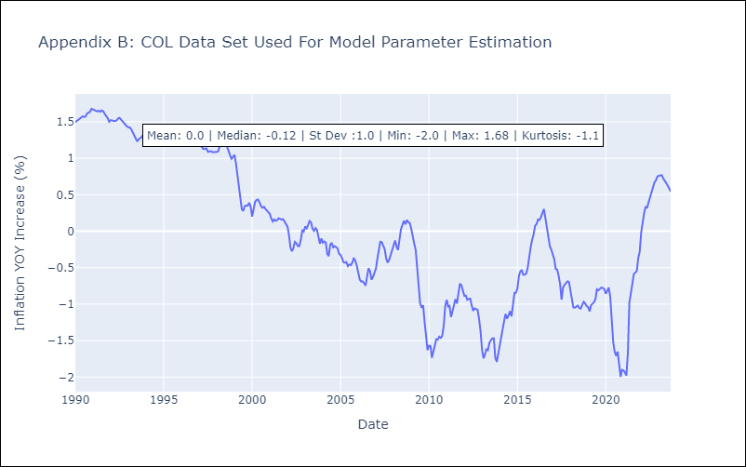

Appendix C: Residuals Analysis
Mean | 0.0
White Noise? | No - Correlation at Lags [ 1 2 3 4 5 6 7 8 9 10 11 12]
Normal? | No

ECU
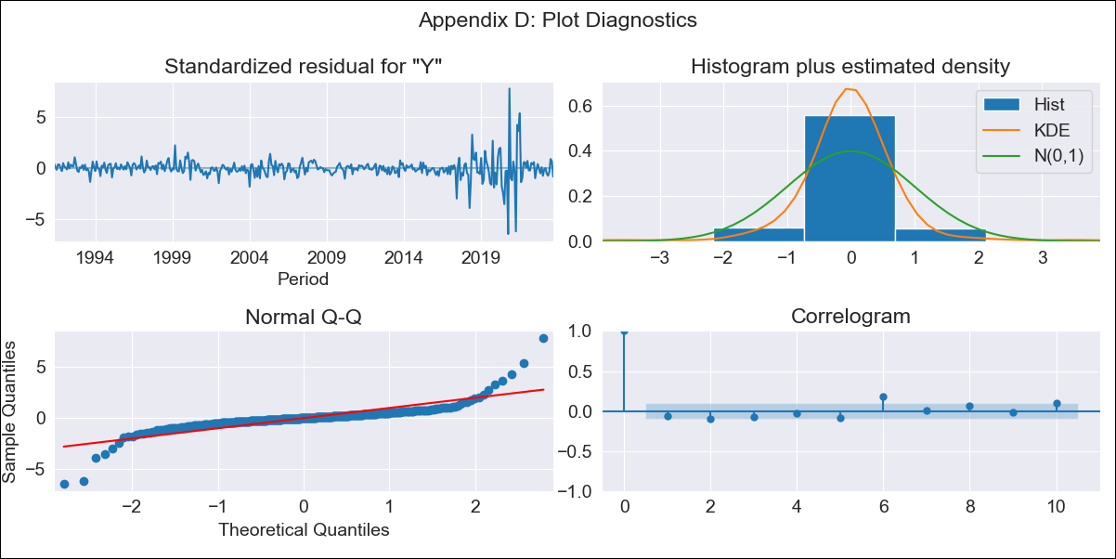
ECU - Inflation - Next 12 months forecast as of: 2023-09-01

Model | ARIMA - [(1, 0, 3), (0, 0, 1, 12)]
Training Data | 1990-01-01 to 2022-10-01
Test Data | 2022-10-01 to 2023-09-01

Date | Inflation Change YoY % | Lower Bound - 95% Confidence Interval | Upper Bound - 95% Confidence Interval
2023-10-01 | -0.65 | -0.9 | -0.4
2023-11-01 | -0.65 | -1.03 | -0.26
2023-12-01 | -0.65 | -1.16 | -0.15
2024-01-01 | -0.65 | -1.28 | -0.02
2024-02-01 | -0.64 | -1.37 | 0.08
2024-03-01 | -0.63 | -1.44 | 0.17
2024-04-01 | -0.63 | -1.51 | 0.25
2024-05-01 | -0.63 | -1.57 | 0.32
2024-06-01 | -0.62 | -1.62 | 0.38
2024-07-01 | -0.61 | -1.66 | 0.45
2024-08-01 | -0.6 | -1.7 | 0.51
2024-09-01 | -0.59 | -1.74 | 0.56



Test Metrics
RMSE | 0.29
Naive RMSE | 0.07
MAPE | 39.7%

Test Predictions
Date | Predicted | Actual
2022-10-01 | -0.37 | -0.38
2022-11-01 | -0.36 | -0.43
2022-12-01 | -0.35 | -0.42
2023-01-01 | -0.34 | -0.51
2023-02-01 | -0.33 | -0.55
2023-03-01 | -0.33 | -0.56
2023-04-01 | -0.33 | -0.63
2023-05-01 | -0.32 | -0.73
2023-06-01 | -0.31 | -0.79
2023-07-01 | -0.31 | -0.7
2023-08-01 | -0.31 | -0.61
2023-09-01 | -0.31 | -0.67

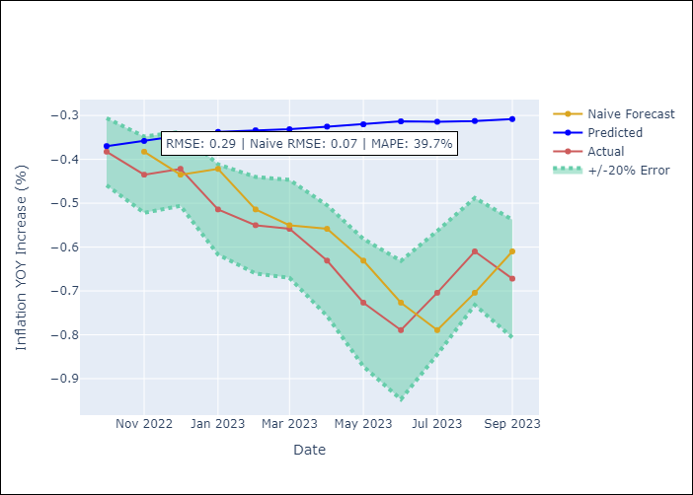

Appendix A: Model Summary
Model | ARIMA(1, 0, 3)x(0, 0, [1], 12)
Sample | 01-01-1990- 09-01-2023
No. of Observations | 405
Terms | P-value (Statistical significance)
const | 0.834
ar.L1 | 0.000
ma.L1 | 0.000
ma.L2 | 0.000
ma.L3 | 0.000
ma.S.L12 | 0.000
sigma2 | 0.000

Assumptions | P-value | Interpretation
Ljung-Box (L1) | 0.23
Heteroskedasticity | 0.00
Jarque-Bera | 0.00
Skew | 0.47
Kurtosis | 23.73

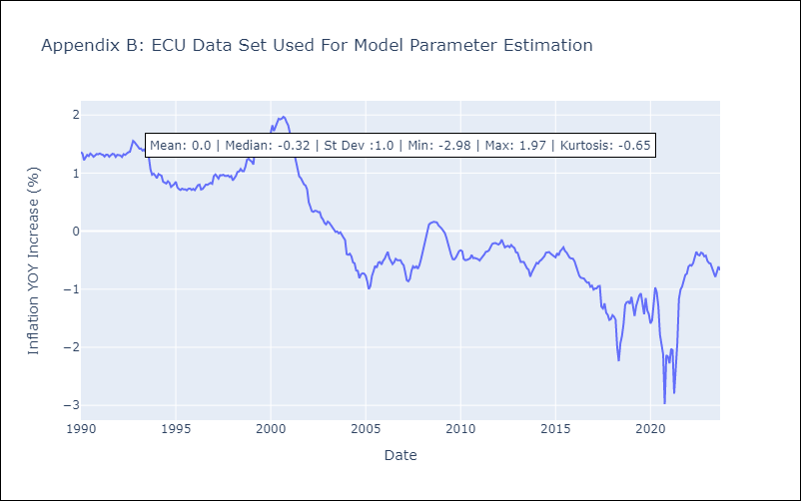

Appendix C: Residuals Analysis
Mean | 0.0
White Noise? | No - Correlation at Lags [ 6 7 8 10 11 12]
Normal? | No

PER
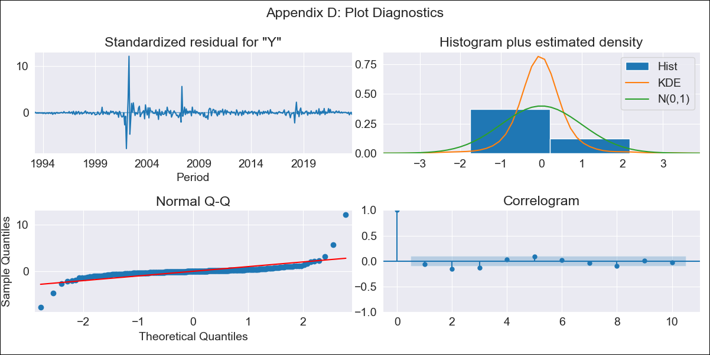
PER - Inflation - Next 12 months forecast as of: 2023-09-01

Model | ARIMA - [(1, 1, 2), (3, 0, 1, 12)]
Training Data | 1990-01-01 to 2022-10-01
Test Data | 2022-10-01 to 2023-09-01

Date | Inflation Change YoY % | Lower Bound - 95% Confidence Interval | Upper Bound - 95% Confidence Interval
2023-10-01 | 0.08 | -0.36 | 0.52
2023-11-01 | 0.07 | -0.71 | 0.84
2023-12-01 | 0.07 | -0.99 | 1.13
2024-01-01 | 0.08 | -1.17 | 1.33
2024-02-01 | 0.08 | -1.36 | 1.51
2024-03-01 | 0.08 | -1.51 | 1.66
2024-04-01 | 0.08 | -1.66 | 1.81
2024-05-01 | 0.08 | -1.78 | 1.94
2024-06-01 | 0.11 | -1.88 | 2.1
2024-07-01 | 0.13 | -1.97 | 2.23
2024-08-01 | 0.14 | -2.07 | 2.36
2024-09-01 | 0.16 | -2.16 | 2.48

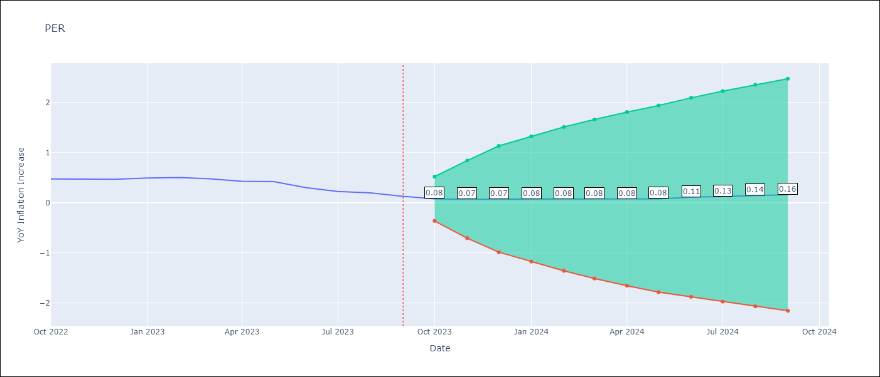

Test Metrics
RMSE | 0.12
Naive RMSE | 0.05
MAPE | 40.72%

Test Predictions
Date | Predicted | Actual
2022-10-01 | 0.5 | 0.48
2022-11-01 | 0.49 | 0.48
2022-12-01 | 0.47 | 0.47
2023-01-01 | 0.48 | 0.49
2023-02-01 | 0.47 | 0.5
2023-03-01 | 0.45 | 0.48
2023-04-01 | 0.44 | 0.43
2023-05-01 | 0.43 | 0.42
2023-06-01 | 0.41 | 0.3
2023-07-01 | 0.42 | 0.22
2023-08-01 | 0.41 | 0.2
2023-09-01 | 0.41 | 0.13

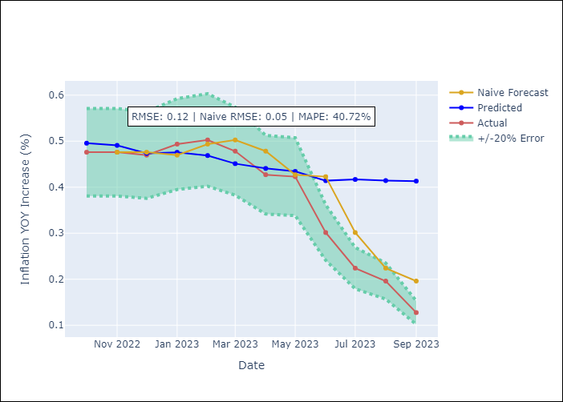

Appendix A: Model Summary
Model | ARIMA(1, 1, 2)x(3, 0, [1], 12)
Sample | 01-01-1990- 09-01-2023
No. of Observations | 405
Terms | P-value (Statistical significance)
ar.L1 | 0.000
ma.L1 | 0.000
ma.L2 | 0.000
ar.S.L12 | 0.942
ar.S.L24 | 0.912
ar.S.L36 | 0.777
ma.S.L12 | 0.987
sigma2 | 0.000

Assumptions | P-value | Interpretation
Ljung-Box (L1) | 0.26
Heteroskedasticity | 0.00
Jarque-Bera | 0.00
Skew | 3.82
Kurtosis | 72.10

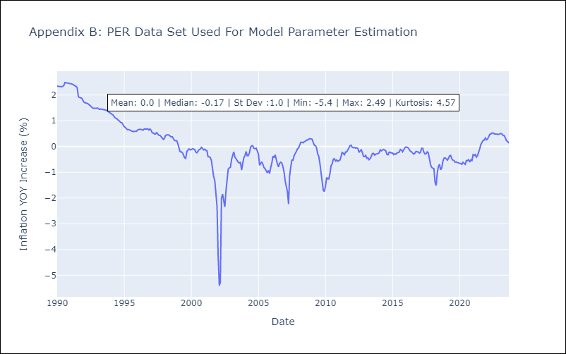

Appendix C: Residuals Analysis
Mean | 0.0
White Noise? | No - Correlation at Lags [2 3 4 5 6]
Normal? | No

PRY
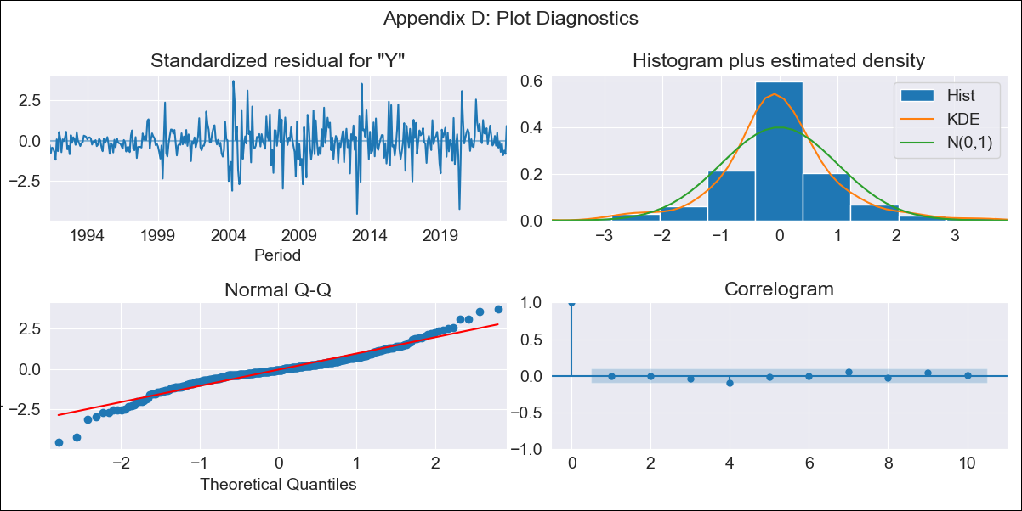
PRY - Inflation - Next 12 months forecast as of: 2023-09-01

Model | ARIMA - [(0, 1, 2), (1, 0, 1, 12)]
Training Data | 1990-01-01 to 2022-10-01
Test Data | 2022-10-01 to 2023-09-01

Date | Inflation Change YoY % | Lower Bound - 95% Confidence Interval | Upper Bound - 95% Confidence Interval
2023-10-01 | -0.83 | -1.28 | -0.38
2023-11-01 | -0.87 | -1.55 | -0.18
2023-12-01 | -0.84 | -1.68 | 0.01
2024-01-01 | -0.87 | -1.86 | 0.11
2024-02-01 | -0.82 | -1.92 | 0.29
2024-03-01 | -0.79 | -2 | 0.43
2024-04-01 | -0.68 | -2 | 0.64
2024-05-01 | -0.65 | -2.06 | 0.76
2024-06-01 | -0.52 | -2.02 | 0.97
2024-07-01 | -0.41 | -1.99 | 1.17
2024-08-01 | -0.29 | -1.95 | 1.36
2024-09-01 | -0.4 | -2.14 | 1.33

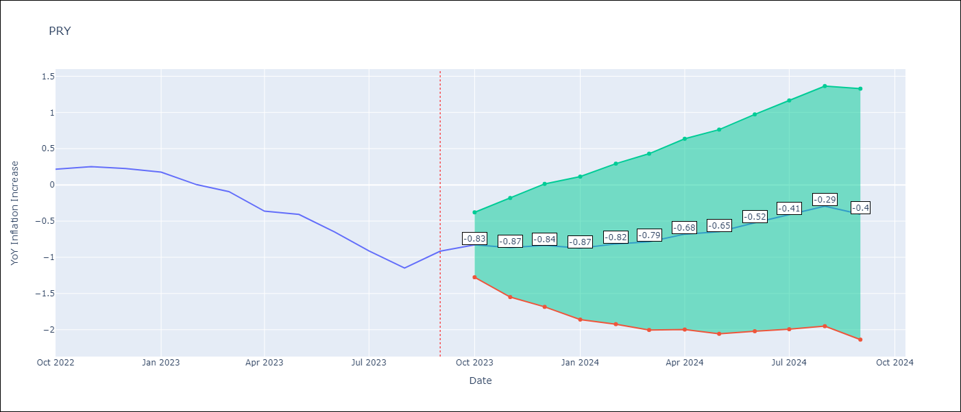

Test Metrics
RMSE | 0.42
Naive RMSE | 0.18
MAPE | 116.8%

Test Predictions
Date | Predicted | Actual
2022-10-01 | 0.26 | 0.22
2022-11-01 | 0.24 | 0.25
2022-12-01 | 0.27 | 0.22
2023-01-01 | 0.12 | 0.18
2023-02-01 | 0.03 | 0
2023-03-01 | -0.03 | -0.09
2023-04-01 | -0.14 | -0.36
2023-05-01 | -0.12 | -0.41
2023-06-01 | -0.16 | -0.65
2023-07-01 | -0.24 | -0.91
2023-08-01 | -0.27 | -1.15
2023-09-01 | -0.22 | -0.92

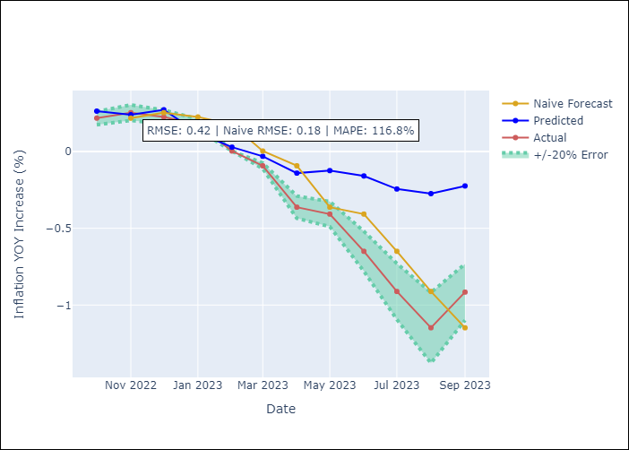

Appendix A: Model Summary
Model | ARIMA(0, 1, 2)x(1, 0, [1], 12)
Sample | 01-01-1990- 09-01-2023
No. of Observations | 405
Terms | P-value (Statistical significance)
ma.L1 | 0.000
ma.L2 | 0.443
ar.S.L12 | 0.139
ma.S.L12 | 0.000
sigma2 | 0.000

Assumptions | P-value | Interpretation
Ljung-Box (L1) | 0.98
Heteroskedasticity | 0.00
Jarque-Bera | 0.00
Skew | -0.18
Kurtosis | 5.95

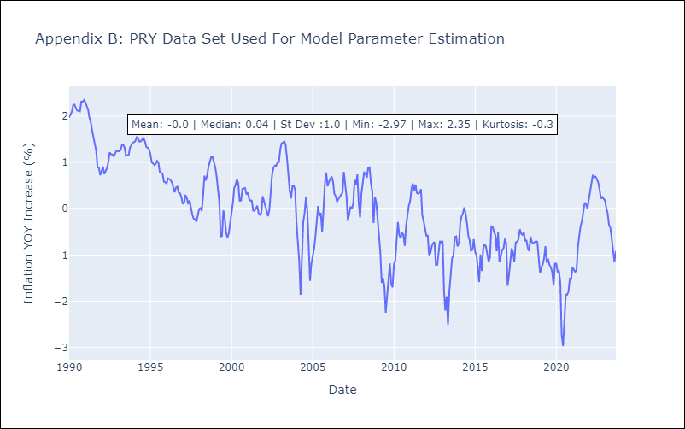

Appendix C: Residuals Analysis
Mean | -0.01
White Noise? | Yes
Normal? | No

URY
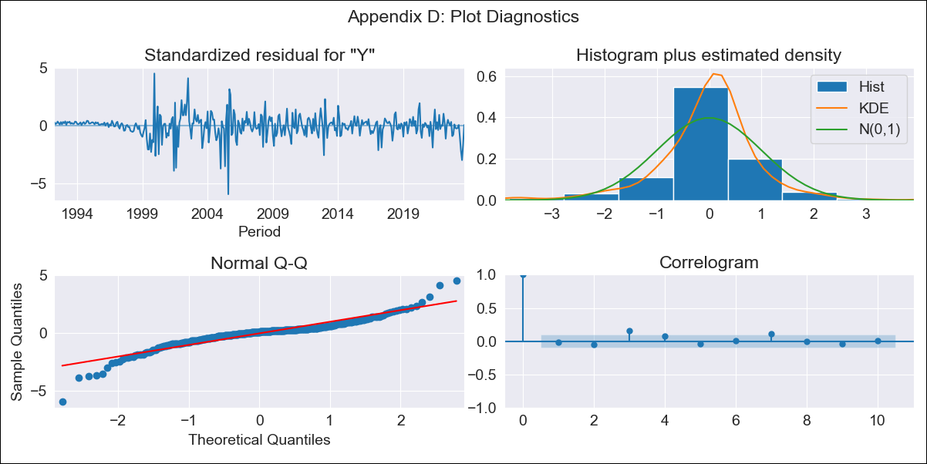
URY - Inflation - Next 12 months forecast as of: 2023-09-01

Model | ARIMA - [(3, 0, 0), (2, 0, 0, 12)]
Training Data | 1990-01-01 to 2022-10-01
Test Data | 2022-10-01 to 2023-09-01

Date | Inflation Change YoY % | Lower Bound - 95% Confidence Interval | Upper Bound - 95% Confidence Interval
2023-10-01 | -1.98 | -2.25 | -1.72
2023-11-01 | -1.96 | -2.37 | -1.54
2023-12-01 | -1.94 | -2.5 | -1.39
2024-01-01 | -1.91 | -2.59 | -1.23
2024-02-01 | -1.87 | -2.65 | -1.08
2024-03-01 | -1.83 | -2.72 | -0.95
2024-04-01 | -1.83 | -2.8 | -0.87
2024-05-01 | -1.75 | -2.79 | -0.71
2024-06-01 | -1.57 | -2.68 | -0.46
2024-07-01 | -1.34 | -2.51 | -0.17
2024-08-01 | -1.15 | -2.37 | 0.08
2024-09-01 | -1.07 | -2.34 | 0.21

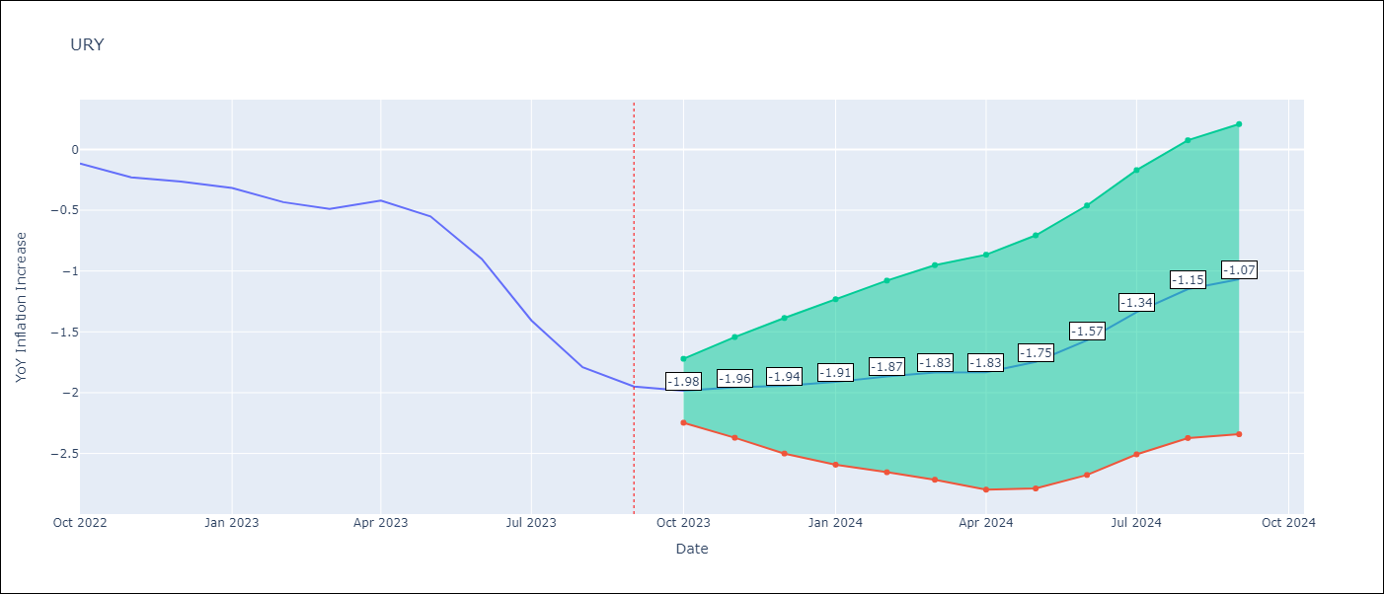

Test Metrics
RMSE | 0.89
Naive RMSE | 0.23
MAPE | 94.29%

Test Predictions
Date | Predicted | Actual
2022-10-01 | 0 | -0.12
2022-11-01 | 0.01 | -0.23
2022-12-01 | 0.01 | -0.26
2023-01-01 | 0 | -0.32
2023-02-01 | -0.07 | -0.43
2023-03-01 | -0.09 | -0.49
2023-04-01 | -0.04 | -0.42
2023-05-01 | -0.04 | -0.55
2023-06-01 | -0.07 | -0.9
2023-07-01 | -0.09 | -1.41
2023-08-01 | -0.11 | -1.79
2023-09-01 | -0.14 | -1.95

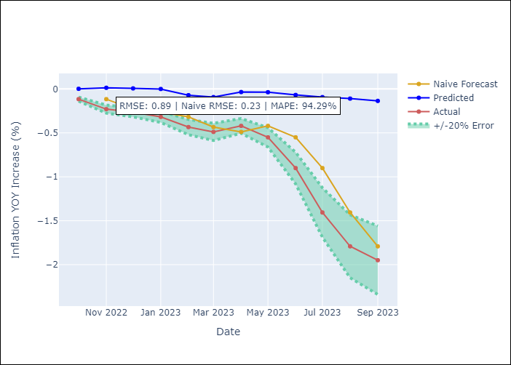

Appendix A: Model Summary
Model | ARIMA(3, 0, 0)x(2, 0, 0, 12)
Sample | 01-01-1990- 09-01-2023
No. of Observations | 405
Terms | P-value (Statistical significance)
const | 0.404
ar.L1 | 0.000
ar.L2 | 0.197
ar.L3 | 0.000
ar.S.L12 | 0.000
ar.S.L24 | 0.000
sigma2 | 0.000

Assumptions | P-value | Interpretation
Ljung-Box (L1) | 0.72
Heteroskedasticity | 0.00
Jarque-Bera | 0.00
Skew | -0.68
Kurtosis | 9.15

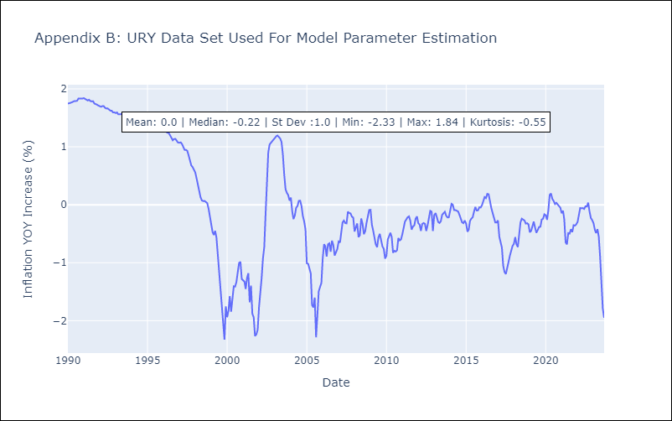

Appendix C: Residuals Analysis
Mean | 0.0
White Noise? | No - Correlation at Lags [ 2 3 4 12]
Normal? | No

VEN
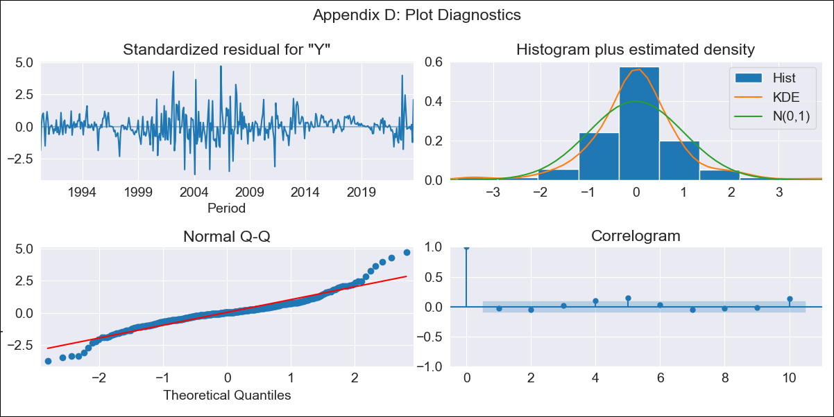
VEN - Inflation - Next 12 months forecast as of: 2023-09-01

Model | ARIMA - [(3, 0, 0), (0, 0, 0, 12)]
Training Data | 1990-01-01 to 2022-10-01
Test Data | 2022-10-01 to 2023-09-01

Date | Inflation Change YoY % | Lower Bound - 95% Confidence Interval | Upper Bound - 95% Confidence Interval
2023-10-01 | 1.35 | 1.23 | 1.47
2023-11-01 | 1.37 | 1.15 | 1.59
2023-12-01 | 1.37 | 1.06 | 1.69
2024-01-01 | 1.37 | 0.98 | 1.77
2024-02-01 | 1.37 | 0.9 | 1.83
2024-03-01 | 1.36 | 0.84 | 1.88
2024-04-01 | 1.35 | 0.77 | 1.93
2024-05-01 | 1.34 | 0.72 | 1.97
2024-06-01 | 1.34 | 0.66 | 2.01
2024-07-01 | 1.33 | 0.61 | 2.05
2024-08-01 | 1.32 | 0.56 | 2.08
2024-09-01 | 1.31 | 0.52 | 2.11

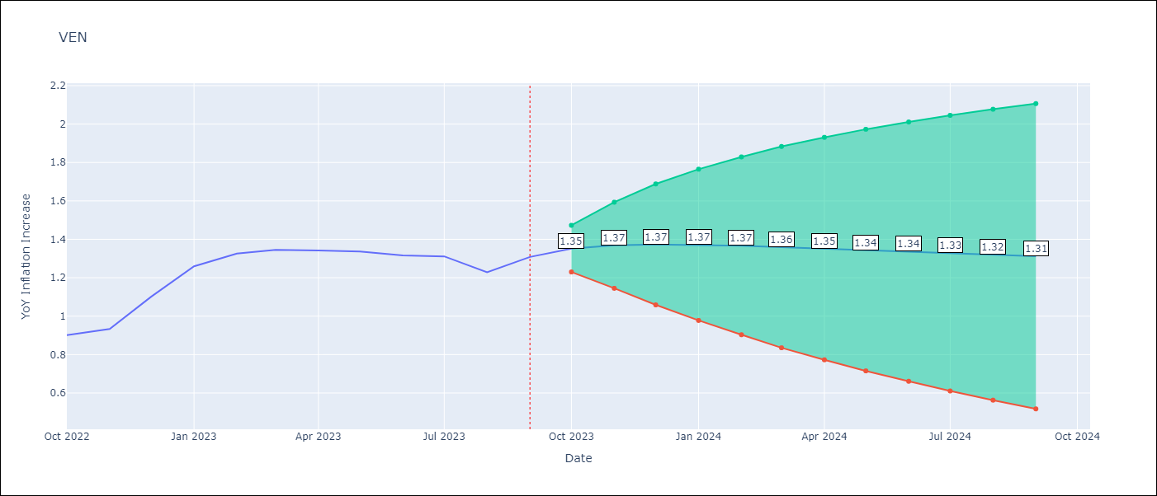

Test Metrics
RMSE | 0.22
Naive RMSE | 0.08
MAPE | 16.04%

Test Predictions
Date | Predicted | Actual
2022-10-01 | 1.02 | 0.9
2022-11-01 | 1.07 | 0.93
2022-12-01 | 1.09 | 1.1
2023-01-01 | 1.09 | 1.26
2023-02-01 | 1.09 | 1.33
2023-03-01 | 1.08 | 1.34
2023-04-01 | 1.08 | 1.34
2023-05-01 | 1.07 | 1.34
2023-06-01 | 1.06 | 1.32
2023-07-01 | 1.06 | 1.31
2023-08-01 | 1.05 | 1.23
2023-09-01 | 1.04 | 1.31

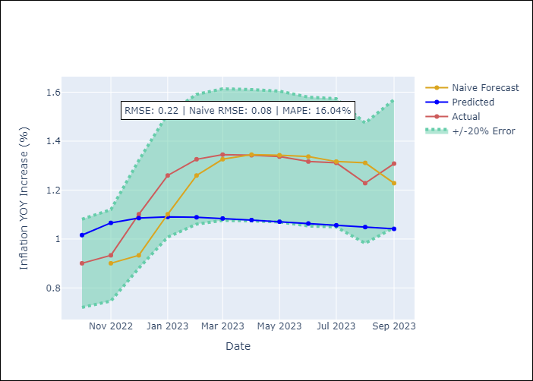

Appendix A: Model Summary
Model | ARIMA(3, 0, 0)
Sample | 01-01-1990- 09-01-2023
No. of Observations | 405
Terms | P-value (Statistical significance)
const | 1.000
ar.L1 | 0.000
ar.L2 | 0.000
ar.L3 | 0.466
sigma2 | 0.000

Assumptions | P-value | Interpretation
Ljung-Box (L1) | 0.62
Heteroskedasticity | 0.80
Jarque-Bera | 0.00
Skew | 0.37
Kurtosis | 6.99

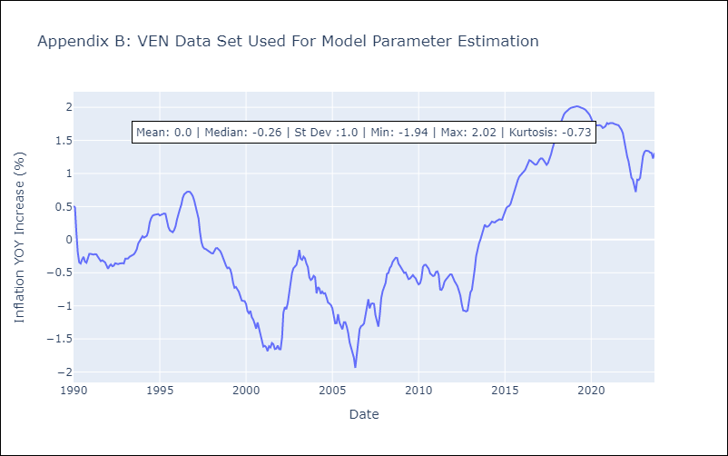

Appendix C: Residuals Analysis
Mean | 0.0
White Noise? | No - Correlation at Lags [ 5 6 10 11 12]
Normal? | No

