ARG
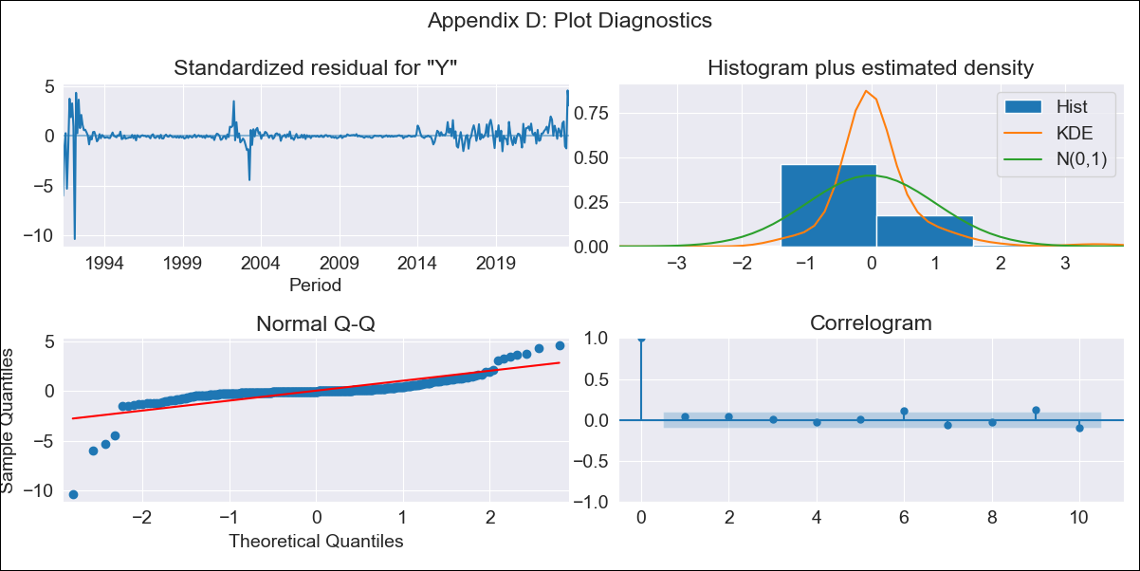
ARG - Inflation - Next 12 months forecast as of: 2023-09-01

Model | ARIMA - [(2, 0, 3), (0, 0, 0, 12)]
Training Data | 1991-01-01 to 2022-10-01
Test Data | 2022-10-01 to 2023-09-01

Date | Inflation Change YoY % | Lower Bound - 95% Confidence Interval | Upper Bound - 95% Confidence Interval
2023-10-01 | 143.1 | 138.51 | 147.7
2023-11-01 | 145.98 | 137.65 | 154.32
2023-12-01 | 149.08 | 137.84 | 160.31
2024-01-01 | 151.53 | 137.4 | 165.66
2024-02-01 | 153.4 | 136.38 | 170.41
2024-03-01 | 154.73 | 134.86 | 174.6
2024-04-01 | 155.58 | 132.89 | 178.26
2024-05-01 | 155.99 | 130.54 | 181.44
2024-06-01 | 156.01 | 127.86 | 184.15
2024-07-01 | 155.67 | 124.9 | 186.44
2024-08-01 | 155.02 | 121.7 | 188.33
2024-09-01 | 154.08 | 118.3 | 189.86

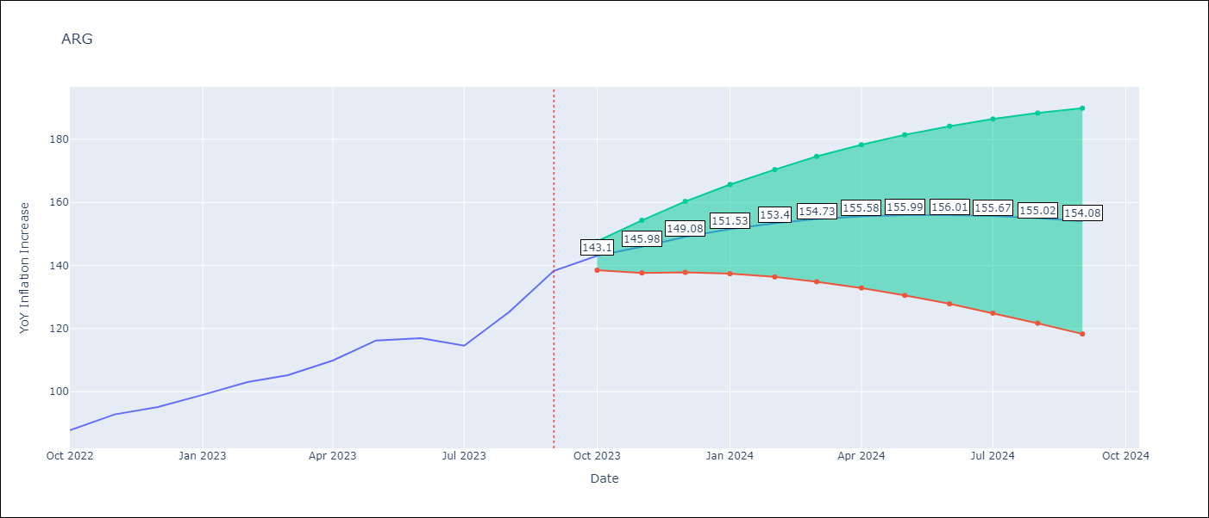

Test Metrics
RMSE | 35.3
Naive RMSE | 6.17
MAPE | 25.04%

Test Predictions
Date | Predicted | Actual
2022-10-01 | 84.52 | 87.8
2022-11-01 | 85.5 | 92.82
2022-12-01 | 85.78 | 95.19
2023-01-01 | 85.34 | 99.01
2023-02-01 | 84.3 | 103.06
2023-03-01 | 82.75 | 105.25
2023-04-01 | 80.79 | 109.89
2023-05-01 | 78.48 | 116.26
2023-06-01 | 75.91 | 116.97
2023-07-01 | 73.14 | 114.59
2023-08-01 | 70.22 | 125.24
2023-09-01 | 67.22 | 138.3

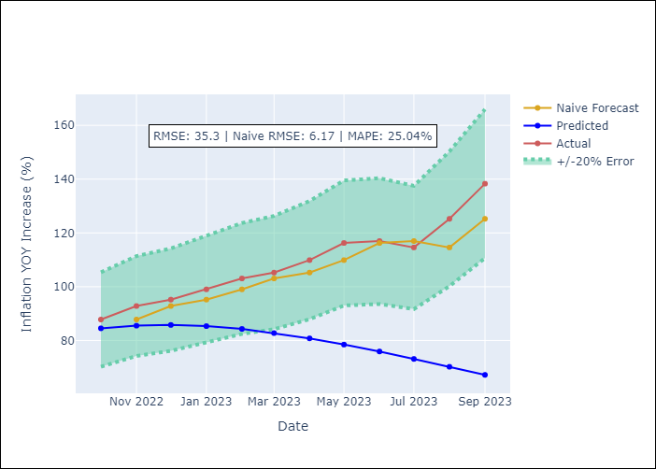

Appendix A: Model Summary
Model | ARIMA(2, 0, 3)
Sample | 01-01-1991- 09-01-2023
No. of Observations | 393
Terms | P-value (Statistical significance)
const | 0.389
ar.L1 | 0.000
ar.L2 | 0.000
ma.L1 | 0.000
ma.L2 | 0.000
ma.L3 | 0.000
sigma2 | 0.000

Assumptions | P-value | Interpretation
Ljung-Box (L1) | 0.48
Heteroskedasticity | 0.00
Jarque-Bera | 0.00
Skew | -3.02
Kurtosis | 40.57

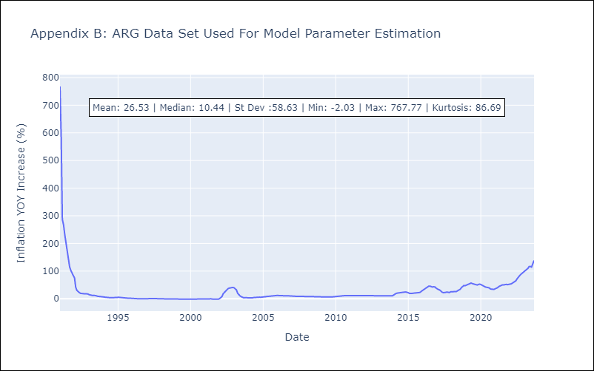

Appendix C: Residuals Analysis
Mean | 0.08
White Noise? | No - Correlation at Lags [ 1 2 3 4 5 6 7 8 9 10 11 12]
Normal? | No

BOL
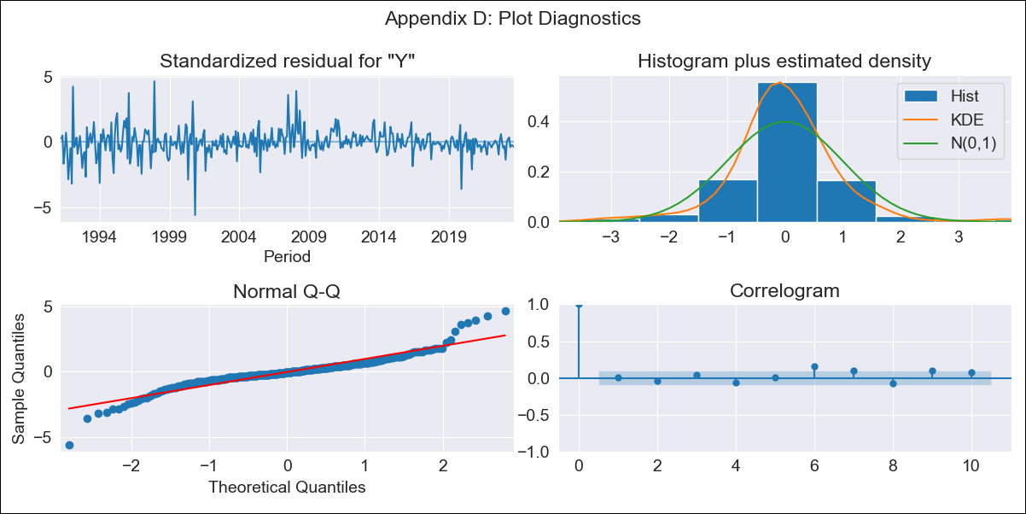
BOL - Inflation - Next 12 months forecast as of: 2023-09-01

Model | ARIMA - [(2, 0, 1), (0, 0, 1, 12)]
Training Data | 1990-01-01 to 2022-10-01
Test Data | 2022-10-01 to 2023-09-01

Date | Inflation Change YoY % | Lower Bound - 95% Confidence Interval | Upper Bound - 95% Confidence Interval
2023-10-01 | 2.52 | 1.28 | 3.75
2023-11-01 | 2.48 | 0.51 | 4.45
2023-12-01 | 2.7 | 0.08 | 5.32
2024-01-01 | 2.92 | -0.27 | 6.11
2024-02-01 | 3.74 | 0.04 | 7.44
2024-03-01 | 3.98 | -0.18 | 8.14
2024-04-01 | 4.02 | -0.55 | 8.59
2024-05-01 | 3.9 | -1.04 | 8.84
2024-06-01 | 4.11 | -1.16 | 9.38
2024-07-01 | 4.29 | -1.28 | 9.86
2024-08-01 | 4.49 | -1.36 | 10.34
2024-09-01 | 4.77 | -1.33 | 10.87

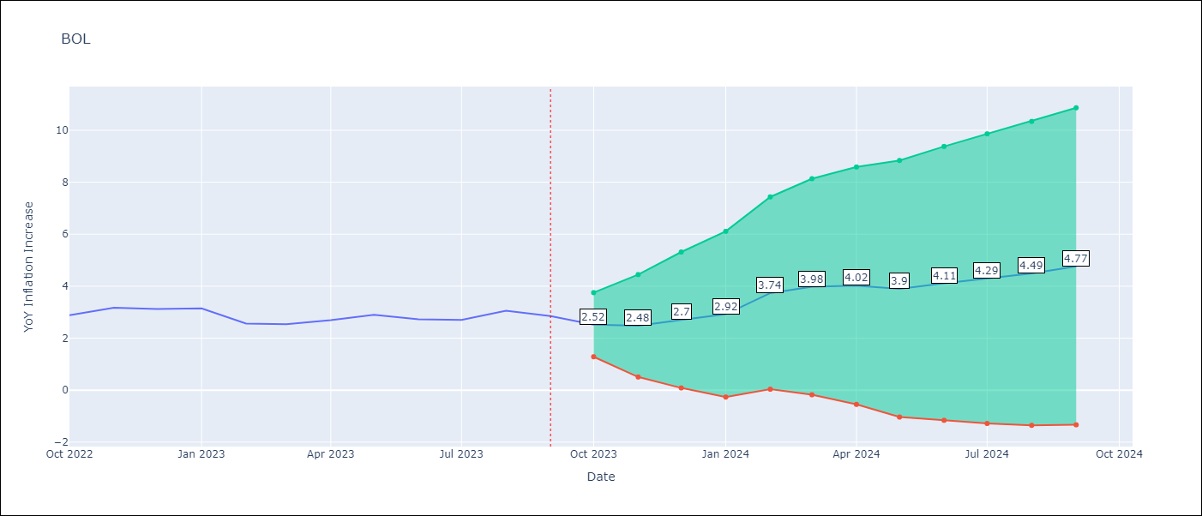

Test Metrics
RMSE | 0.78
Naive RMSE | 0.25
MAPE | 26.04%

Test Predictions
Date | Predicted | Actual
2022-10-01 | 2.1 | 2.89
2022-11-01 | 2.35 | 3.17
2022-12-01 | 2.57 | 3.12
2023-01-01 | 2.77 | 3.14
2023-02-01 | 2.96 | 2.57
2023-03-01 | 3.15 | 2.53
2023-04-01 | 3.33 | 2.7
2023-05-01 | 3.5 | 2.9
2023-06-01 | 3.66 | 2.73
2023-07-01 | 3.81 | 2.7
2023-08-01 | 3.92 | 3.06
2023-09-01 | 4.04 | 2.85

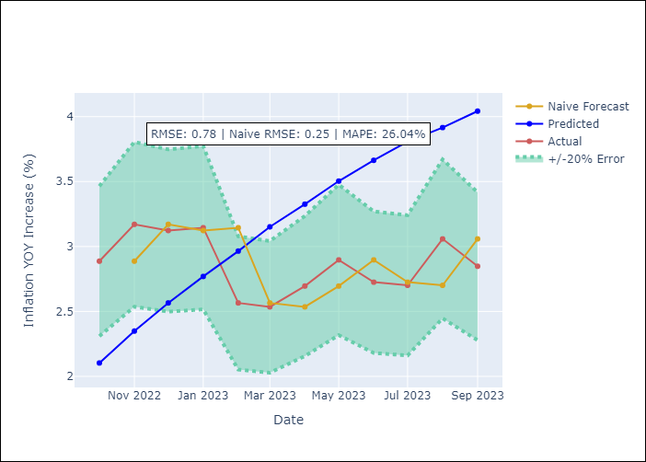

Appendix A: Model Summary
Model | ARIMA(2, 0, 1)x(0, 0, 1, 12)
Sample | 01-01-1990- 09-01-2023
No. of Observations | 405
Terms | P-value (Statistical significance)
const | 0.000
ar.L1 | 0.000
ar.L2 | 0.000
ma.L1 | 0.009
ma.S.L12 | 0.000
sigma2 | 0.000

Assumptions | P-value | Interpretation
Ljung-Box (L1) | 0.96
Heteroskedasticity | 0.00
Jarque-Bera | 0.00
Skew | 0.04
Kurtosis | 8.95

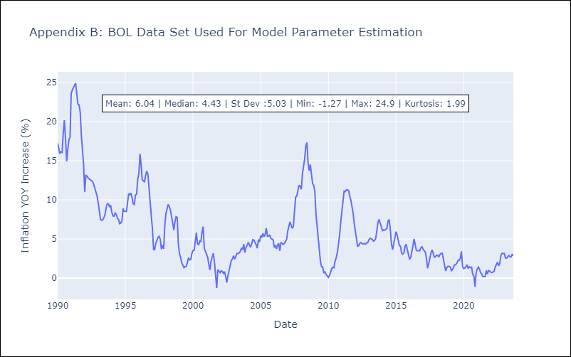

Appendix C: Residuals Analysis
Mean | 0.0
White Noise? | No - Correlation at Lags [ 1 2 3 4 5 6 7 8 9 10 11 12]
Normal? | No

BRA
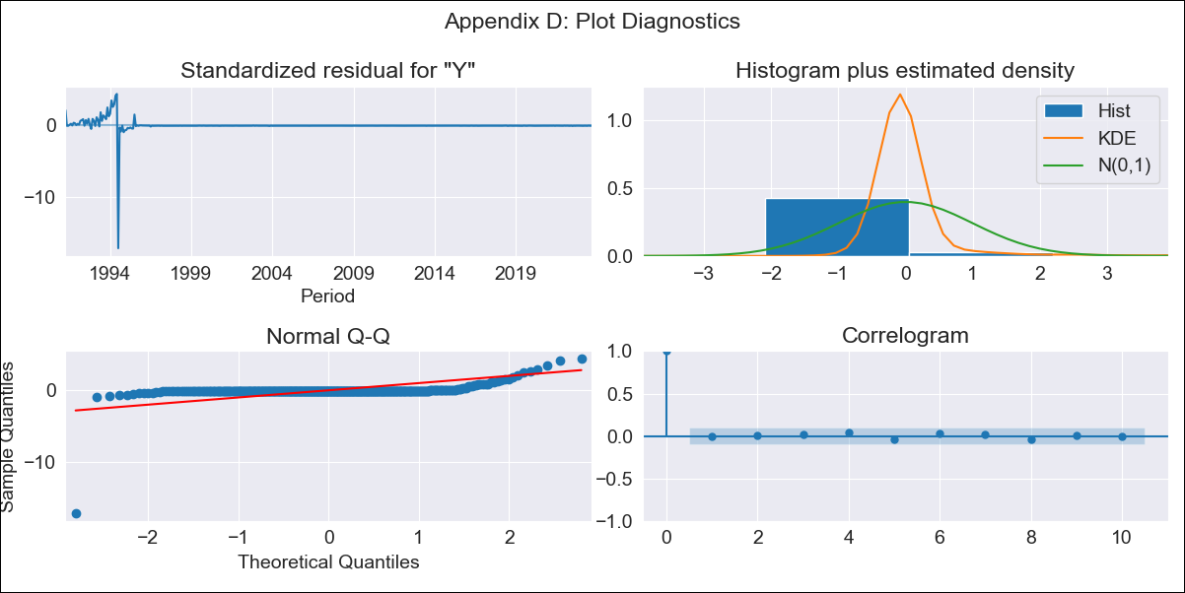
BRA - Inflation - Next 12 months forecast as of: 2023-09-01

Model | ARIMA - [(2, 0, 2), (0, 0, 1, 12)]
Training Data | 1990-01-01 to 2022-10-01
Test Data | 2022-10-01 to 2023-09-01

Date | Inflation Change YoY % | Lower Bound - 95% Confidence Interval | Upper Bound - 95% Confidence Interval
2023-10-01 | 11.98 | -129.32 | 153.28
2023-11-01 | 23.81 | -269.18 | 316.8
2023-12-01 | 38.72 | -400.12 | 477.56
2024-01-01 | 55.02 | -512.21 | 622.26
2024-02-01 | 71.69 | -604.81 | 748.18
2024-03-01 | 88.03 | -679.91 | 855.97
2024-04-01 | 103.76 | -740.04 | 947.56
2024-05-01 | 118.67 | -787.79 | 1025.13
2024-06-01 | 132.59 | -825.52 | 1090.7
2024-07-01 | 145.65 | -855.01 | 1146.31
2024-08-01 | 157.72 | -878 | 1193.44
2024-09-01 | 168.86 | -895.79 | 1233.5

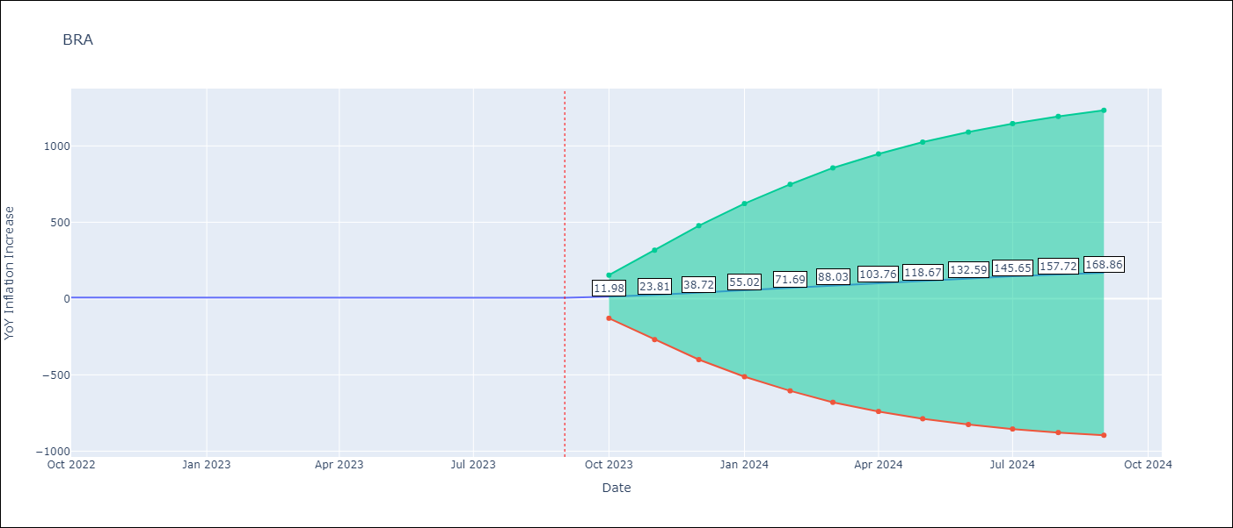

Test Metrics
RMSE | 99.31
Naive RMSE | 0.57
MAPE | 1957.62%

Test Predictions
Date | Predicted | Actual
2022-10-01 | 12.35 | 6.47
2022-11-01 | 23.06 | 5.9
2022-12-01 | 37.14 | 5.79
2023-01-01 | 52.89 | 5.77
2023-02-01 | 69.1 | 5.6
2023-03-01 | 85.16 | 4.65
2023-04-01 | 100.66 | 4.18
2023-05-01 | 115.3 | 3.94
2023-06-01 | 129.1 | 3.16
2023-07-01 | 141.87 | 3.99
2023-08-01 | 153.77 | 4.61
2023-09-01 | 164.78 | 5.19

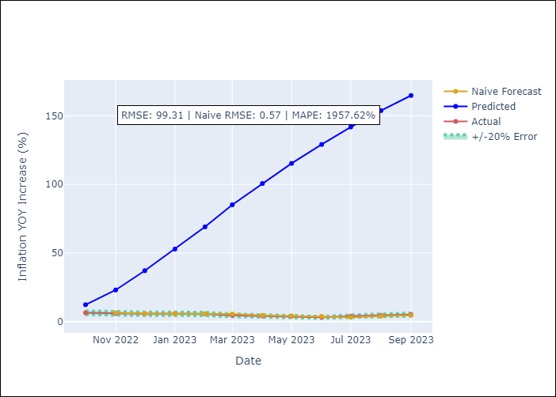

Appendix A: Model Summary
Model | ARIMA(2, 0, 2)x(0, 0, [1], 12)
Sample | 01-01-1990- 09-01-2023
No. of Observations | 405
Terms | P-value (Statistical significance)
const | 0.748
ar.L1 | 0.000
ar.L2 | 0.000
ma.L1 | 0.099
ma.L2 | 0.570
ma.S.L12 | 0.123
sigma2 | 0.438

Assumptions | P-value | Interpretation
Ljung-Box (L1) | 0.95
Heteroskedasticity | 0.00
Jarque-Bera | 0.00
Skew | -11.99
Kurtosis | 219.49

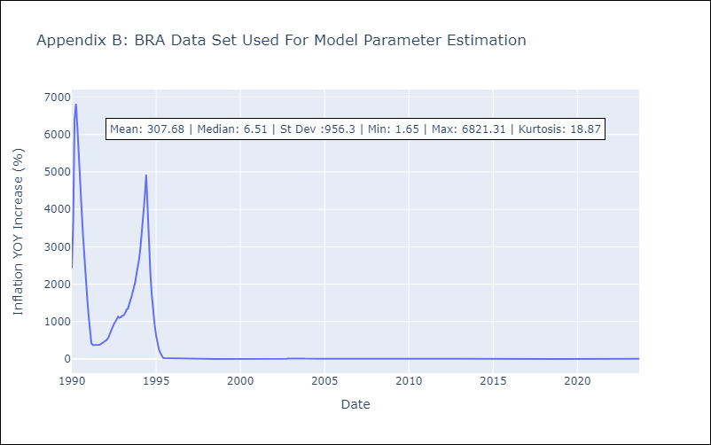

Appendix C: Residuals Analysis
Mean | 0.62
White Noise? | No - Correlation at Lags [ 2 3 4 5 6 7 8 9 10 11 12]
Normal? | No

CHL
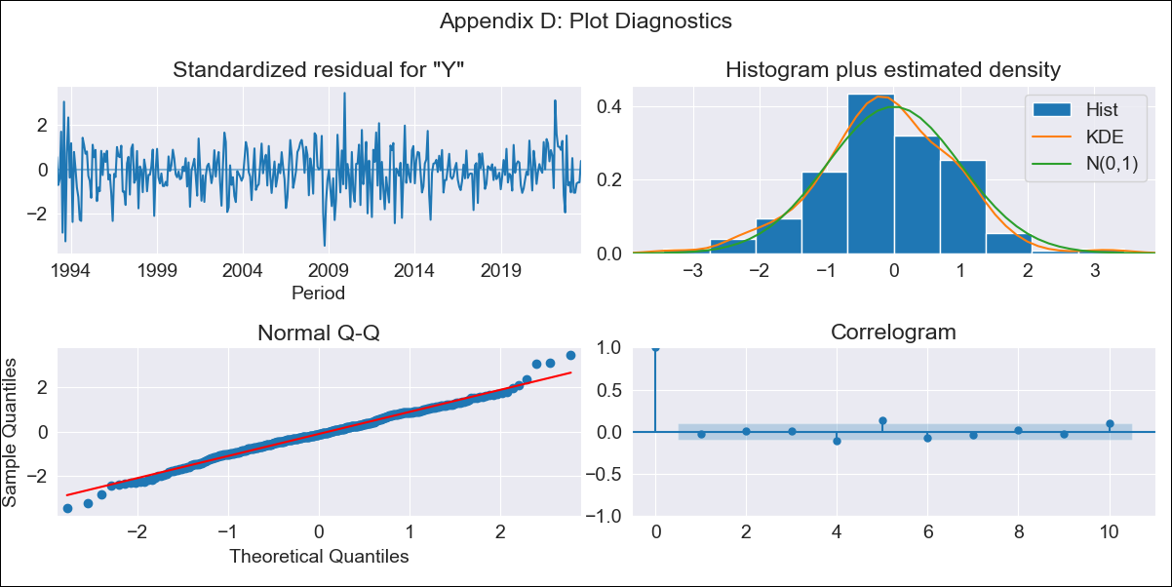
CHL - Inflation - Next 12 months forecast as of: 2023-09-01

Model | ARIMA - [(2, 0, 1), (0, 0, 3, 12)]
Training Data | 1990-01-01 to 2022-10-01
Test Data | 2022-10-01 to 2023-09-01

Date | Inflation Change YoY % | Lower Bound - 95% Confidence Interval | Upper Bound - 95% Confidence Interval
2023-10-01 | 5.11 | 4.27 | 5.94
2023-11-01 | 4.4 | 3.09 | 5.72
2023-12-01 | 4.25 | 2.5 | 6
2024-01-01 | 4.14 | 1.97 | 6.31
2024-02-01 | 4.23 | 1.66 | 6.8
2024-03-01 | 3.95 | 0.99 | 6.91
2024-04-01 | 4.08 | 0.75 | 7.41
2024-05-01 | 4.28 | 0.6 | 7.97
2024-06-01 | 4.44 | 0.41 | 8.47
2024-07-01 | 4.65 | 0.3 | 9.01
2024-08-01 | 4.86 | 0.19 | 9.52
2024-09-01 | 4.91 | -0.05 | 9.87

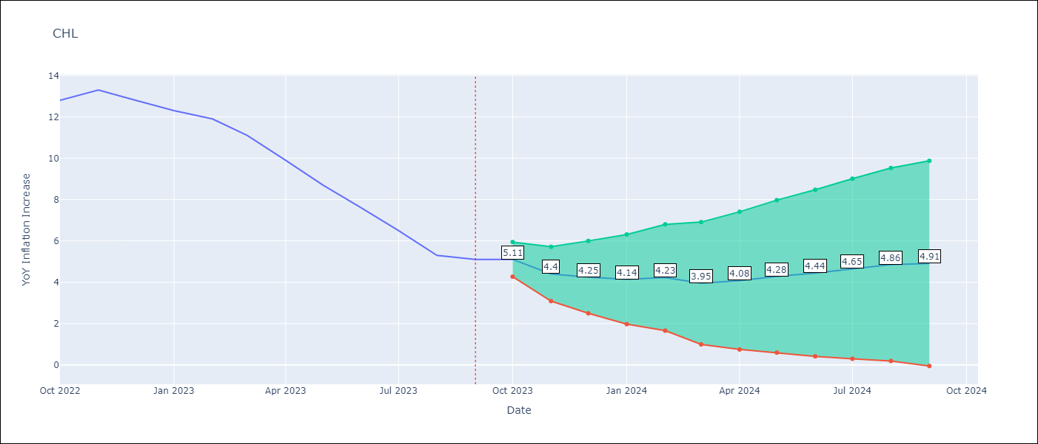

Test Metrics
RMSE | 3.01
Naive RMSE | 0.87
MAPE | 35.69%

Test Predictions
Date | Predicted | Actual
2022-10-01 | 13.69 | 12.8
2022-11-01 | 13.77 | 13.3
2022-12-01 | 13.65 | 12.8
2023-01-01 | 13.54 | 12.3
2023-02-01 | 13.75 | 11.9
2023-03-01 | 12.99 | 11.1
2023-04-01 | 12.41 | 9.9
2023-05-01 | 11.9 | 8.7
2023-06-01 | 11.36 | 7.6
2023-07-01 | 10.82 | 6.5
2023-08-01 | 10.18 | 5.3
2023-09-01 | 10.12 | 5.1

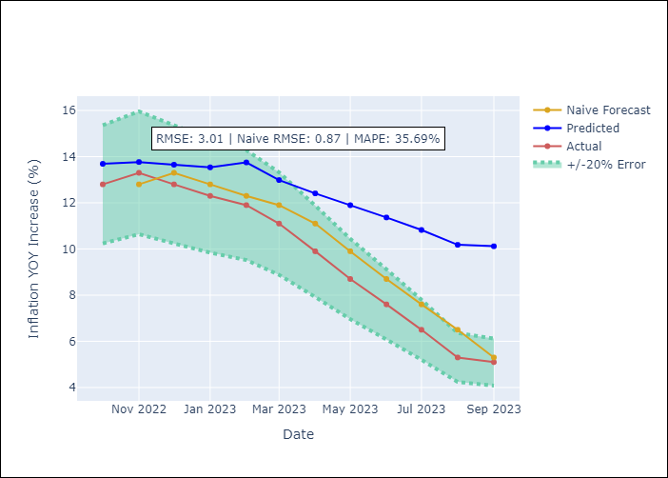

Appendix A: Model Summary
Model | ARIMA(2, 0, 1)x(0, 0, [1, 2, 3], 12)
Sample | 01-01-1990- 09-01-2023
No. of Observations | 405
Terms | P-value (Statistical significance)
const | 0.000
ar.L1 | 0.000
ar.L2 | 0.000
ma.L1 | 0.000
ma.S.L12 | 0.137
ma.S.L24 | 0.015
ma.S.L36 | 0.001
sigma2 | 0.310

Assumptions | P-value | Interpretation
Ljung-Box (L1) | 0.63
Heteroskedasticity | 0.00
Jarque-Bera | 0.01
Skew | -0.07
Kurtosis | 3.77

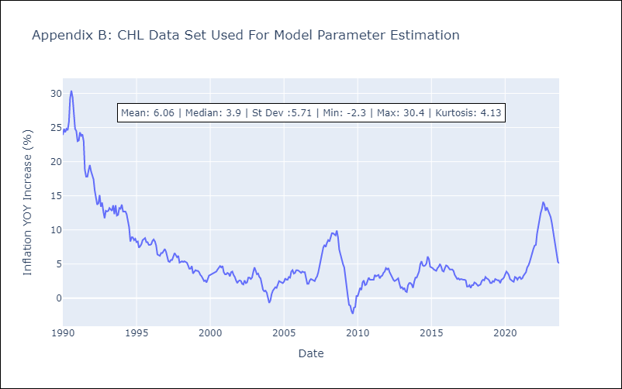

Appendix C: Residuals Analysis
Mean | -0.03
White Noise? | No - Correlation at Lags [ 1 2 3 4 5 6 7 8 9 10 11 12]
Normal? | No

COL
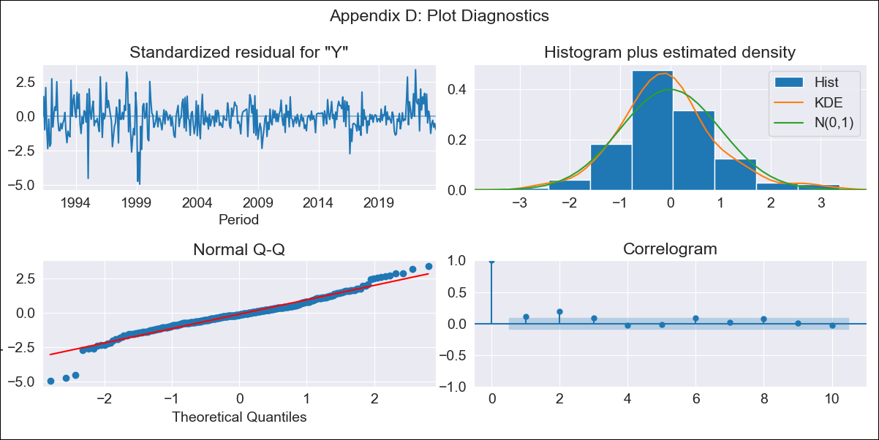
COL - Inflation - Next 12 months forecast as of: 2023-09-01

Model | ARIMA - [(2, 0, 2), (0, 0, 1, 12)]
Training Data | 1990-01-01 to 2022-10-01
Test Data | 2022-10-01 to 2023-09-01

Date | Inflation Change YoY % | Lower Bound - 95% Confidence Interval | Upper Bound - 95% Confidence Interval
2023-10-01 | 10.82 | 10.07 | 11.58
2023-11-01 | 10.84 | 9.5 | 12.17
2023-12-01 | 10.84 | 9.12 | 12.56
2024-01-01 | 10.84 | 8.81 | 12.87
2024-02-01 | 10.83 | 8.54 | 13.12
2024-03-01 | 10.83 | 8.31 | 13.35
2024-04-01 | 10.8 | 8.07 | 13.52
2024-05-01 | 10.79 | 7.87 | 13.7
2024-06-01 | 10.77 | 7.68 | 13.85
2024-07-01 | 10.75 | 7.51 | 14
2024-08-01 | 10.73 | 7.33 | 14.13
2024-09-01 | 10.71 | 7.18 | 14.25

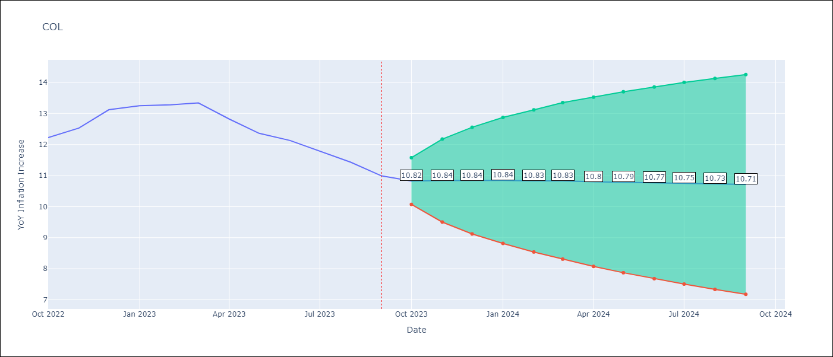

Test Metrics
RMSE | 0.99
Naive RMSE | 0.36
MAPE | 6.76%

Test Predictions
Date | Predicted | Actual
2022-10-01 | 11.68 | 12.22
2022-11-01 | 11.74 | 12.53
2022-12-01 | 11.74 | 13.12
2023-01-01 | 11.77 | 13.25
2023-02-01 | 11.79 | 13.28
2023-03-01 | 11.79 | 13.34
2023-04-01 | 11.8 | 12.82
2023-05-01 | 11.77 | 12.36
2023-06-01 | 11.77 | 12.13
2023-07-01 | 11.77 | 11.78
2023-08-01 | 11.77 | 11.43
2023-09-01 | 11.78 | 10.99

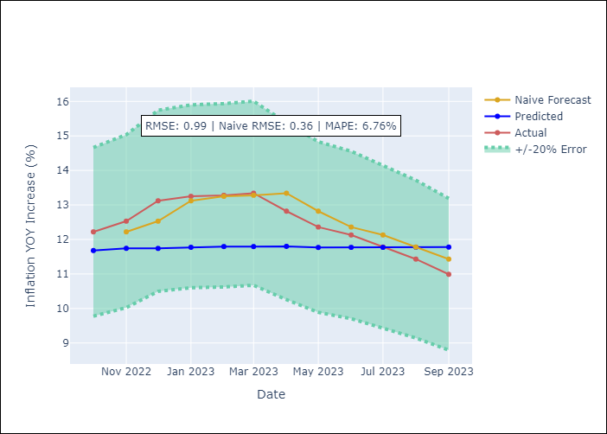

Appendix A: Model Summary
Model | ARIMA(2, 0, 2)x(0, 0, [1], 12)
Sample | 01-01-1990- 09-01-2023
No. of Observations | 405
Terms | P-value (Statistical significance)
const | 0.001
ar.L1 | 0.052
ar.L2 | 0.000
ma.L1 | 0.000
ma.L2 | 0.000
ma.S.L12 | 0.459
sigma2 | 0.714

Assumptions | P-value | Interpretation
Ljung-Box (L1) | 0.02
Heteroskedasticity | 0.00
Jarque-Bera | 0.00
Skew | -0.23
Kurtosis | 5.96

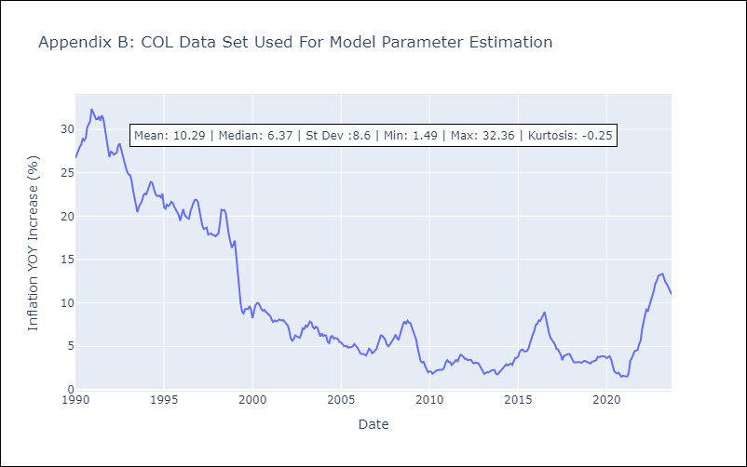

Appendix C: Residuals Analysis
Mean | 0.08
White Noise? | No - Correlation at Lags [ 1 2 3 4 5 6 7 8 9 10 11 12]
Normal? | No

ECU
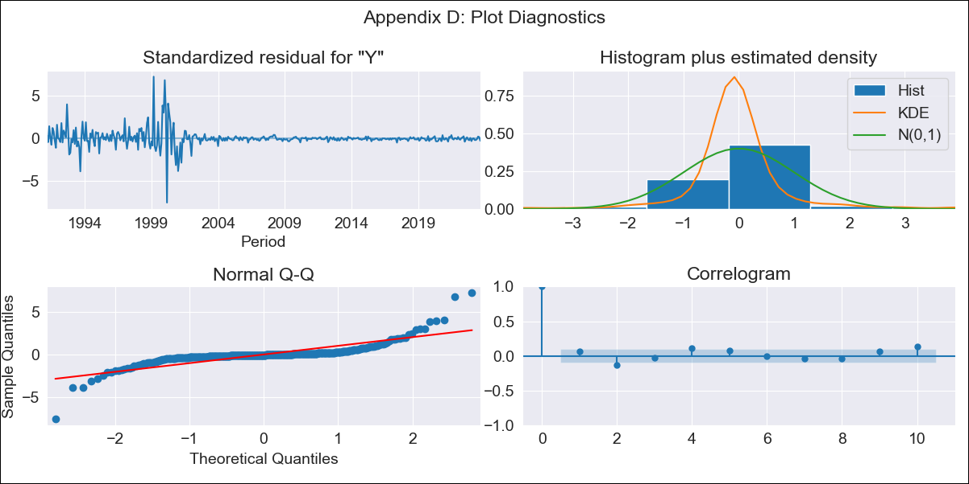
ECU - Inflation - Next 12 months forecast as of: 2023-09-01

Model | ARIMA - [(2, 0, 1), (0, 0, 1, 12)]
Training Data | 1990-01-01 to 2022-10-01
Test Data | 2022-10-01 to 2023-09-01

Date | Inflation Change YoY % | Lower Bound - 95% Confidence Interval | Upper Bound - 95% Confidence Interval
2023-10-01 | 2.4 | -1.91 | 6.71
2023-11-01 | 2.62 | -4.5 | 9.75
2023-12-01 | 2.92 | -6.86 | 12.69
2024-01-01 | 3.23 | -9.04 | 15.5
2024-02-01 | 3.58 | -11.02 | 18.17
2024-03-01 | 3.95 | -12.81 | 20.71
2024-04-01 | 4.32 | -14.44 | 23.08
2024-05-01 | 4.7 | -15.9 | 25.3
2024-06-01 | 5.09 | -17.21 | 27.38
2024-07-01 | 5.48 | -18.36 | 29.33
2024-08-01 | 5.88 | -19.39 | 31.14
2024-09-01 | 6.25 | -20.32 | 32.81

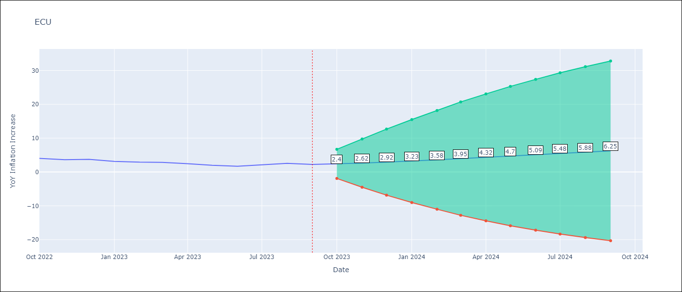

Test Metrics
RMSE | 4.03
Naive RMSE | 0.37
MAPE | 154.78%

Test Predictions
Date | Predicted | Actual
2022-10-01 | 4.41 | 4.02
2022-11-01 | 4.73 | 3.64
2022-12-01 | 5.07 | 3.74
2023-01-01 | 5.43 | 3.12
2023-02-01 | 5.79 | 2.9
2023-03-01 | 6.15 | 2.85
2023-04-01 | 6.51 | 2.44
2023-05-01 | 6.88 | 1.97
2023-06-01 | 7.25 | 1.69
2023-07-01 | 7.59 | 2.07
2023-08-01 | 7.93 | 2.56
2023-09-01 | 8.27 | 2.23

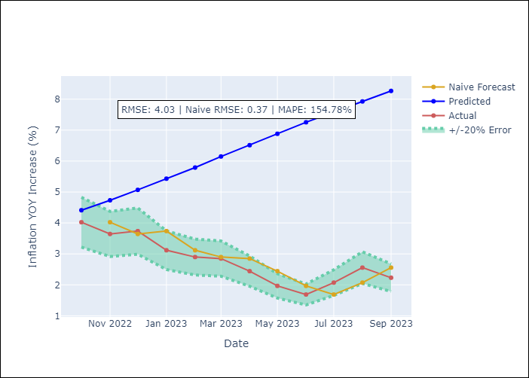

Appendix A: Model Summary
Model | ARIMA(2, 0, 1)x(0, 0, 1, 12)
Sample | 01-01-1990- 09-01-2023
No. of Observations | 405
Terms | P-value (Statistical significance)
const | 0.384
ar.L1 | 0.000
ar.L2 | 0.000
ma.L1 | 0.000
ma.S.L12 | 0.470
sigma2 | 0.720

Assumptions | P-value | Interpretation
Ljung-Box (L1) | 0.24
Heteroskedasticity | 0.00
Jarque-Bera | 0.00
Skew | 0.90
Kurtosis | 23.98

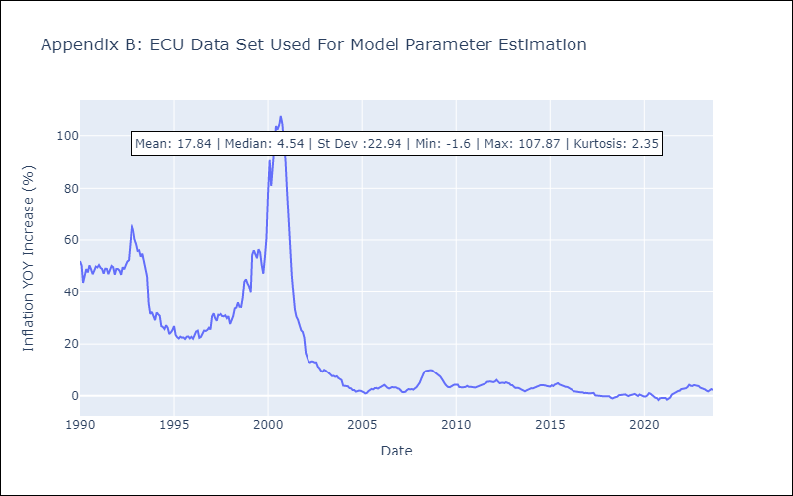

Appendix C: Residuals Analysis
Mean | -0.03
White Noise? | No - Correlation at Lags [ 1 2 3 4 5 6 7 8 9 10 11 12]
Normal? | No

PER
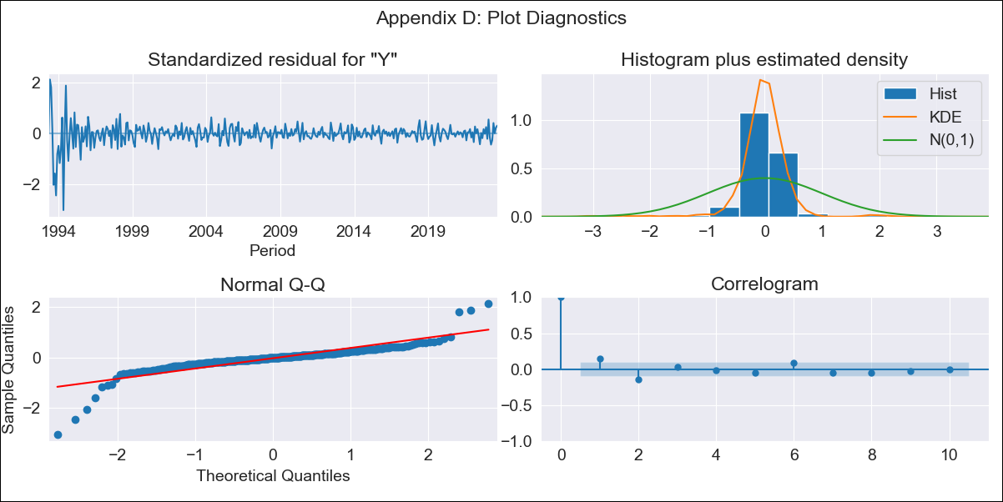
PER - Inflation - Next 12 months forecast as of: 2023-09-01

Model | ARIMA - [(2, 2, 0), (3, 0, 2, 12)]
Training Data | 1990-01-01 to 2022-10-01
Test Data | 2022-10-01 to 2023-09-01

Date | Inflation Change YoY % | Lower Bound - 95% Confidence Interval | Upper Bound - 95% Confidence Interval
2023-10-01 | 55.27 | -786.32 | 896.86
2023-11-01 | 1530.77 | -23656.93 | 26718.47
2023-12-01 | 43423.21 | -672677.26 | 759523.68
2024-01-01 | 1231206.16 | -19073875.81 | 21536288.14
2024-02-01 | 34906703.72 | -540775468.53 | 610588875.97
2024-03-01 | 989656759.51 | -15331784461 | 17311097980
2024-04-01 | 28058226976 | -4.346786736E+11 | 4.9079512756E+11
2024-05-01 | 7.9549205809E+11 | -1.2323780579E+13 | 13914764695119
2024-06-01 | 2.2553371416E+13 | -3.4939732939E+14 | 3.9450407223E+14
2024-07-01 | 6.3942129536E+14 | -9.9059288668E+15 | 1.1184771458E+16
2024-08-01 | 1.8128535438E+16 | -2.8084767243E+17 | 3.1710474331E+17
2024-09-01 | 5.1397067865E+17 | -7.9624451348E+18 | 8.9903864921E+18

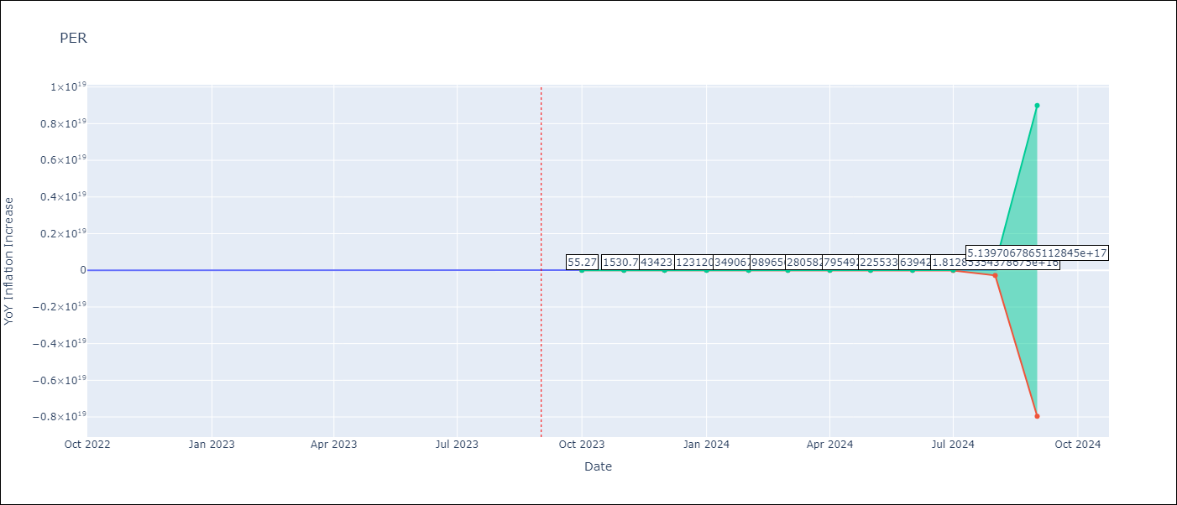

Test Metrics
RMSE | 1.6325706505774242e+16
Naive RMSE | 0.53
MAPE | 9.308105915782186e+16%

Test Predictions
Date | Predicted | Actual
2022-10-01 | -54.92 | 8.64
2022-11-01 | -1535.86 | 8.64
2022-12-01 | -35298.05 | 8.56
2023-01-01 | -801669.27 | 8.87
2023-02-01 | -18197680.77 | 8.99
2023-03-01 | -413066823.33 | 8.67
2023-04-01 | -9376132855.4 | 8.04
2023-05-01 | -2.128272104E+11 | 7.99
2023-06-01 | -4.8309278488E+12 | 6.71
2023-07-01 | -1.0965639136E+14 | 6.02
2023-08-01 | -2.4890713633E+15 | 5.79
2023-09-01 | -5.649899814E+16 | 5.27

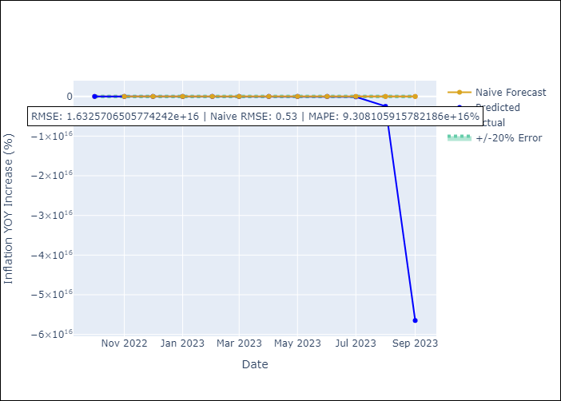

Appendix A: Model Summary
Model | ARIMA(2, 2, 0)x(3, 0, [1, 2], 12)
Sample | 01-01-1990- 09-01-2023
No. of Observations | 405
Terms | P-value (Statistical significance)
ar.L1 | 0.577
ar.L2 | 0.550
ar.S.L12 | 0.567
ar.S.L24 | 0.576
ar.S.L36 | 0.727
ma.S.L12 | 0.045
ma.S.L24 | 0.700
sigma2 | 0.000

Assumptions | P-value | Interpretation
Ljung-Box (L1) | 0.00
Heteroskedasticity | 0.00
Jarque-Bera | 0.00
Skew | -1.34
Kurtosis | 19.57

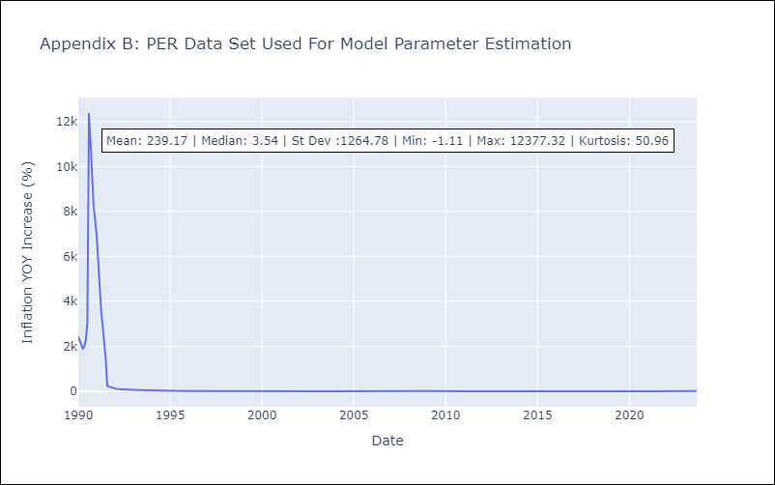

Appendix C: Residuals Analysis
Mean | -293.94
White Noise? | No - Correlation at Lags [ 1 2 3 4 5 6 7 8 9 10 11 12]
Normal? | No

PRY
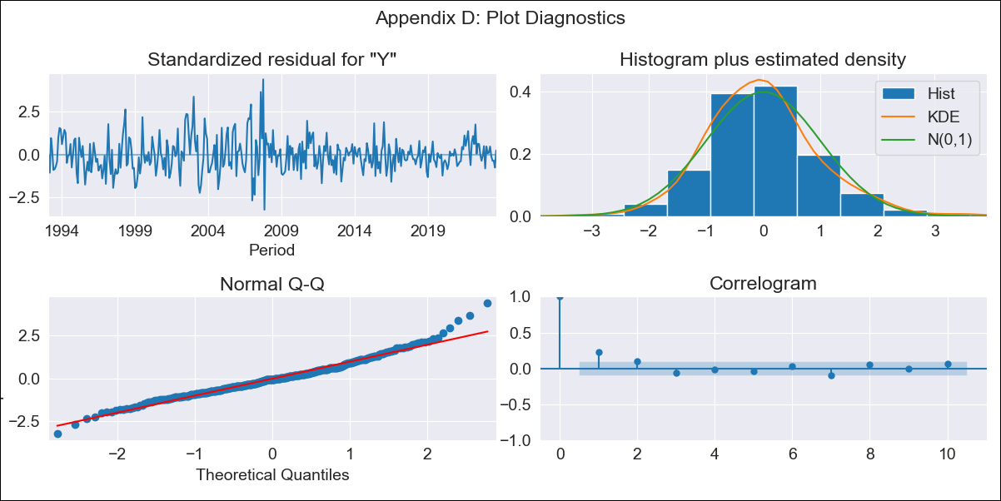
PRY - Inflation - Next 12 months forecast as of: 2023-09-01

Model | ARIMA - [(1, 0, 0), (2, 0, 3, 12)]
Training Data | 1990-01-01 to 2022-10-01
Test Data | 2022-10-01 to 2023-09-01

Date | Inflation Change YoY % | Lower Bound - 95% Confidence Interval | Upper Bound - 95% Confidence Interval
2023-10-01 | 3.58 | 1.92 | 5.24
2023-11-01 | 3.18 | 0.84 | 5.52
2023-12-01 | 3.84 | 0.99 | 6.69
2024-01-01 | 3.47 | 0.2 | 6.75
2024-02-01 | 3.46 | -0.19 | 7.1
2024-03-01 | 3.38 | -0.59 | 7.35
2024-04-01 | 3.06 | -1.2 | 7.33
2024-05-01 | 3.21 | -1.33 | 7.75
2024-06-01 | 3.57 | -1.22 | 8.36
2024-07-01 | 3.92 | -1.11 | 8.94
2024-08-01 | 4.57 | -0.68 | 9.81
2024-09-01 | 4.36 | -1.09 | 9.81

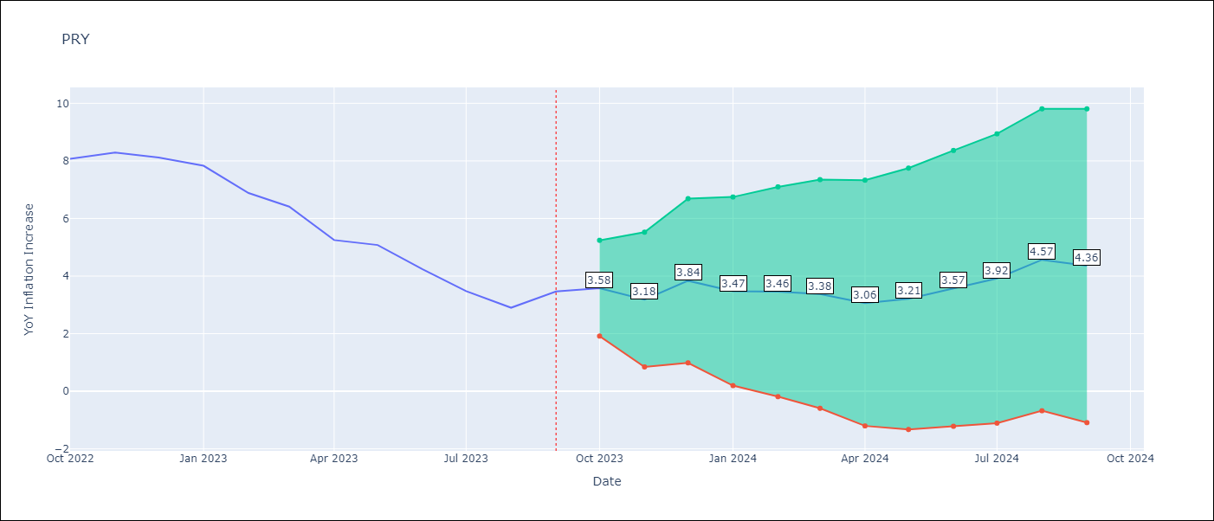

Test Metrics
RMSE | 1.17
Naive RMSE | 0.65
MAPE | 22.31%

Test Predictions
Date | Predicted | Actual
2022-10-01 | 8.35 | 8.07
2022-11-01 | 8.48 | 8.29
2022-12-01 | 9.04 | 8.12
2023-01-01 | 8.25 | 7.83
2023-02-01 | 7.37 | 6.88
2023-03-01 | 6.77 | 6.41
2023-04-01 | 5.43 | 5.25
2023-05-01 | 5.58 | 5.08
2023-06-01 | 5.25 | 4.24
2023-07-01 | 5.08 | 3.48
2023-08-01 | 5.23 | 2.9
2023-09-01 | 5.86 | 3.47

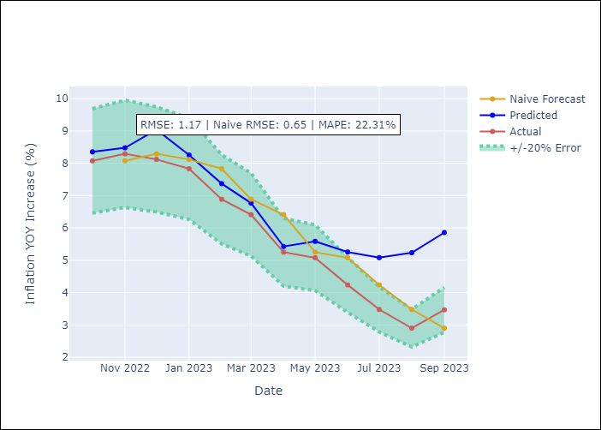

Appendix A: Model Summary
Model | ARIMA(1, 0, 0)x(2, 0, [1, 2, 3], 12)
Sample | 01-01-1990- 09-01-2023
No. of Observations | 405
Terms | P-value (Statistical significance)
const | 0.003
ar.L1 | 0.000
ar.S.L12 | 0.000
ar.S.L24 | 0.015
ma.S.L12 | 0.204
ma.S.L24 | 0.038
ma.S.L36 | 0.086
sigma2 | 0.000

Assumptions | P-value | Interpretation
Ljung-Box (L1) | 0.00
Heteroskedasticity | 0.00
Jarque-Bera | 0.00
Skew | 0.57
Kurtosis | 4.60

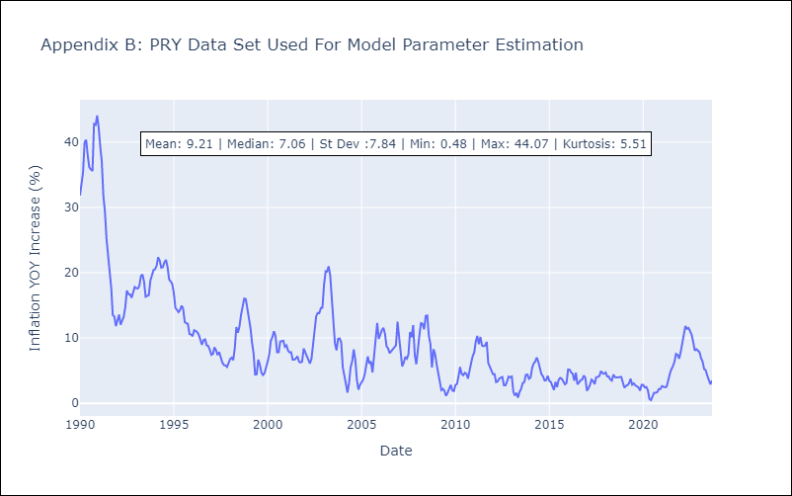

Appendix C: Residuals Analysis
Mean | 0.1
White Noise? | No - Correlation at Lags [ 1 2 3 4 5 6 7 8 9 10 11 12]
Normal? | No

URY
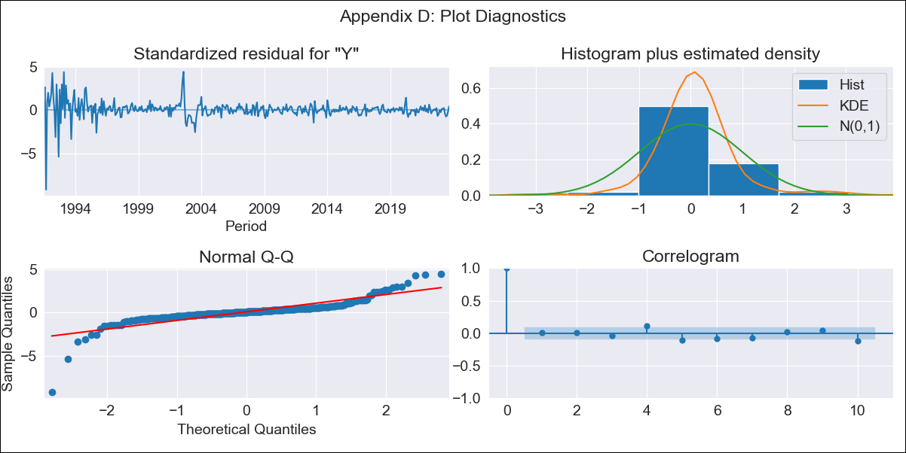
URY - Inflation - Next 12 months forecast as of: 2023-09-01

Model | ARIMA - [(0, 2, 3), (0, 0, 1, 12)]
Training Data | 1990-01-01 to 2022-10-01
Test Data | 2022-10-01 to 2023-09-01

Date | Inflation Change YoY % | Lower Bound - 95% Confidence Interval | Upper Bound - 95% Confidence Interval
2023-10-01 | 3.76 | 1.57 | 5.94
2023-11-01 | 3.57 | 0.08 | 7.06
2023-12-01 | 3.14 | -1.44 | 7.71
2024-01-01 | 2.86 | -2.89 | 8.61
2024-02-01 | 2.42 | -4.58 | 9.42
2024-03-01 | 1.93 | -6.39 | 10.25
2024-04-01 | 1.39 | -8.34 | 11.11
2024-05-01 | 1.2 | -9.99 | 12.39
2024-06-01 | 1.34 | -11.39 | 14.06
2024-07-01 | 1.47 | -12.85 | 15.79
2024-08-01 | 1.35 | -14.62 | 17.33
2024-09-01 | 0.88 | -16.81 | 18.58

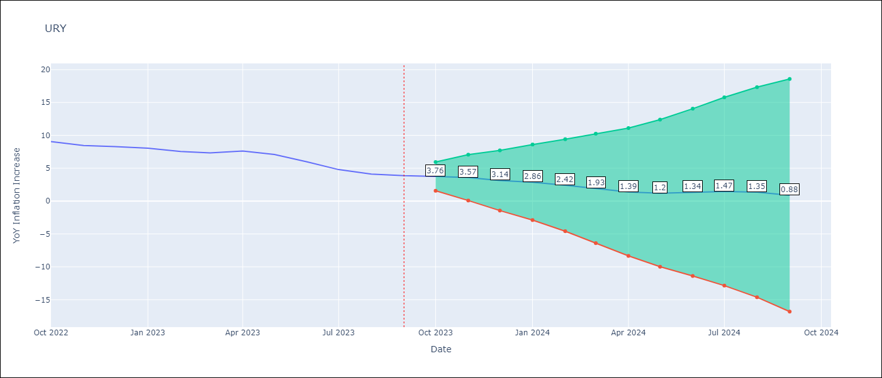

Test Metrics
RMSE | 3.98
Naive RMSE | 0.62
MAPE | 63.9%

Test Predictions
Date | Predicted | Actual
2022-10-01 | 9.8 | 9.05
2022-11-01 | 9.97 | 8.46
2022-12-01 | 10.04 | 8.29
2023-01-01 | 10.32 | 8.05
2023-02-01 | 10.06 | 7.55
2023-03-01 | 10 | 7.33
2023-04-01 | 10.34 | 7.61
2023-05-01 | 10.51 | 7.1
2023-06-01 | 10.61 | 5.98
2023-07-01 | 10.64 | 4.79
2023-08-01 | 10.75 | 4.11
2023-09-01 | 10.71 | 3.87

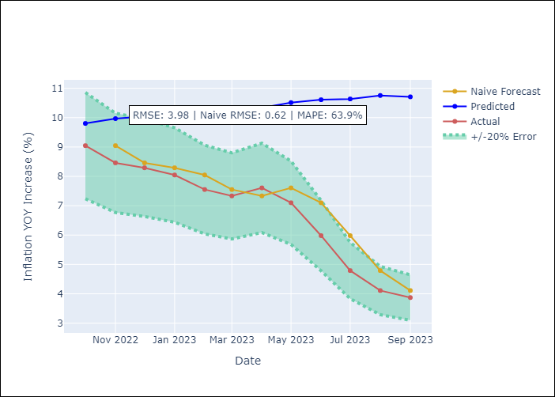

Appendix A: Model Summary
Model | ARIMA(0, 2, 3)x(0, 0, [1], 12)
Sample | 01-01-1990- 09-01-2023
No. of Observations | 405
Terms | P-value (Statistical significance)
ma.L1 | 0.000
ma.L2 | 0.000
ma.L3 | 0.000
ma.S.L12 | 0.000
sigma2 | 0.000

Assumptions | P-value | Interpretation
Ljung-Box (L1) | 0.86
Heteroskedasticity | 0.00
Jarque-Bera | 0.00
Skew | -1.70
Kurtosis | 26.79

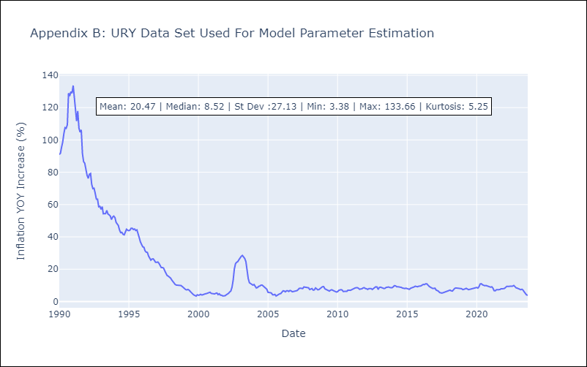

Appendix C: Residuals Analysis
Mean | 0.14
White Noise? | No - Correlation at Lags [ 1 2 3 4 5 6 7 8 9 10 11 12]
Normal? | No

VEN
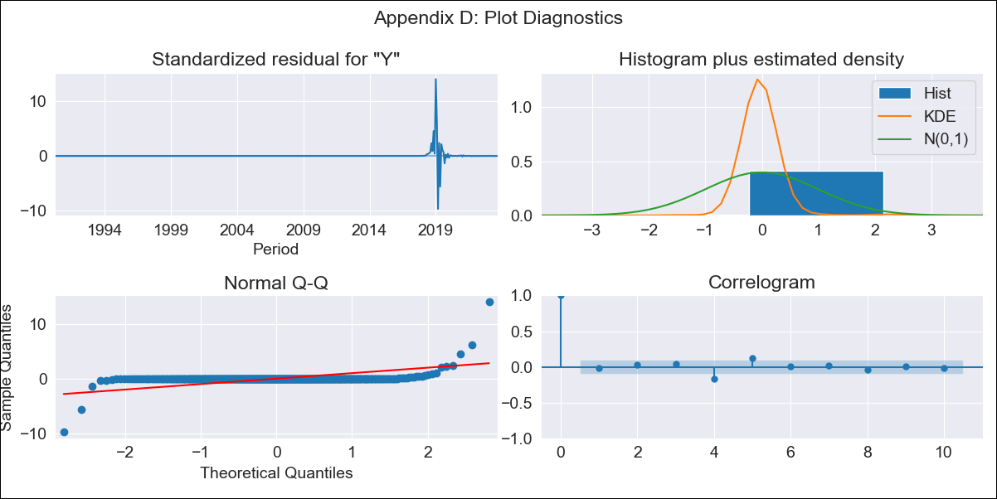
VEN - Inflation - Next 12 months forecast as of: 2023-09-01

Model | ARIMA - [(3, 0, 0), (0, 0, 0, 12)]
Training Data | 1990-01-01 to 2022-10-01
Test Data | 2022-10-01 to 2023-09-01

Date | Inflation Change YoY % | Lower Bound - 95% Confidence Interval | Upper Bound - 95% Confidence Interval
2023-10-01 | 820.09 | -12715.84 | 14356.03
2023-11-01 | 1489.23 | -26710.8 | 29689.27
2023-12-01 | 2245.21 | -38740.27 | 43230.69
2024-01-01 | 2967.87 | -47500.35 | 53436.09
2024-02-01 | 3591.11 | -53173.57 | 60355.8
2024-03-01 | 4092.34 | -56513.5 | 64698.18
2024-04-01 | 4475.91 | -58319.13 | 67270.94
2024-05-01 | 4759.17 | -59217.29 | 68735.64
2024-06-01 | 4963.23 | -59624.59 | 69551.04
2024-07-01 | 5107.86 | -59787.08 | 70002.81
2024-08-01 | 5209.49 | -59837.07 | 70256.05
2024-09-01 | 5280.7 | -59840.2 | 70401.6

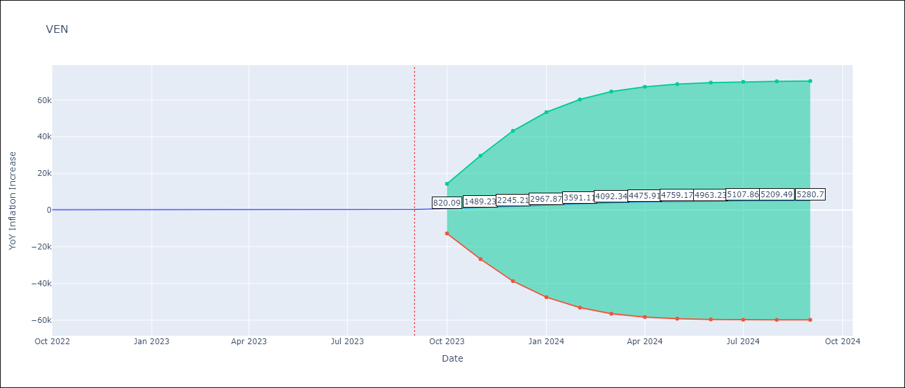

Test Metrics
RMSE | 3710.03
Naive RMSE | 57.04
MAPE | 931.16%

Test Predictions
Date | Predicted | Actual
2022-10-01 | 564.63 | 155.8
2022-11-01 | 1253.61 | 165.6
2022-12-01 | 2058.13 | 234.08
2023-01-01 | 2842.31 | 344.91
2023-02-01 | 3527.39 | 415.57
2023-03-01 | 4083.36 | 439.61
2023-04-01 | 4511.59 | 436.34
2023-05-01 | 4829.25 | 429.21
2023-06-01 | 5058.73 | 404.37
2023-07-01 | 5221.61 | 398.19
2023-08-01 | 5336.08 | 317.63
2023-09-01 | 5416.2 | 394.76

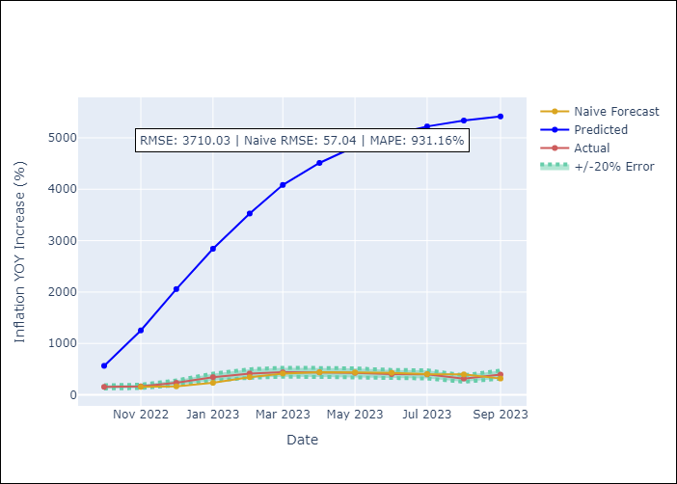

Appendix A: Model Summary
Model | ARIMA(3, 0, 0)
Sample | 01-01-1990- 09-01-2023
No. of Observations | 405
Terms | P-value (Statistical significance)
const | 0.636
ar.L1 | 0.000
ar.L2 | 0.000
ar.L3 | 0.000
sigma2 | 0.000

Assumptions | P-value | Interpretation
Ljung-Box (L1) | 0.82
Heteroskedasticity | 0.00
Jarque-Bera | 0.00
Skew | 4.99
Kurtosis | 125.25

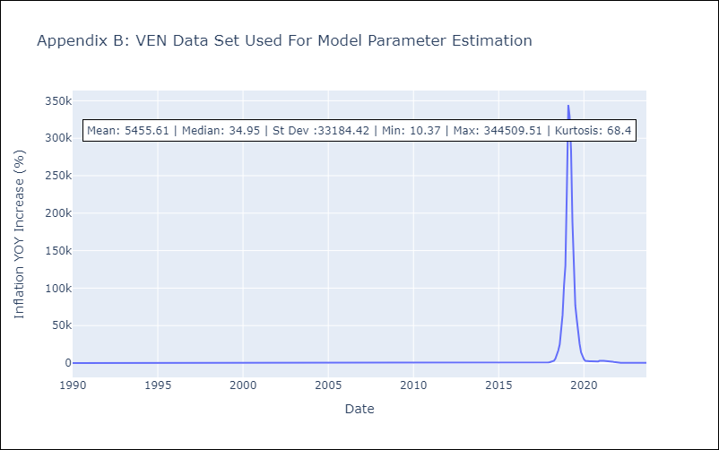

Appendix C: Residuals Analysis
Mean | -3.43
White Noise? | No - Correlation at Lags [ 4 5 6 7 8 9 10 11]
Normal? | No

