ARGlt
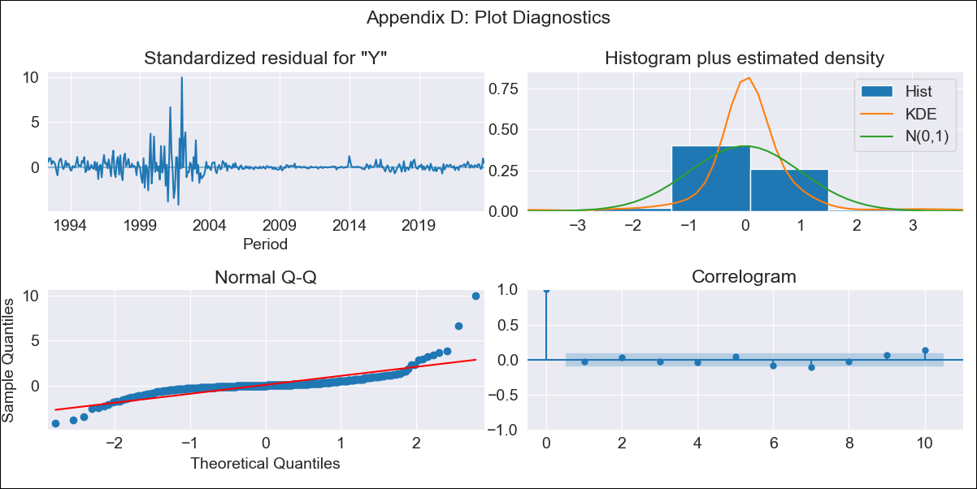
ARGlt - Inflation - Next 12 months forecast as of: 2023-09-01

Model | ARIMA - [(1, 2, 1), (0, 0, 1, 12)]
Training Data | 1991-01-01 to 2022-10-01
Test Data | 2022-10-01 to 2023-09-01

Date | Inflation Change YoY % | Lower Bound - 95% Confidence Interval | Upper Bound - 95% Confidence Interval
2023-10-01 | 145 | 136.48 | 153.53
2023-11-01 | 149.15 | 140.62 | 157.67
2023-12-01 | 152.57 | 144.05 | 161.09
2024-01-01 | 154.25 | 145.73 | 162.77
2024-02-01 | 155.36 | 146.84 | 163.88
2024-03-01 | 157 | 148.47 | 165.52
2024-04-01 | 157.12 | 148.6 | 165.64
2024-05-01 | 156.89 | 148.37 | 165.41
2024-06-01 | 158.89 | 150.37 | 167.42
2024-07-01 | 161.56 | 153.03 | 170.08
2024-08-01 | 158.87 | 150.35 | 167.39
2024-09-01 | 156.29 | 147.77 | 164.82

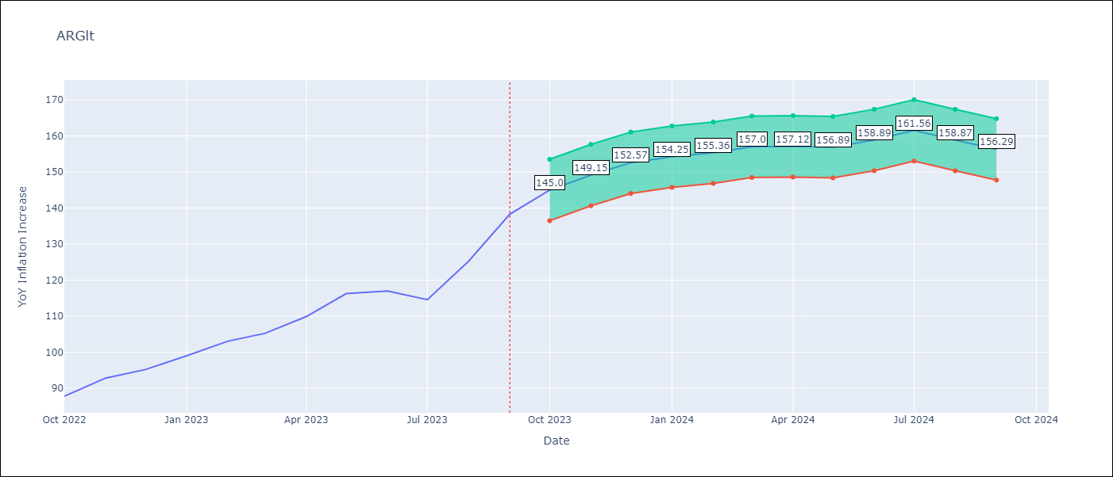

Test Metrics
RMSE | 24.99
Naive RMSE | 6.17
MAPE | 17.39%

Test Predictions
Date | Predicted | Actual
2022-10-01 | 85.28 | 87.8
2022-11-01 | 87.98 | 92.82
2022-12-01 | 89.35 | 95.19
2023-01-01 | 90 | 99.01
2023-02-01 | 90.33 | 103.06
2023-03-01 | 90.24 | 105.25
2023-04-01 | 89.52 | 109.89
2023-05-01 | 89.5 | 116.26
2023-06-01 | 88.99 | 116.97
2023-07-01 | 87.18 | 114.59
2023-08-01 | 85.88 | 125.24
2023-09-01 | 85.87 | 138.3

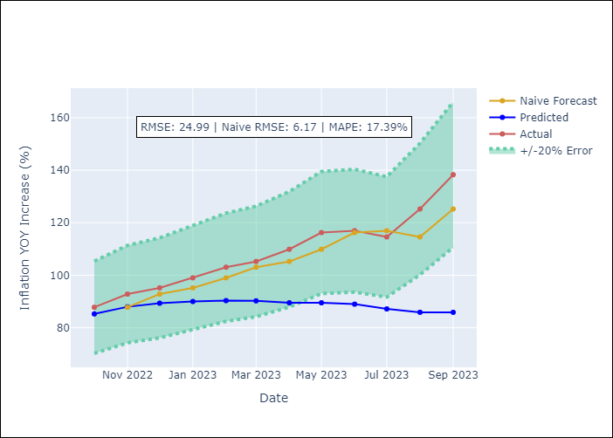

Appendix A: Model Summary
Model | ARIMA(1, 2, 1)x(0, 0, 1, 12)
Sample | 01-01-1991- 09-01-2023
No. of Observations | 393
Terms | P-value (Statistical significance)
ar.L1 | 0.000
ma.L1 | 0.000
ma.S.L12 | 0.000
sigma2 | 0.000

Assumptions | P-value | Interpretation
Ljung-Box (L1) | 0.55
Heteroskedasticity | 0.00
Jarque-Bera | 0.00
Skew | 3.27
Kurtosis | 35.26

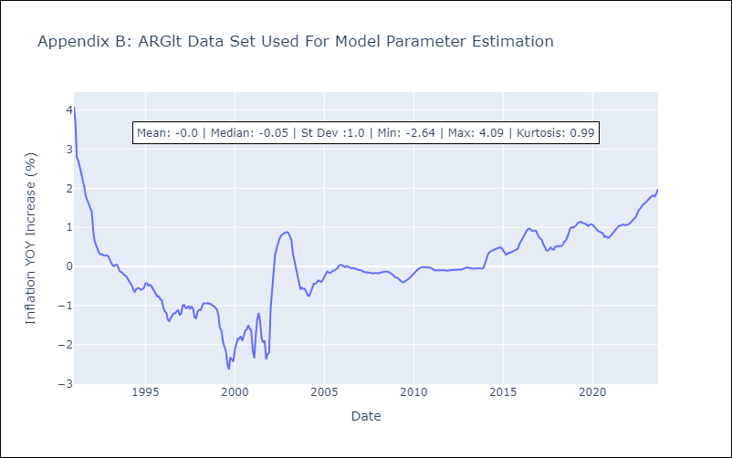

Appendix C: Residuals Analysis
Mean | 0.01
White Noise? | No - Correlation at Lags [ 1 2 3 4 5 6 7 8 9 10 11 12]
Normal? | No

BOLlt
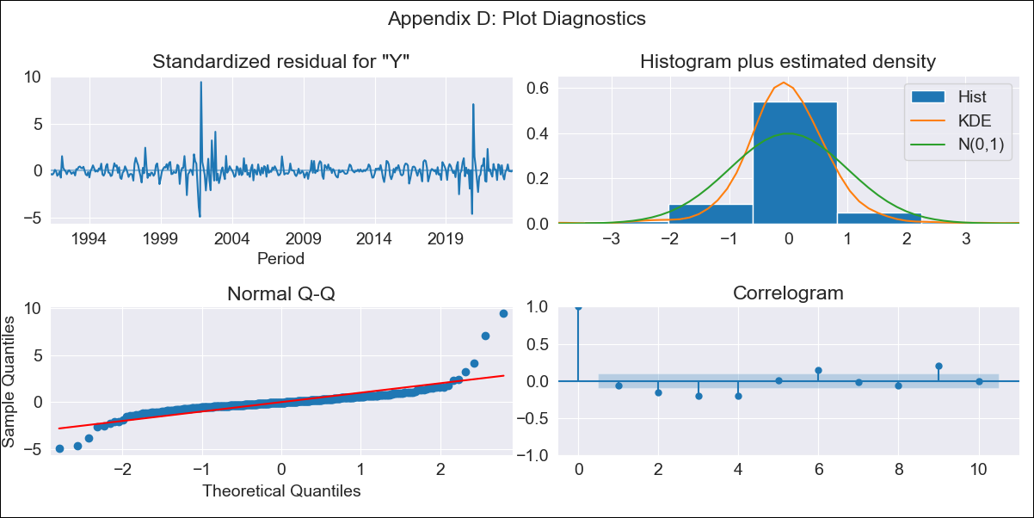
BOLlt - Inflation - Next 12 months forecast as of: 2023-09-01

Model | ARIMA - [(3, 2, 0), (0, 0, 1, 12)]
Training Data | 1990-01-01 to 2022-10-01
Test Data | 2022-10-01 to 2023-09-01

Date | Inflation Change YoY % | Lower Bound - 95% Confidence Interval | Upper Bound - 95% Confidence Interval
2023-10-01 | 2.63 | 2.14 | 3.13
2023-11-01 | 2.8 | 2.31 | 3.29
2023-12-01 | 2.59 | 2.1 | 3.08
2024-01-01 | 2.67 | 2.18 | 3.17
2024-02-01 | 2.99 | 2.5 | 3.49
2024-03-01 | 3.1 | 2.61 | 3.59
2024-04-01 | 3.14 | 2.65 | 3.64
2024-05-01 | 3.04 | 2.55 | 3.53
2024-06-01 | 3.17 | 2.68 | 3.66
2024-07-01 | 3.23 | 2.74 | 3.72
2024-08-01 | 3.29 | 2.8 | 3.78
2024-09-01 | 3.33 | 2.84 | 3.82

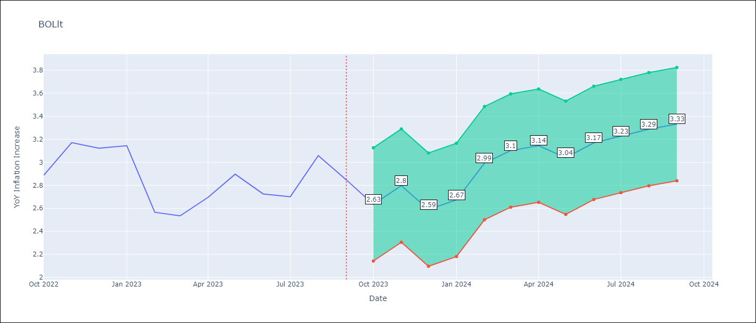

Test Metrics
RMSE | 0.56
Naive RMSE | 0.25
MAPE | 17.71%

Test Predictions
Date | Predicted | Actual
2022-10-01 | 2.39 | 2.89
2022-11-01 | 2.95 | 3.17
2022-12-01 | 2.29 | 3.12
2023-01-01 | 2.58 | 3.14
2023-02-01 | 2.74 | 2.57
2023-03-01 | 2.91 | 2.53
2023-04-01 | 3.17 | 2.7
2023-05-01 | 3.12 | 2.9
2023-06-01 | 3.22 | 2.73
2023-07-01 | 3.31 | 2.7
2023-08-01 | 3.86 | 3.06
2023-09-01 | 3.7 | 2.85

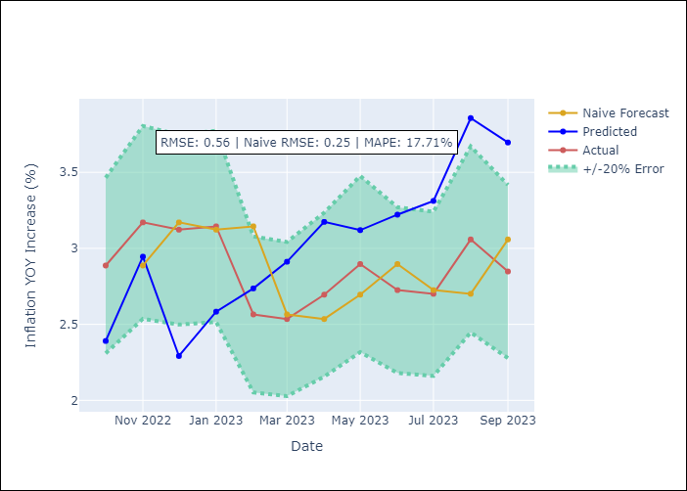

Appendix A: Model Summary
Model | ARIMA(3, 2, 0)x(0, 0, [1], 12)
Sample | 01-01-1990- 09-01-2023
No. of Observations | 405
Terms | P-value (Statistical significance)
ar.L1 | 0.000
ar.L2 | 0.000
ar.L3 | 0.000
ma.S.L12 | 0.000
sigma2 | 0.000

Assumptions | P-value | Interpretation
Ljung-Box (L1) | 0.24
Heteroskedasticity | 0.10
Jarque-Bera | 0.00
Skew | 2.53
Kurtosis | 31.61

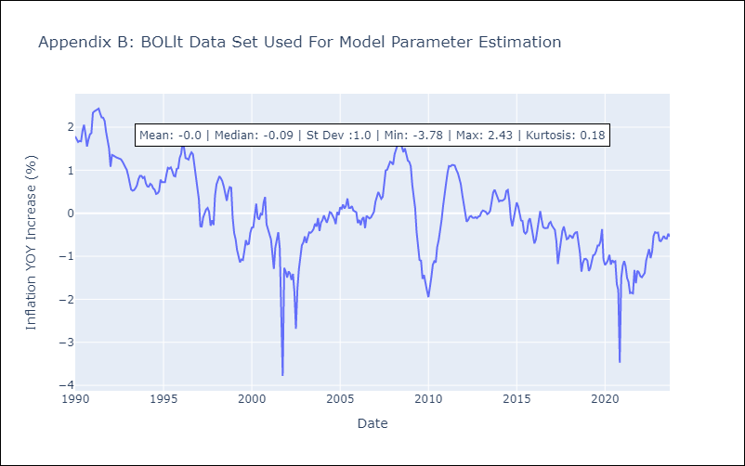

Appendix C: Residuals Analysis
Mean | -0.0
White Noise? | No - Correlation at Lags [ 2 3 4 5 6 7 8 9 10 11 12]
Normal? | No

BRAlt
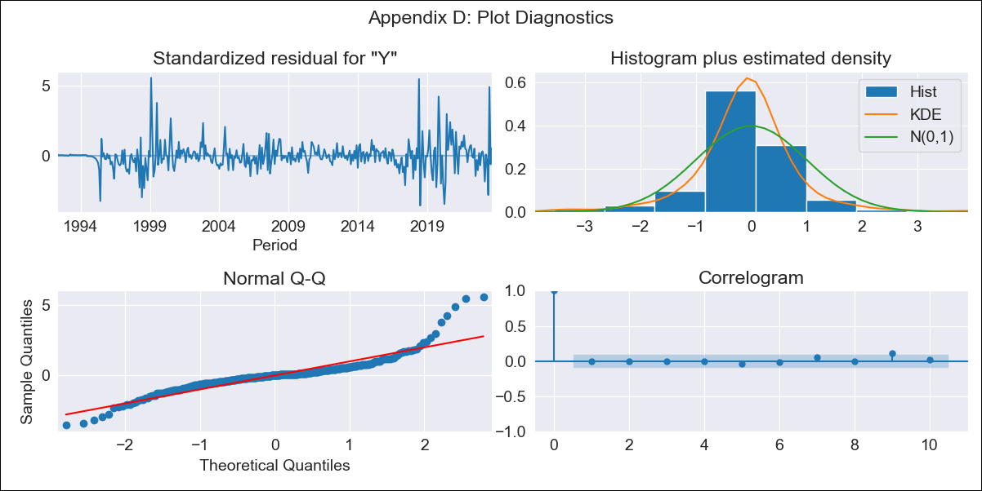
BRAlt - Inflation - Next 12 months forecast as of: 2023-09-01

Model | ARIMA - [(3, 1, 0), (2, 0, 0, 12)]
Training Data | 1990-01-01 to 2022-10-01
Test Data | 2022-10-01 to 2023-09-01

Date | Inflation Change YoY % | Lower Bound - 95% Confidence Interval | Upper Bound - 95% Confidence Interval
2023-10-01 | 5.58 | 4 | 7.17
2023-11-01 | 5.95 | 4.36 | 7.53
2023-12-01 | 6.12 | 4.54 | 7.71
2024-01-01 | 6.16 | 4.58 | 7.75
2024-02-01 | 6.27 | 4.69 | 7.86
2024-03-01 | 6.85 | 5.27 | 8.43
2024-04-01 | 7.22 | 5.63 | 8.8
2024-05-01 | 7.5 | 5.91 | 9.08
2024-06-01 | 8.57 | 6.99 | 10.15
2024-07-01 | 7.57 | 5.99 | 9.16
2024-08-01 | 7.11 | 5.52 | 8.69
2024-09-01 | 6.85 | 5.26 | 8.43

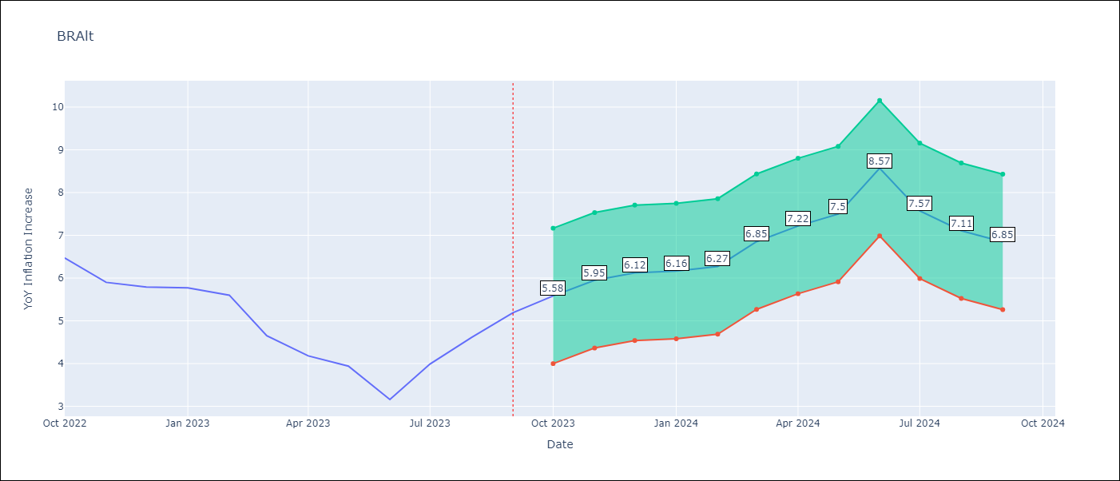

Test Metrics
RMSE | 0.98
Naive RMSE | 0.57
MAPE | 19.08%

Test Predictions
Date | Predicted | Actual
2022-10-01 | 6.36 | 6.47
2022-11-01 | 6.07 | 5.9
2022-12-01 | 6.05 | 5.79
2023-01-01 | 5.9 | 5.77
2023-02-01 | 5.73 | 5.6
2023-03-01 | 5.48 | 4.65
2023-04-01 | 5.29 | 4.18
2023-05-01 | 5.23 | 3.94
2023-06-01 | 5.19 | 3.16
2023-07-01 | 5.41 | 3.99
2023-08-01 | 5.64 | 4.61
2023-09-01 | 6.03 | 5.19

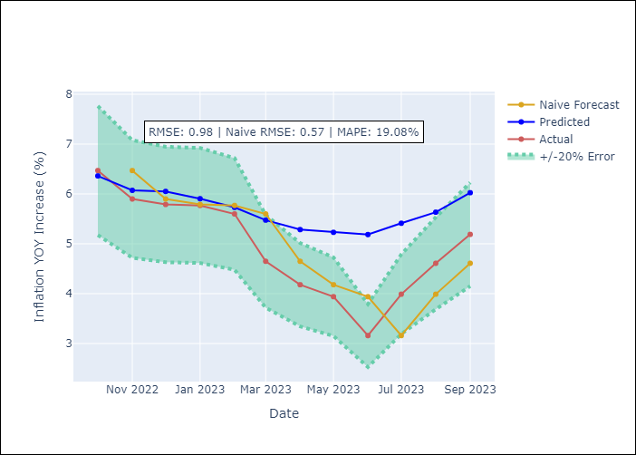

Appendix A: Model Summary
Model | ARIMA(3, 1, 0)x(2, 0, 0, 12)
Sample | 01-01-1990- 09-01-2023
No. of Observations | 405
Terms | P-value (Statistical significance)
ar.L1 | 0.000
ar.L2 | 0.003
ar.L3 | 0.026
ar.S.L12 | 0.000
ar.S.L24 | 0.011
sigma2 | 0.000

Assumptions | P-value | Interpretation
Ljung-Box (L1) | 0.99
Heteroskedasticity | 0.00
Jarque-Bera | 0.00
Skew | 1.18
Kurtosis | 10.94

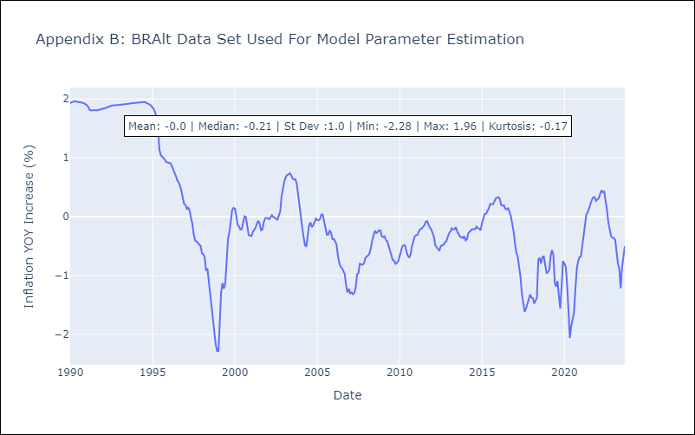

Appendix C: Residuals Analysis
Mean | 0.0
White Noise? | No - Correlation at Lags [1 2 3 4]
Normal? | No

CHLlt
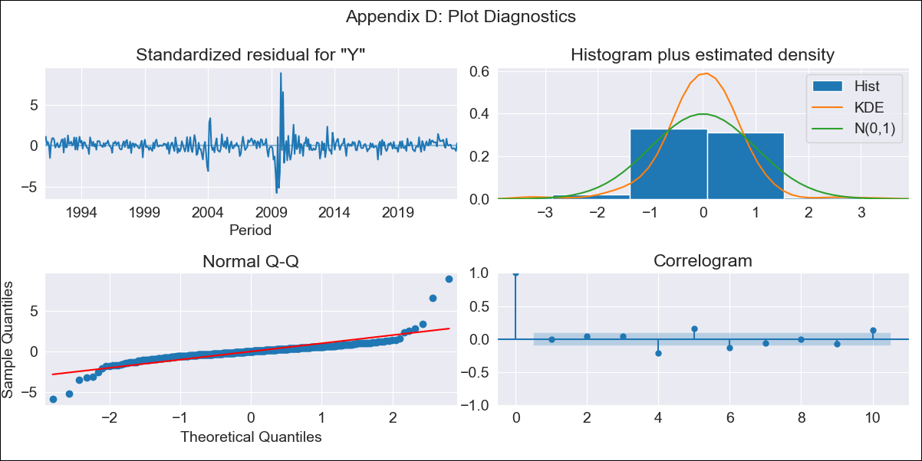
CHLlt - Inflation - Next 12 months forecast as of: 2023-09-01

Model | ARIMA - [(3, 0, 0), (0, 0, 1, 12)]
Training Data | 1990-01-01 to 2022-10-01
Test Data | 2022-10-01 to 2023-09-01

Date | Inflation Change YoY % | Lower Bound - 95% Confidence Interval | Upper Bound - 95% Confidence Interval
2023-10-01 | 4.85 | 4.51 | 5.18
2023-11-01 | 4.58 | 4.24 | 4.92
2023-12-01 | 4.44 | 4.11 | 4.78
2024-01-01 | 4.35 | 4.01 | 4.69
2024-02-01 | 4.28 | 3.94 | 4.62
2024-03-01 | 4.22 | 3.88 | 4.56
2024-04-01 | 4.24 | 3.91 | 4.58
2024-05-01 | 4.3 | 3.96 | 4.63
2024-06-01 | 4.35 | 4.02 | 4.69
2024-07-01 | 4.44 | 4.1 | 4.78
2024-08-01 | 4.57 | 4.23 | 4.91
2024-09-01 | 4.54 | 4.21 | 4.88

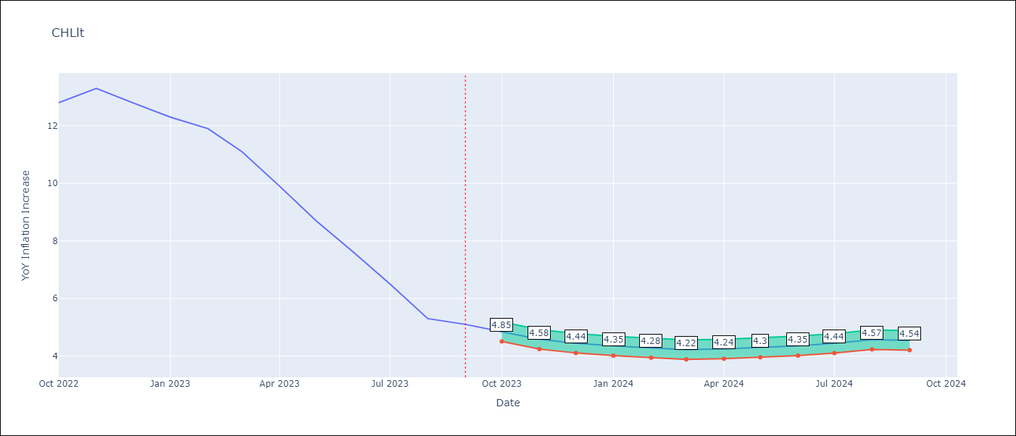

Test Metrics
RMSE | 1.04
Naive RMSE | 0.87
MAPE | 11.27%

Test Predictions
Date | Predicted | Actual
2022-10-01 | 13.21 | 12.8
2022-11-01 | 12.52 | 13.3
2022-12-01 | 11.81 | 12.8
2023-01-01 | 11.1 | 12.3
2023-02-01 | 10.57 | 11.9
2023-03-01 | 9.68 | 11.1
2023-04-01 | 8.95 | 9.9
2023-05-01 | 8.33 | 8.7
2023-06-01 | 7.77 | 7.6
2023-07-01 | 7.28 | 6.5
2023-08-01 | 6.81 | 5.3
2023-09-01 | 6.54 | 5.1

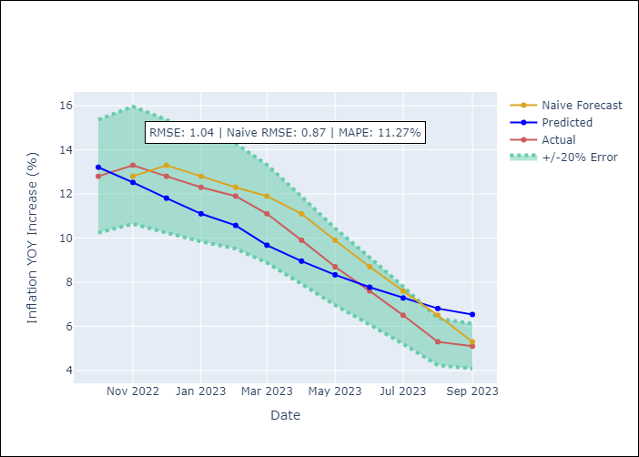

Appendix A: Model Summary
Model | ARIMA(3, 0, 0)x(0, 0, [1], 12)
Sample | 01-01-1990- 09-01-2023
No. of Observations | 405
Terms | P-value (Statistical significance)
const | 0.552
ar.L1 | 0.000
ar.L2 | 0.463
ar.L3 | 0.000
ma.S.L12 | 0.000
sigma2 | 0.000

Assumptions | P-value | Interpretation
Ljung-Box (L1) | 0.91
Heteroskedasticity | 0.19
Jarque-Bera | 0.00
Skew | 1.47
Kurtosis | 27.26

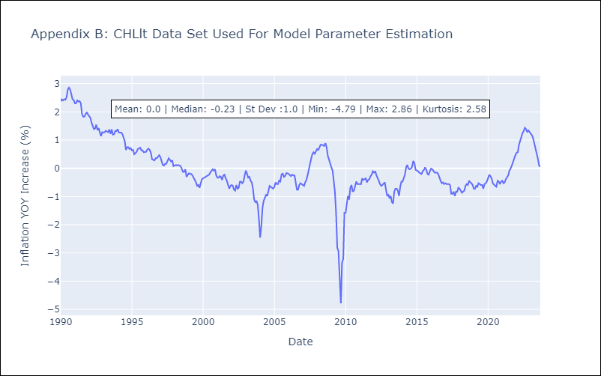

Appendix C: Residuals Analysis
Mean | 0.01
White Noise? | No - Correlation at Lags [ 4 5 6 7 8 9 10 11 12]
Normal? | No

COLlt
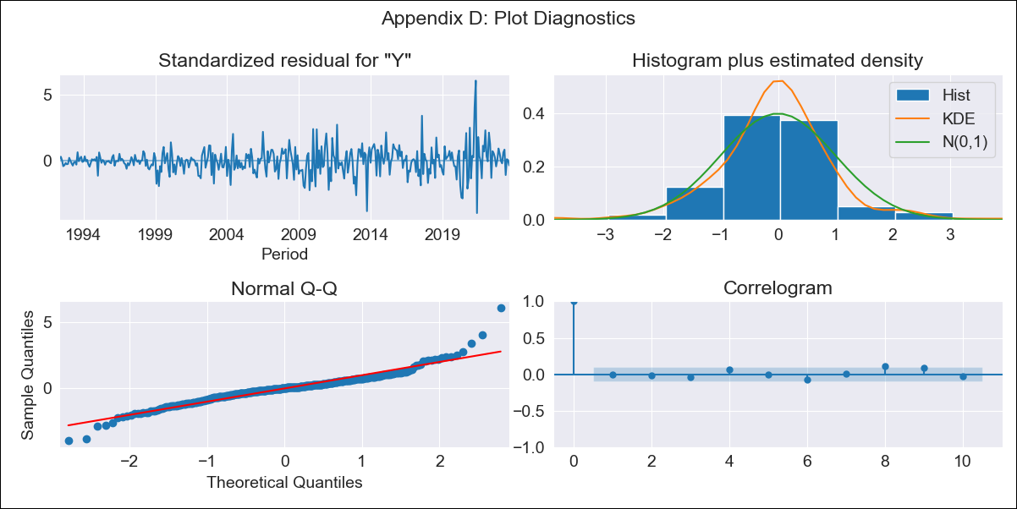
COLlt - Inflation - Next 12 months forecast as of: 2023-09-01

Model | ARIMA - [(1, 1, 2), (1, 0, 2, 12)]
Training Data | 1990-01-01 to 2022-10-01
Test Data | 2022-10-01 to 2023-09-01

Date | Inflation Change YoY % | Lower Bound - 95% Confidence Interval | Upper Bound - 95% Confidence Interval
2023-10-01 | 10.94 | 9.46 | 12.43
2023-11-01 | 10.82 | 9.33 | 12.3
2023-12-01 | 10.41 | 8.92 | 11.9
2024-01-01 | 9.89 | 8.4 | 11.38
2024-02-01 | 9.62 | 8.13 | 11.11
2024-03-01 | 9.53 | 8.04 | 11.02
2024-04-01 | 9.23 | 7.75 | 10.72
2024-05-01 | 8.86 | 7.37 | 10.35
2024-06-01 | 8.94 | 7.46 | 10.43
2024-07-01 | 8.92 | 7.43 | 10.41
2024-08-01 | 8.79 | 7.31 | 10.28
2024-09-01 | 8.77 | 7.29 | 10.26

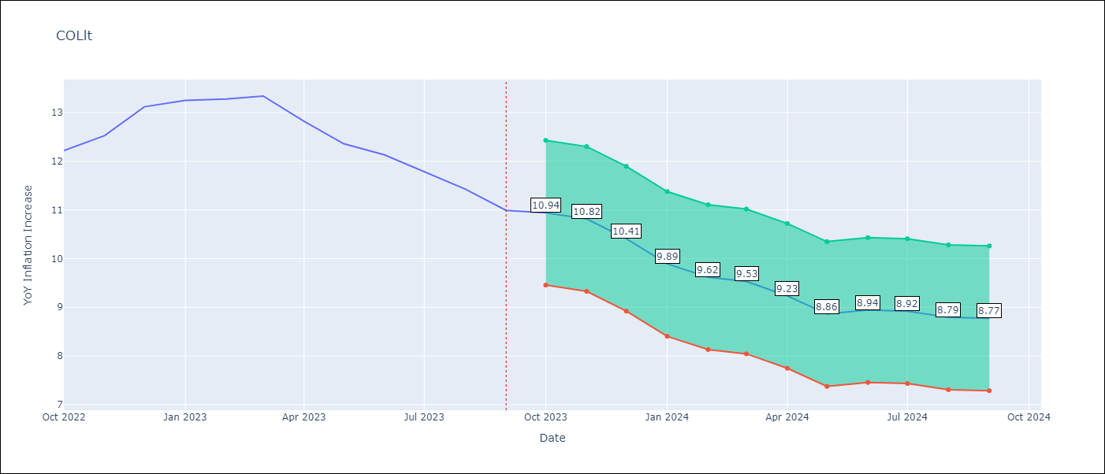

Test Metrics
RMSE | 1.63
Naive RMSE | 0.36
MAPE | 11.72%

Test Predictions
Date | Predicted | Actual
2022-10-01 | 12.64 | 12.22
2022-11-01 | 13.2 | 12.53
2022-12-01 | 13.04 | 13.12
2023-01-01 | 12.42 | 13.25
2023-02-01 | 12.19 | 13.28
2023-03-01 | 12.25 | 13.34
2023-04-01 | 11.17 | 12.82
2023-05-01 | 9.77 | 12.36
2023-06-01 | 9.88 | 12.13
2023-07-01 | 9.66 | 11.78
2023-08-01 | 9.2 | 11.43
2023-09-01 | 8.93 | 10.99

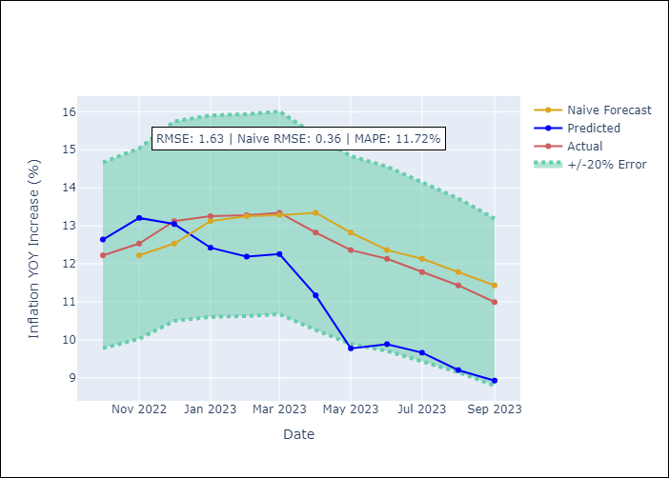

Appendix A: Model Summary
Model | ARIMA(1, 1, 2)x(1, 0, 2, 12)
Sample | 01-01-1990- 09-01-2023
No. of Observations | 405
Terms | P-value (Statistical significance)
ar.L1 | 0.000
ma.L1 | 0.000
ma.L2 | 0.000
ar.S.L12 | 0.607
ma.S.L12 | 0.790
ma.S.L24 | 0.435
sigma2 | 0.000

Assumptions | P-value | Interpretation
Ljung-Box (L1) | 1.00
Heteroskedasticity | 0.00
Jarque-Bera | 0.00
Skew | 0.51
Kurtosis | 8.15

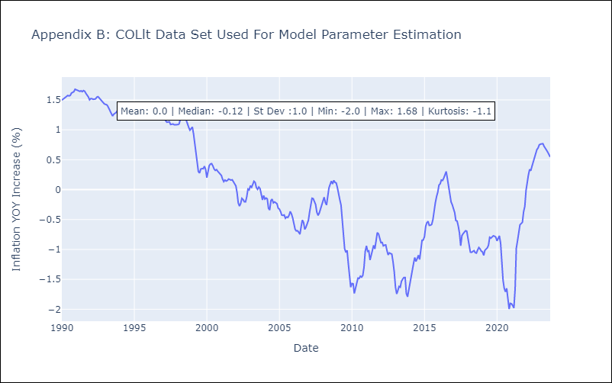

Appendix C: Residuals Analysis
Mean | -0.0
White Noise? | No - Correlation at Lags [ 1 2 3 4 5 6 7 8 9 10 11 12]
Normal? | No

ECUlt
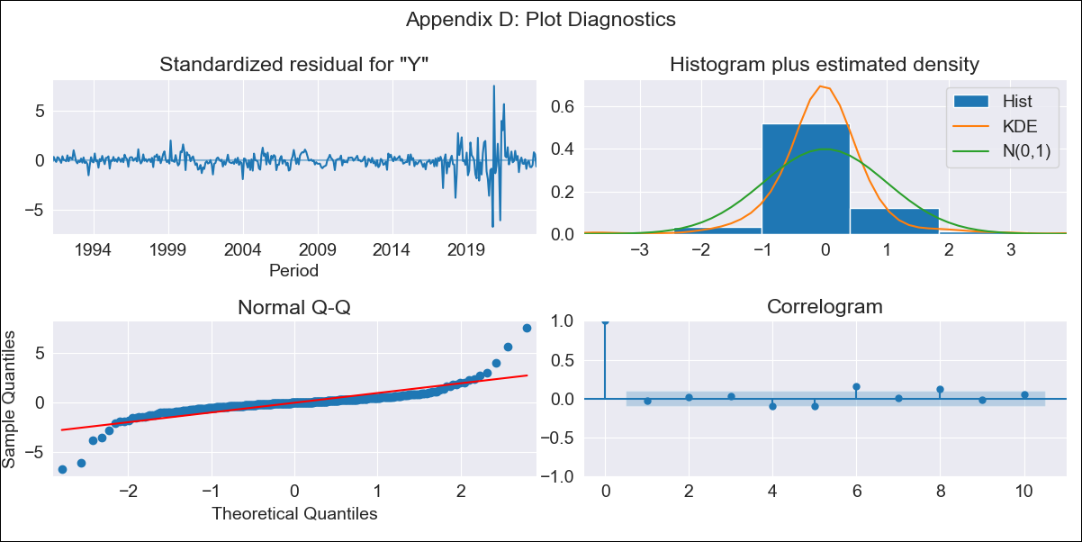
ECUlt - Inflation - Next 12 months forecast as of: 2023-09-01

Model | ARIMA - [(3, 0, 2), (0, 0, 1, 12)]
Training Data | 1990-01-01 to 2022-10-01
Test Data | 2022-10-01 to 2023-09-01

Date | Inflation Change YoY % | Lower Bound - 95% Confidence Interval | Upper Bound - 95% Confidence Interval
2023-10-01 | 2.19 | 2.08 | 2.3
2023-11-01 | 2.2 | 2.09 | 2.31
2023-12-01 | 2.23 | 2.12 | 2.34
2024-01-01 | 2.2 | 2.09 | 2.31
2024-02-01 | 2.21 | 2.1 | 2.32
2024-03-01 | 2.23 | 2.12 | 2.35
2024-04-01 | 2.21 | 2.1 | 2.33
2024-05-01 | 2.19 | 2.08 | 2.3
2024-06-01 | 2.18 | 2.07 | 2.29
2024-07-01 | 2.27 | 2.16 | 2.38
2024-08-01 | 2.35 | 2.24 | 2.46
2024-09-01 | 2.34 | 2.23 | 2.46

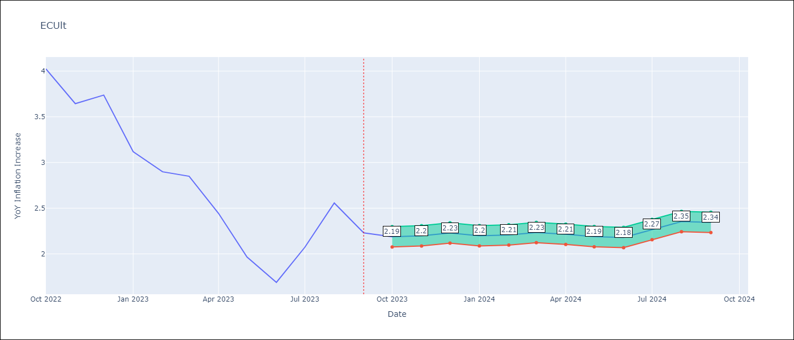

Test Metrics
RMSE | 2.26
Naive RMSE | 0.37
MAPE | 88.15%

Test Predictions
Date | Predicted | Actual
2022-10-01 | 4.33 | 4.02
2022-11-01 | 4.42 | 3.64
2022-12-01 | 4.5 | 3.74
2023-01-01 | 4.65 | 3.12
2023-02-01 | 4.72 | 2.9
2023-03-01 | 4.77 | 2.85
2023-04-01 | 4.9 | 2.44
2023-05-01 | 4.98 | 1.97
2023-06-01 | 5.09 | 1.69
2023-07-01 | 5.06 | 2.07
2023-08-01 | 5.09 | 2.56
2023-09-01 | 5.16 | 2.23

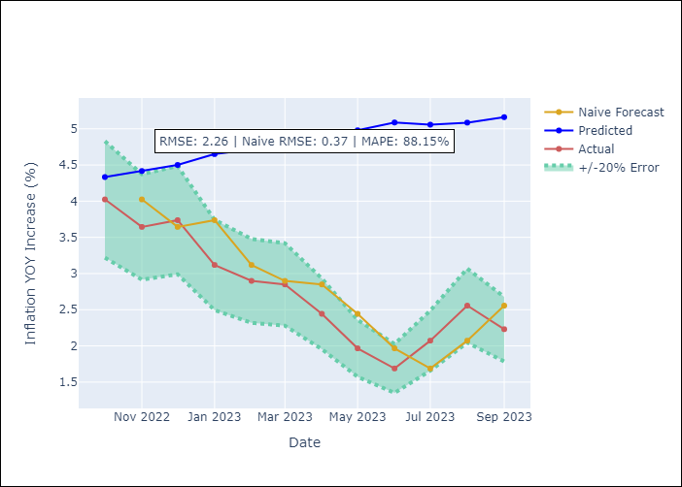

Appendix A: Model Summary
Model | ARIMA(3, 0, 2)x(0, 0, [1], 12)
Sample | 01-01-1990- 09-01-2023
No. of Observations | 405
Terms | P-value (Statistical significance)
const | 0.971
ar.L1 | 0.224
ar.L2 | 0.856
ar.L3 | 0.302
ma.L1 | 0.263
ma.L2 | 0.646
ma.S.L12 | 0.021
sigma2 | 0.595

Assumptions | P-value | Interpretation
Ljung-Box (L1) | 0.58
Heteroskedasticity | 0.00
Jarque-Bera | 0.00
Skew | 0.30
Kurtosis | 24.01

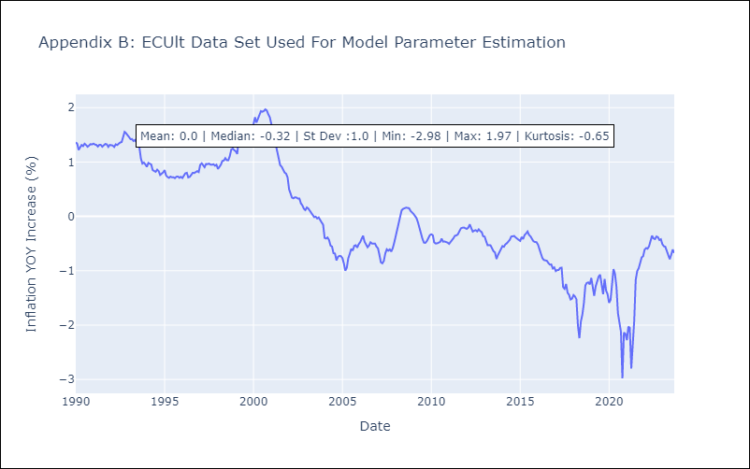

Appendix C: Residuals Analysis
Mean | -0.0
White Noise? | No - Correlation at Lags [ 6 7 8 9 10 11 12]
Normal? | No

PERlt
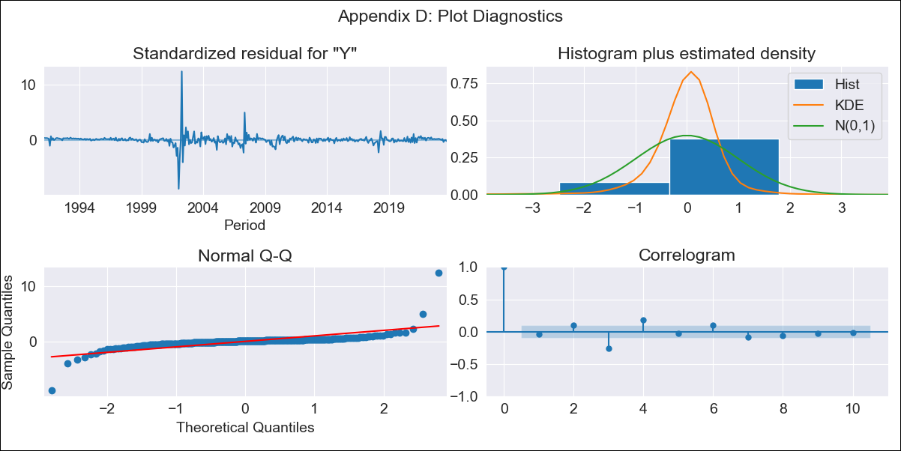
PERlt - Inflation - Next 12 months forecast as of: 2023-09-01

Model | ARIMA - [(3, 0, 0), (0, 0, 1, 12)]
Training Data | 1990-01-01 to 2022-10-01
Test Data | 2022-10-01 to 2023-09-01

Date | Inflation Change YoY % | Lower Bound - 95% Confidence Interval | Upper Bound - 95% Confidence Interval
2023-10-01 | 5.02 | 4.52 | 5.53
2023-11-01 | 4.9 | 4.4 | 5.4
2023-12-01 | 4.78 | 4.28 | 5.29
2024-01-01 | 4.64 | 4.14 | 5.15
2024-02-01 | 4.51 | 4.01 | 5.02
2024-03-01 | 4.42 | 3.91 | 4.92
2024-04-01 | 4.36 | 3.86 | 4.86
2024-05-01 | 4.27 | 3.76 | 4.77
2024-06-01 | 4.31 | 3.8 | 4.81
2024-07-01 | 4.31 | 3.81 | 4.82
2024-08-01 | 4.26 | 3.76 | 4.77
2024-09-01 | 4.27 | 3.76 | 4.77

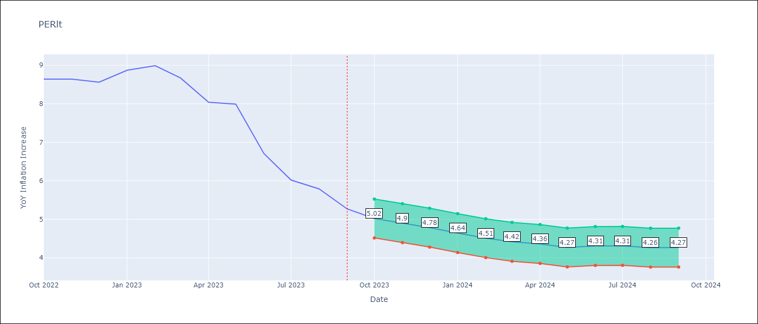

Test Metrics
RMSE | 1.59
Naive RMSE | 0.53
MAPE | 17.73%

Test Predictions
Date | Predicted | Actual
2022-10-01 | 8.29 | 8.64
2022-11-01 | 7.78 | 8.64
2022-12-01 | 7.24 | 8.56
2023-01-01 | 7 | 8.87
2023-02-01 | 6.67 | 8.99
2023-03-01 | 6.28 | 8.67
2023-04-01 | 5.91 | 8.04
2023-05-01 | 5.68 | 7.99
2023-06-01 | 5.39 | 6.71
2023-07-01 | 5.19 | 6.02
2023-08-01 | 5.05 | 5.79
2023-09-01 | 4.89 | 5.27

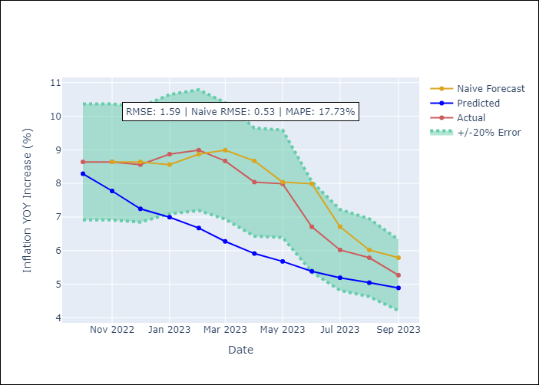

Appendix A: Model Summary
Model | ARIMA(3, 0, 0)x(0, 0, [1], 12)
Sample | 01-01-1990- 09-01-2023
No. of Observations | 405
Terms | P-value (Statistical significance)
const | 0.683
ar.L1 | 0.000
ar.L2 | 0.000
ar.L3 | 0.000
ma.S.L12 | 0.000
sigma2 | 0.000

Assumptions | P-value | Interpretation
Ljung-Box (L1) | 0.44
Heteroskedasticity | 0.53
Jarque-Bera | 0.00
Skew | 3.06
Kurtosis | 80.39

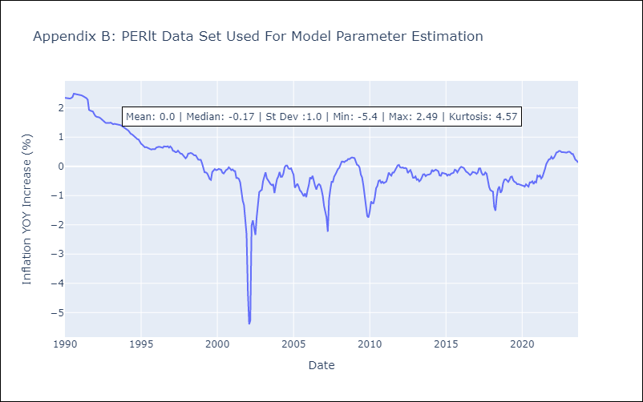

Appendix C: Residuals Analysis
Mean | 0.01
White Noise? | No - Correlation at Lags [ 1 2 3 4 5 6 7 8 9 10 11 12]
Normal? | No

PRYlt
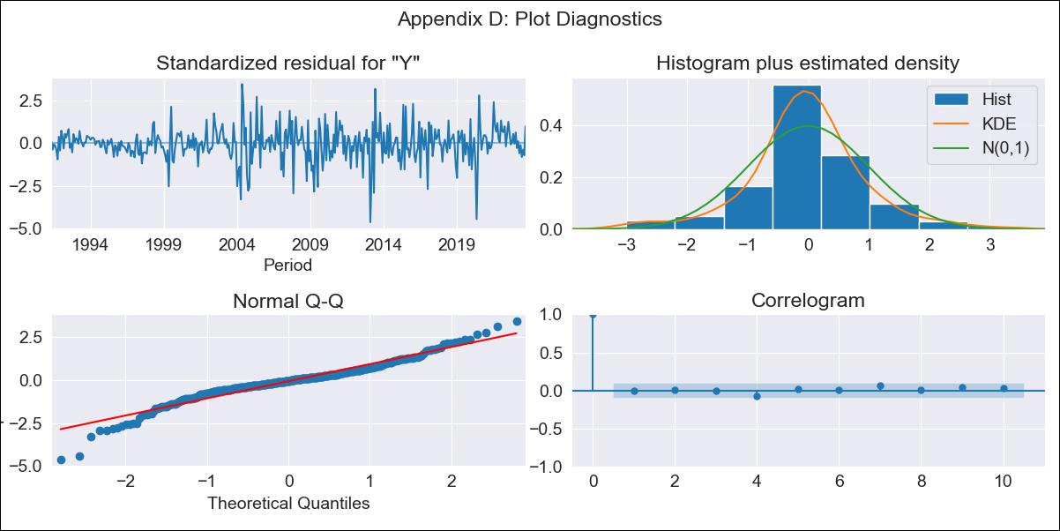
PRYlt - Inflation - Next 12 months forecast as of: 2023-09-01

Model | ARIMA - [(1, 1, 2), (0, 0, 1, 12)]
Training Data | 1990-01-01 to 2022-10-01
Test Data | 2022-10-01 to 2023-09-01

Date | Inflation Change YoY % | Lower Bound - 95% Confidence Interval | Upper Bound - 95% Confidence Interval
2023-10-01 | 3.67 | 2.73 | 4.6
2023-11-01 | 3.56 | 2.63 | 4.5
2023-12-01 | 3.62 | 2.68 | 4.55
2024-01-01 | 3.49 | 2.55 | 4.42
2024-02-01 | 3.61 | 2.67 | 4.54
2024-03-01 | 3.65 | 2.72 | 4.59
2024-04-01 | 3.91 | 2.97 | 4.84
2024-05-01 | 4.03 | 3.09 | 4.97
2024-06-01 | 4.38 | 3.44 | 5.31
2024-07-01 | 4.61 | 3.67 | 5.55
2024-08-01 | 4.94 | 4.01 | 5.88
2024-09-01 | 4.57 | 3.64 | 5.51

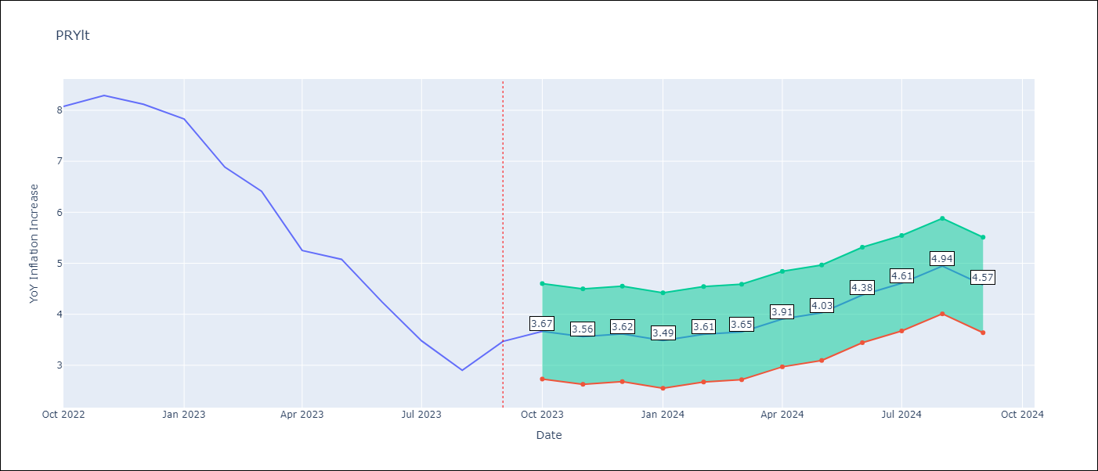

Test Metrics
RMSE | 0.82
Naive RMSE | 0.65
MAPE | 14.62%

Test Predictions
Date | Predicted | Actual
2022-10-01 | 8.04 | 8.07
2022-11-01 | 7.56 | 8.29
2022-12-01 | 7.38 | 8.12
2023-01-01 | 6.47 | 7.83
2023-02-01 | 5.93 | 6.88
2023-03-01 | 5.54 | 6.41
2023-04-01 | 5.05 | 5.25
2023-05-01 | 5.09 | 5.08
2023-06-01 | 4.9 | 4.24
2023-07-01 | 4.4 | 3.48
2023-08-01 | 4.17 | 2.9
2023-09-01 | 4.24 | 3.47

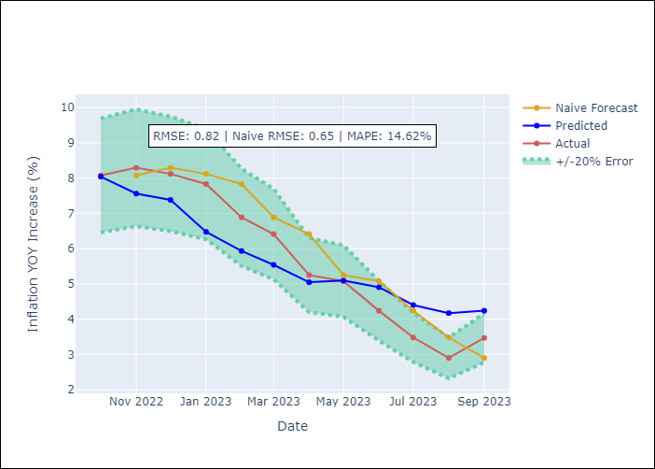

Appendix A: Model Summary
Model | ARIMA(1, 1, 2)x(0, 0, [1], 12)
Sample | 01-01-1990- 09-01-2023
No. of Observations | 405
Terms | P-value (Statistical significance)
ar.L1 | 0.000
ma.L1 | 0.000
ma.L2 | 0.000
ma.S.L12 | 0.000
sigma2 | 0.000

Assumptions | P-value | Interpretation
Ljung-Box (L1) | 0.96
Heteroskedasticity | 0.00
Jarque-Bera | 0.00
Skew | -0.46
Kurtosis | 5.95

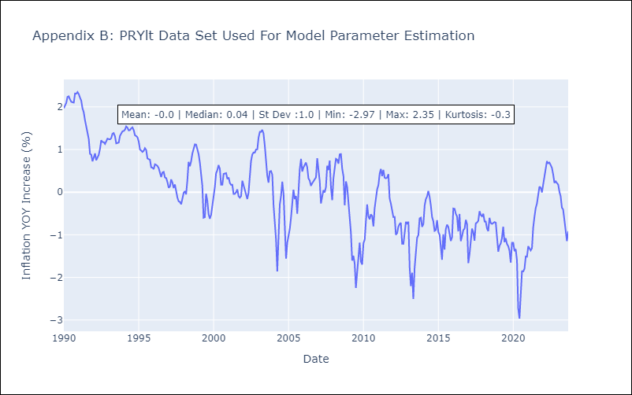

Appendix C: Residuals Analysis
Mean | -0.01
White Noise? | Yes
Normal? | No

URYlt
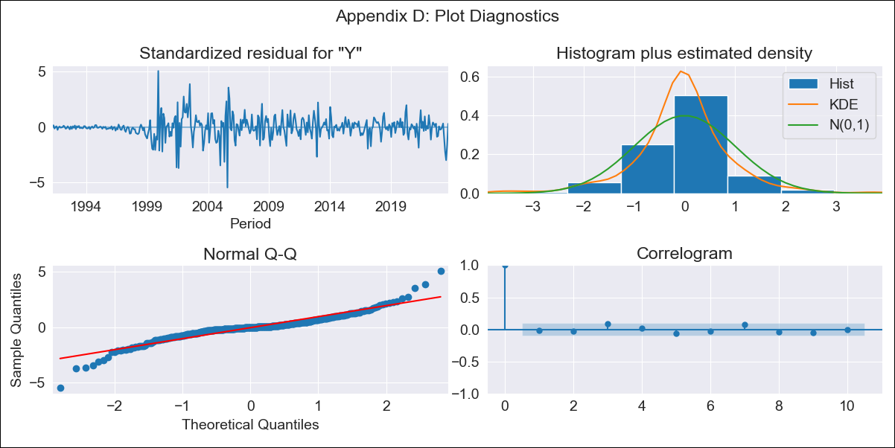
URYlt - Inflation - Next 12 months forecast as of: 2023-09-01

Model | ARIMA - [(1, 1, 1), (0, 0, 1, 12)]
Training Data | 1990-01-01 to 2022-10-01
Test Data | 2022-10-01 to 2023-09-01

Date | Inflation Change YoY % | Lower Bound - 95% Confidence Interval | Upper Bound - 95% Confidence Interval
2023-10-01 | 3.74 | 3.31 | 4.18
2023-11-01 | 3.67 | 3.23 | 4.1
2023-12-01 | 3.56 | 3.13 | 4
2024-01-01 | 3.51 | 3.07 | 3.94
2024-02-01 | 3.46 | 3.03 | 3.9
2024-03-01 | 3.42 | 2.99 | 3.85
2024-04-01 | 3.37 | 2.93 | 3.8
2024-05-01 | 3.4 | 2.97 | 3.83
2024-06-01 | 3.54 | 3.11 | 3.97
2024-07-01 | 3.79 | 3.36 | 4.22
2024-08-01 | 4 | 3.56 | 4.43
2024-09-01 | 4.07 | 3.63 | 4.5

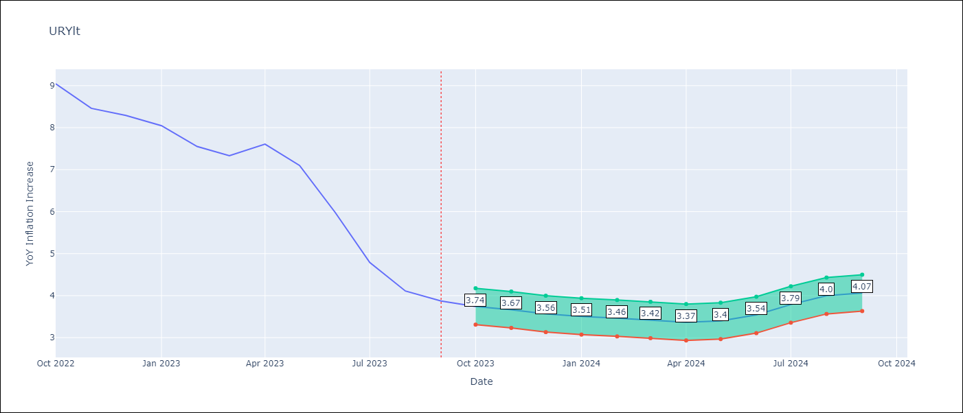

Test Metrics
RMSE | 3.28
Naive RMSE | 0.62
MAPE | 52.69%

Test Predictions
Date | Predicted | Actual
2022-10-01 | 9.72 | 9.05
2022-11-01 | 9.84 | 8.46
2022-12-01 | 9.85 | 8.29
2023-01-01 | 9.92 | 8.05
2023-02-01 | 9.59 | 7.55
2023-03-01 | 9.47 | 7.33
2023-04-01 | 9.79 | 7.61
2023-05-01 | 9.84 | 7.1
2023-06-01 | 9.74 | 5.98
2023-07-01 | 9.65 | 4.79
2023-08-01 | 9.61 | 4.11
2023-09-01 | 9.49 | 3.87

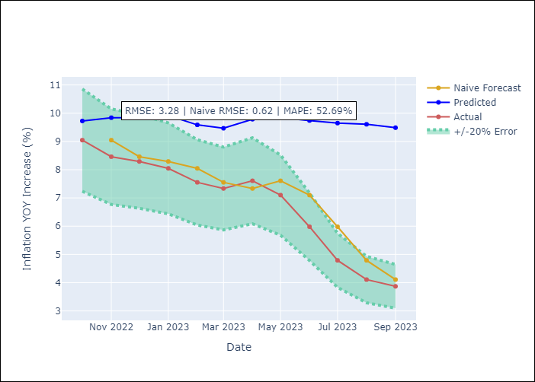

Appendix A: Model Summary
Model | ARIMA(1, 1, 1)x(0, 0, 1, 12)
Sample | 01-01-1990- 09-01-2023
No. of Observations | 405
Terms | P-value (Statistical significance)
ar.L1 | 0.000
ma.L1 | 0.000
ma.S.L12 | 0.000
sigma2 | 0.000

Assumptions | P-value | Interpretation
Ljung-Box (L1) | 0.74
Heteroskedasticity | 0.06
Jarque-Bera | 0.00
Skew | -0.22
Kurtosis | 8.66

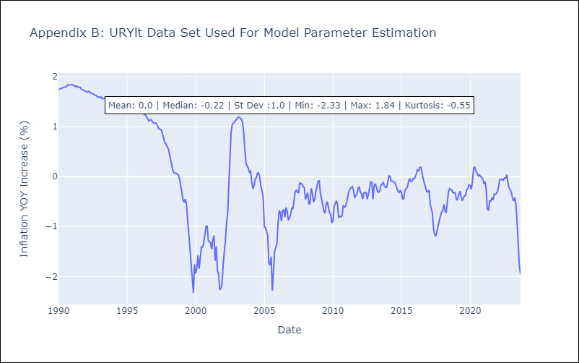

Appendix C: Residuals Analysis
Mean | -0.0
White Noise? | No - Correlation at Lags [1 2 3]
Normal? | No

VENlt
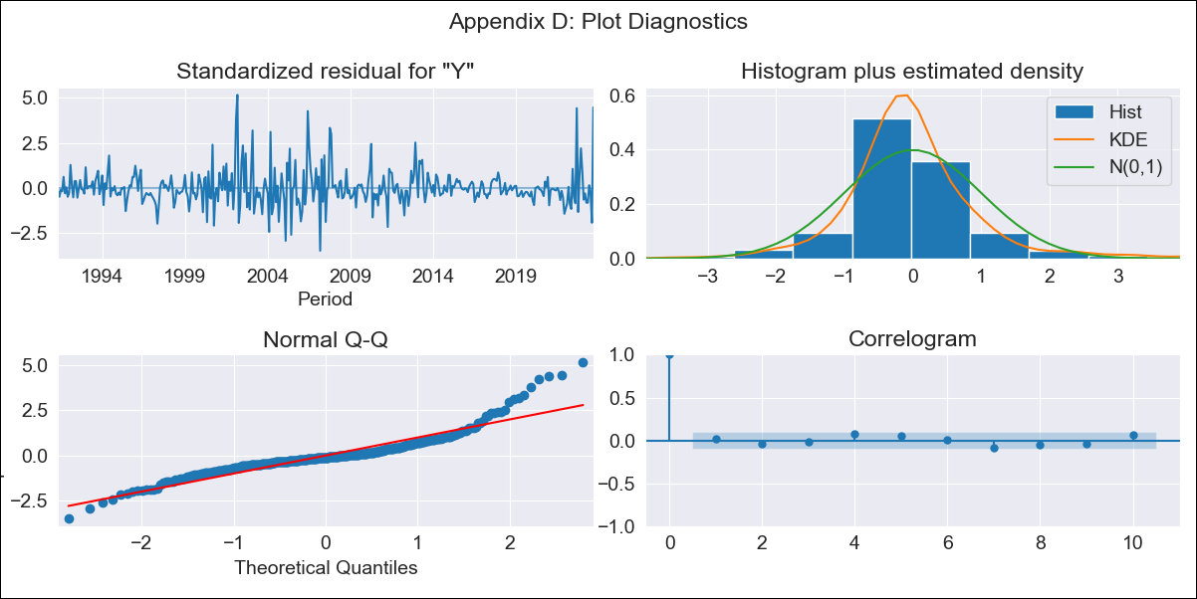
VENlt - Inflation - Next 12 months forecast as of: 2023-09-01

Model | ARIMA - [(1, 2, 1), (0, 0, 1, 12)]
Training Data | 1990-01-01 to 2022-10-01
Test Data | 2022-10-01 to 2023-09-01

Date | Inflation Change YoY % | Lower Bound - 95% Confidence Interval | Upper Bound - 95% Confidence Interval
2023-10-01 | 503.62 | 285.13 | 722.11
2023-11-01 | 544.37 | 325.88 | 762.86
2023-12-01 | 467 | 248.51 | 685.49
2024-01-01 | 408.06 | 189.57 | 626.55
2024-02-01 | 408.4 | 189.91 | 626.89
2024-03-01 | 421.41 | 202.92 | 639.9
2024-04-01 | 463.38 | 244.89 | 681.87
2024-05-01 | 530.61 | 312.12 | 749.1
2024-06-01 | 568.23 | 349.74 | 786.71
2024-07-01 | 617.53 | 399.04 | 836.02
2024-08-01 | 822.96 | 604.47 | 1041.45
2024-09-01 | 588.6 | 370.11 | 807.08

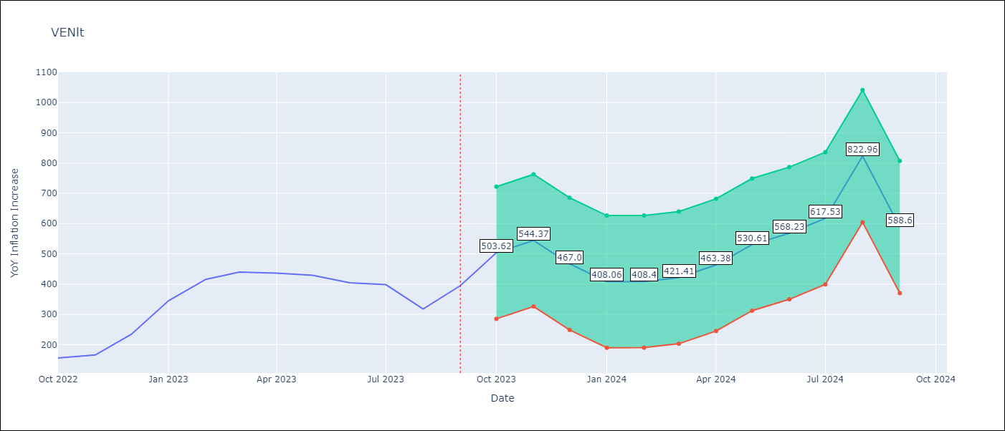

Test Metrics
RMSE | 87.43
Naive RMSE | 57.04
MAPE | 19.76%

Test Predictions
Date | Predicted | Actual
2022-10-01 | 181.67 | 155.8
2022-11-01 | 196.54 | 165.6
2022-12-01 | 220.18 | 234.08
2023-01-01 | 250.35 | 344.91
2023-02-01 | 284.1 | 415.57
2023-03-01 | 300.79 | 439.61
2023-04-01 | 335.46 | 436.34
2023-05-01 | 397.36 | 429.21
2023-06-01 | 398.03 | 404.37
2023-07-01 | 427.1 | 398.19
2023-08-01 | 492.29 | 317.63
2023-09-01 | 351.77 | 394.76

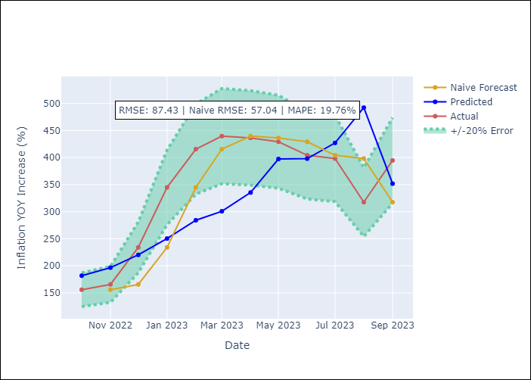

Appendix A: Model Summary
Model | ARIMA(1, 2, 1)x(0, 0, 1, 12)
Sample | 01-01-1990- 09-01-2023
No. of Observations | 405
Terms | P-value (Statistical significance)
ar.L1 | 0.000
ma.L1 | 0.000
ma.S.L12 | 0.000
sigma2 | 0.000

Assumptions | P-value | Interpretation
Ljung-Box (L1) | 0.79
Heteroskedasticity | 0.34
Jarque-Bera | 0.00
Skew | 1.29
Kurtosis | 8.40

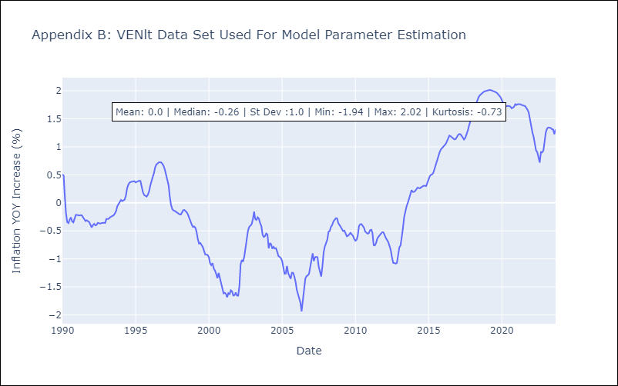

Appendix C: Residuals Analysis
Mean | 0.0
White Noise? | No - Correlation at Lags [ 2 3 4 5 6 7 8 9 10 11 12]
Normal? | No

