CRI
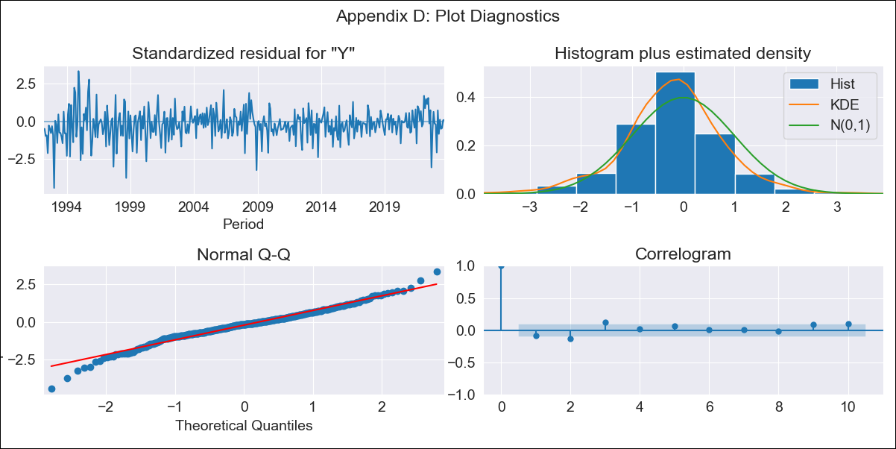
CRI - Inflation - Next 12 months forecast as of: 2023-09-01

Model | ARIMA - [(1, 1, 0), (2, 0, 2, 12)]
Training Data | 1990-01-01 to 2022-10-01
Test Data | 2022-10-01 to 2023-09-01

Date | Inflation Change YoY % | Lower Bound - 95% Confidence Interval | Upper Bound - 95% Confidence Interval
2023-10-01 | -1.37 | -2.46 | -0.28
2023-11-01 | -1.25 | -3.26 | 0.76
2023-12-01 | -1.03 | -3.88 | 1.82
2024-01-01 | -0.86 | -4.46 | 2.74
2024-02-01 | 0.16 | -4.12 | 4.44
2024-03-01 | 0.41 | -4.47 | 5.3
2024-04-01 | 1 | -4.43 | 6.44
2024-05-01 | 1.23 | -4.72 | 7.17
2024-06-01 | 1.64 | -4.77 | 8.06
2024-07-01 | 1.98 | -4.88 | 8.84
2024-08-01 | 2.2 | -5.07 | 9.48
2024-09-01 | 2.36 | -5.31 | 10.03

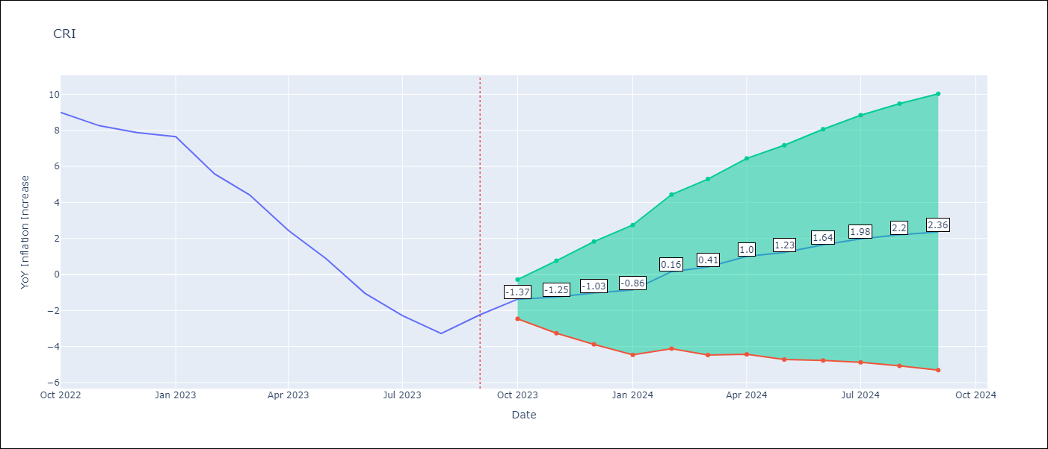

Test Metrics
RMSE | 2.5
Naive RMSE | 1.35
MAPE | 105.5%

Test Predictions
Date | Predicted | Actual
2022-10-01 | 9.35 | 8.99
2022-11-01 | 8.47 | 8.26
2022-12-01 | 8.09 | 7.88
2023-01-01 | 7.98 | 7.65
2023-02-01 | 7.14 | 5.58
2023-03-01 | 6.25 | 4.42
2023-04-01 | 4.9 | 2.44
2023-05-01 | 3.63 | 0.88
2023-06-01 | 2.16 | -1.04
2023-07-01 | 1.42 | -2.29
2023-08-01 | 0.66 | -3.28
2023-09-01 | 1.76 | -2.24

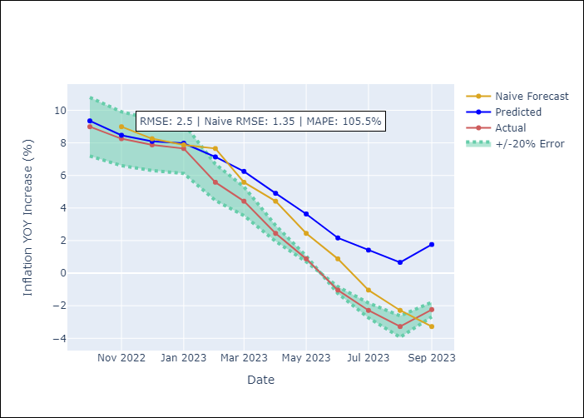

Appendix A: Model Summary
Model | ARIMA(1, 1, 0)x(2, 0, [1, 2], 12)
Sample | 01-01-1990- 09-01-2023
No. of Observations | 405
Terms | P-value (Statistical significance)
ar.L1 | 0.000
ar.S.L12 | 0.000
ar.S.L24 | 0.005
ma.S.L12 | 0.000
ma.S.L24 | 0.002
sigma2 | 0.000

Assumptions | P-value | Interpretation
Ljung-Box (L1) | 0.10
Heteroskedasticity | 0.00
Jarque-Bera | 0.00
Skew | -0.34
Kurtosis | 4.77

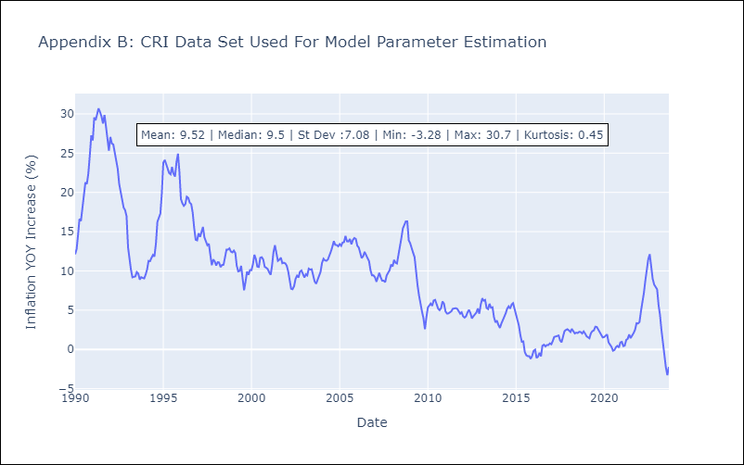

Appendix C: Residuals Analysis
Mean | -0.07
White Noise? | No - Correlation at Lags [ 1 2 3 4 5 6 7 8 9 10 11 12]
Normal? | No

CUB
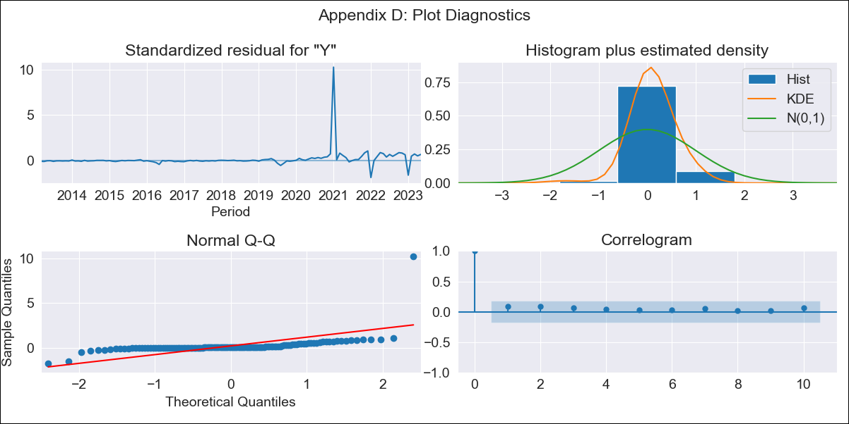
CUB - Inflation - Next 12 months forecast as of: 2023-05-01

Model | ARIMA - [(0, 1, 0), (0, 0, 2, 12)]
Training Data | 2011-01-01 to 2022-06-01
Test Data | 2022-06-01 to 2023-05-01

Date | Inflation Change YoY % | Lower Bound - 95% Confidence Interval | Upper Bound - 95% Confidence Interval
2023-06-01 | 43.62 | 33.77 | 53.46
2023-07-01 | 40.55 | 26.63 | 54.48
2023-08-01 | 38.41 | 21.36 | 55.46
2023-09-01 | 35.43 | 15.73 | 55.12
2023-10-01 | 31.63 | 9.61 | 53.64
2023-11-01 | 28.14 | 4.02 | 52.26
2023-12-01 | 25.52 | -0.53 | 51.57
2024-01-01 | 31.9 | 4.05 | 59.75
2024-02-01 | 29.69 | 0.15 | 59.22
2024-03-01 | 26.53 | -4.6 | 57.67
2024-04-01 | 24.4 | -8.25 | 57.05
2024-05-01 | 21.55 | -12.55 | 55.66

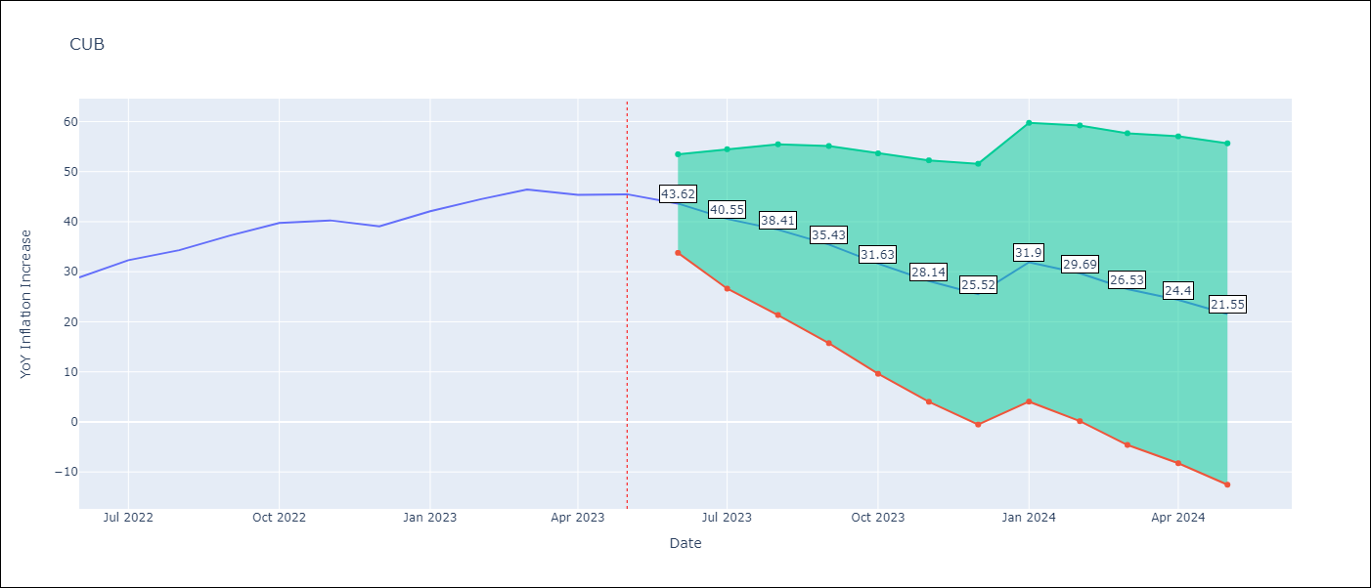

Test Metrics
RMSE | 11.33
Naive RMSE | 2.18
MAPE | 23.67%

Test Predictions
Date | Predicted | Actual
2022-06-01 | 27.25 | 28.85
2022-07-01 | 27.2 | 32.31
2022-08-01 | 26.52 | 34.3
2022-09-01 | 25.98 | 37.24
2022-10-01 | 24.36 | 39.73
2022-11-01 | 20.99 | 40.26
2022-12-01 | 17.24 | 39.07
2023-01-01 | 40.48 | 42.08
2023-02-01 | 40.88 | 44.5
2023-03-01 | 40.22 | 46.42
2023-04-01 | 37.18 | 45.35
2023-05-01 | 34.53 | 45.48

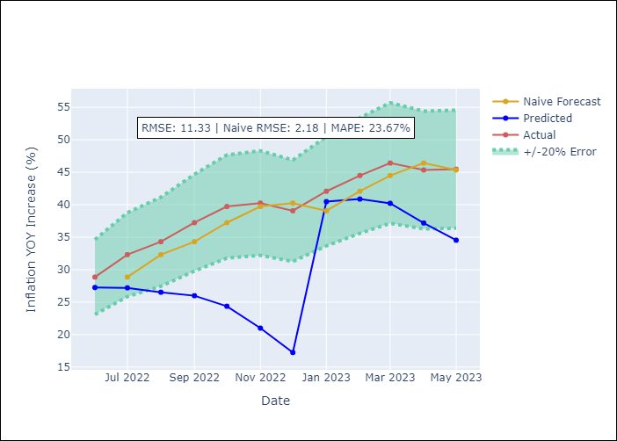

Appendix A: Model Summary
Model | ARIMA(0, 1, 0)x(0, 0, [1, 2], 12)
Sample | 01-01-2011- 05-01-2023
No. of Observations | 149
Terms | P-value (Statistical significance)
ma.S.L12 | 0.000
ma.S.L24 | 0.504
sigma2 | 0.000

Assumptions | P-value | Interpretation
Ljung-Box (L1) | 0.35
Heteroskedasticity | 0.00
Jarque-Bera | 0.00
Skew | 8.63
Kurtosis | 89.67

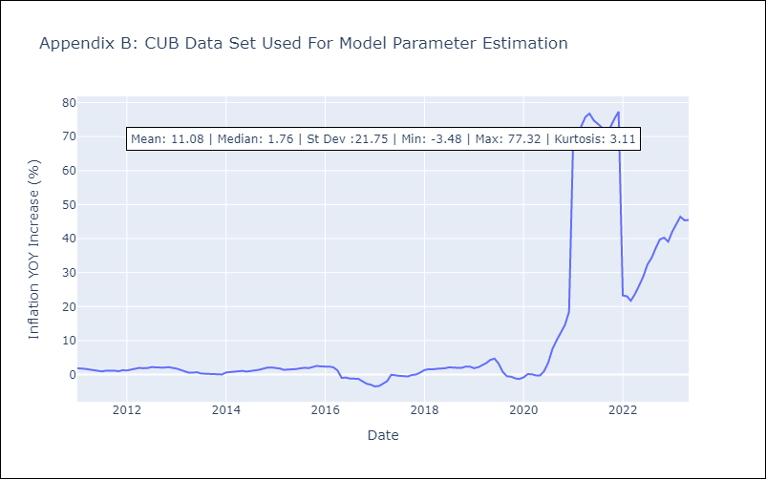

Appendix C: Residuals Analysis
Mean | 0.8
White Noise? | Yes
Normal? | No

DOM
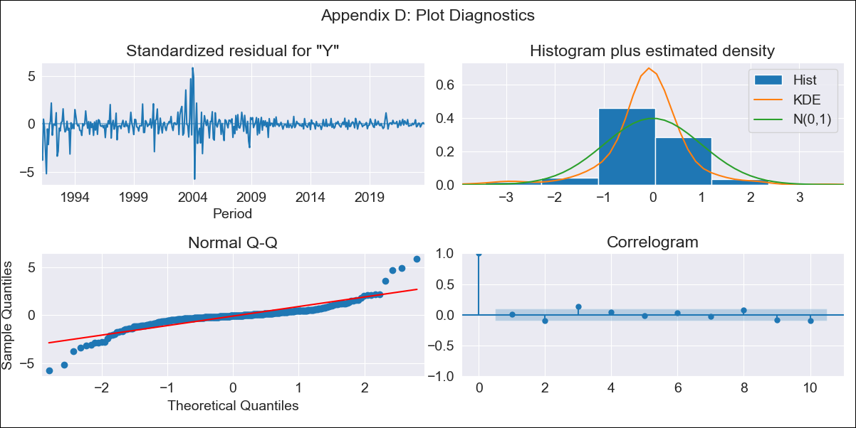
DOM - Inflation - Next 12 months forecast as of: 2023-09-01

Model | ARIMA - [(1, 1, 0), (0, 0, 1, 12)]
Training Data | 1990-01-01 to 2022-10-01
Test Data | 2022-10-01 to 2023-09-01

Date | Inflation Change YoY % | Lower Bound - 95% Confidence Interval | Upper Bound - 95% Confidence Interval
2023-10-01 | 4.6 | 1.93 | 7.27
2023-11-01 | 4.63 | -0.66 | 9.91
2023-12-01 | 4.18 | -3.75 | 12.11
2024-01-01 | 4.18 | -6.31 | 14.67
2024-02-01 | 4.42 | -8.5 | 17.34
2024-03-01 | 4.51 | -10.7 | 19.72
2024-04-01 | 4.51 | -12.85 | 21.87
2024-05-01 | 4.85 | -14.53 | 24.23
2024-06-01 | 5.21 | -16.07 | 26.49
2024-07-01 | 5.36 | -17.7 | 28.43
2024-08-01 | 5.34 | -19.42 | 30.09
2024-09-01 | 5.33 | -21.03 | 31.69

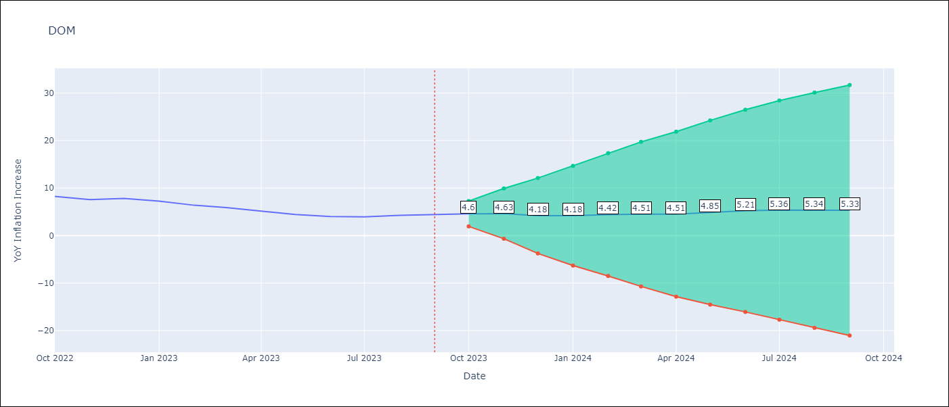

Test Metrics
RMSE | 0.51
Naive RMSE | 0.54
MAPE | 8.78%

Test Predictions
Date | Predicted | Actual
2022-10-01 | 8.35 | 8.24
2022-11-01 | 7.63 | 7.58
2022-12-01 | 7.25 | 7.83
2023-01-01 | 6.63 | 7.24
2023-02-01 | 6.03 | 6.38
2023-03-01 | 5.65 | 5.9
2023-04-01 | 4.88 | 5.15
2023-05-01 | 4.59 | 4.43
2023-06-01 | 4.59 | 4
2023-07-01 | 4.74 | 3.95
2023-08-01 | 5.02 | 4.27
2023-09-01 | 5.14 | 4.41

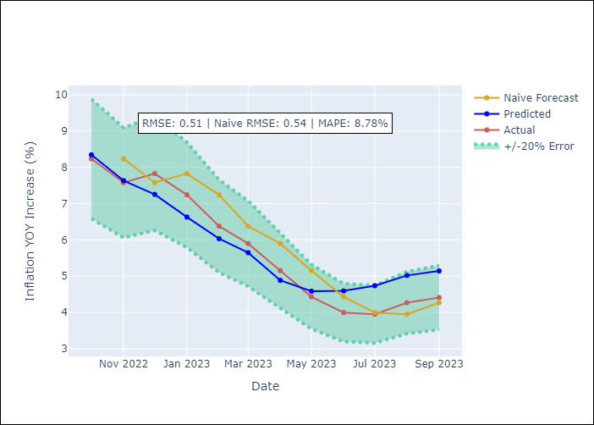

Appendix A: Model Summary
Model | ARIMA(1, 1, 0)x(0, 0, [1], 12)
Sample | 01-01-1990- 09-01-2023
No. of Observations | 405
Terms | P-value (Statistical significance)
ar.L1 | 0.000
ma.S.L12 | 0.000
sigma2 | 0.000

Assumptions | P-value | Interpretation
Ljung-Box (L1) | 0.91
Heteroskedasticity | 0.00
Jarque-Bera | 0.00
Skew | -0.02
Kurtosis | 13.95

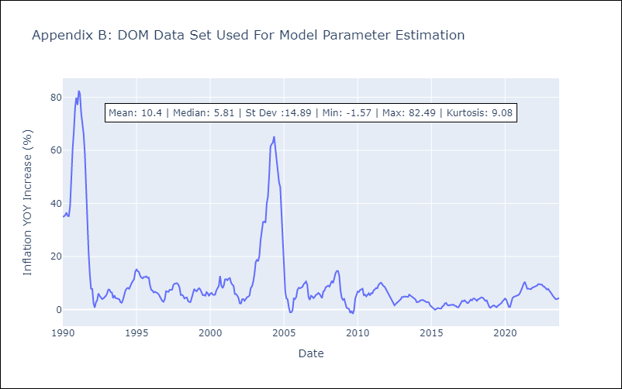

Appendix C: Residuals Analysis
Mean | -0.05
White Noise? | No - Correlation at Lags [ 1 2 3 4 5 6 7 8 9 10 11 12]
Normal? | No

GTM
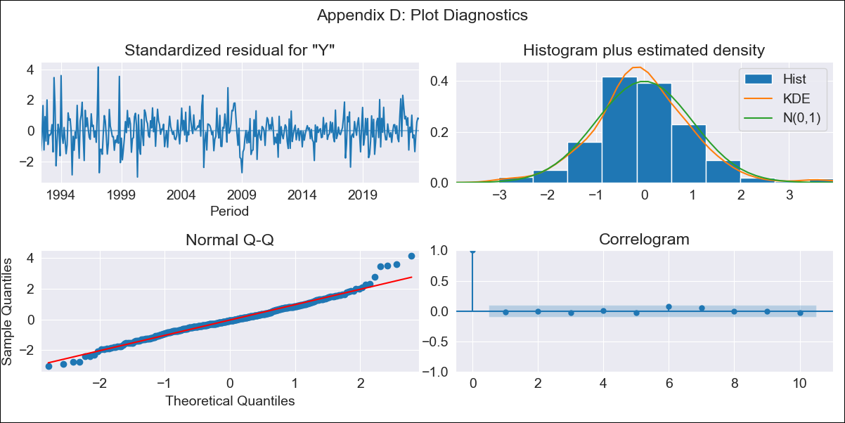
GTM - Inflation - Next 12 months forecast as of: 2023-09-01

Model | ARIMA - [(3, 1, 2), (1, 0, 1, 12)]
Training Data | 1991-01-01 to 2022-10-01
Test Data | 2022-10-01 to 2023-09-01

Date | Inflation Change YoY % | Lower Bound - 95% Confidence Interval | Upper Bound - 95% Confidence Interval
2023-10-01 | 4.31 | 3.33 | 5.3
2023-11-01 | 4.8 | 3.15 | 6.45
2023-12-01 | 4.89 | 2.77 | 7
2024-01-01 | 4.82 | 2.32 | 7.32
2024-02-01 | 4.39 | 1.54 | 7.23
2024-03-01 | 4.64 | 1.49 | 7.79
2024-04-01 | 4.9 | 1.46 | 8.34
2024-05-01 | 5.8 | 2.09 | 9.5
2024-06-01 | 6.38 | 2.42 | 10.35
2024-07-01 | 6.25 | 2.05 | 10.46
2024-08-01 | 5.85 | 1.41 | 10.3
2024-09-01 | 5.39 | 0.72 | 10.06

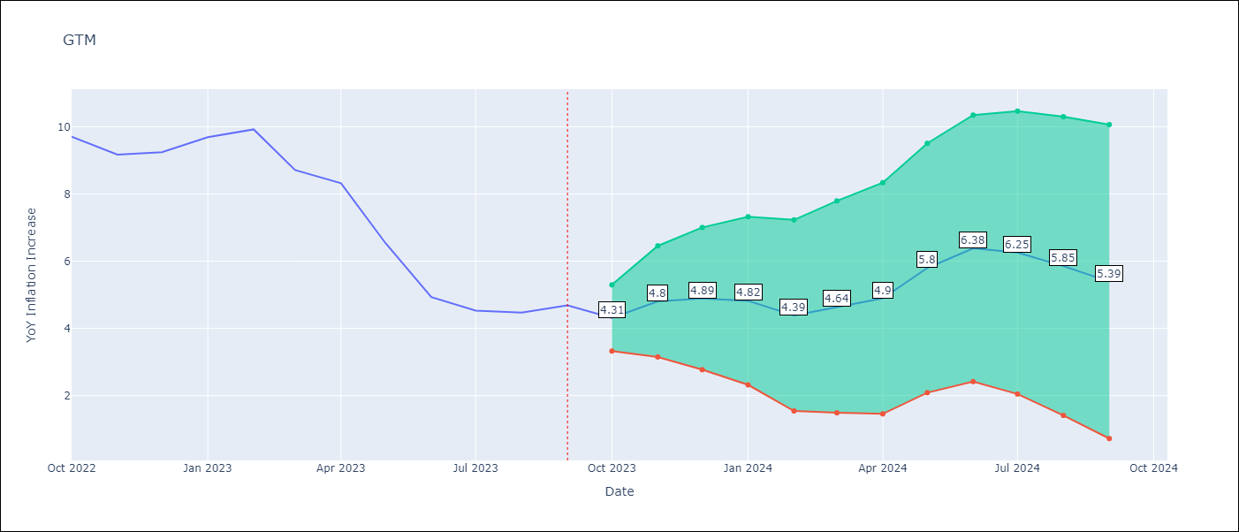

Test Metrics
RMSE | 0.54
Naive RMSE | 0.86
MAPE | 6.92%

Test Predictions
Date | Predicted | Actual
2022-10-01 | 9.29 | 9.7
2022-11-01 | 9.25 | 9.17
2022-12-01 | 9.44 | 9.24
2023-01-01 | 9.91 | 9.69
2023-02-01 | 9.66 | 9.92
2023-03-01 | 8.52 | 8.71
2023-04-01 | 8.37 | 8.32
2023-05-01 | 7.32 | 6.54
2023-06-01 | 6.11 | 4.93
2023-07-01 | 5.48 | 4.53
2023-08-01 | 4.93 | 4.47
2023-09-01 | 4.63 | 4.69

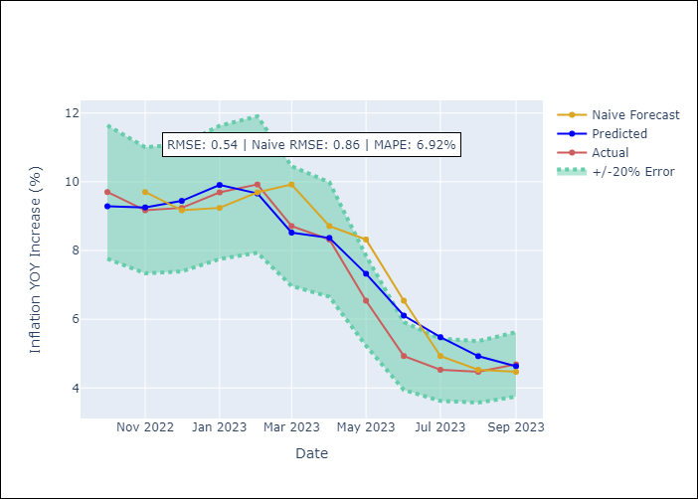

Appendix A: Model Summary
Model | ARIMA(3, 1, 2)x(1, 0, [1], 12)
Sample | 01-01-1991- 09-01-2023
No. of Observations | 393
Terms | P-value (Statistical significance)
ar.L1 | 0.000
ar.L2 | 0.846
ar.L3 | 1.000
ma.L1 | 0.331
ma.L2 | 0.111
ar.S.L12 | 0.000
ma.S.L12 | 0.000
sigma2 | 0.427

Assumptions | P-value | Interpretation
Ljung-Box (L1) | 0.81
Heteroskedasticity | 0.00
Jarque-Bera | 0.00
Skew | 0.34
Kurtosis | 4.61

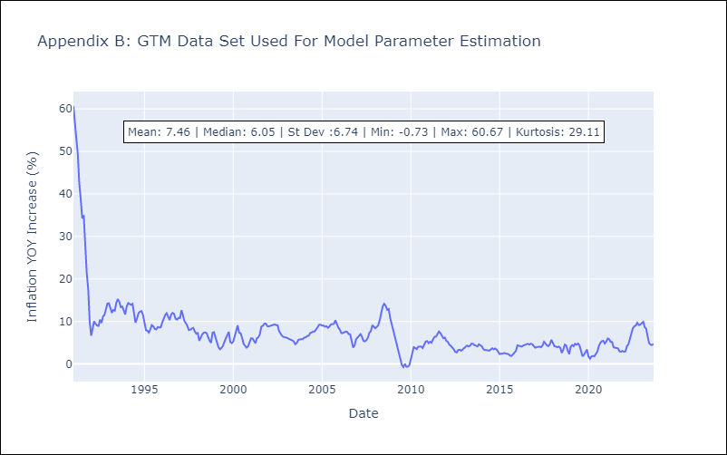

Appendix C: Residuals Analysis
Mean | 0.06
White Noise? | No - Correlation at Lags [ 1 2 3 4 5 6 7 8 9 10 11 12]
Normal? | No

HND
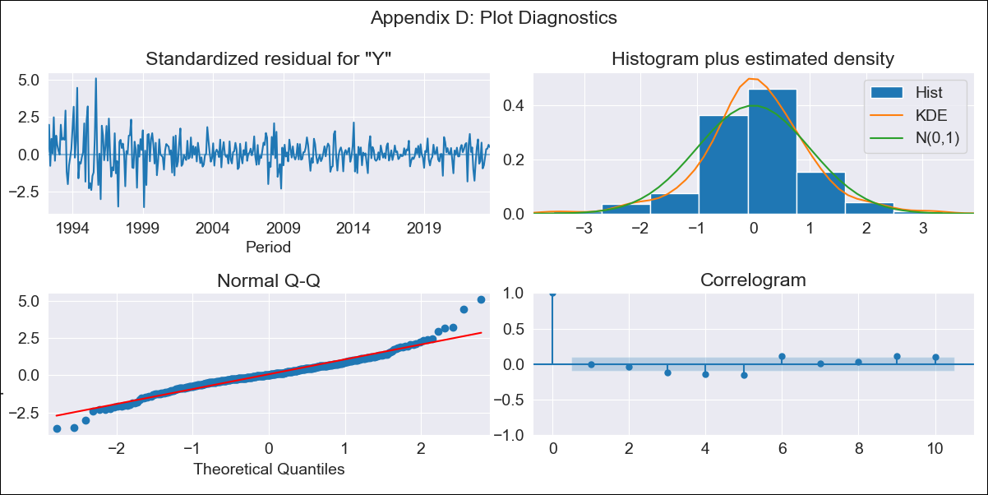
HND - Inflation - Next 12 months forecast as of: 2023-09-01

Model | ARIMA - [(2, 2, 0), (0, 0, 1, 12)]
Training Data | 1991-01-01 to 2022-10-01
Test Data | 2022-10-01 to 2023-09-01

Date | Inflation Change YoY % | Lower Bound - 95% Confidence Interval | Upper Bound - 95% Confidence Interval
2023-10-01 | 6.07 | 4.96 | 7.17
2023-11-01 | 5.8 | 3.79 | 7.8
2023-12-01 | 6.09 | 3.15 | 9.04
2024-01-01 | 6.41 | 2.32 | 10.5
2024-02-01 | 6.15 | 0.79 | 11.51
2024-03-01 | 6.63 | -0.08 | 13.35
2024-04-01 | 7.31 | -0.87 | 15.49
2024-05-01 | 7.75 | -1.99 | 17.49
2024-06-01 | 8.08 | -3.3 | 19.46
2024-07-01 | 8.36 | -4.75 | 21.47
2024-08-01 | 8.39 | -6.53 | 23.31
2024-09-01 | 8.32 | -8.49 | 25.12

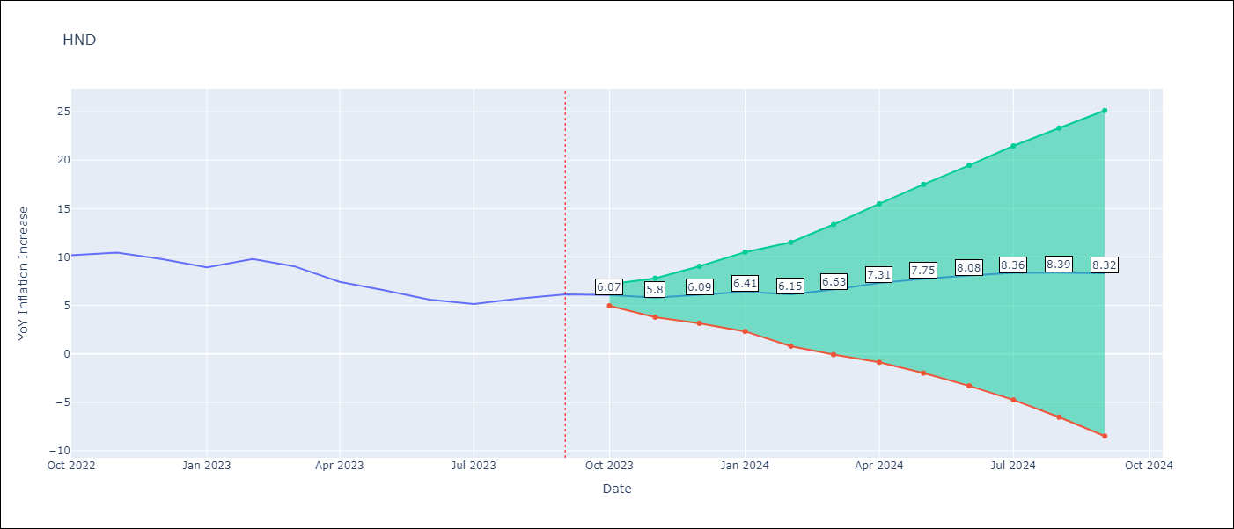

Test Metrics
RMSE | 1.09
Naive RMSE | 0.83
MAPE | 13.8%

Test Predictions
Date | Predicted | Actual
2022-10-01 | 9.92 | 10.18
2022-11-01 | 9.48 | 10.44
2022-12-01 | 8.81 | 9.8
2023-01-01 | 7.98 | 8.93
2023-02-01 | 8.18 | 9.8
2023-03-01 | 7.64 | 9.05
2023-04-01 | 6.46 | 7.44
2023-05-01 | 5.76 | 6.58
2023-06-01 | 4.81 | 5.6
2023-07-01 | 4.33 | 5.15
2023-08-01 | 4.57 | 5.71
2023-09-01 | 4.57 | 6.13

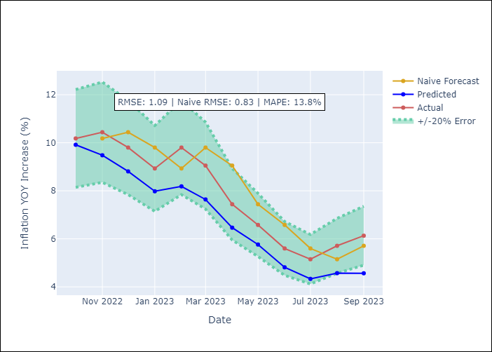

Appendix A: Model Summary
Model | ARIMA(2, 2, 0)x(0, 0, [1], 12)
Sample | 01-01-1991- 09-01-2023
No. of Observations | 393
Terms | P-value (Statistical significance)
ar.L1 | 0.000
ar.L2 | 0.000
ma.S.L12 | 0.000
sigma2 | 0.000

Assumptions | P-value | Interpretation
Ljung-Box (L1) | 1.00
Heteroskedasticity | 0.00
Jarque-Bera | 0.00
Skew | 0.36
Kurtosis | 6.39

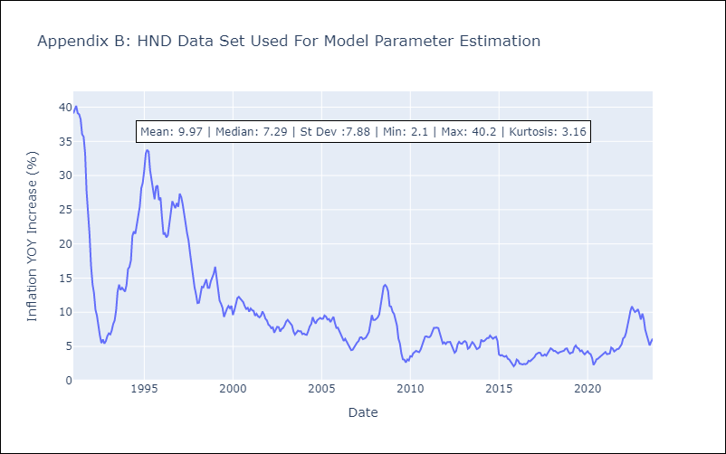

Appendix C: Residuals Analysis
Mean | 0.06
White Noise? | No - Correlation at Lags [ 1 2 3 4 5 6 7 8 9 10 11 12]
Normal? | No

HTI
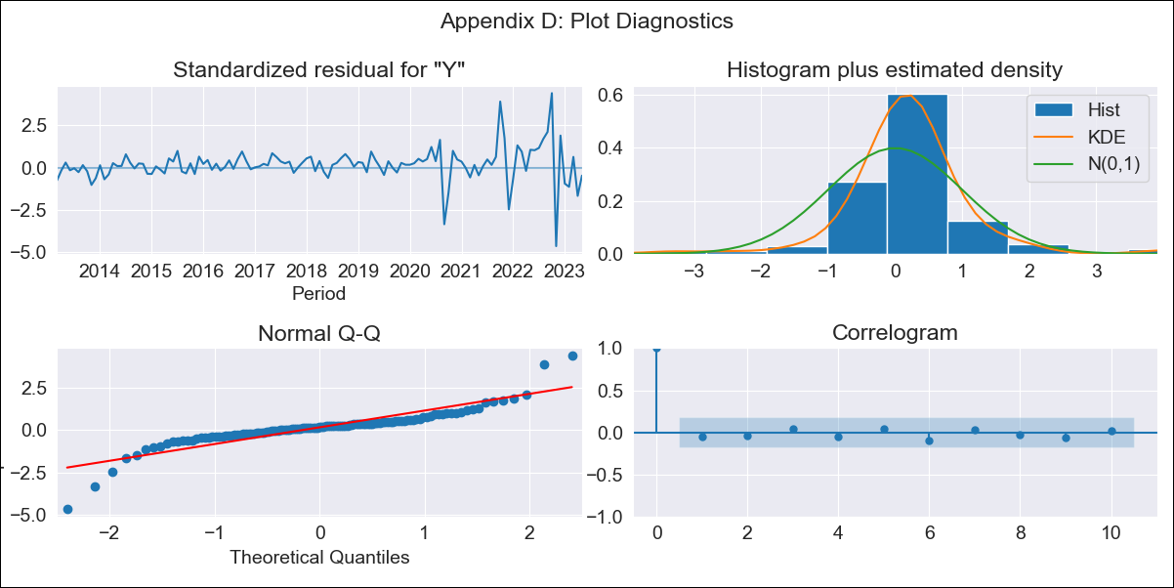
HTI - Inflation - Next 12 months forecast as of: 2023-05-01

Model | ARIMA - [(1, 1, 0), (2, 0, 1, 12)]
Training Data | 2011-01-01 to 2022-06-01
Test Data | 2022-06-01 to 2023-05-01

Date | Inflation Change YoY % | Lower Bound - 95% Confidence Interval | Upper Bound - 95% Confidence Interval
2023-06-01 | 46.4 | 44.16 | 48.65
2023-07-01 | 45.04 | 40.8 | 49.29
2023-08-01 | 44.72 | 38.6 | 50.84
2023-09-01 | 38.86 | 31.02 | 46.7
2023-10-01 | 26.48 | 17.07 | 35.89
2023-11-01 | 21.28 | 10.44 | 32.11
2023-12-01 | 19.91 | 7.77 | 32.06
2024-01-01 | 20.24 | 6.89 | 33.59
2024-02-01 | 19.6 | 5.13 | 34.07
2024-03-01 | 18.8 | 3.28 | 34.32
2024-04-01 | 18.66 | 2.15 | 35.16
2024-05-01 | 18.12 | 0.67 | 35.56

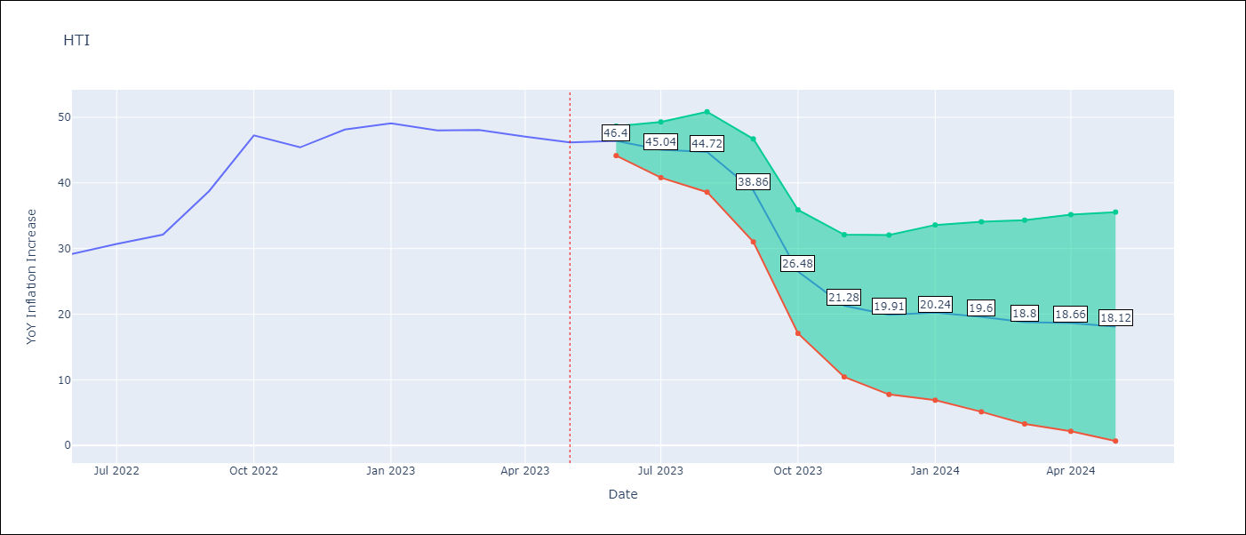

Test Metrics
RMSE | 20.91
Naive RMSE | 3.51
MAPE | 38.88%

Test Predictions
Date | Predicted | Actual
2022-06-01 | 29.14 | 29.19
2022-07-01 | 29.15 | 30.71
2022-08-01 | 29.37 | 32.12
2022-09-01 | 28.81 | 38.76
2022-10-01 | 24.96 | 47.25
2022-11-01 | 21.42 | 45.42
2022-12-01 | 21.79 | 48.13
2023-01-01 | 22.49 | 49.09
2023-02-01 | 21.87 | 48
2023-03-01 | 21.61 | 48.06
2023-04-01 | 21.43 | 47.04
2023-05-01 | 21.13 | 46.18

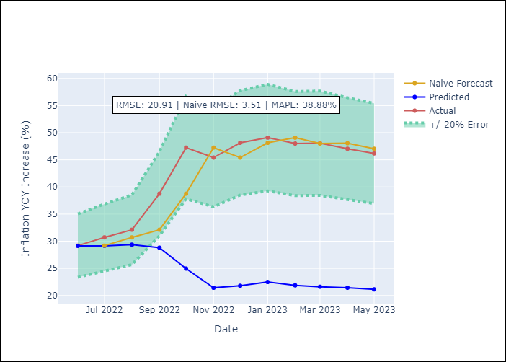

Appendix A: Model Summary
Model | ARIMA(1, 1, 0)x(2, 0, [1], 12)
Sample | 01-01-2011- 05-01-2023
No. of Observations | 149
Terms | P-value (Statistical significance)
ar.L1 | 0.000
ar.S.L12 | 0.440
ar.S.L24 | 0.000
ma.S.L12 | 0.436
sigma2 | 0.000

Assumptions | P-value | Interpretation
Ljung-Box (L1) | 0.56
Heteroskedasticity | 0.00
Jarque-Bera | 0.00
Skew | -0.31
Kurtosis | 11.33

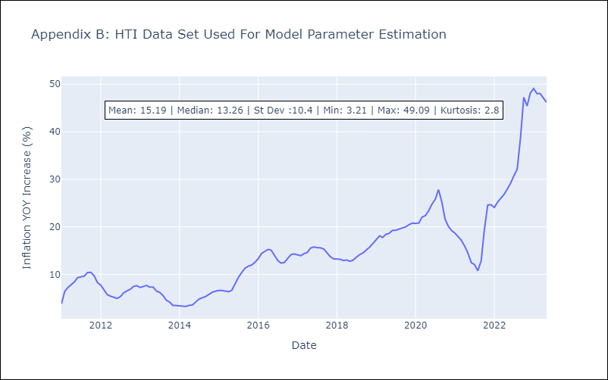

Appendix C: Residuals Analysis
Mean | 0.22
White Noise? | Yes
Normal? | No

MEX
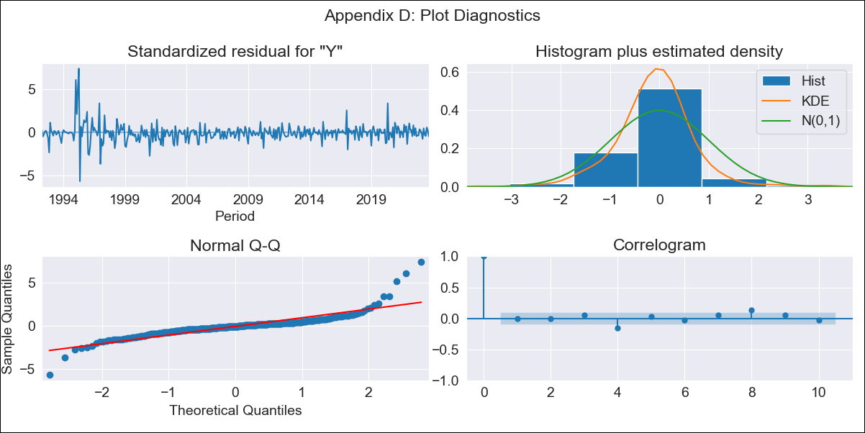
MEX - Inflation - Next 12 months forecast as of: 2023-09-01

Model | ARIMA - [(3, 1, 1), (0, 0, 2, 12)]
Training Data | 1990-01-01 to 2022-10-01
Test Data | 2022-10-01 to 2023-09-01

Date | Inflation Change YoY % | Lower Bound - 95% Confidence Interval | Upper Bound - 95% Confidence Interval
2023-10-01 | 4.4 | 3.45 | 5.36
2023-11-01 | 4.47 | 2.37 | 6.56
2023-12-01 | 4.51 | 1.15 | 7.86
2024-01-01 | 4.45 | -0.17 | 9.08
2024-02-01 | 4.37 | -1.49 | 10.23
2024-03-01 | 4.54 | -2.48 | 11.57
2024-04-01 | 4.54 | -3.58 | 12.66
2024-05-01 | 4.64 | -4.5 | 13.79
2024-06-01 | 4.83 | -5.27 | 14.93
2024-07-01 | 4.82 | -6.18 | 15.82
2024-08-01 | 4.66 | -7.18 | 16.5
2024-09-01 | 4.69 | -7.95 | 17.32

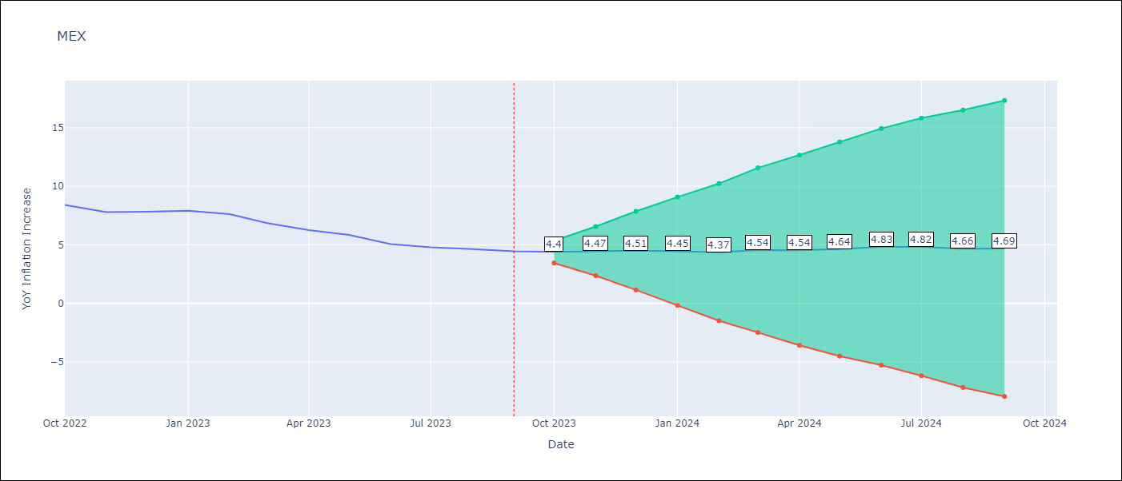

Test Metrics
RMSE | 1.09
Naive RMSE | 0.46
MAPE | 17.68%

Test Predictions
Date | Predicted | Actual
2022-10-01 | 8.56 | 8.41
2022-11-01 | 8.28 | 7.8
2022-12-01 | 8.41 | 7.82
2023-01-01 | 8.46 | 7.91
2023-02-01 | 8.16 | 7.62
2023-03-01 | 7.75 | 6.85
2023-04-01 | 7.26 | 6.25
2023-05-01 | 7.06 | 5.84
2023-06-01 | 6.65 | 5.06
2023-07-01 | 6.42 | 4.79
2023-08-01 | 6.13 | 4.64
2023-09-01 | 6.01 | 4.45

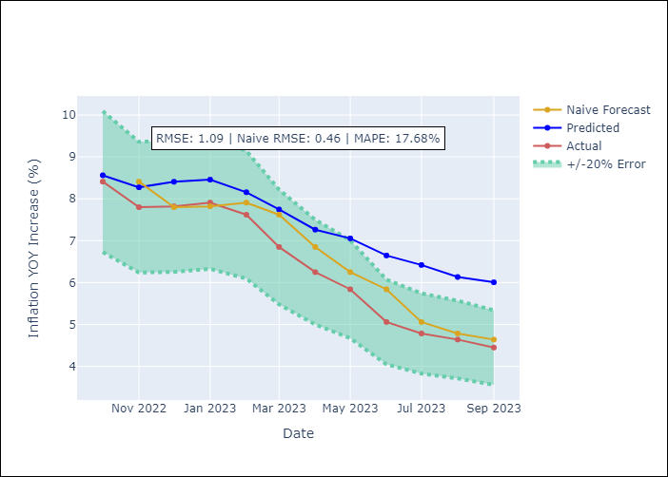

Appendix A: Model Summary
Model | ARIMA(3, 1, 1)x(0, 0, [1, 2], 12)
Sample | 01-01-1990- 09-01-2023
No. of Observations | 405
Terms | P-value (Statistical significance)
ar.L1 | 0.224
ar.L2 | 0.815
ar.L3 | 0.812
ma.L1 | 0.929
ma.S.L12 | 0.000
ma.S.L24 | 0.001
sigma2 | 0.000

Assumptions | P-value | Interpretation
Ljung-Box (L1) | 0.90
Heteroskedasticity | 0.00
Jarque-Bera | 0.00
Skew | 1.57
Kurtosis | 18.89

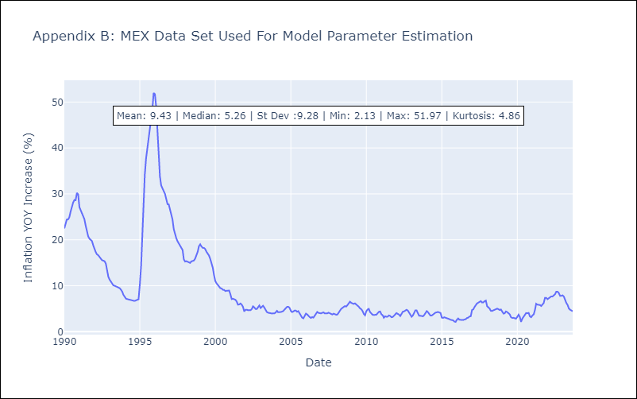

Appendix C: Residuals Analysis
Mean | -0.0
White Noise? | No - Correlation at Lags [ 1 2 3 4 5 6 7 8 9 10 11 12]
Normal? | No

NIC
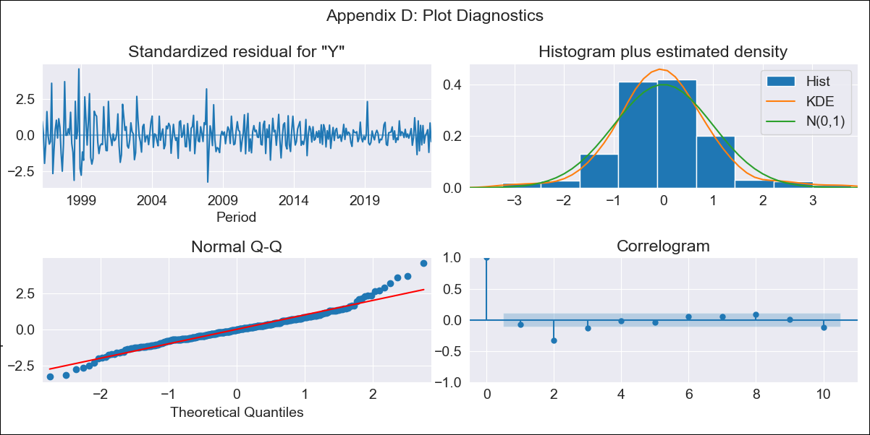
NIC - Inflation - Next 12 months forecast as of: 2023-09-01

Model | ARIMA - [(1, 2, 0), (3, 0, 1, 12)]
Training Data | 1993-01-01 to 2022-10-01
Test Data | 2022-10-01 to 2023-09-01

Date | Inflation Change YoY % | Lower Bound - 95% Confidence Interval | Upper Bound - 95% Confidence Interval
2023-10-01 | 6.12 | 4.43 | 7.82
2023-11-01 | 6.05 | 2.56 | 9.54
2023-12-01 | 5.4 | -0.28 | 11.07
2024-01-01 | 5.32 | -2.85 | 13.5
2024-02-01 | 4.71 | -6.25 | 15.67
2024-03-01 | 4.49 | -9.52 | 18.49
2024-04-01 | 4.19 | -13.09 | 21.47
2024-05-01 | 3.76 | -17.02 | 24.55
2024-06-01 | 3.25 | -21.24 | 27.73
2024-07-01 | 3.59 | -24.8 | 31.98
2024-08-01 | 3.25 | -29.24 | 35.73
2024-09-01 | 3.44 | -33.31 | 40.2

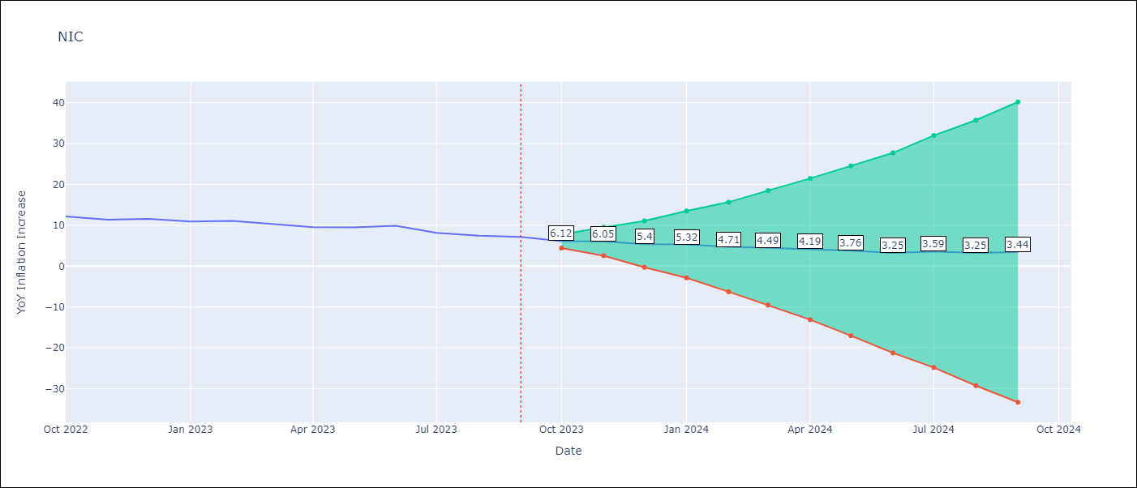

Test Metrics
RMSE | 1.25
Naive RMSE | 0.74
MAPE | 12.61%

Test Predictions
Date | Predicted | Actual
2022-10-01 | 11.29 | 12.16
2022-11-01 | 10.76 | 11.38
2022-12-01 | 10.41 | 11.59
2023-01-01 | 9.94 | 10.92
2023-02-01 | 9.59 | 11.1
2023-03-01 | 8.99 | 10.39
2023-04-01 | 8.15 | 9.53
2023-05-01 | 8.02 | 9.47
2023-06-01 | 8.05 | 9.87
2023-07-01 | 7.08 | 8.17
2023-08-01 | 6.15 | 7.46
2023-09-01 | 6.22 | 7.17

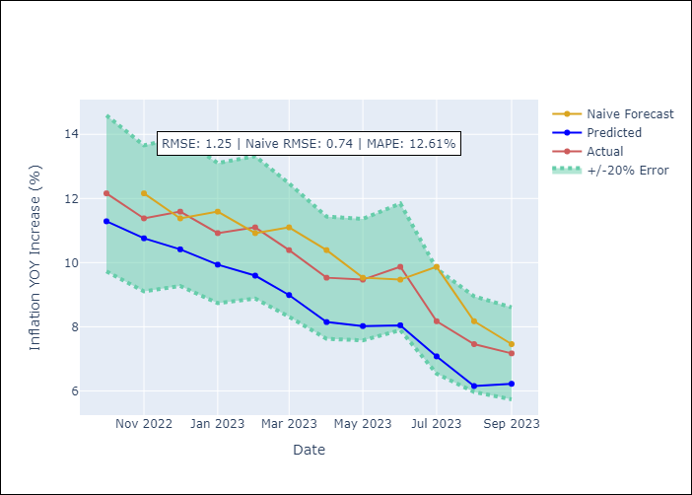

Appendix A: Model Summary
Model | ARIMA(1, 2, 0)x(3, 0, [1], 12)
Sample | 01-01-1993- 09-01-2023
No. of Observations | 369
Terms | P-value (Statistical significance)
ar.L1 | 0.000
ar.S.L12 | 0.000
ar.S.L24 | 0.000
ar.S.L36 | 0.285
ma.S.L12 | 0.000
sigma2 | 0.000

Assumptions | P-value | Interpretation
Ljung-Box (L1) | 0.18
Heteroskedasticity | 0.00
Jarque-Bera | 0.00
Skew | 0.52
Kurtosis | 5.59

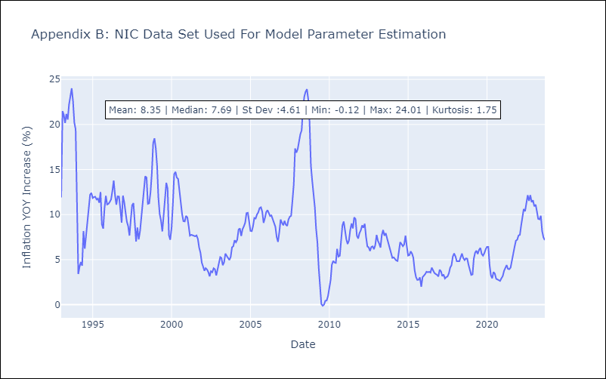

Appendix C: Residuals Analysis
Mean | 0.0
White Noise? | No - Correlation at Lags [ 2 3 4 5 6 7 8 9 10 11 12]
Normal? | No

PAN
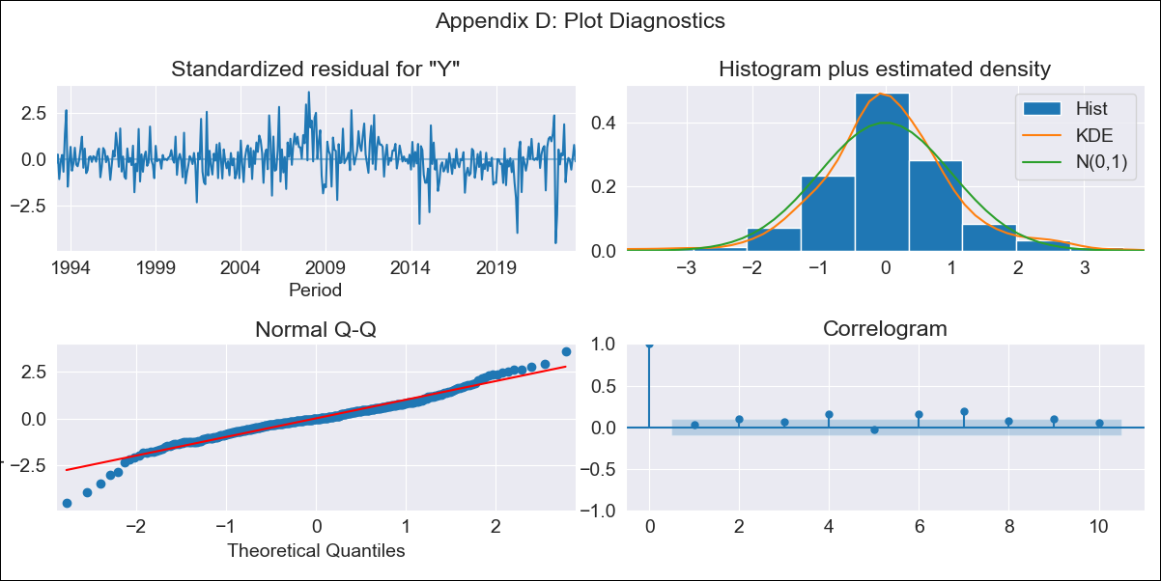
PAN - Inflation - Next 12 months forecast as of: 2023-09-01

Model | ARIMA - [(1, 0, 1), (0, 0, 1, 12)]
Training Data | 1992-01-01 to 2022-10-01
Test Data | 2022-10-01 to 2023-09-01

Date | Inflation Change YoY % | Lower Bound - 95% Confidence Interval | Upper Bound - 95% Confidence Interval
2023-10-01 | 2.35 | 1.64 | 3.06
2023-11-01 | 2.28 | 1.14 | 3.42
2023-12-01 | 2.19 | 0.75 | 3.64
2024-01-01 | 1.59 | -0.1 | 3.28
2024-02-01 | 1.83 | -0.07 | 3.74
2024-03-01 | 2.04 | -0.06 | 4.13
2024-04-01 | 2.04 | -0.23 | 4.32
2024-05-01 | 2.07 | -0.36 | 4.5
2024-06-01 | 2.26 | -0.32 | 4.84
2024-07-01 | 2.29 | -0.43 | 5.01
2024-08-01 | 2.05 | -0.81 | 4.9
2024-09-01 | 2.02 | -0.95 | 5

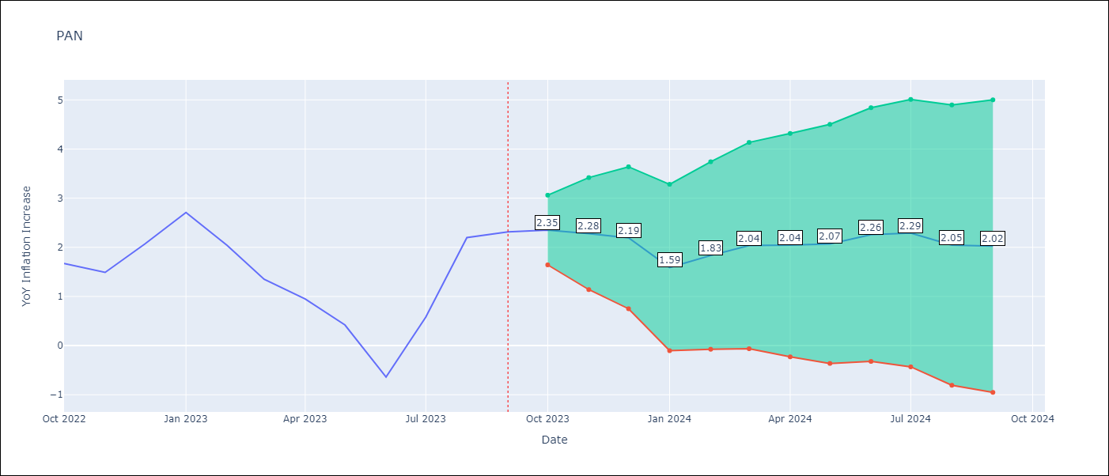

Test Metrics
RMSE | 1.07
Naive RMSE | 0.82
MAPE | 106.68%

Test Predictions
Date | Predicted | Actual
2022-10-01 | 1.94 | 1.67
2022-11-01 | 1.95 | 1.49
2022-12-01 | 1.94 | 2.07
2023-01-01 | 1.94 | 2.71
2023-02-01 | 1.95 | 2.04
2023-03-01 | 1.95 | 1.35
2023-04-01 | 1.96 | 0.95
2023-05-01 | 1.97 | 0.42
2023-06-01 | 1.98 | -0.64
2023-07-01 | 1.96 | 0.58
2023-08-01 | 1.94 | 2.2
2023-09-01 | 1.94 | 2.31

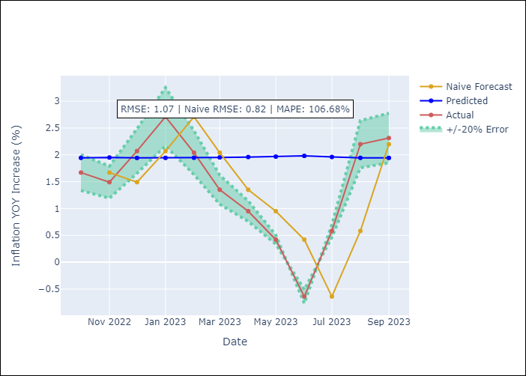

Appendix A: Model Summary
Model | ARIMA(1, 0, 1)x(0, 0, 1, 12)
Sample | 01-01-1992- 09-01-2023
No. of Observations | 381
Terms | P-value (Statistical significance)
const | 0.008
ar.L1 | 0.000
ma.L1 | 0.000
ma.S.L12 | 0.000
sigma2 | 0.000

Assumptions | P-value | Interpretation
Ljung-Box (L1) | 0.63
Heteroskedasticity | 0.00
Jarque-Bera | 0.00
Skew | -0.20
Kurtosis | 5.48

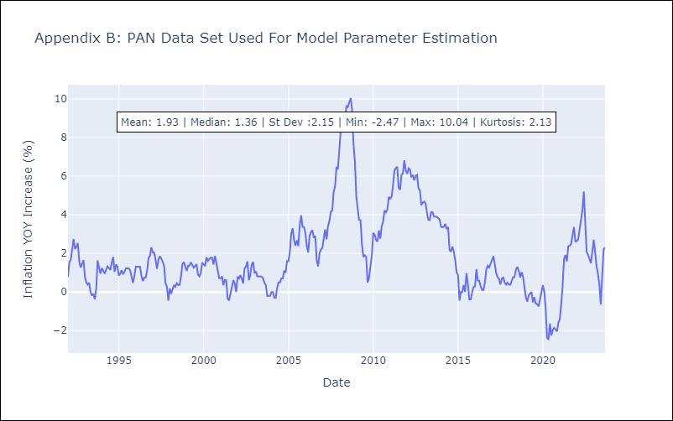

Appendix C: Residuals Analysis
Mean | -0.0
White Noise? | No - Correlation at Lags [ 6 7 8 9 10 11 12]
Normal? | No

SLV
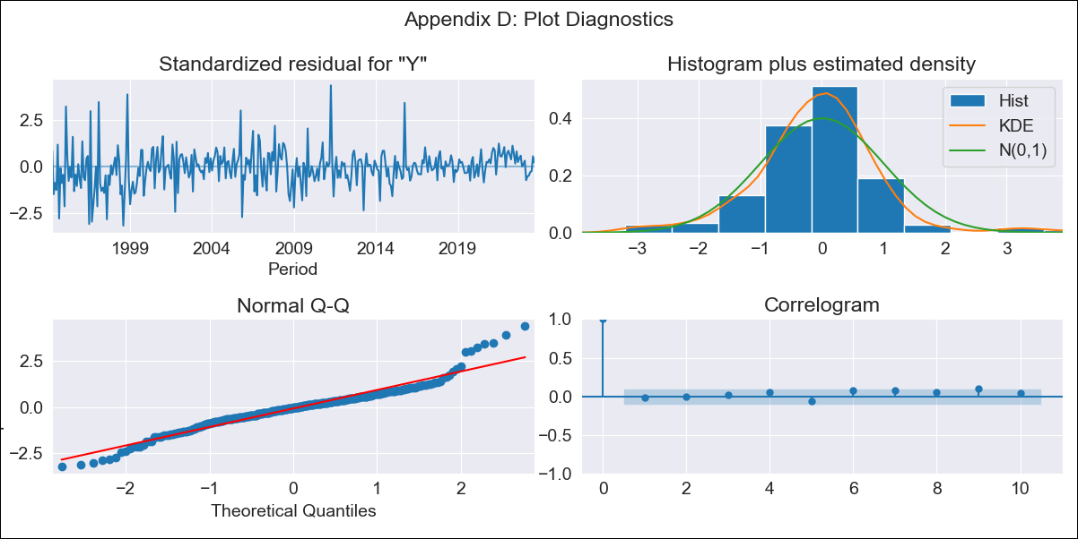
SLV - Inflation - Next 12 months forecast as of: 2023-09-01

Model | ARIMA - [(2, 1, 0), (3, 0, 0, 12)]
Training Data | 1991-01-01 to 2022-10-01
Test Data | 2022-10-01 to 2023-09-01

Date | Inflation Change YoY % | Lower Bound - 95% Confidence Interval | Upper Bound - 95% Confidence Interval
2023-10-01 | 2.81 | 1.53 | 4.08
2023-11-01 | 2.59 | 0.73 | 4.46
2023-12-01 | 2.63 | 0.19 | 5.07
2024-01-01 | 2.59 | -0.33 | 5.5
2024-02-01 | 2.5 | -0.84 | 5.85
2024-03-01 | 2.91 | -0.82 | 6.63
2024-04-01 | 3.22 | -0.85 | 7.3
2024-05-01 | 3.56 | -0.84 | 7.95
2024-06-01 | 3.88 | -0.81 | 8.58
2024-07-01 | 4.2 | -0.78 | 9.17
2024-08-01 | 4.09 | -1.16 | 9.33
2024-09-01 | 4.09 | -1.41 | 9.59

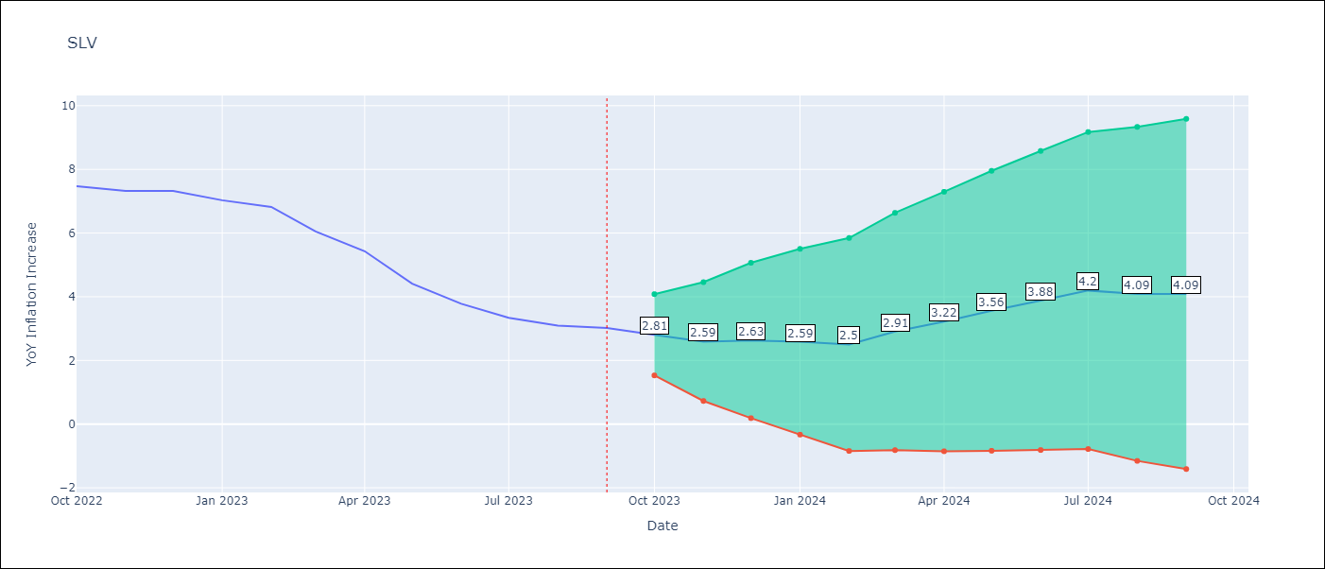

Test Metrics
RMSE | 0.61
Naive RMSE | 0.51
MAPE | 9.98%

Test Predictions
Date | Predicted | Actual
2022-10-01 | 7.18 | 7.47
2022-11-01 | 6.64 | 7.32
2022-12-01 | 6.57 | 7.32
2023-01-01 | 6.14 | 7.03
2023-02-01 | 5.71 | 6.82
2023-03-01 | 5.38 | 6.05
2023-04-01 | 5.11 | 5.43
2023-05-01 | 4.51 | 4.41
2023-06-01 | 4.16 | 3.78
2023-07-01 | 3.98 | 3.34
2023-08-01 | 3.44 | 3.09
2023-09-01 | 3.26 | 3.02

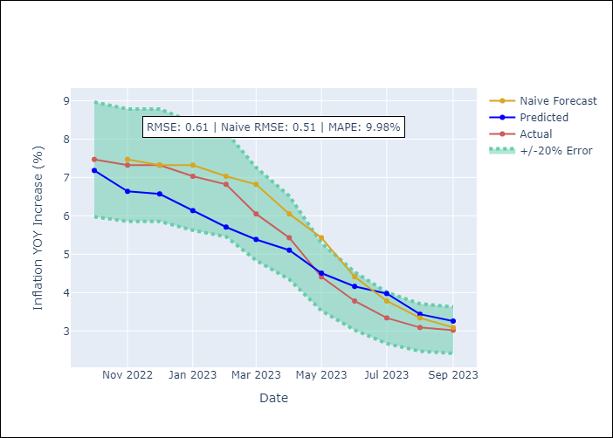

Appendix A: Model Summary
Model | ARIMA(2, 1, 0)x(3, 0, 0, 12)
Sample | 01-01-1991- 09-01-2023
No. of Observations | 393
Terms | P-value (Statistical significance)
ar.L1 | 0.118
ar.L2 | 0.000
ar.S.L12 | 0.000
ar.S.L24 | 0.000
ar.S.L36 | 0.000
sigma2 | 0.000

Assumptions | P-value | Interpretation
Ljung-Box (L1) | 0.77
Heteroskedasticity | 0.00
Jarque-Bera | 0.00
Skew | 0.35
Kurtosis | 5.98

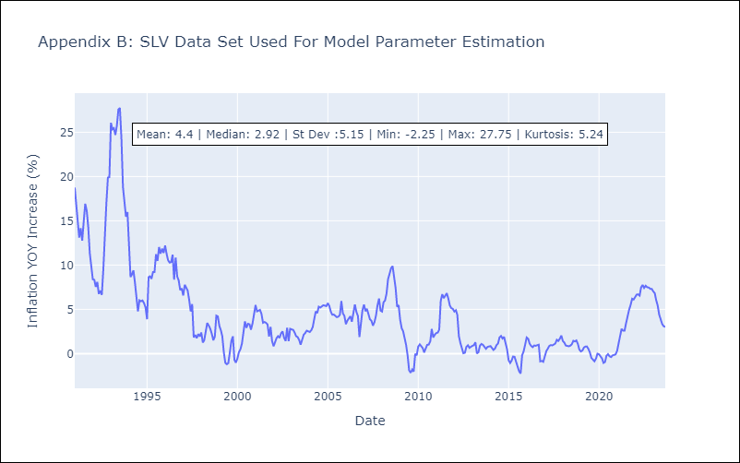

Appendix C: Residuals Analysis
Mean | -0.0
White Noise? | No - Correlation at Lags [ 2 3 4 5 6 7 8 9 10 11 12]
Normal? | No

