CRIlt
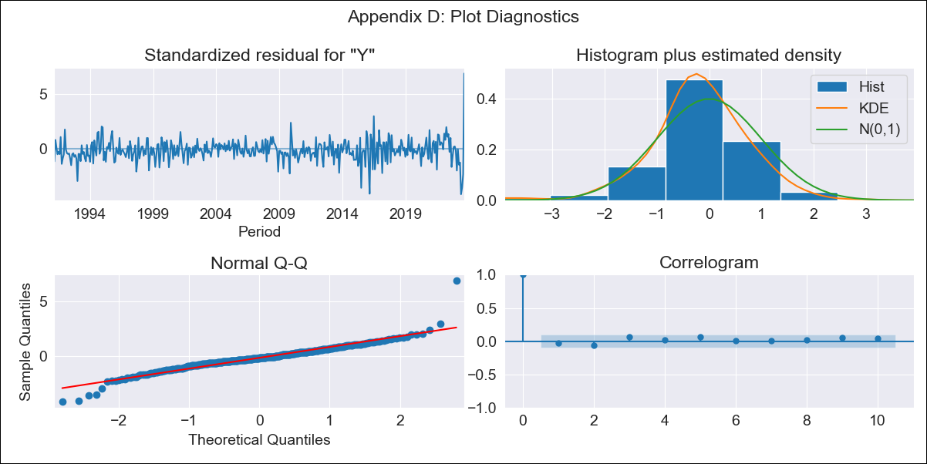
CRIlt - Inflation - Next 12 months forecast as of: 2023-09-01

Model | ARIMA - [(1, 1, 0), (0, 0, 1, 12)]
Training Data | 1990-01-01 to 2022-10-01
Test Data | 2022-10-01 to 2023-09-01

Date | Inflation Change YoY % | Lower Bound - 95% Confidence Interval | Upper Bound - 95% Confidence Interval
2023-10-01 | -2.37 | -3.53 | -1.21
2023-11-01 | -2.26 | -3.42 | -1.1
2023-12-01 | -2.23 | -3.39 | -1.07
2024-01-01 | -2.21 | -3.37 | -1.05
2024-02-01 | -2.05 | -3.21 | -0.89
2024-03-01 | -1.98 | -3.14 | -0.82
2024-04-01 | -1.85 | -3.01 | -0.69
2024-05-01 | -1.69 | -2.85 | -0.53
2024-06-01 | -1.32 | -2.48 | -0.16
2024-07-01 | -0.91 | -2.07 | 0.25
2024-08-01 | -0.56 | -1.72 | 0.6
2024-09-01 | -0.93 | -2.09 | 0.23

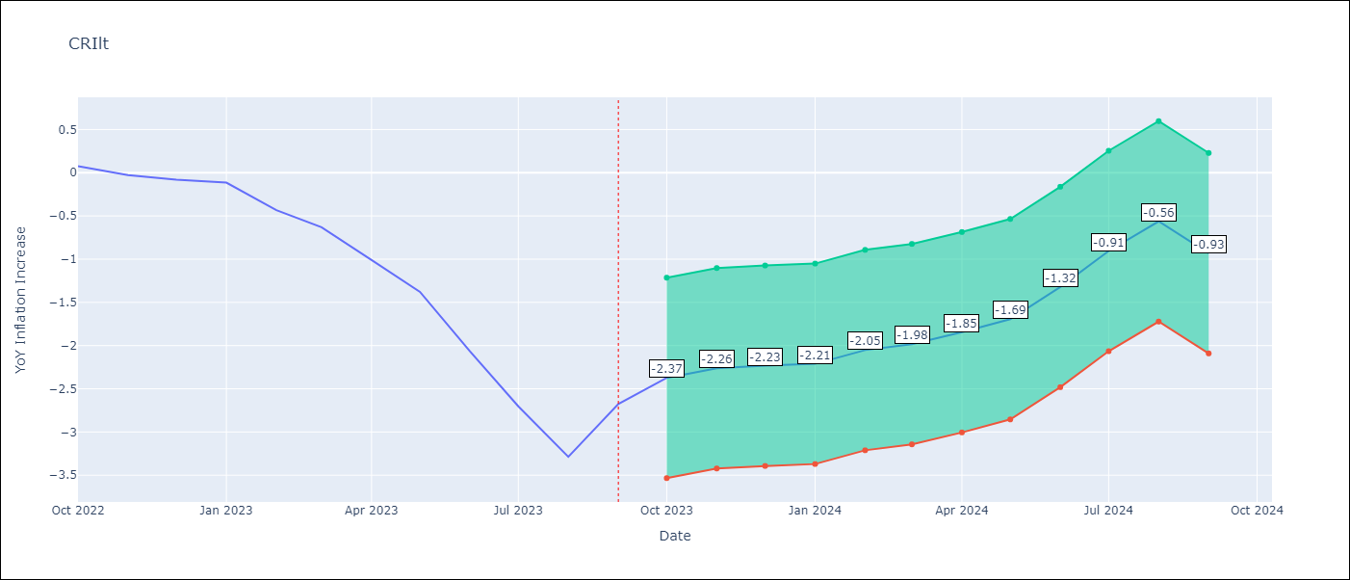

Test Metrics
RMSE | 1.14
Naive RMSE | 0.43
MAPE | 89.31%

Test Predictions
Date | Predicted | Actual
2022-10-01 | 0.15 | 0.08
2022-11-01 | 0.06 | -0.03
2022-12-01 | -0.01 | -0.08
2023-01-01 | -0.04 | -0.11
2023-02-01 | -0.15 | -0.43
2023-03-01 | -0.25 | -0.63
2023-04-01 | -0.44 | -1.01
2023-05-01 | -0.6 | -1.38
2023-06-01 | -0.77 | -2.07
2023-07-01 | -0.81 | -2.7
2023-08-01 | -0.91 | -3.29
2023-09-01 | -0.82 | -2.68

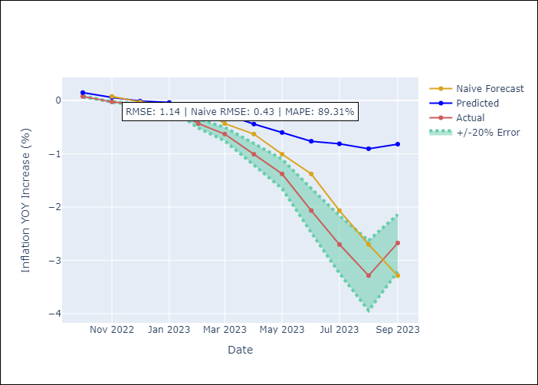

Appendix A: Model Summary
Model | ARIMA(1, 1, 0)x(0, 0, [1], 12)
Sample | 01-01-1990- 09-01-2023
No. of Observations | 405
Terms | P-value (Statistical significance)
ar.L1 | 0.000
ma.S.L12 | 0.000
sigma2 | 0.000

Assumptions | P-value | Interpretation
Ljung-Box (L1) | 0.53
Heteroskedasticity | 0.00
Jarque-Bera | 0.00
Skew | 0.47
Kurtosis | 10.53

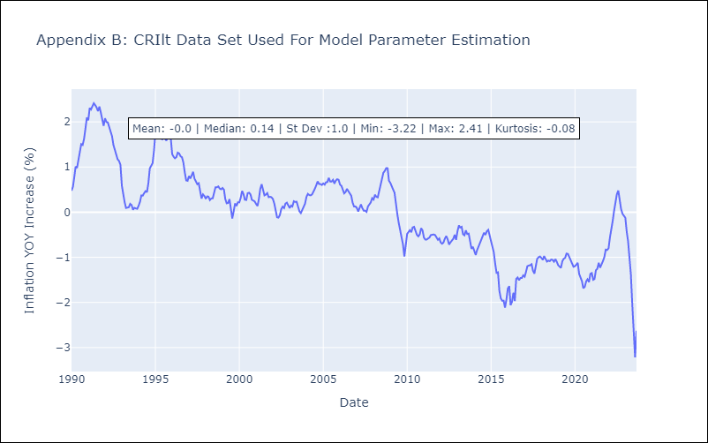

Appendix C: Residuals Analysis
Mean | -0.01
White Noise? | Yes
Normal? | No

CUBlt
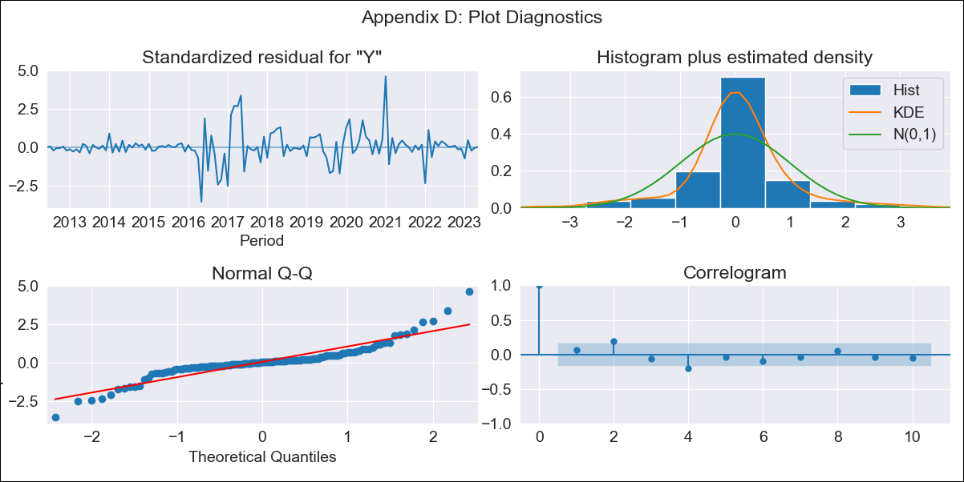
CUBlt - Inflation - Next 12 months forecast as of: 2023-05-01

Model | ARIMA - [(0, 2, 2), (0, 0, 1, 12)]
Training Data | 2011-01-01 to 2022-06-01
Test Data | 2022-06-01 to 2023-05-01

Date | Inflation Change YoY % | Lower Bound - 95% Confidence Interval | Upper Bound - 95% Confidence Interval
2023-06-01 | 44.44 | 33.73 | 55.15
2023-07-01 | 43.28 | 32.57 | 53.99
2023-08-01 | 43.53 | 32.82 | 54.24
2023-09-01 | 44.19 | 33.48 | 54.9
2023-10-01 | 44.52 | 33.81 | 55.23
2023-11-01 | 46.02 | 35.31 | 56.73
2023-12-01 | 47.87 | 37.16 | 58.57
2024-01-01 | 53.42 | 42.71 | 64.13
2024-02-01 | 53.57 | 42.86 | 64.27
2024-03-01 | 54.92 | 44.21 | 65.63
2024-04-01 | 56.95 | 46.24 | 67.66
2024-05-01 | 58.13 | 47.42 | 68.84

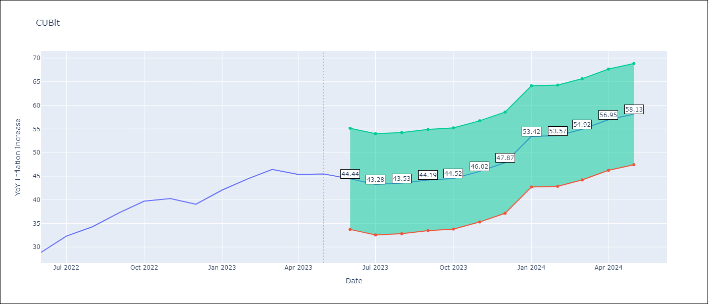

Test Metrics
RMSE | 7.75
Naive RMSE | 2.18
MAPE | 18.11%

Test Predictions
Date | Predicted | Actual
2022-06-01 | 25.31 | 28.85
2022-07-01 | 24.76 | 32.31
2022-08-01 | 25.12 | 34.3
2022-09-01 | 26.84 | 37.24
2022-10-01 | 27.53 | 39.73
2022-11-01 | 28.71 | 40.26
2022-12-01 | 29.03 | 39.07
2023-01-01 | 39.54 | 42.08
2023-02-01 | 39.64 | 44.5
2023-03-01 | 41.64 | 46.42
2023-04-01 | 42.14 | 45.35
2023-05-01 | 42.01 | 45.48

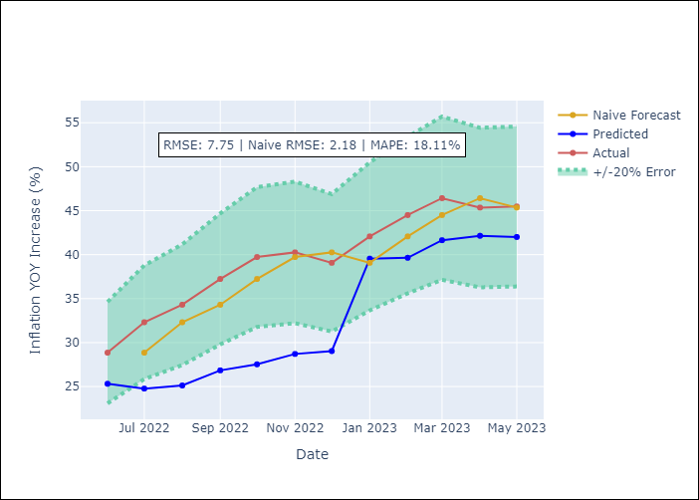

Appendix A: Model Summary
Model | ARIMA(0, 2, 2)x(0, 0, [1], 12)
Sample | 01-01-2011- 05-01-2023
No. of Observations | 149
Terms | P-value (Statistical significance)
ma.L1 | 0.000
ma.L2 | 0.000
ma.S.L12 | 0.000
sigma2 | 0.000

Assumptions | P-value | Interpretation
Ljung-Box (L1) | 0.43
Heteroskedasticity | 0.00
Jarque-Bera | 0.00
Skew | 0.56
Kurtosis | 8.01

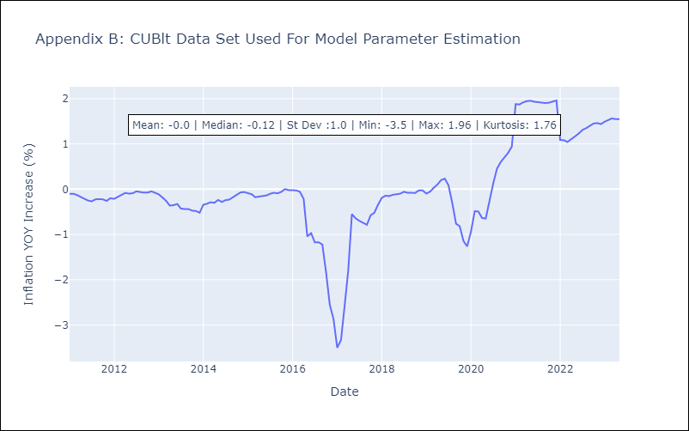

Appendix C: Residuals Analysis
Mean | 0.01
White Noise? | No - Correlation at Lags [2 4 5 6 7]
Normal? | No

DOMlt
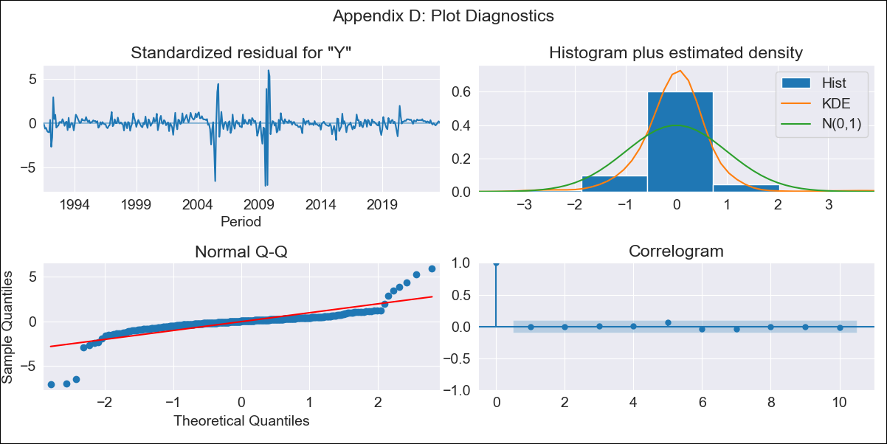
DOMlt - Inflation - Next 12 months forecast as of: 2023-09-01

Model | ARIMA - [(1, 1, 3), (0, 0, 1, 12)]
Training Data | 1990-01-01 to 2022-10-01
Test Data | 2022-10-01 to 2023-09-01

Date | Inflation Change YoY % | Lower Bound - 95% Confidence Interval | Upper Bound - 95% Confidence Interval
2023-10-01 | 4.44 | 4.31 | 4.58
2023-11-01 | 4.44 | 4.31 | 4.57
2023-12-01 | 4.35 | 4.21 | 4.48
2024-01-01 | 4.34 | 4.21 | 4.47
2024-02-01 | 4.38 | 4.25 | 4.51
2024-03-01 | 4.39 | 4.26 | 4.52
2024-04-01 | 4.44 | 4.31 | 4.57
2024-05-01 | 4.51 | 4.38 | 4.64
2024-06-01 | 4.55 | 4.42 | 4.69
2024-07-01 | 4.54 | 4.41 | 4.67
2024-08-01 | 4.47 | 4.34 | 4.6
2024-09-01 | 4.43 | 4.3 | 4.57

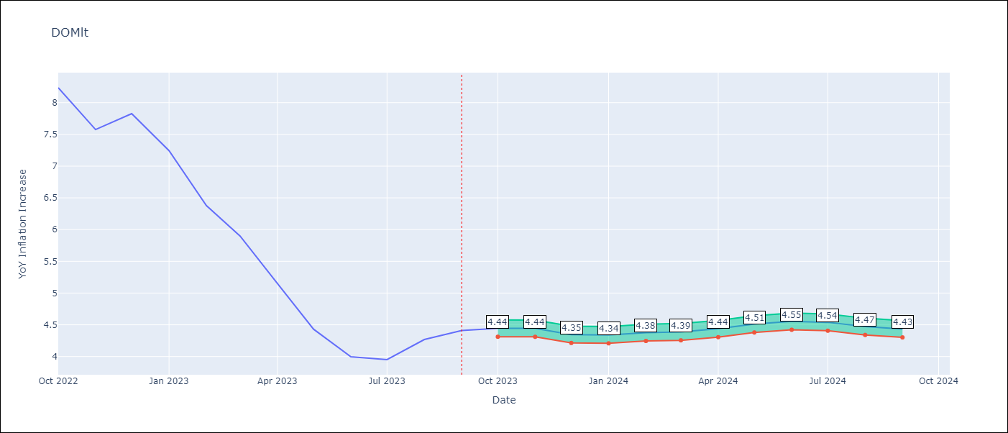

Test Metrics
RMSE | 0.63
Naive RMSE | 0.54
MAPE | 9.45%

Test Predictions
Date | Predicted | Actual
2022-10-01 | 7.92 | 8.24
2022-11-01 | 7.25 | 7.58
2022-12-01 | 6.66 | 7.83
2023-01-01 | 6.17 | 7.24
2023-02-01 | 5.77 | 6.38
2023-03-01 | 5.45 | 5.9
2023-04-01 | 5.14 | 5.15
2023-05-01 | 4.95 | 4.43
2023-06-01 | 4.78 | 4
2023-07-01 | 4.65 | 3.95
2023-08-01 | 4.59 | 4.27
2023-09-01 | 4.5 | 4.41

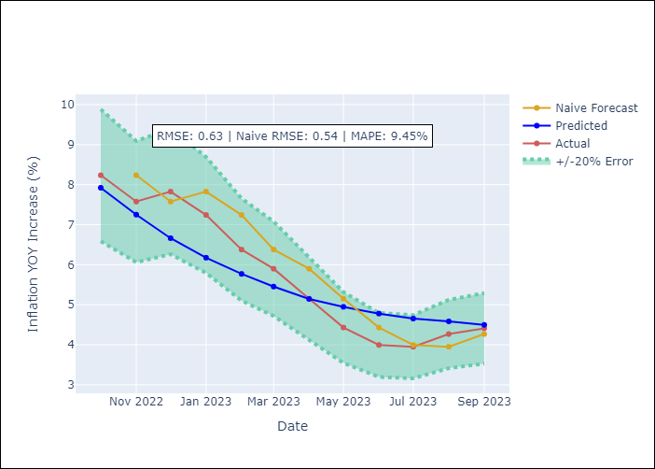

Appendix A: Model Summary
Model | ARIMA(1, 1, 3)x(0, 0, [1], 12)
Sample | 01-01-1990- 09-01-2023
No. of Observations | 405
Terms | P-value (Statistical significance)
ar.L1 | 0.000
ma.L1 | 0.000
ma.L2 | 0.339
ma.L3 | 0.000
ma.S.L12 | 0.019
sigma2 | 0.000

Assumptions | P-value | Interpretation
Ljung-Box (L1) | 0.94
Heteroskedasticity | 0.05
Jarque-Bera | 0.00
Skew | -1.21
Kurtosis | 25.30

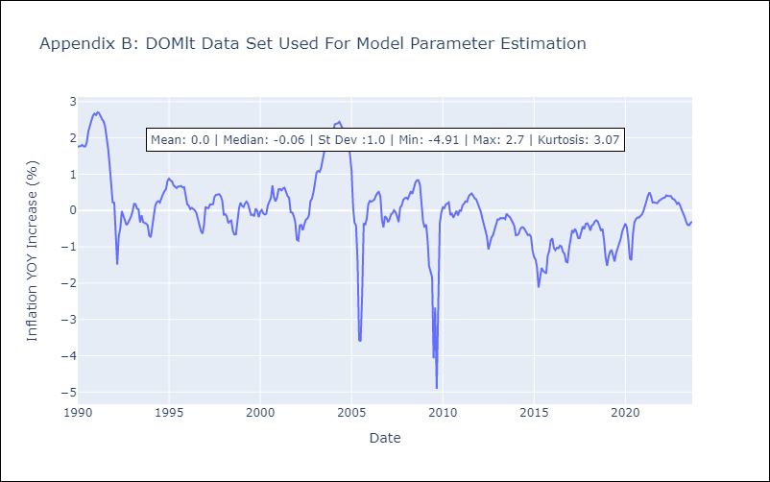

Appendix C: Residuals Analysis
Mean | -0.01
White Noise? | Yes
Normal? | No

GTMlt
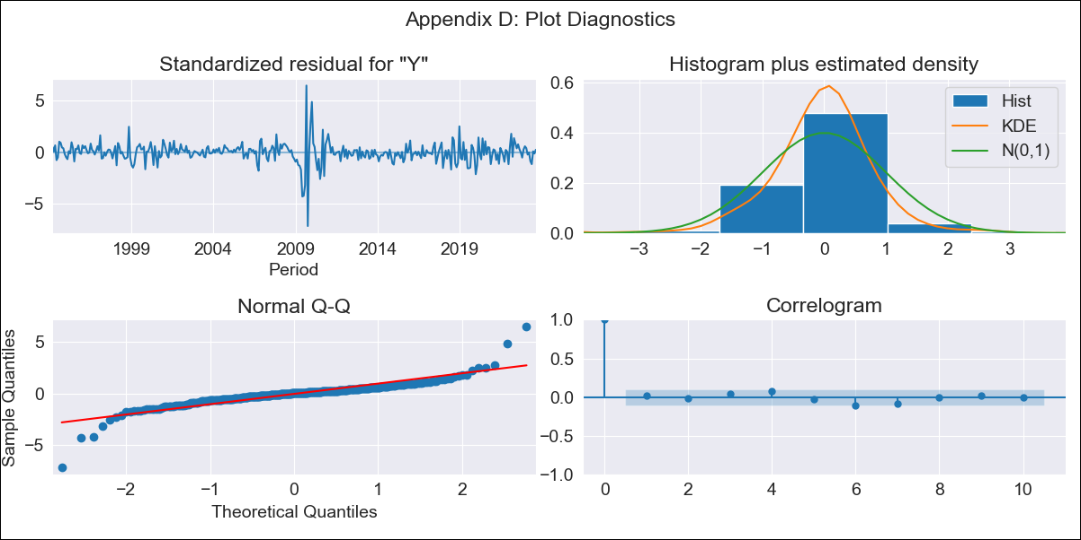
GTMlt - Inflation - Next 12 months forecast as of: 2023-09-01

Model | ARIMA - [(2, 0, 2), (3, 0, 0, 12)]
Training Data | 1991-01-01 to 2022-10-01
Test Data | 2022-10-01 to 2023-09-01

Date | Inflation Change YoY % | Lower Bound - 95% Confidence Interval | Upper Bound - 95% Confidence Interval
2023-10-01 | 4.68 | 3.72 | 5.63
2023-11-01 | 4.89 | 3.93 | 5.85
2023-12-01 | 4.77 | 3.81 | 5.73
2024-01-01 | 4.75 | 3.79 | 5.7
2024-02-01 | 4.72 | 3.76 | 5.67
2024-03-01 | 4.88 | 3.92 | 5.84
2024-04-01 | 4.88 | 3.93 | 5.84
2024-05-01 | 5.36 | 4.41 | 6.32
2024-06-01 | 5.78 | 4.82 | 6.74
2024-07-01 | 5.92 | 4.96 | 6.88
2024-08-01 | 5.89 | 4.93 | 6.84
2024-09-01 | 5.77 | 4.81 | 6.73

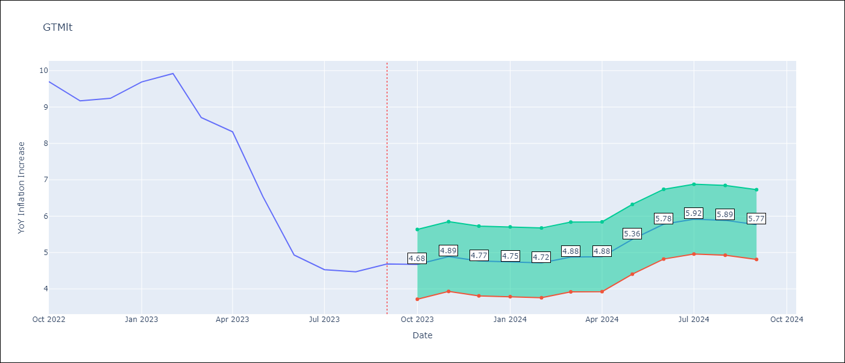

Test Metrics
RMSE | 0.91
Naive RMSE | 0.86
MAPE | 12.98%

Test Predictions
Date | Predicted | Actual
2022-10-01 | 9.71 | 9.7
2022-11-01 | 9.79 | 9.17
2022-12-01 | 9.61 | 9.24
2023-01-01 | 9.16 | 9.69
2023-02-01 | 8.62 | 9.92
2023-03-01 | 7.73 | 8.71
2023-04-01 | 7.39 | 8.32
2023-05-01 | 6.64 | 6.54
2023-06-01 | 6.1 | 4.93
2023-07-01 | 5.82 | 4.53
2023-08-01 | 5.76 | 4.47
2023-09-01 | 5.69 | 4.69

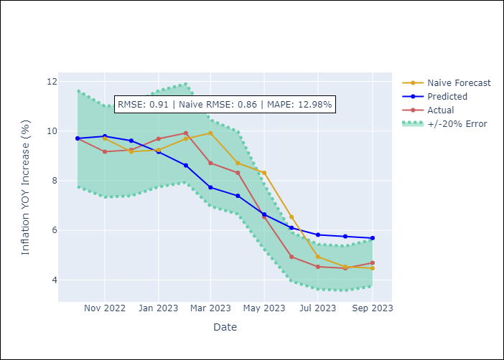

Appendix A: Model Summary
Model | ARIMA(2, 0, 2)x(3, 0, [], 12)
Sample | 01-01-1991- 09-01-2023
No. of Observations | 393
Terms | P-value (Statistical significance)
const | 0.784
ar.L1 | 0.078
ar.L2 | 0.000
ma.L1 | 0.000
ma.L2 | 0.000
ar.S.L12 | 0.000
ar.S.L24 | 0.184
ar.S.L36 | 0.288
sigma2 | 0.000

Assumptions | P-value | Interpretation
Ljung-Box (L1) | 0.77
Heteroskedasticity | 0.02
Jarque-Bera | 0.00
Skew | -0.37
Kurtosis | 17.40

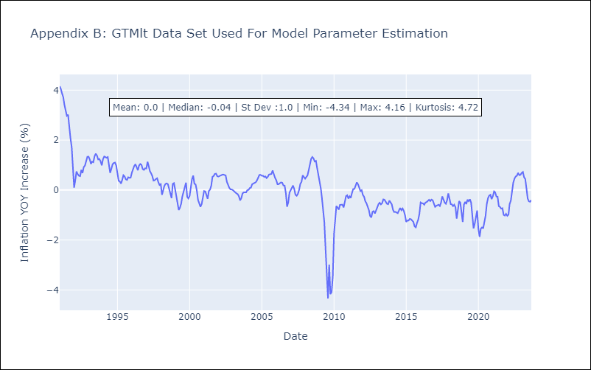

Appendix C: Residuals Analysis
Mean | 0.02
White Noise? | No - Correlation at Lags [ 1 2 3 4 5 6 7 8 9 10 11 12]
Normal? | No

HNDlt
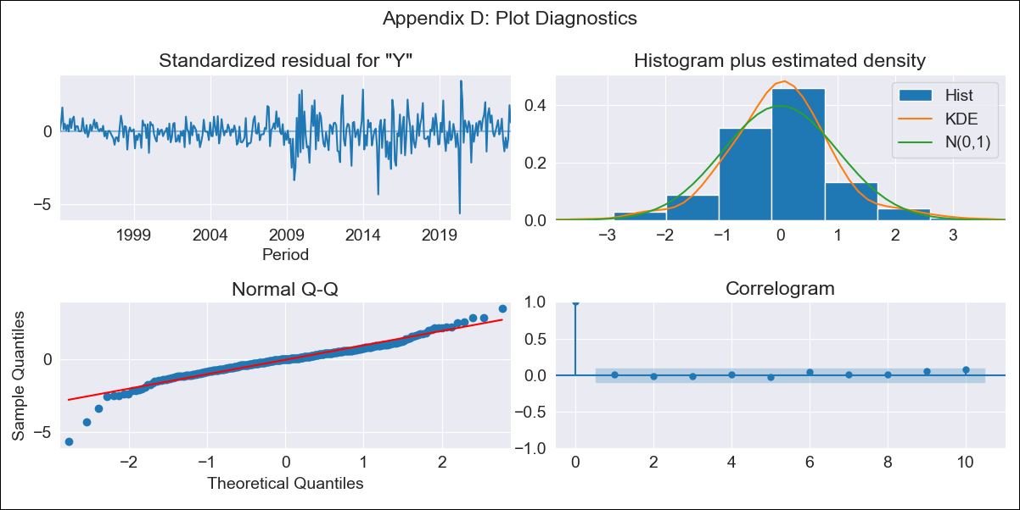
HNDlt - Inflation - Next 12 months forecast as of: 2023-09-01

Model | ARIMA - [(2, 0, 1), (3, 0, 0, 12)]
Training Data | 1991-01-01 to 2022-10-01
Test Data | 2022-10-01 to 2023-09-01

Date | Inflation Change YoY % | Lower Bound - 95% Confidence Interval | Upper Bound - 95% Confidence Interval
2023-10-01 | 6.19 | 5.33 | 7.05
2023-11-01 | 6.07 | 5.21 | 6.93
2023-12-01 | 6.15 | 5.29 | 7.01
2024-01-01 | 6.19 | 5.33 | 7.05
2024-02-01 | 5.93 | 5.07 | 6.78
2024-03-01 | 6.02 | 5.17 | 6.88
2024-04-01 | 6.37 | 5.51 | 7.23
2024-05-01 | 6.56 | 5.7 | 7.42
2024-06-01 | 7.03 | 6.17 | 7.88
2024-07-01 | 7.35 | 6.49 | 8.21
2024-08-01 | 6.95 | 6.09 | 7.8
2024-09-01 | 6.7 | 5.85 | 7.56

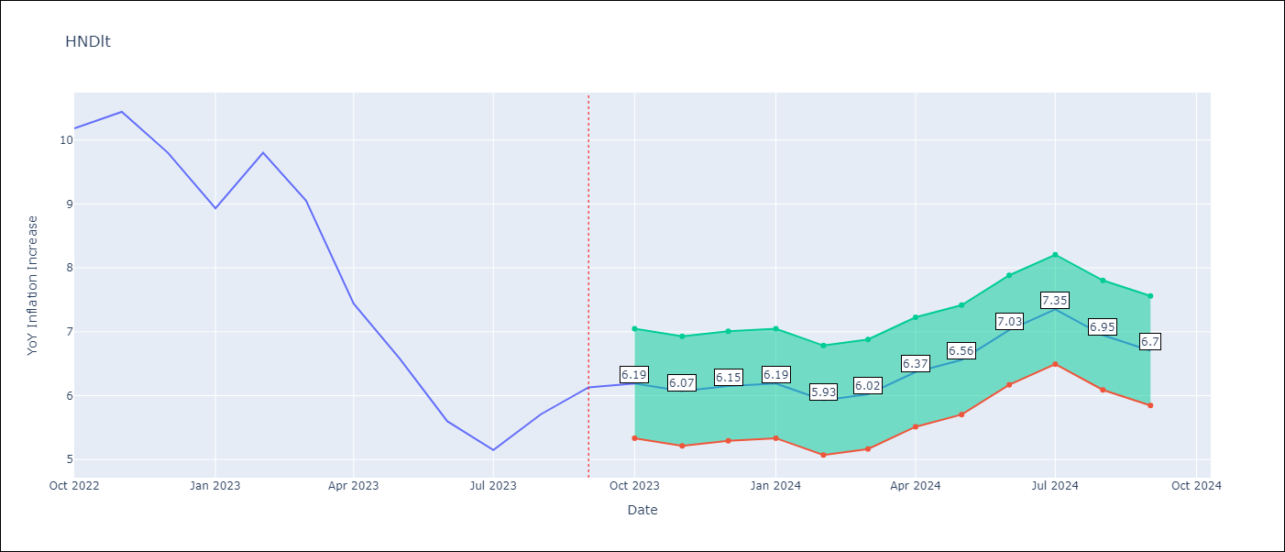

Test Metrics
RMSE | 0.91
Naive RMSE | 0.83
MAPE | 9.29%

Test Predictions
Date | Predicted | Actual
2022-10-01 | 9.86 | 10.18
2022-11-01 | 9.4 | 10.44
2022-12-01 | 8.82 | 9.8
2023-01-01 | 7.94 | 8.93
2023-02-01 | 8.03 | 9.8
2023-03-01 | 7.62 | 9.05
2023-04-01 | 7.01 | 7.44
2023-05-01 | 6.57 | 6.58
2023-06-01 | 6.21 | 5.6
2023-07-01 | 6.11 | 5.15
2023-08-01 | 6.13 | 5.71
2023-09-01 | 6.16 | 6.13

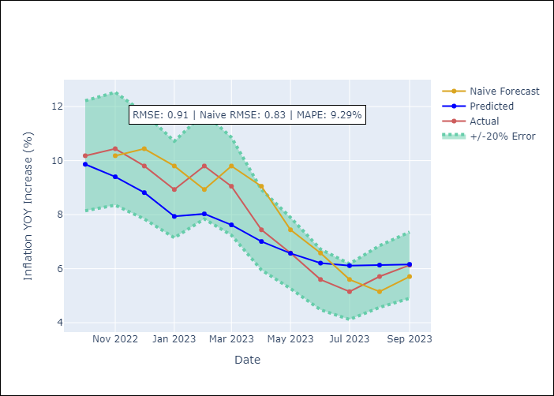

Appendix A: Model Summary
Model | ARIMA(2, 0, 1)x(3, 0, [], 12)
Sample | 01-01-1991- 09-01-2023
No. of Observations | 393
Terms | P-value (Statistical significance)
const | 0.854
ar.L1 | 0.000
ar.L2 | 0.000
ma.L1 | 0.060
ar.S.L12 | 0.000
ar.S.L24 | 0.000
ar.S.L36 | 0.157
sigma2 | 0.000

Assumptions | P-value | Interpretation
Ljung-Box (L1) | 0.91
Heteroskedasticity | 0.00
Jarque-Bera | 0.00
Skew | -0.57
Kurtosis | 7.13

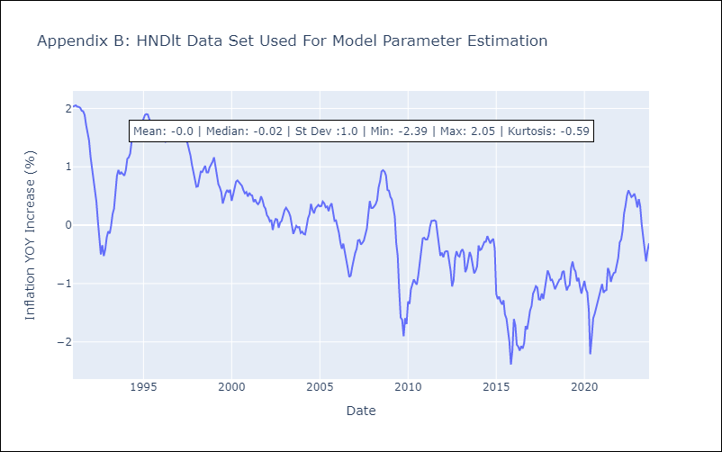

Appendix C: Residuals Analysis
Mean | 0.0
White Noise? | No - Correlation at Lags [ 1 2 3 4 5 6 7 8 9 10 11 12]
Normal? | No

HTIlt
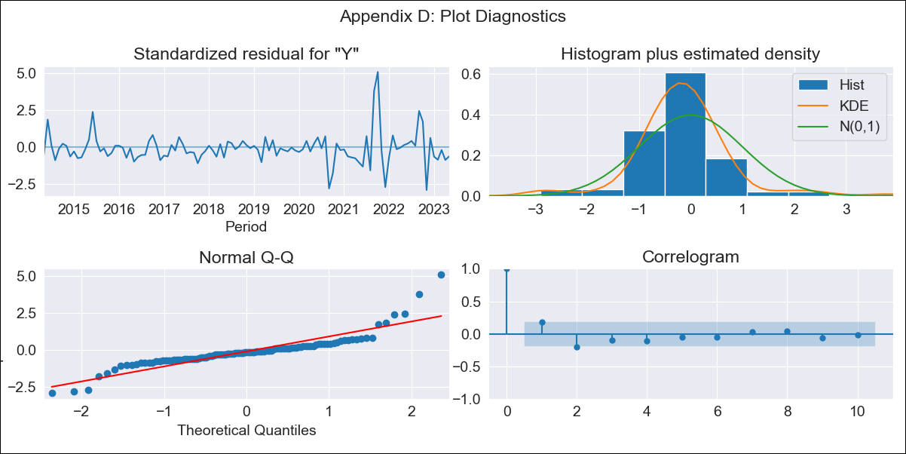
HTIlt - Inflation - Next 12 months forecast as of: 2023-05-01

Model | ARIMA - [(1, 2, 1), (0, 0, 3, 12)]
Training Data | 2011-01-01 to 2022-06-01
Test Data | 2022-06-01 to 2023-05-01

Date | Inflation Change YoY % | Lower Bound - 95% Confidence Interval | Upper Bound - 95% Confidence Interval
2023-06-01 | 47.24 | 39.8 | 54.68
2023-07-01 | 47.33 | 39.89 | 54.77
2023-08-01 | 49.36 | 41.92 | 56.8
2023-09-01 | 45.99 | 38.55 | 53.43
2023-10-01 | 39.2 | 31.76 | 46.64
2023-11-01 | 37.37 | 29.93 | 44.81
2023-12-01 | 38.51 | 31.07 | 45.95
2024-01-01 | 40.37 | 32.93 | 47.81
2024-02-01 | 41.57 | 34.13 | 49.01
2024-03-01 | 42.9 | 35.46 | 50.34
2024-04-01 | 44.6 | 37.16 | 52.04
2024-05-01 | 46.29 | 38.85 | 53.73

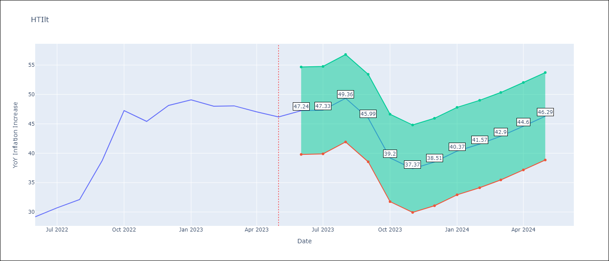

Test Metrics
RMSE | 60.49
Naive RMSE | 3.51
MAPE | 137.38%

Test Predictions
Date | Predicted | Actual
2022-06-01 | -3.23 | 29.19
2022-07-01 | -7.23 | 30.71
2022-08-01 | -11.19 | 32.12
2022-09-01 | -13.89 | 38.76
2022-10-01 | -15.44 | 47.25
2022-11-01 | -17.82 | 45.42
2022-12-01 | -18.25 | 48.13
2023-01-01 | -18.04 | 49.09
2023-02-01 | -20.54 | 48
2023-03-01 | -23.18 | 48.06
2023-04-01 | -23.95 | 47.04
2023-05-01 | -25.29 | 46.18

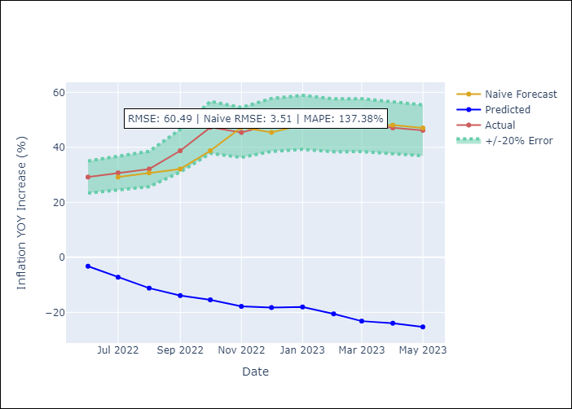

Appendix A: Model Summary
Model | ARIMA(1, 2, 1)x(0, 0, [1, 2, 3], 12)
Sample | 01-01-2011- 05-01-2023
No. of Observations | 149
Terms | P-value (Statistical significance)
ar.L1 | 0.000
ma.L1 | 0.259
ma.S.L12 | 0.035
ma.S.L24 | 0.050
ma.S.L36 | 0.000
sigma2 | 0.283

Assumptions | P-value | Interpretation
Ljung-Box (L1) | 0.06
Heteroskedasticity | 0.00
Jarque-Bera | 0.00
Skew | 1.53
Kurtosis | 10.86

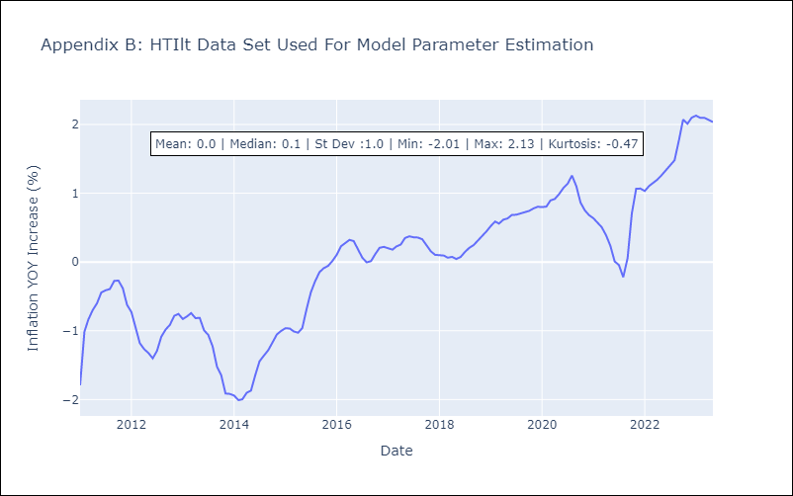

Appendix C: Residuals Analysis
Mean | -0.01
White Noise? | No - Correlation at Lags [ 1 2 3 4 5 6 7 8 9 10 11 12]
Normal? | No

MEXlt
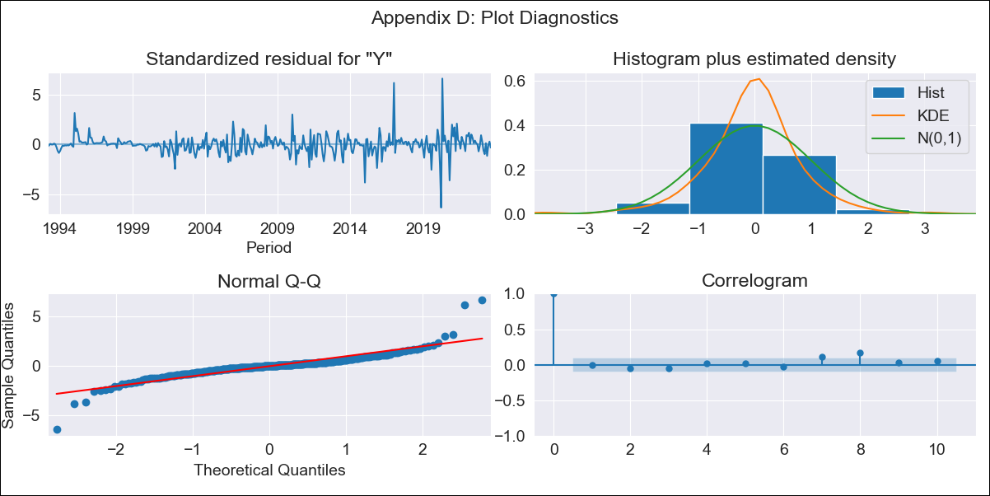
MEXlt - Inflation - Next 12 months forecast as of: 2023-09-01

Model | ARIMA - [(1, 0, 1), (3, 0, 3, 12)]
Training Data | 1990-01-01 to 2022-10-01
Test Data | 2022-10-01 to 2023-09-01

Date | Inflation Change YoY % | Lower Bound - 95% Confidence Interval | Upper Bound - 95% Confidence Interval
2023-10-01 | 4.41 | 3.89 | 4.94
2023-11-01 | 4.5 | 3.97 | 5.02
2023-12-01 | 4.51 | 3.99 | 5.04
2024-01-01 | 4.46 | 3.94 | 4.99
2024-02-01 | 4.49 | 3.96 | 5.02
2024-03-01 | 4.42 | 3.9 | 4.95
2024-04-01 | 4.2 | 3.67 | 4.73
2024-05-01 | 4.46 | 3.94 | 4.99
2024-06-01 | 4.79 | 4.26 | 5.32
2024-07-01 | 4.95 | 4.42 | 5.48
2024-08-01 | 5.02 | 4.5 | 5.55
2024-09-01 | 5.08 | 4.56 | 5.61

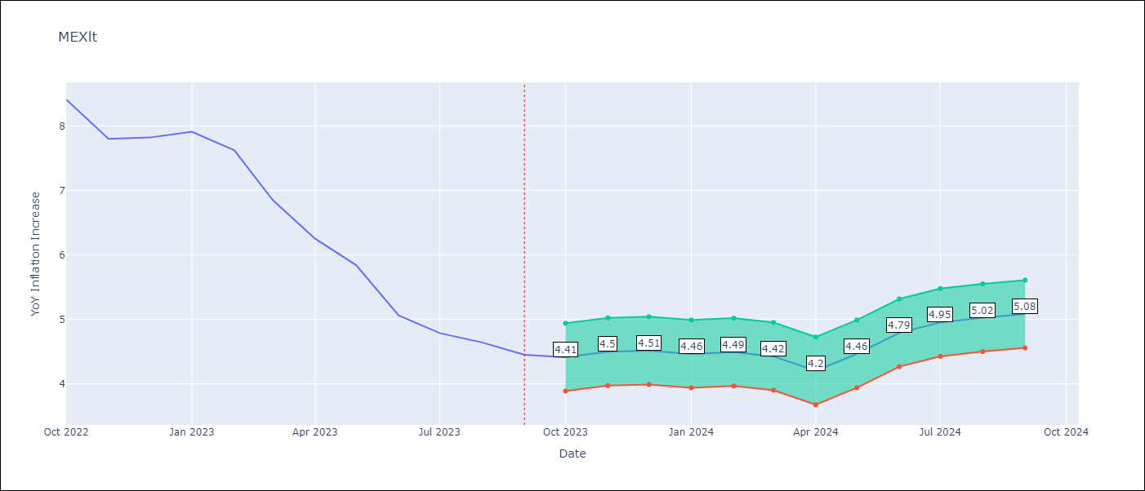

Test Metrics
RMSE | 0.79
Naive RMSE | 0.46
MAPE | 12.12%

Test Predictions
Date | Predicted | Actual
2022-10-01 | 8.39 | 8.41
2022-11-01 | 8.44 | 7.8
2022-12-01 | 8.8 | 7.82
2023-01-01 | 8.03 | 7.91
2023-02-01 | 7.29 | 7.62
2023-03-01 | 6.93 | 6.85
2023-04-01 | 7.18 | 6.25
2023-05-01 | 6.63 | 5.84
2023-06-01 | 6.17 | 5.06
2023-07-01 | 5.96 | 4.79
2023-08-01 | 5.6 | 4.64
2023-09-01 | 5.43 | 4.45

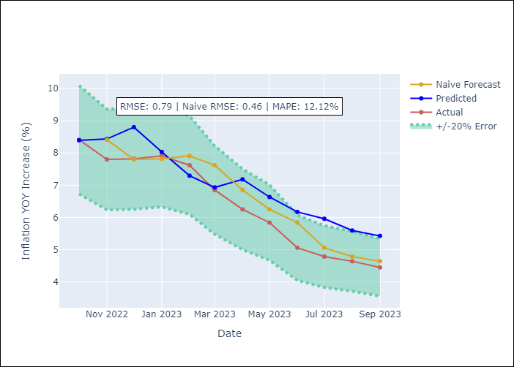

Appendix A: Model Summary
Model | ARIMA(1, 0, 1)x(3, 0, [1, 2, 3], 12)
Sample | 01-01-1990- 09-01-2023
No. of Observations | 405
Terms | P-value (Statistical significance)
const | 0.721
ar.L1 | 0.000
ma.L1 | 0.000
ar.S.L12 | 0.029
ar.S.L24 | 0.437
ar.S.L36 | 0.004
ma.S.L12 | 0.611
ma.S.L24 | 0.702
ma.S.L36 | 0.315
sigma2 | 0.000

Assumptions | P-value | Interpretation
Ljung-Box (L1) | 0.84
Heteroskedasticity | 0.00
Jarque-Bera | 0.00
Skew | 0.53
Kurtosis | 16.51

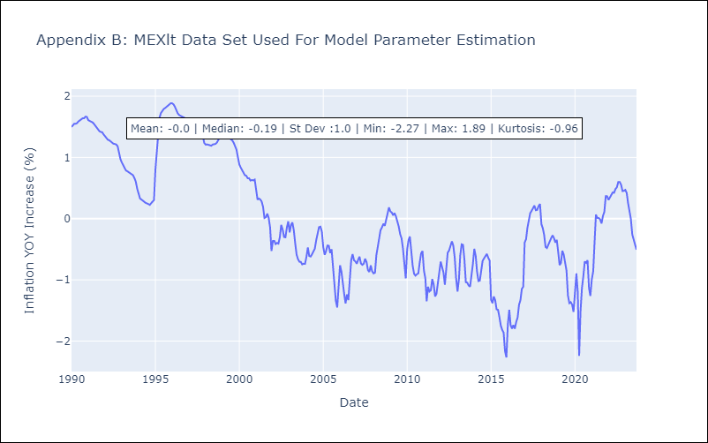

Appendix C: Residuals Analysis
Mean | 0.01
White Noise? | No - Correlation at Lags [12]
Normal? | No

NIClt
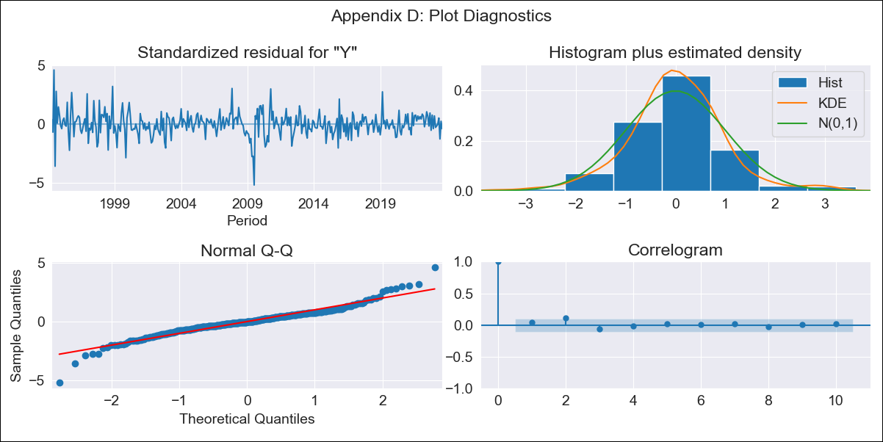
NIClt - Inflation - Next 12 months forecast as of: 2023-09-01

Model | ARIMA - [(0, 1, 1), (0, 0, 1, 12)]
Training Data | 1993-01-01 to 2022-10-01
Test Data | 2022-10-01 to 2023-09-01

Date | Inflation Change YoY % | Lower Bound - 95% Confidence Interval | Upper Bound - 95% Confidence Interval
2023-10-01 | 6.61 | 6.17 | 7.05
2023-11-01 | 6.71 | 6.27 | 7.15
2023-12-01 | 6.41 | 5.97 | 6.85
2024-01-01 | 6.47 | 6.03 | 6.91
2024-02-01 | 6.19 | 5.75 | 6.63
2024-03-01 | 6.21 | 5.76 | 6.65
2024-04-01 | 6.32 | 5.88 | 6.76
2024-05-01 | 6.34 | 5.9 | 6.78
2024-06-01 | 6.09 | 5.65 | 6.53
2024-07-01 | 6.61 | 6.16 | 7.05
2024-08-01 | 6.69 | 6.24 | 7.13
2024-09-01 | 6.83 | 6.39 | 7.27

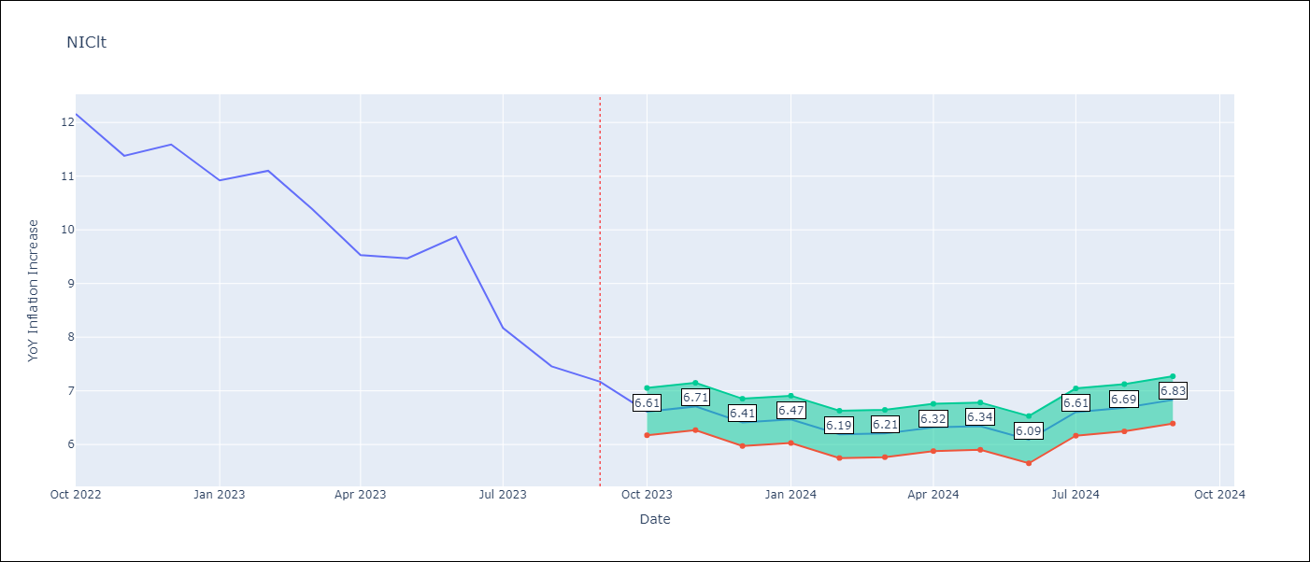

Test Metrics
RMSE | 1.34
Naive RMSE | 0.74
MAPE | 12.48%

Test Predictions
Date | Predicted | Actual
2022-10-01 | 11.09 | 12.16
2022-11-01 | 10.56 | 11.38
2022-12-01 | 10.13 | 11.59
2023-01-01 | 9.63 | 10.92
2023-02-01 | 9.22 | 11.1
2023-03-01 | 8.62 | 10.39
2023-04-01 | 8.06 | 9.53
2023-05-01 | 8.05 | 9.47
2023-06-01 | 7.94 | 9.87
2023-07-01 | 7.32 | 8.17
2023-08-01 | 6.78 | 7.46
2023-09-01 | 6.74 | 7.17

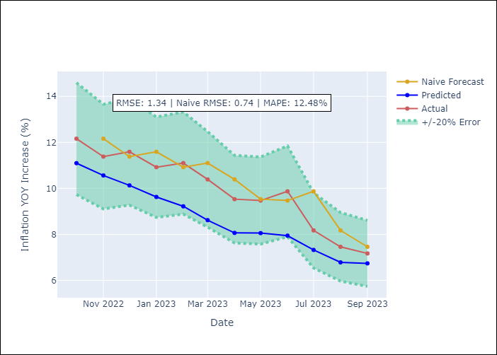

Appendix A: Model Summary
Model | ARIMA(0, 1, 1)x(0, 0, 1, 12)
Sample | 01-01-1993- 09-01-2023
No. of Observations | 369
Terms | P-value (Statistical significance)
ma.L1 | 0.000
ma.S.L12 | 0.000
sigma2 | 0.000

Assumptions | P-value | Interpretation
Ljung-Box (L1) | 0.44
Heteroskedasticity | 0.00
Jarque-Bera | 0.00
Skew | -0.08
Kurtosis | 6.81

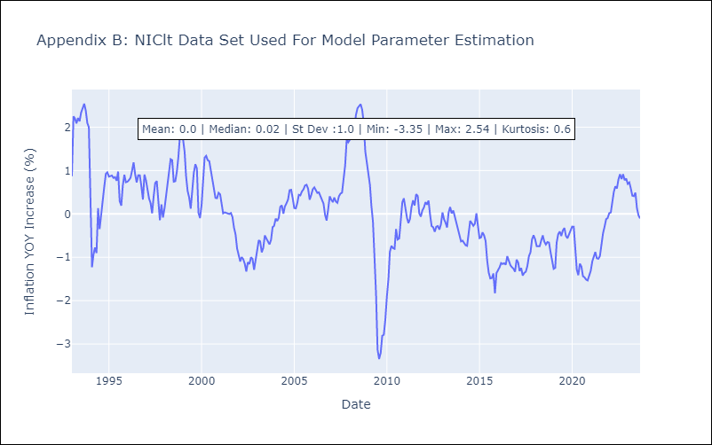

Appendix C: Residuals Analysis
Mean | 0.0
White Noise? | No - Correlation at Lags [ 1 2 3 4 5 6 12]
Normal? | No

PANlt
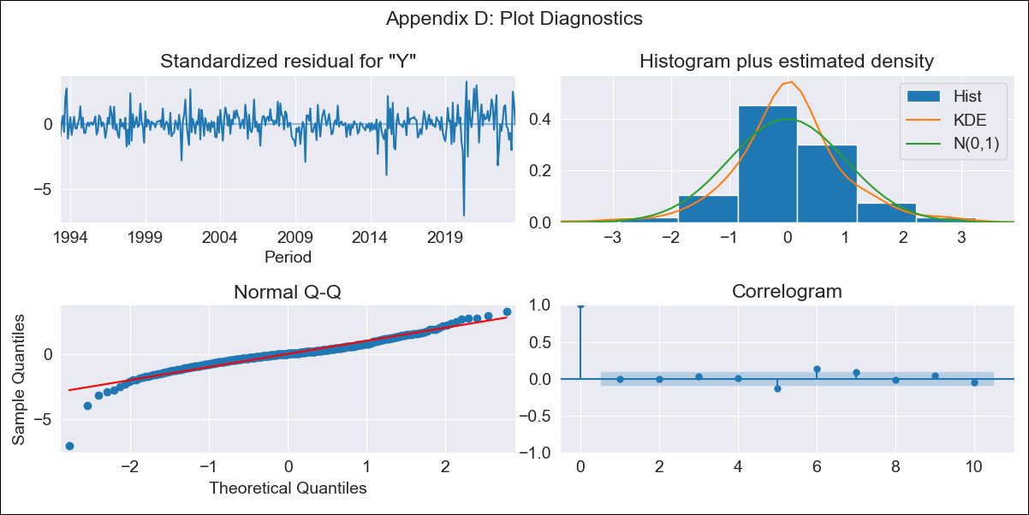
PANlt - Inflation - Next 12 months forecast as of: 2023-09-01

Model | ARIMA - [(2, 2, 1), (0, 0, 1, 12)]
Training Data | 1992-01-01 to 2022-10-01
Test Data | 2022-10-01 to 2023-09-01

Date | Inflation Change YoY % | Lower Bound - 95% Confidence Interval | Upper Bound - 95% Confidence Interval
2023-10-01 | 2.4 | 1.47 | 3.34
2023-11-01 | 2.36 | 1.43 | 3.3
2023-12-01 | 1.95 | 1.01 | 2.88
2024-01-01 | 1.47 | 0.54 | 2.41
2024-02-01 | 1.52 | 0.59 | 2.46
2024-03-01 | 1.68 | 0.74 | 2.62
2024-04-01 | 2.11 | 1.17 | 3.04
2024-05-01 | 2.42 | 1.49 | 3.36
2024-06-01 | 3.21 | 2.27 | 4.14
2024-07-01 | 2.44 | 1.51 | 3.38
2024-08-01 | 1.79 | 0.85 | 2.72
2024-09-01 | 1.79 | 0.85 | 2.72

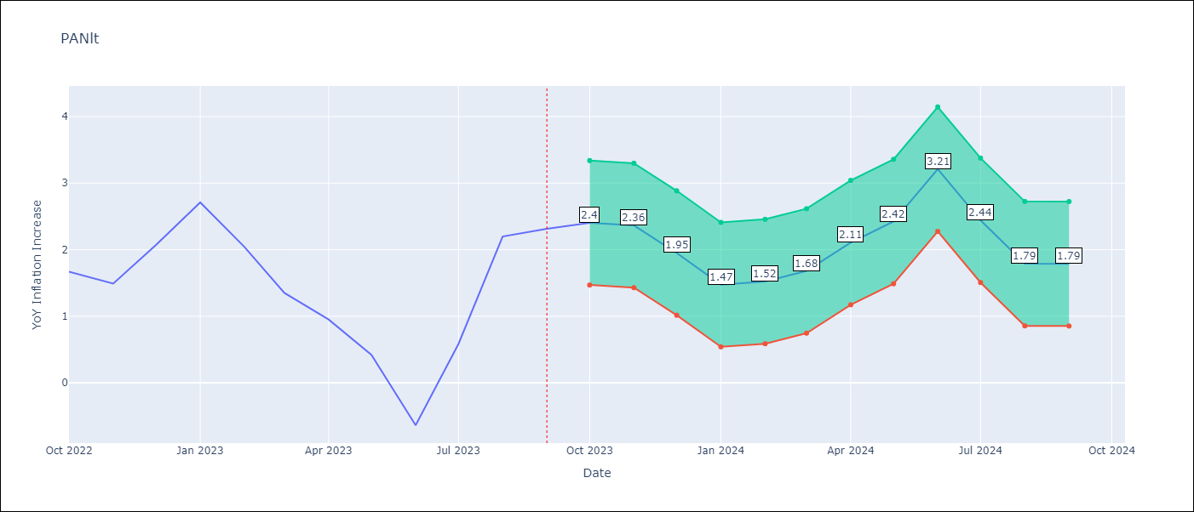

Test Metrics
RMSE | 0.82
Naive RMSE | 0.82
MAPE | 43.23%

Test Predictions
Date | Predicted | Actual
2022-10-01 | 1.9 | 1.67
2022-11-01 | 1.64 | 1.49
2022-12-01 | 1.57 | 2.07
2023-01-01 | 1.39 | 2.71
2023-02-01 | 0.88 | 2.04
2023-03-01 | 0.47 | 1.35
2023-04-01 | 0.5 | 0.95
2023-05-01 | 0.29 | 0.42
2023-06-01 | -0.19 | -0.64
2023-07-01 | 0.36 | 0.58
2023-08-01 | 0.95 | 2.2
2023-09-01 | 0.97 | 2.31

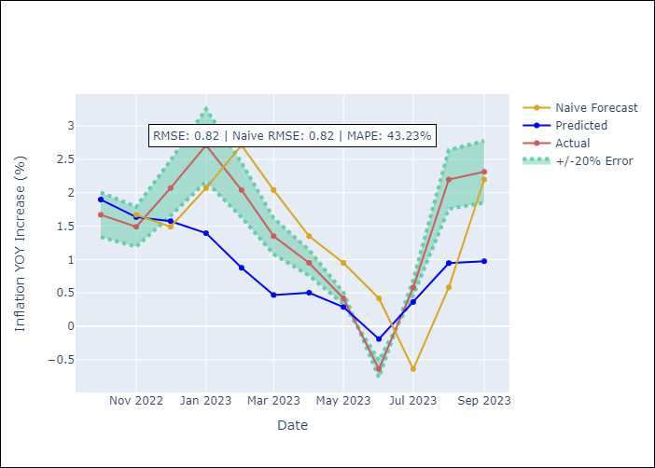

Appendix A: Model Summary
Model | ARIMA(2, 2, 1)x(0, 0, 1, 12)
Sample | 01-01-1992- 09-01-2023
No. of Observations | 381
Terms | P-value (Statistical significance)
ar.L1 | 0.001
ar.L2 | 0.020
ma.L1 | 0.000
ma.S.L12 | 0.000
sigma2 | 0.000

Assumptions | P-value | Interpretation
Ljung-Box (L1) | 0.99
Heteroskedasticity | 0.00
Jarque-Bera | 0.00
Skew | -0.95
Kurtosis | 10.35

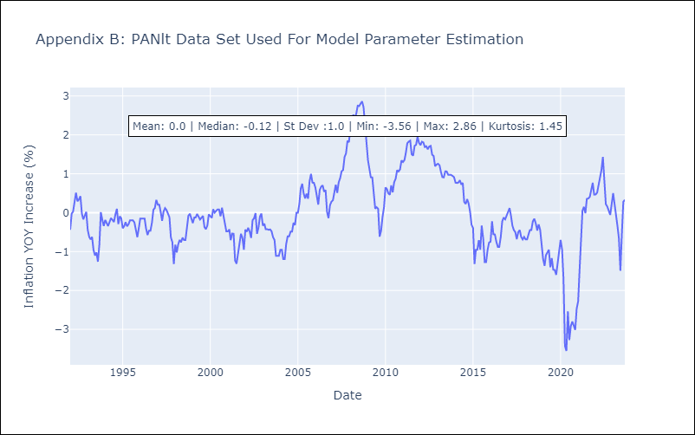

Appendix C: Residuals Analysis
Mean | 0.0
White Noise? | No - Correlation at Lags [7]
Normal? | No

SLVlt
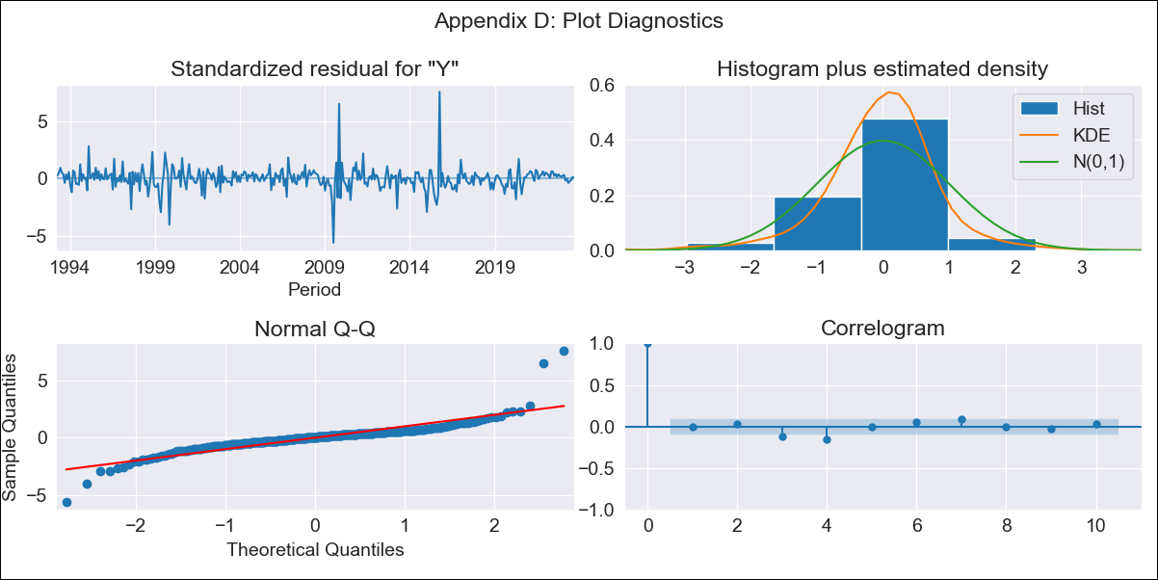
SLVlt - Inflation - Next 12 months forecast as of: 2023-09-01

Model | ARIMA - [(2, 0, 0), (2, 0, 0, 12)]
Training Data | 1991-01-01 to 2022-10-01
Test Data | 2022-10-01 to 2023-09-01

Date | Inflation Change YoY % | Lower Bound - 95% Confidence Interval | Upper Bound - 95% Confidence Interval
2023-10-01 | 2.84 | 2.48 | 3.2
2023-11-01 | 2.66 | 2.3 | 3.02
2023-12-01 | 2.57 | 2.21 | 2.92
2024-01-01 | 2.48 | 2.13 | 2.84
2024-02-01 | 2.41 | 2.06 | 2.77
2024-03-01 | 2.52 | 2.16 | 2.88
2024-04-01 | 2.62 | 2.26 | 2.98
2024-05-01 | 2.73 | 2.38 | 3.09
2024-06-01 | 2.83 | 2.48 | 3.19
2024-07-01 | 2.96 | 2.6 | 3.32
2024-08-01 | 2.95 | 2.59 | 3.31
2024-09-01 | 2.92 | 2.56 | 3.28

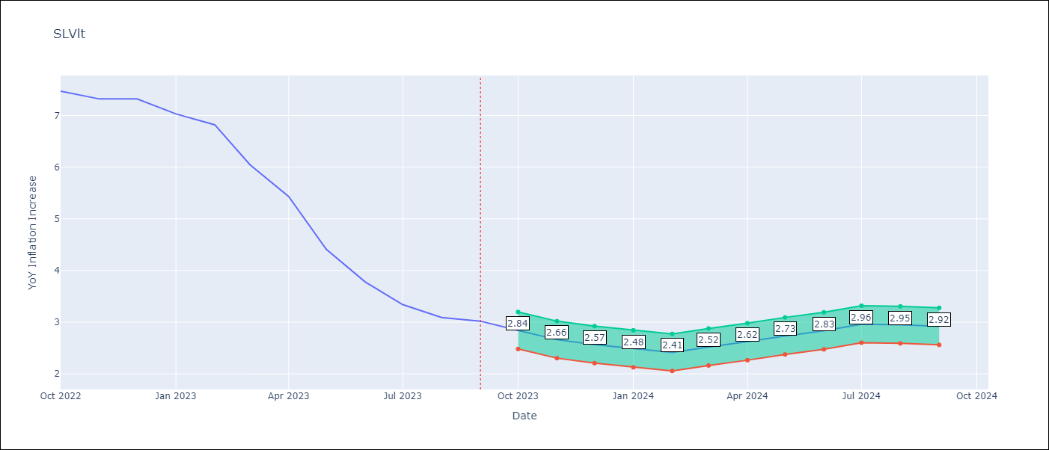

Test Metrics
RMSE | 1.22
Naive RMSE | 0.51
MAPE | 18.84%

Test Predictions
Date | Predicted | Actual
2022-10-01 | 6.84 | 7.47
2022-11-01 | 6.25 | 7.32
2022-12-01 | 5.98 | 7.32
2023-01-01 | 5.34 | 7.03
2023-02-01 | 4.71 | 6.82
2023-03-01 | 4.27 | 6.05
2023-04-01 | 3.86 | 5.43
2023-05-01 | 3.48 | 4.41
2023-06-01 | 3.27 | 3.78
2023-07-01 | 3.05 | 3.34
2023-08-01 | 2.71 | 3.09
2023-09-01 | 2.54 | 3.02

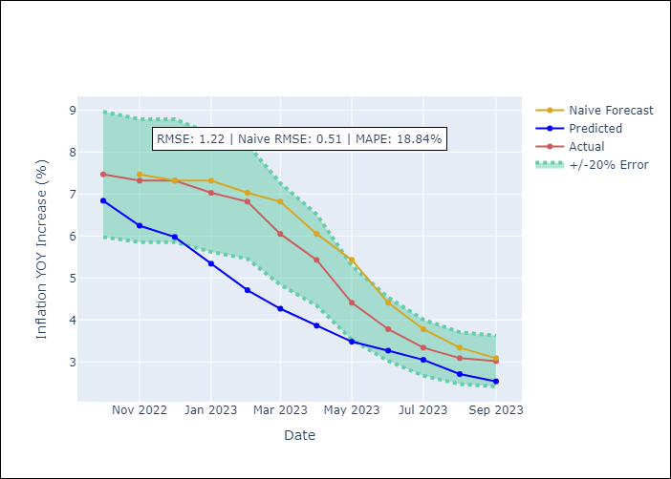

Appendix A: Model Summary
Model | ARIMA(2, 0, 0)x(2, 0, 0, 12)
Sample | 01-01-1991- 09-01-2023
No. of Observations | 393
Terms | P-value (Statistical significance)
const | 0.481
ar.L1 | 0.000
ar.L2 | 0.000
ar.S.L12 | 0.000
ar.S.L24 | 0.000
sigma2 | 0.000

Assumptions | P-value | Interpretation
Ljung-Box (L1) | 0.99
Heteroskedasticity | 0.65
Jarque-Bera | 0.00
Skew | 1.11
Kurtosis | 19.42

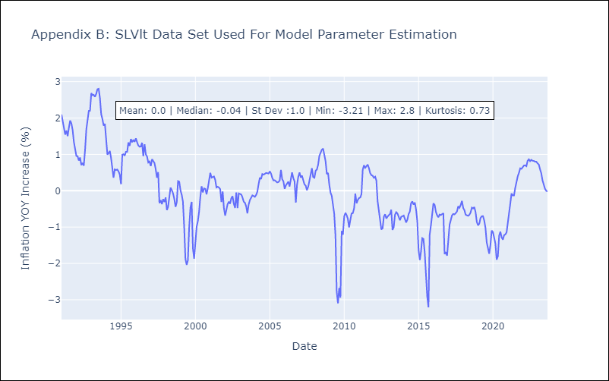

Appendix C: Residuals Analysis
Mean | 0.01
White Noise? | Yes
Normal? | No

