ARG_lt
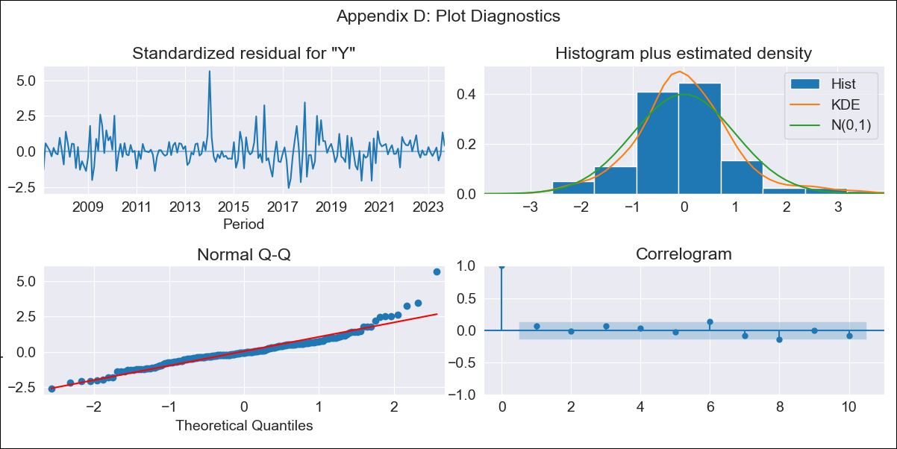
ARG_lt - Inflation - Next 12 months forecast as of: 2023-09-01

Model | SARIMAX - [(1, 2, 1), (1, 0, 3, 12)] | Exogenous Variables | Exchange rates (nominal), Monetary Policiy rate, M1 money supply ($mm local currency)
Training Data | 2003-11-01 to 2022-10-01
Test Data | 2022-10-01 to 2023-09-01

Date | Inflation Change YoY % | Lower Bound - 95% Confidence Interval | Upper Bound - 95% Confidence Interval
2023-10-01 | 143.98 | 109.03 | 178.93
2023-11-01 | 151.39 | 116.43 | 186.34
2023-12-01 | 156.94 | 121.98 | 191.89
2024-01-01 | 160.97 | 126.02 | 195.92
2024-02-01 | 165.19 | 130.24 | 200.15
2024-03-01 | 170.69 | 135.73 | 205.64
2024-04-01 | 175.16 | 140.2 | 210.11
2024-05-01 | 180.38 | 145.43 | 215.33
2024-06-01 | 188.88 | 153.93 | 223.83
2024-07-01 | 197.65 | 162.7 | 232.6
2024-08-01 | 195.25 | 160.3 | 230.2
2024-09-01 | 198.1 | 163.15 | 233.05

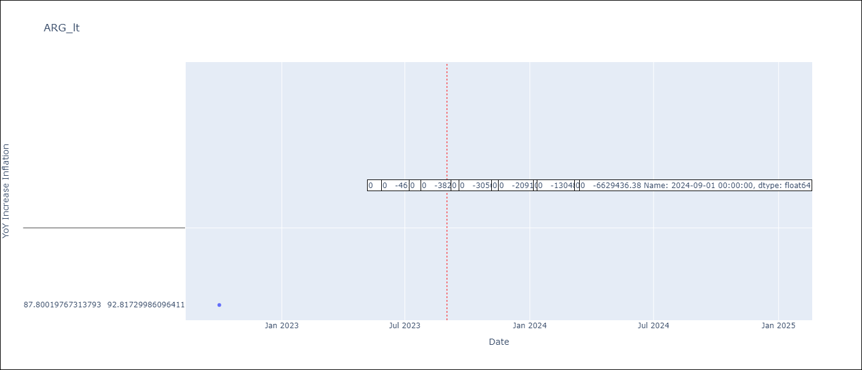

Test Metrics
RMSE | 5.86
Naive RMSE | 6.17
MAPE | 3.43%

Test Predictions
Date | Predicted | Actual
2022-10-01 | 86.84 | 87.8 | 0.9216 | 5.8613522331
2022-11-01 | 91.28 | 92.82 | 2.3716
2022-12-01 | 93.8 | 95.19 | 1.9321
2023-01-01 | 96.8 | 99.01 | 4.8841
2023-02-01 | 100.27 | 103.06 | 7.7841
2023-03-01 | 102.78 | 105.25 | 6.1009
2023-04-01 | 106.12 | 109.89 | 14.2129
2023-05-01 | 110.61 | 116.26 | 31.9225
2023-06-01 | 113.92 | 116.97 | 9.3025
2023-07-01 | 114.78 | 114.59 | 0.0361
2023-08-01 | 116.35 | 125.24 | 79.0321
2023-09-01 | 122.37 | 138.3 | 253.7649

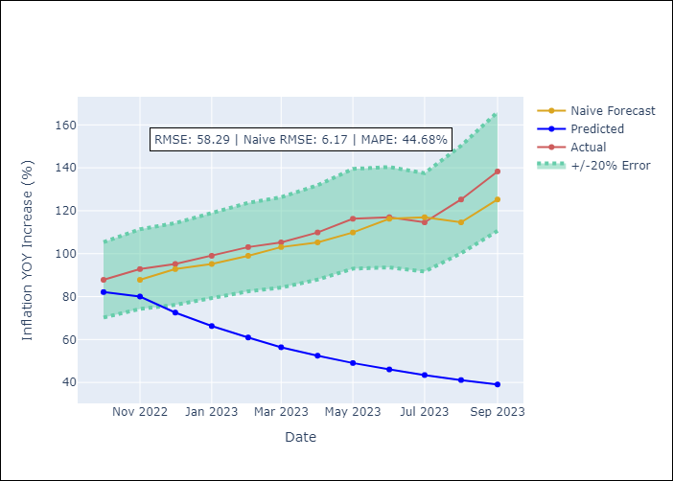

Appendix A: Model Summary
Model | SARIMAX(1, 2, 1)x(1, 0, [1, 2, 3], 12)
Sample | 11-01-2003- 09-01-2023
No. of Observations | 239
Terms | P-value (Statistical significance)
Exchange rates (nominal) | 0.003
Monetary Policiy rate | 0.040
M1 money supply ($mm local currency) | 0.981
ar.L1 | 0.000
ma.L1 | 0.000
ar.S.L12 | 0.614
ma.S.L12 | 0.158
ma.S.L24 | 0.993
ma.S.L36 | 0.018
sigma2 | 0.000

Assumptions | P-value | Interpretation
Ljung-Box (L1) | 0.37
Heteroskedasticity | 0.68
Jarque-Bera | 0.00
Skew | 1.16
Kurtosis | 7.98

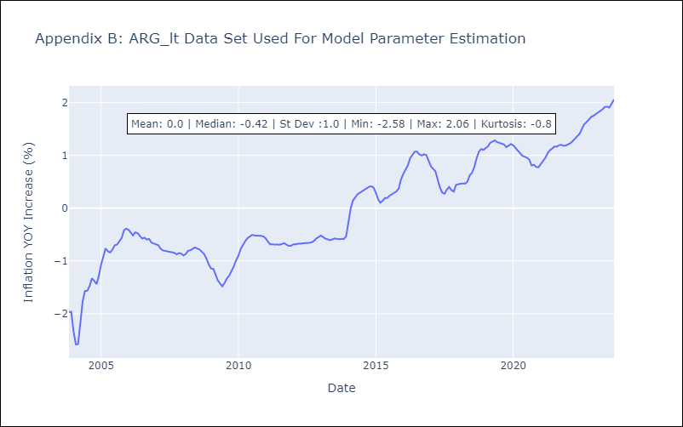

Appendix C: Residuals Analysis
Mean | -0.0
White Noise? | No - Correlation at Lags [ 1 2 3 4 5 6 7 8 9 10 11 12]
Normal? | No

