ARG_raw
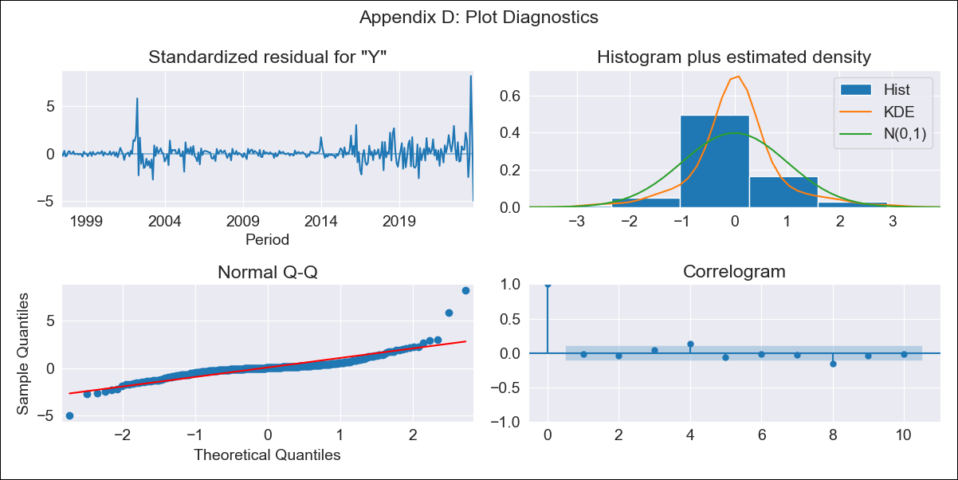
ARG_raw - Inflation - Next 12 months forecast as of: 2023-10-01

Model | ARIMA - [(0, 2, 2), (0, 0, 1, 12)]
Training Data | 1996-01-01 to 2022-11-01
Test Data | 2022-11-01 to 2023-10-01

Date | Inflation Change YoY % | Lower Bound - 95% Confidence Interval | Upper Bound - 95% Confidence Interval
2023-11-01 | 139.8 | 137.17 | 142.43
2023-12-01 | 145.17 | 139.86 | 150.48
2024-01-01 | 149.09 | 141.43 | 156.75
2024-02-01 | 152.43 | 142.43 | 162.44
2024-03-01 | 155.77 | 143.36 | 168.19
2024-04-01 | 156.98 | 142.07 | 171.89
2024-05-01 | 157.51 | 140 | 175.01
2024-06-01 | 162.11 | 141.91 | 182.32
2024-07-01 | 166.94 | 143.94 | 189.95
2024-08-01 | 161.6 | 135.69 | 187.5
2024-09-01 | 156.11 | 127.21 | 185.02
2024-10-01 | 160.31 | 128.31 | 192.31

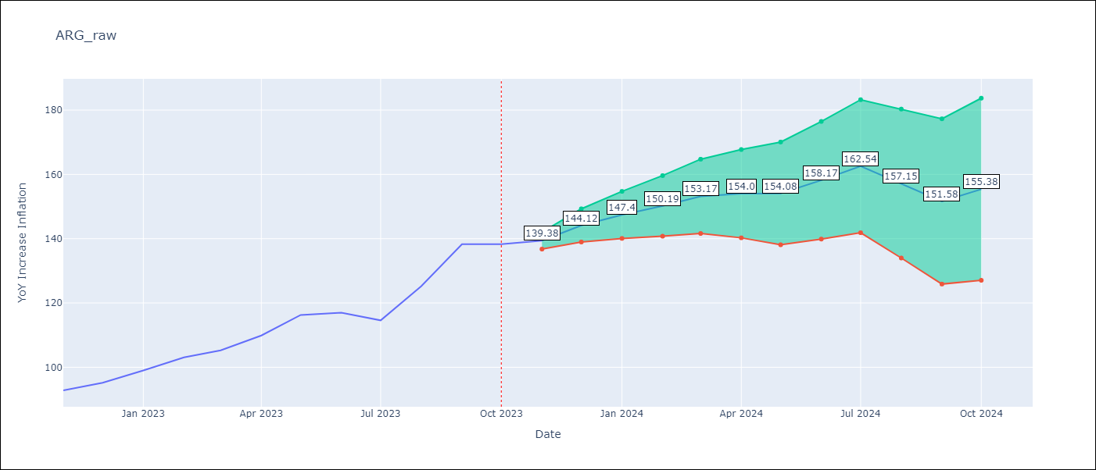

Test Metrics
RMSE | 8.69
Naive RMSE | 5.98
MAPE | 4.78%

Test Predictions
Date | Predicted | Actual
2022-11-01 | 93.96 | 92.82
2022-12-01 | 98.79 | 95.19
2023-01-01 | 103.3 | 99.01
2023-02-01 | 107.34 | 103.06
2023-03-01 | 109.51 | 105.25
2023-04-01 | 111.53 | 109.89
2023-05-01 | 114.46 | 116.26
2023-06-01 | 116.7 | 116.97
2023-07-01 | 116.11 | 114.59
2023-08-01 | 116.17 | 125.24
2023-09-01 | 118.46 | 138.3
2023-10-01 | 119.49 | 138.3

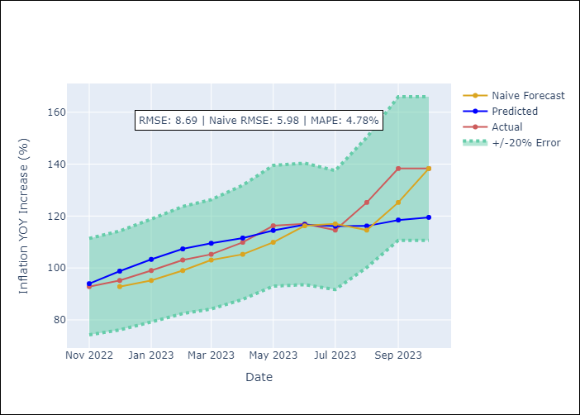

Appendix A: Model Summary
Model | ARIMA(0, 2, 2)x(0, 0, [1], 12)
Sample | 01-01-1996- 10-01-2023
No. of Observations | 334
Terms | P-value (Statistical significance)
ma.L1 | 0.000
ma.L2 | 0.000
ma.S.L12 | 0.000
sigma2 | 0.000

Assumptions | P-value | Interpretation
Ljung-Box (L1) | 0.84
Heteroskedasticity | 0.00
Jarque-Bera | 0.00
Skew | 1.91
Kurtosis | 21.24

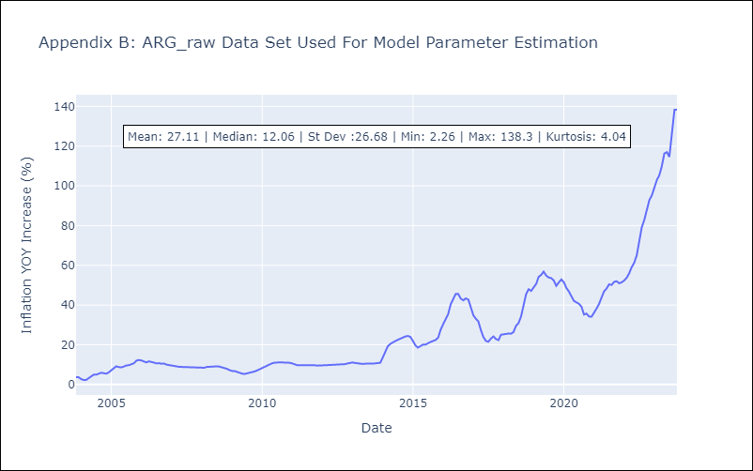

Appendix C: Residuals Analysis
Mean | 0.07
White Noise? | No - Correlation at Lags [8 9]
Normal? | No

