ARG
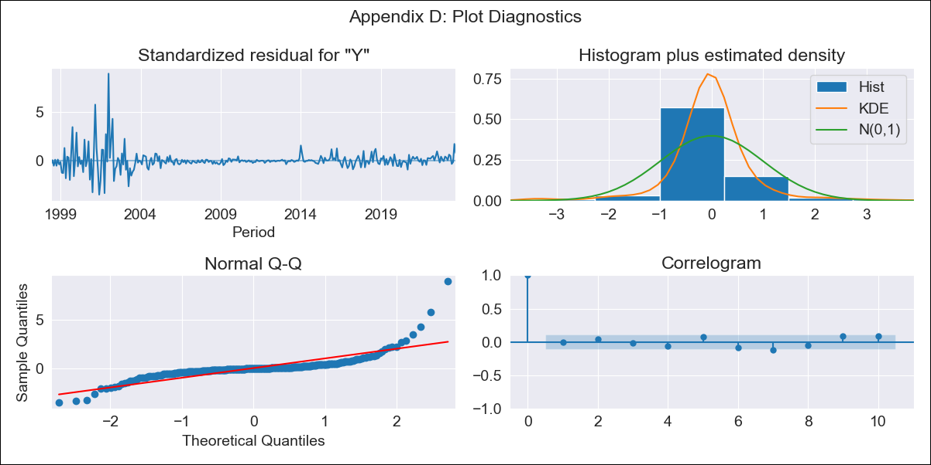
ARG - Inflation - Next 12 months forecast as of: 2023-09-01

Model | ARIMA - [(1, 2, 2), (0, 0, 2, 12)]
Training Data | 1996-01-01 to 2022-10-01
Test Data | 2022-10-01 to 2023-09-01

Date | Inflation Change YoY % | Lower Bound - 95% Confidence Interval | Upper Bound - 95% Confidence Interval
2023-10-01 | 145.46 | 138.81 | 152.11
2023-11-01 | 150.25 | 143.6 | 156.9
2023-12-01 | 153.77 | 147.12 | 160.42
2024-01-01 | 155.07 | 148.42 | 161.72
2024-02-01 | 155.46 | 148.81 | 162.11
2024-03-01 | 155.98 | 149.33 | 162.63
2024-04-01 | 154.77 | 148.12 | 161.42
2024-05-01 | 153.22 | 146.57 | 159.87
2024-06-01 | 153.7 | 147.05 | 160.35
2024-07-01 | 154.49 | 147.84 | 161.14
2024-08-01 | 150.24 | 143.58 | 156.89
2024-09-01 | 146.3 | 139.65 | 152.95

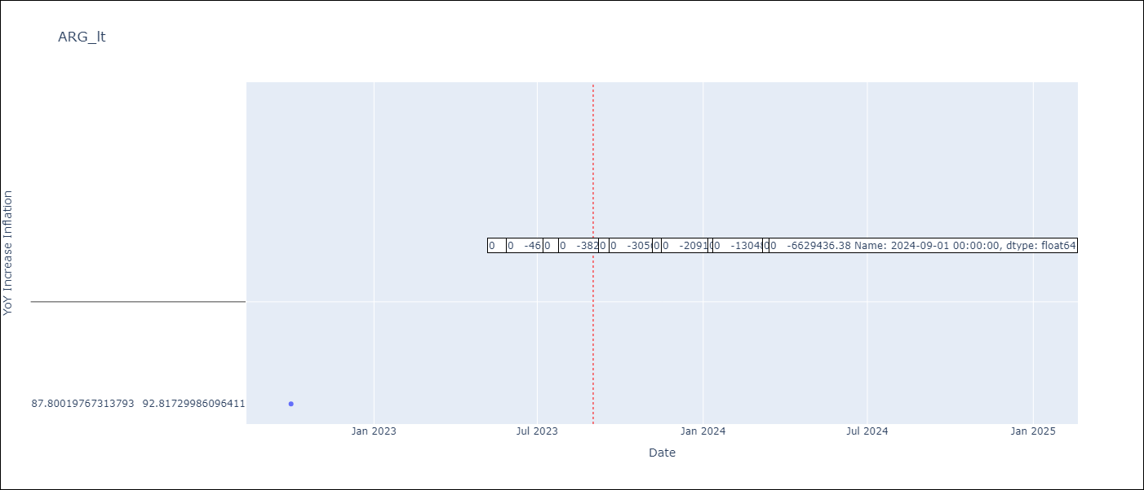

Test Metrics
RMSE | 25.89
Naive RMSE | 6.17
MAPE | 17.88%

Test Predictions
Date | Predicted | Actual
2022-10-01 | 85.39 | 87.8
2022-11-01 | 88.19 | 92.82
2022-12-01 | 89.54 | 95.19
2023-01-01 | 90.08 | 99.01
2023-02-01 | 90.26 | 103.06
2023-03-01 | 89.9 | 105.25
2023-04-01 | 88.91 | 109.89
2023-05-01 | 88.62 | 116.26
2023-06-01 | 87.87 | 116.97
2023-07-01 | 85.76 | 114.59
2023-08-01 | 84.25 | 125.24
2023-09-01 | 84.03 | 138.3

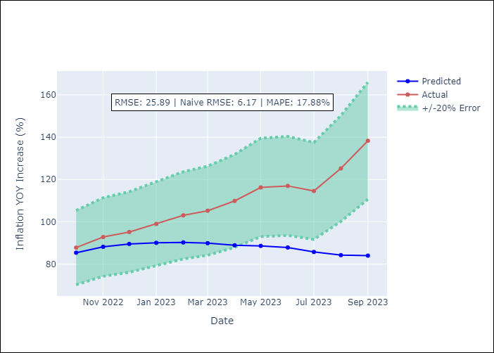

Appendix A: Model Summary
Model | ARIMA(1, 2, 2)x(0, 0, 2, 12)
Sample | 01-01-1996- 09-01-2023
No. of Observations | 333
Terms | P-value (Statistical significance)
ar.L1 | 0.000
ma.L1 | 0.984
ma.L2 | 0.985
ma.S.L12 | 0.000
ma.S.L24 | 0.251
sigma2 | 0.985

Assumptions | P-value | Interpretation
Ljung-Box (L1) | 0.92
Heteroskedasticity | 0.00
Jarque-Bera | 0.00
Skew | 3.06
Kurtosis | 29.10

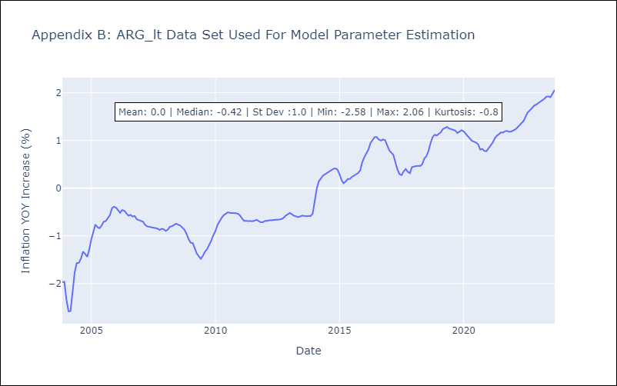

Appendix C: Residuals Analysis
Mean | 0.0
White Noise? | No - Correlation at Lags [ 1 2 3 4 5 6 7 8 9 10 11 12]
Normal? | No

ARG1
ARG - Inflation - Next 12 months forecast as of: 2023-09-01

Model | VARMAX - (1, 1, 2, 1, 0, 1, 12) | Exogenous Variables | Exchange rates (nominal), Monetary Policiy rate, M1 money supply ($mm local currency)
Training Data | 2003-11-01 to 2022-10-01
Test Data | 2022-10-01 to 2023-09-01

Date | Inflation Change YoY % | Lower Bound - 95% Confidence Interval | Upper Bound - 95% Confidence Interval
2023-10-01
2023-11-01 | -461.66
2023-12-01
2024-01-01 | -3824.09
2024-02-01
2024-03-01 | -30567.18
2024-04-01
2024-05-01 | -209190.18
2024-06-01
2024-07-01 | -1304821.77
2024-08-01
2024-09-01 | -6629436.38

Test Metrics
RMSE | 58.29
Naive RMSE | 6.17
MAPE | 44.68%

Test Predictions
Date | Predicted | Actual
2022-10-01 | 82.1 | 87.8
2022-11-01 | 80.03 | 92.82
2022-12-01 | 72.55 | 95.19
2023-01-01 | 66.27 | 99.01
2023-02-01 | 60.94 | 103.06
2023-03-01 | 56.38 | 105.25
2023-04-01 | 52.45 | 109.89
2023-05-01 | 49.04 | 116.26
2023-06-01 | 46.06 | 116.97
2023-07-01 | 43.43 | 114.59
2023-08-01 | 41.11 | 125.24
2023-09-01 | 39.05 | 138.3

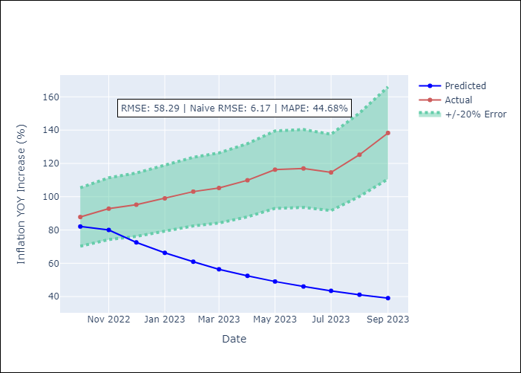

Appendix A: Model Summary
Model | VARMA(1,2)
Sample | 11-01-2003- 09-01-2023
No. of Observations | 239
Terms | P-value (Statistical significance)
intercept | 0.965
L1.YoY Increase Inflation | 0.720
L1.Exchange rates (nominal) | 0.507
L1.Monetary Policiy rate | 0.877
L1.M1 money supply ($mm local currency) | 0.444
L1.e(YoY Increase Inflation) | 0.952
L1.e(Exchange rates (nominal)) | 0.000
L1.e(Monetary Policiy rate) | 0.637
L1.e(M1 money supply ($mm local currency)) | 0.073
L2.e(YoY Increase Inflation) | 0.958
L2.e(Exchange rates (nominal)) | 0.001
L2.e(Monetary Policiy rate) | 0.675
L2.e(M1 money supply ($mm local currency)) | 0.368
Assumptions | P-value | Interpretation
Ljung-Box (L1) | nan, nan, nan, nan
Heteroskedasticity | 0.00, 0.00, 0.00, 0.00
Jarque-Bera | 0.29, 0.00, 0.00, 0.00
Skew | 0.01, 0.03, 0.36, -3.75
Kurtosis | 3.50, 4.30, 4.03, 22.89

Appendix C: Residuals Analysis
Mean | -11227.36
White Noise? | No - Correlation at Lags [ 1 2 3 4 5 6 7 8 9 10 11 12]
Normal? | No

ARG5
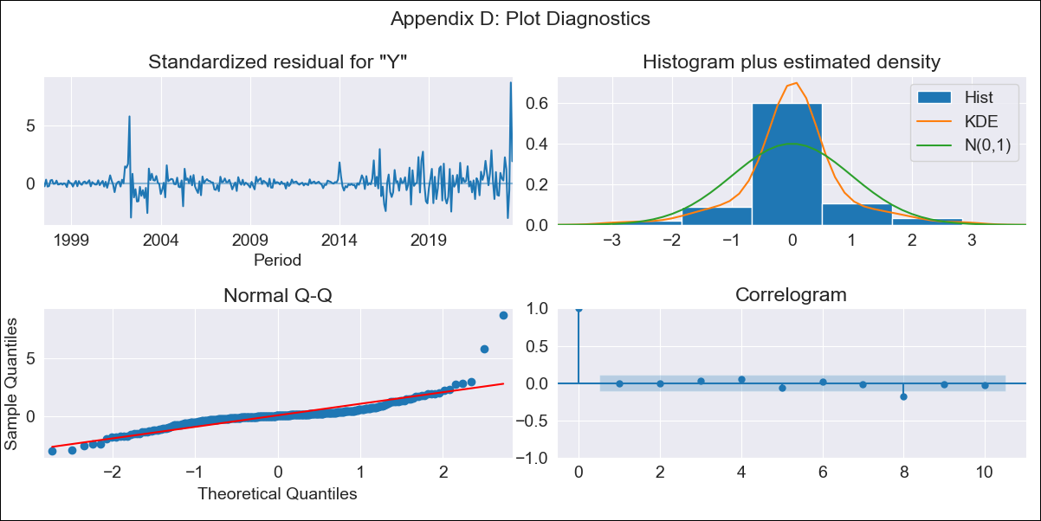
ARG - Inflation - Next 12 months forecast as of: 2023-09-01

Model | SARIMAX - [(0, 2, 2), (0, 0, 1, 12)] | Exogenous Variables | Exchange rates (nominal), Monetary Policiy rate, M1 money supply ($mm local currency)
Training Data | 2003-11-01 to 2022-10-01
Test Data | 2022-10-01 to 2023-09-01

Date | Inflation Change YoY % | Lower Bound - 95% Confidence Interval | Upper Bound - 95% Confidence Interval
2023-10-01 | 145.84 | 143.38 | 148.31
2023-11-01 | 153.22 | 148.29 | 158.14
2023-12-01 | 161.68 | 154.42 | 168.94
2024-01-01 | 168.68 | 159 | 178.35
2024-02-01 | 175.24 | 163.01 | 187.46
2024-03-01 | 182.1 | 167.19 | 197.01
2024-04-01 | 186.81 | 169.08 | 204.55
2024-05-01 | 190.82 | 170.12 | 211.51
2024-06-01 | 198.69 | 174.9 | 222.48
2024-07-01 | 206.89 | 179.87 | 233.9
2024-08-01 | 205.63 | 175.27 | 236
2024-09-01 | 204.18 | 170.34 | 238.02

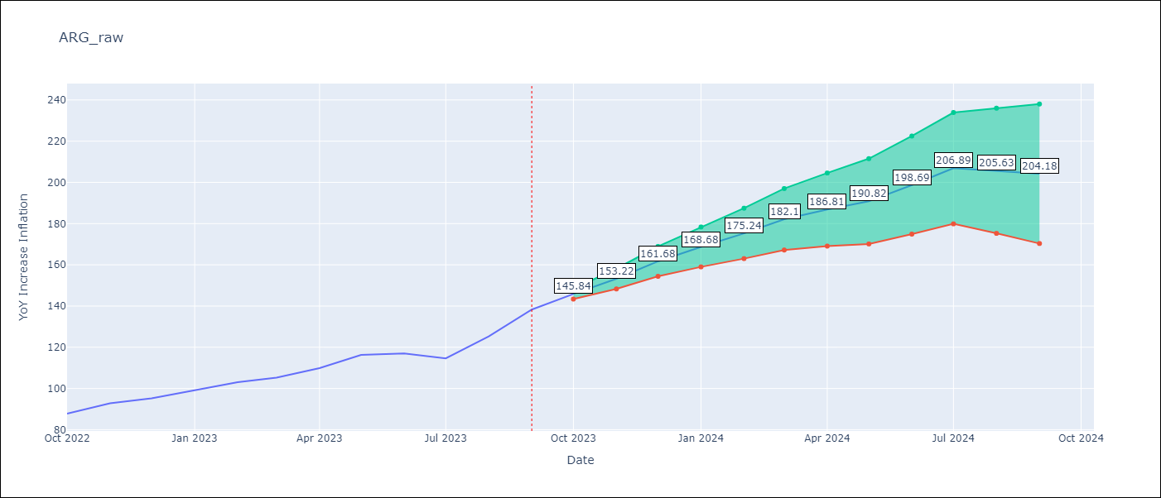

Test Metrics
RMSE | 9.01
Naive RMSE | 6.17
MAPE | 4.35%

Test Predictions
Date | Predicted | Actual
2022-10-01 | 87.06 | 87.8
2022-11-01 | 92.55 | 92.82
2022-12-01 | 96.88 | 95.19
2023-01-01 | 100.73 | 99.01
2023-02-01 | 104.25 | 103.06
2023-03-01 | 106.1 | 105.25
2023-04-01 | 107.62 | 109.89
2023-05-01 | 109.98 | 116.26
2023-06-01 | 111.74 | 116.97
2023-07-01 | 110.8 | 114.59
2023-08-01 | 110.57 | 125.24
2023-09-01 | 112.52 | 138.3

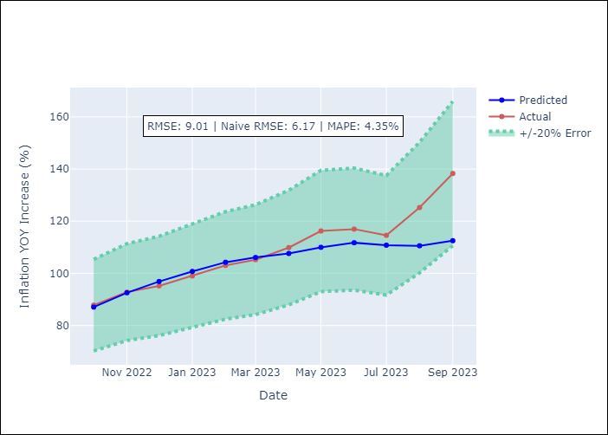

Appendix A: Model Summary
Model | SARIMAX(0, 2, 2)x(0, 0, [1], 12)
Sample | 11-01-2003- 09-01-2023
No. of Observations | 239
Terms | P-value (Statistical significance)
Exchange rates (nominal) | 0.000
Monetary Policiy rate | 0.677
M1 money supply ($mm local currency) | 0.400
ma.L1 | 0.000
ma.L2 | 0.000
ma.S.L12 | 0.000
sigma2 | 0.000

Assumptions | P-value | Interpretation
Ljung-Box (L1) | 0.97
Heteroskedasticity | 0.00
Jarque-Bera | 0.00
Skew | 2.39
Kurtosis | 20.80

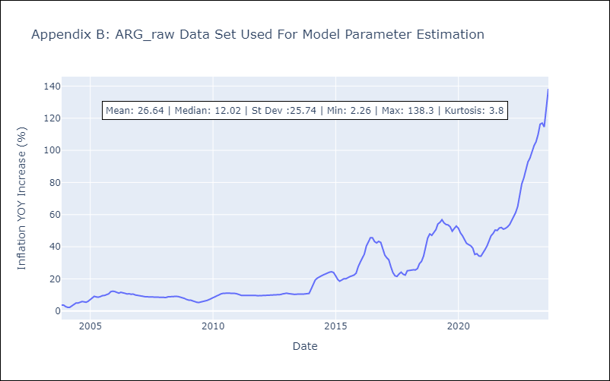

Appendix C: Residuals Analysis
Mean | 0.11
White Noise? | Yes
Normal? | No

ARG9
ARG - Inflation - Next 12 months forecast as of: 2023-09-01

Model | ARIMA - [(0, 2, 2), (0, 0, 1, 12)]
Training Data | 1996-01-01 to 2022-10-01
Test Data | 2022-10-01 to 2023-09-01

Date | Inflation Change YoY % | Lower Bound - 95% Confidence Interval | Upper Bound - 95% Confidence Interval
2023-10-01 | 146.58 | 144.06 | 149.09
2023-11-01 | 155.08 | 149.95 | 160.21
2023-12-01 | 164.73 | 157.02 | 172.44
2024-01-01 | 172.93 | 162.5 | 183.37
2024-02-01 | 180.61 | 167.26 | 193.95
2024-03-01 | 188.38 | 171.94 | 204.81
2024-04-01 | 194.01 | 174.3 | 213.72
2024-05-01 | 198.98 | 175.82 | 222.14
2024-06-01 | 207.93 | 181.15 | 234.71
2024-07-01 | 217.14 | 186.57 | 247.7
2024-08-01 | 216.43 | 181.93 | 250.93
2024-09-01 | 215.59 | 177 | 254.18

Test Metrics
RMSE | 9.73
Naive RMSE | 6.17
MAPE | 4.71%

Test Predictions
Date | Predicted | Actual
2022-10-01 | 86.82 | 87.8
2022-11-01 | 92.28 | 92.82
2022-12-01 | 96.52 | 95.19
2023-01-01 | 100.45 | 99.01
2023-02-01 | 103.9 | 103.06
2023-03-01 | 105.47 | 105.25
2023-04-01 | 106.9 | 109.89
2023-05-01 | 109.24 | 116.26
2023-06-01 | 110.89 | 116.97
2023-07-01 | 109.7 | 114.59
2023-08-01 | 109.16 | 125.24
2023-09-01 | 110.86 | 138.3



Appendix A: Model Summary
Model | ARIMA(0, 2, 2)x(0, 0, [1], 12)
Sample | 01-01-1996- 09-01-2023
No. of Observations | 333
Terms | P-value (Statistical significance)
ma.L1 | 0.000
ma.L2 | 0.000
ma.S.L12 | 0.000
sigma2 | 0.000

Assumptions | P-value | Interpretation
Ljung-Box (L1) | 0.91
Heteroskedasticity | 0.00
Jarque-Bera | 0.00
Skew | 2.55
Kurtosis | 23.89

Appendix C: Residuals Analysis
Mean | 0.07
White Noise? | Yes
Normal? | No

