ARG
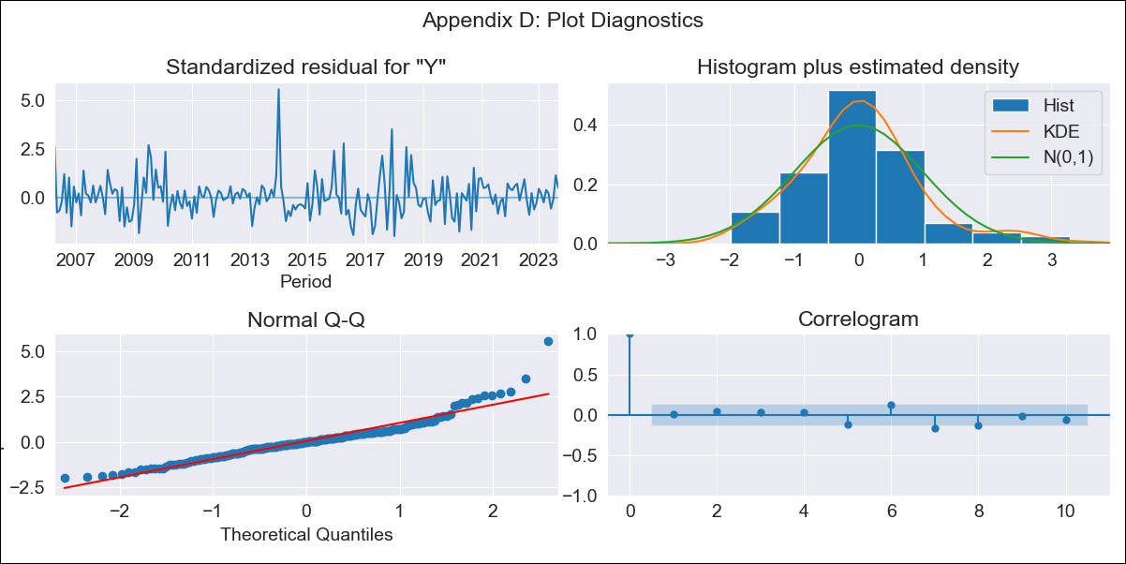
ARG - Inflation - Next 12 months forecast as of: 2023-09-01

Model | SARIMAX - [(1, 2, 2), (0, 0, 2, 12)] | Exogenous Variables | Exchange rates (nominal), Monetary Policiy rate, M1 money supply ($mm local currency)
Training Data | 2003-11-01 to 2022-10-01
Test Data | 2022-10-01 to 2023-09-01

Date | Inflation Change YoY % | Lower Bound - 95% Confidence Interval | Upper Bound - 95% Confidence Interval
2023-10-01 | 144.77 | 84.29 | 205.25
2023-11-01 | 153.3 | 92.82 | 213.78
2023-12-01 | 162.65 | 102.17 | 223.13
2024-01-01 | 170.36 | 109.89 | 230.84
2024-02-01 | 178.11 | 117.64 | 238.59
2024-03-01 | 187.62 | 127.14 | 248.1
2024-04-01 | 195.24 | 134.76 | 255.72
2024-05-01 | 203.94 | 143.46 | 264.42
2024-06-01 | 217.01 | 156.53 | 277.49
2024-07-01 | 230.66 | 170.18 | 291.13
2024-08-01 | 232.2 | 171.73 | 292.68
2024-09-01 | 239.72 | 179.25 | 300.2

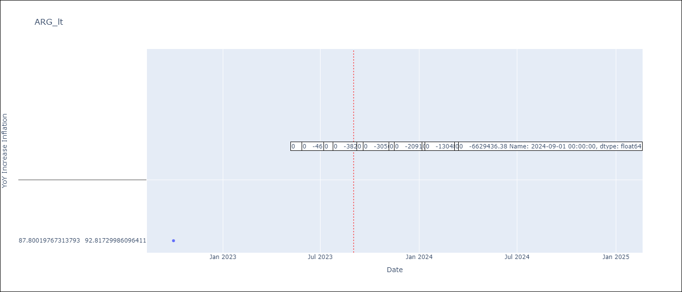

Test Metrics
RMSE | 9.73
Naive RMSE | 6.17
MAPE | 5.87%

Test Predictions
Date | Predicted | Actual
2022-10-01 | 85.7 | 87.8
2022-11-01 | 90.5 | 92.82
2022-12-01 | 94.29 | 95.19
2023-01-01 | 97.43 | 99.01
2023-02-01 | 100.14 | 103.06
2023-03-01 | 102.34 | 105.25
2023-04-01 | 103.39 | 109.89
2023-05-01 | 106.29 | 116.26
2023-06-01 | 108.35 | 116.97
2023-07-01 | 108.46 | 114.59
2023-08-01 | 110.06 | 125.24
2023-09-01 | 113.36 | 138.3

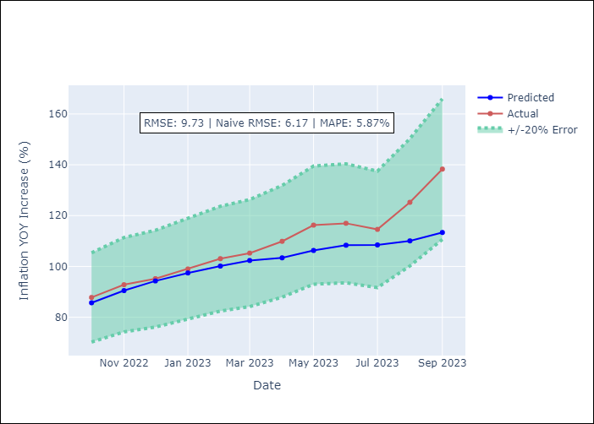

Appendix A: Model Summary
Model | SARIMAX(1, 2, 2)x(0, 0, 2, 12)
Sample | 11-01-2003- 09-01-2023
No. of Observations | 239
Terms | P-value (Statistical significance)
Exchange rates (nominal) | 0.025
Monetary Policiy rate | 0.026
M1 money supply ($mm local currency) | 0.856
ar.L1 | 0.288
ma.L1 | 0.003
ma.L2 | 0.208
ma.S.L12 | 0.000
ma.S.L24 | 0.575
sigma2 | 0.000

Assumptions | P-value | Interpretation
Ljung-Box (L1) | 0.94
Heteroskedasticity | 0.86
Jarque-Bera | 0.00
Skew | 1.24
Kurtosis | 7.46

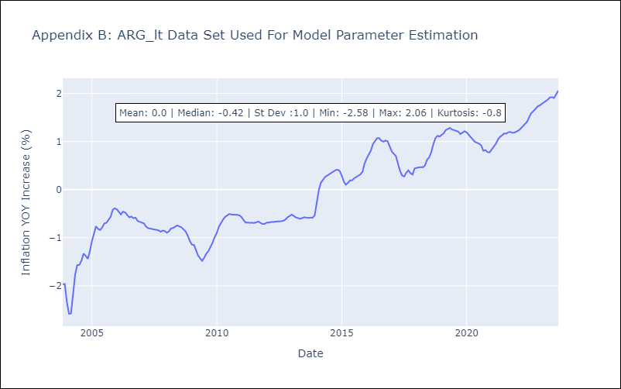

Appendix C: Residuals Analysis
Mean | -0.0
White Noise? | No - Correlation at Lags [ 1 2 3 4 5 6 7 8 9 10 11 12]
Normal? | No

BRA
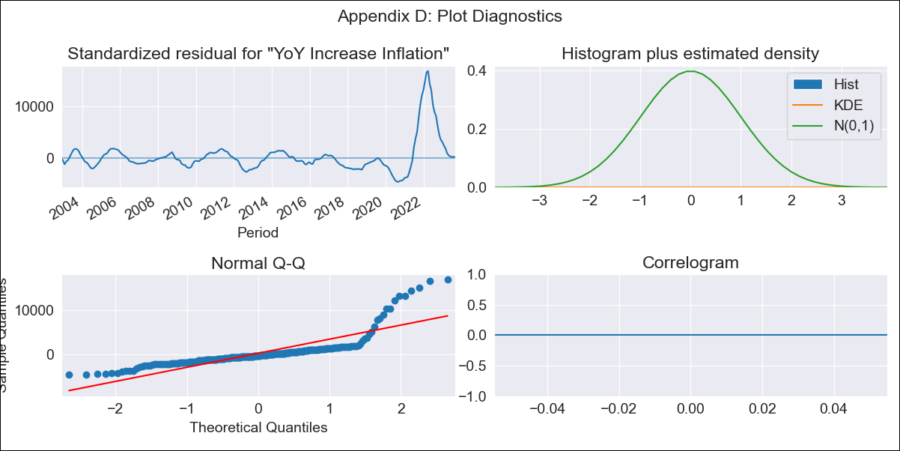
BRA - Inflation - Next 12 months forecast as of: 2023-09-01

Model | VARMAX - (2, 0, 0, 0, 0, 1, 12) | Exogenous Variables | Exchange rates (nominal), Monetary Policiy rate, M1 money supply ($mm local currency)
Training Data | 2002-12-01 to 2022-10-01
Test Data | 2022-10-01 to 2023-09-01

Date | Inflation Change YoY % | Lower Bound - 95% Confidence Interval | Upper Bound - 95% Confidence Interval
2023-10-01
2023-11-01 | -205.79
2023-12-01 | -2382.23
2024-01-01 | -37090.75
2024-02-01 | -449968.42
2024-03-01 | -5227509.67
2024-04-01 | -56834490.96
2024-05-01 | -566330658.51
2024-06-01 | -4773554229.8
2024-07-01
2024-08-01
2024-09-01

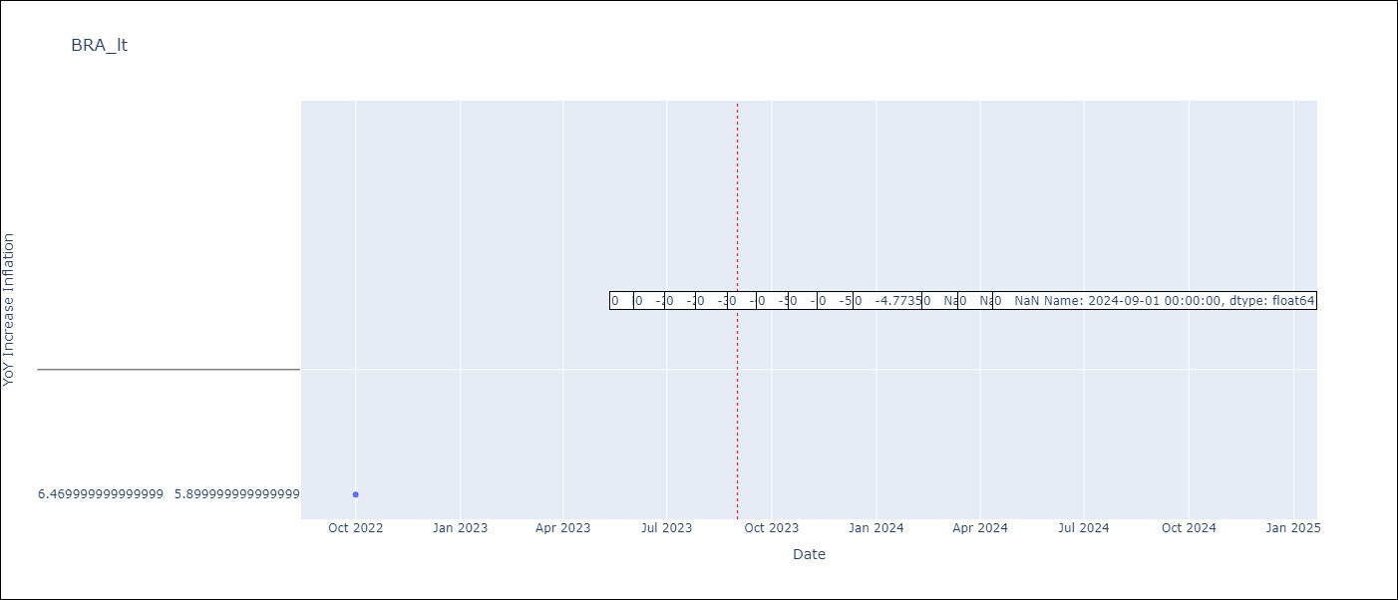

Test Metrics
RMSE | 0.66
Naive RMSE | 0.57
MAPE | 12.51%

Test Predictions
Date | Predicted | Actual
2022-10-01 | 6.32 | 6.47
2022-11-01 | 5.83 | 5.9
2022-12-01 | 5.51 | 5.79
2023-01-01 | 5.29 | 5.77
2023-02-01 | 5.12 | 5.6
2023-03-01 | 4.99 | 4.65
2023-04-01 | 4.88 | 4.18
2023-05-01 | 4.8 | 3.94
2023-06-01 | 4.73 | 3.16
2023-07-01 | 4.68 | 3.99
2023-08-01 | 4.65 | 4.61
2023-09-01 | 4.63 | 5.19

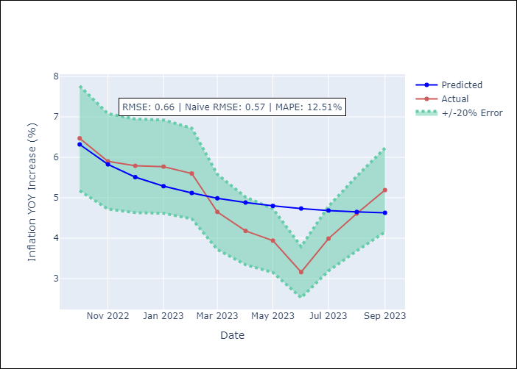

Appendix A: Model Summary
Model | VAR(2)
Sample | 12-01-2002- 09-01-2023
No. of Observations | 250
Terms | P-value (Statistical significance)
intercept | nan
L1.YoY Increase Inflation | 0.000
L1.Exchange rates (nominal) | 0.000
L1.Monetary Policiy rate | 0.000
L1.M1 money supply ($mm local currency) | 0.000
L2.YoY Increase Inflation | 0.000
L2.Exchange rates (nominal) | 0.000
L2.Monetary Policiy rate | 0.000
L2.M1 money supply ($mm local currency) | 0.000
Assumptions | P-value | Interpretation
Ljung-Box (L1) | nan, nan, nan, nan
Heteroskedasticity | 0.00, 0.00, 0.00, 0.00
Jarque-Bera | 0.00, 0.00, 0.00, 0.00
Skew | 2.96, 3.03, -2.73, 0.06
Kurtosis | 13.84, 14.22, 12.97, 6.68

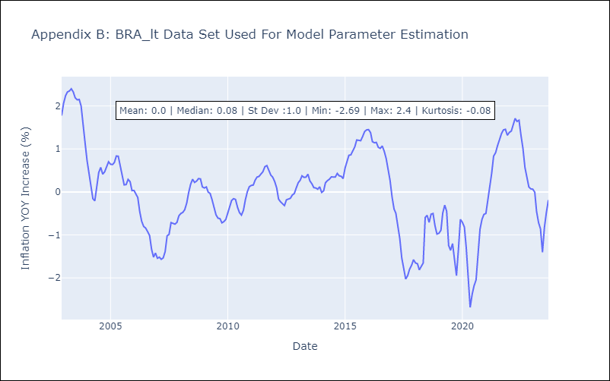

Appendix C: Residuals Analysis
Mean | 25885.69
White Noise? | No - Correlation at Lags [ 1 2 3 4 5 6 7 8 9 10 11 12]
Normal? | No

