ARG
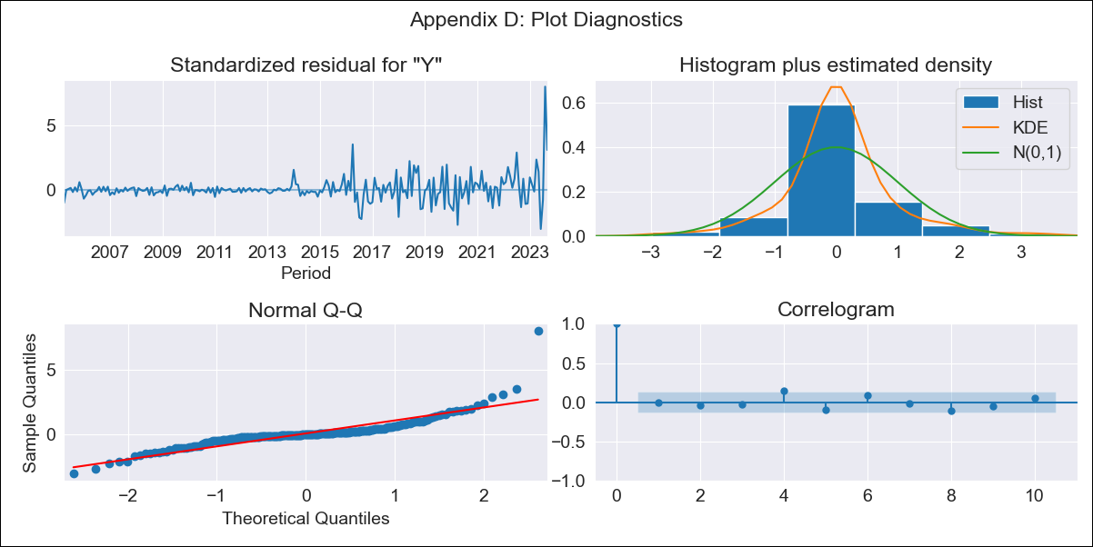
ARG - Inflation - Next 12 months forecast as of: 2023-09-01

Model | SARIMAX - [(0, 2, 2), (0, 0, 1, 12)] | Exogenous Variables | Exchange rates (nominal), Monetary Policiy rate, M1 money supply ($mm local currency)
Training Data | 2003-11-01 to 2022-10-01
Test Data | 2022-10-01 to 2023-09-01

Date | Inflation Change YoY % | Lower Bound - 95% Confidence Interval | Upper Bound - 95% Confidence Interval
2023-10-01 | 145.84 | 143.38 | 148.31
2023-11-01 | 153.22 | 148.29 | 158.14
2023-12-01 | 161.68 | 154.42 | 168.94
2024-01-01 | 168.68 | 159 | 178.35
2024-02-01 | 175.24 | 163.01 | 187.46
2024-03-01 | 182.1 | 167.19 | 197.01
2024-04-01 | 186.81 | 169.08 | 204.55
2024-05-01 | 190.82 | 170.12 | 211.51
2024-06-01 | 198.69 | 174.9 | 222.48
2024-07-01 | 206.89 | 179.87 | 233.9
2024-08-01 | 205.63 | 175.27 | 236
2024-09-01 | 204.18 | 170.34 | 238.02

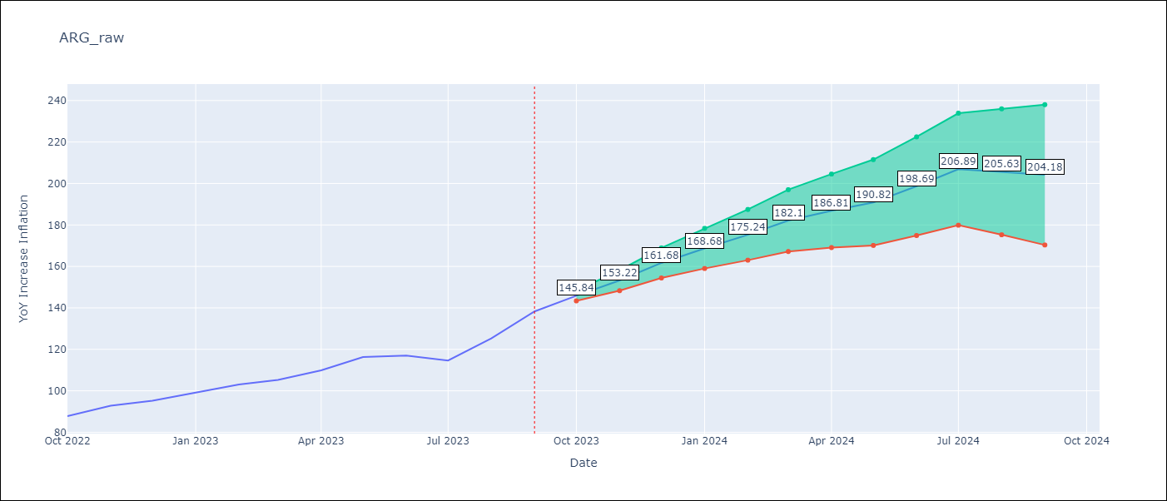

Test Metrics
RMSE | 9.01
Naive RMSE | 6.17
MAPE | 4.35%

Test Predictions
Date | Predicted | Actual
2022-10-01 | 87.06 | 87.8
2022-11-01 | 92.55 | 92.82
2022-12-01 | 96.88 | 95.19
2023-01-01 | 100.73 | 99.01
2023-02-01 | 104.25 | 103.06
2023-03-01 | 106.1 | 105.25
2023-04-01 | 107.62 | 109.89
2023-05-01 | 109.98 | 116.26
2023-06-01 | 111.74 | 116.97
2023-07-01 | 110.8 | 114.59
2023-08-01 | 110.57 | 125.24
2023-09-01 | 112.52 | 138.3

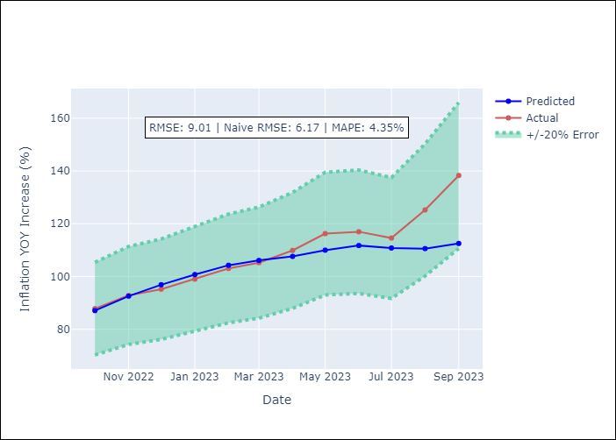

Appendix A: Model Summary
Model | SARIMAX(0, 2, 2)x(0, 0, [1], 12)
Sample | 11-01-2003- 09-01-2023
No. of Observations | 239
Terms | P-value (Statistical significance)
Exchange rates (nominal) | 0.000
Monetary Policiy rate | 0.677
M1 money supply ($mm local currency) | 0.400
ma.L1 | 0.000
ma.L2 | 0.000
ma.S.L12 | 0.000
sigma2 | 0.000

Assumptions | P-value | Interpretation
Ljung-Box (L1) | 0.97
Heteroskedasticity | 0.00
Jarque-Bera | 0.00
Skew | 2.39
Kurtosis | 20.80

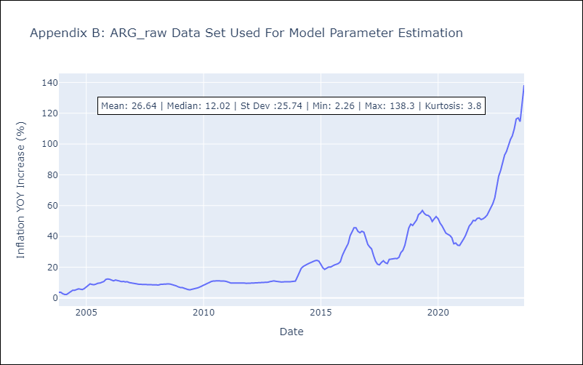

Appendix C: Residuals Analysis
Mean | 0.11
White Noise? | Yes
Normal? | No

MEX
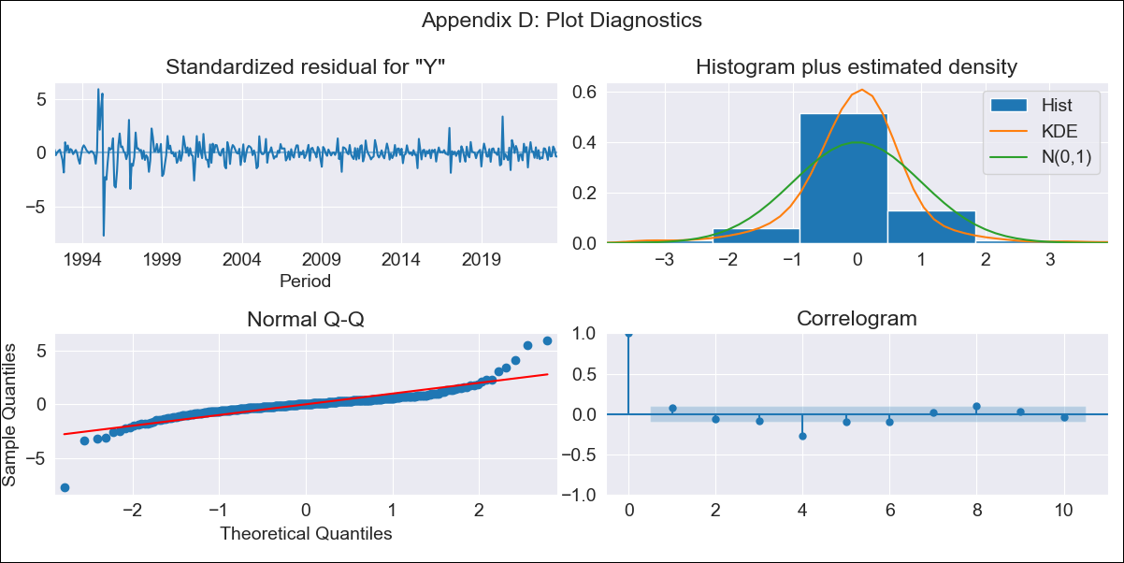
MEX - Inflation - Next 12 months forecast as of: 2023-10-01

Model | ARIMA - [(0, 2, 0), (2, 0, 2, 12)]
Training Data | 1990-01-01 to 2022-11-01
Test Data | 2022-11-01 to 2023-10-01

Date | Inflation Change YoY % | Lower Bound - 95% Confidence Interval | Upper Bound - 95% Confidence Interval
2023-11-01 | 4.15 | 3.14 | 5.16
2023-12-01 | 4.04 | 1.78 | 6.3
2024-01-01 | 3.82 | 0.04 | 7.6
2024-02-01 | 3.53 | -2.01 | 9.06
2024-03-01 | 3.48 | -4.02 | 10.97
2024-04-01 | 3.21 | -6.43 | 12.86
2024-05-01 | 3.12 | -8.84 | 15.08
2024-06-01 | 3.09 | -11.35 | 17.53
2024-07-01 | 2.88 | -14.19 | 19.95
2024-08-01 | 2.48 | -17.36 | 22.32
2024-09-01 | 2.28 | -20.46 | 25.03
2024-10-01 | 2.27 | -23.51 | 28.04

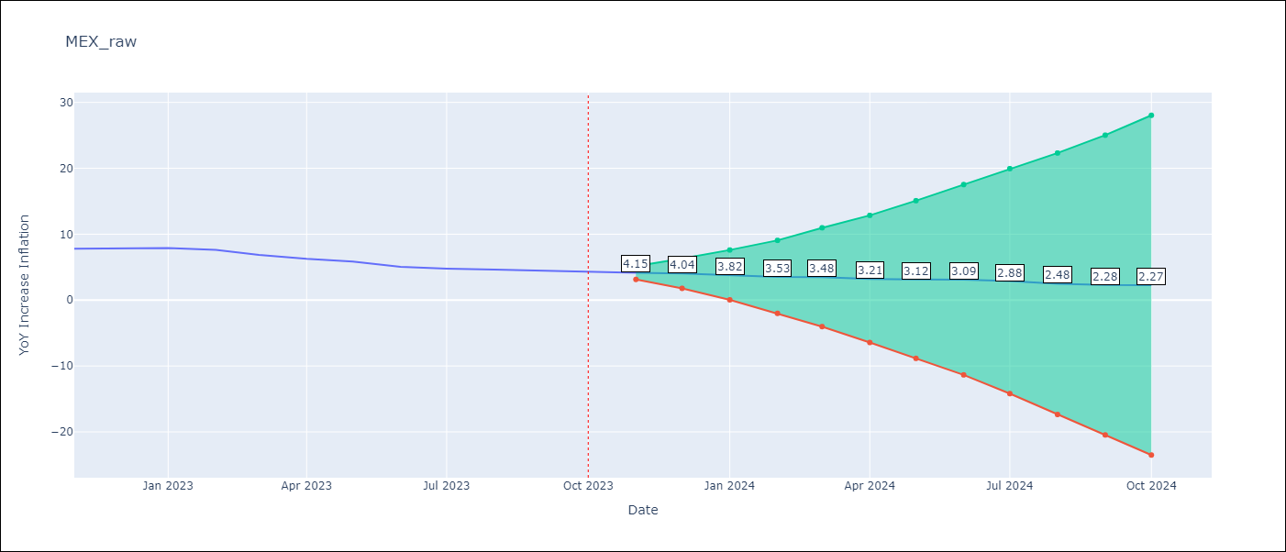

Test Metrics
RMSE | 0.28
Naive RMSE | 0.43
MAPE | 4.42%

Test Predictions
Date | Predicted | Actual
2022-11-01 | 8.06 | 7.8
2022-12-01 | 8.12 | 7.82
2023-01-01 | 8.05 | 7.91
2023-02-01 | 7.63 | 7.62
2023-03-01 | 7.06 | 6.85
2023-04-01 | 6.37 | 6.25
2023-05-01 | 6.07 | 5.84
2023-06-01 | 5.55 | 5.06
2023-07-01 | 5.24 | 4.79
2023-08-01 | 4.87 | 4.64
2023-09-01 | 4.62 | 4.45
2023-10-01 | 4.56 | 4.26

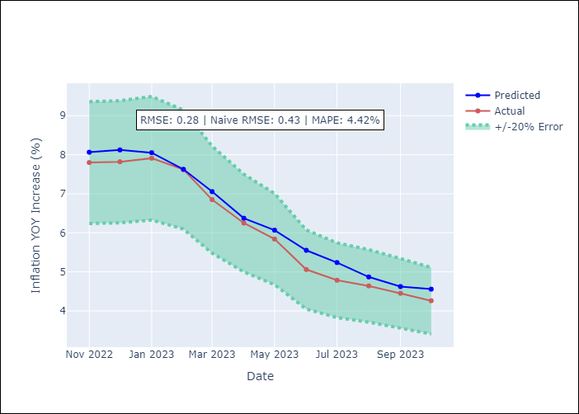

Appendix A: Model Summary
Model | ARIMA(0, 2, 0)x(2, 0, [1, 2], 12)
Sample | 01-01-1990- 10-01-2023
No. of Observations | 406
Terms | P-value (Statistical significance)
ar.S.L12 | 0.971
ar.S.L24 | 0.046
ma.S.L12 | 0.000
ma.S.L24 | 0.707
sigma2 | 0.000

Assumptions | P-value | Interpretation
Ljung-Box (L1) | 0.16
Heteroskedasticity | 0.00
Jarque-Bera | 0.00
Skew | -0.23
Kurtosis | 18.53

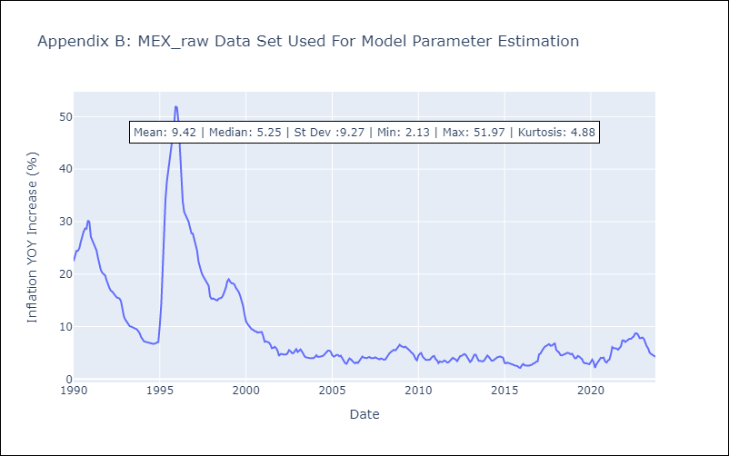

Appendix C: Residuals Analysis
Mean | 0.02
White Noise? | No - Correlation at Lags [ 1 2 3 4 5 6 7 8 9 10 11 12]
Normal? | No

