BOL
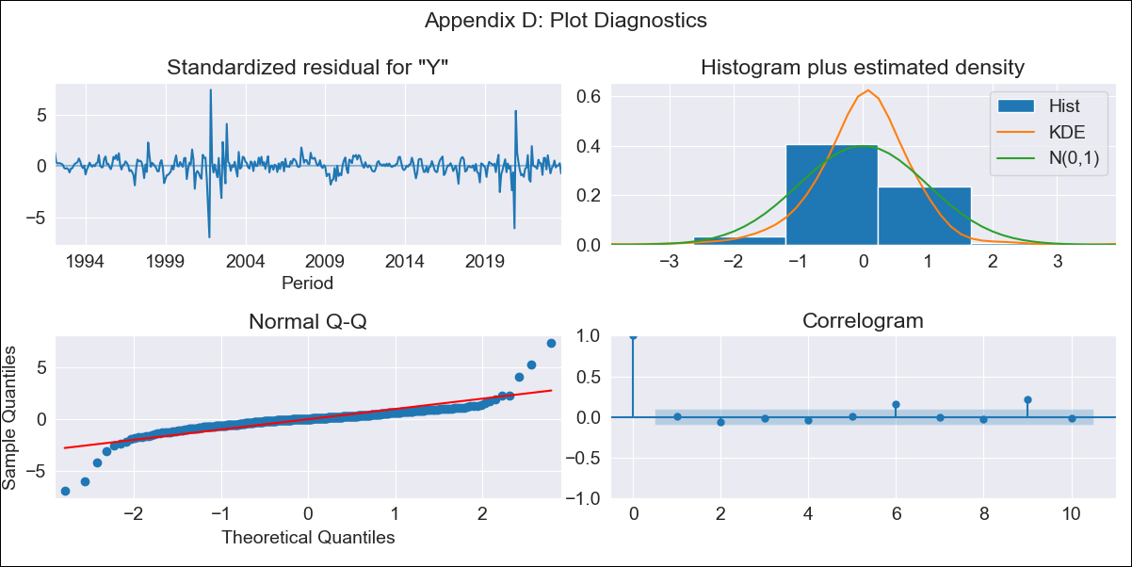
BOL - Inflation - Next 12 months forecast as of: 2023-10-01

Model | ARIMA - [(1, 0, 1), (2, 0, 0, 12)]
Training Data | 1990-01-01 to 2022-11-01
Test Data | 2022-11-01 to 2023-10-01

Date | Inflation Change YoY % | Lower Bound - 95% Confidence Interval | Upper Bound - 95% Confidence Interval
2023-11-01 | 1.96 | 1.68 | 2.24
2023-12-01 | 2.04 | 1.76 | 2.32
2024-01-01 | 2.12 | 1.84 | 2.4
2024-02-01 | 2.37 | 2.09 | 2.65
2024-03-01 | 2.41 | 2.13 | 2.69
2024-04-01 | 2.37 | 2.09 | 2.65
2024-05-01 | 2.21 | 1.93 | 2.49
2024-06-01 | 2.23 | 1.95 | 2.51
2024-07-01 | 2.23 | 1.95 | 2.52
2024-08-01 | 2.25 | 1.97 | 2.53
2024-09-01 | 2.29 | 2.01 | 2.57
2024-10-01 | 2.45 | 2.17 | 2.73

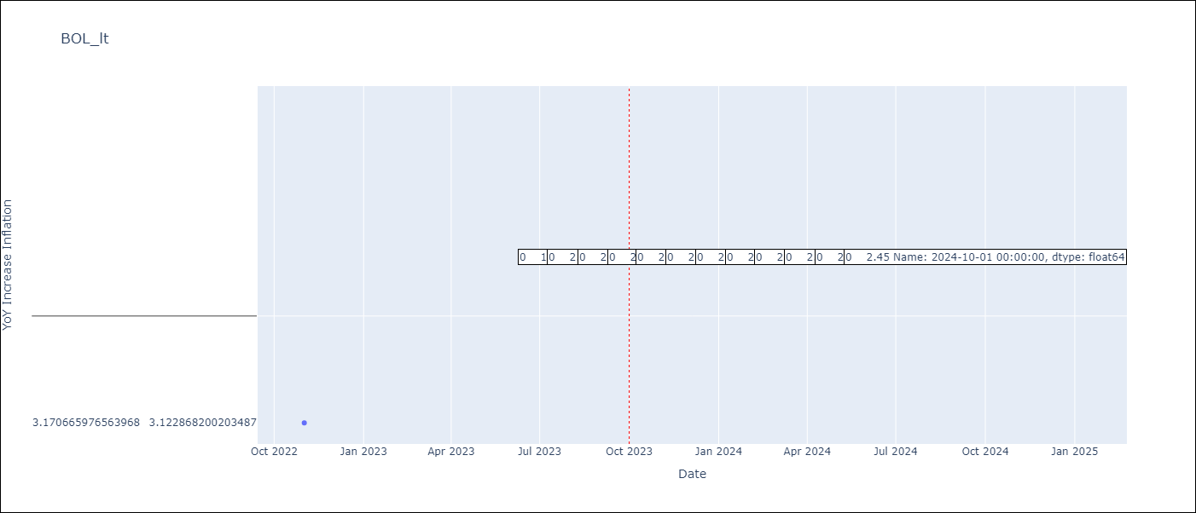

Test Metrics
RMSE | 0.36
Naive RMSE | 0.33
MAPE | 9.95%

Test Predictions
Date | Predicted | Actual
2022-11-01 | 3.66 | 3.17
2022-12-01 | 2.49 | 3.12
2023-01-01 | 2.5 | 3.14
2023-02-01 | 2.52 | 2.57
2023-03-01 | 2.6 | 2.53
2023-04-01 | 2.77 | 2.7
2023-05-01 | 2.55 | 2.9
2023-06-01 | 2.57 | 2.73
2023-07-01 | 2.5 | 2.7
2023-08-01 | 2.81 | 3.06
2023-09-01 | 2.37 | 2.85
2023-10-01 | 2.2 | 2.08

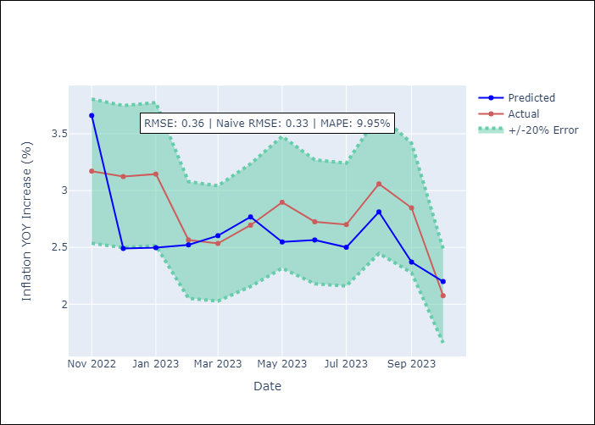

Appendix A: Model Summary
Model | ARIMA(1, 0, 1)x(2, 0, [], 12)
Sample | 01-01-1990- 10-01-2023
No. of Observations | 406
Terms | P-value (Statistical significance)
const | 0.477
ar.L1 | 0.000
ma.L1 | 0.000
ar.S.L12 | 0.000
ar.S.L24 | 0.011
sigma2 | 0.000

Assumptions | P-value | Interpretation
Ljung-Box (L1) | 0.89
Heteroskedasticity | 0.01
Jarque-Bera | 0.00
Skew | -0.17
Kurtosis | 22.27

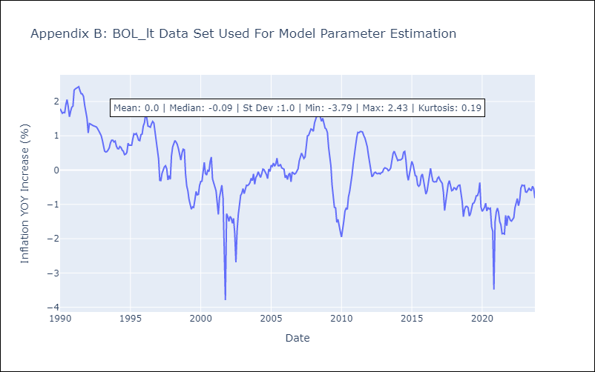

Appendix C: Residuals Analysis
Mean | 0.01
White Noise? | No - Correlation at Lags [ 9 10 11 12]
Normal? | No

