BOL
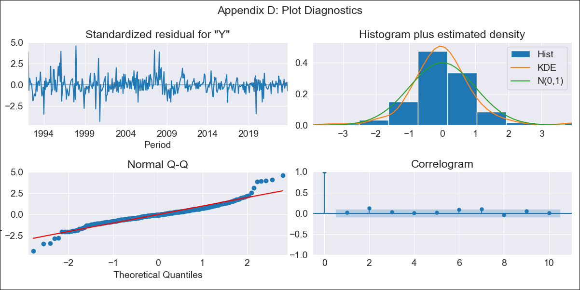
BOL - Inflation - Next 12 months forecast as of: 2023-10-01

Model | ARIMA - [(1, 0, 1), (2, 0, 0, 12)]
Training Data | 1990-01-01 to 2022-11-01
Test Data | 2022-11-01 to 2023-10-01

Date | Inflation Change YoY % | Lower Bound - 95% Confidence Interval | Upper Bound - 95% Confidence Interval
2023-11-01 | 1.68 | 0.42 | 2.94
2023-12-01 | 1.78 | -0.29 | 3.85
2024-01-01 | 1.86 | -0.77 | 4.49
2024-02-01 | 2.26 | -0.81 | 5.33
2024-03-01 | 2.3 | -1.14 | 5.75
2024-04-01 | 2.23 | -1.54 | 6
2024-05-01 | 2 | -2.06 | 6.06
2024-06-01 | 2.04 | -2.28 | 6.36
2024-07-01 | 2.03 | -2.53 | 6.58
2024-08-01 | 2 | -2.77 | 6.78
2024-09-01 | 2.07 | -2.91 | 7.05
2024-10-01 | 2.28 | -2.88 | 7.44

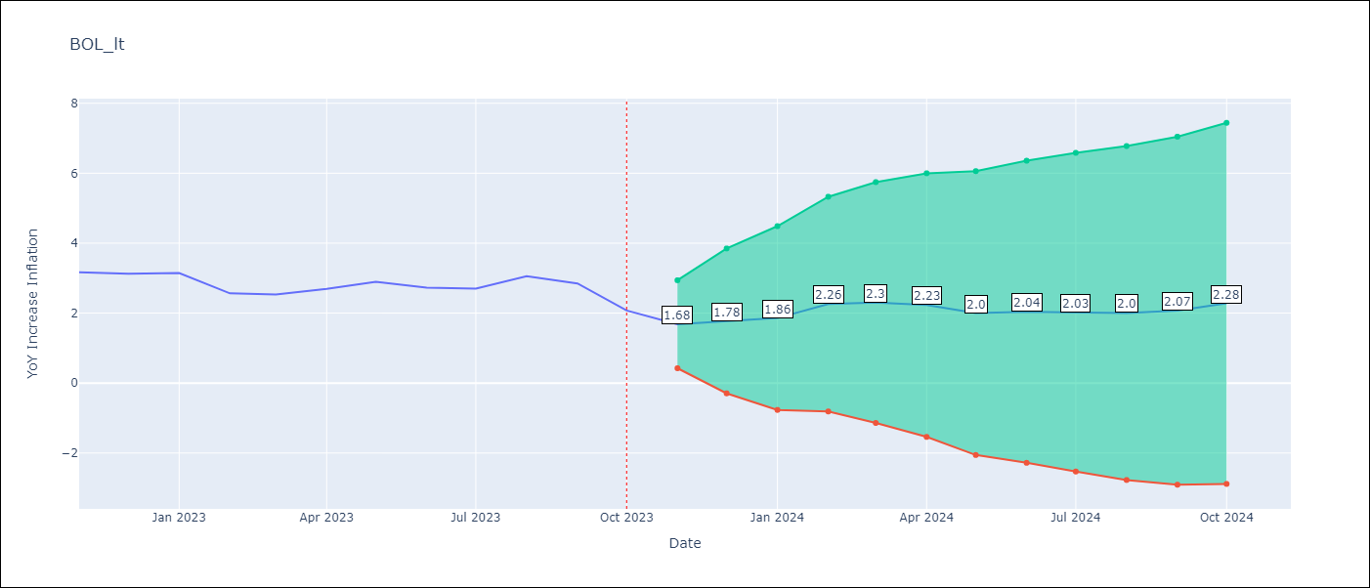

Test Metrics
RMSE | 0.23
Naive RMSE | 0.33
MAPE | 6.88%

Test Predictions
Date | Predicted | Actual
2022-11-01 | 3.19 | 3.17
2022-12-01 | 2.77 | 3.12
2023-01-01 | 2.77 | 3.14
2023-02-01 | 2.79 | 2.57
2023-03-01 | 2.87 | 2.53
2023-04-01 | 3.01 | 2.7
2023-05-01 | 2.78 | 2.9
2023-06-01 | 2.72 | 2.73
2023-07-01 | 2.62 | 2.7
2023-08-01 | 2.96 | 3.06
2023-09-01 | 2.57 | 2.85
2023-10-01 | 2.19 | 2.08

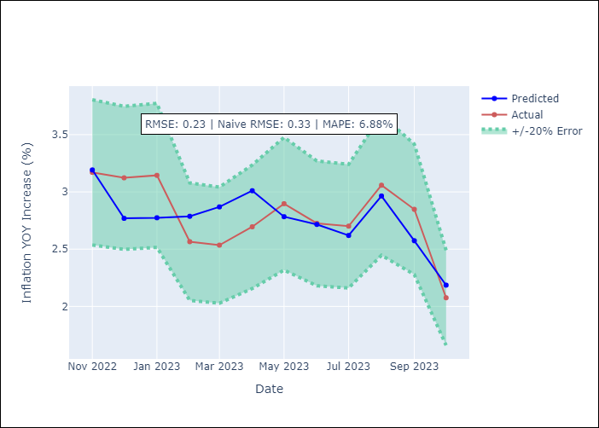

Appendix A: Model Summary
Model | ARIMA(1, 0, 1)x(2, 0, [], 12)
Sample | 01-01-1990- 10-01-2023
No. of Observations | 406
Terms | P-value (Statistical significance)
const | 0.048
ar.L1 | 0.000
ma.L1 | 0.000
ar.S.L12 | 0.000
ar.S.L24 | 0.000
sigma2 | 0.000

Assumptions | P-value | Interpretation
Ljung-Box (L1) | 0.65
Heteroskedasticity | 0.00
Jarque-Bera | 0.00
Skew | 0.49
Kurtosis | 7.25

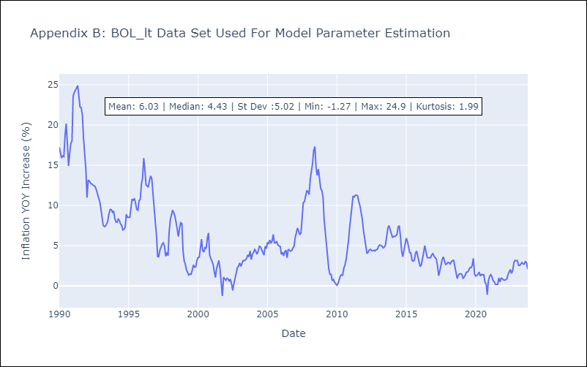

Appendix C: Residuals Analysis
Mean | 0.08
White Noise? | No - Correlation at Lags [ 8 9 12]
Normal? | No

