BOL
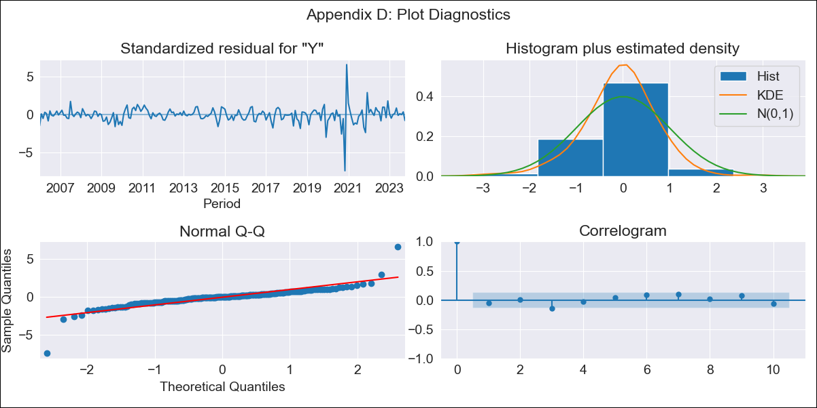
BOL - Inflation - Next 12 months forecast as of: 2023-10-01

Model | SARIMAX - [(1, 0, 1), (2, 0, 0, 12)] | Exogenous Variables | Exchange rates (nominal), Monetary Policiy rate, M1 money supply ($mm local currency)
Training Data | 2003-12-01 to 2022-11-01
Test Data | 2022-11-01 to 2023-10-01

Date | Inflation Change YoY % | Lower Bound - 95% Confidence Interval | Upper Bound - 95% Confidence Interval
2023-11-01 | -0.83 | -1.27 | -0.39
2023-12-01 | -0.8 | -1.38 | -0.21
2024-01-01 | -0.78 | -1.48 | -0.08
2024-02-01 | -0.68 | -1.48 | 0.12
2024-03-01 | -0.68 | -1.56 | 0.2
2024-04-01 | -0.71 | -1.67 | 0.25
2024-05-01 | -0.8 | -1.82 | 0.23
2024-06-01 | -0.79 | -1.87 | 0.3
2024-07-01 | -0.8 | -1.95 | 0.35
2024-08-01 | -0.78 | -1.98 | 0.42
2024-09-01 | -0.8 | -2.06 | 0.45
2024-10-01 | -0.74 | -2.05 | 0.56

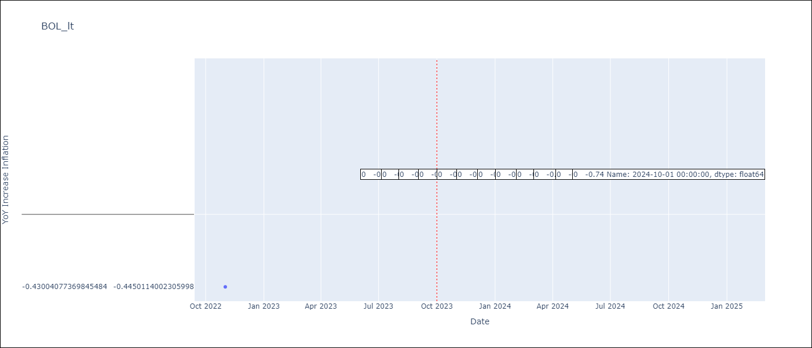

Test Metrics
RMSE | 0.11
Naive RMSE | 0.12
MAPE | 17.63%

Test Predictions
Date | Predicted | Actual
2022-11-01 | -0.31 | -0.43
2022-12-01 | -0.65 | -0.45
2023-01-01 | -0.64 | -0.44
2023-02-01 | -0.59 | -0.63
2023-03-01 | -0.55 | -0.64
2023-04-01 | -0.52 | -0.59
2023-05-01 | -0.6 | -0.52
2023-06-01 | -0.58 | -0.58
2023-07-01 | -0.6 | -0.58
2023-08-01 | -0.49 | -0.47
2023-09-01 | -0.65 | -0.53
2023-10-01 | -0.71 | -0.82

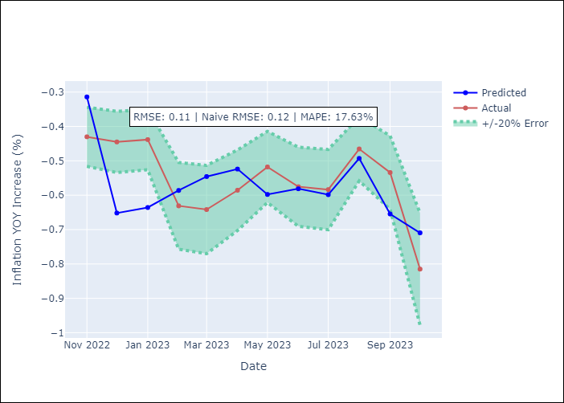

Appendix A: Model Summary
Model | SARIMAX(1, 0, 1)x(2, 0, [], 12)
Sample | 12-01-2003- 10-01-2023
No. of Observations | 239
Terms | P-value (Statistical significance)
Exchange rates (nominal) | 0.172
Monetary Policiy rate | 0.057
M1 money supply ($mm local currency) | 0.153
ar.L1 | 0.000
ma.L1 | 0.013
ar.S.L12 | 0.000
ar.S.L24 | 0.002
sigma2 | 0.000
Assumptions | P-value
Ljung-Box (L1) | 0.41
Heteroskedasticity | 0.00
Jarque-Bera | 0.00
Skew | -0.62
Kurtosis | 22.97

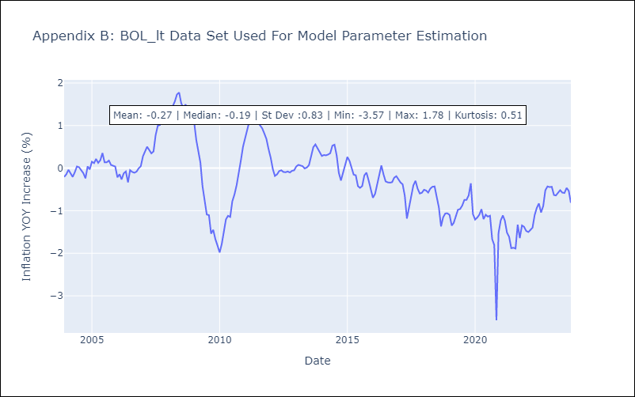

Appendix C: Residuals Analysis
Mean | -0.02
White Noise? | Yes
Normal? | No

