BOL
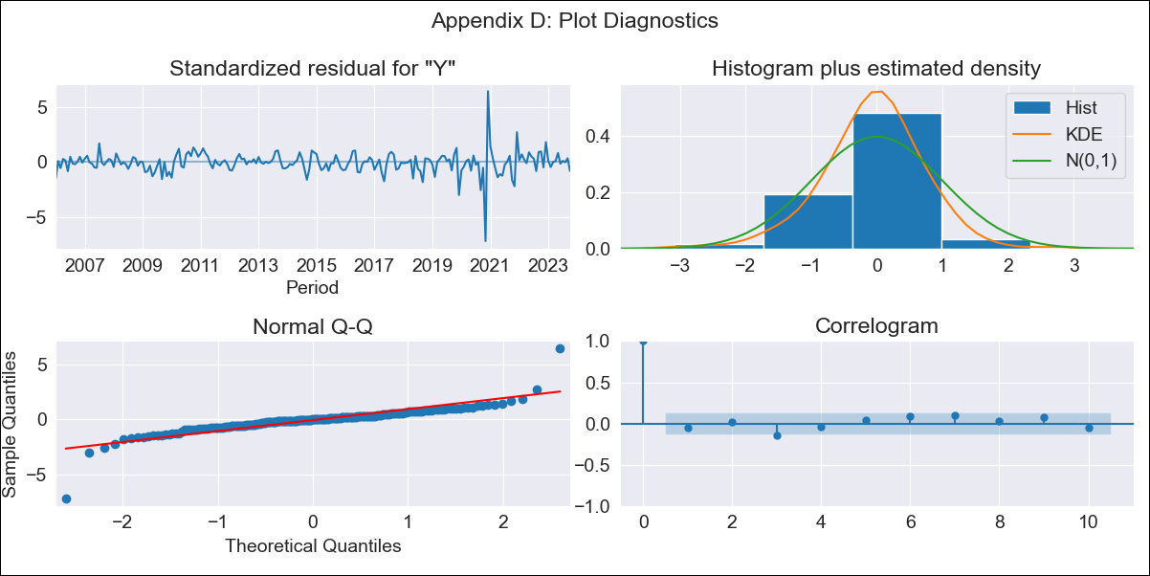
BOL - Inflation - Next 12 months forecast as of: 2023-10-01

Model | SARIMAX - [(1, 0, 1), (2, 0, 0, 12)] | Exogenous Variables | Exchange rates (nominal), Monetary Policiy rate, M1 money supply ($mm local currency)
Training Data | 2003-12-01 to 2022-11-01
Test Data | 2022-11-01 to 2023-10-01

Date | Inflation Change YoY % | Lower Bound - 95% Confidence Interval | Upper Bound - 95% Confidence Interval
2023-11-01 | 2.04 | 1.08 | 3.31
2023-12-01 | 2.13 | 0.88 | 3.96
2024-01-01 | 2.16 | 0.71 | 4.45
2024-02-01 | 2.43 | 0.71 | 5.27
2024-03-01 | 2.42 | 0.58 | 5.65
2024-04-01 | 2.33 | 0.42 | 5.85
2024-05-01 | 2.09 | 0.21 | 5.74
2024-06-01 | 2.11 | 0.14 | 6.1
2024-07-01 | 2.07 | 0.06 | 6.31
2024-08-01 | 2.13 | 0.03 | 6.73
2024-09-01 | 2.06 | -0.06 | 6.85
2024-10-01 | 2.2 | -0.06 | 7.41

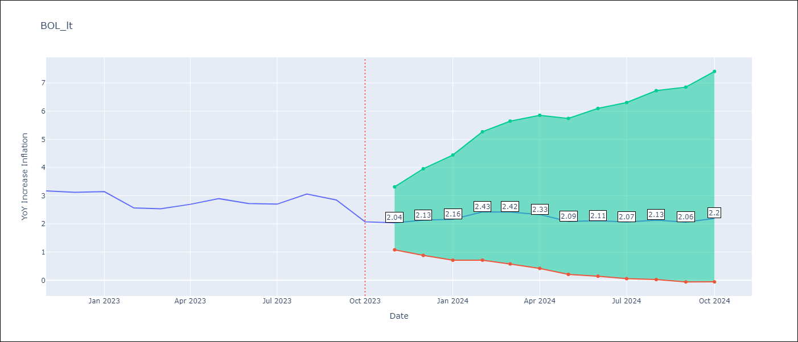

Test Metrics
RMSE | 0.33
Naive RMSE | 0.33
MAPE | 9.36%

Test Predictions
Date | Predicted | Actual
2022-11-01 | 3.63 | 3.17
2022-12-01 | 2.52 | 3.12
2023-01-01 | 2.56 | 3.14
2023-02-01 | 2.7 | 2.57
2023-03-01 | 2.83 | 2.53
2023-04-01 | 2.9 | 2.7
2023-05-01 | 2.68 | 2.9
2023-06-01 | 2.73 | 2.73
2023-07-01 | 2.69 | 2.7
2023-08-01 | 3.01 | 3.06
2023-09-01 | 2.52 | 2.85
2023-10-01 | 2.37 | 2.08

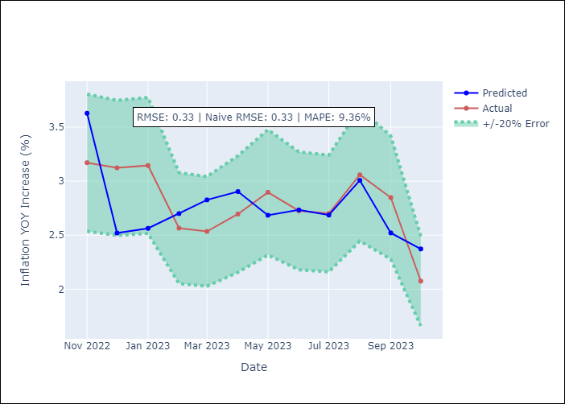

Appendix A: Model Summary
Model | SARIMAX(1, 0, 1)x(2, 0, [], 12)
Sample | 12-01-2003- 10-01-2023
No. of Observations | 239
Terms | P-value (Statistical significance)
Exchange rates (nominal) | 0.135
Monetary Policiy rate | 0.050
M1 money supply ($mm local currency) | 0.197
ar.L1 | 0.000
ma.L1 | 0.025
ar.S.L12 | 0.000
ar.S.L24 | 0.001
sigma2 | 0.000
Assumptions | P-value
Ljung-Box (L1) | 0.46
Heteroskedasticity | 0.00
Jarque-Bera | 0.00
Skew | -0.55
Kurtosis | 22.16

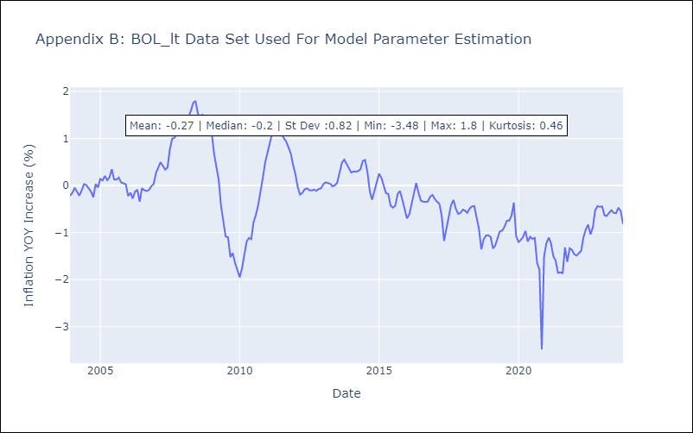

Appendix C: Residuals Analysis
Mean | -0.01
White Noise? | Yes
Normal? | No

