BOL
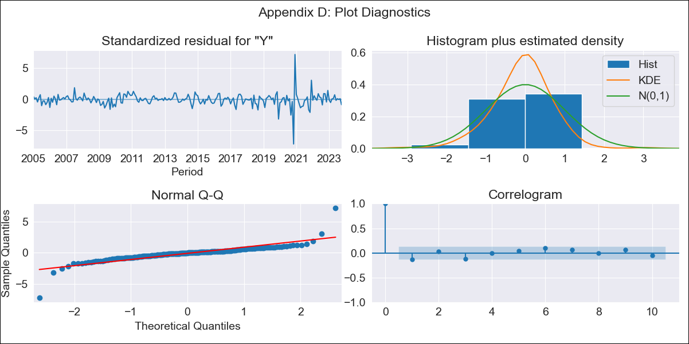
BOL - Inflation - Next 12 months forecast as of: 2023-10-01

Model | SARIMAX - [(1, 0, 0), (0, 0, 1, 12)] | Exogenous Variables | Exchange rates (nominal), Monetary Policiy rate, M1 money supply ($mm local currency)
Training Data | 2003-12-01 to 2022-11-01
Test Data | 2022-11-01 to 2023-10-01

Date | Inflation Change YoY % | Lower Bound - 95% Confidence Interval | Upper Bound - 95% Confidence Interval
2023-11-01 | -0.71 | -1.14 | -0.28
2023-12-01 | -0.82 | -1.43 | -0.21
2024-01-01 | -0.82 | -1.56 | -0.08
2024-02-01 | -0.7 | -1.54 | 0.15
2024-03-01 | -0.67 | -1.61 | 0.28
2024-04-01 | -0.65 | -1.68 | 0.38
2024-05-01 | -0.71 | -1.81 | 0.4
2024-06-01 | -0.68 | -1.85 | 0.5
2024-07-01 | -0.68 | -1.92 | 0.55
2024-08-01 | -0.66 | -1.95 | 0.63
2024-09-01 | -0.68 | -2.03 | 0.67
2024-10-01 | -0.58 | -1.98 | 0.82

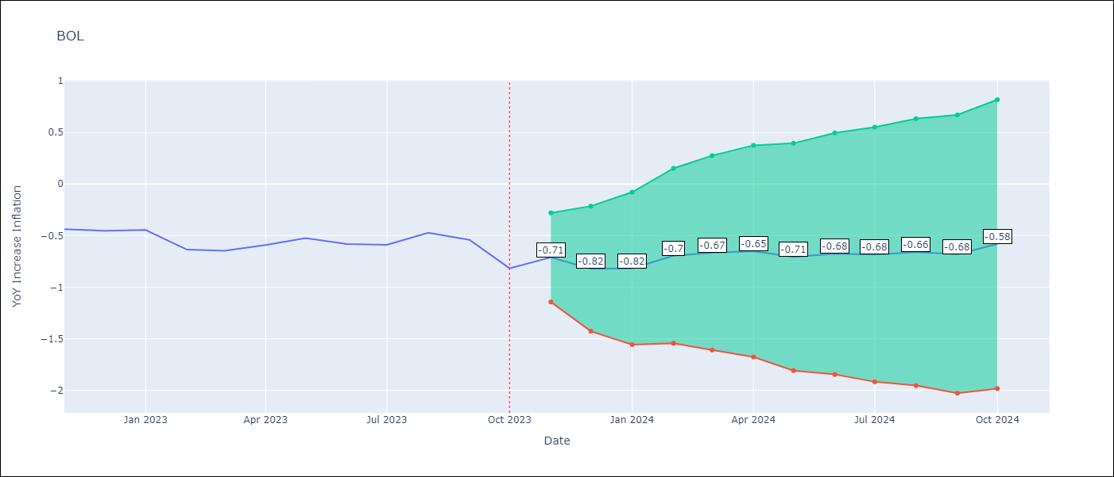

Test Metrics
RMSE | 0.18
Naive RMSE | 0.11
MAPE | 26.91%

Test Predictions
Date | Predicted | Actual
2022-11-01 | -0.38 | -0.44
2022-12-01 | -0.55 | -0.45
2023-01-01 | -0.51 | -0.45
2023-02-01 | -0.44 | -0.64
2023-03-01 | -0.39 | -0.65
2023-04-01 | -0.36 | -0.59
2023-05-01 | -0.42 | -0.52
2023-06-01 | -0.43 | -0.58
2023-07-01 | -0.43 | -0.59
2023-08-01 | -0.33 | -0.47
2023-09-01 | -0.44 | -0.54
2023-10-01 | -0.5 | -0.82

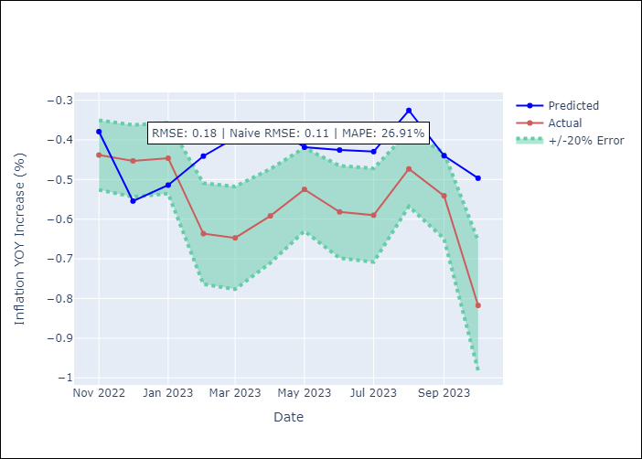

Appendix A: Model Summary
Model | SARIMAX(1, 0, 0)x(0, 0, [1], 12)
Sample | 12-01-2003- 10-01-2023
No. of Observations | 239
Terms | P-value (Statistical significance)
Exchange rates (nominal) | 0.244
Monetary Policiy rate | 0.043
M1 money supply ($mm local currency) | 0.355
ar.L1 | 0.000
ma.S.L12 | 0.000
sigma2 | 0.000
Assumptions | P-value
Ljung-Box (L1) | 0.04
Heteroskedasticity | 0.00
Jarque-Bera | 0.00
Skew | -0.04
Kurtosis | 26.28

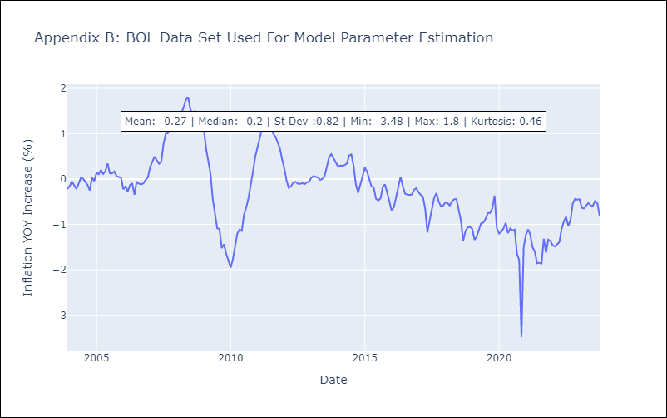

Appendix C: Residuals Analysis
Mean | -0.02
White Noise? | No - Correlation at Lags [1 3]
Normal? | No

