BOL
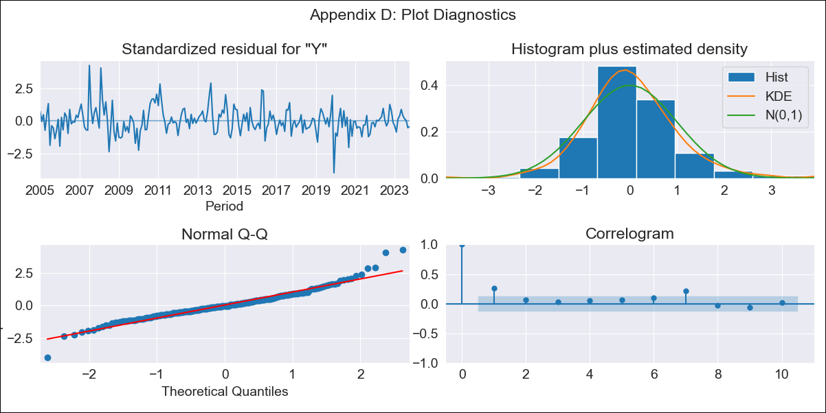
BOL - Inflation - Next 12 months forecast as of: 2023-10-01

Model | SARIMAX - [(1, 0, 0), (0, 0, 1, 12)] | Exogenous Variables | Exchange rates (nominal), Monetary Policiy rate, M1 money supply ($mm local currency)
Training Data | 2003-12-01 to 2022-11-01
Test Data | 2022-11-01 to 2023-10-01

Date | Inflation Change YoY % | Lower Bound - 95% Confidence Interval | Upper Bound - 95% Confidence Interval
2023-11-01 | 2.07 | 1.17 | 2.98
2023-12-01 | 2.18 | 0.9 | 3.46
2024-01-01 | 2.27 | 0.71 | 3.84
2024-02-01 | 2.76 | 0.96 | 4.56
2024-03-01 | 2.72 | 0.72 | 4.73
2024-04-01 | 2.6 | 0.41 | 4.79
2024-05-01 | 2.2 | -0.16 | 4.56
2024-06-01 | 2.04 | -0.48 | 4.56
2024-07-01 | 1.93 | -0.74 | 4.59
2024-08-01 | 1.96 | -0.84 | 4.76
2024-09-01 | 2.13 | -0.79 | 5.06
2024-10-01 | 2.31 | -0.74 | 5.36

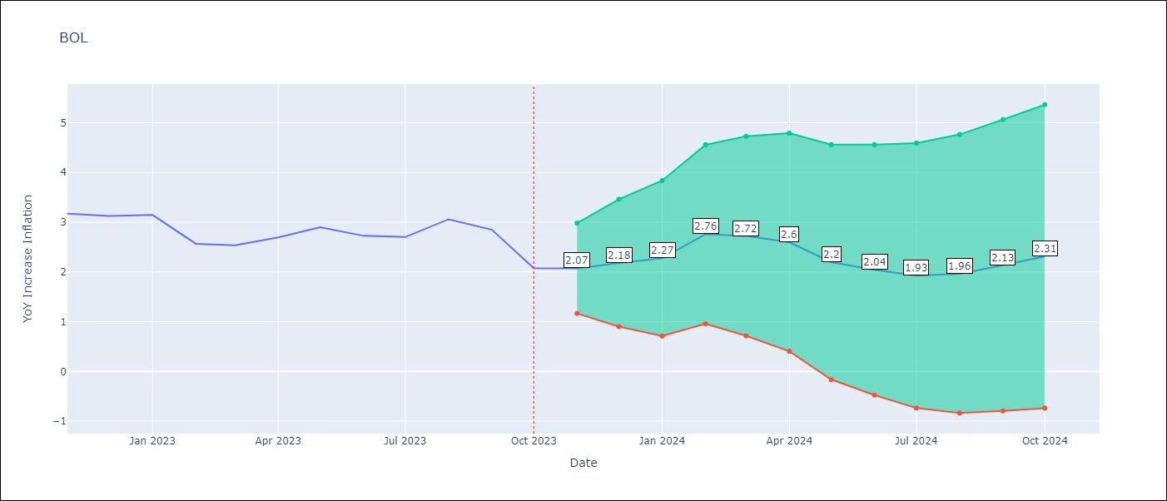

Test Metrics
RMSE | 0.61
Naive RMSE | 0.33
MAPE | 18.96%

Test Predictions
Date | Predicted | Actual
2022-11-01 | 2.91 | 3.17
2022-12-01 | 2.69 | 3.12
2023-01-01 | 2.68 | 3.14
2023-02-01 | 2.7 | 2.57
2023-03-01 | 2.7 | 2.53
2023-04-01 | 2.67 | 2.7
2023-05-01 | 2.41 | 2.9
2023-06-01 | 2.01 | 2.73
2023-07-01 | 1.89 | 2.7
2023-08-01 | 2.11 | 3.06
2023-09-01 | 1.84 | 2.85
2023-10-01 | 1.27 | 2.08

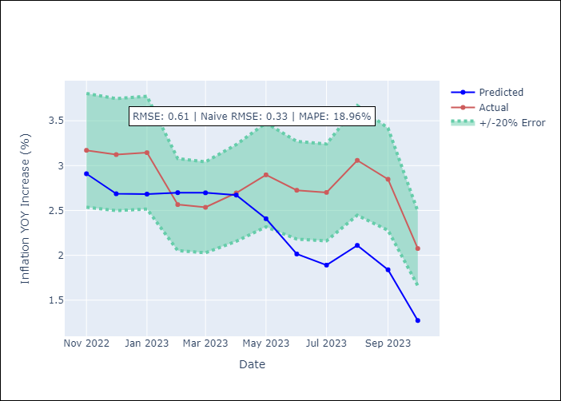

Appendix A: Model Summary
Model | SARIMAX(1, 0, 0)x(0, 0, [1], 12)
Sample | 12-01-2003- 10-01-2023
No. of Observations | 239
Terms | P-value (Statistical significance)
Exchange rates (nominal) | 0.000
Monetary Policiy rate | 0.023
M1 money supply ($mm local currency) | 0.044
ar.L1 | 0.000
ma.S.L12 | 0.994
sigma2 | 0.994
Assumptions | P-value
Ljung-Box (L1) | 0.00
Heteroskedasticity | 0.00
Jarque-Bera | 0.00
Skew | 0.53
Kurtosis | 5.98

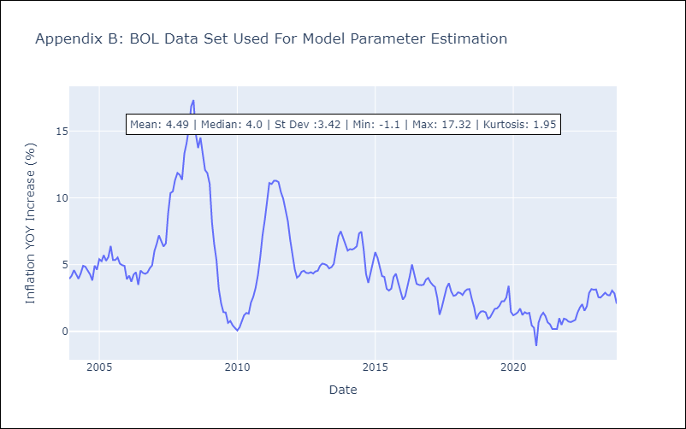

Appendix C: Residuals Analysis
Mean | 0.04
White Noise? | No - Correlation at Lags [1]
Normal? | No

