BOL
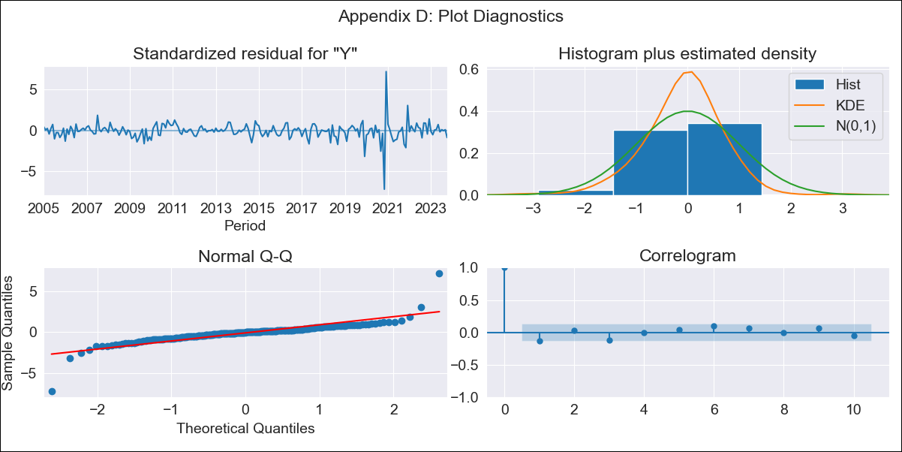
BOL - Inflation - Next 12 months forecast as of: 2023-10-01

Model | SARIMAX - [(1, 0, 0), (0, 0, 1, 12)] | Exogenous Variables | Exchange rates (nominal), Monetary Policiy rate, M1 money supply ($mm local currency)
Training Data | 2003-12-01 to 2022-11-01
Test Data | 2022-11-01 to 2023-10-01

Date | Inflation Change YoY % | Lower Bound - 95% Confidence Interval | Upper Bound - 95% Confidence Interval
2023-11-01 | 2.36 | 1.33 | 3.71
2023-12-01 | 2.07 | 0.8 | 3.95
2024-01-01 | 2.07 | 0.59 | 4.47
2024-02-01 | 2.4 | 0.61 | 5.46
2024-03-01 | 2.48 | 0.52 | 6.05
2024-04-01 | 2.52 | 0.42 | 6.55
2024-05-01 | 2.37 | 0.24 | 6.65
2024-06-01 | 2.46 | 0.2 | 7.2
2024-07-01 | 2.43 | 0.11 | 7.51
2024-08-01 | 2.5 | 0.07 | 7.99
2024-09-01 | 2.45 | -0.01 | 8.2
2024-10-01 | 2.72 | 0.04 | 9.14

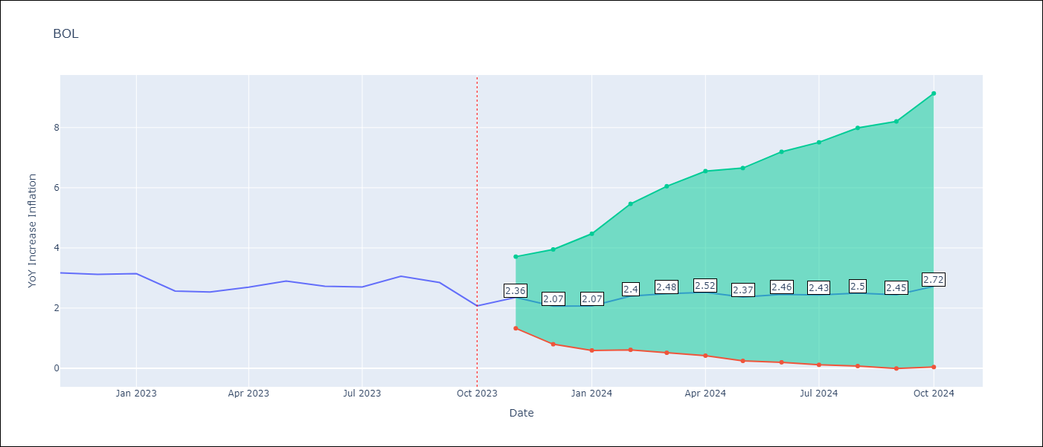

Test Metrics
RMSE | 0.54
Naive RMSE | 0.33
MAPE | 18.59%

Test Predictions
Date | Predicted | Actual
2022-11-01 | 3.37 | 3.17
2022-12-01 | 2.81 | 3.12
2023-01-01 | 2.93 | 3.14
2023-02-01 | 3.16 | 2.57
2023-03-01 | 3.31 | 2.53
2023-04-01 | 3.43 | 2.7
2023-05-01 | 3.23 | 2.9
2023-06-01 | 3.21 | 2.73
2023-07-01 | 3.2 | 2.7
2023-08-01 | 3.55 | 3.06
2023-09-01 | 3.17 | 2.85
2023-10-01 | 2.98 | 2.08

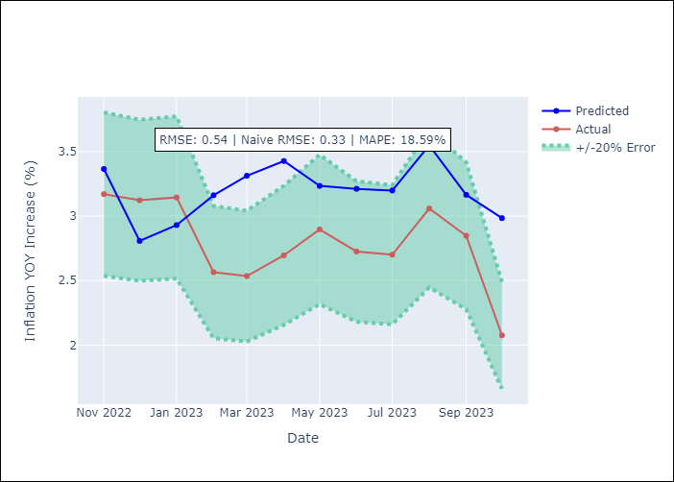

Appendix A: Model Summary
Model | SARIMAX(1, 0, 0)x(0, 0, [1], 12)
Sample | 12-01-2003- 10-01-2023
No. of Observations | 239
Terms | P-value (Statistical significance)
Exchange rates (nominal) | 0.244
Monetary Policiy rate | 0.043
M1 money supply ($mm local currency) | 0.355
ar.L1 | 0.000
ma.S.L12 | 0.000
sigma2 | 0.000
Assumptions | P-value
Ljung-Box (L1) | 0.04
Heteroskedasticity | 0.00
Jarque-Bera | 0.00
Skew | -0.04
Kurtosis | 26.28

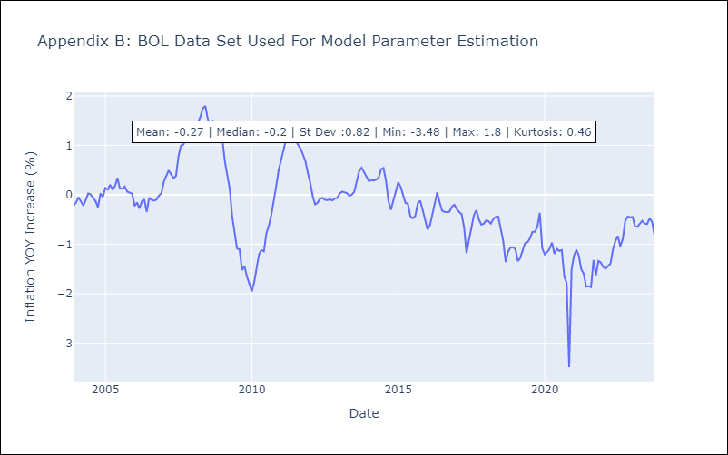

Appendix C: Residuals Analysis
Mean | -0.02
White Noise? | No - Correlation at Lags [1 3]
Normal? | No

