Forecasts - All
PROYECCIONES DE INFLACIÓN (DE AQUÍ A 12 MESES) - LATINOAMERICA Y EL CARIBE

America Del Sur (excl. Argentina y Venezuela)
 | BOL | BRA | CHL | COL | ECU | PER | PRY | URY
2023-10-01 |  | 5.46 |  |  |  |  | 3.64
2023-11-01 | 1.96 | 5.62 | 4.59 | 10.16 | 1.79 | 4.22 | 3.46 | 4.26
2023-12-01 | 2.04 | 5.65 | 4.47 | 9.72 | 1.69 | 4.02 | 4.02 | 3.88
2024-01-01 | 2.12 | 5.65 | 4.24 | 9.24 | 1.6 | 3.88 | 3.47 | 3.73
2024-02-01 | 2.37 | 5.62 | 4.1 | 8.94 | 1.53 | 3.8 | 3.41 | 3.42
2024-03-01 | 2.41 | 6.04 | 3.93 | 8.8 | 1.47 | 3.73 | 3.18 | 3.06
2024-04-01 | 2.37 | 6.37 | 3.83 | 8.94 | 1.41 | 3.75 | 2.93 | 2.65
2024-05-01 | 2.21 | 6.66 | 3.78 | 9.21 | 1.35 | 3.68 | 3.14 | 2.6
2024-06-01 | 2.23 | 7.47 | 3.71 | 9.29 | 1.3 | 3.95 | 3.55 | 2.86
2024-07-01 | 2.23 | 6.74 | 3.68 | 9.34 | 1.26 | 4.13 | 4 | 3.12
2024-08-01 | 2.25 | 6.36 | 3.67 | 9.31 | 1.23 | 4.19 | 4.52 | 3.14
2024-09-01 | 2.29 | 6.14 | 3.51 | 9.43 | 1.18 | 4.37 | 4.45 | 2.8
2024-10-01 | 2.45 |  | 3.36 | 9.58 | 1.14 | 4.72 |  | 2.39

Fecha | ARG | BOL | BRA | CHL | COL | ECU | PER | PRY | URY | VEN
2023-10-01 | 145.84 |  | 5.46 |  |  |  |  | 3.64 |  | 444.35
2023-11-01 | 153.22 | 1.96 | 5.62 | 4.59 | 10.16 | 1.79 | 4.22 | 3.46 | 4.26 | 472.97
2023-12-01 | 161.68 | 2.04 | 5.65 | 4.47 | 9.72 | 1.69 | 4.02 | 4.02 | 3.88 | 488.52
2024-01-01 | 168.68 | 2.12 | 5.65 | 4.24 | 9.24 | 1.6 | 3.88 | 3.47 | 3.73 | 496.7
2024-02-01 | 175.24 | 2.37 | 5.62 | 4.1 | 8.94 | 1.53 | 3.8 | 3.41 | 3.42 | 500.94
2024-03-01 | 182.1 | 2.41 | 6.04 | 3.93 | 8.8 | 1.47 | 3.73 | 3.18 | 3.06 | 503.12
2024-04-01 | 186.81 | 2.37 | 6.37 | 3.83 | 8.94 | 1.41 | 3.75 | 2.93 | 2.65 | 504.23
2024-05-01 | 190.82 | 2.21 | 6.66 | 3.78 | 9.21 | 1.35 | 3.68 | 3.14 | 2.6 | 504.79
2024-06-01 | 198.69 | 2.23 | 7.47 | 3.71 | 9.29 | 1.3 | 3.95 | 3.55 | 2.86 | 505.08
2024-07-01 | 206.89 | 2.23 | 6.74 | 3.68 | 9.34 | 1.26 | 4.13 | 4 | 3.12 | 505.23
2024-08-01 | 205.63 | 2.25 | 6.36 | 3.67 | 9.31 | 1.23 | 4.19 | 4.52 | 3.14 | 505.3
2024-09-01 | 204.18 | 2.29 | 6.14 | 3.51 | 9.43 | 1.18 | 4.37 | 4.45 | 2.8 | 505.34
2024-10-01 |  | 2.45 |  | 3.36 | 9.58 | 1.14 | 4.72 |  | 2.39

ARG
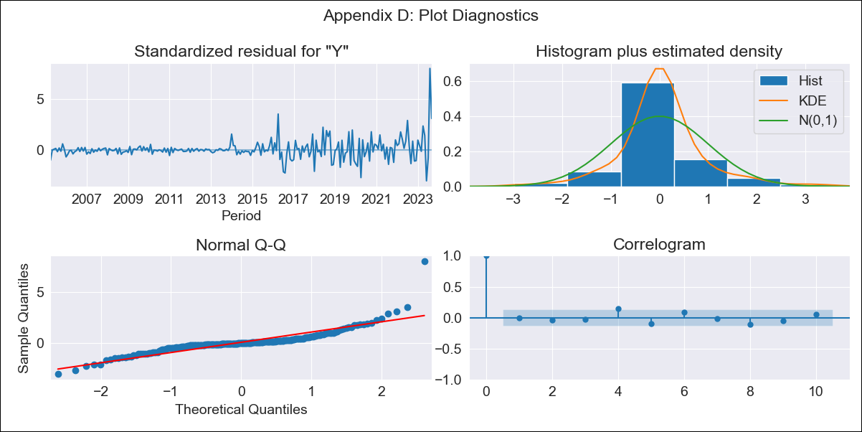
ARG - Inflation - Next 12 months forecast as of: 2023-09-01

Model | SARIMAX - [(0, 2, 2), (0, 0, 1, 12)] | Exogenous Variables | Exchange rates (nominal), Monetary Policiy rate, M1 money supply ($mm local currency)
Training Data | 2003-11-01 to 2022-10-01
Test Data | 2022-10-01 to 2023-09-01

Date | Inflation Change YoY % | Lower Bound - 95% Confidence Interval | Upper Bound - 95% Confidence Interval
2023-10-01 | 145.84 | 143.38 | 148.31
2023-11-01 | 153.22 | 148.29 | 158.14
2023-12-01 | 161.68 | 154.42 | 168.94
2024-01-01 | 168.68 | 159 | 178.35
2024-02-01 | 175.24 | 163.01 | 187.46
2024-03-01 | 182.1 | 167.19 | 197.01
2024-04-01 | 186.81 | 169.08 | 204.55
2024-05-01 | 190.82 | 170.12 | 211.51
2024-06-01 | 198.69 | 174.9 | 222.48
2024-07-01 | 206.89 | 179.87 | 233.9
2024-08-01 | 205.63 | 175.27 | 236
2024-09-01 | 204.18 | 170.34 | 238.02

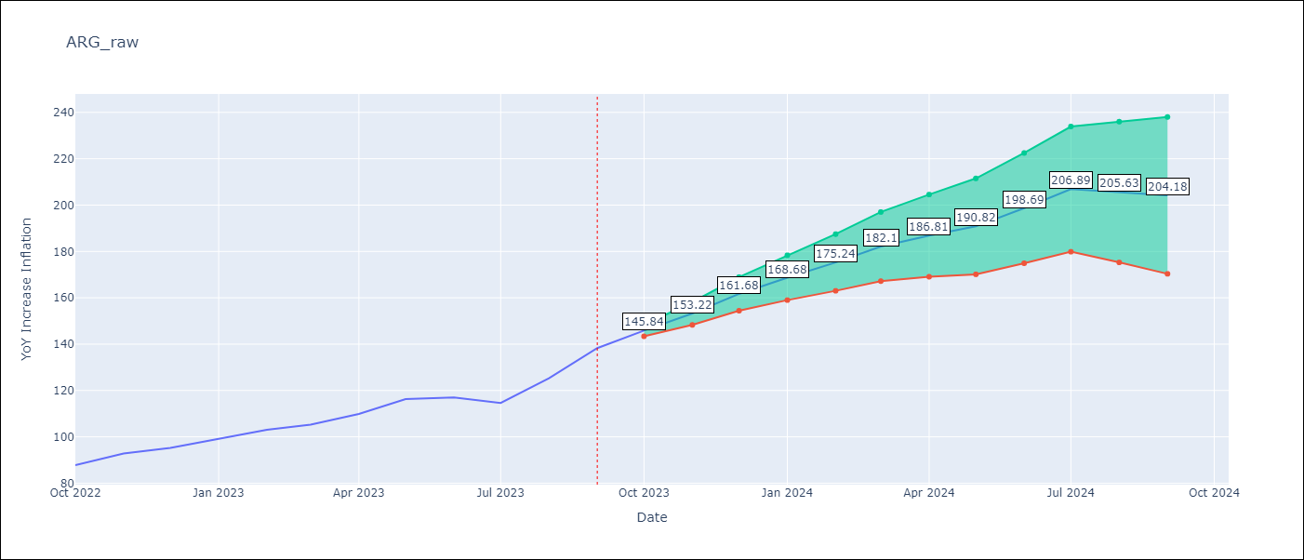

Test Metrics
RMSE | 9.01
Naive RMSE | 6.17
MAPE | 4.35%

Test Predictions
Date | Predicted | Actual
2022-10-01 | 87.06 | 87.8
2022-11-01 | 92.55 | 92.82
2022-12-01 | 96.88 | 95.19
2023-01-01 | 100.73 | 99.01
2023-02-01 | 104.25 | 103.06
2023-03-01 | 106.1 | 105.25
2023-04-01 | 107.62 | 109.89
2023-05-01 | 109.98 | 116.26
2023-06-01 | 111.74 | 116.97
2023-07-01 | 110.8 | 114.59
2023-08-01 | 110.57 | 125.24
2023-09-01 | 112.52 | 138.3

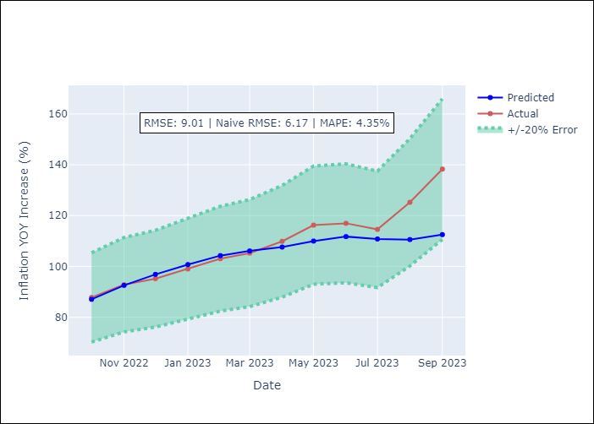

Appendix A: Model Summary
Model | SARIMAX(0, 2, 2)x(0, 0, [1], 12)
Sample | 11-01-2003- 09-01-2023
No. of Observations | 239
Terms | P-value (Statistical significance)
Exchange rates (nominal) | 0.000
Monetary Policiy rate | 0.677
M1 money supply ($mm local currency) | 0.400
ma.L1 | 0.000
ma.L2 | 0.000
ma.S.L12 | 0.000
sigma2 | 0.000
Assumptions | P-value
Ljung-Box (L1) | 0.97
Heteroskedasticity | 0.00
Jarque-Bera | 0.00
Skew | 2.39
Kurtosis | 20.80

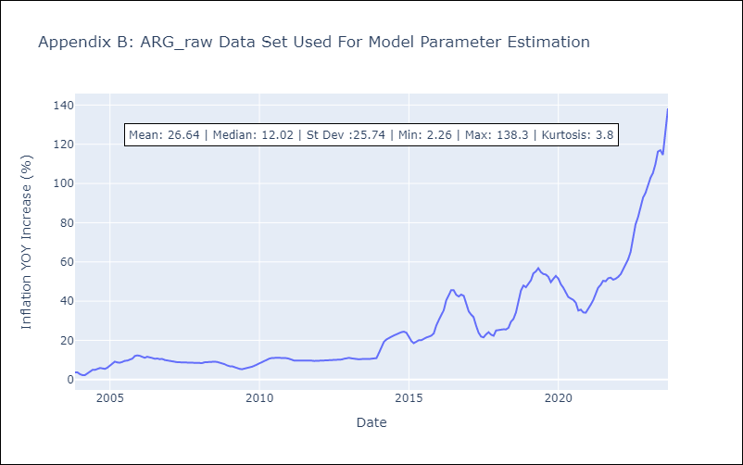

Appendix C: Residuals Analysis
Mean | 0.11
White Noise? | Yes
Normal? | No

BOL
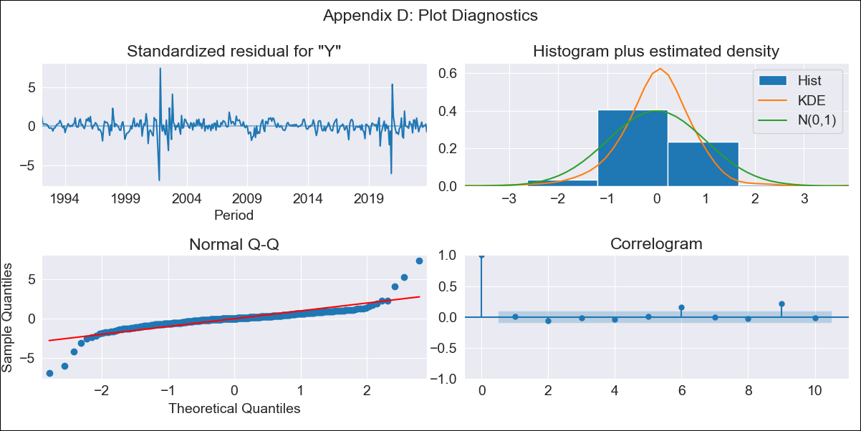
BOL - Inflation - Next 12 months forecast as of: 2023-10-01

Model | ARIMA - [(1, 0, 1), (2, 0, 0, 12)]
Training Data | 1990-01-01 to 2022-11-01
Test Data | 2022-11-01 to 2023-10-01

Date | Inflation Change YoY % | Lower Bound - 95% Confidence Interval | Upper Bound - 95% Confidence Interval
2023-11-01 | 1.96 | 0.86 | 3.52
2023-12-01 | 2.04 | 0.63 | 4.26
2024-01-01 | 2.12 | 0.48 | 4.92
2024-02-01 | 2.37 | 0.46 | 5.85
2024-03-01 | 2.41 | 0.36 | 6.37
2024-04-01 | 2.37 | 0.23 | 6.71
2024-05-01 | 2.21 | 0.08 | 6.78
2024-06-01 | 2.23 | 0.02 | 7.17
2024-07-01 | 2.23 | -0.04 | 7.5
2024-08-01 | 2.25 | -0.09 | 7.84
2024-09-01 | 2.29 | -0.12 | 8.22
2024-10-01 | 2.45 | -0.11 | 8.88

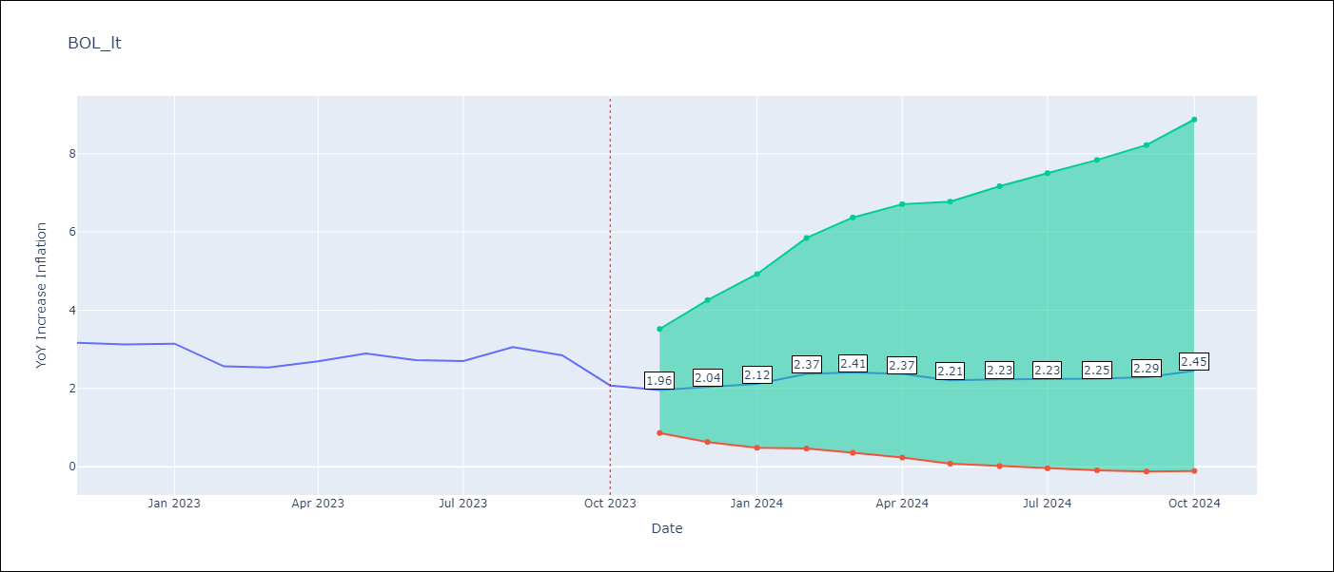

Test Metrics
RMSE | 0.36
Naive RMSE | 0.33
MAPE | 9.95%

Test Predictions
Date | Predicted | Actual
2022-11-01 | 3.66 | 3.17
2022-12-01 | 2.49 | 3.12
2023-01-01 | 2.5 | 3.14
2023-02-01 | 2.52 | 2.57
2023-03-01 | 2.6 | 2.53
2023-04-01 | 2.77 | 2.7
2023-05-01 | 2.55 | 2.9
2023-06-01 | 2.57 | 2.73
2023-07-01 | 2.5 | 2.7
2023-08-01 | 2.81 | 3.06
2023-09-01 | 2.37 | 2.85
2023-10-01 | 2.2 | 2.08

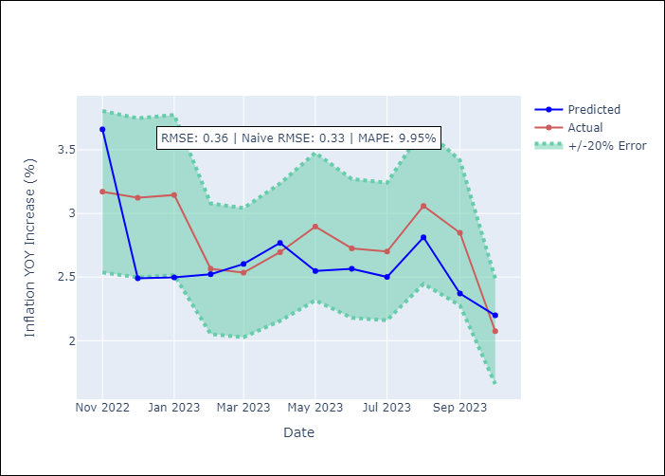

Appendix A: Model Summary
Model | ARIMA(1, 0, 1)x(2, 0, [], 12)
Sample | 01-01-1990- 10-01-2023
No. of Observations | 406
Terms | P-value (Statistical significance)
const | 0.477
ar.L1 | 0.000
ma.L1 | 0.000
ar.S.L12 | 0.000
ar.S.L24 | 0.011
sigma2 | 0.000
Assumptions | P-value
Ljung-Box (L1) | 0.89
Heteroskedasticity | 0.01
Jarque-Bera | 0.00
Skew | -0.17
Kurtosis | 22.27

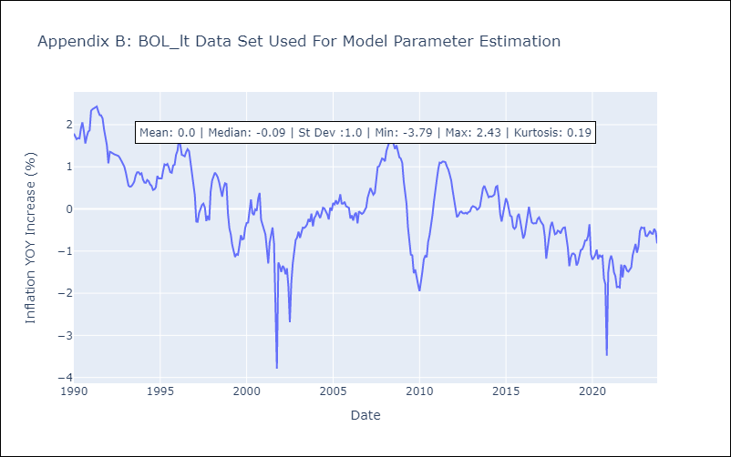

Appendix C: Residuals Analysis
Mean | 0.01
White Noise? | No - Correlation at Lags [ 9 10 11 12]
Normal? | No

BRA
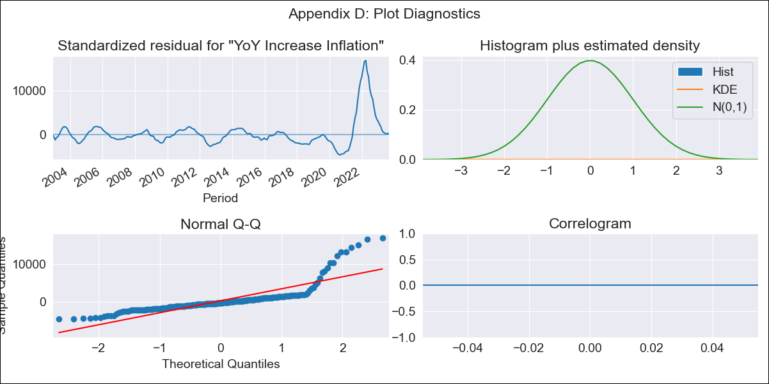
BRA - Inflation - Next 12 months forecast as of: 2023-09-01

Model | VARMAX - (2, 0, 0, 0, 0, 1, 12) | Exogenous Variables | Exchange rates (nominal), Monetary Policiy rate, M1 money supply ($mm local currency)
Training Data | 2002-12-01 to 2022-10-01
Test Data | 2022-10-01 to 2023-09-01

Date | Inflation Change YoY % | Lower Bound - 95% Confidence Interval | Upper Bound - 95% Confidence Interval
2023-10-01
2023-11-01 | -205.79 | -215.8 | -195.08
2023-12-01 | -2382.23 | -2612.04 | -2118.08
2024-01-01 | -37090.75 | -39767.51 | -34126.62
2024-02-01 | -449968.42 | -482100.8 | -414426.76
2024-03-01 | -5227509.67 | -5592628.95 | -4824594.32
2024-04-01 | -56834490.96 | -60679188.24 | -52605678.3
2024-05-01 | -566330658.51 | -603819797.96 | -525184807.65
2024-06-01 | -4773554229.8 | -5086031901.9 | -4430971454.9
2024-07-01
2024-08-01
2024-09-01

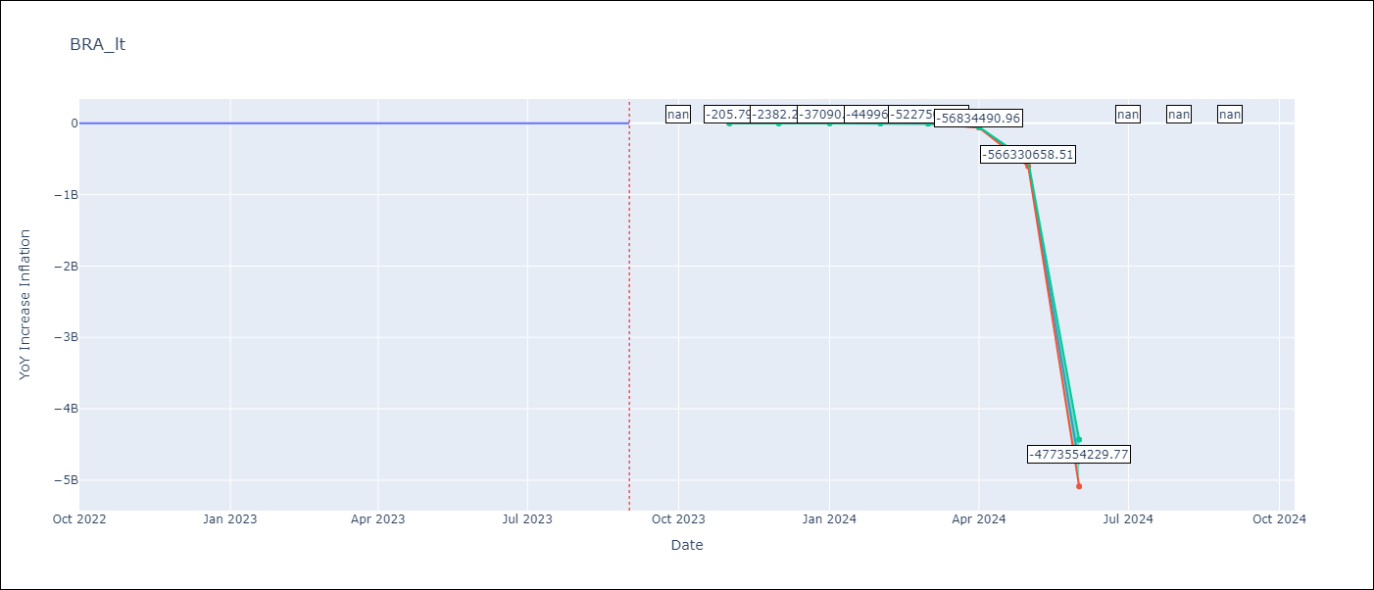

Test Metrics
RMSE | 0.66
Naive RMSE | 0.57
MAPE | 12.51%

Test Predictions
Date | Predicted | Actual
2022-10-01 | 6.32 | 6.47
2022-11-01 | 5.83 | 5.9
2022-12-01 | 5.51 | 5.79
2023-01-01 | 5.29 | 5.77
2023-02-01 | 5.12 | 5.6
2023-03-01 | 4.99 | 4.65
2023-04-01 | 4.88 | 4.18
2023-05-01 | 4.8 | 3.94
2023-06-01 | 4.73 | 3.16
2023-07-01 | 4.68 | 3.99
2023-08-01 | 4.65 | 4.61
2023-09-01 | 4.63 | 5.19

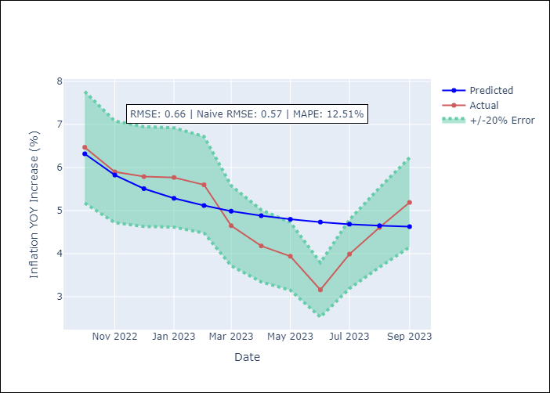

Appendix A: Model Summary
Model | VAR(2)
Sample | 12-01-2002- 09-01-2023
No. of Observations | 250
Terms | P-value (Statistical significance)
intercept | nan
L1.YoY Increase Inflation | 0.000
L1.Exchange rates (nominal) | 0.000
L1.Monetary Policiy rate | 0.000
L1.M1 money supply ($mm local currency) | 0.000
L2.YoY Increase Inflation | 0.000
L2.Exchange rates (nominal) | 0.000
L2.Monetary Policiy rate | 0.000
L2.M1 money supply ($mm local currency) | 0.000
Assumptions | P-value
Ljung-Box (L1) | nan, nan, nan, nan
Heteroskedasticity | 0.00, 0.00, 0.00, 0.00
Jarque-Bera | 0.00, 0.00, 0.00, 0.00
Skew | 2.96, 3.03, -2.73, 0.06
Kurtosis | 13.84, 14.22, 12.97, 6.68

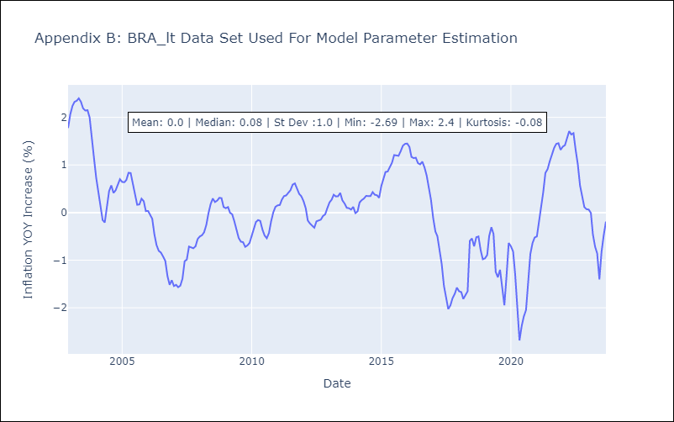

Appendix C: Residuals Analysis
Mean | 25885.69
White Noise? | No - Correlation at Lags [ 1 2 3 4 5 6 7 8 9 10 11 12]
Normal? | No

CHL
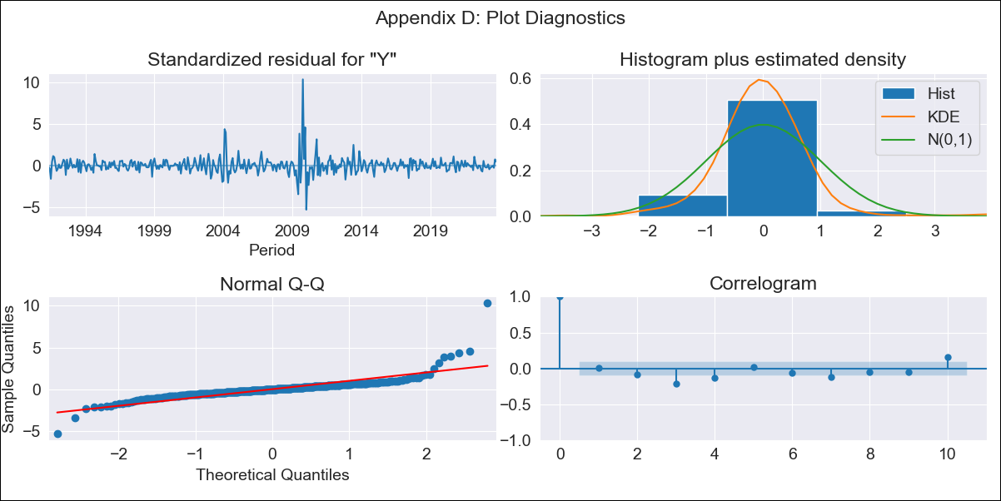
CHL - Inflation - Next 12 months forecast as of: 2023-10-01

Model | ARIMA - [(2, 2, 1), (0, 0, 1, 12)]
Training Data | 1990-01-01 to 2022-11-01
Test Data | 2022-11-01 to 2023-10-01

Date | Inflation Change YoY % | Lower Bound - 95% Confidence Interval | Upper Bound - 95% Confidence Interval
2023-11-01 | 4.59 | 3.07 | 6.45
2023-12-01 | 4.47 | 2.07 | 7.96
2024-01-01 | 4.24 | 1.03 | 9.97
2024-02-01 | 4.1 | 0.17 | 13.1
2024-03-01 | 3.93 | -0.43 | 16.85
2024-04-01 | 3.83 | -0.93 | 22.25
2024-05-01 | 3.78 | -1.36 | 29.19
2024-06-01 | 3.71 | -1.77 | 38.06
2024-07-01 | 3.68 | -2.16 | 49.52
2024-08-01 | 3.67 | -2.52 | 64.01
2024-09-01 | 3.51 | -2.9 | 81.05
2024-10-01 | 3.36 | -3.27 | 101.85

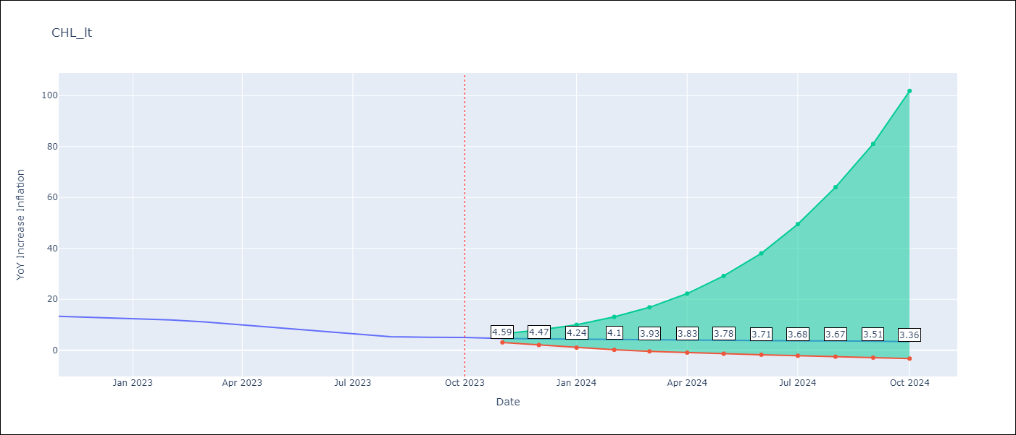

Test Metrics
RMSE | 1.5
Naive RMSE | 0.86
MAPE | 19.22%

Test Predictions
Date | Predicted | Actual
2022-11-01 | 12.43 | 13.3
2022-12-01 | 11.8 | 12.8
2023-01-01 | 11.32 | 12.3
2023-02-01 | 11.04 | 11.9
2023-03-01 | 10.24 | 11.1
2023-04-01 | 9.69 | 9.9
2023-05-01 | 9.15 | 8.7
2023-06-01 | 8.68 | 7.6
2023-07-01 | 8.25 | 6.5
2023-08-01 | 7.8 | 5.3
2023-09-01 | 7.58 | 5.1
2023-10-01 | 7.44 | 5

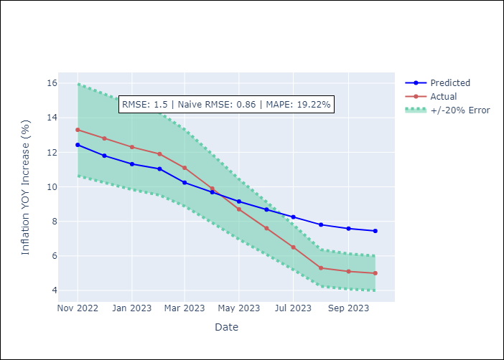

Appendix A: Model Summary
Model | ARIMA(2, 2, 1)x(0, 0, 1, 12)
Sample | 01-01-1990- 10-01-2023
No. of Observations | 406
Terms | P-value (Statistical significance)
ar.L1 | 0.000
ar.L2 | 0.000
ma.L1 | 0.000
ma.S.L12 | 0.000
sigma2 | 0.000
Assumptions | P-value
Ljung-Box (L1) | 0.91
Heteroskedasticity | 0.35
Jarque-Bera | 0.00
Skew | 3.01
Kurtosis | 35.75

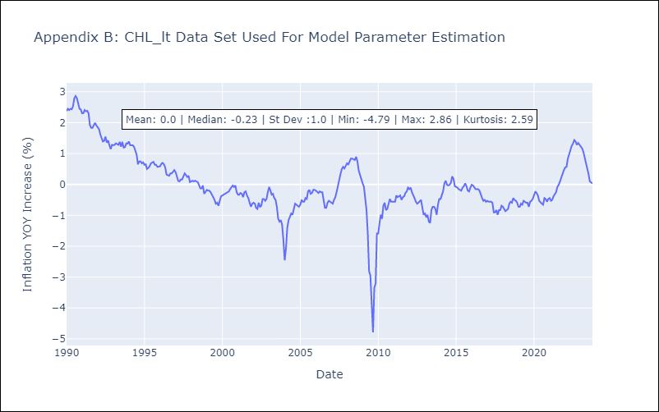

Appendix C: Residuals Analysis
Mean | -0.0
White Noise? | No - Correlation at Lags [ 2 3 4 5 6 7 8 9 10 11 12]
Normal? | No

COL
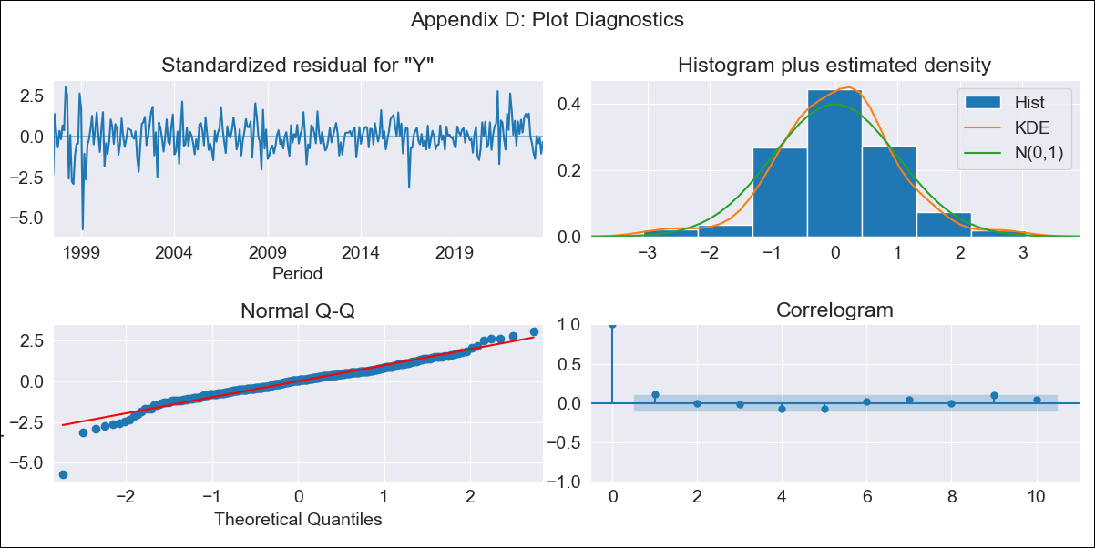
COL - Inflation - Next 12 months forecast as of: 2023-10-01

Model | SARIMAX - [(2, 1, 1), (0, 0, 1, 12)] | Exogenous Variables | Exchange rates (nominal), Monetary Policiy rate, M1 money supply ($mm local currency)
Training Data | 1996-04-01 to 2022-11-01
Test Data | 2022-11-01 to 2023-10-01

Date | Inflation Change YoY % | Lower Bound - 95% Confidence Interval | Upper Bound - 95% Confidence Interval
2023-11-01 | 10.16 | 9.59 | 10.73
2023-12-01 | 9.72 | 8.69 | 10.75
2024-01-01 | 9.24 | 7.79 | 10.69
2024-02-01 | 8.94 | 7.1 | 10.77
2024-03-01 | 8.8 | 6.6 | 11.01
2024-04-01 | 8.94 | 6.38 | 11.5
2024-05-01 | 9.21 | 6.31 | 12.11
2024-06-01 | 9.29 | 6.05 | 12.53
2024-07-01 | 9.34 | 5.77 | 12.92
2024-08-01 | 9.31 | 5.41 | 13.21
2024-09-01 | 9.43 | 5.2 | 13.66
2024-10-01 | 9.58 | 5.03 | 14.14

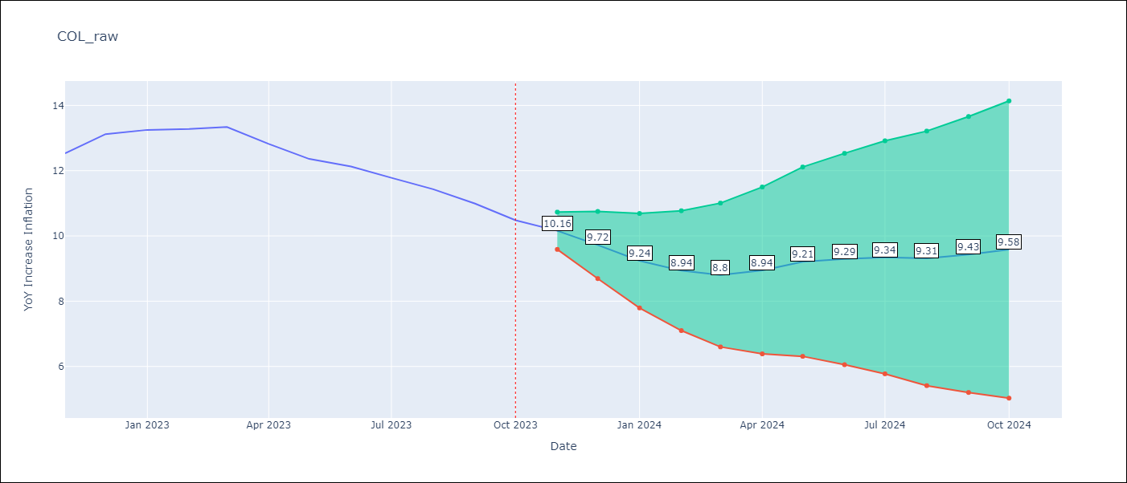

Test Metrics
RMSE | 0.58
Naive RMSE | 0.38
MAPE | 3.91%

Test Predictions
Date | Predicted | Actual
2022-11-01 | 12.93 | 12.53
2022-12-01 | 13.42 | 13.12
2023-01-01 | 12.73 | 13.25
2023-02-01 | 12.22 | 13.28
2023-03-01 | 12.54 | 13.34
2023-04-01 | 12.22 | 12.82
2023-05-01 | 11.76 | 12.36
2023-06-01 | 11.92 | 12.13
2023-07-01 | 12.18 | 11.78
2023-08-01 | 11.44 | 11.43
2023-09-01 | 11.02 | 10.99
2023-10-01 | 11.38 | 10.48

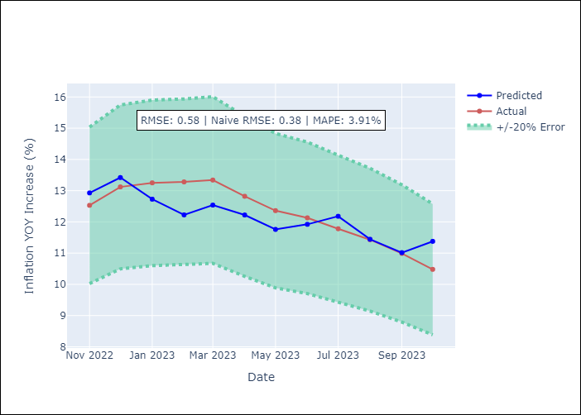

Appendix A: Model Summary
Model | SARIMAX(2, 1, 1)x(0, 0, 1, 12)
Sample | 04-01-1996- 10-01-2023
No. of Observations | 331
Terms | P-value (Statistical significance)
Exchange rates (nominal) | 0.701
Monetary Policiy rate | 0.019
M1 money supply ($mm local currency) | 0.496
ar.L1 | 0.000
ar.L2 | 0.000
ma.L1 | 0.000
ma.S.L12 | 0.000
sigma2 | 0.000
Assumptions | P-value
Ljung-Box (L1) | 0.04
Heteroskedasticity | 0.00
Jarque-Bera | 0.00
Skew | -0.67
Kurtosis | 6.91

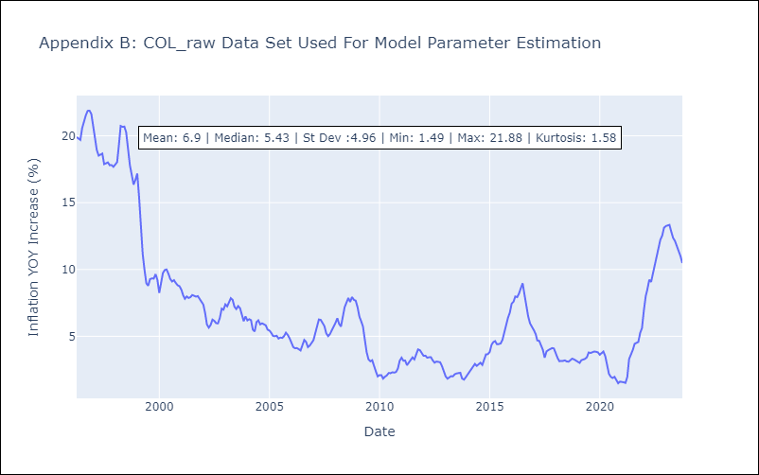

Appendix C: Residuals Analysis
Mean | 0.02
White Noise? | No - Correlation at Lags [ 1 2 3 4 5 6 7 8 9 10 11 12]
Normal? | No

ECU
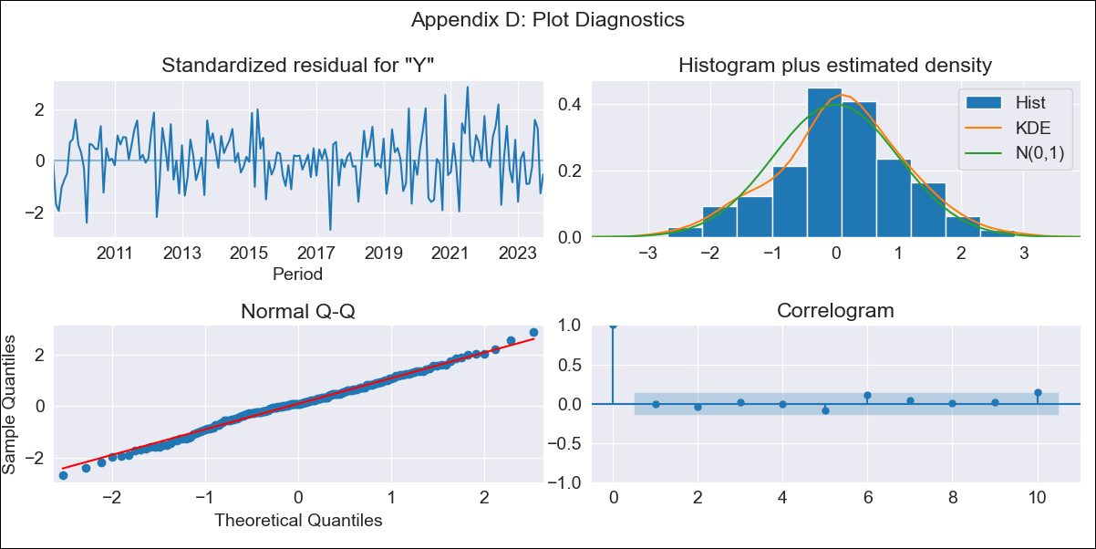
ECU - Inflation - Next 12 months forecast as of: 2023-10-01

Model | SARIMAX - [(2, 0, 1), (0, 0, 1, 12)] | Exogenous Variables | Exchange rates (nominal), M1 money supply ($mm local currency)
Training Data | 2008-01-01 to 2022-11-01
Test Data | 2022-11-01 to 2023-10-01

Date | Inflation Change YoY % | Lower Bound - 95% Confidence Interval | Upper Bound - 95% Confidence Interval
2023-11-01 | 1.79 | 1.1 | 2.47
2023-12-01 | 1.69 | 0.59 | 2.79
2024-01-01 | 1.6 | 0.15 | 3.05
2024-02-01 | 1.53 | -0.21 | 3.27
2024-03-01 | 1.47 | -0.52 | 3.46
2024-04-01 | 1.41 | -0.79 | 3.61
2024-05-01 | 1.35 | -1.03 | 3.74
2024-06-01 | 1.3 | -1.25 | 3.84
2024-07-01 | 1.26 | -1.42 | 3.95
2024-08-01 | 1.23 | -1.58 | 4.04
2024-09-01 | 1.18 | -1.74 | 4.11
2024-10-01 | 1.14 | -1.89 | 4.16

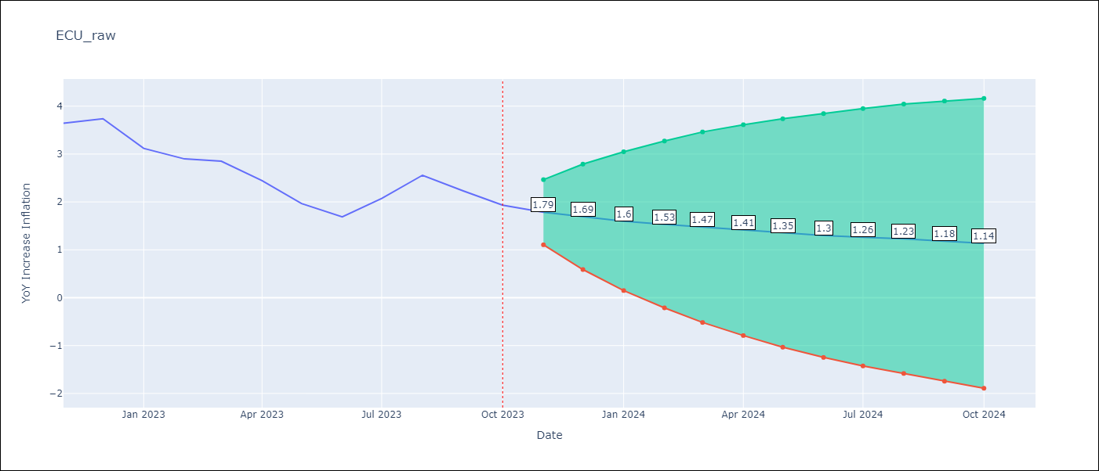

Test Metrics
RMSE | 0.96
Naive RMSE | 0.37
MAPE | 38.85%

Test Predictions
Date | Predicted | Actual
2022-11-01 | 3.9 | 3.64
2022-12-01 | 3.8 | 3.74
2023-01-01 | 3.73 | 3.12
2023-02-01 | 3.64 | 2.9
2023-03-01 | 3.54 | 2.85
2023-04-01 | 3.47 | 2.44
2023-05-01 | 3.4 | 1.97
2023-06-01 | 3.35 | 1.69
2023-07-01 | 3.25 | 2.07
2023-08-01 | 3.16 | 2.56
2023-09-01 | 3.1 | 2.23
2023-10-01 | 3.01 | 1.93

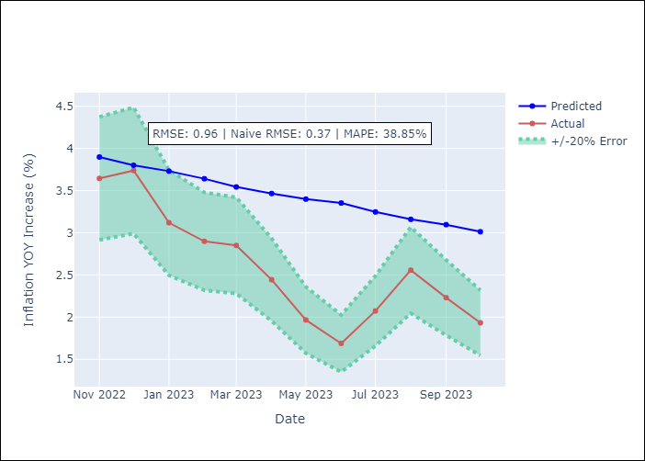

Appendix A: Model Summary
Model | SARIMAX(2, 0, 1)x(0, 0, 1, 12)
Sample | 01-01-2008- 10-01-2023
No. of Observations | 190
Terms | P-value (Statistical significance)
Exchange rates (nominal) | nan
M1 money supply ($mm local currency) | 0.882
ar.L1 | 0.000
ar.L2 | 0.017
ma.L1 | 0.380
ma.S.L12 | 0.772
sigma2 | 0.885
Assumptions | P-value
Ljung-Box (L1) | 1.00
Heteroskedasticity | 0.17
Jarque-Bera | 0.79
Skew | -0.12
Kurtosis | 3.10

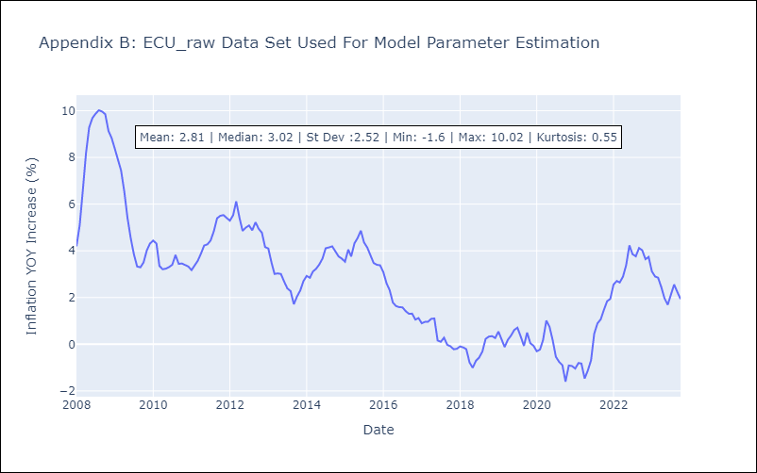

Appendix C: Residuals Analysis
Mean | 0.06
White Noise? | Yes
Normal? | No

PER

PER - Inflation - Next 12 months forecast as of: 2023-10-01

Model | ARIMA - [(1, 1, 0), (0, 0, 1, 12)]
Training Data | 1996-01-01 to 2022-11-01
Test Data | 2022-11-01 to 2023-10-01

Date | Inflation Change YoY % | Lower Bound - 95% Confidence Interval | Upper Bound - 95% Confidence Interval
2023-11-01 | 4.22 | 3.31 | 5.23
2023-12-01 | 4.02 | 2.6 | 5.77
2024-01-01 | 3.88 | 2.09 | 6.25
2024-02-01 | 3.8 | 1.72 | 6.7
2024-03-01 | 3.73 | 1.43 | 7.12
2024-04-01 | 3.75 | 1.24 | 7.63
2024-05-01 | 3.68 | 1.02 | 7.96
2024-06-01 | 3.95 | 1.02 | 8.82
2024-07-01 | 4.13 | 0.97 | 9.53
2024-08-01 | 4.19 | 0.87 | 10.03
2024-09-01 | 4.37 | 0.84 | 10.73
2024-10-01 | 4.72 | 0.89 | 11.72

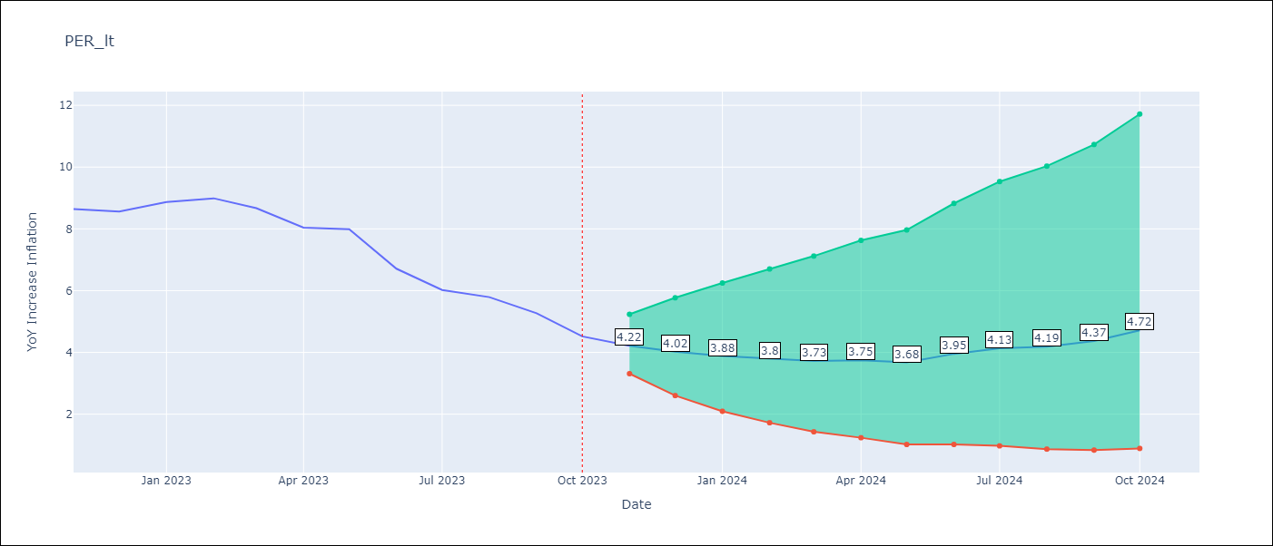

Test Metrics
RMSE | 0.75
Naive RMSE | 0.57
MAPE | 8.99%

Test Predictions
Date | Predicted | Actual
2022-11-01 | 8.5 | 8.64
2022-12-01 | 8.15 | 8.56
2023-01-01 | 8.16 | 8.87
2023-02-01 | 8.06 | 8.99
2023-03-01 | 7.59 | 8.67
2023-04-01 | 7.07 | 8.04
2023-05-01 | 6.86 | 7.99
2023-06-01 | 6.33 | 6.71
2023-07-01 | 6.06 | 6.02
2023-08-01 | 5.95 | 5.79
2023-09-01 | 5.79 | 5.27
2023-10-01 | 5.68 | 4.52

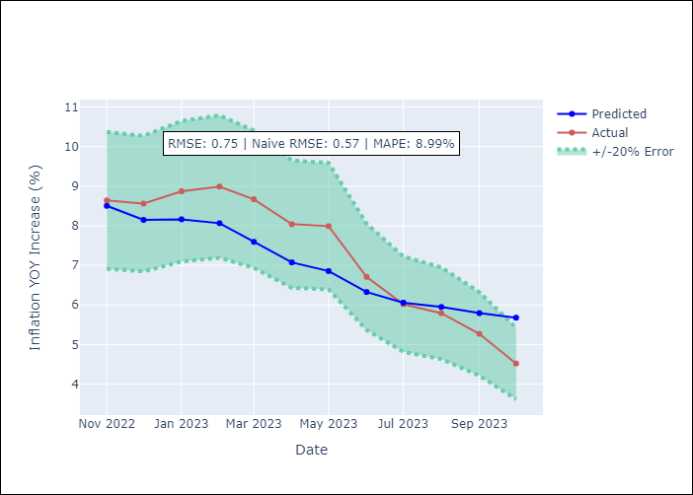

Appendix A: Model Summary
Model | ARIMA(1, 1, 0)x(0, 0, [1], 12)
Sample | 01-01-1996- 10-01-2023
No. of Observations | 334
Terms | P-value (Statistical significance)
ar.L1 | 0.000
ma.S.L12 | 0.000
sigma2 | 0.000
Assumptions | P-value
Ljung-Box (L1) | 0.75
Heteroskedasticity | 0.00
Jarque-Bera | 0.00
Skew | 1.15
Kurtosis | 14.83

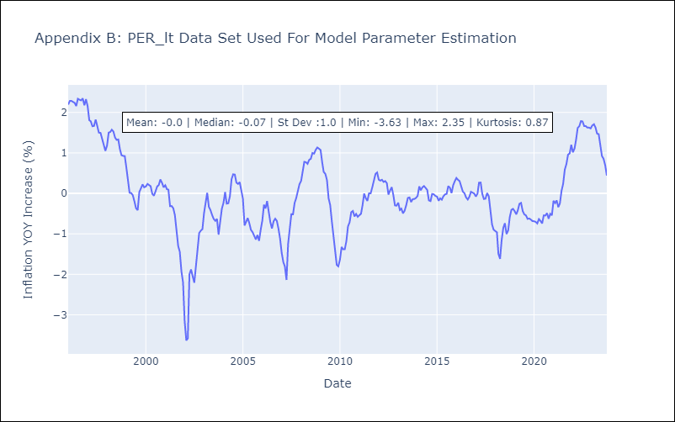

Appendix C: Residuals Analysis
Mean | -0.0
White Noise? | No - Correlation at Lags [6 8]
Normal? | No

PRY
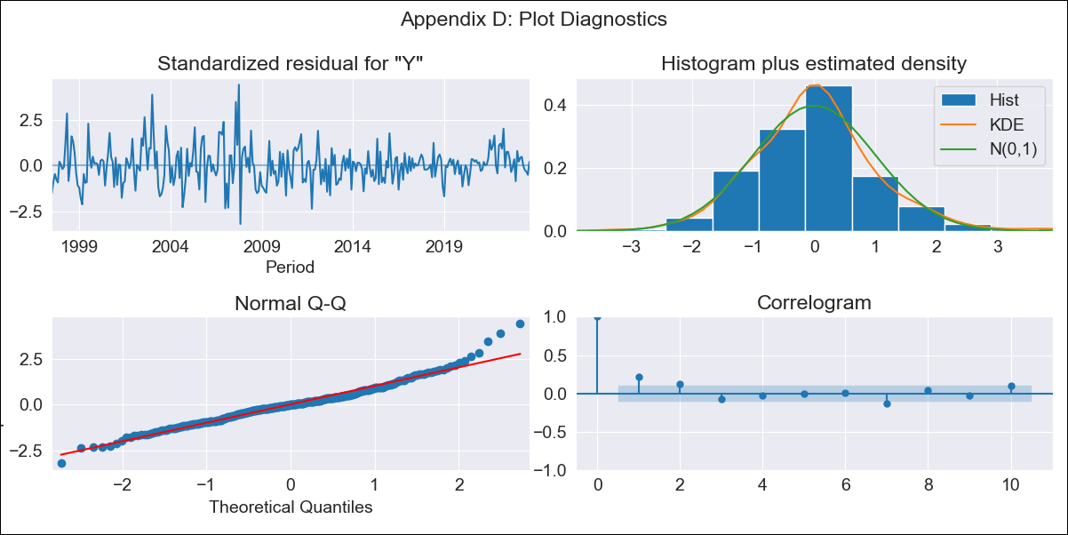
PRY - Inflation - Next 12 months forecast as of: 2023-09-01

Model | SARIMAX - [(1, 0, 0), (2, 0, 3, 12)] | Exogenous Variables | Exchange rates (nominal), Monetary Policiy rate, M1 money supply ($mm local currency)
Training Data | 1994-06-01 to 2022-10-01
Test Data | 2022-10-01 to 2023-09-01

Date | Inflation Change YoY % | Lower Bound - 95% Confidence Interval | Upper Bound - 95% Confidence Interval
2023-10-01 | 3.64 | 1.99 | 5.29
2023-11-01 | 3.46 | 1.13 | 5.79
2023-12-01 | 4.02 | 1.17 | 6.87
2024-01-01 | 3.47 | 0.18 | 6.76
2024-02-01 | 3.41 | -0.26 | 7.08
2024-03-01 | 3.18 | -0.84 | 7.19
2024-04-01 | 2.93 | -1.41 | 7.26
2024-05-01 | 3.14 | -1.48 | 7.77
2024-06-01 | 3.55 | -1.35 | 8.45
2024-07-01 | 4 | -1.15 | 9.16
2024-08-01 | 4.52 | -0.88 | 9.92
2024-09-01 | 4.45 | -1.19 | 10.08

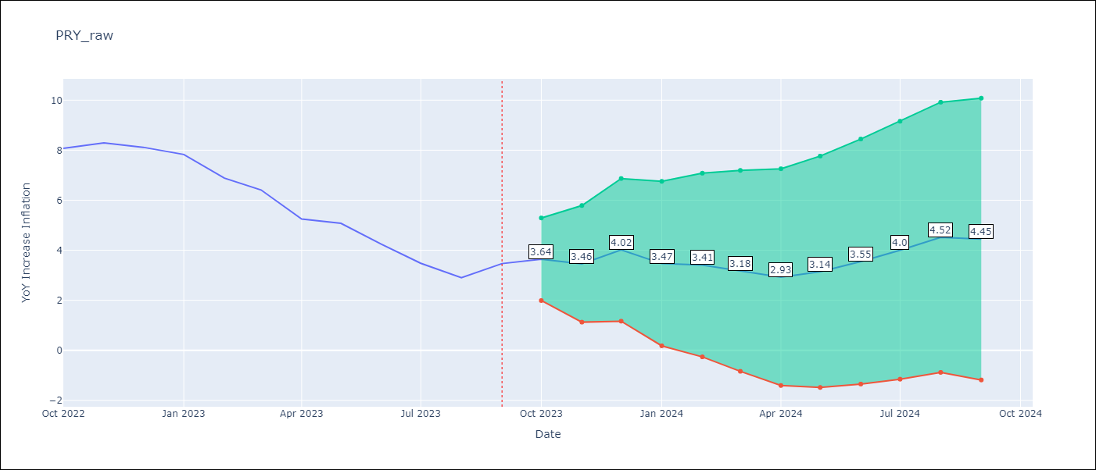

Test Metrics
RMSE | 0.79
Naive RMSE | 0.65
MAPE | 13.58%

Test Predictions
Date | Predicted | Actual
2022-10-01 | 8.1 | 8.07
2022-11-01 | 8.06 | 8.29
2022-12-01 | 8.5 | 8.12
2023-01-01 | 7.44 | 7.83
2023-02-01 | 6.31 | 6.88
2023-03-01 | 5.47 | 6.41
2023-04-01 | 3.82 | 5.25
2023-05-01 | 3.73 | 5.08
2023-06-01 | 3.16 | 4.24
2023-07-01 | 2.7 | 3.48
2023-08-01 | 2.57 | 2.9
2023-09-01 | 2.98 | 3.47

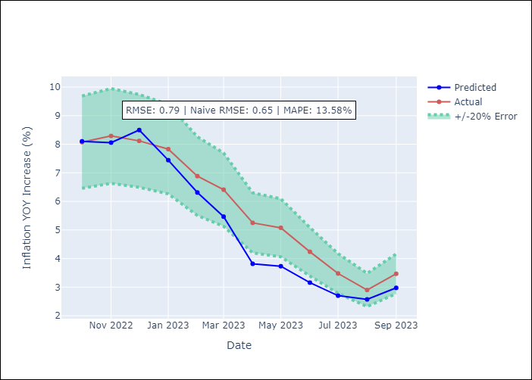

Appendix A: Model Summary
Model | SARIMAX(1, 0, 0)x(2, 0, [1, 2, 3], 12)
Sample | 06-01-1994- 09-01-2023
No. of Observations | 352
Terms | P-value (Statistical significance)
Exchange rates (nominal) | 0.000
Monetary Policiy rate | 0.349
M1 money supply ($mm local currency) | 0.505
ar.L1 | 0.000
ar.S.L12 | 0.002
ar.S.L24 | 0.053
ma.S.L12 | 0.218
ma.S.L24 | 0.429
ma.S.L36 | 0.585
sigma2 | 0.000
Assumptions | P-value
Ljung-Box (L1) | 0.00
Heteroskedasticity | 0.00
Jarque-Bera | 0.00
Skew | 0.53
Kurtosis | 4.80

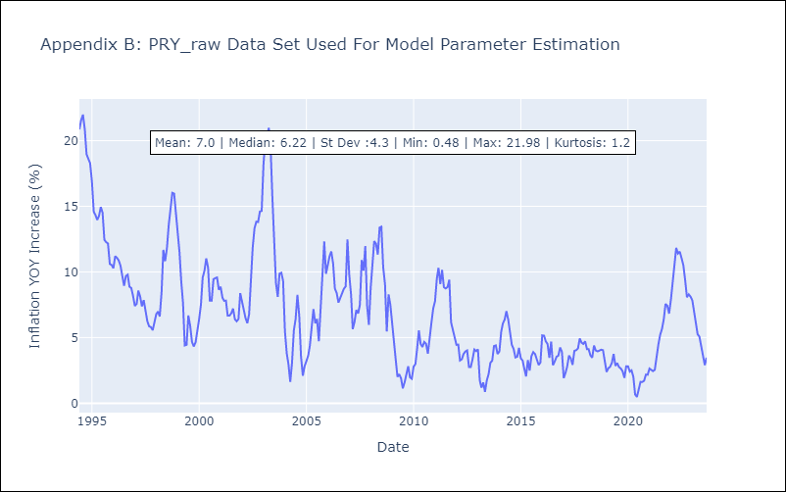

Appendix C: Residuals Analysis
Mean | 0.07
White Noise? | No - Correlation at Lags [12]
Normal? | No

URY
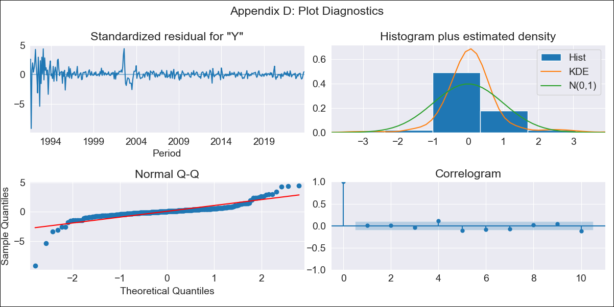
URY - Inflation - Next 12 months forecast as of: 2023-10-01

Model | ARIMA - [(0, 2, 3), (0, 0, 1, 12)]
Training Data | 1990-01-01 to 2022-11-01
Test Data | 2022-11-01 to 2023-10-01

Date | Inflation Change YoY % | Lower Bound - 95% Confidence Interval | Upper Bound - 95% Confidence Interval
2023-11-01 | 4.26 | 2.08 | 6.44
2023-12-01 | 3.88 | 0.39 | 7.37
2024-01-01 | 3.73 | -0.84 | 8.31
2024-02-01 | 3.42 | -2.32 | 9.16
2024-03-01 | 3.06 | -3.92 | 10.05
2024-04-01 | 2.65 | -5.66 | 10.95
2024-05-01 | 2.6 | -7.1 | 12.29
2024-06-01 | 2.86 | -8.3 | 14.02
2024-07-01 | 3.12 | -9.57 | 15.81
2024-08-01 | 3.14 | -11.14 | 17.41
2024-09-01 | 2.8 | -13.13 | 18.73
2024-10-01 | 2.39 | -15.25 | 20.02

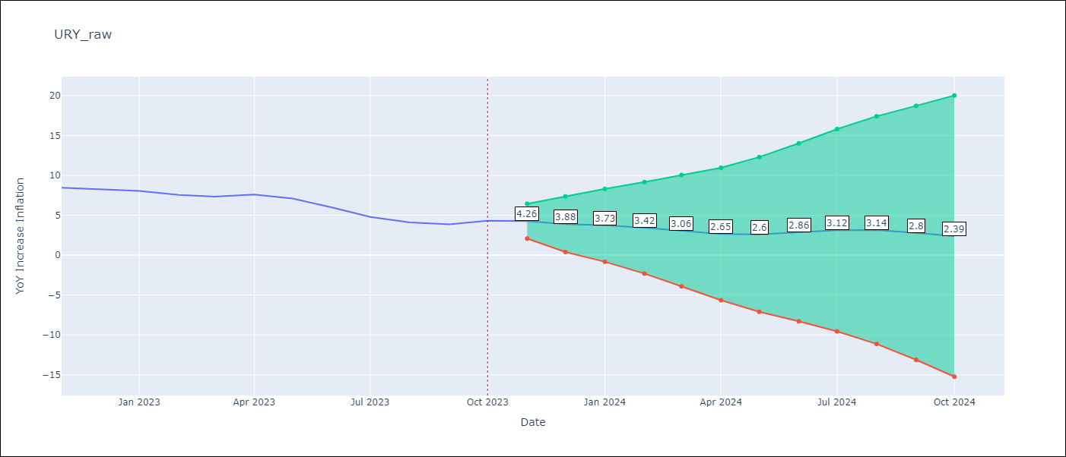

Test Metrics
RMSE | 2.57
Naive RMSE | 0.61
MAPE | 42.99%

Test Predictions
Date | Predicted | Actual
2022-11-01 | 9.03 | 8.46
2022-12-01 | 9.02 | 8.29
2023-01-01 | 9.12 | 8.05
2023-02-01 | 8.68 | 7.55
2023-03-01 | 8.44 | 7.33
2023-04-01 | 8.6 | 7.61
2023-05-01 | 8.6 | 7.1
2023-06-01 | 8.52 | 5.98
2023-07-01 | 8.36 | 4.79
2023-08-01 | 8.3 | 4.11
2023-09-01 | 8.08 | 3.87
2023-10-01 | 8.4 | 4.3

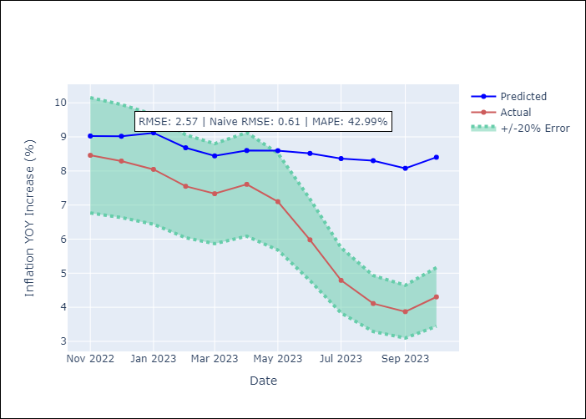

Appendix A: Model Summary
Model | ARIMA(0, 2, 3)x(0, 0, [1], 12)
Sample | 01-01-1990- 10-01-2023
No. of Observations | 406
Terms | P-value (Statistical significance)
ma.L1 | 0.000
ma.L2 | 0.000
ma.L3 | 0.000
ma.S.L12 | 0.000
sigma2 | 0.000
Assumptions | P-value
Ljung-Box (L1) | 0.86
Heteroskedasticity | 0.00
Jarque-Bera | 0.00
Skew | -1.70
Kurtosis | 26.83

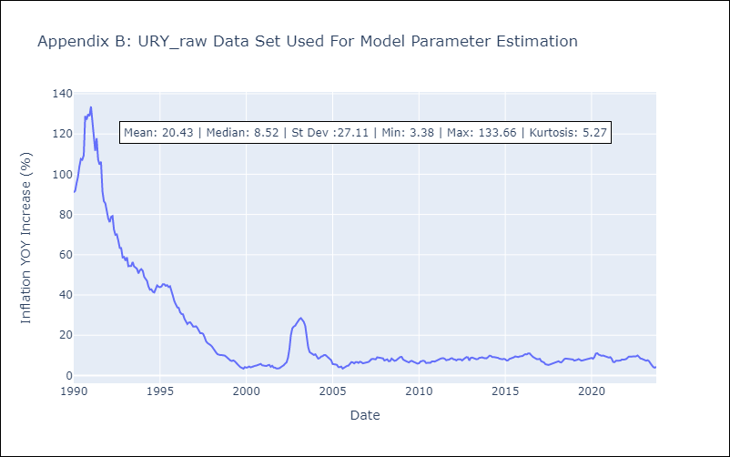

Appendix C: Residuals Analysis
Mean | 0.15
White Noise? | No - Correlation at Lags [ 1 2 3 4 5 6 7 8 9 10 11 12]
Normal? | No

VEN
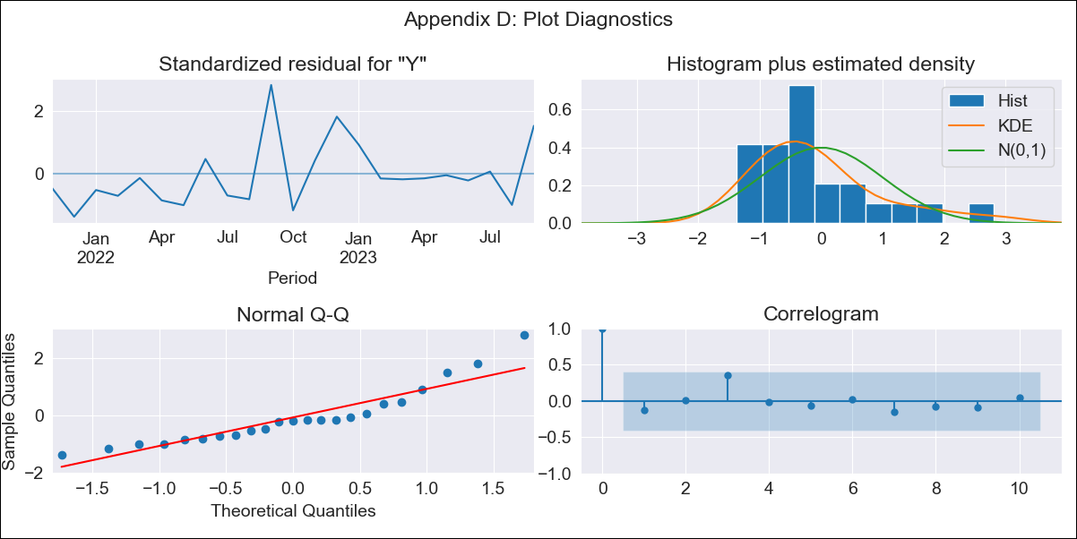
VEN - Inflation - Next 12 months forecast as of: 2023-09-01

Model | ARIMA - [(1, 1, 0), (0, 0, 0, 12)]
Training Data | 2021-09-01 to 2022-10-01
Test Data | 2022-10-01 to 2023-09-01

Date | Inflation Change YoY % | Lower Bound - 95% Confidence Interval | Upper Bound - 95% Confidence Interval
2023-10-01 | 444.35 | 288.8 | 749.06
2023-11-01 | 472.97 | 223.81 | 1390.91
2023-12-01 | 488.52 | 179.11 | 2724.19
2024-01-01 | 496.7 | 148.35 | 5845.14
2024-02-01 | 500.94 | 126.49 | 14861.13
2024-03-01 | 503.12 | 110.33 | 54138.19
2024-04-01 | 504.23 | 97.97 | 601879.84
2024-05-01 | 504.79 | 88.21
2024-06-01 | 505.08 | 80.31
2024-07-01 | 505.23 | 73.77
2024-08-01 | 505.3 | 68.26
2024-09-01 | 505.34 | 63.55

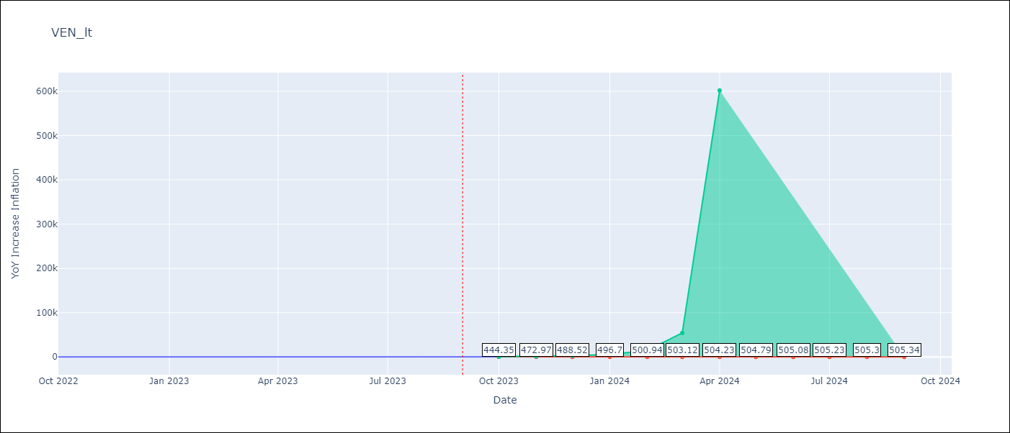

Test Metrics
RMSE | 92.04
Naive RMSE | 57.04
MAPE | 23.69%

Test Predictions
Date | Predicted | Actual
2022-10-01 | 198 | 155.8
2022-11-01 | 231.94 | 165.6
2022-12-01 | 258.02 | 234.08
2023-01-01 | 276.87 | 344.91
2023-02-01 | 289.93 | 415.57
2023-03-01 | 298.72 | 439.61
2023-04-01 | 304.53 | 436.34
2023-05-01 | 308.33 | 429.21
2023-06-01 | 310.78 | 404.37
2023-07-01 | 312.37 | 398.19
2023-08-01 | 313.38 | 317.63
2023-09-01 | 314.03 | 394.76

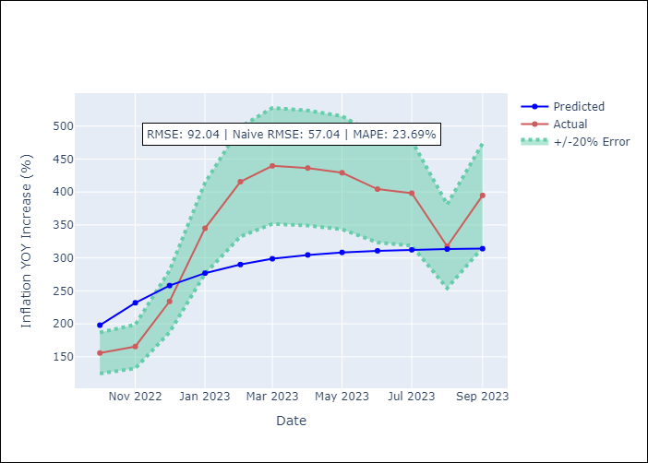

Appendix A: Model Summary
Model | ARIMA(1, 1, 0)
Sample | 09-01-2021- 09-01-2023
No. of Observations | 25
Terms | P-value (Statistical significance)
ar.L1 | 0.019
sigma2 | 0.001
Assumptions | P-value
Ljung-Box (L1) | 0.52
Heteroskedasticity | 0.64
Jarque-Bera | 0.02
Skew | 1.26
Kurtosis | 4.19

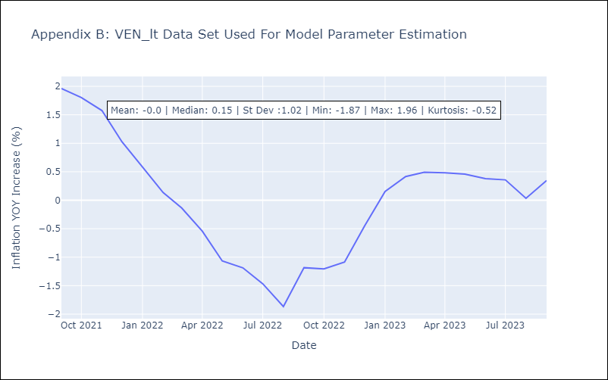

Appendix C: Residuals Analysis
Mean | 0.03
White Noise? | Yes
Normal? | No

