BRA
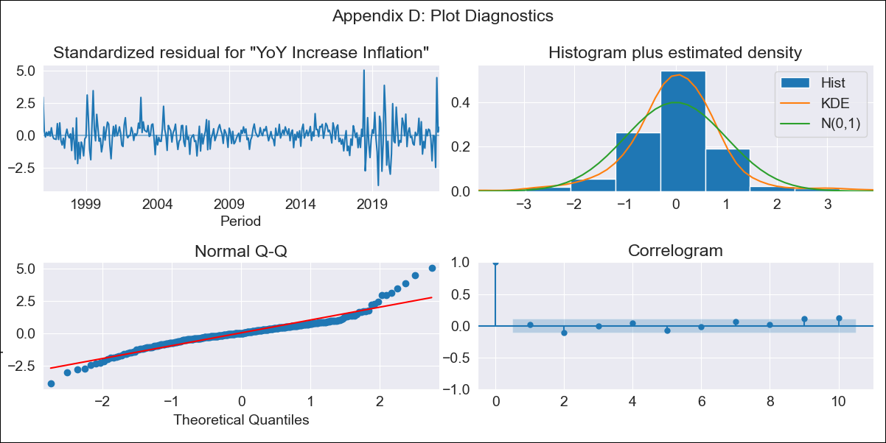
BRA - Inflation - Next 12 months forecast as of: 2023-09-01

Model | VARMAX - (2, 0, 0, 0, 0, 1, 12) | Exogenous Variables | Exchange rates (nominal), Monetary Policiy rate, M1 money supply ($mm local currency)
Training Data | 1996-01-01 to 2022-10-01
Test Data | 2022-10-01 to 2023-09-01

Date | Inflation Change YoY % | Lower Bound - 95% Confidence Interval | Upper Bound - 95% Confidence Interval
2023-10-01 | 5.48 | 4.72 | 6.37
2023-11-01 | 5.58 | 4.26 | 7.31
2023-12-01 | 5.56 | 3.84 | 8.08
2024-01-01 | 5.48 | 3.49 | 8.67
2024-02-01 | 5.37 | 3.2 | 9.09
2024-03-01 | 5.25 | 2.97 | 9.38
2024-04-01 | 5.14 | 2.79 | 9.56
2024-05-01 | 5.04 | 2.64 | 9.67
2024-06-01 | 4.94 | 2.53 | 9.73
2024-07-01 | 4.86 | 2.44 | 9.75
2024-08-01 | 4.8 | 2.37 | 9.76
2024-09-01 | 4.74 | 2.32 | 9.75

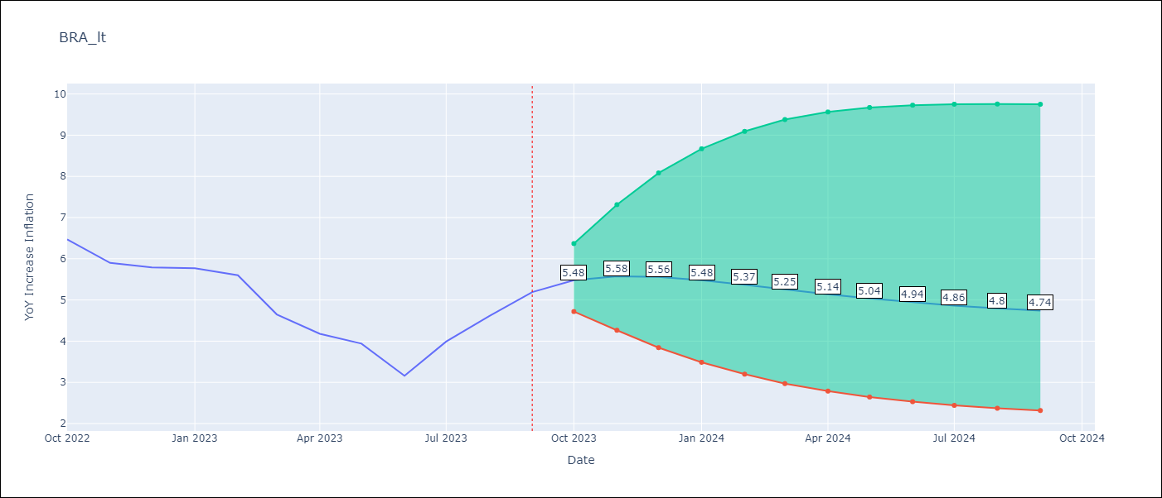

Test Metrics
RMSE | 0.72
Naive RMSE | 0.57
MAPE | 14.1%

Test Predictions
Date | Predicted | Actual
2022-10-01 | 6.26 | 6.47
2022-11-01 | 5.73 | 5.9
2022-12-01 | 5.41 | 5.79
2023-01-01 | 5.21 | 5.77
2023-02-01 | 5.08 | 5.6
2023-03-01 | 4.99 | 4.65
2023-04-01 | 4.94 | 4.18
2023-05-01 | 4.9 | 3.94
2023-06-01 | 4.88 | 3.16
2023-07-01 | 4.87 | 3.99
2023-08-01 | 4.87 | 4.61
2023-09-01 | 4.88 | 5.19

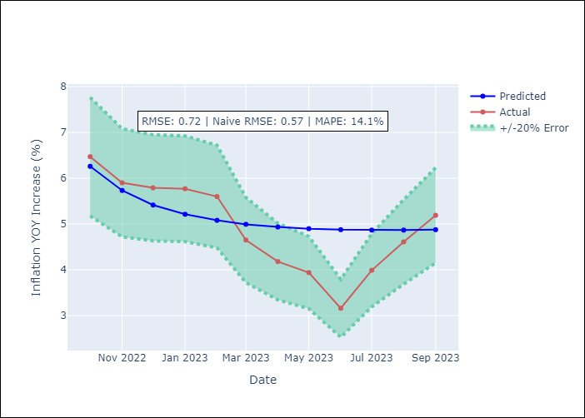

Appendix A: Model Summary
Model | VAR(2)
Sample | 01-01-1996- 09-01-2023
No. of Observations | 333
Terms | P-value (Statistical significance)
intercept | 0.208
L1.YoY Increase Inflation | 0.000
L1.Exchange rates (nominal) | 0.900
L1.Monetary Policiy rate | 0.365
L1.M1 money supply ($mm local currency) | 0.763
L2.YoY Increase Inflation | 0.000
L2.Exchange rates (nominal) | 0.980
L2.Monetary Policiy rate | 0.348
L2.M1 money supply ($mm local currency) | 0.938
Assumptions | P-value
Ljung-Box (L1) | 0.74, nan, nan, nan
Heteroskedasticity | 0.00, 0.00, 0.00, 0.00
Jarque-Bera | 0.00, 0.00, 0.00, 0.00
Skew | 0.61, 0.08, 0.78, -0.07
Kurtosis | 7.69, 4.24, 23.10, 4.91

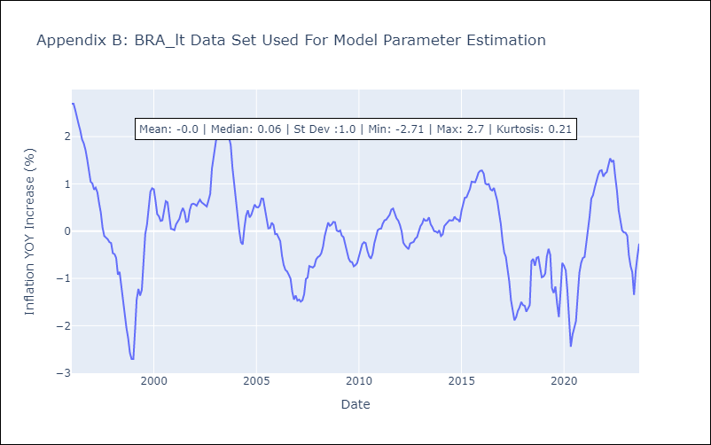

Appendix C: Residuals Analysis
Mean | 0.01
White Noise? | Yes
Normal? | Yes

