CRI
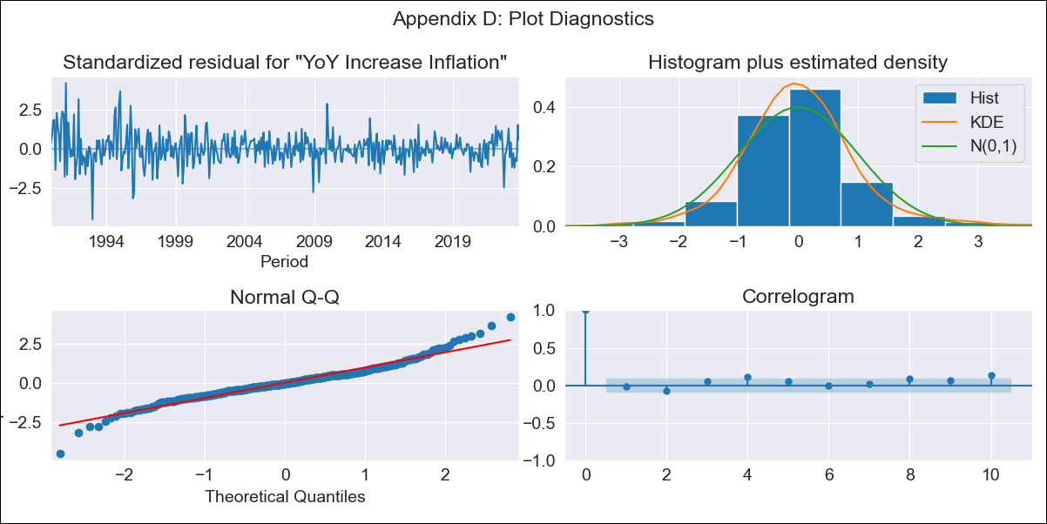
CRI - Inflation - Next 12 months forecast as of: 2023-10-01

Model | VARMAX - (3, 1, 1, 2, 0, 1, 12) | Exogenous Variables | Exchange rates (nominal), Monetary Policiy rate, M1 money supply ($mm local currency)
Training Data | 1990-01-01 to 2022-11-01
Test Data | 2022-11-01 to 2023-10-01

Date | Inflation Change YoY % | Lower Bound - 95% Confidence Interval | Upper Bound - 95% Confidence Interval
2023-11-01 | -0.77 | -2.3 | 0.77
2023-12-01 | -0.42 | -3.01 | 2.18
2024-01-01 | -0.16 | -3.6 | 3.29
2024-02-01 | 0.08 | -4.06 | 4.23
2024-03-01 | 0.32 | -4.41 | 5.05
2024-04-01 | 0.56 | -4.67 | 5.78
2024-05-01 | 0.79 | -4.86 | 6.44
2024-06-01 | 1.03 | -4.98 | 7.04
2024-07-01 | 1.26 | -5.06 | 7.58
2024-08-01 | 1.5 | -5.09 | 8.09
2024-09-01 | 1.74 | -5.09 | 8.57
2024-10-01 | 1.97 | -5.07 | 9.02

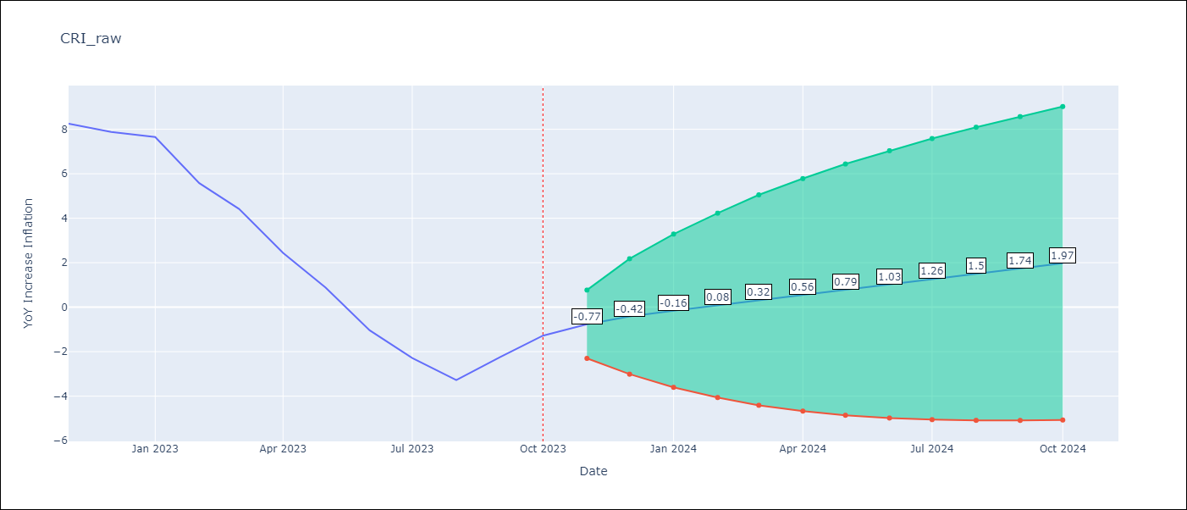

Test Metrics
RMSE | 6.68
Naive RMSE | 1.36
MAPE | 313.77%

Test Predictions
Date | Predicted | Actual
2022-11-01 | 6.99 | 8.26
2022-12-01 | 5.09 | 7.88
2023-01-01 | 2.95 | 7.65
2023-02-01 | 0.75 | 5.58
2023-03-01 | -1.3 | 4.42
2023-04-01 | -3.47 | 2.44
2023-05-01 | -5.32 | 0.88
2023-06-01 | -7.3 | -1.04
2023-07-01 | -8.91 | -2.29
2023-08-01 | -10.6 | -3.28
2023-09-01 | -11.94 | -2.24
2023-10-01 | -13.29 | -1.28

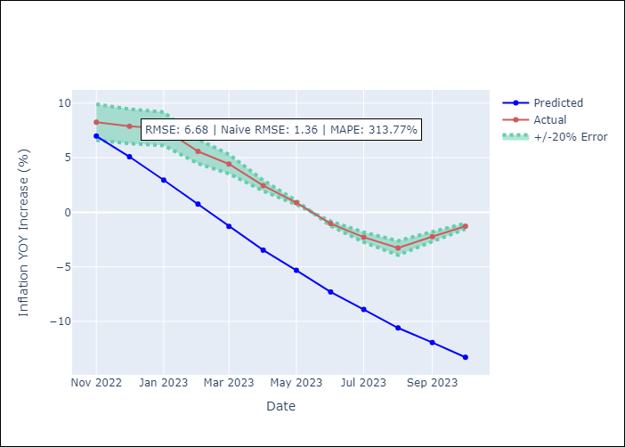

Appendix A: Model Summary
Model | VARMA(3,1)
Sample | 01-01-1990- 10-01-2023
No. of Observations | 406
Terms | P-value (Statistical significance)
intercept | 0.989
L1.YoY Increase Inflation | 0.838
L1.Exchange rates (nominal) | 0.990
L1.Monetary Policiy rate | 0.905
L1.M1 money supply ($mm local currency) | 0.991
L2.YoY Increase Inflation | 0.966
L2.Exchange rates (nominal) | 0.990
L2.Monetary Policiy rate | 1.000
L2.M1 money supply ($mm local currency) | 1.000
L3.YoY Increase Inflation | 0.998
L3.Exchange rates (nominal) | 0.996
L3.Monetary Policiy rate | 0.897
L3.M1 money supply ($mm local currency) | 0.887
L1.e(YoY Increase Inflation) | 0.999
L1.e(Exchange rates (nominal)) | 0.998
L1.e(Monetary Policiy rate) | 0.977
L1.e(M1 money supply ($mm local currency)) | 0.999
Assumptions | P-value
Ljung-Box (L1) | 0.72, nan, nan, nan
Heteroskedasticity | 0.00, nan, nan, nan
Jarque-Bera | 0.00, 0.02, 0.00, 0.00
Skew | 0.21, -0.18, -2.53, 0.42
Kurtosis | 5.79, 3.88, 42.49, 5.49

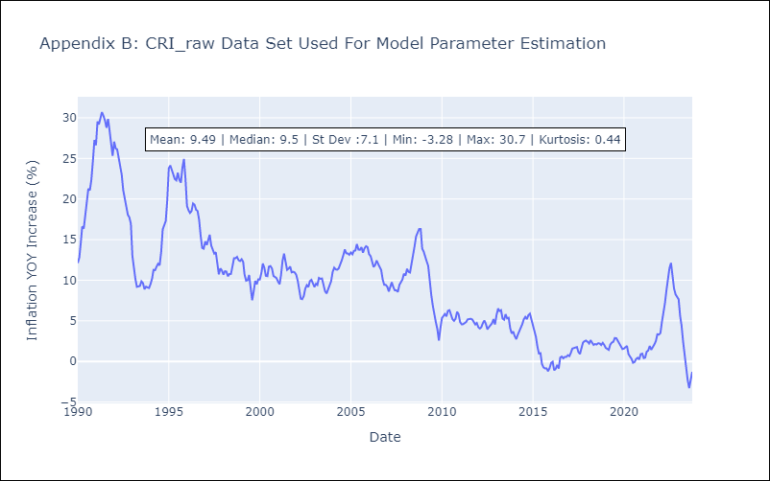

Appendix C: Residuals Analysis
Mean | 0.01
White Noise? | No - Correlation at Lags [10 11 12]
Normal? | Yes

