BRA
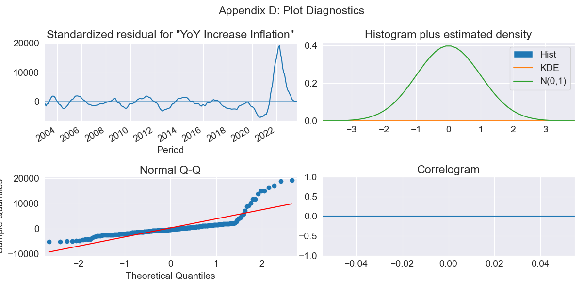
BRA - Inflation - Next 12 months forecast as of: 2023-09-01

Model | VARMAX - (2, 0, 0, 3, 0, 0, 12) | Exogenous Variables | Exchange rates (nominal), Monetary Policiy rate, M1 money supply ($mm local currency)
Training Data | 2002-12-01 to 2022-10-01
Test Data | 2022-10-01 to 2023-09-01

Date | Inflation Change YoY % | Lower Bound - 95% Confidence Interval | Upper Bound - 95% Confidence Interval
2023-10-01 | 3349.81 | 3129.58 | 3570.04
2023-11-01 | -420826.2 | -491160.02 | -350492.38
2023-12-01 | -157882292.01 | -195718821.14 | -120045762.88
2024-01-01 | -81373344365 | -95627414367 | -67119274363
2024-02-01 | -2.3745705144E+13 | -2.7443576387E+13 | -2.0047833901E+13
2024-03-01 | -4.9508565461E+15 | -5.6407280891E+15 | -4.260985003E+15
2024-04-01 | -4.7283075062E+17 | -5.5744114041E+17 | -3.8822036083E+17
2024-05-01 | 1.926913747E+20 | 1.3693462145E+20 | 2.4844812794E+20
2024-06-01 | 1.3415273613E+23 | 1.0791922192E+23 | 1.6038625034E+23
2024-07-01 | 5.0233120951E+25 | 4.1714674206E+25 | 5.8751567697E+25
2024-08-01 | 1.3502888154E+28 | 1.1459228209E+28 | 1.5546548098E+28
2024-09-01 | 2.4338821147E+30 | 2.1139304558E+30 | 2.7538337735E+30

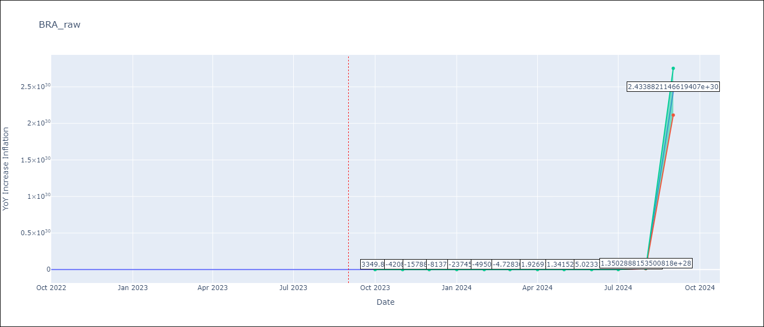

Test Metrics
RMSE | 0.34
Naive RMSE | 0.29
MAPE | 157.55%

Test Predictions
Date | Predicted | Actual
2022-10-01 | 0.16 | 0.22
2022-11-01 | -0.02 | 0.02
2022-12-01 | -0.15 | -0.03
2023-01-01 | -0.24 | -0.03
2023-02-01 | -0.31 | -0.1
2023-03-01 | -0.37 | -0.51
2023-04-01 | -0.41 | -0.74
2023-05-01 | -0.45 | -0.87
2023-06-01 | -0.47 | -1.35
2023-07-01 | -0.49 | -0.84
2023-08-01 | -0.51 | -0.52
2023-09-01 | -0.52 | -0.26

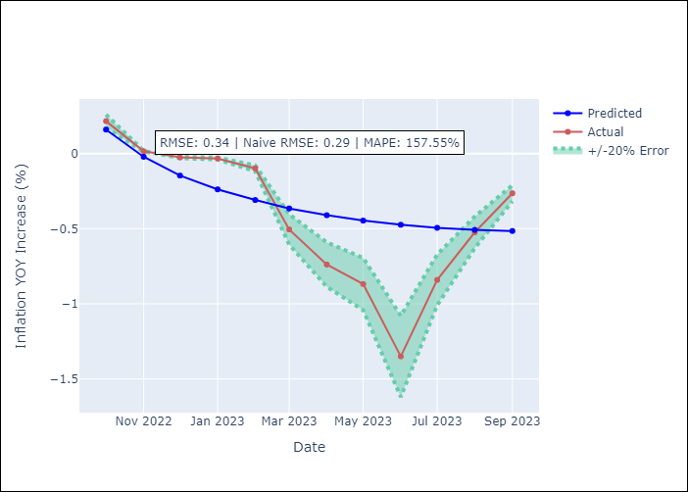

Appendix A: Model Summary
Model | VAR(2)
Sample | 12-01-2002- 09-01-2023
No. of Observations | 250
Terms | P-value (Statistical significance)
intercept | 0.000
L1.YoY Increase Inflation | 0.000
L1.Exchange rates (nominal) | 0.000
L1.Monetary Policiy rate | 0.000
L1.M1 money supply ($mm local currency) | 0.000
L2.YoY Increase Inflation | 0.000
L2.Exchange rates (nominal) | 0.000
L2.Monetary Policiy rate | 0.000
L2.M1 money supply ($mm local currency) | 0.000
Assumptions | P-value
Ljung-Box (L1) | nan, nan, nan, nan
Heteroskedasticity | 0.00, 0.00, 0.00, 0.00
Jarque-Bera | 0.00, 0.00, 0.00, 0.00
Skew | 2.95, 3.03, -2.75, 2.84
Kurtosis | 13.82, 14.22, 13.07, 12.99

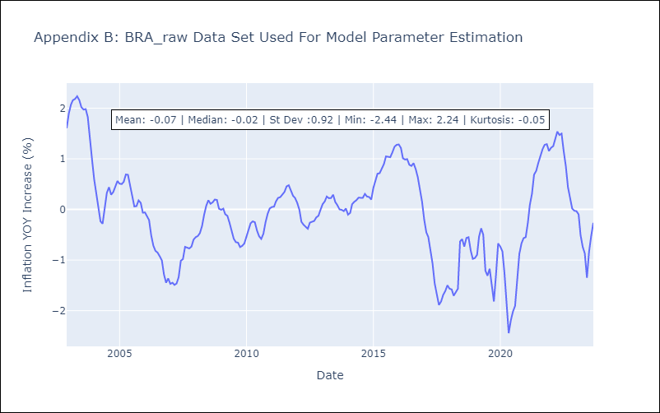

Appendix C: Residuals Analysis
Mean | 25529.33
White Noise? | No - Correlation at Lags [ 1 2 3 4 5 6 7 8 9 10 11 12]
Normal? | No

CRI
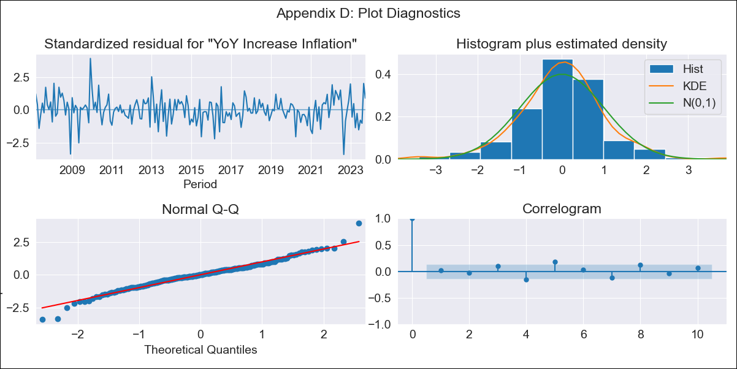
CRI - Inflation - Next 12 months forecast as of: 2023-10-01

Model | VARMAX - (3, 1, 1, 2, 0, 1, 12) | Exogenous Variables | Exchange rates (nominal), Monetary Policiy rate, M1 money supply ($mm local currency)
Training Data | 2007-03-01 to 2022-11-01
Test Data | 2022-11-01 to 2023-10-01

Date | Inflation Change YoY % | Lower Bound - 95% Confidence Interval | Upper Bound - 95% Confidence Interval
2023-11-01 | -0.68 | -1.81 | 0.46
2023-12-01 | -0.12 | -1.98 | 1.74
2024-01-01 | 0.37 | -2.14 | 2.87
2024-02-01 | 0.83 | -2.24 | 3.9
2024-03-01 | 1.27 | -2.3 | 4.84
2024-04-01 | 1.69 | -2.31 | 5.69
2024-05-01 | 2.09 | -2.25 | 6.44
2024-06-01 | 2.48 | -2.14 | 7.11
2024-07-01 | 2.86 | -1.98 | 7.7
2024-08-01 | 3.23 | -1.79 | 8.25
2024-09-01 | 3.59 | -1.57 | 8.74
2024-10-01 | 3.93 | -1.34 | 9.21

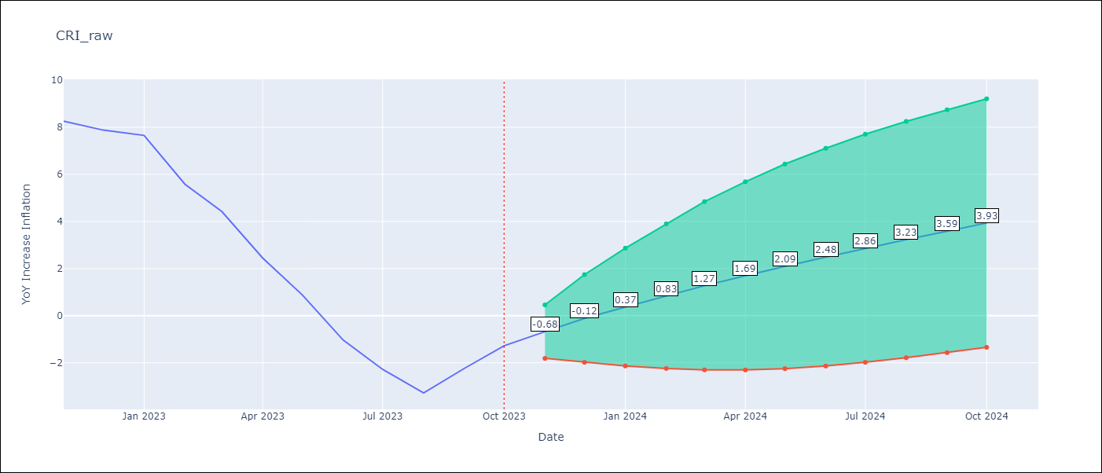

Test Metrics
RMSE | 2.57
Naive RMSE | 1.36
MAPE | 109.13%

Test Predictions
Date | Predicted | Actual
2022-11-01 | 8.23 | 8.26
2022-12-01 | 6.57 | 7.88
2023-01-01 | 5.05 | 7.65
2023-02-01 | 3.5 | 5.58
2023-03-01 | 1.86 | 4.42
2023-04-01 | 0.37 | 2.44
2023-05-01 | -1.12 | 0.88
2023-06-01 | -2.47 | -1.04
2023-07-01 | -3.74 | -2.29
2023-08-01 | -4.89 | -3.28
2023-09-01 | -5.93 | -2.24
2023-10-01 | -6.85 | -1.28

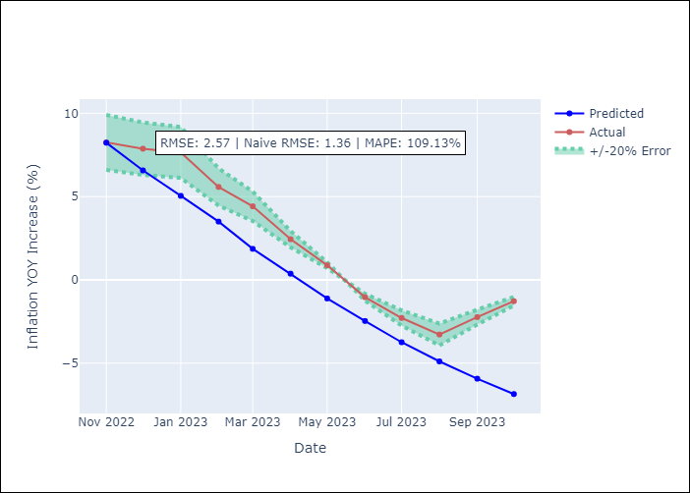

Appendix A: Model Summary
Model | VARMA(3,1)
Sample | 03-01-2007- 10-01-2023
No. of Observations | 200
Terms | P-value (Statistical significance)
intercept | 0.973
L1.YoY Increase Inflation | 0.609
L1.Exchange rates (nominal) | 0.979
L1.Monetary Policiy rate | 0.804
L1.M1 money supply ($mm local currency) | 0.988
L2.YoY Increase Inflation | 0.948
L2.Exchange rates (nominal) | 0.981
L2.Monetary Policiy rate | 0.885
L2.M1 money supply ($mm local currency) | 0.997
L3.YoY Increase Inflation | 0.961
L3.Exchange rates (nominal) | 0.990
L3.Monetary Policiy rate | 0.747
L3.M1 money supply ($mm local currency) | 0.744
L1.e(YoY Increase Inflation) | 0.998
L1.e(Exchange rates (nominal)) | 0.997
L1.e(Monetary Policiy rate) | 0.871
L1.e(M1 money supply ($mm local currency)) | 0.998
Assumptions | P-value
Ljung-Box (L1) | 0.84, 0.97, 0.87, 0.86
Heteroskedasticity | 0.59, 0.20, 0.00, 0.02
Jarque-Bera | 0.00, 0.03, 0.00, 0.00
Skew | -0.07, -0.11, -2.53, 0.61
Kurtosis | 4.80, 3.90, 37.33, 5.67

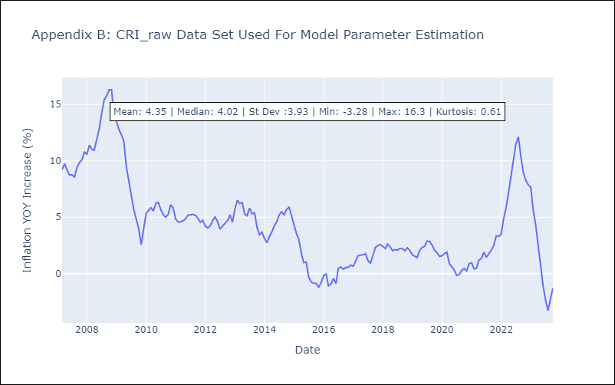

Appendix C: Residuals Analysis
Mean | 0.02
White Noise? | No - Correlation at Lags [12]
Normal? | No

