BRA
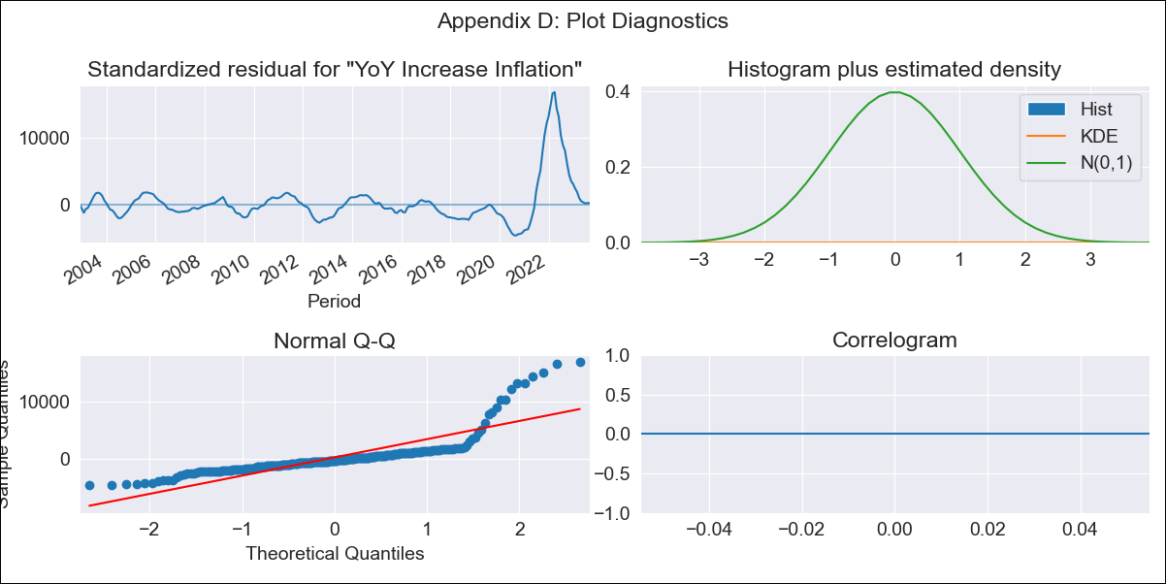
BRA - Inflation - Next 12 months forecast as of: 2023-09-01

Model | VARMAX - (2, 0, 0, 0, 0, 1, 12) | Exogenous Variables | Exchange rates (nominal), Monetary Policiy rate, M1 money supply ($mm local currency)
Training Data | 2002-12-01 to 2022-10-01
Test Data | 2022-10-01 to 2023-09-01

Date | Inflation Change YoY % | Lower Bound - 95% Confidence Interval | Upper Bound - 95% Confidence Interval
2023-10-01
2023-11-01 | -205.79 | -215.8 | -195.08
2023-12-01 | -2382.23 | -2612.04 | -2118.08
2024-01-01 | -37090.75 | -39767.51 | -34126.62
2024-02-01 | -449968.42 | -482100.8 | -414426.76
2024-03-01 | -5227509.67 | -5592628.95 | -4824594.32
2024-04-01 | -56834490.96 | -60679188.24 | -52605678.3
2024-05-01 | -566330658.51 | -603819797.96 | -525184807.65
2024-06-01 | -4773554229.8 | -5086031901.9 | -4430971454.9
2024-07-01
2024-08-01
2024-09-01

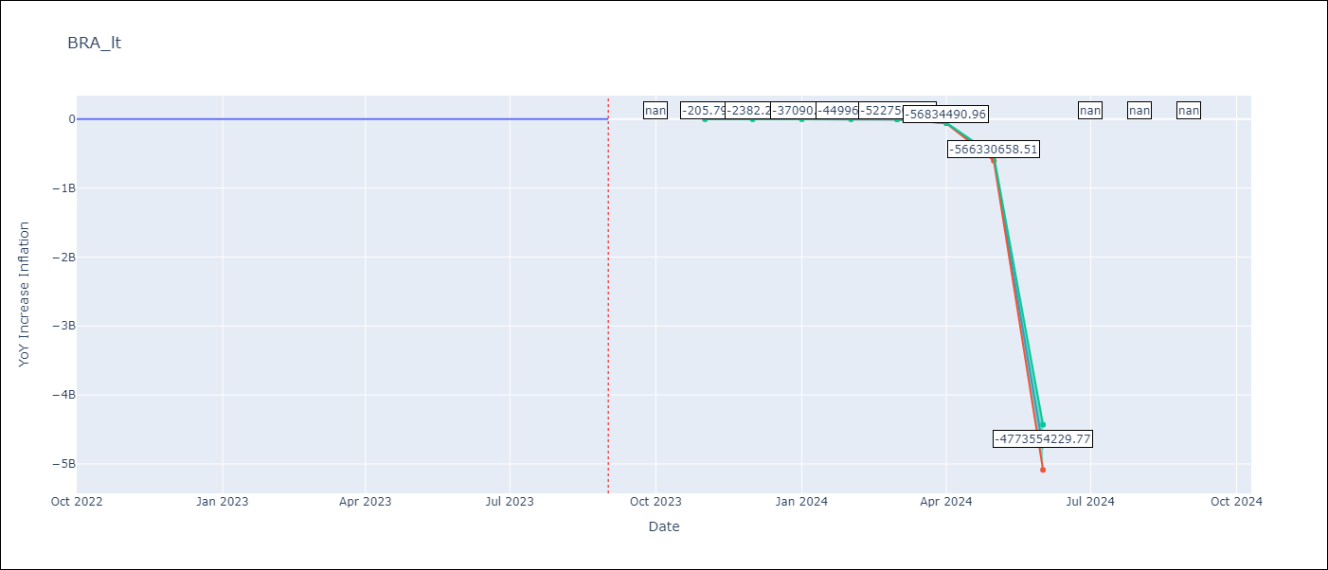

Test Metrics
RMSE | 0.66
Naive RMSE | 0.57
MAPE | 12.51%

Test Predictions
Date | Predicted | Actual
2022-10-01 | 6.32 | 6.47
2022-11-01 | 5.83 | 5.9
2022-12-01 | 5.51 | 5.79
2023-01-01 | 5.29 | 5.77
2023-02-01 | 5.12 | 5.6
2023-03-01 | 4.99 | 4.65
2023-04-01 | 4.88 | 4.18
2023-05-01 | 4.8 | 3.94
2023-06-01 | 4.73 | 3.16
2023-07-01 | 4.68 | 3.99
2023-08-01 | 4.65 | 4.61
2023-09-01 | 4.63 | 5.19

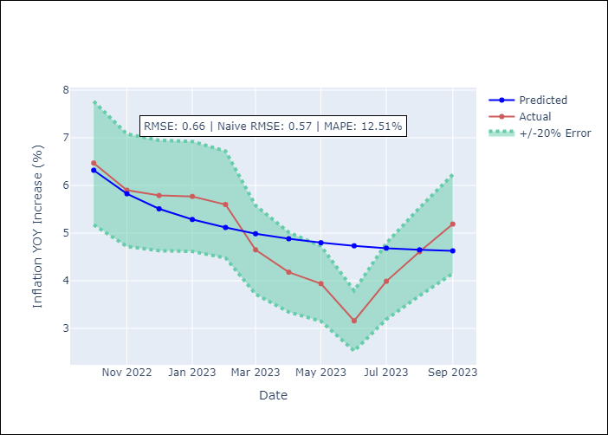

Appendix A: Model Summary
Model | VAR(2)
Sample | 12-01-2002- 09-01-2023
No. of Observations | 250
Terms | P-value (Statistical significance)
intercept | nan
L1.YoY Increase Inflation | 0.000
L1.Exchange rates (nominal) | 0.000
L1.Monetary Policiy rate | 0.000
L1.M1 money supply ($mm local currency) | 0.000
L2.YoY Increase Inflation | 0.000
L2.Exchange rates (nominal) | 0.000
L2.Monetary Policiy rate | 0.000
L2.M1 money supply ($mm local currency) | 0.000
Assumptions | P-value
Ljung-Box (L1) | nan, nan, nan, nan
Heteroskedasticity | 0.00, 0.00, 0.00, 0.00
Jarque-Bera | 0.00, 0.00, 0.00, 0.00
Skew | 2.96, 3.03, -2.73, 0.06
Kurtosis | 13.84, 14.22, 12.97, 6.68

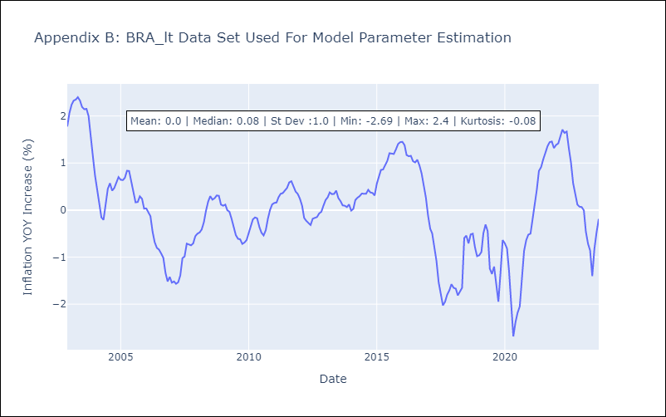

Appendix C: Residuals Analysis
Mean | 25885.69
White Noise? | No - Correlation at Lags [ 1 2 3 4 5 6 7 8 9 10 11 12]
Normal? | No

