BRA
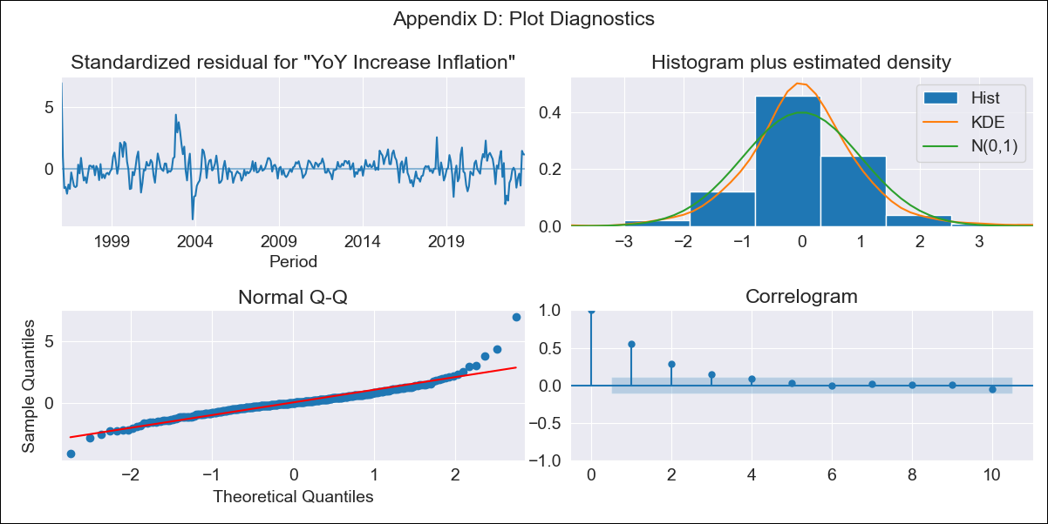
BRA - Inflation - Next 12 months forecast as of: 2023-09-01

Model | VARMAX - (1, 0, 0, 3, 0, 1, 12) | Exogenous Variables | Exchange rates (nominal), Monetary Policiy rate, M1 money supply ($mm local currency)
Training Data | 1996-01-01 to 2022-10-01
Test Data | 2022-10-01 to 2023-09-01

Date | Inflation Change YoY % | Lower Bound - 95% Confidence Interval | Upper Bound - 95% Confidence Interval
2023-10-01 | 5.09 | 3.99 | 6.19
2023-11-01 | 4.99 | 3.48 | 6.5
2023-12-01 | 4.91 | 3.11 | 6.7
2024-01-01 | 4.83 | 2.82 | 6.84
2024-02-01 | 4.76 | 2.57 | 6.95
2024-03-01 | 4.7 | 2.36 | 7.03
2024-04-01 | 4.64 | 2.18 | 7.1
2024-05-01 | 4.59 | 2.03 | 7.16
2024-06-01 | 4.55 | 1.89 | 7.21
2024-07-01 | 4.52 | 1.78 | 7.26
2024-08-01 | 4.49 | 1.68 | 7.31
2024-09-01 | 4.47 | 1.59 | 7.35

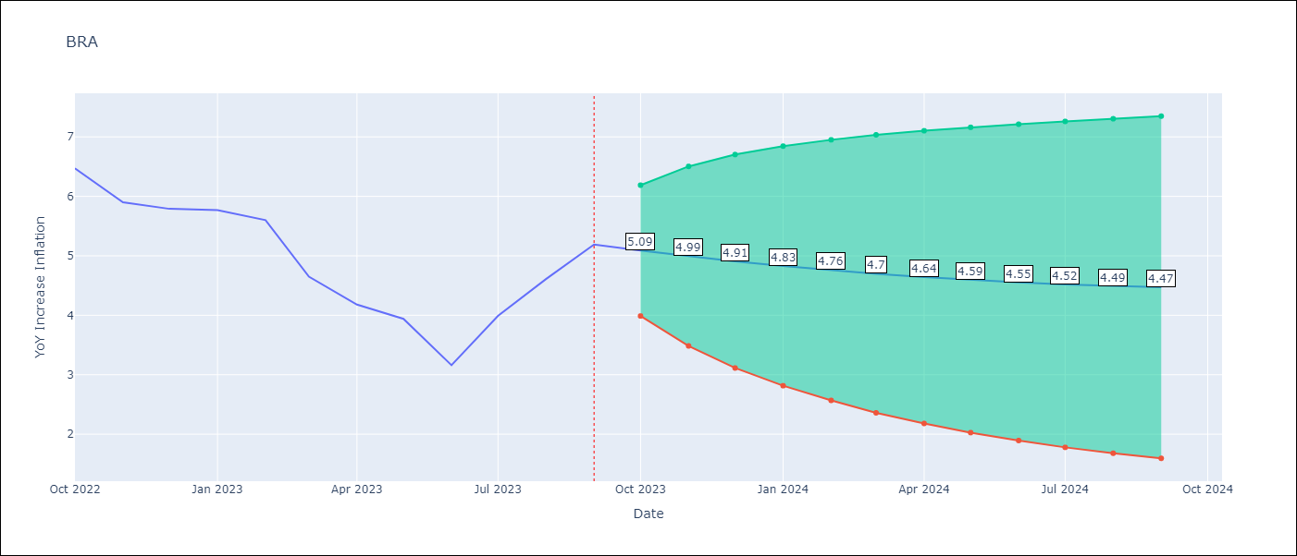

Test Metrics
RMSE | 1.49
Naive RMSE | 0.57
MAPE | 30.78%

Test Predictions
Date | Predicted | Actual
2022-10-01 | 7.04 | 6.47
2022-11-01 | 6.91 | 5.9
2022-12-01 | 6.77 | 5.79
2023-01-01 | 6.63 | 5.77
2023-02-01 | 6.48 | 5.6
2023-03-01 | 6.33 | 4.65
2023-04-01 | 6.18 | 4.18
2023-05-01 | 6.04 | 3.94
2023-06-01 | 5.89 | 3.16
2023-07-01 | 5.75 | 3.99
2023-08-01 | 5.62 | 4.61
2023-09-01 | 5.49 | 5.19

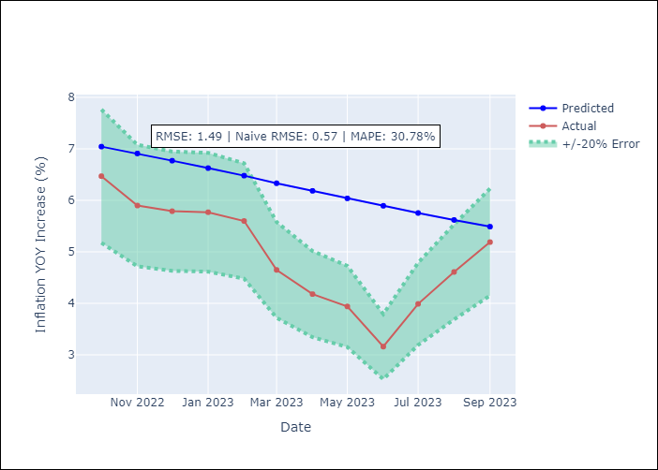

Appendix A: Model Summary
Model | VAR(1)
Sample | 01-01-1996- 09-01-2023
No. of Observations | 333
Terms | P-value (Statistical significance)
intercept | 0.025
L1.YoY Increase Inflation | 0.000
L1.Exchange rates (nominal) | 0.584
L1.Monetary Policiy rate | 0.011
L1.M1 money supply ($mm local currency) | 0.039
Assumptions | P-value
Ljung-Box (L1) | 0.00, nan, nan, nan
Heteroskedasticity | 0.00, 0.00, 0.00, 0.00
Jarque-Bera | 0.00, 0.00, 0.00, 0.00
Skew | 1.07, 0.06, 0.91, 0.00
Kurtosis | 10.60, 5.78, 21.63, 5.15

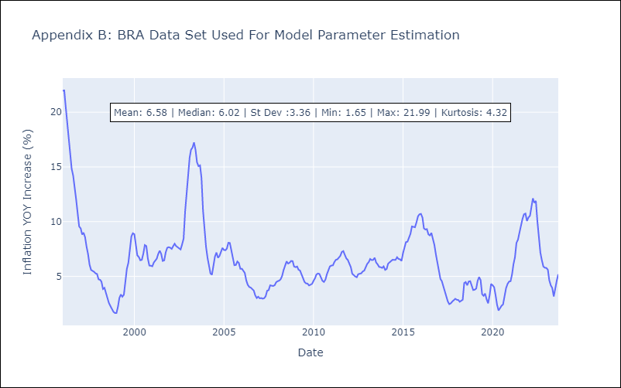

Appendix C: Residuals Analysis
Mean | 0.05
White Noise? | No - Correlation at Lags [ 1 2 3 4 5 6 7 8 11 12]
Normal? | Yes

