BRA
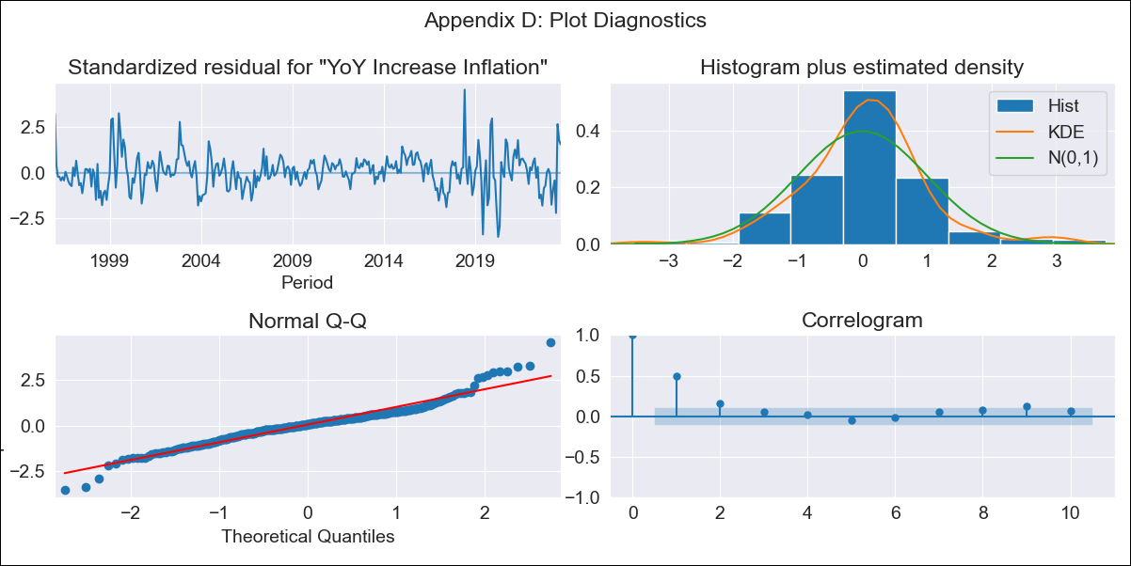
BRA - Inflation - Next 12 months forecast as of: 2023-09-01

Model | VARMAX - (1, 0, 0, 3, 0, 1, 12) | Exogenous Variables | Exchange rates (nominal), Monetary Policiy rate, M1 money supply ($mm local currency)
Training Data | 1996-01-01 to 2022-10-01
Test Data | 2022-10-01 to 2023-09-01

Date | Inflation Change YoY % | Lower Bound - 95% Confidence Interval | Upper Bound - 95% Confidence Interval
2023-10-01 | -0.32 | -0.71 | 0.06
2023-11-01 | -0.38 | -0.92 | 0.16
2023-12-01 | -0.43 | -1.08 | 0.22
2024-01-01 | -0.48 | -1.21 | 0.25
2024-02-01 | -0.52 | -1.33 | 0.28
2024-03-01 | -0.56 | -1.43 | 0.3
2024-04-01 | -0.6 | -1.52 | 0.32
2024-05-01 | -0.63 | -1.6 | 0.33
2024-06-01 | -0.66 | -1.67 | 0.34
2024-07-01 | -0.68 | -1.73 | 0.36
2024-08-01 | -0.7 | -1.78 | 0.37
2024-09-01 | -0.72 | -1.83 | 0.38

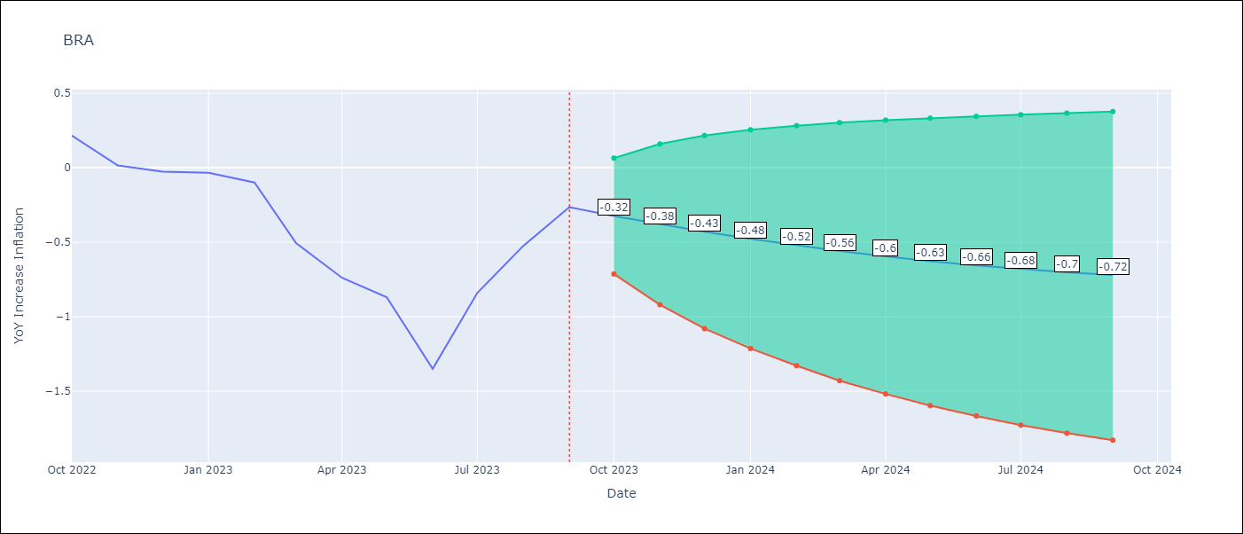

Test Metrics
RMSE | 0.62
Naive RMSE | 0.29
MAPE | 417.56%

Test Predictions
Date | Predicted | Actual
2022-10-01 | 0.38 | 0.22
2022-11-01 | 0.33 | 0.02
2022-12-01 | 0.28 | -0.03
2023-01-01 | 0.22 | -0.03
2023-02-01 | 0.17 | -0.1
2023-03-01 | 0.12 | -0.51
2023-04-01 | 0.07 | -0.74
2023-05-01 | 0.02 | -0.87
2023-06-01 | -0.03 | -1.35
2023-07-01 | -0.08 | -0.84
2023-08-01 | -0.12 | -0.52
2023-09-01 | -0.16 | -0.26

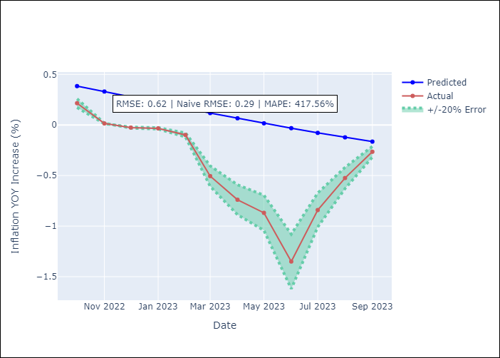

Appendix A: Model Summary
Model | VAR(1)
Sample | 01-01-1996- 09-01-2023
No. of Observations | 333
Terms | P-value (Statistical significance)
intercept | 0.004
L1.YoY Increase Inflation | 0.000
L1.Exchange rates (nominal) | 0.926
L1.Monetary Policiy rate | 0.438
L1.M1 money supply ($mm local currency) | 0.004
Assumptions | P-value
Ljung-Box (L1) | 0.00, nan, nan, nan
Heteroskedasticity | 0.11, 0.00, 0.00, 0.00
Jarque-Bera | 0.00, 0.00, 0.00, 0.00
Skew | 0.37, 0.04, 0.98, -0.06
Kurtosis | 5.89, 5.72, 20.96, 4.82

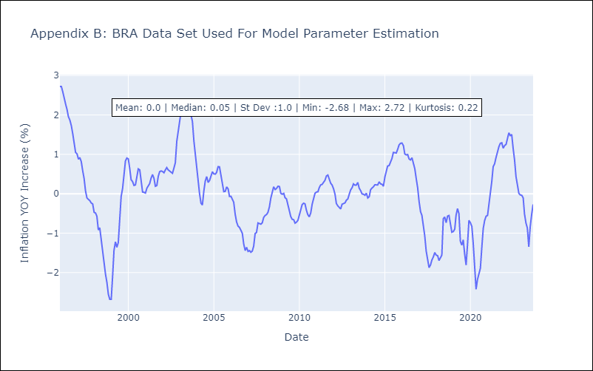

Appendix C: Residuals Analysis
Mean | 0.02
White Noise? | No - Correlation at Lags [ 1 2 3 4 5 6 7 8 9 10 11 12]
Normal? | Yes

