BRA
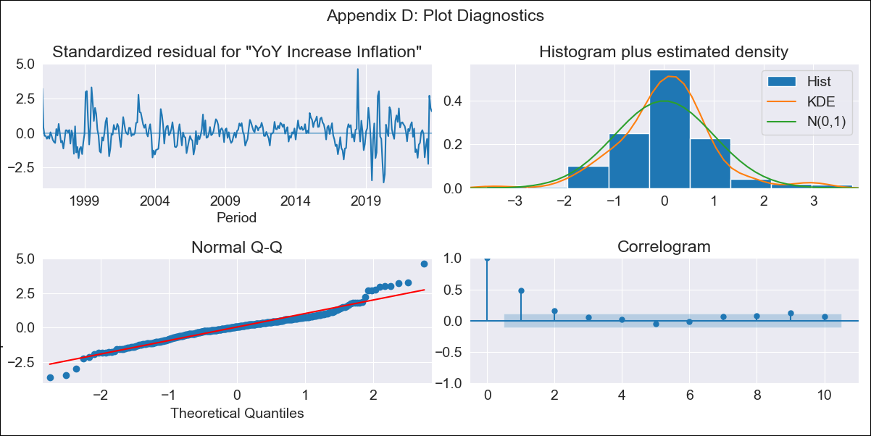
BRA - Inflation - Next 12 months forecast as of: 2023-09-01

Model | VARMAX - (1, 0, 0, 3, 0, 1, 12) | Exogenous Variables | Exchange rates (nominal), Monetary Policiy rate, M1 money supply ($mm local currency)
Training Data | 1996-01-01 to 2022-10-01
Test Data | 2022-10-01 to 2023-09-01

Date | Inflation Change YoY % | Lower Bound - 95% Confidence Interval | Upper Bound - 95% Confidence Interval
2023-10-01 | 5.05 | 4.23 | 6.04
2023-11-01 | 4.93 | 3.85 | 6.31
2023-12-01 | 4.81 | 3.58 | 6.48
2024-01-01 | 4.71 | 3.37 | 6.6
2024-02-01 | 4.62 | 3.2 | 6.68
2024-03-01 | 4.54 | 3.05 | 6.75
2024-04-01 | 4.46 | 2.93 | 6.8
2024-05-01 | 4.4 | 2.83 | 6.84
2024-06-01 | 4.34 | 2.74 | 6.88
2024-07-01 | 4.29 | 2.66 | 6.91
2024-08-01 | 4.25 | 2.59 | 6.95
2024-09-01 | 4.21 | 2.54 | 6.98

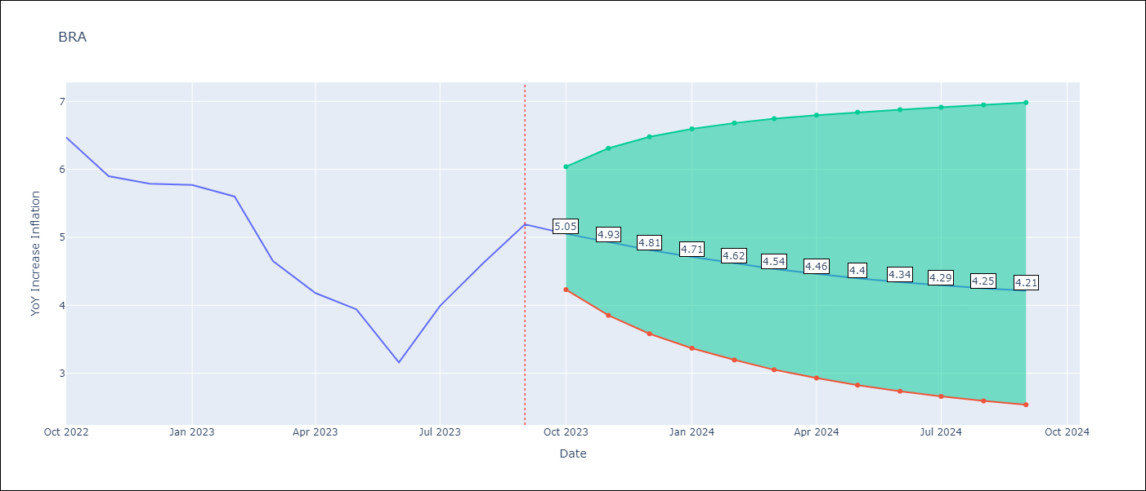

Test Metrics
RMSE | 1.38
Naive RMSE | 0.57
MAPE | 28.14%

Test Predictions
Date | Predicted | Actual
2022-10-01 | 6.99 | 6.47
2022-11-01 | 6.82 | 5.9
2022-12-01 | 6.65 | 5.79
2023-01-01 | 6.48 | 5.77
2023-02-01 | 6.33 | 5.6
2023-03-01 | 6.17 | 4.65
2023-04-01 | 6.03 | 4.18
2023-05-01 | 5.89 | 3.94
2023-06-01 | 5.76 | 3.16
2023-07-01 | 5.63 | 3.99
2023-08-01 | 5.52 | 4.61
2023-09-01 | 5.41 | 5.19

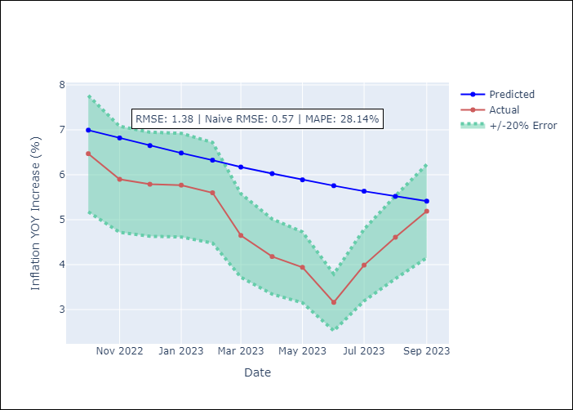

Appendix A: Model Summary
Model | VAR(1)
Sample | 01-01-1996- 09-01-2023
No. of Observations | 333
Terms | P-value (Statistical significance)
intercept | 0.005
L1.YoY Increase Inflation | 0.000
L1.Exchange rates (nominal) | 0.920
L1.Monetary Policiy rate | 0.450
L1.M1 money supply ($mm local currency) | 0.004
Assumptions | P-value
Ljung-Box (L1) | 0.00, nan, nan, nan
Heteroskedasticity | 0.09, 0.00, 0.00, 0.00
Jarque-Bera | 0.00, 0.00, 0.00, 0.00
Skew | 0.37, 0.04, 0.98, -0.06
Kurtosis | 5.98, 5.72, 20.95, 4.81

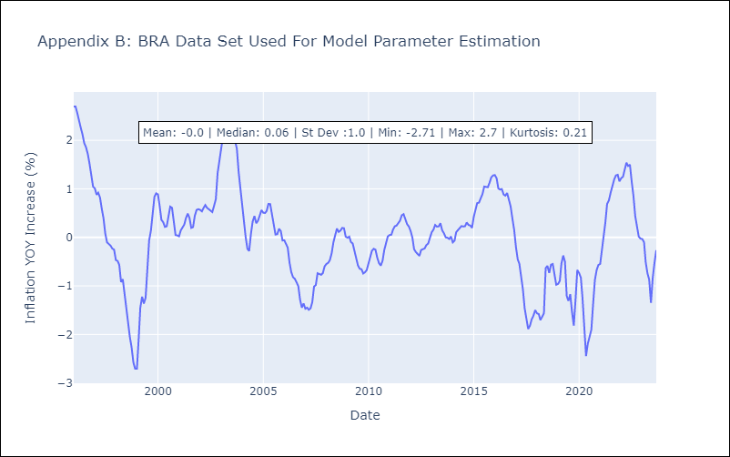

Appendix C: Residuals Analysis
Mean | 0.02
White Noise? | No - Correlation at Lags [ 1 2 3 4 5 6 7 8 9 10 11 12]
Normal? | Yes

