BRA
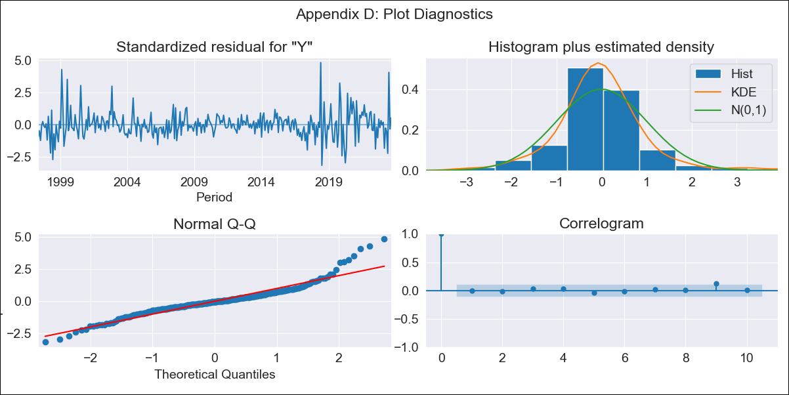
BRA - Inflation - Next 12 months forecast as of: 2023-09-01

Model | ARIMA - [(1, 1, 2), (0, 0, 1, 12)]
Training Data | 1996-01-01 to 2022-10-01
Test Data | 2022-10-01 to 2023-09-01

Date | Inflation Change YoY % | Lower Bound - 95% Confidence Interval | Upper Bound - 95% Confidence Interval
2023-10-01 | 5.46 | 4.77 | 6.26
2023-11-01 | 5.62 | 4.36 | 7.26
2023-12-01 | 5.65 | 3.97 | 8.06
2024-01-01 | 5.65 | 3.65 | 8.82
2024-02-01 | 5.62 | 3.37 | 9.49
2024-03-01 | 6.04 | 3.38 | 10.99
2024-04-01 | 6.37 | 3.35 | 12.43
2024-05-01 | 6.66 | 3.3 | 13.86
2024-06-01 | 7.47 | 3.51 | 16.67
2024-07-01 | 6.74 | 3.02 | 15.73
2024-08-01 | 6.36 | 2.71 | 15.53
2024-09-01 | 6.14 | 2.5 | 15.69

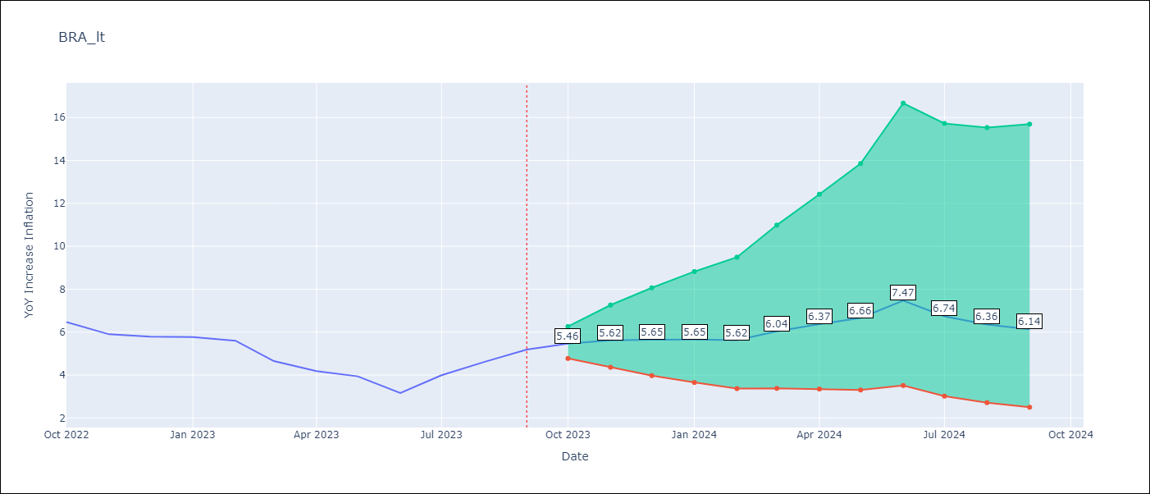

Test Metrics
RMSE | 0.67
Naive RMSE | 0.57
MAPE | 13.09%

Test Predictions
Date | Predicted | Actual
2022-10-01 | 6.27 | 6.47
2022-11-01 | 5.73 | 5.9
2022-12-01 | 5.54 | 5.79
2023-01-01 | 5.44 | 5.77
2023-02-01 | 5.2 | 5.6
2023-03-01 | 4.88 | 4.65
2023-04-01 | 4.77 | 4.18
2023-05-01 | 4.81 | 3.94
2023-06-01 | 4.7 | 3.16
2023-07-01 | 4.98 | 3.99
2023-08-01 | 5.2 | 4.61
2023-09-01 | 5.52 | 5.19

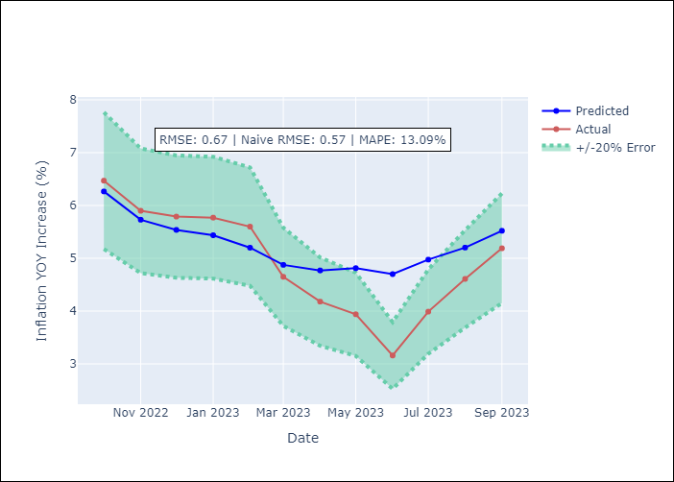

Appendix A: Model Summary
Model | ARIMA(1, 1, 2)x(0, 0, [1], 12)
Sample | 01-01-1996- 09-01-2023
No. of Observations | 333
Terms | P-value (Statistical significance)
ar.L1 | 0.003
ma.L1 | 0.787
ma.L2 | 0.376
ma.S.L12 | 0.000
sigma2 | 0.000
Assumptions | P-value
Ljung-Box (L1) | 0.89
Heteroskedasticity | 0.04
Jarque-Bera | 0.00
Skew | 0.90
Kurtosis | 7.23

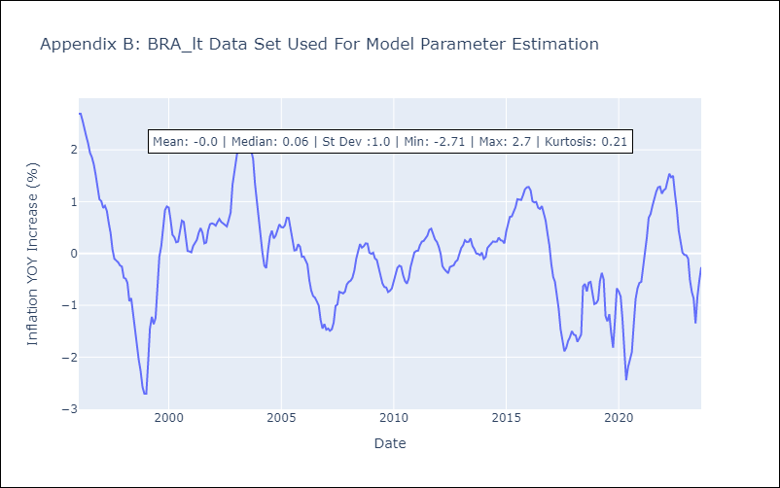

Appendix C: Residuals Analysis
Mean | 0.0
White Noise? | No - Correlation at Lags [1]
Normal? | No

