CRI
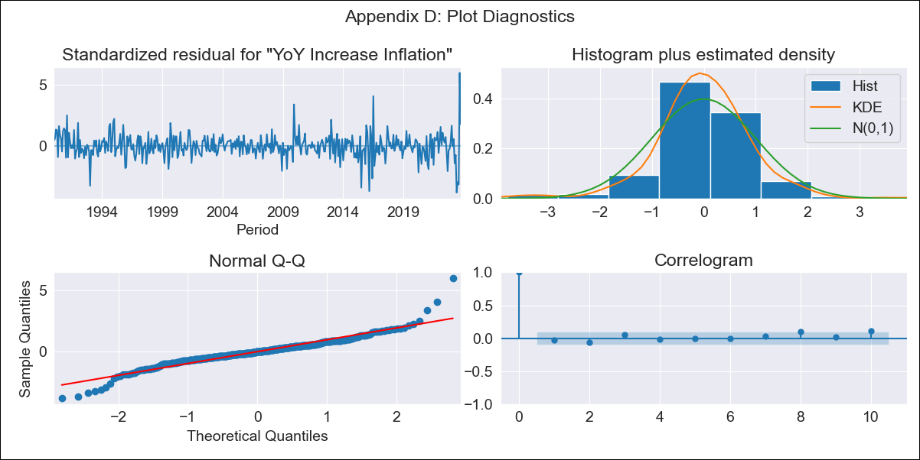
CRI - Inflation - Next 12 months forecast as of: 2023-10-01

Model | VARMAX - (3, 1, 0, 0, 0, 1, 12) | Exogenous Variables | Exchange rates (nominal), Monetary Policiy rate, M1 money supply ($mm local currency)
Training Data | 1990-01-01 to 2022-11-01
Test Data | 2022-11-01 to 2023-10-01

Date | Inflation Change YoY % | Lower Bound - 95% Confidence Interval | Upper Bound - 95% Confidence Interval
2023-11-01 | -0.91 | -1.42 | -0.33
2023-12-01 | -0.76 | -1.63 | 0.33
2024-01-01 | -0.66 | -1.79 | 0.92
2024-02-01 | -0.55 | -1.89 | 1.5
2024-03-01 | -0.44 | -1.97 | 2.06
2024-04-01 | -0.34 | -2.02 | 2.58
2024-05-01 | -0.23 | -2.06 | 3.06
2024-06-01 | -0.13 | -2.08 | 3.51
2024-07-01 | -0.03 | -2.09 | 3.93
2024-08-01 | 0.08 | -2.08 | 4.33
2024-09-01 | 0.19 | -2.07 | 4.71
2024-10-01 | 0.31 | -2.05 | 5.08

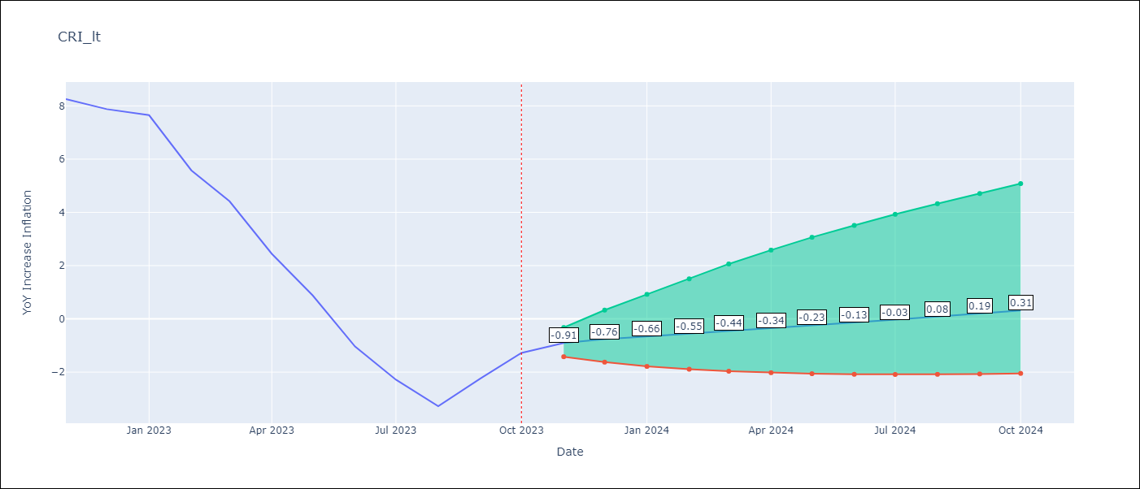

Test Metrics
RMSE | 1.72
Naive RMSE | 1.36
MAPE | 66.98%

Test Predictions
Date | Predicted | Actual
2022-11-01 | 8.06 | 8.26
2022-12-01 | 7.1 | 7.88
2023-01-01 | 6.02 | 7.65
2023-02-01 | 4.91 | 5.58
2023-03-01 | 3.83 | 4.42
2023-04-01 | 2.84 | 2.44
2023-05-01 | 1.97 | 0.88
2023-06-01 | 1.23 | -1.04
2023-07-01 | 0.63 | -2.29
2023-08-01 | 0.16 | -3.28
2023-09-01 | -0.2 | -2.24
2023-10-01 | -0.48 | -1.28

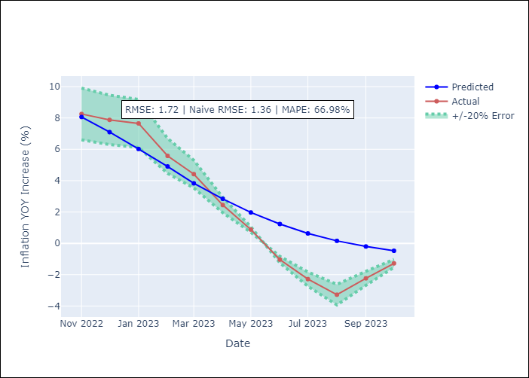

Appendix A: Model Summary
Model | VAR(3)
Sample | 01-01-1990- 10-01-2023
No. of Observations | 406
Terms | P-value (Statistical significance)
intercept | 0.143
L1.YoY Increase Inflation | 0.000
L1.Exchange rates (nominal) | 0.270
L1.Monetary Policiy rate | 0.606
L1.M1 money supply ($mm local currency) | 0.448
L2.YoY Increase Inflation | 0.000
L2.Exchange rates (nominal) | 0.567
L2.Monetary Policiy rate | 0.867
L2.M1 money supply ($mm local currency) | 0.847
L3.YoY Increase Inflation | 0.529
L3.Exchange rates (nominal) | 0.973
L3.Monetary Policiy rate | 0.464
L3.M1 money supply ($mm local currency) | 0.332
Assumptions | P-value
Ljung-Box (L1) | 0.59, nan, nan, nan
Heteroskedasticity | 0.00, nan, nan, nan
Jarque-Bera | 0.00, 0.03, 0.00, 0.00
Skew | 0.29, -0.18, -2.58, 0.40
Kurtosis | 8.54, 3.84, 41.84, 5.42

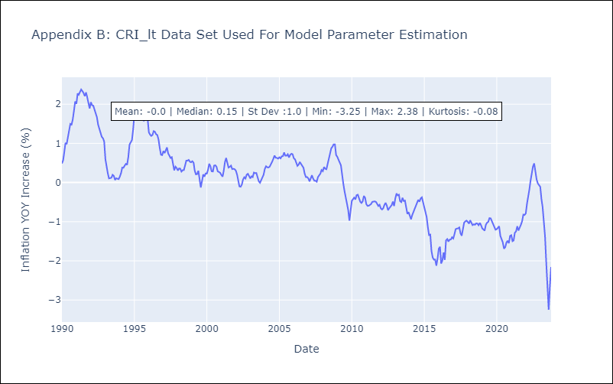

Appendix C: Residuals Analysis
Mean | 0.0
White Noise? | No - Correlation at Lags [12]
Normal? | Yes

CUB
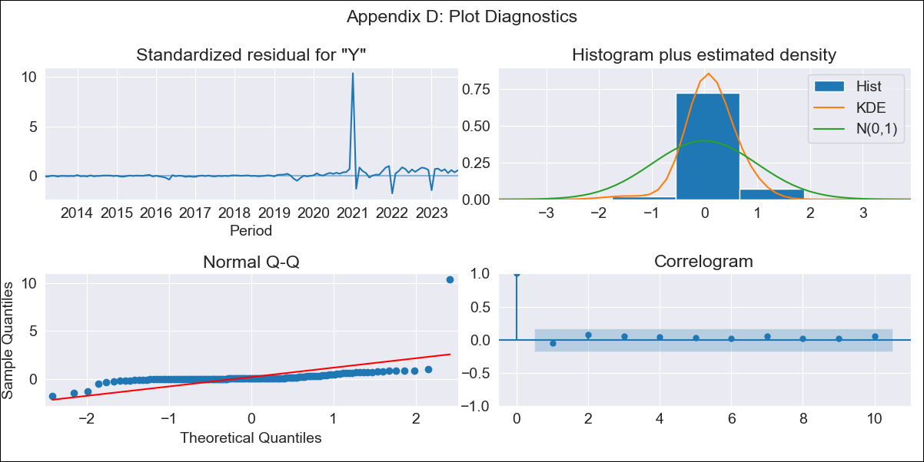
CUB - Inflation - Next 12 months forecast as of: 2023-09-01

Model | ARIMA - [(1, 1, 0), (0, 0, 2, 12)]
Training Data | 2011-01-01 to 2022-10-01
Test Data | 2022-10-01 to 2023-09-01

Date | Inflation Change YoY % | Lower Bound - 95% Confidence Interval | Upper Bound - 95% Confidence Interval
2023-10-01 | 41.84 | 32.26 | 51.42
2023-11-01 | 38.09 | 23.6 | 52.57
2023-12-01 | 35.1 | 16.9 | 53.31
2024-01-01 | 40.67 | 19.37 | 61.98
2024-02-01 | 38.35 | 14.35 | 62.35
2024-03-01 | 34.87 | 8.44 | 61.29
2024-04-01 | 32.4 | 3.76 | 61.04
2024-05-01 | 29.23 | -1.47 | 59.92
2024-06-01 | 27.56 | -5.06 | 60.19
2024-07-01 | 24.85 | -9.59 | 59.3
2024-08-01 | 22.95 | -13.22 | 59.13
2024-09-01 | 20.3 | -17.52 | 58.13

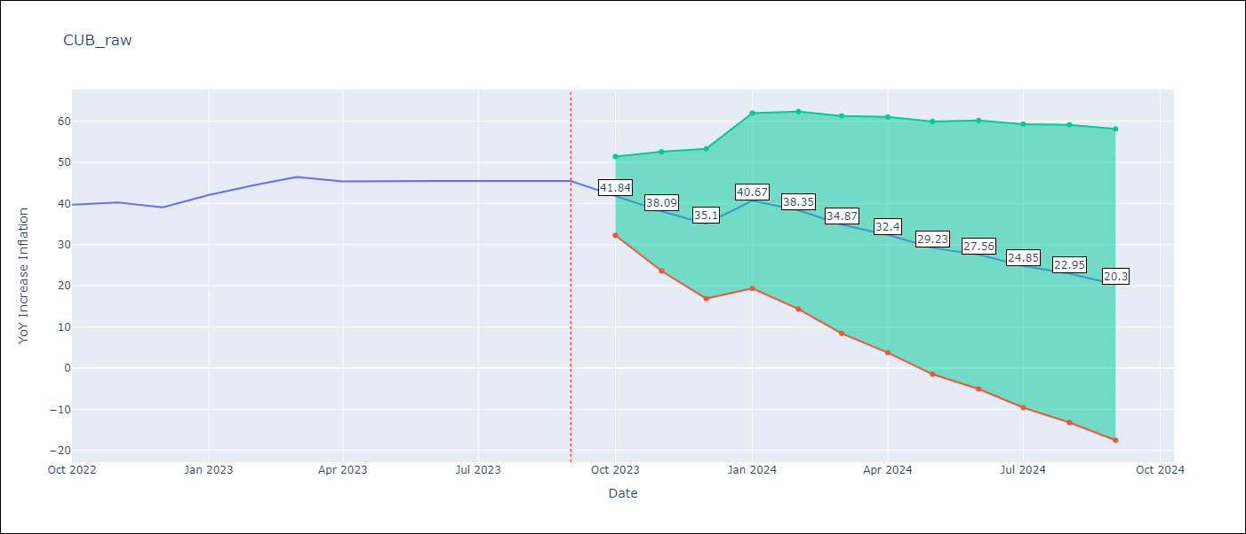

Test Metrics
RMSE | 6.66
Naive RMSE | 1.4
MAPE | 13.63%

Test Predictions
Date | Predicted | Actual
2022-10-01 | 35.95 | 39.73
2022-11-01 | 32.52 | 40.26
2022-12-01 | 28.63 | 39.07
2023-01-01 | 51.37 | 42.08
2023-02-01 | 51.75 | 44.5
2023-03-01 | 51.01 | 46.42
2023-04-01 | 47.86 | 45.35
2023-05-01 | 45.11 | 45.48
2023-06-01 | 43.44 | 45.48
2023-07-01 | 40.37 | 45.48
2023-08-01 | 38.32 | 45.48
2023-09-01 | 35.45 | 45.48

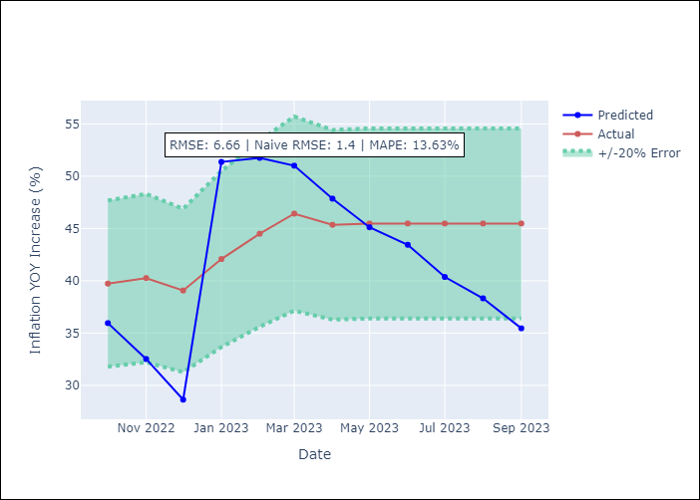

Appendix A: Model Summary
Model | ARIMA(1, 1, 0)x(0, 0, [1, 2], 12)
Sample | 01-01-2011- 09-01-2023
No. of Observations | 153
Terms | P-value (Statistical significance)
ar.L1 | 0.064
ma.S.L12 | 0.000
ma.S.L24 | 0.526
sigma2 | 0.000
Assumptions | P-value
Ljung-Box (L1) | 0.55
Heteroskedasticity | 0.00
Jarque-Bera | 0.00
Skew | 8.71
Kurtosis | 91.86

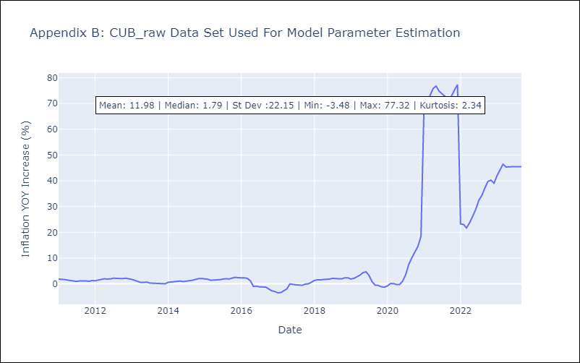

Appendix C: Residuals Analysis
Mean | 0.77
White Noise? | Yes
Normal? | No

DOM
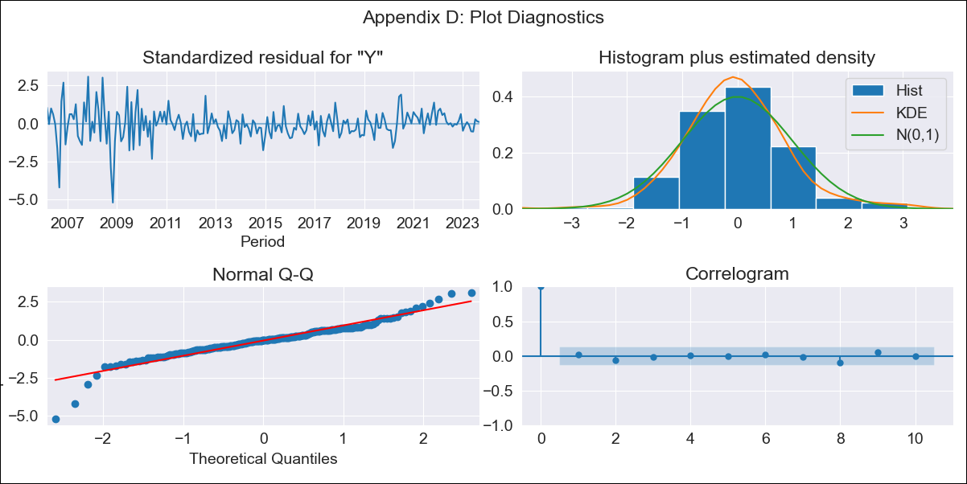
DOM - Inflation - Next 12 months forecast as of: 2023-09-01

Model | SARIMAX - [(1, 1, 0), (0, 0, 1, 12)] | Exogenous Variables | Exchange rates (nominal), Monetary Policiy rate, M1 money supply ($mm local currency)
Training Data | 2005-01-01 to 2022-10-01
Test Data | 2022-10-01 to 2023-09-01

Date | Inflation Change YoY % | Lower Bound - 95% Confidence Interval | Upper Bound - 95% Confidence Interval
2023-10-01 | 4.52 | 3.37 | 5.67
2023-11-01 | 4.45 | 2.42 | 6.48
2023-12-01 | 4.07 | 1.28 | 6.86
2024-01-01 | 4.2 | 0.75 | 7.65
2024-02-01 | 4.3 | 0.27 | 8.33
2024-03-01 | 4.27 | -0.27 | 8.81
2024-04-01 | 4.31 | -0.69 | 9.32
2024-05-01 | 4.67 | -0.76 | 10.11
2024-06-01 | 5.1 | -0.73 | 10.93
2024-07-01 | 5.16 | -1.04 | 11.37
2024-08-01 | 5.07 | -1.49 | 11.63
2024-09-01 | 5 | -1.89 | 11.89

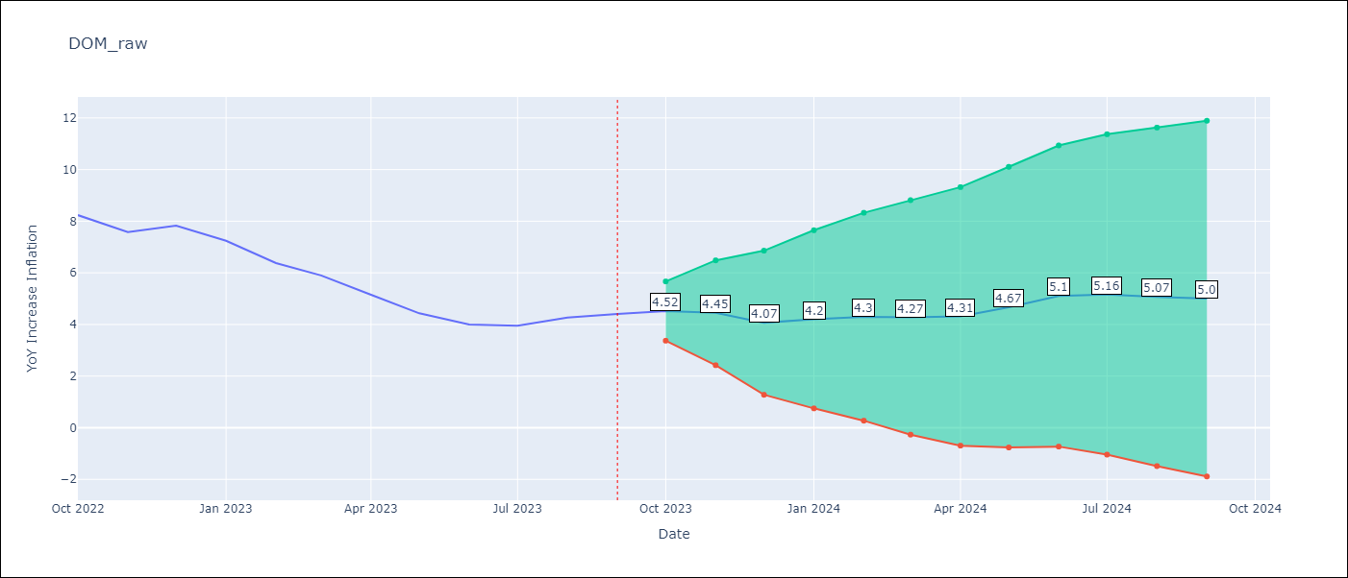

Test Metrics
RMSE | 0.46
Naive RMSE | 0.54
MAPE | 7.47%

Test Predictions
Date | Predicted | Actual
2022-10-01 | 8.23 | 8.24
2022-11-01 | 7.39 | 7.58
2022-12-01 | 7.11 | 7.83
2023-01-01 | 6.58 | 7.24
2023-02-01 | 5.84 | 6.38
2023-03-01 | 5.31 | 5.9
2023-04-01 | 4.67 | 5.15
2023-05-01 | 4.38 | 4.43
2023-06-01 | 4.4 | 4
2023-07-01 | 4.44 | 3.95
2023-08-01 | 4.65 | 4.27
2023-09-01 | 4.78 | 4.41

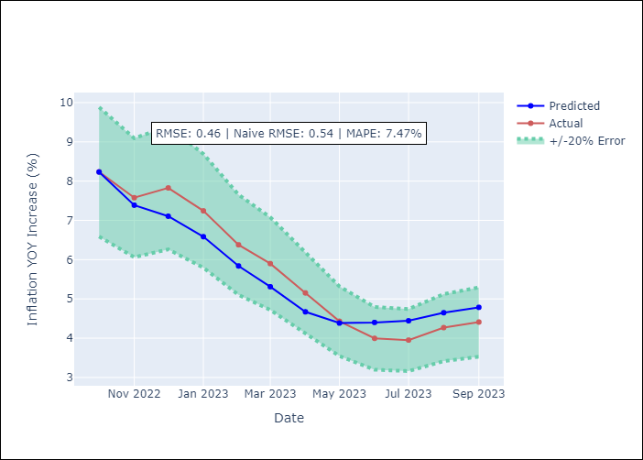

Appendix A: Model Summary
Model | SARIMAX(1, 1, 0)x(0, 0, [1], 12)
Sample | 01-01-2005- 09-01-2023
No. of Observations | 225
Terms | P-value (Statistical significance)
Exchange rates (nominal) | 0.001
Monetary Policiy rate | 0.448
M1 money supply ($mm local currency) | 0.026
ar.L1 | 0.000
ma.S.L12 | 0.996
sigma2 | 0.996
Assumptions | P-value
Ljung-Box (L1) | 0.76
Heteroskedasticity | 0.00
Jarque-Bera | 0.00
Skew | -0.58
Kurtosis | 7.61

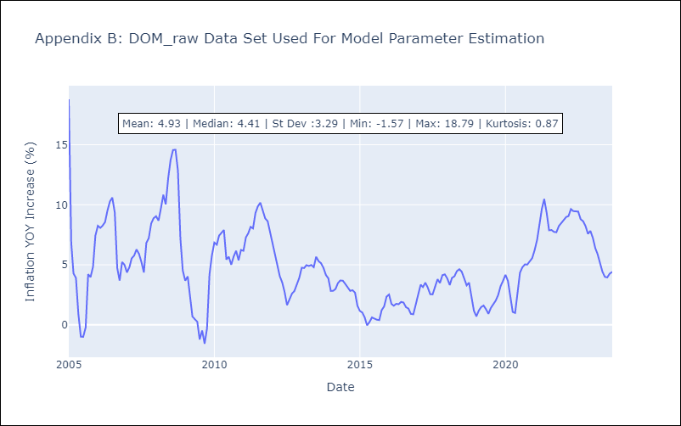

Appendix C: Residuals Analysis
Mean | 0.01
White Noise? | No - Correlation at Lags [ 1 2 3 4 5 6 7 8 9 10 11 12]
Normal? | No

GTM
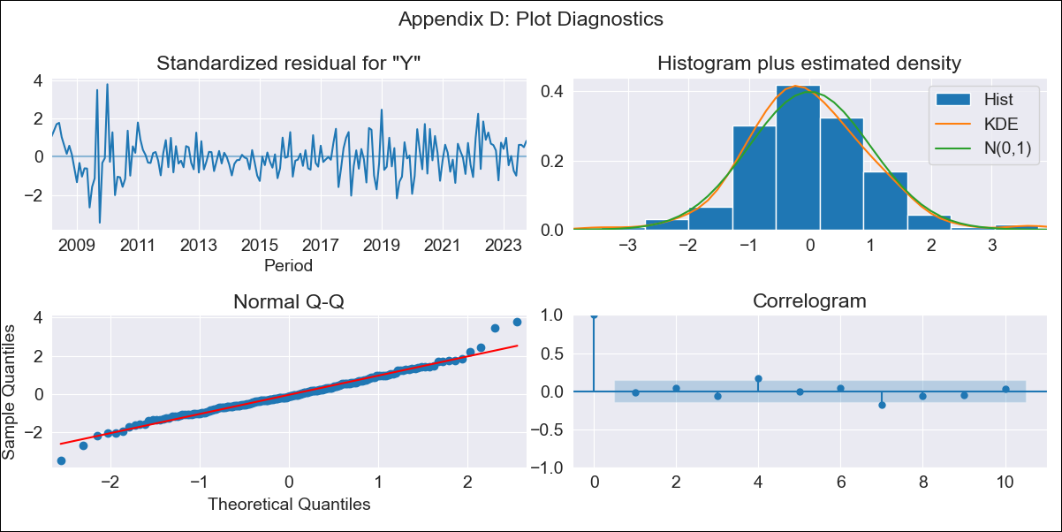
GTM - Inflation - Next 12 months forecast as of: 2023-10-01

Model | SARIMAX - [(2, 0, 2), (2, 0, 0, 12)] | Exogenous Variables | Exchange rates (nominal), Monetary Policiy rate, M1 money supply ($mm local currency)
Training Data | 2006-01-01 to 2022-11-01
Test Data | 2022-11-01 to 2023-10-01

Date | Inflation Change YoY % | Lower Bound - 95% Confidence Interval | Upper Bound - 95% Confidence Interval
2023-11-01 | 5.27 | 4.24 | 6.38
2023-12-01 | 5.03 | 3.42 | 6.83
2024-01-01 | 4.71 | 2.75 | 6.99
2024-02-01 | 4.39 | 2.2 | 7.02
2024-03-01 | 4.48 | 2.06 | 7.45
2024-04-01 | 4.42 | 1.85 | 7.63
2024-05-01 | 4.98 | 2.14 | 8.52
2024-06-01 | 5.4 | 2.34 | 9.21
2024-07-01 | 5.36 | 2.21 | 9.32
2024-08-01 | 5.12 | 1.95 | 9.16
2024-09-01 | 4.8 | 1.65 | 8.88
2024-10-01 | 4.36 | 1.28 | 8.42

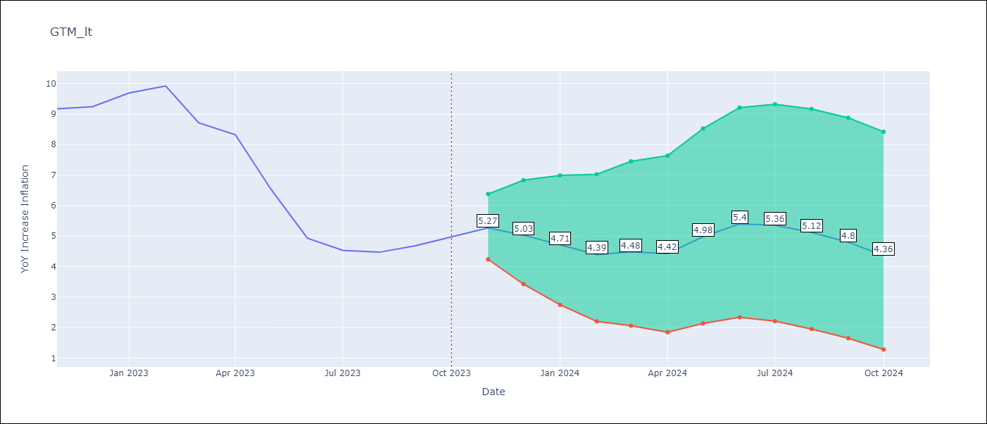

Test Metrics
RMSE | 0.65
Naive RMSE | 0.85
MAPE | 8.49%

Test Predictions
Date | Predicted | Actual
2022-11-01 | 9.63 | 9.17
2022-12-01 | 9.52 | 9.24
2023-01-01 | 9.42 | 9.69
2023-02-01 | 8.84 | 9.92
2023-03-01 | 7.76 | 8.71
2023-04-01 | 7.53 | 8.32
2023-05-01 | 6.57 | 6.54
2023-06-01 | 5.83 | 4.93
2023-07-01 | 5.34 | 4.53
2023-08-01 | 5.14 | 4.47
2023-09-01 | 5.07 | 4.69
2023-10-01 | 4.98 | 4.98

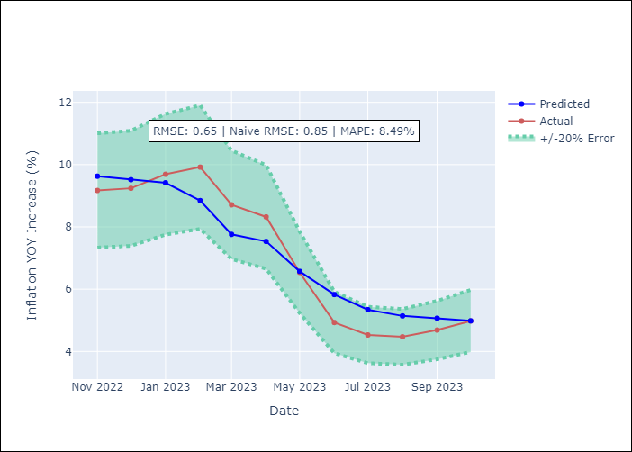

Appendix A: Model Summary
Model | SARIMAX(2, 0, 2)x(2, 0, [], 12)
Sample | 01-01-2006- 10-01-2023
No. of Observations | 214
Terms | P-value (Statistical significance)
Exchange rates (nominal) | 0.637
Monetary Policiy rate | 0.220
M1 money supply ($mm local currency) | 0.373
ar.L1 | 0.003
ar.L2 | 0.370
ma.L1 | 0.722
ma.L2 | 0.507
ar.S.L12 | 0.000
ar.S.L24 | 0.000
sigma2 | 0.849
Assumptions | P-value
Ljung-Box (L1) | 0.85
Heteroskedasticity | 0.19
Jarque-Bera | 0.00
Skew | 0.31
Kurtosis | 4.53

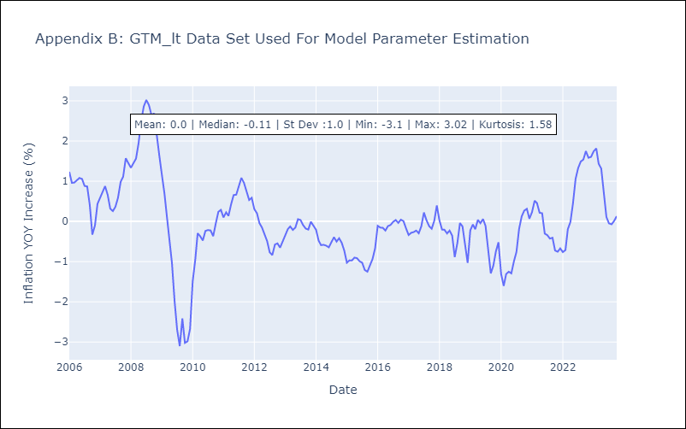

Appendix C: Residuals Analysis
Mean | 0.01
White Noise? | Yes
Normal? | No

HND
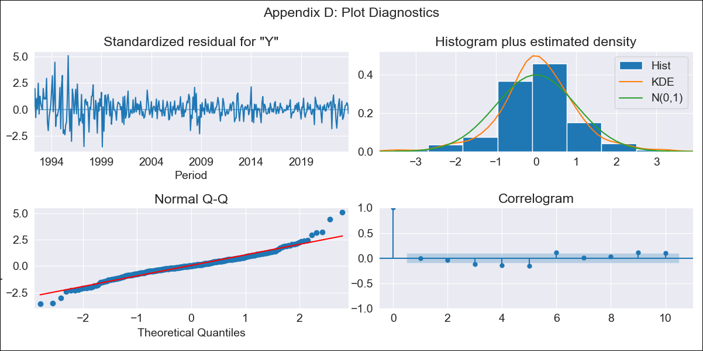
HND - Inflation - Next 12 months forecast as of: 2023-10-01

Model | ARIMA - [(2, 2, 0), (0, 0, 1, 12)]
Training Data | 1991-01-01 to 2022-11-01
Test Data | 2022-11-01 to 2023-10-01

Date | Inflation Change YoY % | Lower Bound - 95% Confidence Interval | Upper Bound - 95% Confidence Interval
2023-11-01 | 5.45 | 4.35 | 6.56
2023-12-01 | 5.65 | 3.65 | 7.66
2024-01-01 | 5.83 | 2.89 | 8.77
2024-02-01 | 5.44 | 1.36 | 9.53
2024-03-01 | 5.81 | 0.46 | 11.16
2024-04-01 | 6.36 | -0.35 | 13.06
2024-05-01 | 6.68 | -1.49 | 14.84
2024-06-01 | 6.88 | -2.84 | 16.6
2024-07-01 | 7.03 | -4.33 | 18.39
2024-08-01 | 6.94 | -6.15 | 20.02
2024-09-01 | 6.74 | -8.15 | 21.63
2024-10-01 | 6.87 | -9.9 | 23.65

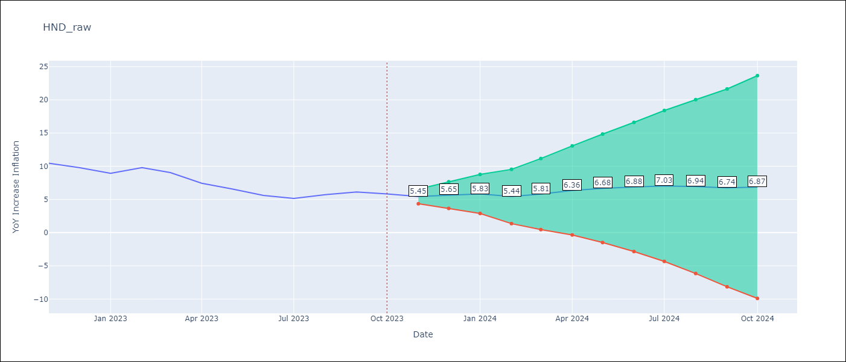

Test Metrics
RMSE | 0.51
Naive RMSE | 0.83
MAPE | 6.74%

Test Predictions
Date | Predicted | Actual
2022-11-01 | 9.88 | 10.44
2022-12-01 | 9.32 | 9.8
2023-01-01 | 8.66 | 8.93
2023-02-01 | 9.01 | 9.8
2023-03-01 | 8.6 | 9.05
2023-04-01 | 7.58 | 7.44
2023-05-01 | 7.02 | 6.58
2023-06-01 | 6.22 | 5.6
2023-07-01 | 5.88 | 5.15
2023-08-01 | 6.27 | 5.71
2023-09-01 | 6.41 | 6.13
2023-10-01 | 6.21 | 5.84

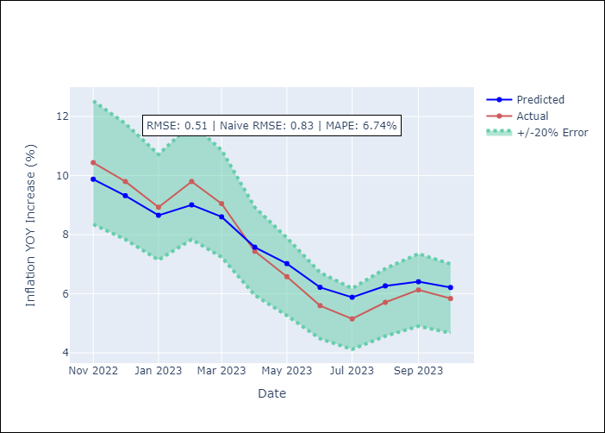

Appendix A: Model Summary
Model | ARIMA(2, 2, 0)x(0, 0, [1], 12)
Sample | 01-01-1991- 10-01-2023
No. of Observations | 394
Terms | P-value (Statistical significance)
ar.L1 | 0.000
ar.L2 | 0.000
ma.S.L12 | 0.000
sigma2 | 0.000
Assumptions | P-value
Ljung-Box (L1) | 1.00
Heteroskedasticity | 0.00
Jarque-Bera | 0.00
Skew | 0.37
Kurtosis | 6.40

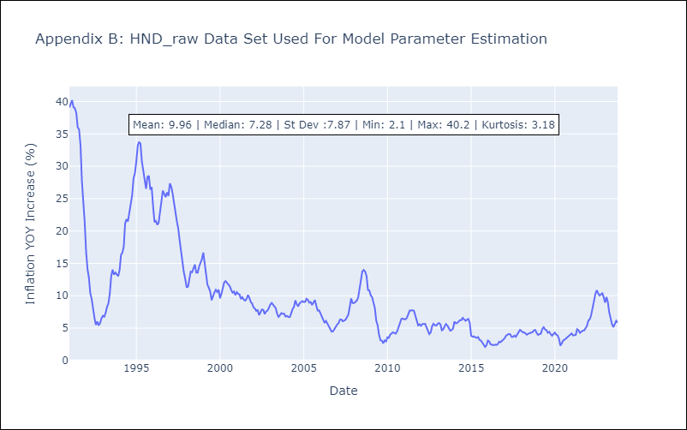

Appendix C: Residuals Analysis
Mean | 0.05
White Noise? | No - Correlation at Lags [ 1 2 3 4 5 6 7 8 9 10 11 12]
Normal? | No

HTI
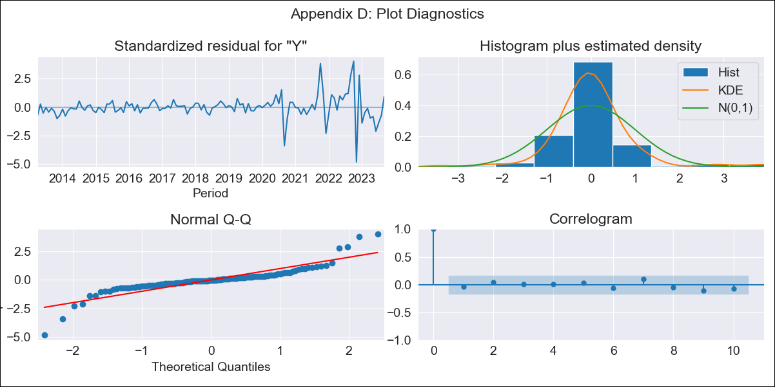
HTI - Inflation - Next 12 months forecast as of: 2023-09-01

Model | ARIMA - [(3, 0, 1), (2, 0, 0, 12)]
Training Data | 2011-01-01 to 2022-10-01
Test Data | 2022-10-01 to 2023-09-01

Date | Inflation Change YoY % | Lower Bound - 95% Confidence Interval | Upper Bound - 95% Confidence Interval
2023-10-01 | 21.7 | 19.4 | 24
2023-11-01 | 17.37 | 12.94 | 21.81
2023-12-01 | 16.2 | 9.93 | 22.47
2024-01-01 | 16.3 | 8.34 | 24.26
2024-02-01 | 15.67 | 6.26 | 25.09
2024-03-01 | 15 | 4.26 | 25.74
2024-04-01 | 14.64 | 2.72 | 26.55
2024-05-01 | 13.95 | 0.96 | 26.94
2024-06-01 | 13.8 | -0.16 | 27.76
2024-07-01 | 14.07 | -0.79 | 28.93
2024-08-01 | 13.79 | -1.9 | 29.47
2024-09-01 | 9.7 | -6.75 | 26.16

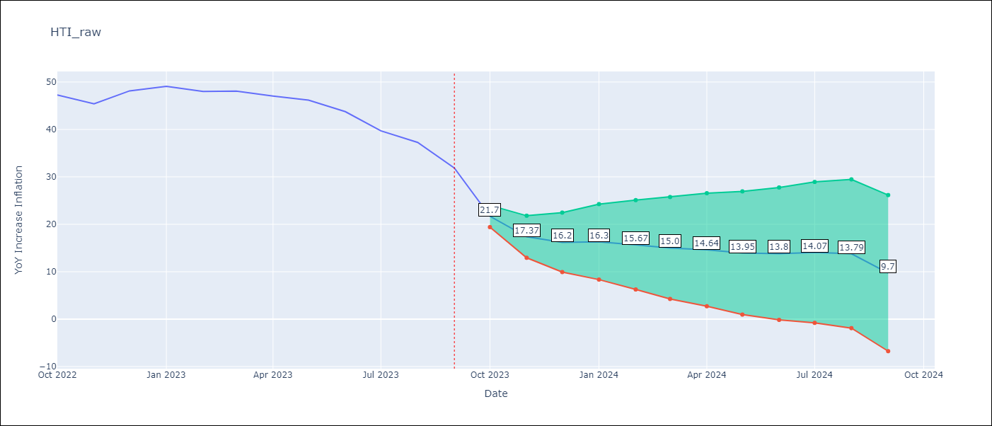

Test Metrics
RMSE | 16.08
Naive RMSE | 2.56
MAPE | 29.96%

Test Predictions
Date | Predicted | Actual
2022-10-01 | 43.4 | 47.25
2022-11-01 | 44.84 | 45.42
2022-12-01 | 47.2 | 48.13
2023-01-01 | 49.5 | 49.09
2023-02-01 | 51.4 | 48
2023-03-01 | 53.55 | 48.06
2023-04-01 | 56.19 | 47.04
2023-05-01 | 58.97 | 46.18
2023-06-01 | 62.25 | 43.75
2023-07-01 | 63.92 | 39.71
2023-08-01 | 66.56 | 37.27
2023-09-01 | 63.65 | 31.86

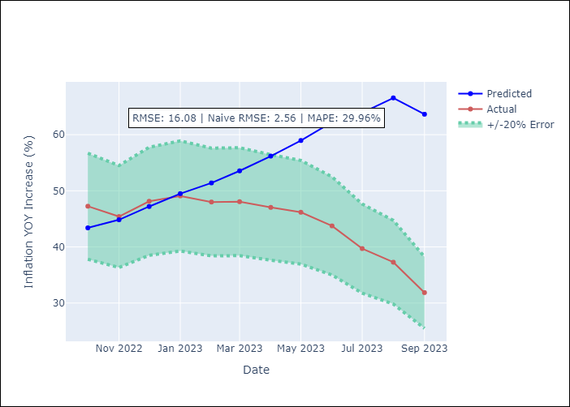

Appendix A: Model Summary
Model | ARIMA(3, 0, 1)x(2, 0, [], 12)
Sample | 01-01-2011- 09-01-2023
No. of Observations | 153
Terms | P-value (Statistical significance)
const | 0.109
ar.L1 | 0.000
ar.L2 | 0.012
ar.L3 | 0.000
ma.L1 | 0.000
ar.S.L12 | 0.000
ar.S.L24 | 0.000
sigma2 | 0.000
Assumptions | P-value
Ljung-Box (L1) | 0.69
Heteroskedasticity | 0.00
Jarque-Bera | 0.00
Skew | -0.03
Kurtosis | 10.97

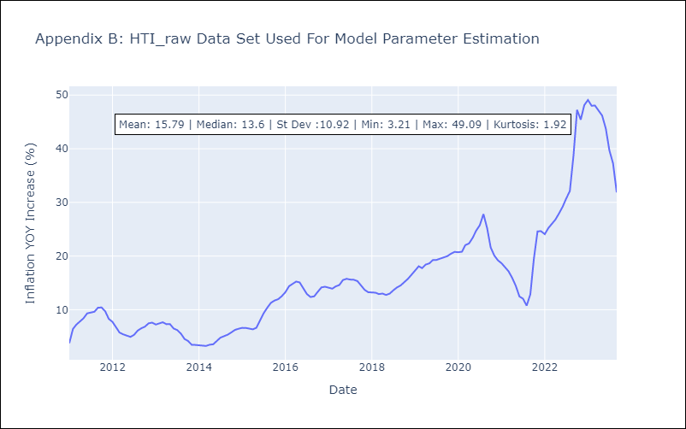

Appendix C: Residuals Analysis
Mean | -0.27
White Noise? | No - Correlation at Lags [ 2 3 4 5 6 7 8 12]
Normal? | No

MEX
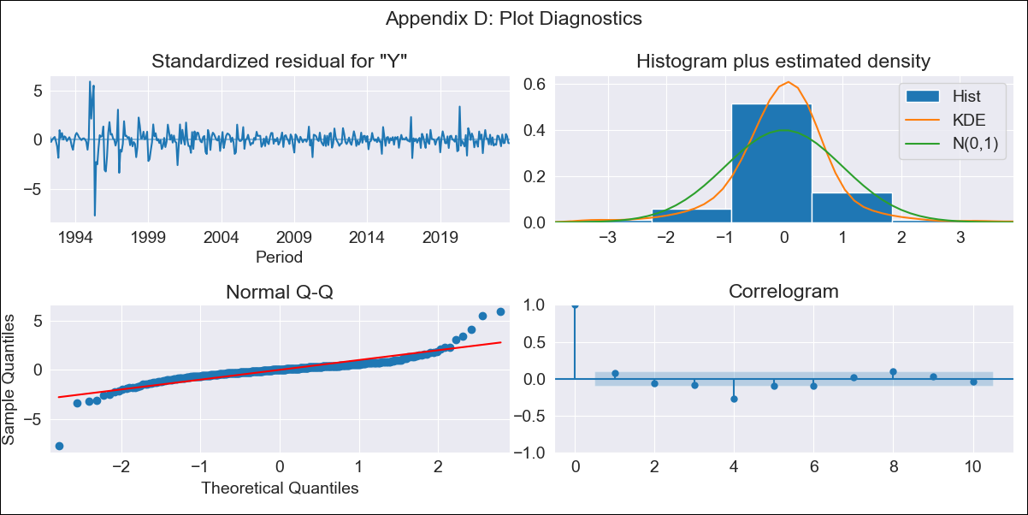
MEX - Inflation - Next 12 months forecast as of: 2023-10-01

Model | ARIMA - [(0, 2, 0), (2, 0, 2, 12)]
Training Data | 1990-01-01 to 2022-11-01
Test Data | 2022-11-01 to 2023-10-01

Date | Inflation Change YoY % | Lower Bound - 95% Confidence Interval | Upper Bound - 95% Confidence Interval
2023-11-01 | 4.15 | 3.14 | 5.16
2023-12-01 | 4.04 | 1.78 | 6.3
2024-01-01 | 3.82 | 0.04 | 7.6
2024-02-01 | 3.53 | -2.01 | 9.06
2024-03-01 | 3.48 | -4.02 | 10.97
2024-04-01 | 3.21 | -6.43 | 12.86
2024-05-01 | 3.12 | -8.84 | 15.08
2024-06-01 | 3.09 | -11.35 | 17.53
2024-07-01 | 2.88 | -14.19 | 19.95
2024-08-01 | 2.48 | -17.36 | 22.32
2024-09-01 | 2.28 | -20.46 | 25.03
2024-10-01 | 2.27 | -23.51 | 28.04

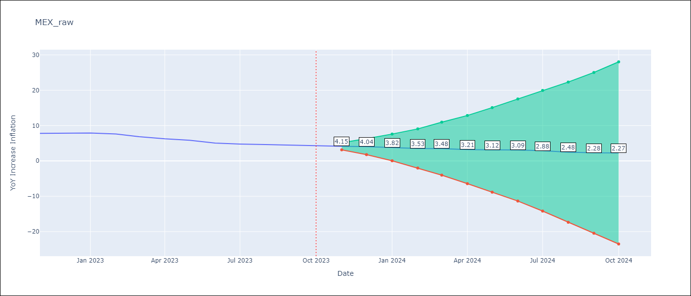

Test Metrics
RMSE | 0.28
Naive RMSE | 0.43
MAPE | 4.42%

Test Predictions
Date | Predicted | Actual
2022-11-01 | 8.06 | 7.8
2022-12-01 | 8.12 | 7.82
2023-01-01 | 8.05 | 7.91
2023-02-01 | 7.63 | 7.62
2023-03-01 | 7.06 | 6.85
2023-04-01 | 6.37 | 6.25
2023-05-01 | 6.07 | 5.84
2023-06-01 | 5.55 | 5.06
2023-07-01 | 5.24 | 4.79
2023-08-01 | 4.87 | 4.64
2023-09-01 | 4.62 | 4.45
2023-10-01 | 4.56 | 4.26

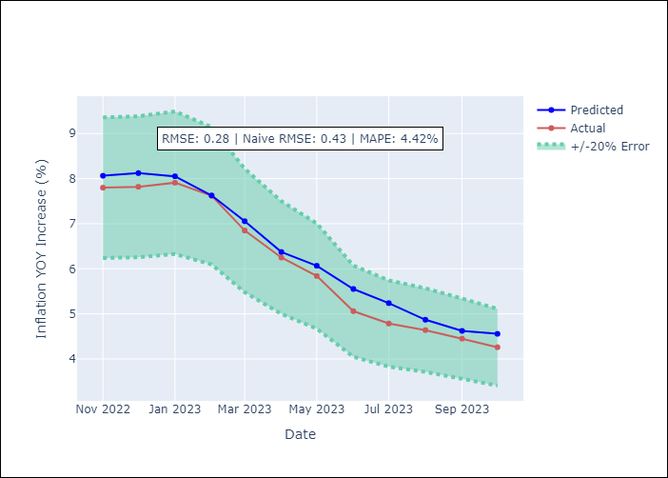

Appendix A: Model Summary
Model | ARIMA(0, 2, 0)x(2, 0, [1, 2], 12)
Sample | 01-01-1990- 10-01-2023
No. of Observations | 406
Terms | P-value (Statistical significance)
ar.S.L12 | 0.971
ar.S.L24 | 0.046
ma.S.L12 | 0.000
ma.S.L24 | 0.707
sigma2 | 0.000
Assumptions | P-value
Ljung-Box (L1) | 0.16
Heteroskedasticity | 0.00
Jarque-Bera | 0.00
Skew | -0.23
Kurtosis | 18.53

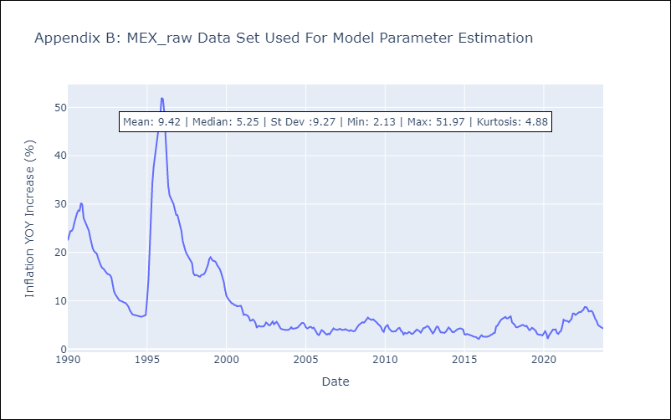

Appendix C: Residuals Analysis
Mean | 0.02
White Noise? | No - Correlation at Lags [ 1 2 3 4 5 6 7 8 9 10 11 12]
Normal? | No

NIC
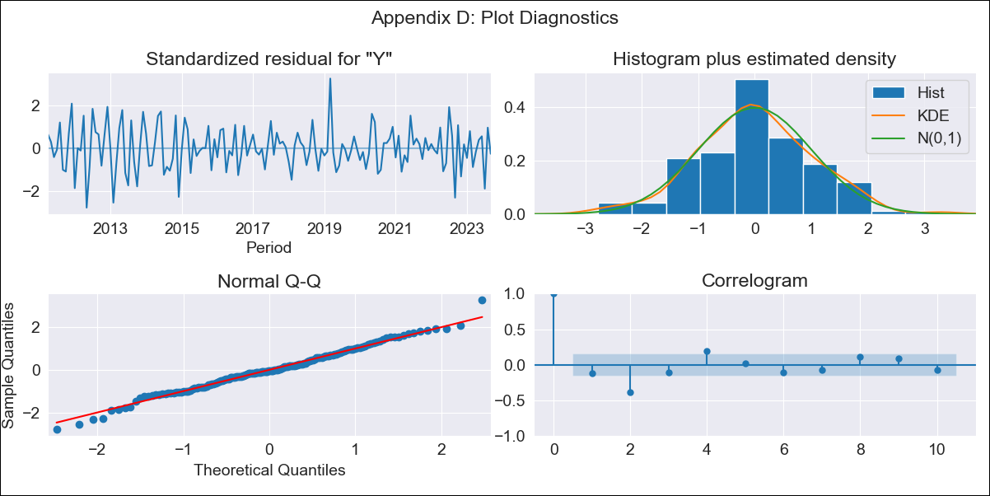
NIC - Inflation - Next 12 months forecast as of: 2023-09-01

Model | SARIMAX - [(1, 2, 0), (3, 0, 1, 12)] | Exogenous Variables | Exchange rates (nominal), Monetary Policiy rate, M1 money supply ($mm local currency)
Training Data | 2008-01-01 to 2022-10-01
Test Data | 2022-10-01 to 2023-09-01

Date | Inflation Change YoY % | Lower Bound - 95% Confidence Interval | Upper Bound - 95% Confidence Interval
2023-10-01 | 6.29 | 5.18 | 7.4
2023-11-01 | 6.34 | 4.2 | 8.48
2023-12-01 | 5.94 | 2.5 | 9.37
2024-01-01 | 5.98 | 1.08 | 10.88
2024-02-01 | 5.55 | -0.98 | 12.08
2024-03-01 | 5.3 | -3.01 | 13.62
2024-04-01 | 5.08 | -5.15 | 15.31
2024-05-01 | 4.73 | -7.54 | 17
2024-06-01 | 4.43 | -10.01 | 18.87
2024-07-01 | 4.92 | -11.8 | 21.63
2024-08-01 | 4.75 | -14.35 | 23.86
2024-09-01 | 4.97 | -16.62 | 26.56

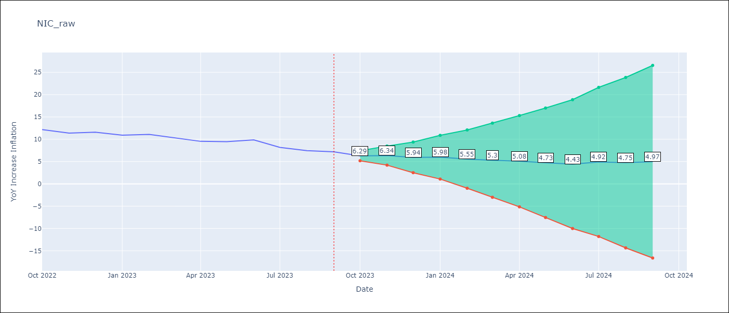

Test Metrics
RMSE | 0.63
Naive RMSE | 0.74
MAPE | 6.03%

Test Predictions
Date | Predicted | Actual
2022-10-01 | 11.45 | 12.16
2022-11-01 | 11.02 | 11.38
2022-12-01 | 10.83 | 11.59
2023-01-01 | 10.44 | 10.92
2023-02-01 | 10.25 | 11.1
2023-03-01 | 9.94 | 10.39
2023-04-01 | 9.32 | 9.53
2023-05-01 | 9.3 | 9.47
2023-06-01 | 9.48 | 9.87
2023-07-01 | 8.79 | 8.17
2023-08-01 | 8.13 | 7.46
2023-09-01 | 8.3 | 7.17

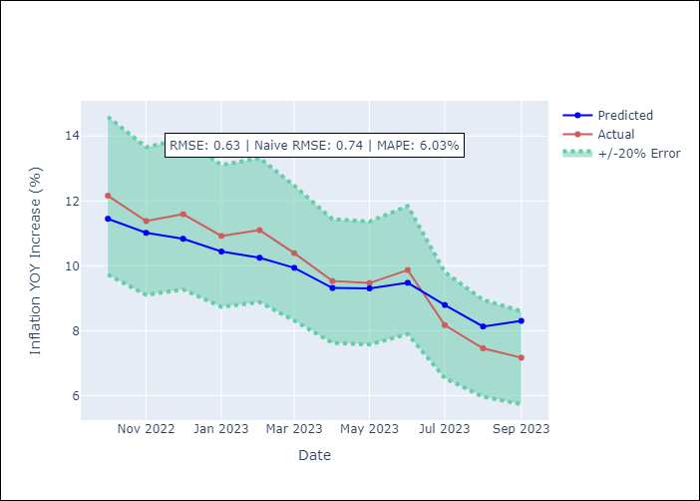

Appendix A: Model Summary
Model | SARIMAX(1, 2, 0)x(3, 0, [1], 12)
Sample | 01-01-2008- 09-01-2023
No. of Observations | 189
Terms | P-value (Statistical significance)
Exchange rates (nominal) | 0.212
Monetary Policiy rate | 0.724
M1 money supply ($mm local currency) | 0.371
ar.L1 | 0.000
ar.S.L12 | 0.000
ar.S.L24 | 0.000
ar.S.L36 | 0.008
ma.S.L12 | 0.482
sigma2 | 0.000
Assumptions | P-value
Ljung-Box (L1) | 0.14
Heteroskedasticity | 0.01
Jarque-Bera | 0.66
Skew | 0.03
Kurtosis | 3.36

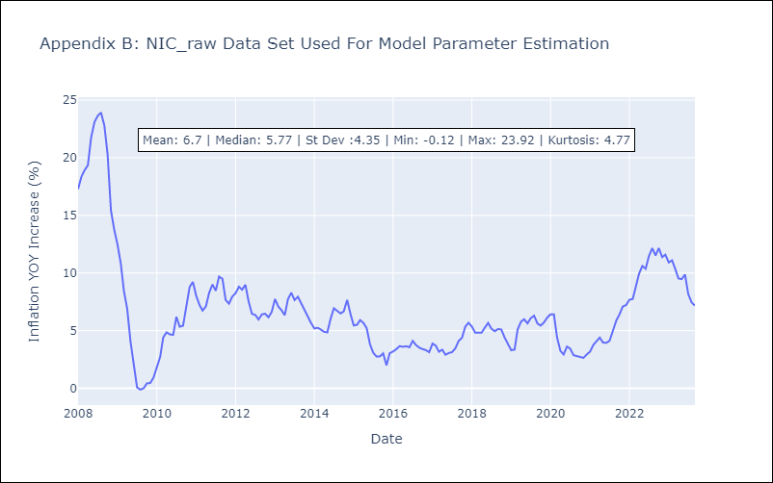

Appendix C: Residuals Analysis
Mean | -0.01
White Noise? | No - Correlation at Lags [ 1 2 3 4 5 6 7 8 9 10 11 12]
Normal? | No

PAN
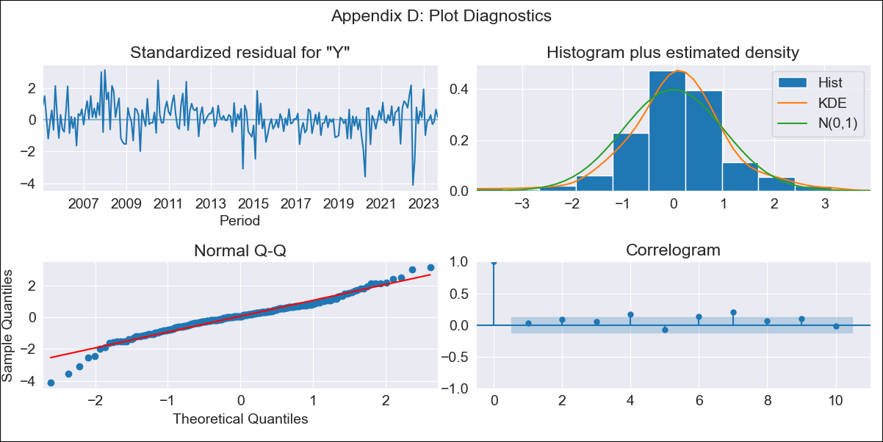
PAN - Inflation - Next 12 months forecast as of: 2023-09-01

Model | SARIMAX - [(1, 0, 1), (0, 0, 1, 12)] | Exogenous Variables | Exchange rates (nominal), M1 money supply ($mm local currency)
Training Data | 2003-12-01 to 2022-10-01
Test Data | 2022-10-01 to 2023-09-01

Date | Inflation Change YoY % | Lower Bound - 95% Confidence Interval | Upper Bound - 95% Confidence Interval
2023-10-01 | 2.32 | 1.57 | 3.08
2023-11-01 | 2.14 | 0.91 | 3.37
2023-12-01 | 2.02 | 0.45 | 3.59
2024-01-01 | 1.3 | -0.54 | 3.14
2024-02-01 | 1.43 | -0.64 | 3.51
2024-03-01 | 1.59 | -0.7 | 3.87
2024-04-01 | 1.59 | -0.88 | 4.06
2024-05-01 | 1.46 | -1.18 | 4.11
2024-06-01 | 1.53 | -1.27 | 4.33
2024-07-01 | 1.59 | -1.36 | 4.54
2024-08-01 | 1.36 | -1.74 | 4.45
2024-09-01 | 1.22 | -2.01 | 4.45

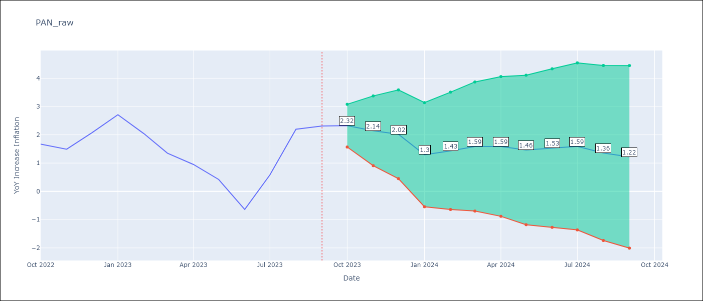

Test Metrics
RMSE | 0.67
Naive RMSE | 0.82
MAPE | 56.22%

Test Predictions
Date | Predicted | Actual
2022-10-01 | 1.77 | 1.67
2022-11-01 | 1.41 | 1.49
2022-12-01 | 1.86 | 2.07
2023-01-01 | 1.75 | 2.71
2023-02-01 | 1.23 | 2.04
2023-03-01 | 0.71 | 1.35
2023-04-01 | 0.32 | 0.95
2023-05-01 | -0.33 | 0.42
2023-06-01 | -1.3 | -0.64
2023-07-01 | -0.02 | 0.58
2023-08-01 | 1.35 | 2.2
2023-09-01 | 1.34 | 2.31

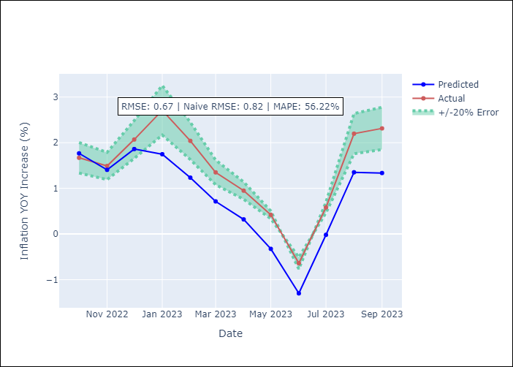

Appendix A: Model Summary
Model | SARIMAX(1, 0, 1)x(0, 0, 1, 12)
Sample | 12-01-2003- 09-01-2023
No. of Observations | 238
Terms | P-value (Statistical significance)
Exchange rates (nominal) | nan
M1 money supply ($mm local currency) | 0.427
ar.L1 | 0.000
ma.L1 | 0.000
ma.S.L12 | 0.984
sigma2 | 0.985
Assumptions | P-value
Ljung-Box (L1) | 0.71
Heteroskedasticity | 0.48
Jarque-Bera | 0.00
Skew | -0.39
Kurtosis | 5.30

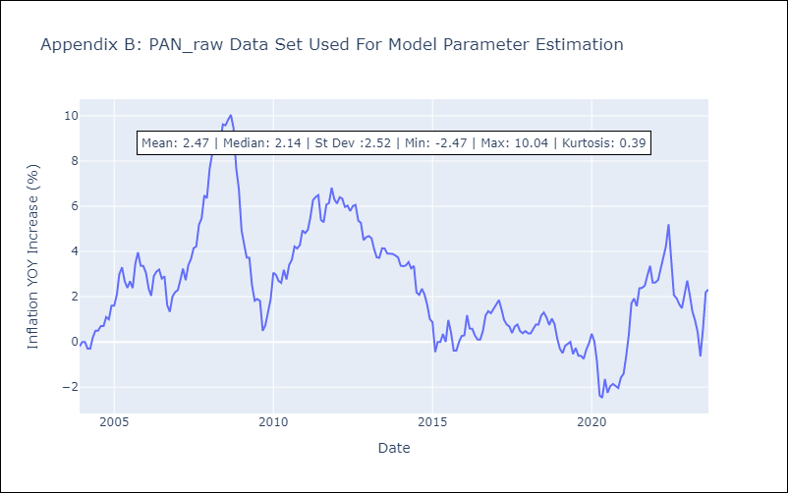

Appendix C: Residuals Analysis
Mean | 0.04
White Noise? | No - Correlation at Lags [ 4 5 6 7 8 9 10 11 12]
Normal? | No

SLV
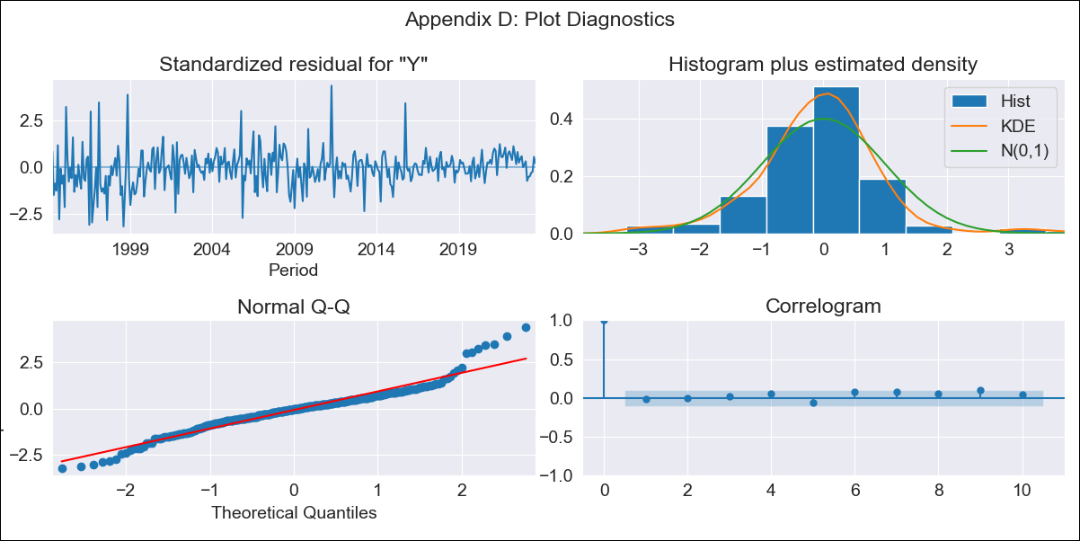
SLV - Inflation - Next 12 months forecast as of: 2023-09-01

Model | ARIMA - [(2, 1, 0), (3, 0, 0, 12)]
Training Data | 1991-01-01 to 2022-10-01
Test Data | 2022-10-01 to 2023-09-01

Date | Inflation Change YoY % | Lower Bound - 95% Confidence Interval | Upper Bound - 95% Confidence Interval
2023-10-01 | 2.81 | 1.53 | 4.08
2023-11-01 | 2.59 | 0.73 | 4.46
2023-12-01 | 2.63 | 0.19 | 5.07
2024-01-01 | 2.59 | -0.33 | 5.5
2024-02-01 | 2.5 | -0.84 | 5.85
2024-03-01 | 2.91 | -0.82 | 6.63
2024-04-01 | 3.22 | -0.85 | 7.3
2024-05-01 | 3.56 | -0.84 | 7.95
2024-06-01 | 3.88 | -0.81 | 8.58
2024-07-01 | 4.2 | -0.78 | 9.17
2024-08-01 | 4.09 | -1.16 | 9.33
2024-09-01 | 4.09 | -1.41 | 9.59

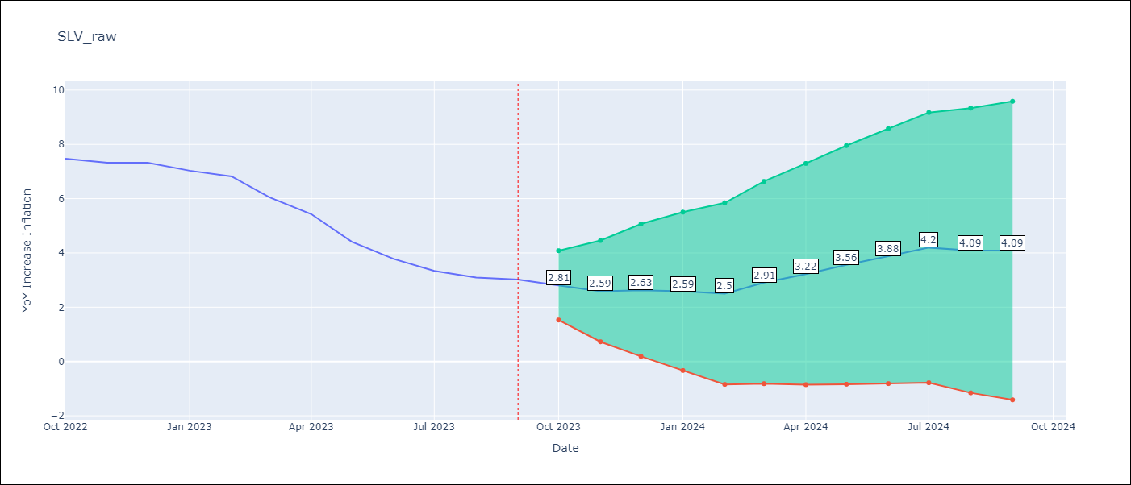

Test Metrics
RMSE | 0.61
Naive RMSE | 0.51
MAPE | 9.98%

Test Predictions
Date | Predicted | Actual
2022-10-01 | 7.18 | 7.47
2022-11-01 | 6.64 | 7.32
2022-12-01 | 6.57 | 7.32
2023-01-01 | 6.14 | 7.03
2023-02-01 | 5.71 | 6.82
2023-03-01 | 5.38 | 6.05
2023-04-01 | 5.11 | 5.43
2023-05-01 | 4.51 | 4.41
2023-06-01 | 4.16 | 3.78
2023-07-01 | 3.98 | 3.34
2023-08-01 | 3.44 | 3.09
2023-09-01 | 3.26 | 3.02

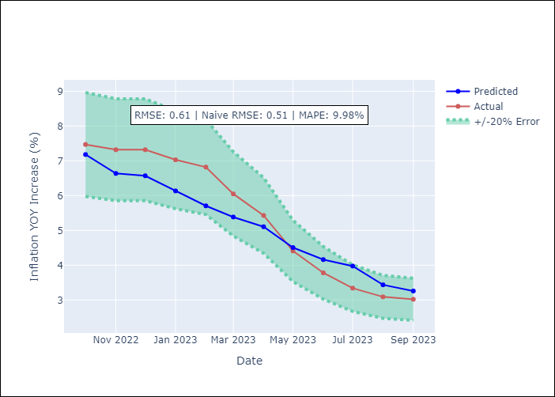

Appendix A: Model Summary
Model | ARIMA(2, 1, 0)x(3, 0, 0, 12)
Sample | 01-01-1991- 09-01-2023
No. of Observations | 393
Terms | P-value (Statistical significance)
ar.L1 | 0.118
ar.L2 | 0.000
ar.S.L12 | 0.000
ar.S.L24 | 0.000
ar.S.L36 | 0.000
sigma2 | 0.000
Assumptions | P-value
Ljung-Box (L1) | 0.77
Heteroskedasticity | 0.00
Jarque-Bera | 0.00
Skew | 0.35
Kurtosis | 5.98

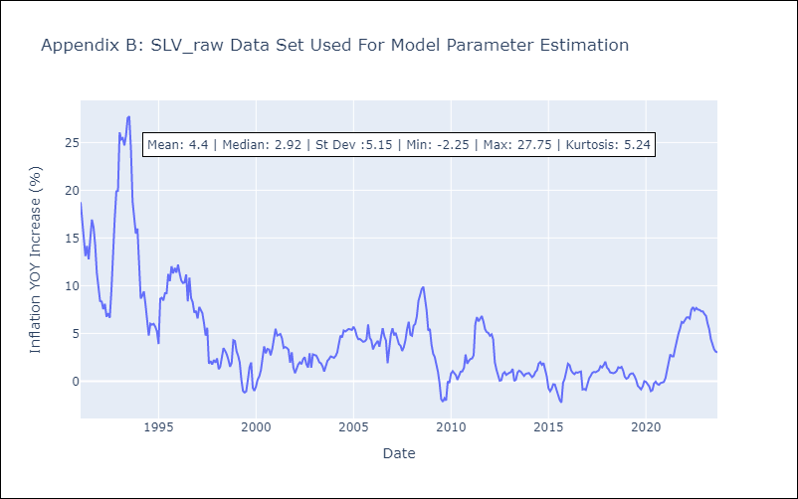

Appendix C: Residuals Analysis
Mean | -0.0
White Noise? | No - Correlation at Lags [ 2 3 4 5 6 7 8 9 10 11 12]
Normal? | No

