CAR13
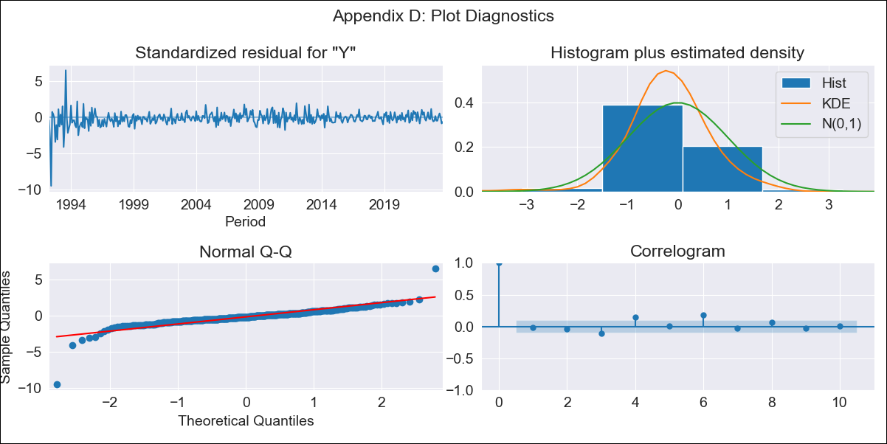
CAR13 - Inflation - Next 12 months forecast as of: 2023-09-01

Model | ARIMA - [(3, 1, 1), (0, 0, 1, 12)]
Training Data | 1991-01-01 to 2022-10-01
Test Data | 2022-10-01 to 2023-09-01

Date | Inflation Change YoY % | Lower Bound - 95% Confidence Interval | Upper Bound - 95% Confidence Interval
2023-10-01 | 2.29 | 1.07 | 3.52
2023-11-01 | 1.76 | -0.34 | 3.85
2023-12-01 | 1.54 | -1.45 | 4.53
2024-01-01 | 1.41 | -2.59 | 5.41
2024-02-01 | 1.18 | -3.8 | 6.16
2024-03-01 | 1.3 | -4.67 | 7.26
2024-04-01 | 1.54 | -5.4 | 8.47
2024-05-01 | 1.55 | -6.34 | 9.43
2024-06-01 | 1.36 | -7.46 | 10.17
2024-07-01 | 1.31 | -8.41 | 11.03
2024-08-01 | 1.71 | -8.88 | 12.31
2024-09-01 | 2.17 | -9.28 | 13.62

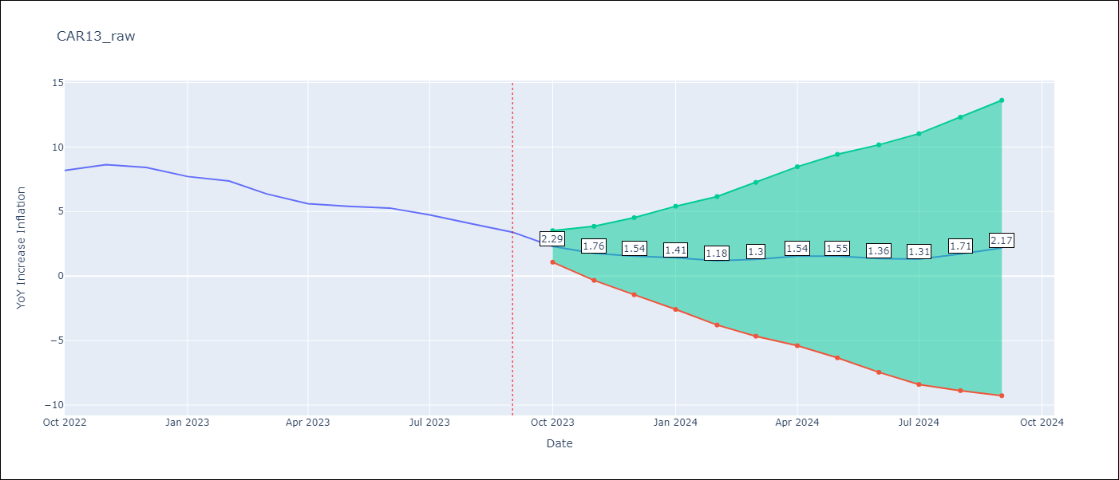

Test Metrics
RMSE | 0.86
Naive RMSE | 0.58
MAPE | 14.51%

Test Predictions
Date | Predicted | Actual
2022-10-01 | 7.48 | 8.19
2022-11-01 | 7.8 | 8.63
2022-12-01 | 7.76 | 8.41
2023-01-01 | 7.28 | 7.71
2023-02-01 | 6.98 | 7.37
2023-03-01 | 6.37 | 6.37
2023-04-01 | 6.1 | 5.6
2023-05-01 | 6.1 | 5.41
2023-06-01 | 5.9 | 5.27
2023-07-01 | 5.45 | 4.74
2023-08-01 | 5.35 | 4.06
2023-09-01 | 5.33 | 3.4

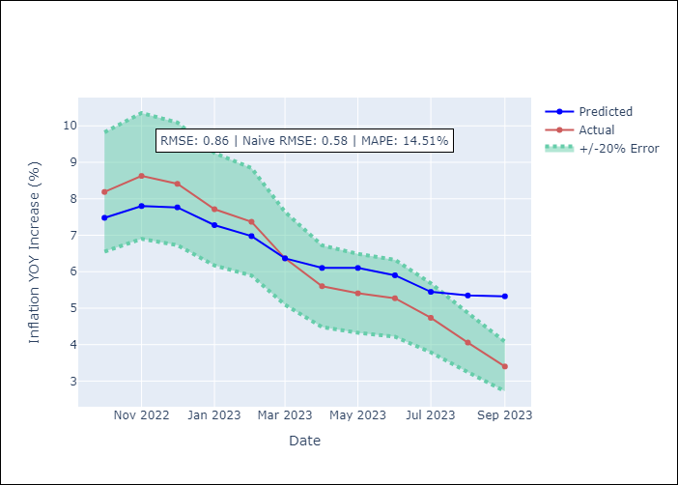

Appendix A: Model Summary
Model | ARIMA(3, 1, 1)x(0, 0, 1, 12)
Sample | 01-01-1991- 09-01-2023
No. of Observations | 393
Terms | P-value (Statistical significance)
ar.L1 | 0.519
ar.L2 | 0.000
ar.L3 | 0.000
ma.L1 | 0.001
ma.S.L12 | 0.000
sigma2 | 0.000
Assumptions | P-value
Ljung-Box (L1) | 0.67
Heteroskedasticity | 0.00
Jarque-Bera | 0.00
Skew | -1.66
Kurtosis | 29.19

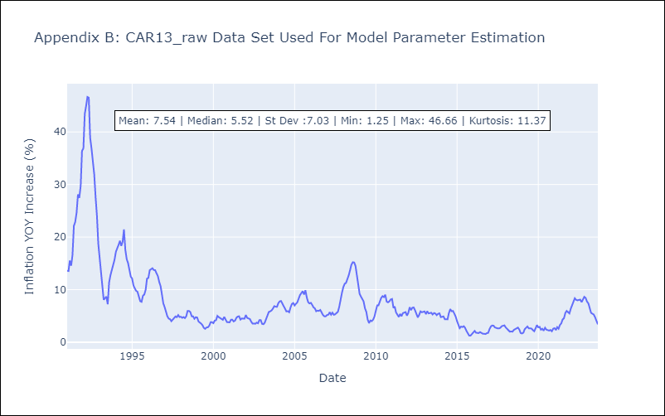

Appendix C: Residuals Analysis
Mean | -0.06
White Noise? | No - Correlation at Lags [ 5 6 7 8 9 10 11 12]
Normal? | No

CEN09
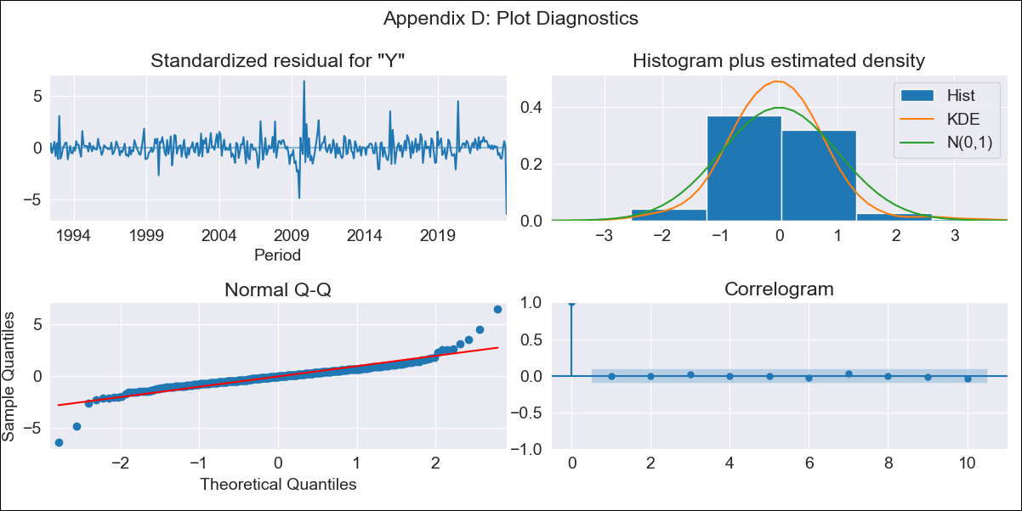
CEN09 - Inflation - Next 12 months forecast as of: 2023-10-01

Model | ARIMA - [(3, 1, 1), (2, 0, 0, 12)]
Training Data | 1990-01-01 to 2022-11-01
Test Data | 2022-11-01 to 2023-10-01

Date | Inflation Change YoY % | Lower Bound - 95% Confidence Interval | Upper Bound - 95% Confidence Interval
2023-11-01 | 1.69 | 1.32 | 2.12
2023-12-01 | 1.39 | 0.83 | 2.11
2024-01-01 | 1.3 | 0.59 | 2.32
2024-02-01 | 1.3 | 0.45 | 2.64
2024-03-01 | 1.41 | 0.41 | 3.12
2024-04-01 | 1.54 | 0.4 | 3.64
2024-05-01 | 1.73 | 0.42 | 4.28
2024-06-01 | 1.93 | 0.45 | 4.96
2024-07-01 | 2.05 | 0.45 | 5.48
2024-08-01 | 2.05 | 0.39 | 5.75
2024-09-01 | 2.01 | 0.32 | 5.92
2024-10-01 | 2.67 | 0.54 | 7.79

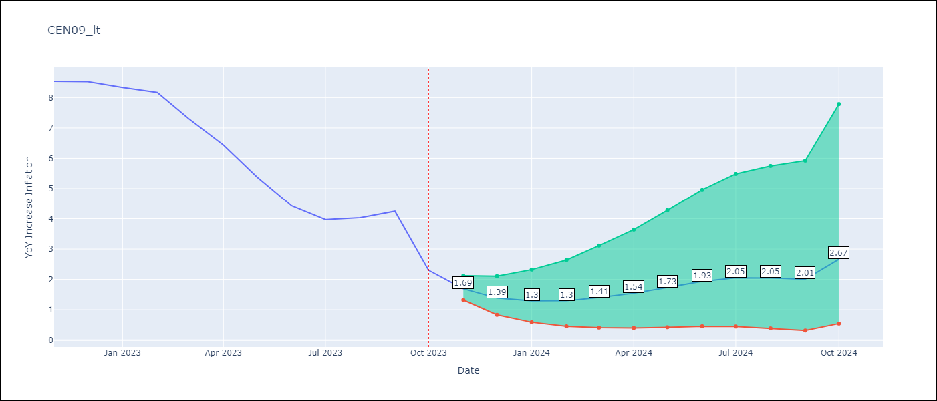

Test Metrics
RMSE | 1.8
Naive RMSE | 0.83
MAPE | 36.19%

Test Predictions
Date | Predicted | Actual
2022-11-01 | 8.63 | 8.54
2022-12-01 | 8.49 | 8.53
2023-01-01 | 8.2 | 8.33
2023-02-01 | 7.89 | 8.17
2023-03-01 | 7.44 | 7.31
2023-04-01 | 7.03 | 6.44
2023-05-01 | 6.68 | 5.38
2023-06-01 | 6.47 | 4.42
2023-07-01 | 6.38 | 3.97
2023-08-01 | 6.35 | 4.04
2023-09-01 | 6.41 | 4.25
2023-10-01 | 6.39 | 2.3

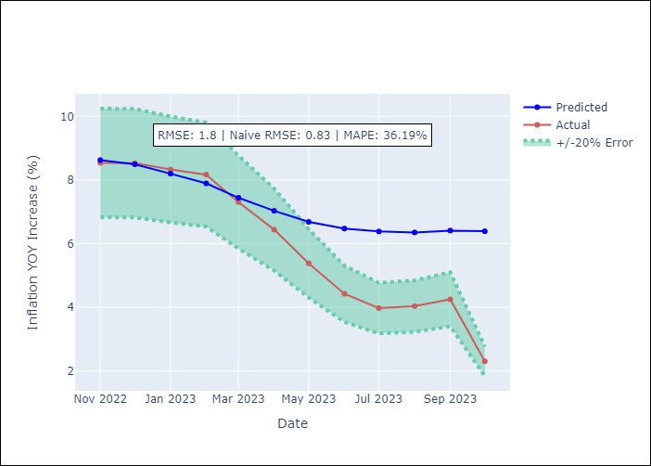

Appendix A: Model Summary
Model | ARIMA(3, 1, 1)x(2, 0, [], 12)
Sample | 01-01-1990- 10-01-2023
No. of Observations | 406
Terms | P-value (Statistical significance)
ar.L1 | 0.045
ar.L2 | 0.402
ar.L3 | 0.213
ma.L1 | 0.283
ar.S.L12 | 0.000
ar.S.L24 | 0.000
sigma2 | 0.000
Assumptions | P-value
Ljung-Box (L1) | 0.96
Heteroskedasticity | 0.00
Jarque-Bera | 0.00
Skew | 0.20
Kurtosis | 13.89

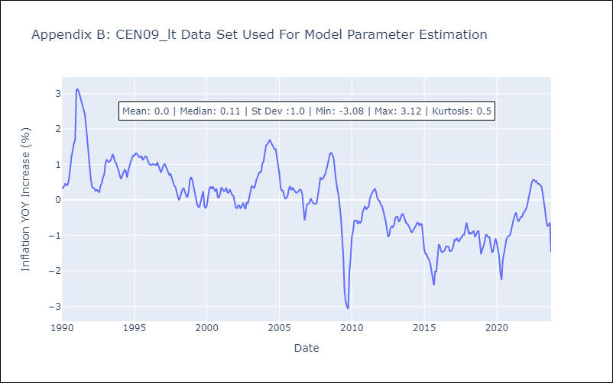

Appendix C: Residuals Analysis
Mean | -0.0
White Noise? | No - Correlation at Lags [ 1 2 3 4 5 6 7 8 9 10 11 12]
Normal? | No

CEN10
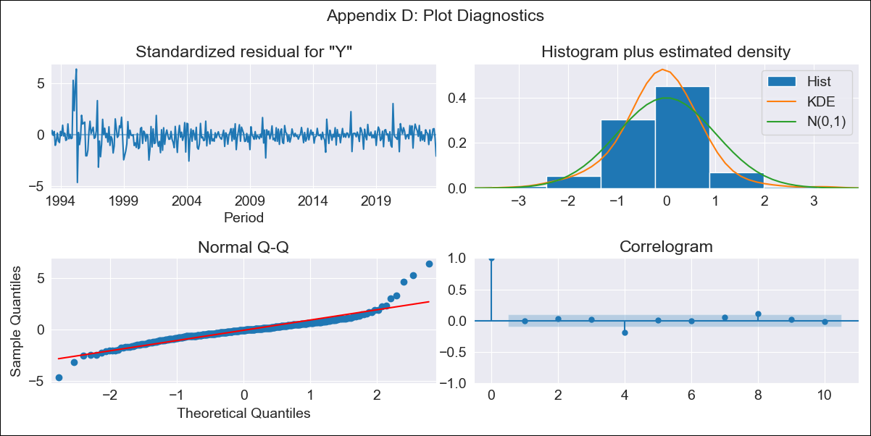
CEN10 - Inflation - Next 12 months forecast as of: 2023-10-01

Model | ARIMA - [(2, 1, 0), (3, 0, 1, 12)]
Training Data | 1990-01-01 to 2022-11-01
Test Data | 2022-11-01 to 2023-10-01

Date | Inflation Change YoY % | Lower Bound - 95% Confidence Interval | Upper Bound - 95% Confidence Interval
2023-11-01 | 3.01 | 2.3 | 3.72
2023-12-01 | 2.49 | 0.95 | 4.03
2024-01-01 | 2.02 | -0.42 | 4.46
2024-02-01 | 1.57 | -1.78 | 4.92
2024-03-01 | 1.45 | -2.79 | 5.69
2024-04-01 | 1.23 | -3.88 | 6.33
2024-05-01 | 1.25 | -4.69 | 7.18
2024-06-01 | 1.31 | -5.41 | 8.04
2024-07-01 | 1.25 | -6.23 | 8.72
2024-08-01 | 0.98 | -7.21 | 9.17
2024-09-01 | 0.88 | -7.99 | 9.75
2024-10-01 | 1.41 | -8.11 | 10.93

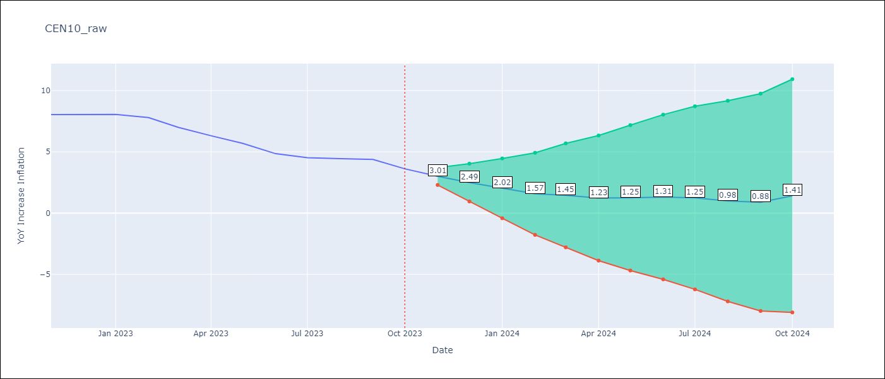

Test Metrics
RMSE | 0.75
Naive RMSE | 0.52
MAPE | 13.16%

Test Predictions
Date | Predicted | Actual
2022-11-01 | 8.28 | 8.04
2022-12-01 | 8.33 | 8.05
2023-01-01 | 8.25 | 8.05
2023-02-01 | 7.89 | 7.8
2023-03-01 | 7.35 | 7
2023-04-01 | 6.74 | 6.31
2023-05-01 | 6.37 | 5.69
2023-06-01 | 5.85 | 4.85
2023-07-01 | 5.59 | 4.52
2023-08-01 | 5.31 | 4.44
2023-09-01 | 5.18 | 4.38
2023-10-01 | 5.14 | 3.62

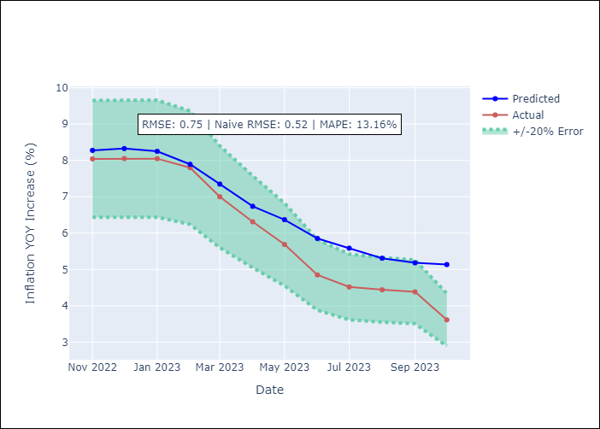

Appendix A: Model Summary
Model | ARIMA(2, 1, 0)x(3, 0, [1], 12)
Sample | 01-01-1990- 10-01-2023
No. of Observations | 406
Terms | P-value (Statistical significance)
ar.L1 | 0.000
ar.L2 | 0.021
ar.S.L12 | 0.879
ar.S.L24 | 0.001
ar.S.L36 | 0.110
ma.S.L12 | 0.000
sigma2 | 0.000
Assumptions | P-value
Ljung-Box (L1) | 0.84
Heteroskedasticity | 0.00
Jarque-Bera | 0.00
Skew | 1.12
Kurtosis | 12.02

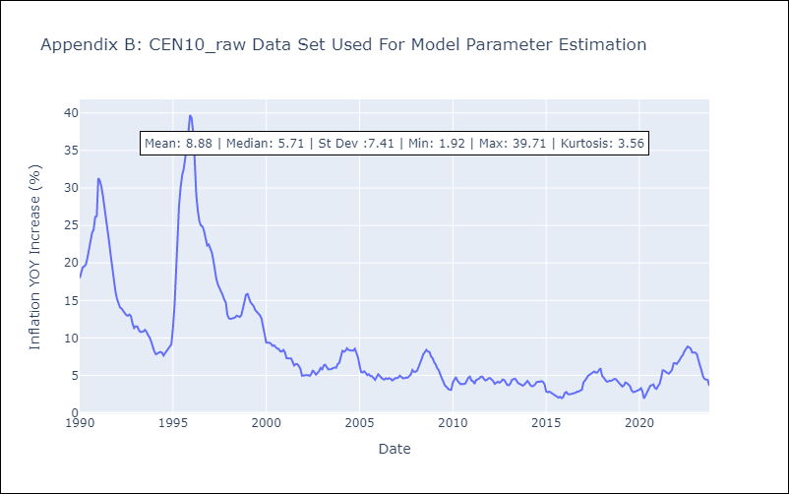

Appendix C: Residuals Analysis
Mean | -0.0
White Noise? | No - Correlation at Lags [ 1 2 3 4 5 6 7 8 9 10 11 12]
Normal? | No

R01
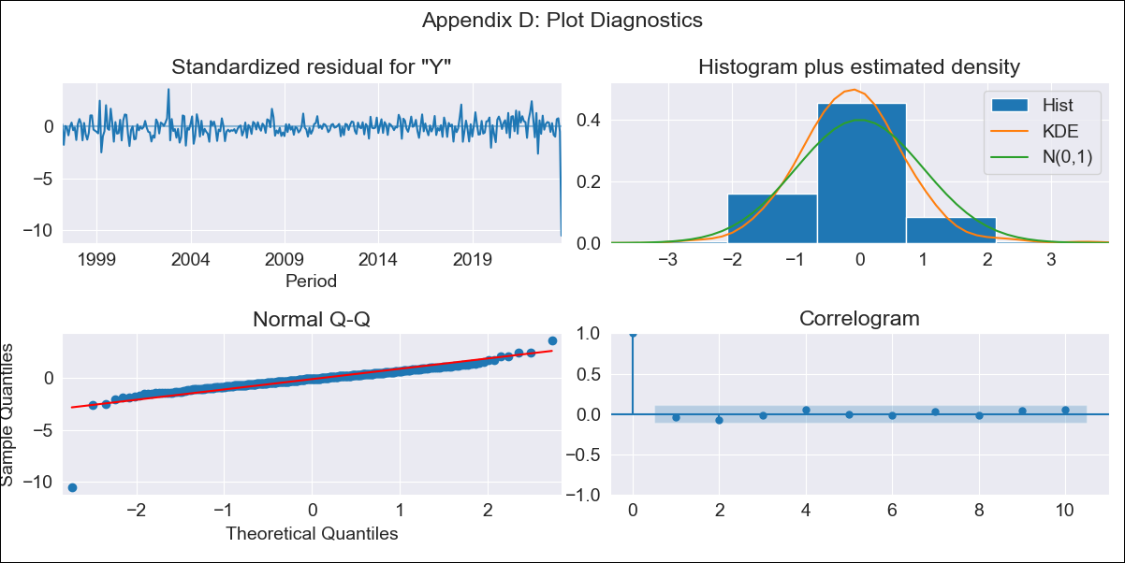
R01 - Inflation - Next 12 months forecast as of: 2023-10-01

Model | ARIMA - [(1, 1, 0), (0, 0, 1, 12)]
Training Data | 1996-01-01 to 2022-11-01
Test Data | 2022-11-01 to 2023-10-01

Date | Inflation Change YoY % | Lower Bound - 95% Confidence Interval | Upper Bound - 95% Confidence Interval
2023-11-01 | 1.06 | 0.62 | 1.5
2023-12-01 | -0.23 | -1.11 | 0.64
2024-01-01 | -1.25 | -2.57 | 0.08
2024-02-01 | -2.04 | -3.81 | -0.28
2024-03-01 | -2.52 | -4.71 | -0.34
2024-04-01 | -2.92 | -5.5 | -0.34
2024-05-01 | -3.06 | -6.01 | -0.1
2024-06-01 | -2.97 | -6.28 | 0.34
2024-07-01 | -3.03 | -6.67 | 0.62
2024-08-01 | -3.21 | -7.17 | 0.75
2024-09-01 | -3.24 | -7.5 | 1.02
2024-10-01 | -1.34 | -5.89 | 3.2

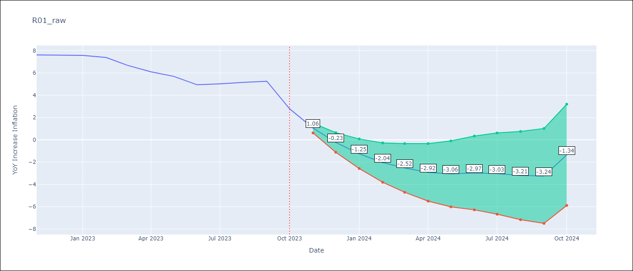

Test Metrics
RMSE | 0.87
Naive RMSE | 0.84
MAPE | 12.19%

Test Predictions
Date | Predicted | Actual
2022-11-01 | 7.69 | 7.62
2022-12-01 | 7.69 | 7.61
2023-01-01 | 7.56 | 7.58
2023-02-01 | 7.23 | 7.38
2023-03-01 | 6.58 | 6.68
2023-04-01 | 5.97 | 6.11
2023-05-01 | 5.73 | 5.69
2023-06-01 | 5.34 | 4.94
2023-07-01 | 5.52 | 5.02
2023-08-01 | 5.56 | 5.15
2023-09-01 | 5.71 | 5.26
2023-10-01 | 5.66 | 2.79

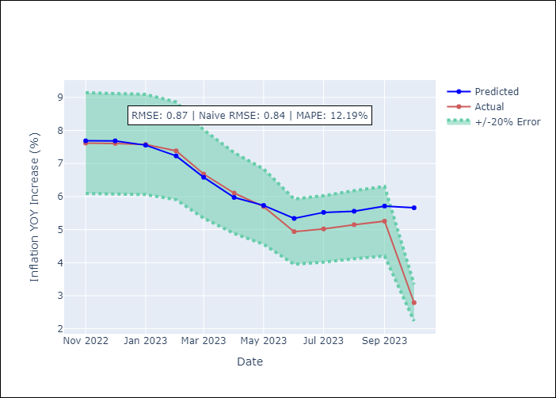

Appendix A: Model Summary
Model | ARIMA(1, 1, 0)x(0, 0, [1], 12)
Sample | 01-01-1996- 10-01-2023
No. of Observations | 334
Terms | P-value (Statistical significance)
ar.L1 | 0.000
ma.S.L12 | 0.000
sigma2 | 0.000
Assumptions | P-value
Ljung-Box (L1) | 0.43
Heteroskedasticity | 0.00
Jarque-Bera | 0.00
Skew | -3.35
Kurtosis | 39.50

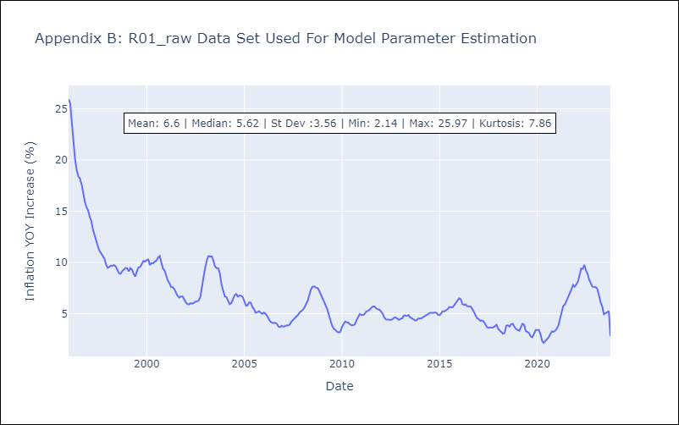

Appendix C: Residuals Analysis
Mean | 0.01
White Noise? | No - Correlation at Lags [ 1 2 3 4 5 6 7 8 9 10 11 12]
Normal? | No

R02

R02 - Inflation - Next 12 months forecast as of: 2023-10-01

Model | ARIMA - [(1, 1, 0), (0, 0, 1, 12)]
Training Data | 1996-01-01 to 2022-11-01
Test Data | 2022-11-01 to 2023-10-01

Date | Inflation Change YoY % | Lower Bound - 95% Confidence Interval | Upper Bound - 95% Confidence Interval
2023-11-01 | 1.1 | 0.66 | 1.54
2023-12-01 | -0.2 | -1.08 | 0.69
2024-01-01 | -1.21 | -2.54 | 0.12
2024-02-01 | -2.01 | -3.78 | -0.23
2024-03-01 | -2.48 | -4.68 | -0.29
2024-04-01 | -2.89 | -5.48 | -0.29
2024-05-01 | -3.02 | -6 | -0.05
2024-06-01 | -2.93 | -6.26 | 0.4
2024-07-01 | -2.99 | -6.65 | 0.67
2024-08-01 | -3.17 | -7.16 | 0.81
2024-09-01 | -3.21 | -7.49 | 1.07
2024-10-01 | -1.33 | -5.89 | 3.24

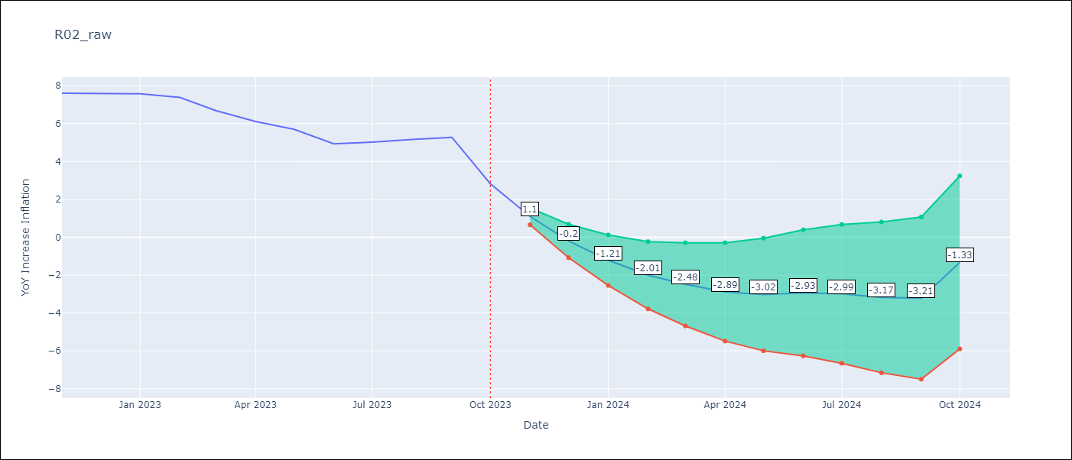

Test Metrics
RMSE | 0.85
Naive RMSE | 0.84
MAPE | 11.79%

Test Predictions
Date | Predicted | Actual
2022-11-01 | 7.67 | 7.61
2022-12-01 | 7.67 | 7.6
2023-01-01 | 7.53 | 7.58
2023-02-01 | 7.21 | 7.38
2023-03-01 | 6.56 | 6.69
2023-04-01 | 5.95 | 6.11
2023-05-01 | 5.7 | 5.7
2023-06-01 | 5.31 | 4.94
2023-07-01 | 5.5 | 5.03
2023-08-01 | 5.53 | 5.16
2023-09-01 | 5.69 | 5.28
2023-10-01 | 5.65 | 2.82



Appendix A: Model Summary
Model | ARIMA(1, 1, 0)x(0, 0, [1], 12)
Sample | 01-01-1996- 10-01-2023
No. of Observations | 334
Terms | P-value (Statistical significance)
ar.L1 | 0.000
ma.S.L12 | 0.000
sigma2 | 0.000
Assumptions | P-value
Ljung-Box (L1) | 0.46
Heteroskedasticity | 0.00
Jarque-Bera | 0.00
Skew | -3.31
Kurtosis | 38.85



Appendix C: Residuals Analysis
Mean | 0.01
White Noise? | No - Correlation at Lags [ 1 2 3 4 5 6 7 8 9 10 11 12]
Normal? | No

R07
R07 - Inflation - Next 12 months forecast as of: 2023-09-01

Model | ARIMA - [(3, 1, 1), (0, 0, 1, 12)]
Training Data | 1991-01-01 to 2022-10-01
Test Data | 2022-10-01 to 2023-09-01

Date | Inflation Change YoY % | Lower Bound - 95% Confidence Interval | Upper Bound - 95% Confidence Interval
2023-10-01 | 2.29 | 1.07 | 3.52
2023-11-01 | 1.76 | -0.34 | 3.85
2023-12-01 | 1.54 | -1.45 | 4.53
2024-01-01 | 1.41 | -2.59 | 5.41
2024-02-01 | 1.18 | -3.8 | 6.16
2024-03-01 | 1.3 | -4.67 | 7.26
2024-04-01 | 1.54 | -5.4 | 8.47
2024-05-01 | 1.55 | -6.34 | 9.43
2024-06-01 | 1.36 | -7.46 | 10.17
2024-07-01 | 1.31 | -8.41 | 11.03
2024-08-01 | 1.71 | -8.88 | 12.31
2024-09-01 | 2.17 | -9.28 | 13.62



Test Metrics
RMSE | 0.86
Naive RMSE | 0.58
MAPE | 14.51%

Test Predictions
Date | Predicted | Actual
2022-10-01 | 7.48 | 8.19
2022-11-01 | 7.8 | 8.63
2022-12-01 | 7.76 | 8.41
2023-01-01 | 7.28 | 7.71
2023-02-01 | 6.98 | 7.37
2023-03-01 | 6.37 | 6.37
2023-04-01 | 6.1 | 5.6
2023-05-01 | 6.1 | 5.41
2023-06-01 | 5.9 | 5.27
2023-07-01 | 5.45 | 4.74
2023-08-01 | 5.35 | 4.06
2023-09-01 | 5.33 | 3.4

Appendix A: Model Summary
Model | ARIMA(3, 1, 1)x(0, 0, 1, 12)
Sample | 01-01-1991- 09-01-2023
No. of Observations | 393
Terms | P-value (Statistical significance)
ar.L1 | 0.519
ar.L2 | 0.000
ar.L3 | 0.000
ma.L1 | 0.001
ma.S.L12 | 0.000
sigma2 | 0.000
Assumptions | P-value
Ljung-Box (L1) | 0.67
Heteroskedasticity | 0.00
Jarque-Bera | 0.00
Skew | -1.66
Kurtosis | 29.19



Appendix C: Residuals Analysis
Mean | -0.06
White Noise? | No - Correlation at Lags [ 5 6 7 8 9 10 11 12]
Normal? | No

SUR10
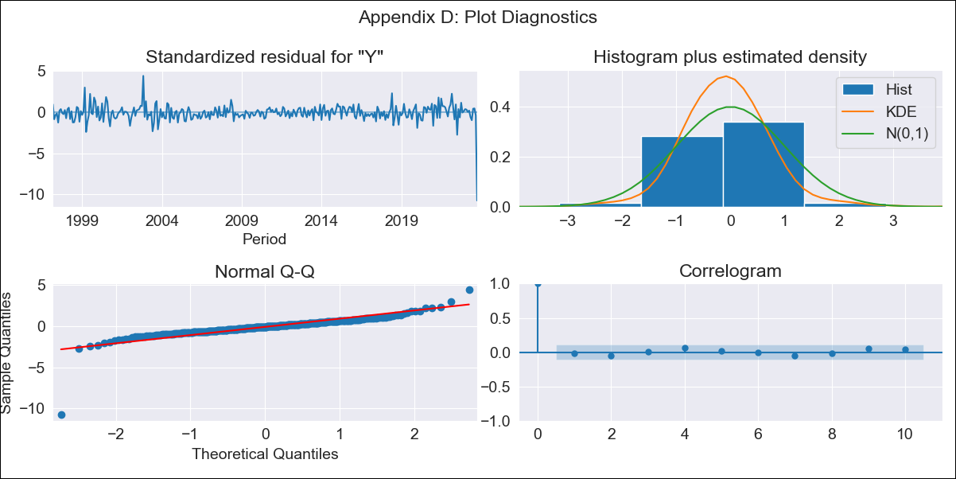
SUR10 - Inflation - Next 12 months forecast as of: 2023-10-01

Model | ARIMA - [(1, 1, 0), (0, 0, 1, 12)]
Training Data | 1996-01-01 to 2022-11-01
Test Data | 2022-11-01 to 2023-10-01

Date | Inflation Change YoY % | Lower Bound - 95% Confidence Interval | Upper Bound - 95% Confidence Interval
2023-11-01 | 0.2 | -0.39 | 0.79
2023-12-01 | -1.3 | -2.44 | -0.16
2024-01-01 | -2.38 | -4.06 | -0.7
2024-02-01 | -3.17 | -5.36 | -0.98
2024-03-01 | -3.7 | -6.37 | -1.03
2024-04-01 | -4.1 | -7.2 | -0.99
2024-05-01 | -4.21 | -7.73 | -0.69
2024-06-01 | -4.05 | -7.94 | -0.15
2024-07-01 | -4.03 | -8.29 | 0.22
2024-08-01 | -4.13 | -8.72 | 0.45
2024-09-01 | -4.1 | -9 | 0.8
2024-10-01 | -1.46 | -6.66 | 3.74

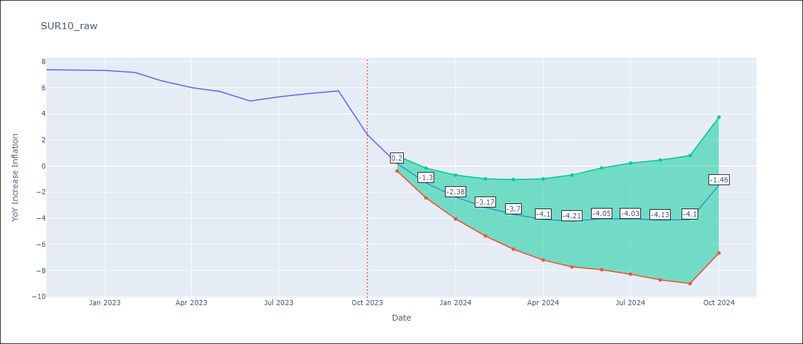

Test Metrics
RMSE | 1.0
Naive RMSE | 1.07
MAPE | 14.34%

Test Predictions
Date | Predicted | Actual
2022-11-01 | 7.39 | 7.38
2022-12-01 | 7.35 | 7.36
2023-01-01 | 7.18 | 7.33
2023-02-01 | 6.85 | 7.17
2023-03-01 | 6.1 | 6.52
2023-04-01 | 5.46 | 6.01
2023-05-01 | 5.25 | 5.7
2023-06-01 | 4.9 | 4.98
2023-07-01 | 5.32 | 5.29
2023-08-01 | 5.52 | 5.54
2023-09-01 | 5.81 | 5.75
2023-10-01 | 5.74 | 2.41

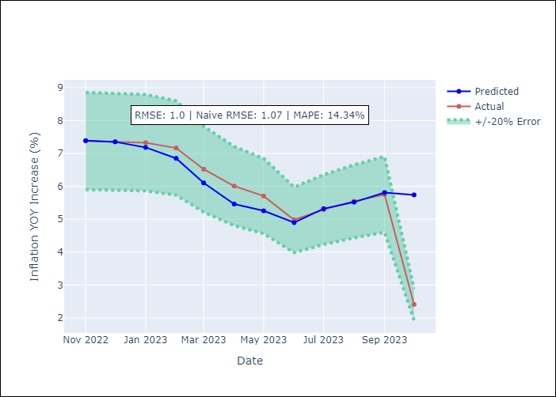

Appendix A: Model Summary
Model | ARIMA(1, 1, 0)x(0, 0, [1], 12)
Sample | 01-01-1996- 10-01-2023
No. of Observations | 334
Terms | P-value (Statistical significance)
ar.L1 | 0.000
ma.S.L12 | 0.000
sigma2 | 0.000
Assumptions | P-value
Ljung-Box (L1) | 0.82
Heteroskedasticity | 0.01
Jarque-Bera | 0.00
Skew | -3.41
Kurtosis | 43.47

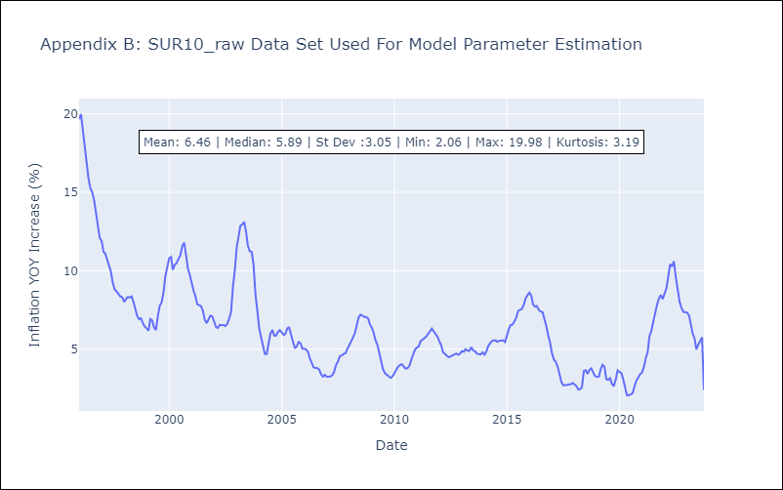

Appendix C: Residuals Analysis
Mean | -0.0
White Noise? | No - Correlation at Lags [ 1 2 3 4 5 6 7 8 9 10 11 12]
Normal? | No

