ECU2014
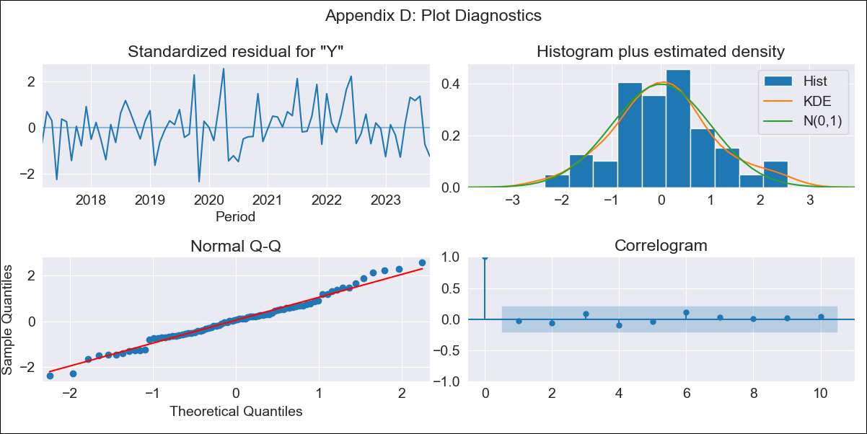
ECU - Inflation - Next 12 months forecast as of: 2023-10-01

Model | ARIMA - [(1, 1, 2), (3, 0, 0, 12)]
Training Data | 2014-01-01 to 2022-11-01
Test Data | 2022-11-01 to 2023-10-01

Date | Inflation Change YoY % | Lower Bound - 95% Confidence Interval | Upper Bound - 95% Confidence Interval
2023-11-01 | 1.84 | 1.24 | 2.43
2023-12-01 | 1.78 | 0.79 | 2.76
2024-01-01 | 2.01 | 0.72 | 3.3
2024-02-01 | 2.09 | 0.53 | 3.65
2024-03-01 | 2.21 | 0.4 | 4.02
2024-04-01 | 2.59 | 0.54 | 4.64
2024-05-01 | 2.66 | 0.38 | 4.94
2024-06-01 | 2.37 | -0.14 | 4.87
2024-07-01 | 2.04 | -0.69 | 4.76
2024-08-01 | 1.65 | -1.29 | 4.59
2024-09-01 | 1.7 | -1.45 | 4.86
2024-10-01 | 1.91 | -1.45 | 5.28

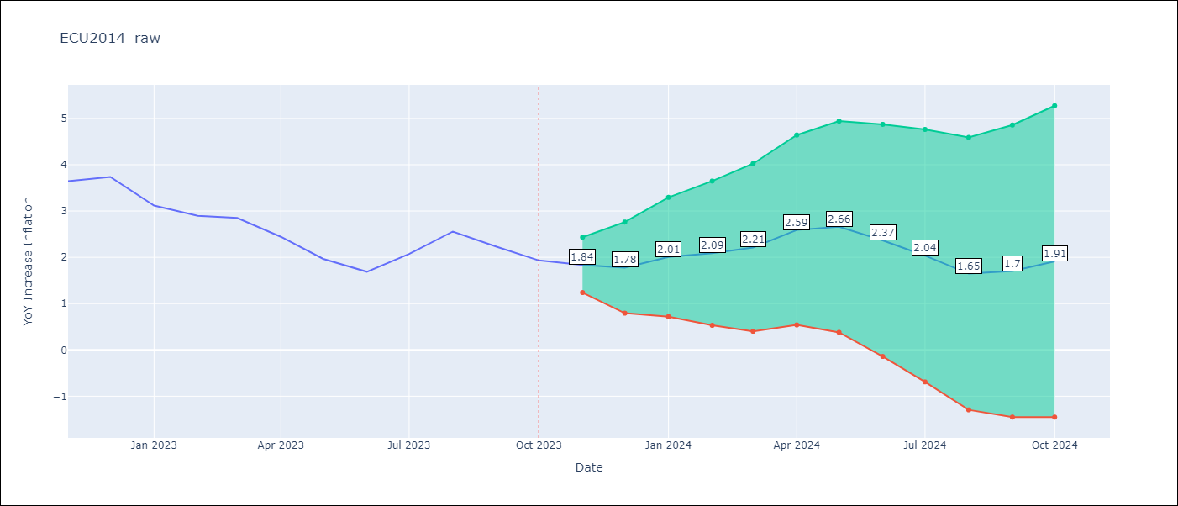

Test Metrics
RMSE | 0.56
Naive RMSE | 0.37
MAPE | 19.17%

Test Predictions
Date | Predicted | Actual
2022-11-01 | 3.51 | 3.64
2022-12-01 | 3.62 | 3.74
2023-01-01 | 3.4 | 3.12
2023-02-01 | 3.25 | 2.9
2023-03-01 | 3.36 | 2.85
2023-04-01 | 3.54 | 2.44
2023-05-01 | 3.11 | 1.97
2023-06-01 | 2.38 | 1.69
2023-07-01 | 2.19 | 2.07
2023-08-01 | 2.13 | 2.56
2023-09-01 | 1.86 | 2.23
2023-10-01 | 1.91 | 1.93

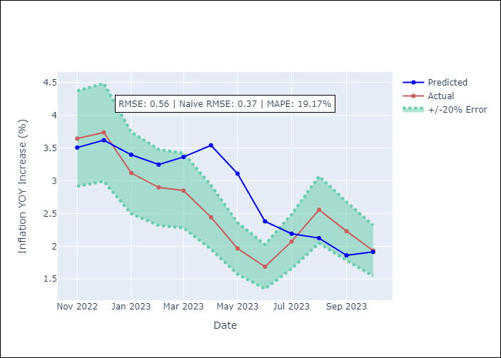

Appendix A: Model Summary
Model | ARIMA(1, 1, 2)x(3, 0, [], 12)
Sample | 01-01-2014- 10-01-2023
No. of Observations | 118
Terms | P-value (Statistical significance)
ar.L1 | 0.000
ma.L1 | 0.000
ma.L2 | 0.120
ar.S.L12 | 0.000
ar.S.L24 | 0.004
ar.S.L36 | 0.117
sigma2 | 0.000
Assumptions | P-value
Ljung-Box (L1) | 0.81
Heteroskedasticity | 0.39
Jarque-Bera | 0.79
Skew | 0.17
Kurtosis | 3.14

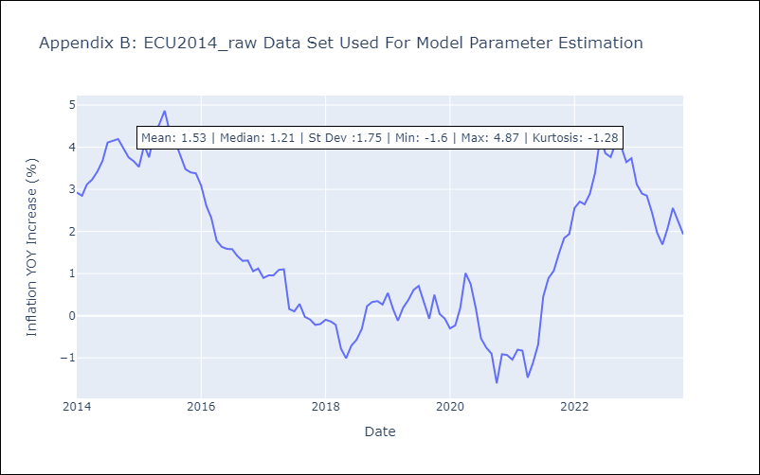

Appendix C: Residuals Analysis
Mean | 0.02
White Noise? | No - Correlation at Lags [1 2 3 4]
Normal? | No

