URY2005
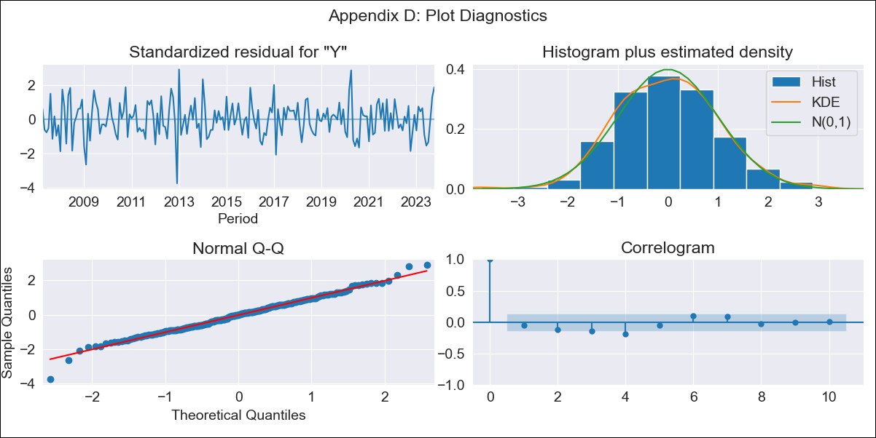
URY2005 - Inflation - Next 12 months forecast as of: 2023-10-01

Model | ARIMA - [(3, 2, 0), (0, 0, 2, 12)]
Training Data | 2005-01-01 to 2022-11-01
Test Data | 2022-11-01 to 2023-10-01

Date | Inflation Change YoY % | Lower Bound - 95% Confidence Interval | Upper Bound - 95% Confidence Interval
2023-11-01 | 4.25 | 3.34 | 5.16
2023-12-01 | 3.89 | 2.27 | 5.51
2024-01-01 | 3.96 | 1.71 | 6.21
2024-02-01 | 3.82 | 0.89 | 6.75
2024-03-01 | 3.53 | -0.25 | 7.31
2024-04-01 | 3.21 | -1.49 | 7.92
2024-05-01 | 3.28 | -2.38 | 8.94
2024-06-01 | 3.6 | -3.07 | 10.26
2024-07-01 | 3.87 | -3.88 | 11.61
2024-08-01 | 3.96 | -4.92 | 12.84
2024-09-01 | 3.74 | -6.31 | 13.8
2024-10-01 | 3.58 | -7.7 | 14.85

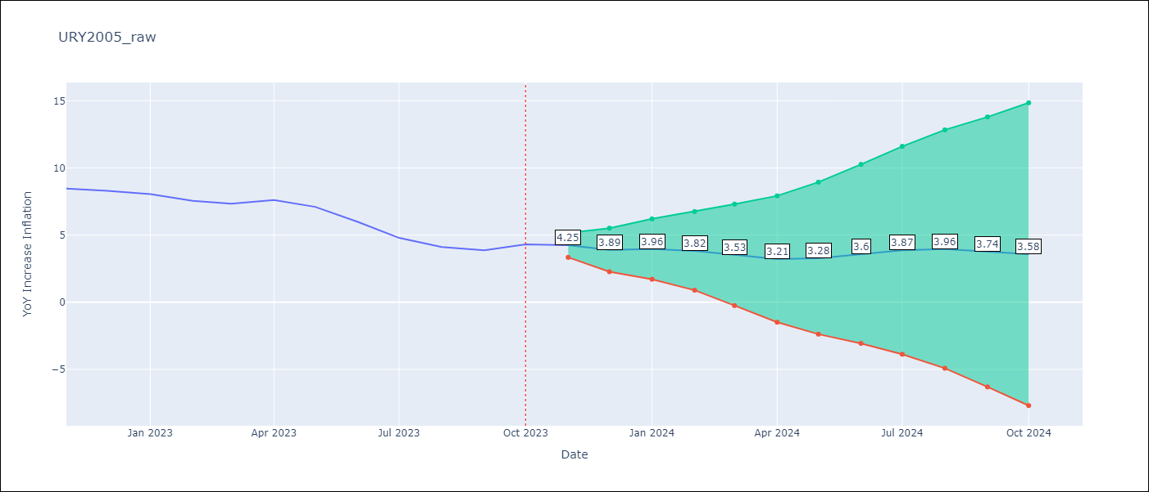

Test Metrics
RMSE | 1.73
Naive RMSE | 0.61
MAPE | 28.57%

Test Predictions
Date | Predicted | Actual
2022-11-01 | 8.86 | 8.46
2022-12-01 | 8.76 | 8.29
2023-01-01 | 8.87 | 8.05
2023-02-01 | 8.27 | 7.55
2023-03-01 | 7.94 | 7.33
2023-04-01 | 7.96 | 7.61
2023-05-01 | 7.84 | 7.1
2023-06-01 | 7.56 | 5.98
2023-07-01 | 7.31 | 4.79
2023-08-01 | 7.14 | 4.11
2023-09-01 | 6.85 | 3.87
2023-10-01 | 6.86 | 4.3

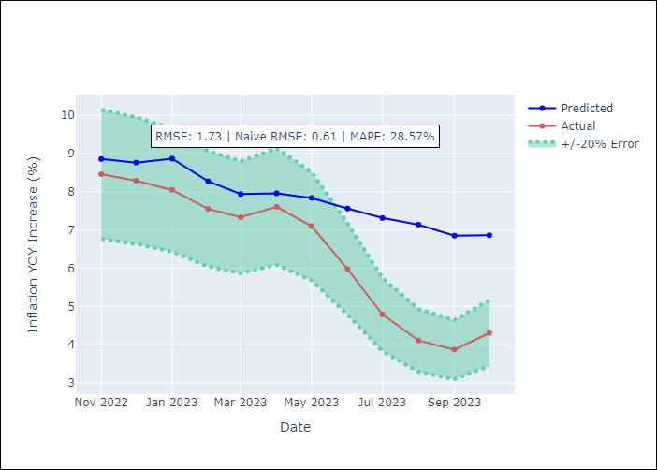

Appendix A: Model Summary
Model | ARIMA(3, 2, 0)x(0, 0, [1, 2], 12)
Sample | 01-01-2005- 10-01-2023
No. of Observations | 226
Terms | P-value (Statistical significance)
ar.L1 | 0.000
ar.L2 | 0.000
ar.L3 | 0.000
ma.S.L12 | 0.000
ma.S.L24 | 0.004
sigma2 | 0.000
Assumptions | P-value
Ljung-Box (L1) | 0.42
Heteroskedasticity | 0.45
Jarque-Bera | 0.27
Skew | -0.03
Kurtosis | 3.56

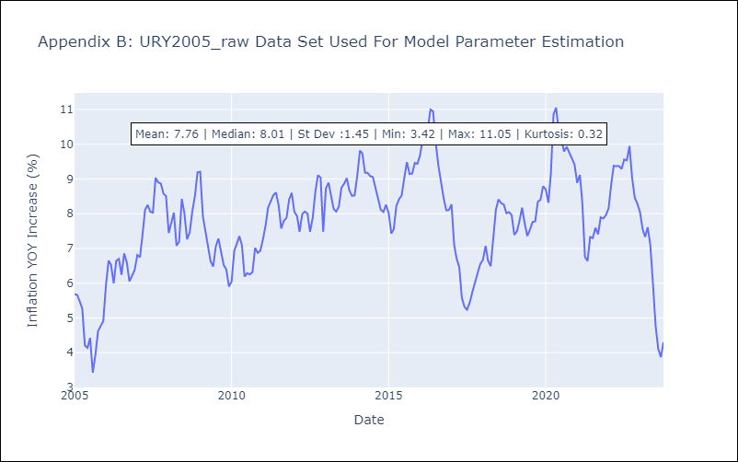

Appendix C: Residuals Analysis
Mean | 0.0
White Noise? | No - Correlation at Lags [ 1 2 3 4 5 6 7 8 9 10 11 12]
Normal? | No

