URY2015
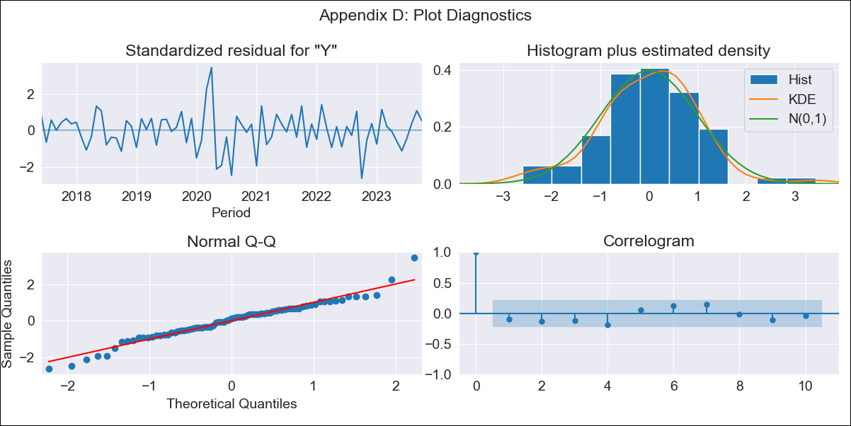
URY2015 - Inflation - Next 12 months forecast as of: 2023-10-01

Model | ARIMA - [(3, 2, 0), (2, 0, 0, 12)]
Training Data | 2015-01-01 to 2022-11-01
Test Data | 2022-11-01 to 2023-10-01

Date | Inflation Change YoY % | Lower Bound - 95% Confidence Interval | Upper Bound - 95% Confidence Interval
2023-11-01 | 4.26 | 2.69 | 5.5
2023-12-01 | 3.81 | -2.51 | 6.12
2024-01-01 | 3.6 | -143.19 | 6.79
2024-02-01 | 3.32 | -1807.29 | 7.35
2024-03-01 | 2.68 | -23071.35 | 7.86
2024-04-01 | 1.73 | -208600.13 | 8.4
2024-05-01 | 1.73 | -782097.69 | 9.31
2024-06-01 | 2.47 | -1811161.1 | 10.41
2024-07-01 | 2.72 | -4915680.63 | 11.33
2024-08-01 | 2.69 | -14105363.92 | 12.15
2024-09-01 | 1.94 | -46652028.9 | 12.76
2024-10-01 | 1.89 | -111946913.19 | 13.57

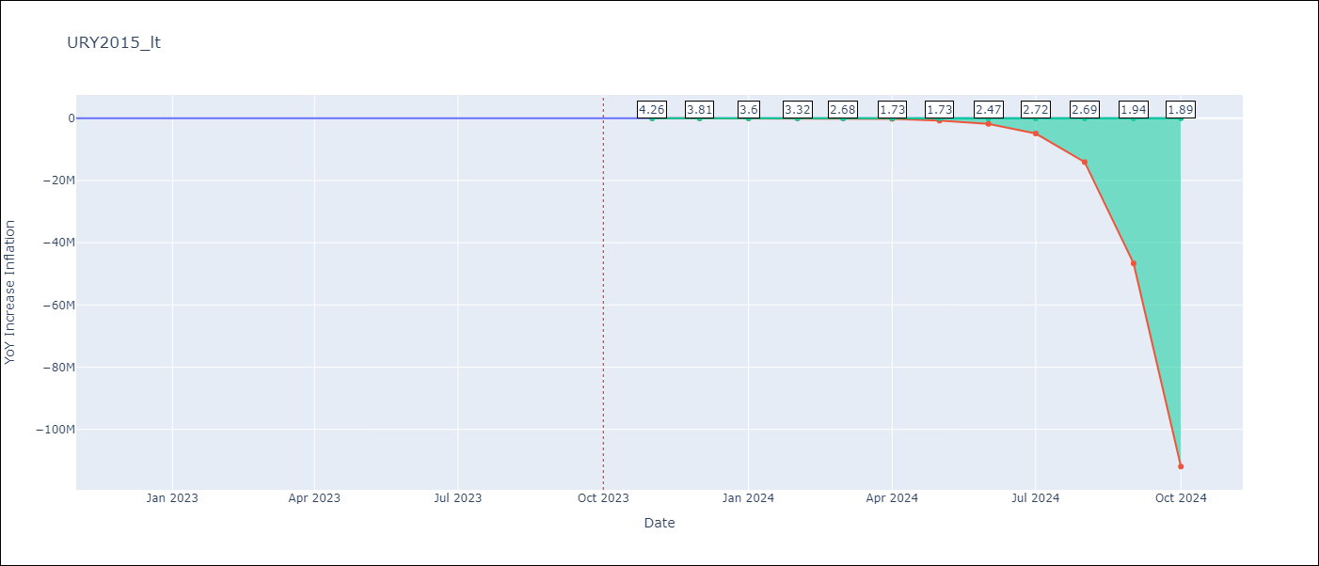

Test Metrics
RMSE | 1.2
Naive RMSE | 0.61
MAPE | 19.47%

Test Predictions
Date | Predicted | Actual
2022-11-01 | 8.76 | 8.46
2022-12-01 | 8.59 | 8.29
2023-01-01 | 8.7 | 8.05
2023-02-01 | 7.91 | 7.55
2023-03-01 | 7.52 | 7.33
2023-04-01 | 7.77 | 7.61
2023-05-01 | 7.64 | 7.1
2023-06-01 | 7.21 | 5.98
2023-07-01 | 6.71 | 4.79
2023-08-01 | 6.3 | 4.11
2023-09-01 | 5.78 | 3.87
2023-10-01 | 5.94 | 4.3

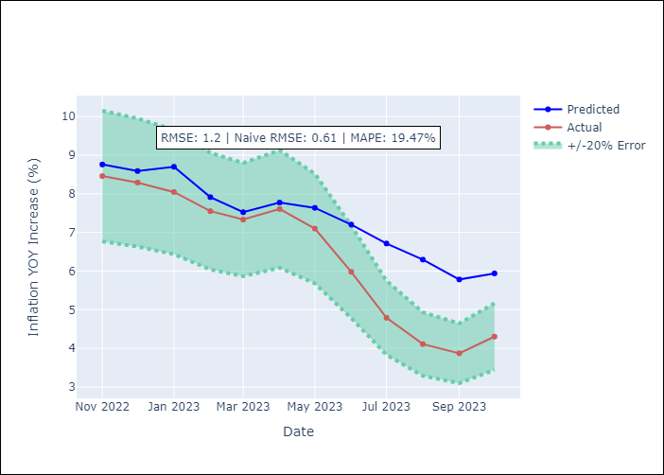

Appendix A: Model Summary
Model | ARIMA(3, 2, 0)x(2, 0, 0, 12)
Sample | 01-01-2015- 10-01-2023
No. of Observations | 106
Terms | P-value (Statistical significance)
ar.L1 | 0.000
ar.L2 | 0.000
ar.L3 | 0.000
ar.S.L12 | 0.000
ar.S.L24 | 0.023
sigma2 | 0.000
Assumptions | P-value
Ljung-Box (L1) | 0.41
Heteroskedasticity | 0.20
Jarque-Bera | 0.07
Skew | 0.03
Kurtosis | 4.30

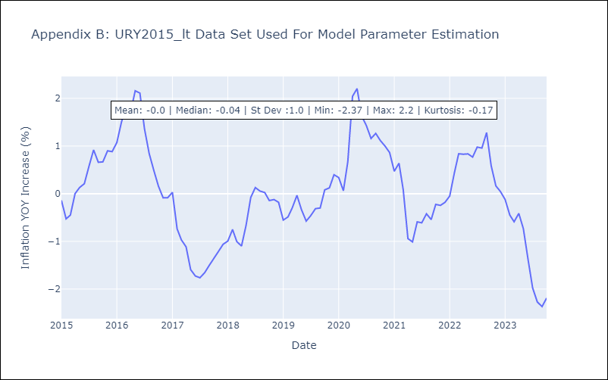

Appendix C: Residuals Analysis
Mean | -0.0
White Noise? | Yes
Normal? | Yes

