ven22
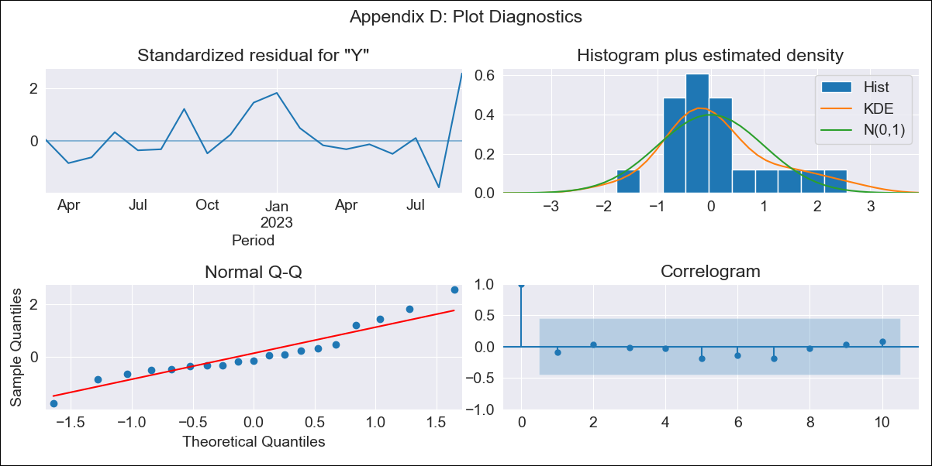
ven22 - Inflation - Next 12 months forecast as of: 2023-09-01

Model | ARIMA - [(1, 1, 0), (0, 0, 0, 12)]
Training Data | 2022-01-01 to 2022-10-01
Test Data | 2022-10-01 to 2023-09-01

Date | Inflation Change YoY % | Lower Bound - 95% Confidence Interval | Upper Bound - 95% Confidence Interval
2023-10-01 | 429.06 | 342.77 | 515.35
2023-11-01 | 444.32 | 292.69 | 595.94
2023-12-01 | 451.1 | 243.55 | 658.66
2024-01-01 | 454.12 | 198.43 | 709.81
2024-02-01 | 455.46 | 157.64 | 753.28
2024-03-01 | 456.06 | 120.68 | 791.44
2024-04-01 | 456.32 | 86.91 | 825.74
2024-05-01 | 456.44 | 55.76 | 857.12
2024-06-01 | 456.49 | 26.77 | 886.22
2024-07-01 | 456.52 | -0.43 | 913.47
2024-08-01 | 456.53 | -26.12 | 939.17
2024-09-01 | 456.53 | -50.52 | 963.58

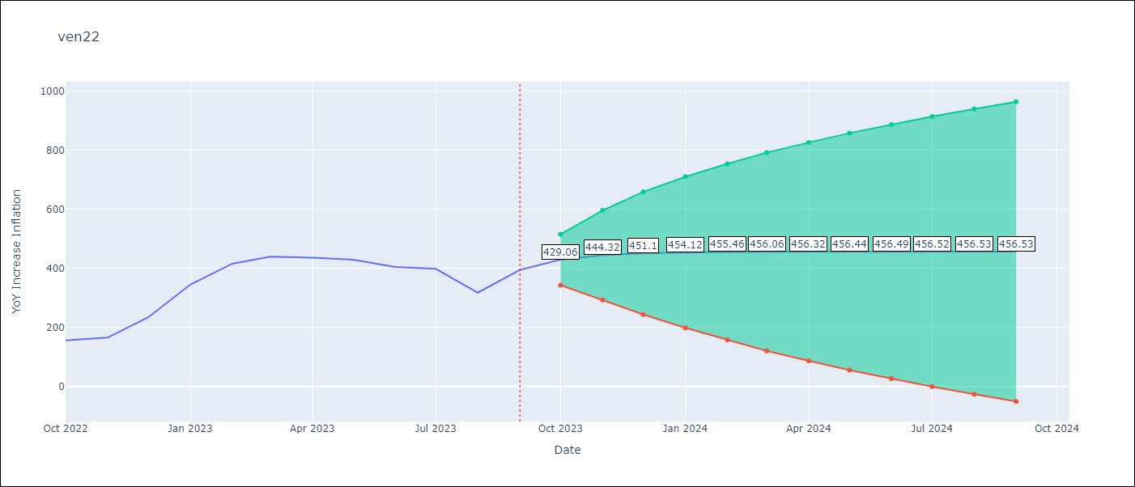

Test Metrics
RMSE | 173.79
Naive RMSE | 57.04
MAPE | 40.43%

Test Predictions
Date | Predicted | Actual
2022-10-01 | 179.49 | 155.8
2022-11-01 | 190.73 | 165.6
2022-12-01 | 196.46 | 234.08
2023-01-01 | 199.38 | 344.91
2023-02-01 | 200.87 | 415.57
2023-03-01 | 201.62 | 439.61
2023-04-01 | 202.01 | 436.34
2023-05-01 | 202.21 | 429.21
2023-06-01 | 202.31 | 404.37
2023-07-01 | 202.36 | 398.19
2023-08-01 | 202.38 | 317.63
2023-09-01 | 202.4 | 394.76

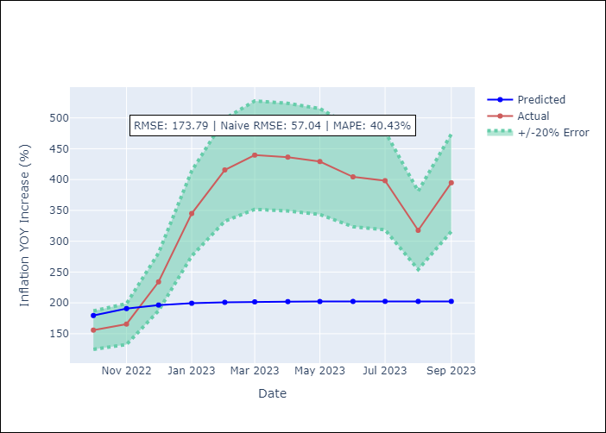

Appendix A: Model Summary
Model | ARIMA(1, 1, 0)
Sample | 01-01-2022- 09-01-2023
No. of Observations | 21
Terms | P-value (Statistical significance)
ar.L1 | 0.020
sigma2 | 0.001
Assumptions | P-value
Ljung-Box (L1) | 0.67
Heteroskedasticity | 0.03
Jarque-Bera | 0.42
Skew | 0.71
Kurtosis | 3.39

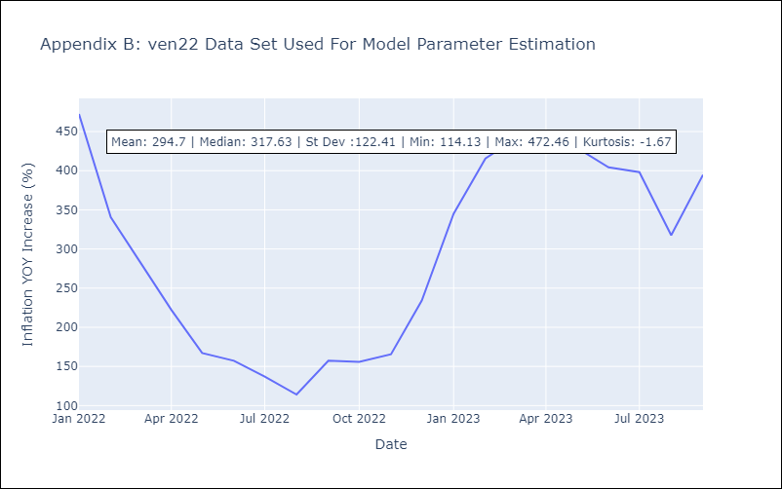

Appendix C: Residuals Analysis
Mean | 17.07
White Noise? | Yes
Normal? | No

