ven2021
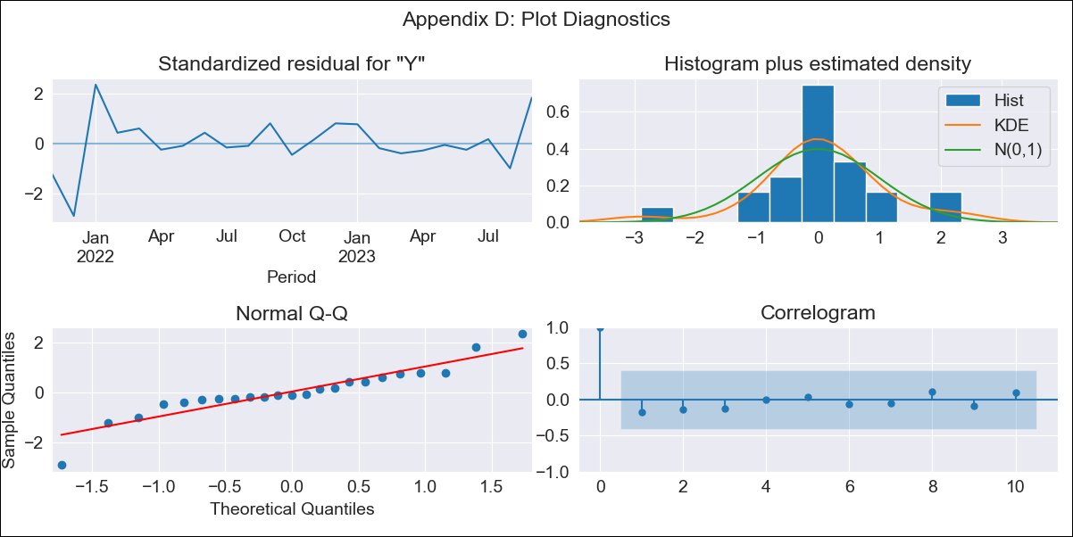
ven2021 - Inflation - Next 12 months forecast as of: 2023-09-01

Model | ARIMA - [(1, 1, 0), (0, 0, 0, 12)]
Training Data | 2021-09-01 to 2022-10-01
Test Data | 2022-10-01 to 2023-09-01

Date | Inflation Change YoY % | Lower Bound - 95% Confidence Interval | Upper Bound - 95% Confidence Interval
2023-10-01 | 454.03 | 304.67 | 603.39
2023-11-01 | 499.58 | 196.14 | 803.02
2023-12-01 | 534.58 | 69.59 | 999.58
2024-01-01 | 561.48 | -65.2 | 1188.16
2024-02-01 | 582.15 | -202.52 | 1366.83
2024-03-01 | 598.04 | -339.04 | 1535.12
2024-04-01 | 610.25 | -472.79 | 1693.29
2024-05-01 | 619.63 | -602.69 | 1841.95
2024-06-01 | 626.84 | -728.18 | 1981.86
2024-07-01 | 632.38 | -849.05 | 2113.8
2024-08-01 | 636.64 | -965.28 | 2238.55
2024-09-01 | 639.91 | -1076.99 | 2356.81

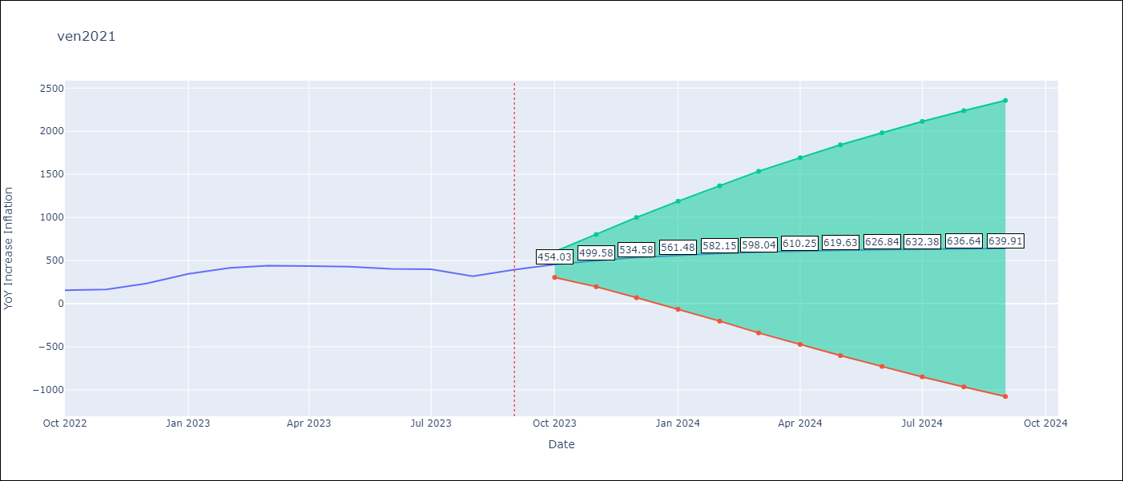

Test Metrics
RMSE | 102.56
Naive RMSE | 57.04
MAPE | 24.54%

Test Predictions
Date | Predicted | Actual
2022-10-01 | 191.56 | 155.8
2022-11-01 | 218.46 | 165.6
2022-12-01 | 239.66 | 234.08
2023-01-01 | 256.37 | 344.91
2023-02-01 | 269.54 | 415.57
2023-03-01 | 279.92 | 439.61
2023-04-01 | 288.1 | 436.34
2023-05-01 | 294.54 | 429.21
2023-06-01 | 299.63 | 404.37
2023-07-01 | 303.63 | 398.19
2023-08-01 | 306.79 | 317.63
2023-09-01 | 309.28 | 394.76

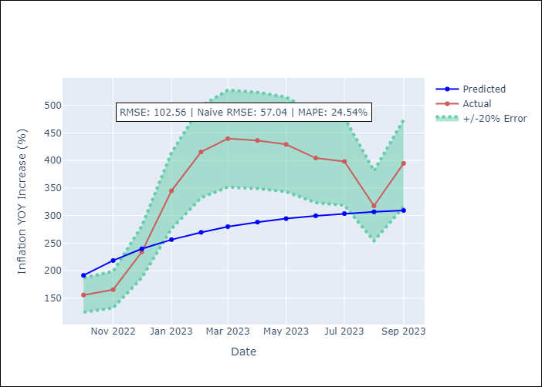

Appendix A: Model Summary
Model | ARIMA(1, 1, 0)
Sample | 09-01-2021- 09-01-2023
No. of Observations | 25
Terms | P-value (Statistical significance)
ar.L1 | 0.000
sigma2 | 0.000
Assumptions | P-value
Ljung-Box (L1) | 0.37
Heteroskedasticity | 0.10
Jarque-Bera | 0.08
Skew | -0.41
Kurtosis | 5.14

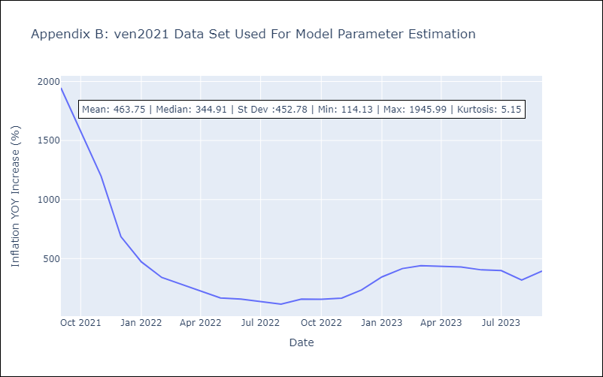

Appendix C: Residuals Analysis
Mean | 35.94
White Noise? | No - Correlation at Lags [1]
Normal? | No

