ven2021
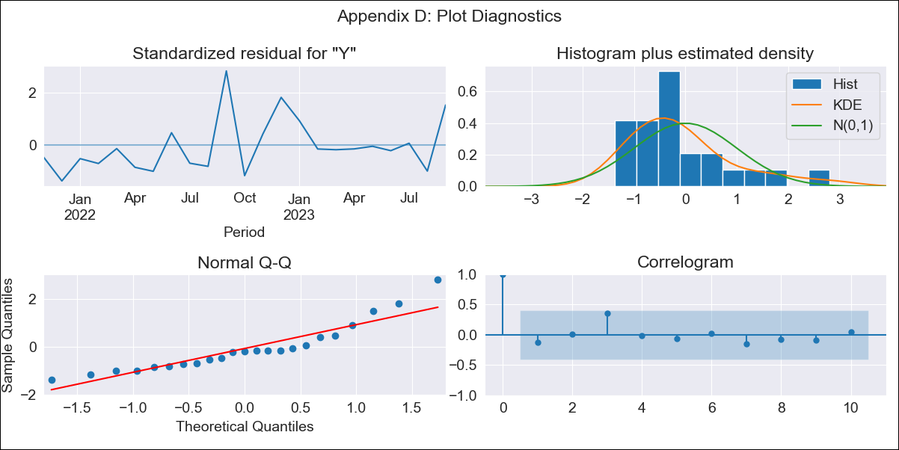
ven2021 - Inflation - Next 12 months forecast as of: 2023-09-01

Model | ARIMA - [(1, 1, 0), (0, 0, 0, 12)]
Training Data | 2021-09-01 to 2022-10-01
Test Data | 2022-10-01 to 2023-09-01

Date | Inflation Change YoY % | Lower Bound - 95% Confidence Interval | Upper Bound - 95% Confidence Interval
2023-10-01 | 444.35 | 288.8 | 749.06
2023-11-01 | 472.97 | 223.81 | 1390.91
2023-12-01 | 488.52 | 179.11 | 2724.19
2024-01-01 | 496.7 | 148.35 | 5845.14
2024-02-01 | 500.94 | 126.49 | 14861.13
2024-03-01 | 503.12 | 110.33 | 54138.19
2024-04-01 | 504.23 | 97.97 | 601879.84
2024-05-01 | 504.79 | 88.21
2024-06-01 | 505.08 | 80.31
2024-07-01 | 505.23 | 73.77
2024-08-01 | 505.3 | 68.26
2024-09-01 | 505.34 | 63.55

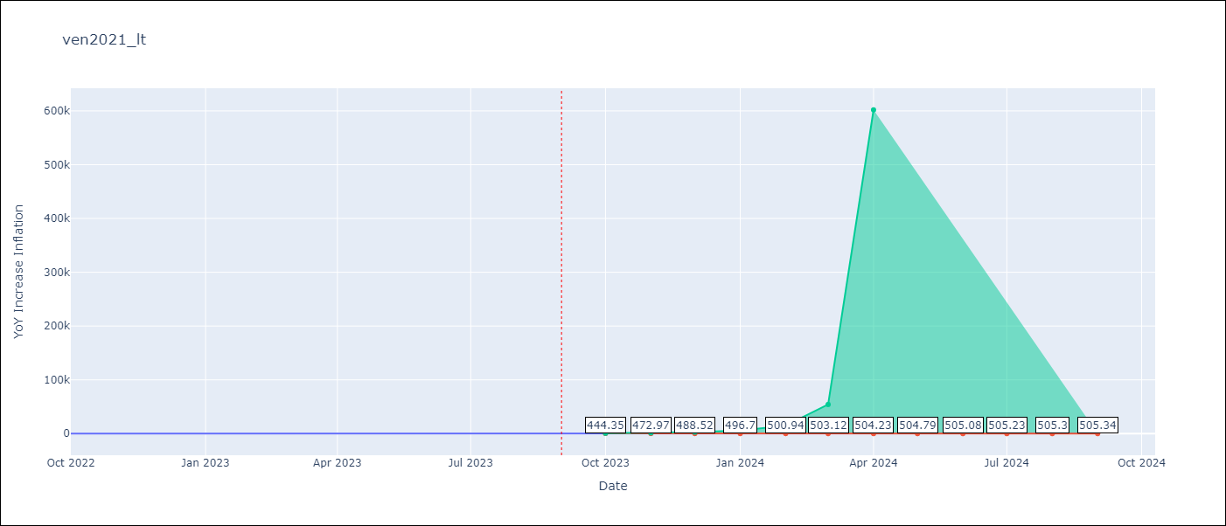

Test Metrics
RMSE | 92.04
Naive RMSE | 57.04
MAPE | 23.69%

Test Predictions
Date | Predicted | Actual
2022-10-01 | 198 | 155.8
2022-11-01 | 231.94 | 165.6
2022-12-01 | 258.02 | 234.08
2023-01-01 | 276.87 | 344.91
2023-02-01 | 289.93 | 415.57
2023-03-01 | 298.72 | 439.61
2023-04-01 | 304.53 | 436.34
2023-05-01 | 308.33 | 429.21
2023-06-01 | 310.78 | 404.37
2023-07-01 | 312.37 | 398.19
2023-08-01 | 313.38 | 317.63
2023-09-01 | 314.03 | 394.76

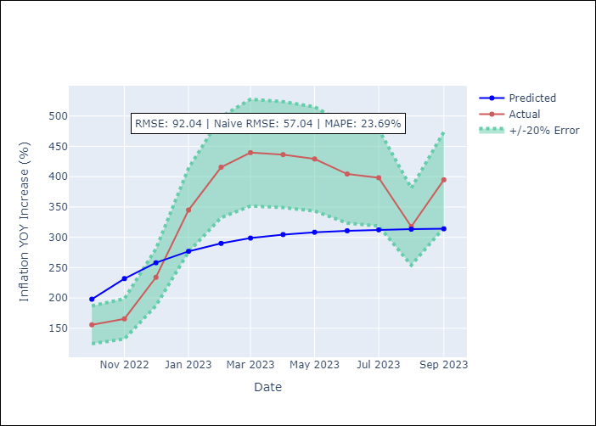

Appendix A: Model Summary
Model | ARIMA(1, 1, 0)
Sample | 09-01-2021- 09-01-2023
No. of Observations | 25
Terms | P-value (Statistical significance)
ar.L1 | 0.019
sigma2 | 0.001
Assumptions | P-value
Ljung-Box (L1) | 0.52
Heteroskedasticity | 0.64
Jarque-Bera | 0.02
Skew | 1.26
Kurtosis | 4.19

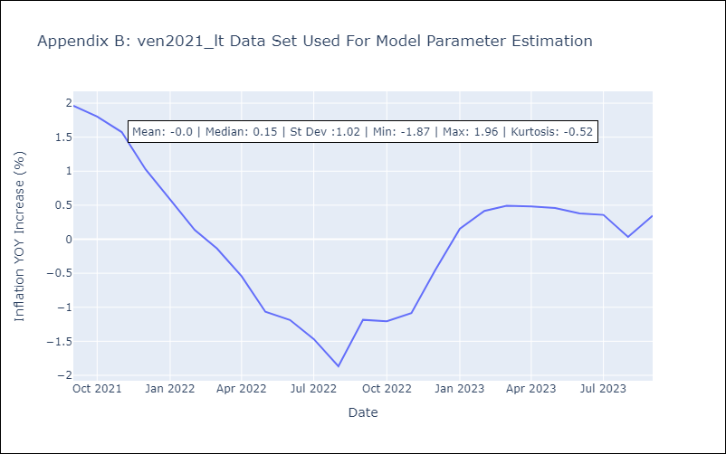

Appendix C: Residuals Analysis
Mean | 0.03
White Noise? | Yes
Normal? | No

