HTI
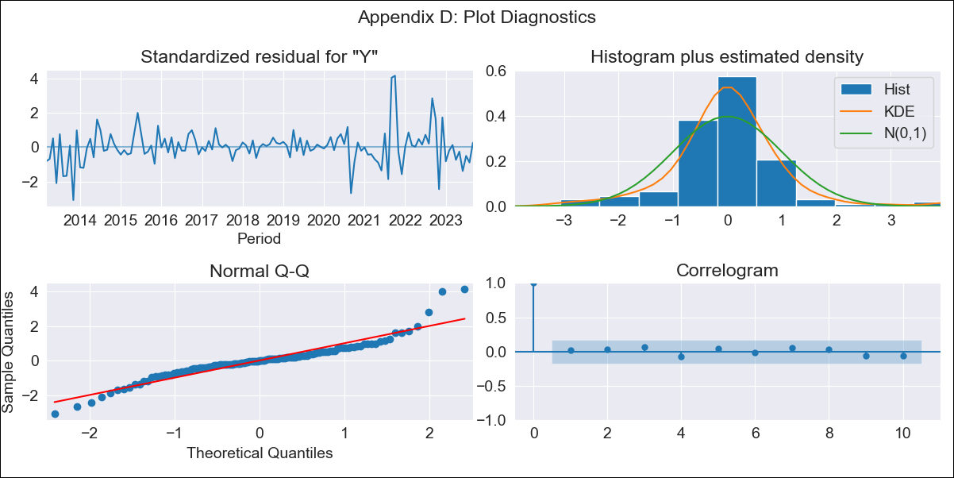
HTI - Inflation - Next 12 months forecast as of: 2023-09-01

Model | ARIMA - [(2, 0, 1), (2, 0, 0, 12)]
Training Data | 2011-01-01 to 2022-10-01
Test Data | 2022-10-01 to 2023-09-01

Date | Inflation Change YoY % | Lower Bound - 95% Confidence Interval | Upper Bound - 95% Confidence Interval
2023-10-01 | 25.5 | 22.82 | 28.49
2023-11-01 | 23.33 | 18.66 | 29.18
2023-12-01 | 23.04 | 16.78 | 31.67
2024-01-01 | 23.18 | 15.61 | 34.49
2024-02-01 | 22.9 | 14.42 | 36.44
2024-03-01 | 22.69 | 13.48 | 38.29
2024-04-01 | 22.54 | 12.72 | 40.07
2024-05-01 | 22.3 | 12.01 | 41.55
2024-06-01 | 22.21 | 11.46 | 43.2
2024-07-01 | 22.26 | 11.05 | 45.07
2024-08-01 | 22.21 | 10.63 | 46.66
2024-09-01 | 21.36 | 9.87 | 46.4

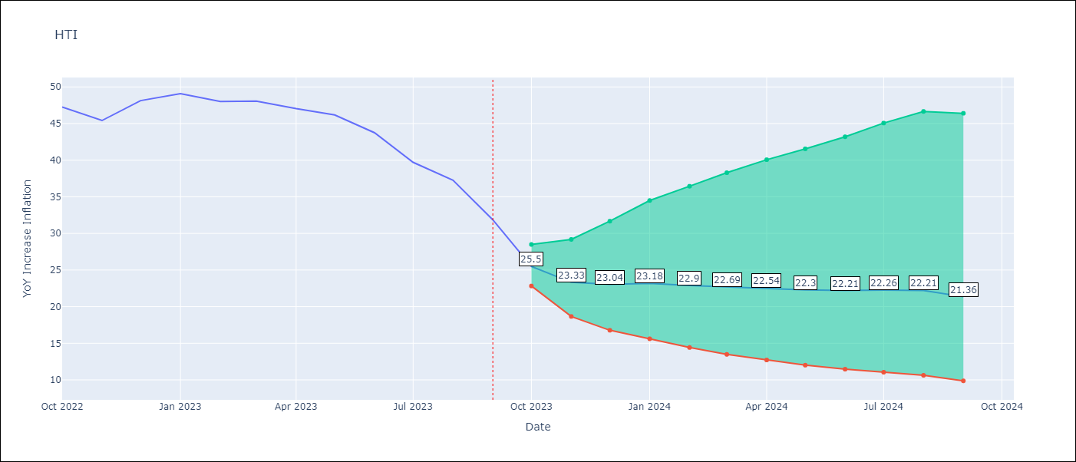

Test Metrics
RMSE | 27.09
Naive RMSE | 2.56
MAPE | 51.69%

Test Predictions
Date | Predicted | Actual
2022-10-01 | 43.66 | 47.25
2022-11-01 | 46.15 | 45.42
2022-12-01 | 50.15 | 48.13
2023-01-01 | 53.83 | 49.09
2023-02-01 | 56.65 | 48
2023-03-01 | 59.91 | 48.06
2023-04-01 | 64.27 | 47.04
2023-05-01 | 69.52 | 46.18
2023-06-01 | 77.07 | 43.75
2023-07-01 | 80.76 | 39.71
2023-08-01 | 88.25 | 37.27
2023-09-01 | 79.98 | 31.86

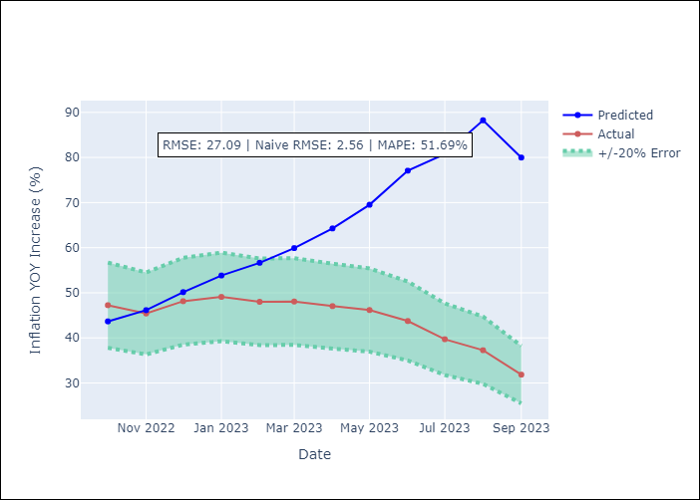

Appendix A: Model Summary
Model | ARIMA(2, 0, 1)x(2, 0, [], 12)
Sample | 01-01-2011- 09-01-2023
No. of Observations | 153
Terms | P-value (Statistical significance)
const | 0.546
ar.L1 | 0.000
ar.L2 | 0.001
ma.L1 | 0.000
ar.S.L12 | 0.001
ar.S.L24 | 0.000
sigma2 | 0.000
Assumptions | P-value
Ljung-Box (L1) | 0.88
Heteroskedasticity | 0.03
Jarque-Bera | 0.00
Skew | 0.65
Kurtosis | 7.21

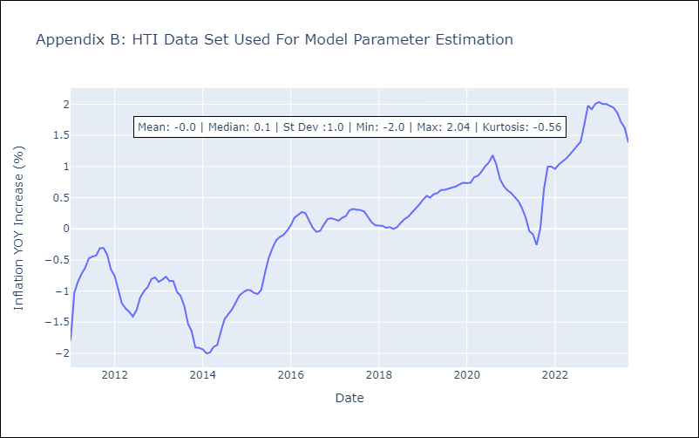

Appendix C: Residuals Analysis
Mean | -0.01
White Noise? | No - Correlation at Lags [ 1 2 3 4 5 6 7 8 9 10 11 12]
Normal? | No

