BHS
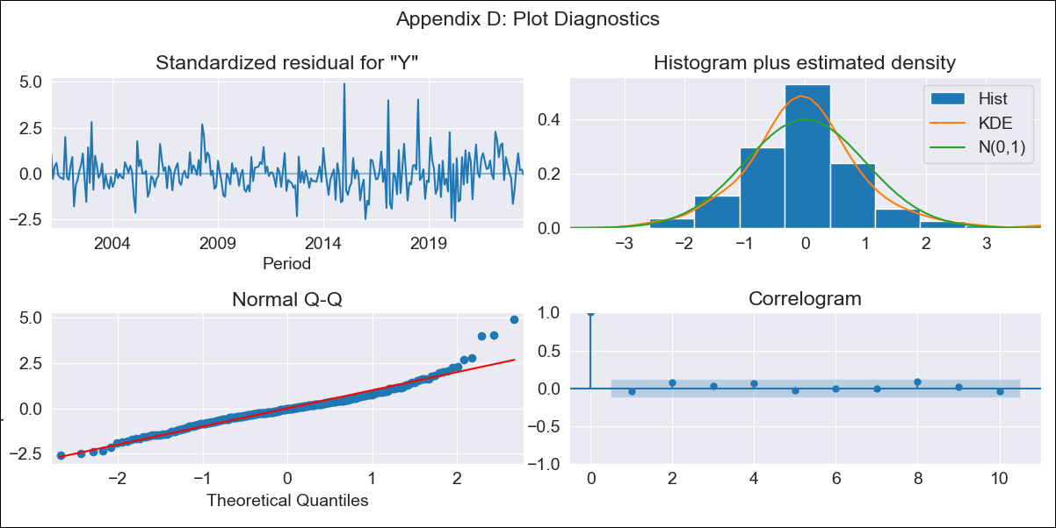
BHS - Inflation - Next 12 months forecast as of: 2023-07-01

Model | ARIMA - [(1, 0, 0), (3, 0, 0, 12)]
Training Data | 1998-01-01 to 2022-08-01
Test Data | 2022-08-01 to 2023-07-01

Date | Inflation Change YoY % | Lower Bound - 95% Confidence Interval | Upper Bound - 95% Confidence Interval
2023-08-01 | 2.32 | 1.42 | 3.22
2023-09-01 | 2.12 | 0.86 | 3.38
2023-10-01 | 1.85 | 0.33 | 3.37
2023-11-01 | 1.93 | 0.19 | 3.66
2023-12-01 | 1.95 | 0.04 | 3.86
2024-01-01 | 2.6 | 0.54 | 4.67
2024-02-01 | 2.44 | 0.24 | 4.64
2024-03-01 | 2.32 | 0 | 4.64
2024-04-01 | 1.69 | -0.73 | 4.12
2024-05-01 | 1.84 | -0.68 | 4.36
2024-06-01 | 1.67 | -0.95 | 4.28
2024-07-01 | 1.49 | -1.2 | 4.19

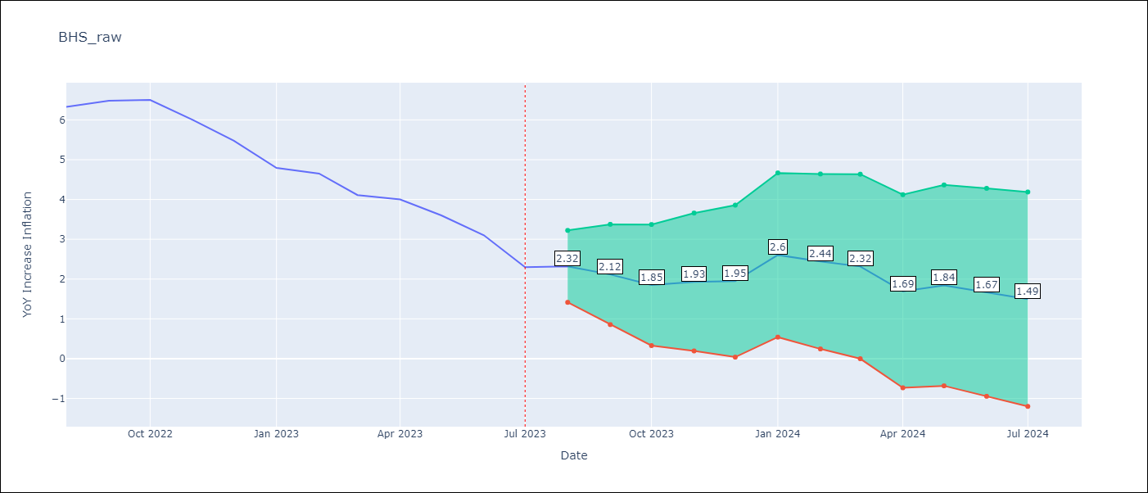

Test Metrics
RMSE | 0.4
Naive RMSE | 0.47
MAPE | 6.85%

Test Predictions
Date | Predicted | Actual
2022-08-01 | 6.48 | 6.33
2022-09-01 | 6.22 | 6.48
2022-10-01 | 6.03 | 6.5
2022-11-01 | 5.52 | 6
2022-12-01 | 5.11 | 5.48
2023-01-01 | 5.21 | 4.79
2023-02-01 | 5.44 | 4.65
2023-03-01 | 4.73 | 4.11
2023-04-01 | 4.06 | 4
2023-05-01 | 3.58 | 3.6
2023-06-01 | 2.96 | 3.1
2023-07-01 | 2.16 | 2.3

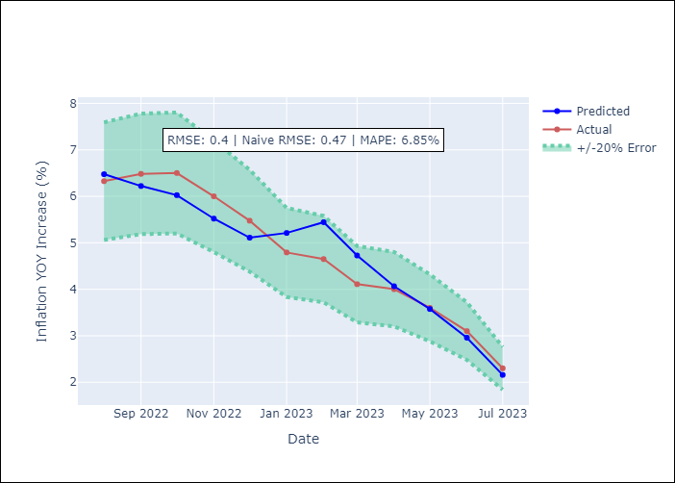

Appendix A: Model Summary
Model | ARIMA(1, 0, 0)x(3, 0, 0, 12)
Sample | 01-01-1998- 07-01-2023
No. of Observations | 307
Terms | P-value (Statistical significance)
const | 0.000
ar.L1 | 0.000
ar.S.L12 | 0.000
ar.S.L24 | 0.000
ar.S.L36 | 0.000
sigma2 | 0.000
Assumptions | P-value
Ljung-Box (L1) | 0.51
Heteroskedasticity | 0.00
Jarque-Bera | 0.00
Skew | 0.88
Kurtosis | 6.40

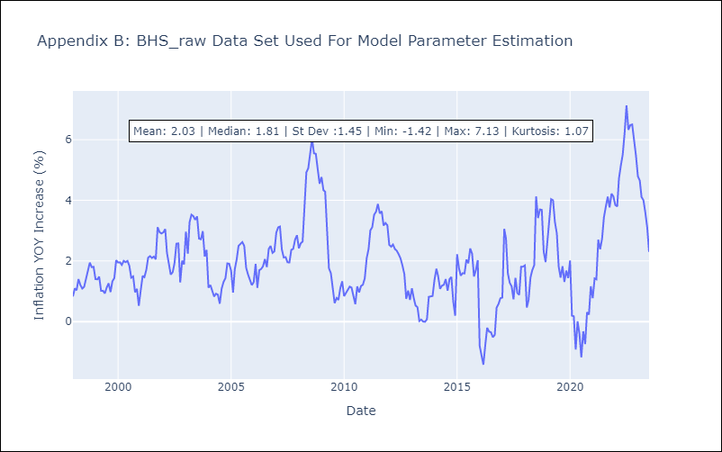

Appendix C: Residuals Analysis
Mean | -0.01
White Noise? | Yes
Normal? | No

BRB
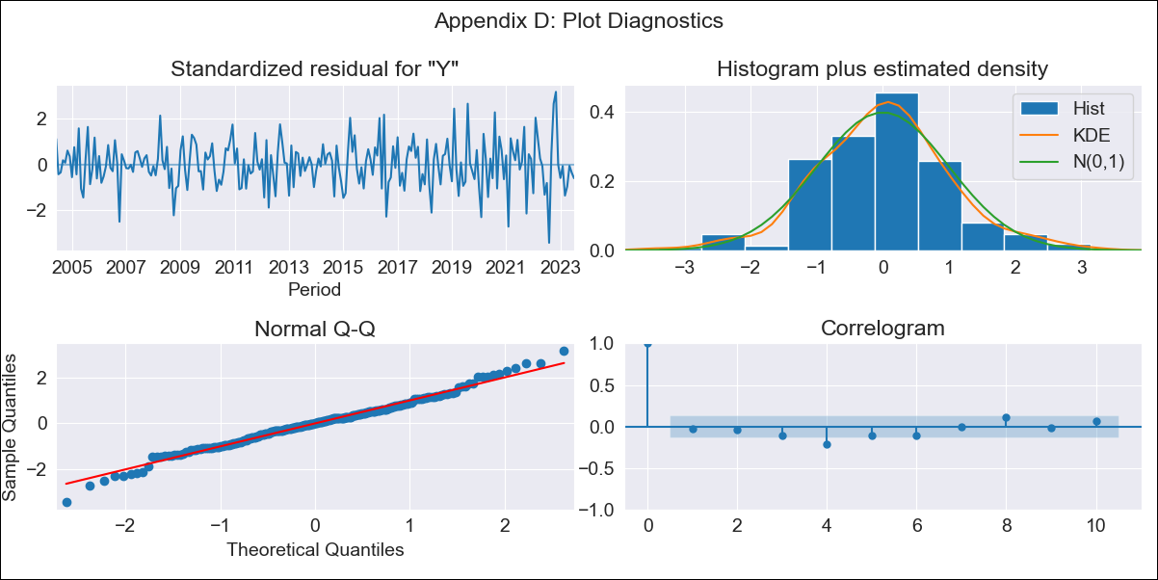
BRB - Inflation - Next 12 months forecast as of: 2023-07-01

Model | ARIMA - [(3, 2, 0), (3, 0, 0, 12)]
Training Data | 2001-01-01 to 2022-08-01
Test Data | 2022-08-01 to 2023-07-01

Date | Inflation Change YoY % | Lower Bound - 95% Confidence Interval | Upper Bound - 95% Confidence Interval
2023-08-01 | 12.37 | 10.65 | 14.1
2023-09-01 | 12.67 | 9.58 | 15.76
2023-10-01 | 11.67 | 7.06 | 16.28
2023-11-01 | 9.05 | 2.85 | 15.26
2023-12-01 | 7.91 | -0.13 | 15.95
2024-01-01 | 7.22 | -2.8 | 17.25
2024-02-01 | 5.46 | -6.7 | 17.62
2024-03-01 | 4.97 | -9.44 | 19.38
2024-04-01 | 4.81 | -11.99 | 21.6
2024-05-01 | 4.33 | -14.96 | 23.62
2024-06-01 | 4.29 | -17.62 | 26.19
2024-07-01 | 4.48 | -20.14 | 29.11

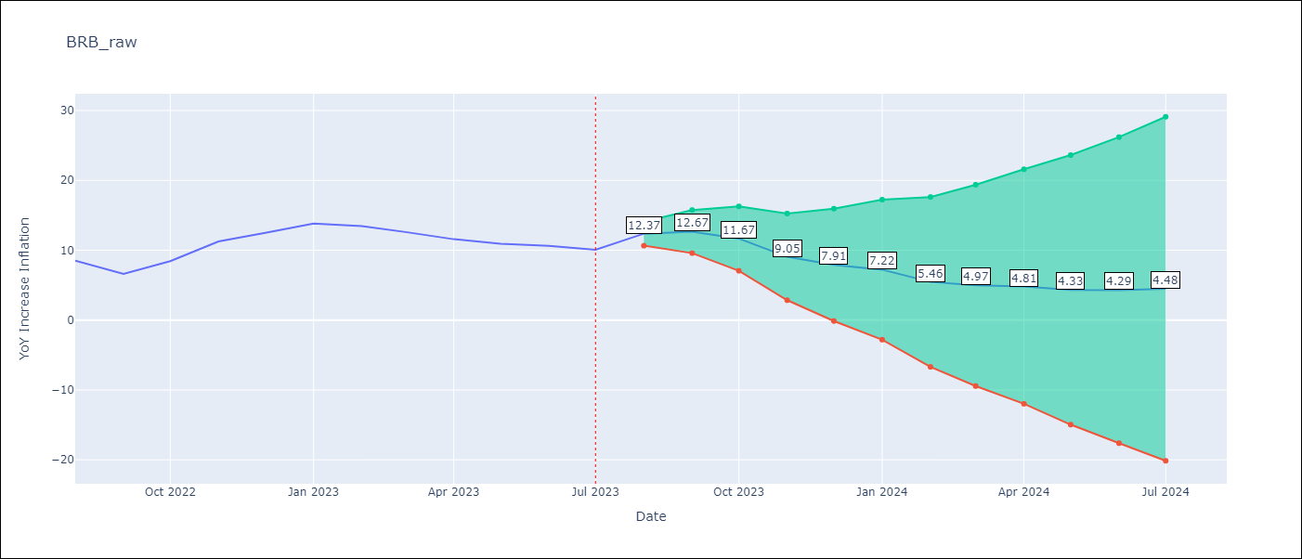

Test Metrics
RMSE | 2.11
Naive RMSE | 1.38
MAPE | 17.91%

Test Predictions
Date | Predicted | Actual
2022-08-01 | 11.82 | 8.51
2022-09-01 | 11.09 | 6.62
2022-10-01 | 11.94 | 8.45
2022-11-01 | 11.91 | 11.26
2022-12-01 | 12.24 | 12.48
2023-01-01 | 13.1 | 13.83
2023-02-01 | 11.69 | 13.45
2023-03-01 | 10.93 | 12.61
2023-04-01 | 10.38 | 11.58
2023-05-01 | 9.81 | 10.93
2023-06-01 | 9.87 | 10.62
2023-07-01 | 10.09 | 10.08

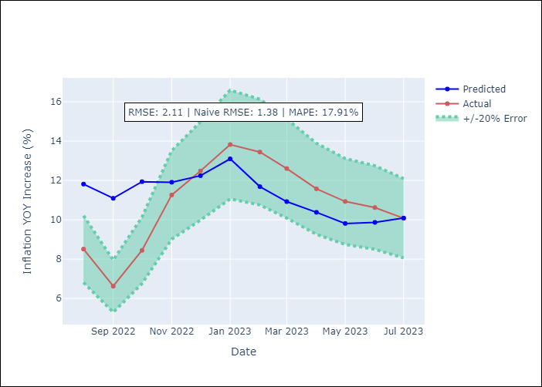

Appendix A: Model Summary
Model | ARIMA(3, 2, 0)x(3, 0, 0, 12)
Sample | 01-01-2001- 07-01-2023
No. of Observations | 271
Terms | P-value (Statistical significance)
ar.L1 | 0.000
ar.L2 | 0.001
ar.L3 | 0.006
ar.S.L12 | 0.000
ar.S.L24 | 0.000
ar.S.L36 | 0.000
sigma2 | 0.000
Assumptions | P-value
Ljung-Box (L1) | 0.72
Heteroskedasticity | 0.00
Jarque-Bera | 0.06
Skew | 0.01
Kurtosis | 3.77

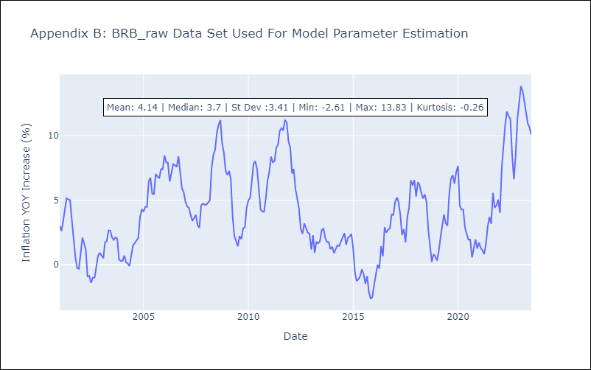

Appendix C: Residuals Analysis
Mean | -0.01
White Noise? | No - Correlation at Lags [ 4 5 6 7 8 9 10 11 12]
Normal? | No

CUB
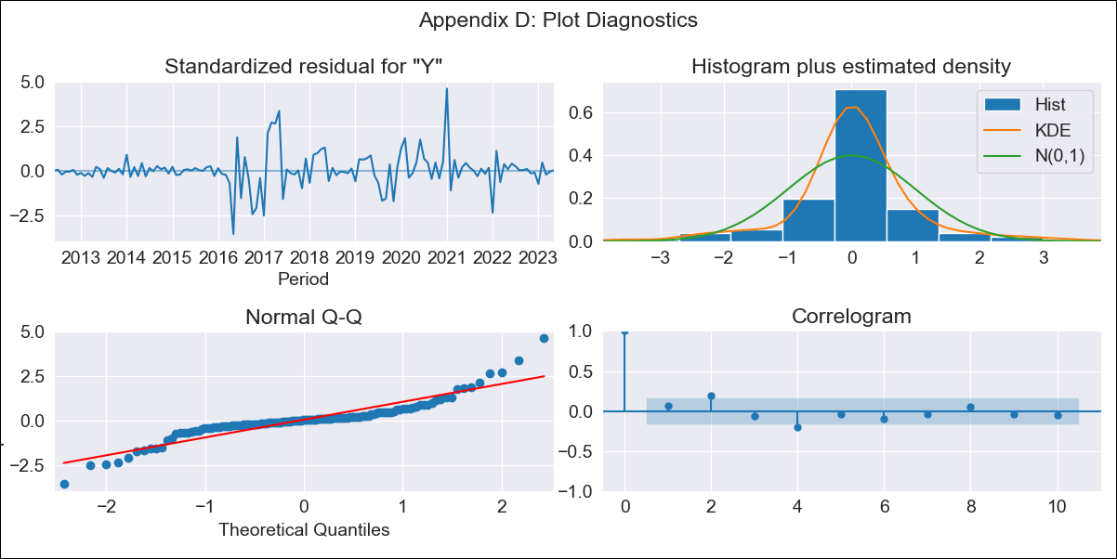
CUB - Inflation - Next 12 months forecast as of: 2023-05-01

Model | ARIMA - [(0, 2, 2), (0, 0, 1, 12)]
Training Data | 2011-01-01 to 2022-06-01
Test Data | 2022-06-01 to 2023-05-01

Date | Inflation Change YoY % | Lower Bound - 95% Confidence Interval | Upper Bound - 95% Confidence Interval
2023-06-01 | 44.44 | 24.21 | 76.39
2023-07-01 | 43.28 | 14.21 | 107.49
2023-08-01 | 43.53 | 9.65 | 137.76
2023-09-01 | 44.19 | 6.89 | 169.21
2023-10-01 | 44.52 | 4.92 | 200.7
2023-11-01 | 46.02 | 3.68 | 238.01
2023-12-01 | 47.87 | 2.77 | 279.37
2024-01-01 | 53.42 | 2.43 | 340.7
2024-02-01 | 53.57 | 1.65 | 381.53
2024-03-01 | 54.92 | 1.13 | 430.94
2024-04-01 | 56.95 | 0.75 | 487.52
2024-05-01 | 58.13 | 0.39 | 542.87

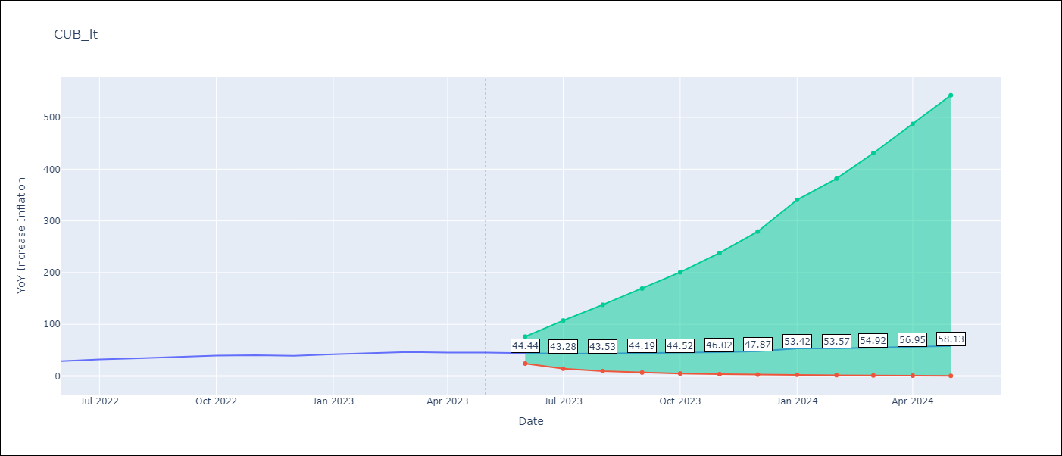

Test Metrics
RMSE | 7.75
Naive RMSE | 2.18
MAPE | 18.11%

Test Predictions
Date | Predicted | Actual
2022-06-01 | 25.31 | 28.85
2022-07-01 | 24.76 | 32.31
2022-08-01 | 25.12 | 34.3
2022-09-01 | 26.84 | 37.24
2022-10-01 | 27.53 | 39.73
2022-11-01 | 28.71 | 40.26
2022-12-01 | 29.03 | 39.07
2023-01-01 | 39.54 | 42.08
2023-02-01 | 39.64 | 44.5
2023-03-01 | 41.64 | 46.42
2023-04-01 | 42.14 | 45.35
2023-05-01 | 42.01 | 45.48

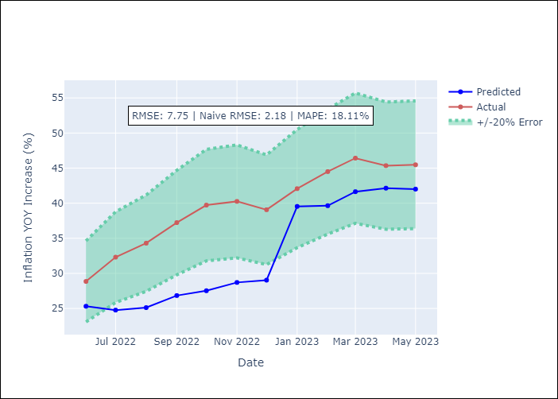

Appendix A: Model Summary
Model | ARIMA(0, 2, 2)x(0, 0, [1], 12)
Sample | 01-01-2011- 05-01-2023
No. of Observations | 149
Terms | P-value (Statistical significance)
ma.L1 | 0.000
ma.L2 | 0.000
ma.S.L12 | 0.000
sigma2 | 0.000
Assumptions | P-value
Ljung-Box (L1) | 0.43
Heteroskedasticity | 0.00
Jarque-Bera | 0.00
Skew | 0.56
Kurtosis | 8.01

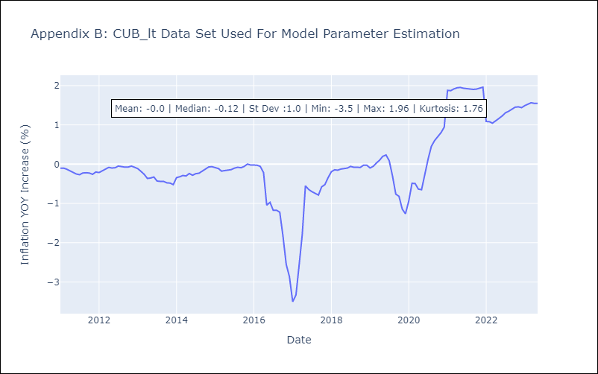

Appendix C: Residuals Analysis
Mean | 0.01
White Noise? | No - Correlation at Lags [2 4 5 6 7]
Normal? | No

