BRA
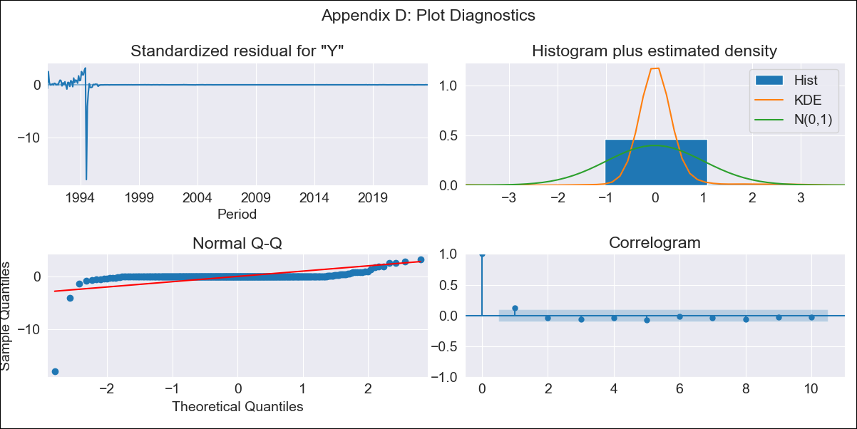
BRA - Inflation - Next 12 months forecast as of: 2023-09-01

Model | ARIMA - [(1, 1, 0), (0, 0, 1, 12)]
Training Data | 1990-01-01 to 2022-10-01
Test Data | 2022-10-01 to 2023-09-01

Date | Inflation Change YoY % | Lower Bound - 95% Confidence Interval | Upper Bound - 95% Confidence Interval
2023-10-01 | 5.59 | -140.69 | 151.86
2023-11-01 | 5.87 | -284.18 | 295.92
2023-12-01 | 6.06 | -429.28 | 441.41
2024-01-01 | 6.19 | -570.03 | 582.41
2024-02-01 | 6.29 | -703.89 | 716.48
2024-03-01 | 6.4 | -830.06 | 842.86
2024-04-01 | 6.47 | -948.63 | 961.57
2024-05-01 | 6.51 | -1060.01 | 1073.04
2024-06-01 | 6.57 | -1164.76 | 1177.9
2024-07-01 | 6.56 | -1263.6 | 1276.71
2024-08-01 | 6.54 | -1357.06 | 1370.15
2024-09-01 | 6.53 | -1445.72 | 1458.78

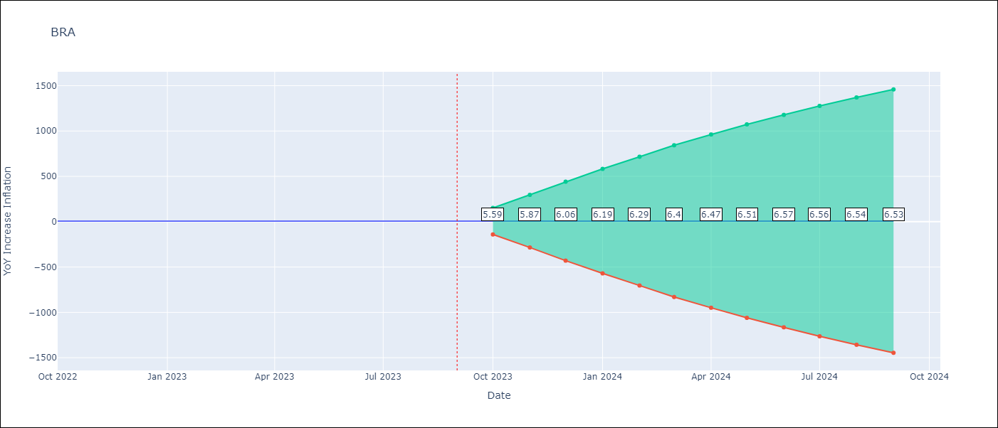

Test Metrics
RMSE | 0.97
Naive RMSE | 0.57
MAPE | 17.1%

Test Predictions
Date | Predicted | Actual
2022-10-01 | 6.06 | 6.47
2022-11-01 | 5.28 | 5.9
2022-12-01 | 4.75 | 5.79
2023-01-01 | 4.34 | 5.77
2023-02-01 | 4.05 | 5.6
2023-03-01 | 3.82 | 4.65
2023-04-01 | 3.64 | 4.18
2023-05-01 | 3.55 | 3.94
2023-06-01 | 3.47 | 3.16
2023-07-01 | 3.5 | 3.99
2023-08-01 | 3.52 | 4.61
2023-09-01 | 3.56 | 5.19

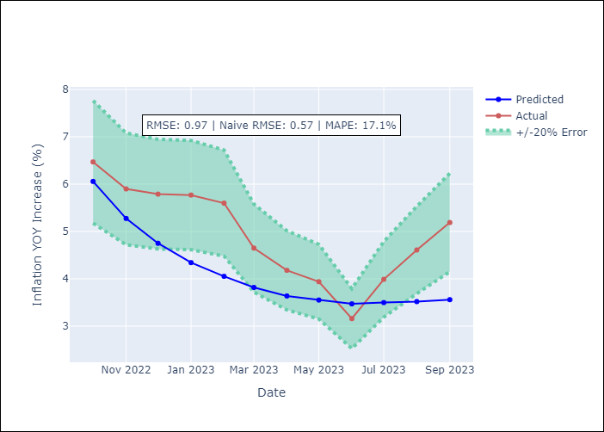

Appendix A: Model Summary
Model | ARIMA(1, 1, 0)x(0, 0, [1], 12)
Sample | 01-01-1990- 09-01-2023
No. of Observations | 405
Terms | P-value (Statistical significance)
ar.L1 | 0.000
ma.S.L12 | 0.712
sigma2 | 0.000
Assumptions | P-value
Ljung-Box (L1) | 0.01
Heteroskedasticity | 0.00
Jarque-Bera | 0.00
Skew | -14.62
Kurtosis | 265.30

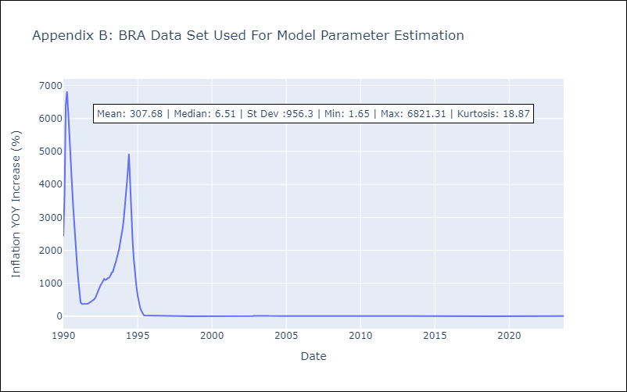

Appendix C: Residuals Analysis
Mean | 2.14
White Noise? | No - Correlation at Lags [ 2 3 4 5 6 7 8 9 10 11 12]
Normal? | No

