BRAPLUS
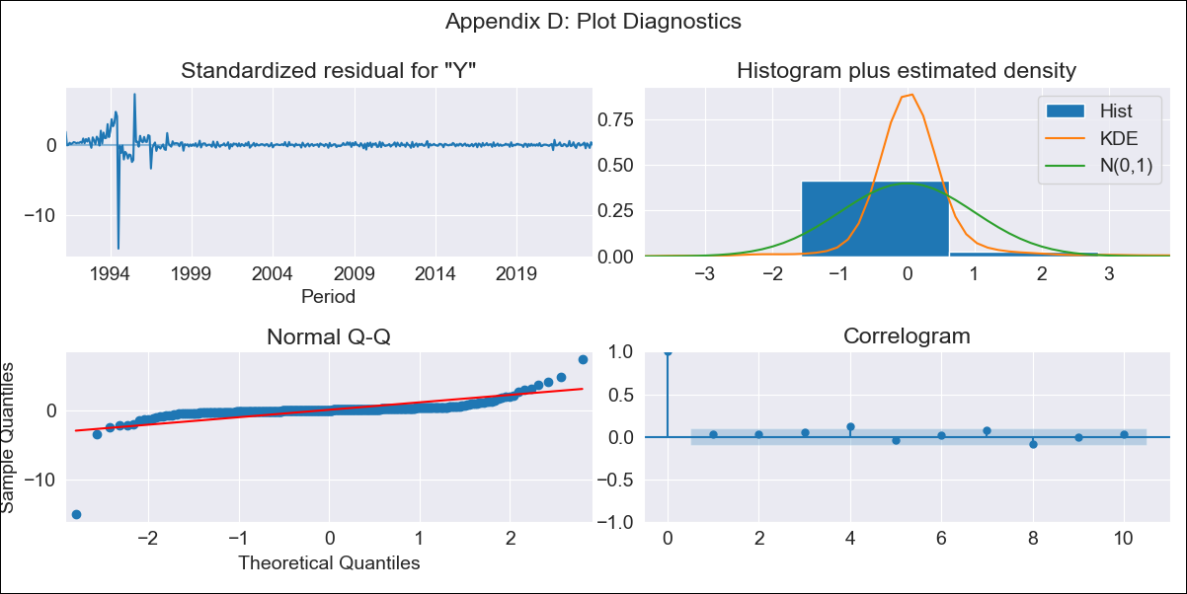
BRAPLUS - Inflation - Next 12 months forecast as of: 2023-09-01

Model | SARIMAX - [(2, 0, 2), (0, 0, 1, 12)] | Exogenous Variables | YoY Increase Crude oil WTI, YoY Increase Index Energy, YoY Increase Index Food
Training Data | 1990-01-01 to 2022-10-01
Test Data | 2022-10-01 to 2023-09-01

Date | Inflation Change YoY % | Lower Bound - 95% Confidence Interval | Upper Bound - 95% Confidence Interval
2023-10-01 | 7.48 | -141.9 | 156.85
2023-11-01 | 19.9 | -290.51 | 330.31
2023-12-01 | 25.85 | -432.25 | 483.95
2024-01-01 | 29.25 | -551.07 | 609.58
2024-02-01 | 25.86 | -651.59 | 703.31
2024-03-01 | 44.49 | -708.45 | 797.44
2024-04-01 | 37.13 | -773.73 | 847.98
2024-05-01 | 39.1 | -815.79 | 893.98
2024-06-01 | 41.48 | -846.7 | 929.65
2024-07-01 | 19.46 | -893.78 | 932.69
2024-08-01 | 21.74 | -910.3 | 953.79
2024-09-01 | 21.11 | -925.03 | 967.25

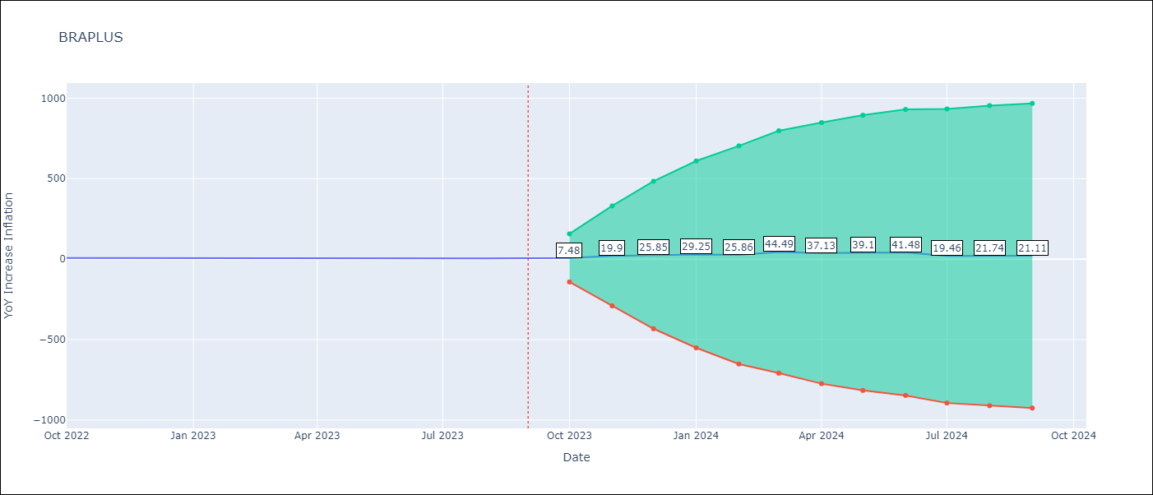

Test Metrics
RMSE | 25.88
Naive RMSE | 0.57
MAPE | 415.44%

Test Predictions
Date | Predicted | Actual
2022-10-01 | 5.16 | 6.47
2022-11-01 | 10.56 | 5.9
2022-12-01 | 17.84 | 5.79
2023-01-01 | 16.15 | 5.77
2023-02-01 | 1.55 | 5.6
2023-03-01 | -52.45 | 4.65
2023-04-01 | -44.44 | 4.18
2023-05-01 | -32.63 | 3.94
2023-06-01 | -23.32 | 3.16
2023-07-01 | 3.15 | 3.99
2023-08-01 | -0.09 | 4.61
2023-09-01 | -2.37 | 5.19

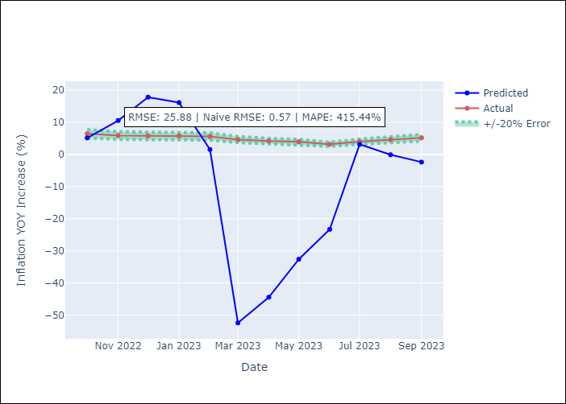

Appendix A: Model Summary
Model | SARIMAX(2, 0, 2)x(0, 0, [1], 12)
Sample | 01-01-1990- 09-01-2023
No. of Observations | 405
Terms | P-value (Statistical significance)
YoY Increase Crude oil WTI | 0.375
YoY Increase Index Energy | 0.386
YoY Increase Index Food | 0.053
ar.L1 | 0.000
ar.L2 | 0.000
ma.L1 | 0.028
ma.L2 | 0.446
ma.S.L12 | 0.000
sigma2 | 0.000
Assumptions | P-value
Ljung-Box (L1) | 0.48
Heteroskedasticity | 0.00
Jarque-Bera | 0.00
Skew | -5.73
Kurtosis | 106.16

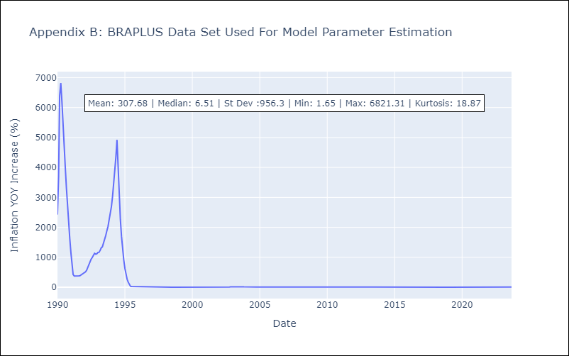

Appendix C: Residuals Analysis
Mean | 10.51
White Noise? | No - Correlation at Lags [ 2 3 4 5 6 7 8 9 10 11 12]
Normal? | No

