BRAPLUS96
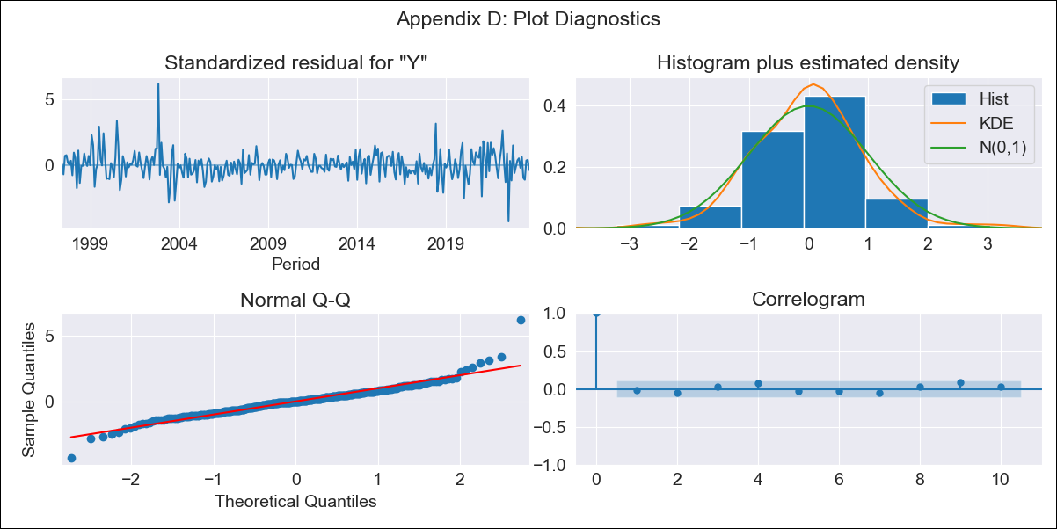
BRAPLUS96 - Inflation - Next 12 months forecast as of: 2023-09-01

Model | SARIMAX - [(1, 2, 2), (0, 0, 1, 12)] | Exogenous Variables | YoY Increase Crude oil WTI, YoY Increase Index Energy, YoY Increase Index Food
Training Data | 1996-01-01 to 2022-10-01
Test Data | 2022-10-01 to 2023-09-01

Date | Inflation Change YoY % | Lower Bound - 95% Confidence Interval | Upper Bound - 95% Confidence Interval
2023-10-01 | 5.13 | 4.46 | 5.8
2023-11-01 | 5.23 | 3.93 | 6.54
2023-12-01 | 5.33 | 3.41 | 7.25
2024-01-01 | 5.29 | 2.8 | 7.77
2024-02-01 | 5.09 | 2.09 | 8.1
2024-03-01 | 5.02 | 1.54 | 8.5
2024-04-01 | 4.8 | 0.87 | 8.72
2024-05-01 | 4.93 | 0.6 | 9.26
2024-06-01 | 5.35 | 0.63 | 10.06
2024-07-01 | 5.51 | 0.43 | 10.59
2024-08-01 | 5.5 | 0.08 | 10.92
2024-09-01 | 5.58 | -0.17 | 11.33

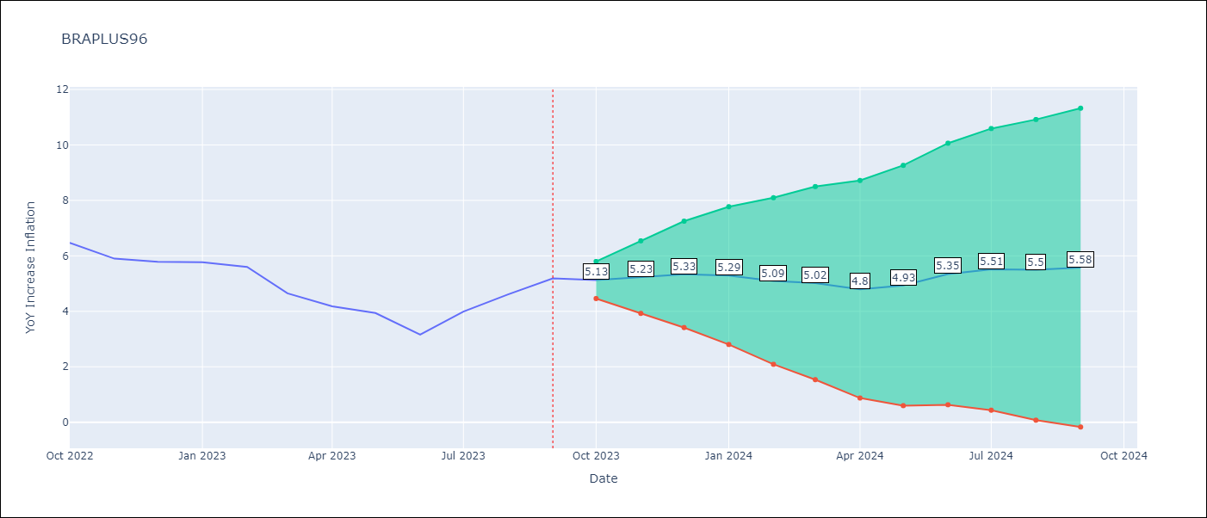

Test Metrics
RMSE | 0.78
Naive RMSE | 0.57
MAPE | 15.58%

Test Predictions
Date | Predicted | Actual
2022-10-01 | 5.95 | 6.47
2022-11-01 | 5.3 | 5.9
2022-12-01 | 5.21 | 5.79
2023-01-01 | 5.09 | 5.77
2023-02-01 | 4.66 | 5.6
2023-03-01 | 3.62 | 4.65
2023-04-01 | 2.88 | 4.18
2023-05-01 | 2.8 | 3.94
2023-06-01 | 2.51 | 3.16
2023-07-01 | 3.55 | 3.99
2023-08-01 | 4.15 | 4.61
2023-09-01 | 4.84 | 5.19

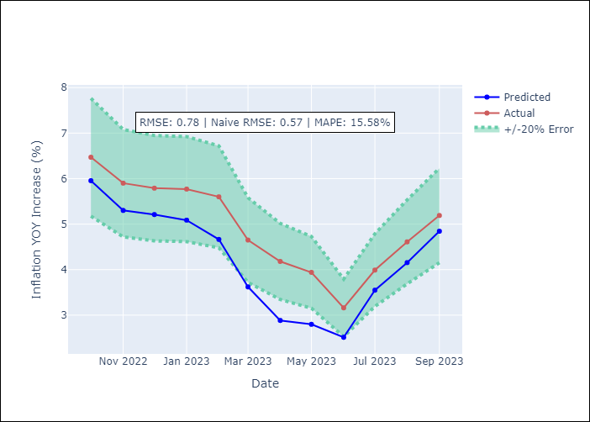

Appendix A: Model Summary
Model | SARIMAX(1, 2, 2)x(0, 0, [1], 12)
Sample | 01-01-1996- 09-01-2023
No. of Observations | 333
Terms | P-value (Statistical significance)
YoY Increase Crude oil WTI | 0.749
YoY Increase Index Energy | 0.842
YoY Increase Index Food | 0.677
ar.L1 | 0.000
ma.L1 | 0.000
ma.L2 | 0.395
ma.S.L12 | 0.000
sigma2 | 0.000
Assumptions | P-value
Ljung-Box (L1) | 0.84
Heteroskedasticity | 0.38
Jarque-Bera | 0.00
Skew | 0.64
Kurtosis | 8.60

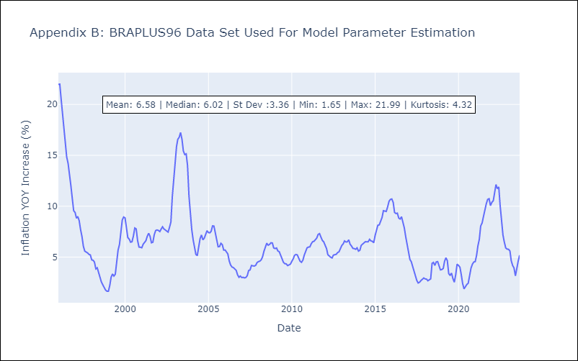

Appendix C: Residuals Analysis
Mean | 0.02
White Noise? | No - Correlation at Lags [ 1 2 3 4 5 6 7 8 9 10 11 12]
Normal? | No

